Sheet1
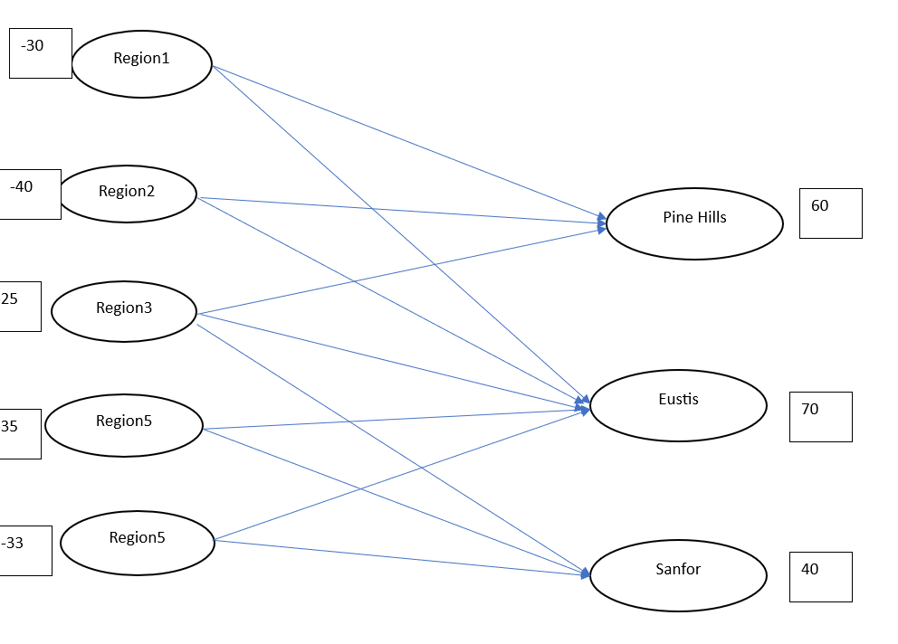
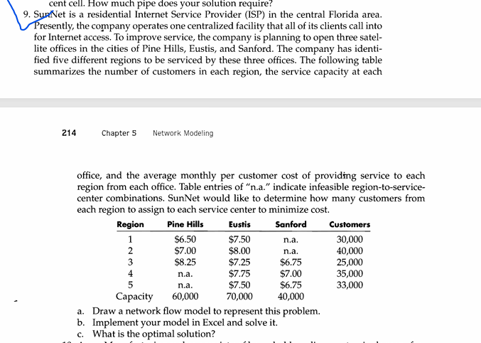

D.V | From |  | TO |  | unit price
20 | 1 | region1 | 6 | Pine Hills | 6.5
10 | 1 | region1 | 7 | Eustis | 7.5 |  | nodes | Region | net fow | supply(1000)
40 | 2 | region2 | 6 | Pine Hills | 7 |  | 1 | region1 | -30 | -30
0 | 2 | region2 | 7 | Eustis | 8 |  | 2 | region2 | -40 | -40
0 | 3 | region3 | 6 | Pine Hills | 8.25 |  | 3 | region3 | -25 | -25
25 | 3 | region3 | 7 | Eustis | 7.25 |  | 4 | region4 | -35 | -35
0 | 3 | region3 | 8 | Sanford | 6.75 |  | 5 | region5 | -33 | -33
0 | 4 | region4 | 7 | Eustis | 7.75 |  | 6 | Pine Hills | 60 | 60
35 | 4 | region4 | 8 | Sanford | 7 |  | 7 | Eustis | 63 | 70
28 | 5 | region5 | 7 | Eustis | 7.5 |  | 8 | Sanford | 40 | 40
5 | 5 | region5 | 8 | Sanford | 6.75

 |  |  |  |  | total | 1155

