Sheet1
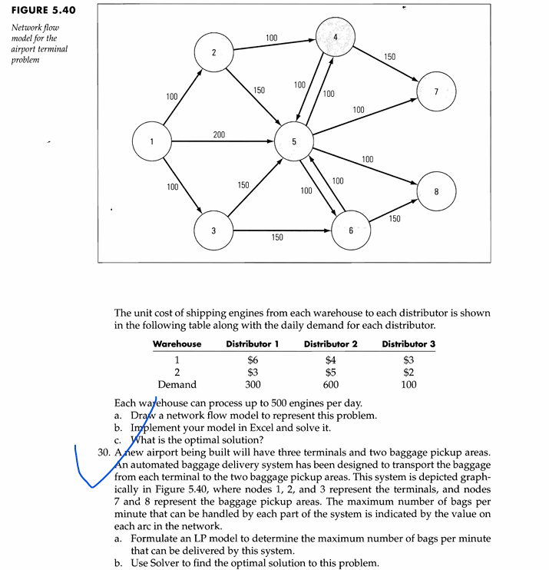

 |  |  | Upper
bags | From | To | Bound
0 | 1 | 2 | 100 | Nodes | net flow | supply/demand
0 | 1 | 3 | 100 | 1 | 0 | 0
200 | 1 | 5 | 200 | 2 | 0 | 0
100 | 2 | 4 | 100 | 3 | 0 | 0
50 | 2 | 5 | 150 | 4 | 0 | 0
0 | 3 | 5 | 150 | 5 | 0 | 0
150 | 3 | 6 | 150 | 6 | 0 | 0
0 | 4 | 5 | 100 | 7 | 0 | 0
150 | 4 | 7 | 150 | 8 | 0 | 0
50 | 5 | 4 | 100
0 | 5 | 6 | 100
100 | 5 | 7 | 100
100 | 5 | 8 | 100
0 | 6 | 5 | 100
150 | 6 | 8 | 150
0 | 7 | 1 | 9999
150 | 7 | 2 | 9999
100 | 7 | 3 | 9999
200 | 8 | 1 | 9999
0 | 8 | 2 | 9999
50 | 8 | 3 | 9999

 |  | maximal | 500

