Sheet1
D.V | i |  | j |  | unit cost
0 | 1 | Pittsburg | 3 | Charleston | 3
0 | 1 | Pittsburg | 4 | Roanoke | 4
0 | 2 | Sataunton | 3 | Charleston | 3
1000 | 2 | Sataunton | 4 | Roanoke | 4
0 | 3 | Charleston | 4 | Roanoke | 7
200 | 3 | Charleston | 5 | Richmond | 9
800 | 3 | Charleston | 6 | Norfolk | 6
0 | 4 | Roanoke | 3 | Charleston | 7 |  |  | nodes | net flow | supply/demand
0 | 4 | Roanoke | 6 | Norfolk | 4
700 | 4 | Roanoke | 7 | Suffolk | 8 |  | 1 | Pittsburg | -1000 | -1300
0 | 5 | Richmond | 6 | Norfolk | 3 |  | 2 | Sataunton | -1000 | -1200
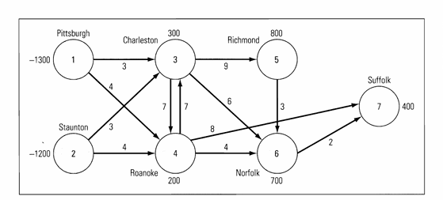
0 | 6 | Norfolk | 7 | Suffolk | 2 |  | 3 | Charleston | 300 | 300
 |  |  |  |  |  |  | 4 | Roanoke | 200 | 200
 |  |  |  |  |  |  | 5 | Richmond | 800 | 800
 |  |  |  |  |  |  | 6 | Norfolk | 700 | 700
 |  |  |  |  |  |  | 7 | Suffolk | 0 | 400

 |  |  |  | total | 16200

 |  |  |  |  |  | (c) the optimal silution be 16200

