Sheet1
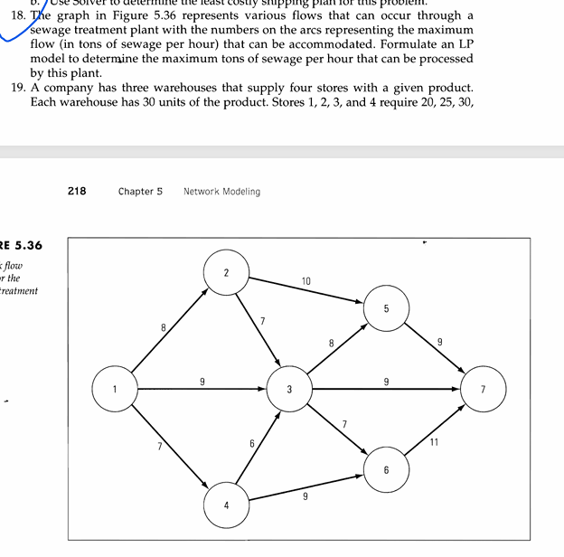
 | from | to
D.V | i | j | maximum flow
0 | 1 | 2 | 8
0 | 1 | 3 | 9
0 | 1 | 4 | 7
0 | 2 | 5 | 10
0 | 2 | 3 | 7
0 | 3 | 5 | 8 | node | net flow | supply/demand
0 | 3 | 6 | 7 | 1 | 0 | 0
0 | 3 | 7 | 9 | 2 | 0 | 0
0 | 4 | 3 | 6 | 3 | 0 | 0
0 | 4 | 6 | 9 | 4 | 0 | 0
0 | 5 | 7 | 9 | 5 | 0 | 0
0 | 6 | 7 | 11 | 6 | 0 | 0
 |  |  |  | 7 | 0 | 0

 |  | total | 0

