Sheet4
 | Model 1 | Model 2 | Model 3
units to make | 3000 | 550 | 900
units to buy | 0 | 1450 | 0
total units | 3000 | 2000 | 900
ordered | 3000 | 2000 | 900

 |  |  |  |  | Total cost
cost to make | 50 | 83 | 130 |  | 453300
cost to buy | 61 | 97 | 145

 |  |  |  | used | available
Hours of wiring | 2 | 1.5 | 3 | 9525 | 10000
hours of harnessing | 1 | 2 | 1 | 5000 | 5000

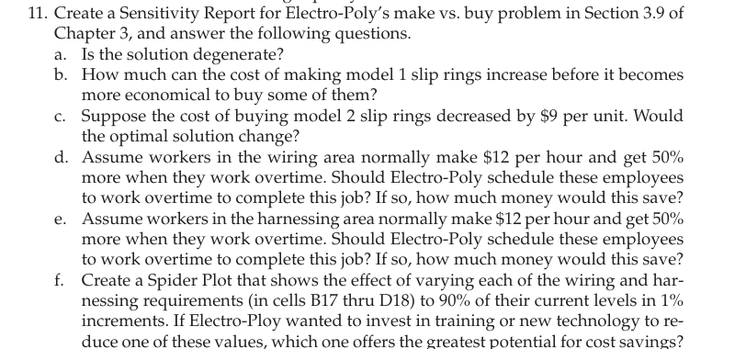

 | a) | Here, multiple decision variables are equal to zero, hence the solution is degenerate

 | b) | The sensitivity report shows: The current cost to make Model 1 is $50. The allowable increase for this cost is $4. Thus, the cost can increase up to $54 before it becomes more economical to buy some of them.

 | c) | The current cost of buying Model 2 is $97, and the allowable decrease is $14. If the cost decreases by $9: New cost = $97 - $9 = $88. Since this decrease is within the allowable range, the optimal solution would not change.

