Sheet1
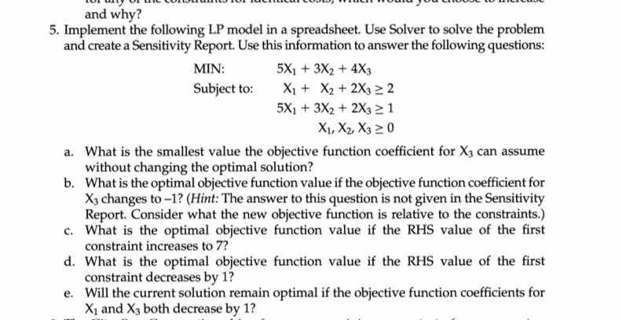

DV: | X1 | X2 | X3 | Constraints | min-value
 | 0 | 0 | 1 | 2 | 2
 |  |  |  | 2 | 1

 | 1 | 1 | 2
 | 5 | 3 | 2

 | 5 | 3 | 4

 | obj func | 4

