Sheet1
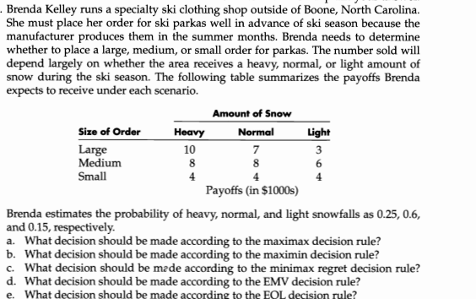

 | Payoff Matrix
 | Amount of snow
Size of order | Heavy | Normal | Light
Large | 10 | 7 | 3
Medium | 8 | 8 | 6
Small | 4 | 4 | 4

Probabilities | 0.25 | 0.6 | 0.15

 | a)Maximax method

 | Amount of snow
Size of order | Heavy | Normal | Light | max
Large | 10 | 7 | 3 | 10
Medium | 8 | 8 | 6 | 8
Small | 4 | 4 | 4 | 4

Probabilities | 0.25 | 0.6 | 0.15

 | b)Maximin method

 | Size of order | Heavy | Normal | Light | min
 | Large | 10 | 7 | 3 | 3
 | Medium | 8 | 8 | 6 | 6
 | Small | 4 | 4 | 4 | 4

 | Probabilities | 0.25 | 0.6 | 0.15

 |  | Size of order | Heavy | Normal | Light | max
 |  | Large | 0 | 1 | 3 | 3
 |  | Medium | 2 | 0 | 0 | 2
 |  | Small | 6 | 4 | 2 | 6

 |  | Probabilities | 0.25 | 0.6 | 0.15

 |  |  |  | Size of order | Heavy | Normal | Light | EMV
 |  |  |  | Large | 10 | 7 | 3 | 7.15
 |  |  |  | Medium | 8 | 8 | 6 | 7.7
 |  |  |  | Small | 4 | 4 | 4 | 4

 |  |  |  | Probabilities | 0.25 | 0.6 | 0.15

 |  |  |  |  | Size of order | Heavy | Normal | Light | EOI
 |  |  |  |  | Large | 0 | 1 | 3 | 1.05
 |  |  |  |  | Medium | 2 | 0 | 0 | 0.5
 |  |  |  |  | Small | 6 | 4 | 2 | 4.2

 |  |  |  |  | Probabilities | 0.25 | 0.6 | 0.15

