Visibility
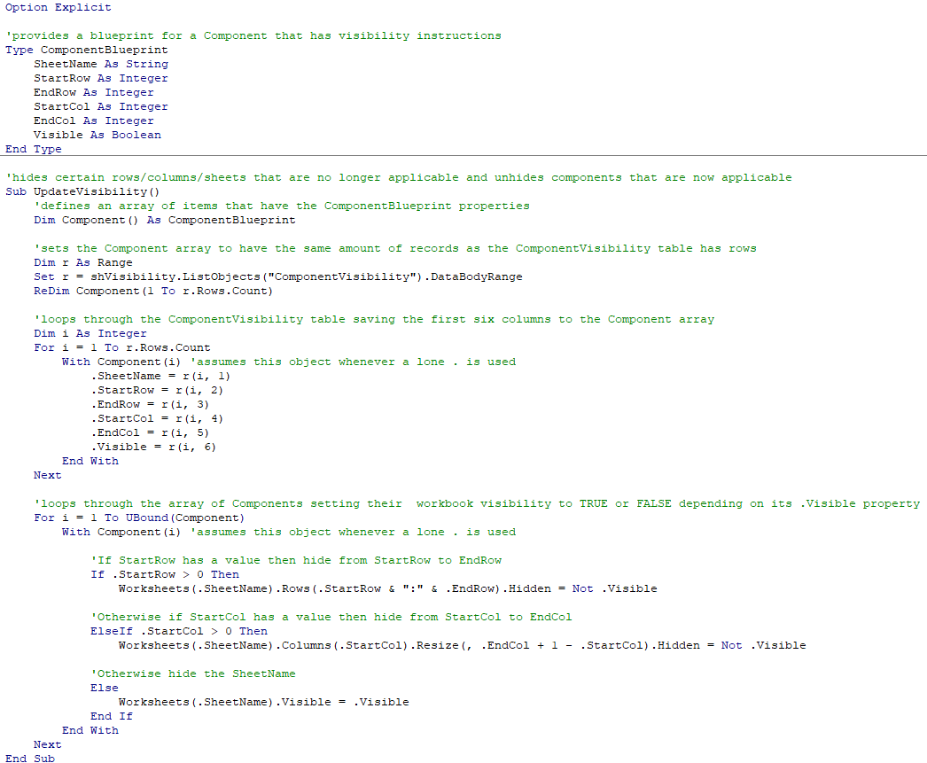
 |  |  |  |  |  |  | Hide Based on Characteristic |  |  | Hide / Unide Based program |  |  |  |  |  | =COLUMN(Scoring!V1)
ComponentVisibility | Hide Row(s) |  | Hide Colum(s) |  |  |  |  |  | IsPrograms | 1 | 1 | 1 | 1 | 0 | 0 | =ROW(Info!A16)
SheetName | StartRow | EndRow | StartCol | EndCol | Visible | Description | Force True | Force False | Program True | IIG | Serna | MHP | TOD | VHHP | HHC
At High Risk Req |  |  |  |  | TRUE | Vissible sheet "At High Risk Req" | TRUE |  | FALSE
S1 - Supportive Services Plan |  |  |  |  | TRUE | Vissible sheet "S1 - Supportive Services Plan" | TRUE |  | FALSE
S2 - Supportive Services Costs |  |  |  |  | TRUE | Vissible sheet "S2 - Supportive Services Costs" | TRUE |  | FALSE
S3 - Supportive Housig Exp |  |  |  |  | TRUE | Vissible sheet "S3 - Supportive Housig Exp" | TRUE |  | FALSE
S4 - Special Needs Exp |  |  |  |  | TRUE | Vissible sheet "S4 -Special Needs Exp" | TRUE |  | FALSE
S5 - Supportive Services Verif |  |  |  |  | TRUE | Vissible sheet "S5 - Supportive Services Verif" | TRUE |  | FALSE
MHP Threshold Requirements |  |  |  |  | TRUE | Vissible sheet "MHP Threshold Requirements" | TRUE |  | FALSE
MHP Threshold Requirements | 15 | 19 |  |  | FALSE | Vissible Joint Venture | FALSE |  | FALSE
IIG Threshold Requirements |  |  |  |  | TRUE | Vissible sheet "IIG Threshold Requirements" | TRUE |  | FALSE
IIG Threshold Requirements | 11 | 12 |  |  | TRUE | Vissible "vmTribalEntity" | TRUE |  | FALSE
IIG Threshold Requirements | 13 | 13 |  |  | TRUE | Vissible "vmSponDev" | TRUE |  | FALSE
IIG Threshold Requirements | 14 | 14 |  |  | FALSE | Vissible "vmSponDev" | FALSE |  | FALSE
IIG Threshold Requirements | 32 | 32 |  |  | FALSE | Vissible "vmDA" | FALSE |  | FALSE
CashFlow | 47 | 47 |  |  | TRUE | Visible all IIG related |  |  | TRUE | 1 | 0 | 0 | 0 | 0 | 0
CashFlow | 48 | 48 |  |  | TRUE | Visible all FWHG related |  |  | TRUE | 0 | 1 | 0 | 0 | 0 | 0
CashFlow | 50 | 50 |  |  | TRUE | Visible all MHP related |  |  | TRUE | 0 | 0 | 1 | 0 | 0 | 0
CashFlow | 52 | 52 |  |  | FALSE | Visible all VHHP related |  |  | FALSE | 0 | 0 | 0 | 0 | 1 | 0
Dev Budget SU | 113 | 200 |  |  | TRUE | Visible all IIG related |  |  | TRUE | 1 | 0 | 0 | 0 | 0 | 0
Dev Budget SU |  |  | 11 | 11 | TRUE | Visible all IIG related |  |  | TRUE | 1 | 0 | 0 | 0 | 0 | 0
Dev Budget SU |  |  | 12 | 12 | FALSE | Visible all HHC related |  |  | FALSE | 0 | 0 | 0 | 0 | 0 | 1
Dev Budget SU |  |  | 13 | 13 | TRUE | Visible all FWHG related |  |  | TRUE | 0 | 1 | 0 | 0 | 0 | 0
Dev Budget SU |  |  | 14 | 14 | TRUE | Visible all MHP related |  |  | TRUE | 0 | 0 | 1 | 0 | 0 | 0
Dev Budget SU |  |  | 15 | 15 | TRUE | Visible all TOD related |  |  | TRUE | 0 | 0 | 0 | 1 | 0 | 0
Dev Budget SU |  |  | 16 | 16 | FALSE | Visible all VHHP related |  |  | FALSE | 0 | 0 | 0 | 0 | 1 | 0
Developer Fee | 14 | 60 |  |  | TRUE | Vissible Developer Fee selection | TRUE |  | FALSE
Developer Fee | 34 | 60 |  |  | FALSE | Vissible Developer Fee selection | FALSE |  | FALSE
Developer Fee | 14 | 32 |  |  | FALSE | Vissible Developer Fee selection | FALSE |  | FALSE
Developer Fee | 14 | 19 |  |  | FALSE | Vissible Developer Fee selection | FALSE |  | FALSE
Dev Sources | 8 | 8 |  |  | TRUE | Visible all IIG related |  |  | TRUE | 1 | 0 | 0 | 0 | 0 | 0
Dev Sources | 37 | 37 |  |  | TRUE | Visible all IIG related |  |  | TRUE | 1 | 0 | 0 | 0 | 0 | 0
Dev Sources | 9 | 9 |  |  | FALSE | Visible all HHC related |  |  | FALSE | 0 | 0 | 0 | 0 | 0 | 1
Dev Sources | 38 | 38 |  |  | FALSE | Visible all HHC related |  |  | FALSE | 0 | 0 | 0 | 0 | 0 | 1
Dev Sources | 10 | 10 |  |  | TRUE | Visible all FWHG related |  |  | TRUE | 0 | 1 | 0 | 0 | 0 | 0
Dev Sources | 39 | 39 |  |  | TRUE | Visible all FWHG related |  |  | TRUE | 0 | 1 | 0 | 0 | 0 | 0
Dev Sources | 11 | 11 |  |  | TRUE | Visible all MHP related |  |  | TRUE | 0 | 0 | 1 | 0 | 0 | 0
Dev Sources | 40 | 40 |  |  | TRUE | Visible all MHP related |  |  | TRUE | 0 | 0 | 1 | 0 | 0 | 0
Dev Sources | 12 | 12 |  |  | TRUE | Visible all TOD related |  |  | TRUE | 0 | 0 | 0 | 1 | 0 | 0
Dev Sources | 41 | 41 |  |  | TRUE | Visible all TOD related |  |  | TRUE | 0 | 0 | 0 | 1 | 0 | 0
Dev Sources | 13 | 13 |  |  | FALSE | Visible all VHHP related |  |  | FALSE | 0 | 0 | 0 | 0 | 1 | 0
Dev Sources | 42 | 42 |  |  | FALSE | Visible all VHHP related |  |  | FALSE | 0 | 0 | 0 | 0 | 1 | 0
Operating Budget | 128 | 128 |  |  | TRUE | Visible all IIG related |  |  | TRUE | 1 | 0 | 0 | 0 | 0 | 0
Operating Budget | 129 | 129 |  |  | TRUE | Visible all FWHG related |  |  | TRUE | 0 | 1 | 0 | 0 | 0 | 0
Operating Budget | 131 | 131 |  |  | TRUE | Visible all MHP related |  |  | TRUE | 0 | 0 | 1 | 0 | 0 | 0
Operating Budget | 133 | 133 |  |  | FALSE | Visible all VHHP related |  |  | FALSE | 0 | 0 | 0 | 0 | 1 | 0
Project Overview | 18 | 28 |  |  | TRUE | Visible all IIG related |  |  | TRUE | 1 | 0 | 0 | 0 | 0 | 0
Project Overview | 29 | 35 |  |  | TRUE | Visible all FWHG related |  |  | TRUE | 0 | 1 | 1 | 0 | 0 | 0
Project Overview | 36 | 50 |  |  | TRUE | Visible all MHP related |  |  | TRUE | 0 | 0 | 1 | 0 | 0 | 0
Project Overview | 51 | 55 |  |  | FALSE | Visible all VHHP related |  |  | FALSE | 0 |  | 0 | 0 | 1 | 0
Project Overview | 93 | 95 |  |  | TRUE | Visible all IIG related |  |  | TRUE | 1 | 0 | 0 | 0 | 0 | 0
Project Overview | 80 | 80 |  |  | TRUE | Visible all IIG related |  |  | TRUE | 1 | 0 | 0 | 0 | 0 | 0
Project Overview | 145 | 145 |  |  | TRUE | Visible all FWHG related |  |  | TRUE | 0 | 1 | 0 | 0 | 0 | 0
Project Overview | 394 | 409 |  |  | TRUE | Visible all FWHG related |  |  | TRUE | 0 | 1 | 0 | 0 | 0 | 0
Project Overview | 430 | 430 |  |  | FALSE | Visible all VHHP related |  |  | FALSE | 0 | 0 | 0 | 0 | 1 | 0
Project Overview | 37 | 38 |  |  | TRUE | Visible vmAtHighRisk | TRUE |  | FALSE
Project Overview | 19 | 27 |  |  | TRUE | Visible vmCIP | TRUE |  | FALSE
Project Overview | 26 | 27 |  |  | TRUE | Visible vmUrban | TRUE |  | FALSE
Project Overview | 41 | 41 |  |  | TRUE | Visible vmLargeFamily | TRUE |  | FALSE
Project Overview | 44 | 44 |  |  | TRUE | Visible vmSenior | TRUE |  | FALSE
Project Overview | 47 | 49 |  |  | TRUE | Visible vmSpecialNeeds | TRUE |  | FALSE
Project Overview | 30 | 34 |  |  | TRUE | Visible vmFarmworker | TRUE |  | FALSE
Project Overview | 54 | 54 |  |  | TRUE | Visible vmTH | TRUE |  | FALSE
Project Overview | 58 | 59 |  |  | TRUE | Visible vmTribalEntity | TRUE |  | FALSE
Project Overview | 60 | 60 |  |  | FALSE | Visible vmIndianCountry | FALSE |  | FALSE
Project Overview | 61 | 61 |  |  | TRUE | Visible vmIndianCountry | TRUE |  | FALSE
Project Overview | 64 | 64 |  |  | TRUE | Visible vmNCBD | TRUE |  | FALSE
Project Overview | 68 | 68 |  |  | TRUE | Visible vmCBD | TRUE |  | FALSE
Project Overview | 71 | 72 |  |  | TRUE | Visible vmED | TRUE |  | FALSE
Project Overview | 73 | 75 |  |  | TRUE | Visible vmED, NCBD, CBD, or TribalEntity | TRUE |  | FALSE
Project Overview | 75 | 75 |  |  | TRUE | Visible vmSponDev | TRUE |  | FALSE
Project Overview | 87 | 87 |  |  | TRUE | Visible vmEmergenyR | TRUE |  | FALSE
Project Overview | 109 | 114 |  |  | TRUE | Vissible OtherHCDfunds | TRUE |  | FALSE
Project Overview | 122 | 122 |  |  | FALSE | Vissible vmTaxResev | FALSE |  | FALSE
Project Overview | 100 | 103 |  |  | FALSE | Vissible Rows if Acquisition & Rehabilitation | FALSE |  | FALSE
Project Overview | 124 | 124 |  |  | TRUE | Vissible Row if New Construction | TRUE |  | FALSE
Project Overview | 126 | 129 |  |  | TRUE | Vissible Row if vmScatteredSite | TRUE |  | FALSE
Project Overview | 136 | 137 |  |  | FALSE | Vissible vmRural "Yes" | FALSE |  | FALSE
Project Overview | 178 | 204 |  |  | FALSE | Vissible Joint Venture | FALSE |  | FALSE
Project Overview | 246 | 248 |  |  | FALSE | Vissible Indian Country site control | FALSE |  | FALSE
Project Overview | 257 | 258 |  |  | TRUE | Vissible Ground Lease | TRUE |  | FALSE
Project Overview | 401 | 402 |  |  | FALSE | Vissible vmSernasd | FALSE |  | FALSE
Project Overview | 407 | 408 |  |  | FALSE | Vissible vmSernagr | FALSE |  | FALSE
Project Overview | 413 | 414 |  |  | TRUE | Vissible Relocation Yes | TRUE |  | FALSE
Project Overview | 415 | 416 |  |  | FALSE | Vissible Relocation No | FALSE |  | FALSE
Project Overview | 117 | 121 |  |  | TRUE | Type of tax credit | TRUE |  | FALSE
MHP Threshold Requirements | 113 | 113 |  |  | FALSE | Visible MHP TCAC Hybrid | FALSE |  | FALSE
Max Loan and Grant Amounts | 17 | 17 |  |  | TRUE | Visible all IIG related |  |  | TRUE | 1 | 0 | 0 | 0 | 0 | 0
Reserves Calculator | 22 | 22 |  |  | TRUE | Visible all IIG related |  |  | TRUE | 1 | 0 | 0 | 0 | 0 | 0
Reserves Calculator | 23 | 23 |  |  | TRUE | Visible all FWHG related |  |  | TRUE | 0 | 1 | 0 | 0 | 0 | 0
Reserves Calculator | 25 | 25 |  |  | TRUE | Visible all MHP related |  |  | TRUE | 0 | 0 | 1 | 0 | 0 | 0
Reserves Calculator | 27 | 27 |  |  | FALSE | Visible all VHHP related |  |  | FALSE | 0 | 0 | 0 | 0 | 1 | 0
Unit Mix |  |  | 5 | 5 | TRUE | Visible IIG units column |  |  | TRUE | 1 | 0 | 0 | 0 | 0 | 0
Unit Mix |  |  | 28 | 28 | TRUE | Visible IIG grant column |  |  | TRUE | 1 | 0 | 0 | 0 | 0 | 0
Unit Mix |  |  | 6 | 6 | FALSE | Visible HHC units column |  |  | FALSE | 0 | 0 | 0 | 0 | 0 | 1
Unit Mix |  |  | 7 | 7 | TRUE | Visible TOD units column |  |  | TRUE | 0 | 0 | 0 | 1 | 0 | 0
Unit Mix |  |  | 8 | 8 | TRUE | Visible Serma units column |  |  | TRUE | 0 | 1 | 0 | 0 | 0 | 0
Unit Mix |  |  | 29 | 30 | TRUE | Visible Serma units column |  |  | TRUE | 0 | 1 | 0 | 0 | 0 | 0
Unit Mix |  |  | 20 | 20 | TRUE | Visible Serma MHP Agricultural column |  |  | TRUE | 0 | 1 | 1 | 0 | 0 | 0
Unit Mix |  |  | 9 | 9 | TRUE | Visible MHP units column |  |  | TRUE | 0 | 0 | 1 | 0 | 0 | 0
Unit Mix |  |  | 32 | 33 | TRUE | Visible MHP units columns |  |  | TRUE | 0 | 0 | 1 | 0 | 0 | 0
Unit Mix |  |  | 10 | 10 | FALSE | Visible VHHP units column |  |  | FALSE | 0 | 0 | 0 | 0 | 1 | 0
Unit Mix |  |  | 31 | 31 | FALSE | Visible VHHP units column |  |  | FALSE | 0 | 0 | 0 | 0 | 1 | 0
Unit Mix |  |  | 15 | 17 | TRUE | Visible TH VHHP columns | TRUE |  | FALSE
Scoring | 4 | 4 |  |  | FALSE | Visible IsVHHP | FALSE |  | FALSE
Scoring | 5 | 5 |  |  | TRUE | Vossible IsIIG | TRUE |  | FALSE
Scoring | 6 | 6 |  |  | TRUE | Vossible IsSerna | TRUE |  | FALSE
Scoring | 61 | 61 |  |  | FALSE | Vissible vmOOA | FALSE |  | FALSE
Scoring | 66 | 66 |  |  | FALSE | Vissible vmCES | FALSE |  | FALSE
Scoring | 67 | 70 |  |  | FALSE | Vissible Rehab only section | FALSE |  | FALSE
Scoring | 123 | 124 |  |  | FALSE | Vissible vmBonaFide | FALSE |  | FALSE
Scoring | 156 | 157 |  |  | FALSE | Vissible vmBonaFide | FALSE |  | FALSE
Scoring | 184 | 185 |  |  | FALSE | Vissible vmNER | FALSE |  | FALSE
Scoring | 186 | 189 |  |  | FALSE | Vissible vmNER | FALSE |  | FALSE
Scoring | 190 | 190 |  |  | FALSE | Vissible vmWCL or vmOCL | FALSE |  | FALSE
Scoring | 191 | 191 |  |  | FALSE | Vissible vmOCL | FALSE |  | FALSE
Scoring | 167 | 168 |  |  | FALSE | Vissible vmLUA | FALSE |  | FALSE
Scoring | 169 | 172 |  |  | FALSE | Vissible vmLUA | FALSE |  | FALSE
Scoring | 173 | 173 |  |  | FALSE | Vissible vmWCL2 or vmOCL2 | FALSE |  | FALSE
Scoring | 174 | 174 |  |  | FALSE | Vissible vmOCL2 | FALSE |  | FALSE
Scoring | 178 | 178 |  |  | FALSE | Vissible vmCApplication | FALSE |  | FALSE
Scoring | 181 | 181 |  |  | FALSE | Vissible vmAICP | FALSE |  | FALSE
Scoring | 207 | 207 |  |  | FALSE | Vissible vmRural "Yes" | FALSE |  | FALSE
Scoring | 208 | 208 |  |  | TRUE | Vissible vmRural "No" | TRUE |  | FALSE
Scoring | 218 | 218 |  |  | FALSE | Vissible vmExcessSurplus | FALSE |  | FALSE
Scoring | 222 | 222 |  |  | FALSE | Vissible vmTAL | FALSE |  | FALSE
Scoring | 244 | 244 |  |  | FALSE | Vissible vmBroadbandA | FALSE |  | FALSE
Scoring | 248 | 248 |  |  | FALSE | Vissible vmSustainableCS | FALSE |  | FALSE
Scoring | 251 | 251 |  |  | FALSE | Vissible vmRegionalPlan | FALSE |  | FALSE
Scoring | 254 | 254 |  |  | FALSE | Vissible vmTPA | FALSE |  | FALSE
Scoring | 257 | 257 |  |  | FALSE | Vissible vmGreenBuilding | FALSE |  | FALSE
Scoring | 260 | 260 |  |  | FALSE | Vissible vmElectricDesign | FALSE |  | FALSE
Scoring | 263 | 263 |  |  | FALSE | Vissible vmElectricPowered | FALSE |  | FALSE
Scoring | 273 | 275 |  |  | TRUE | Vissible if (OR(IsVhhp,IsIig,IsSerna) | TRUE |  | FALSE
Scoring | 276 | 345 |  |  | FALSE | Vissible VHHP Program Specific Section | FALSE |  | FALSE
Scoring | 297 | 327 |  |  | TRUE | Vissible if (OR(isSH,isTC) | TRUE |  | FALSE
Scoring | 346 | 353 |  |  | TRUE | Vissible FWHG Program Specific Section | TRUE |  | FALSE
Scoring | 354 | 376 |  |  | TRUE | Vissible IIG Program Specific Section | TRUE |  | FALSE
Scoring | 369 | 369 |  |  | TRUE | Vissible vmProhousing | TRUE |  | FALSE
Scoring | 370 | 375 |  |  | FALSE | Vissible vmProhousing = "No" | FALSE |  | FALSE

Cover Page
HCD Super NOFA (AB434)
Application
February 2022 Notice of Funding Availability



State of California
Governor Gavin Newsom

Lourdes Castro Ramírez, Secretary
Business, Consumer Services and Housing Agency

Gustavo Velasquez, Director
Department of Housing and Community Development

2020 West El Camino Avenue, Suite 150
Sacramento, CA 95833
Phone: (916) 263-2771
Email: MHP@hcd.ca.gov
Website: http://www.hcd.ca.gov/grants-funding/active-funding/MHP.shtml |  | website will change, need new link

SUPER NOFA DATE 02/15/2022
Rev. | 2/15/22
End of Document

