TangPrimer25K (SLOT無し版)
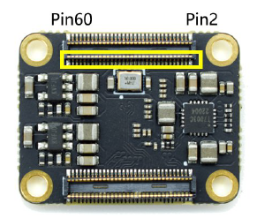
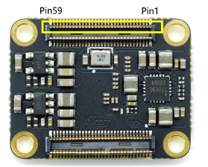
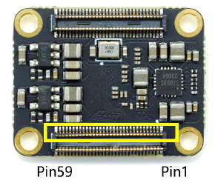
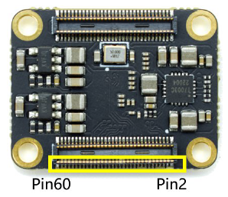
 | MG121N

# | Name | BANK | Memo | Assign | Dir | # | Name | BANK | Memo | Assign | Dir | # | Name | BANK | Memo | Assign | Dir | # | Name | BANK | Memo | Assign | Dir
1 | GND | - |  | - | - | 2 | VCCIO2/3 |  | Input | - | - | 61 | GND | - |  | - | - | 62 | GND | - |  | - | -
3 | B2 | 5 |  |  |  | 4 | VCCIO2/3 |  | Input | - | - | 63 | L9 | 0 |  |  |  | 64 | H5 | 1 | GCLKT | clk28m | in
5 | C2 | 5 |  |  |  | 6 | L2 | 2 |  |  |  | 65 | K9 | 0 |  |  |  | 66 | J5 | 1 | GCLKC
7 | F2 | 5 | GCLKT | dipsw0 | in | 8 | L1 | 2 |  |  |  | 67 | J8 | 0 | GCLK |  |  | 68 | L5 | 1 | GCLKT
9 | F1 | 5 | GCLKC | dipsw1 | in | 10 | K1 | 2 |  |  |  | 69 | K8 | 0 | GCLK |  |  | 70 | K5 | 1 | GCLKC
11 | A1 | 5 |  | led | out | 12 | K2 | 2 |  |  |  | 71 | F7 | 0 | GCLK |  |  | 72 | H8 | 1 |  | sram0_sio1 | inout | MapperRAM512KB
13 | D8 | 5 | RECONFIG |  |  | 14 | J4 | 2 |  |  |  | 73 | F6 | 0 | GCLK |  |  | 74 | H7 | 1 |  | sram0_sclk | out
15 | E1 | 5 | GCLKC | 空き |  | 16 | K4 | 2 |  |  |  | 75 | GND | - |  | - | - | 76 | G7 | 1 |  | sram0_cs_n | out
17 | D1 | 5 |  | 空き |  | 18 | G2 | 2 | RPLL |  |  | 77 | E8 | 4 | READY |  |  | 78 | G8 | 1 |  | sram0_sio0 | inout
19 | GND | - |  | - | - | 20 | G1 | 2 |  |  |  | 79 | B3 | 4 | UART_RX | uart_rx | in | 80 | F5 | 1 |  | sram0_sio2 | inout
21 | C1 | 10 | TCK | Config用 | - | 22 | L4 | 2 | GCLKT |  |  | 81 | C3 | 4 | UART_TX | uart_tx | out | 82 | G5 | 1 |  | sram0_sio3 | inout
23 | B1 | 10 | TMS | Config用 | - | 24 | L3 | 2 | GCLKC |  |  | 83 | E3 | 4 |  |  |  | 84 | VCCIO0/1 | - | Input | - | -
25 | A2 | 10 | TDO | Config用 | - | 26 | J1 | 2 | GCLKT |  |  | 85 | D7 | 4 | DONE |  |  | 86 | VCCIO0/1 | - | Input | - | -
27 | A3 | 10 | TDI | Config用 | - | 28 | J2 | 2 | GCLKC |  |  | 87 | GND | - |  | - | - | 88 | GND | - |  | - | -
29 | GND | - |  | - | - | 30 | G4 | 3 | GCLKT |  |  | 89 | VCCIO6/7 | - | Input | - | - | 90 | L6 | 7 |  | spi_sclk | out | マイコンと通信
31 | M0_D3_P | MIPI |  |  |  | 32 | H4 | 3 | GCLKC |  |  | 91 | VCCIO6/7 | - | Input | - | - | 92 | K6 | 7 |  | spi_cs_n | out
33 | M0_D3_N | MIPI |  |  |  | 34 | H1 | 3 | GCLKT |  |  | 93 | J11 | 7 | GCLK |  |  | 94 | K7 | 7 |  | spi_mosi | out
35 | GND | - |  | - | - | 36 | H2 | 3 | GCLKC |  |  | 95 | J10 | 7 | GCLK |  |  | 96 | J7 | 7 |  | spi_miso | in
37 | M0_D2_P | MIPI |  | HDMI |  | 38 | VDD_1V8 | - | Output |  |  | 97 | H11 | 7 | GCLK |  |  | 98 | L7 | 7 |  | sram1_sio1 | inout | VRAM128KB
39 | M0_D2_N | MIPI |  | HDMI |  | 40 | VDD_1V8 | - | Output |  |  | 99 | H10 | 7 | GCLK |  |  | 100 | L8 | 7 |  | sram1_sclk | out
41 | GND | - |  | - | - | 42 | VDD_2V5 | - | Output |  |  | 101 | G11 | 7 |  |  |  | 102 | L10 | 7 |  | sram1_cs_n | out
43 | M0_CK_P | MIPI |  | HDMI |  | 44 | VDD_2V5 | - | Output |  |  | 103 | G10 | 7 |  |  |  | 104 | K10 | 7 |  | sram1_sio0 | inout
45 | M0_CK_N | MIPI |  | HDMI |  | 46 | VDD_3V3 | - | Output |  |  | 105 | GND | - |  | - | - | 106 | L11 | 7 |  | sram1_sio2 | inout
47 | GND | - |  | - | - | 48 | VDD_3V3 | - | Output |  |  | 107 | D11 | 6 |  |  |  | 108 | K11 | 7 |  | sram1_sio3 | inout
49 | M0_D1_P | MIPI |  | HDMI |  | 50 | VDD_3V3 | - | Output |  |  | 109 | D10 | 6 |  |  |  | 110 | GND | - |  | - | -
51 | M0_D1_N | MIPI |  | HDMI |  | 52 | VDD_5V | - | Input |  |  | 111 | C11 | 6 | GCLK |  |  | 112 | E11 | 6 | GCLKT
53 | GND | - |  | - | - | 54 | VDD_5V | - | Input |  |  | 113 | C10 | 6 | GCLK |  |  | 114 | E10 | 6 | GCLKC
55 | M0_D0_P | MIPI |  | HDMI |  | 56 | VDD_5V | - | Input |  |  | 115 | B11 | 6 | RPLL |  |  | 116 | A11 | 6
57 | M0_D0_N | MIPI |  | HDMI |  | 58 | VDD_5V | - | Input |  |  | 117 | B10 | 6 |  |  |  | 118 | A10 | 6
59 | GND | - |  | - | - | 60 | VDD_5V | - | Input |  |  | 119 | GND | - |  | - | - | 120 | GND | - |  | - | -

TangNano20K(SLOT無し版)
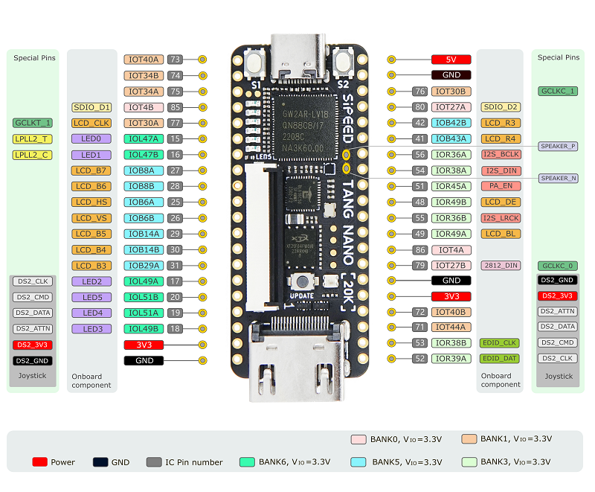
TangNano20K GW2AR-LV18QN88C8/I7 (Arora)

# | Pin | Bank | Memo | Assign | Dir |  | # | Pin | Bank | Memo | Assign | Dir
1 | Pin73 | 1 |  | sram1_sio1 | inout |  | 40 | 5V | - | - | - | in
2 | Pin74 | 1 |  | sram1_sclk | out |  | 39 | GND | - | - | - | -
3 | Pin75 | 1 |  | sram1_cs_n | out |  | 38 | Pin76 | 1 |  | sys_intr | out | マイコン
4 | Pin85 | 0 |  | sram1_sio0 | inout |  | 37 | Pin80 | 0 | GCLKT | CLK14M | in
5 | Pin77 | 1 | LCD |  |  |  | 36 | Pin42 | 4 | LCD
6 | Pin15 | 6 | LED | sram1_sio2 | inout |  | 35 | Pin41 | 4 | LCD
7 | Pin16 | 6 | LED | sram1_sio3 | inout |  | 34 | Pin56 | 3 | I2S_BCLK | I2S_BCLK | out | AD I2S
8 | Pin27 | 5 | LCD |  |  |  | 33 | Pin54 | 3 | I2S_DIN | I2S_DIN | out
9 | Pin28 | 5 | LCD |  |  |  | 32 | Pin51 | 3 | PA_EN | 1'固定 | nc
10 | Pin25 | 5 | LCD |  |  |  | 31 | Pin48 | 3 | LCD
11 | Pin26 | 5 | LCD |  |  |  | 30 | Pin55 | 3 | I2S_LRCK | I2S_LRCK | out | AD I2S
12 | Pin29 | 5 | LCD |  |  |  | 29 | Pin49 | 3 | LCD
13 | Pin30 | 5 | LCD |  |  |  | 28 | Pin86 | 0
14 | Pin31 | 5 | LCD |  |  |  | 27 | Pin79 | 0 | WS2812(LED) | ES2812_LED
15 | Pin17 | 6 | LED | spi_sclk | out | マイコン通信用 | 26 | GND | - | - | - | -
16 | Pin20 | 6 | LED | spi_cs_n | out |  | 25 | 3V3 | - | - | - | out
17 | Pin19 | 6 | LED | spi_mosi | out |  | 24 | Pin72 | 1
18 | Pin18 | 6 | LED | spi_miso | in |  | 23 | Pin71 | 1
19 | 3V3 | - | - | - | out |  | 22 | Pin53 | 3 | EDID_CLK
20 | GND | - | - | - | - |  | 21 | Pin52 | 3 | EDID_DAT

 |  |  | BIOS や MapperRAM は、FPGA内蔵の SDRAM を利用する。

TangNano20K(SLOTあり版)
TangNano20K GW2AR-LV18QN88C8/I7 (Arora)

# | Pin | Bank | Memo | Assign | Dir |  | # | Pin | Bank | Memo | Assign | Dir
1 | Pin73 | 1 |  | sram1_sio1 | inout | VRAM128KB | 40 | 5V | - | - | - | in
2 | Pin74 | 1 |  | sram1_sclk | out |  | 39 | GND | - | - | - | -
3 | Pin75 | 1 |  | sram1_cs_n | out |  | 38 | Pin76 | 1 |  | sys_intr | out | マイコン
4 | Pin85 | 0 |  | sram1_sio0 | inout |  | 37 | Pin80 | 0 | GCLKT | CLK14M | in
5 | Pin77 | 1 |  | DIO7 |  | Extend | 36 | Pin42 | 4
6 | Pin15 | 6 | LED | sram1_sio2 | inout | VRAM128KB | 35 | Pin41 | 4 |  | IO_SEL0 | out | EX
7 | Pin16 | 6 | LED | sram1_sio3 | inout |  | 34 | Pin56 | 3 | I2S_BCLK | I2S_BCLK | out | AD I2S
8 | Pin27 | 5 |  | DIO7 | inout | Extend I/O | 33 | Pin54 | 3 | I2S_DIN | I2S_DIN | in
9 | Pin28 | 5 |  | DIO7 | inout |  | 32 | Pin51 | 3 | PA_EN | 0'固定 | nc
10 | Pin25 | 5 |  | DIO7 | out |  | 31 | Pin48 | 3 |  | I2S_SCK | out | AD I2S
11 | Pin26 | 5 |  | DIO7 | out |  | 30 | Pin55 | 3 | I2S_LRCK | I2S_LRCK | in
12 | Pin29 | 5 |  | DIO7 | inout |  | 29 | Pin49 | 3 |  | IO_SEL1 | out | EX
13 | Pin30 | 5 |  | DIO7 | inout |  | 28 | Pin86 | 0 |  | IO_SEL2 | out
14 | Pin31 | 5 |  | DIO7 | inout |  | 27 | Pin79 | 0 | WS2812(LED) | ES2812_LED
15 | Pin17 | 6 | LED | spi_sclk | out | マイコン通信用 | 26 | GND | - | - | - | -
16 | Pin20 | 6 | LED | spi_cs_n | out |  | 25 | 3V3 | - | - | - | out
17 | Pin19 | 6 | LED | spi_mosi | out |  | 24 | Pin72 | 1 |  | RESET | out | EX
18 | Pin18 | 6 | LED | spi_miso | in |  | 23 | Pin71 | 1 |  | IO_CLK | out
19 | 3V3 | - | - | - | out |  | 22 | Pin53 | 3 | EDID_CLK
20 | GND | - | - | - | - |  | 21 | Pin52 | 3 | EDID_DAT

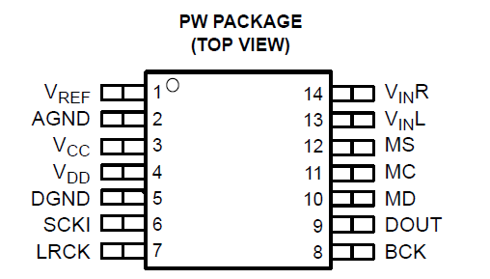
 |  |  | BIOS や MapperRAM は、FPGA内蔵の SDRAM を利用する。

 |  |  |  |  |  |  |  |  |  | AD I2S | TI PCM1807
 |  |  |  |  |  |  |  |  |  | MS: Mode control SELECT (/CS)
 |  |  |  |  |  |  |  |  |  | MC: Mode control CLOCK (CLK)
 |  |  |  |  |  |  |  |  |  | MD: Mode control DATA (Serial DATA)
 |  |  |  |  |  |  |  |  |  | MS/MC/MD はマイコンに繋げる。

