TangNano20K(LCD Controller)
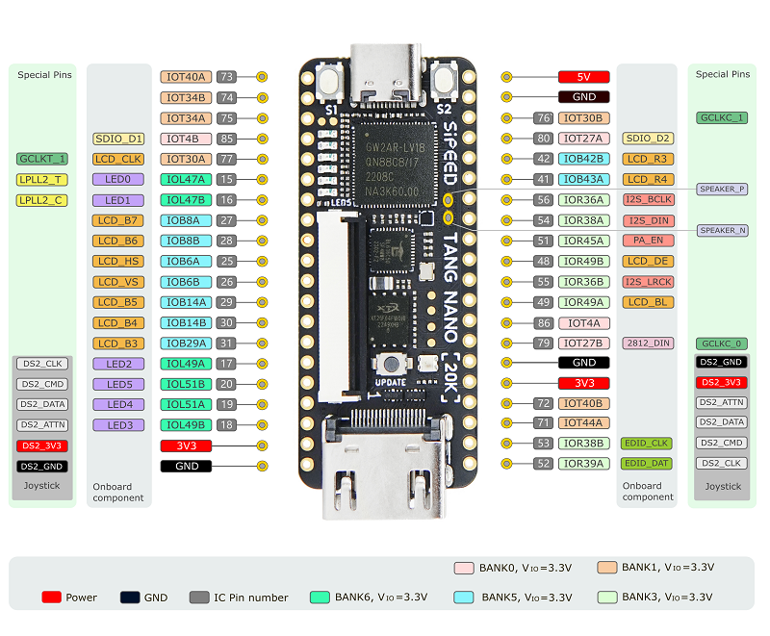
TangNano20K GW2AR-LV18QN88C8/I7 (Arora)

# | Pin | Bank | Memo | Assign | Dir |  | # | Pin | Bank | Memo | Assign | Dir
1 | Pin73 | 1 | SPI | fpga_spi_cs_n | in | マイコン通信用 | 40 | 5V | - | - | - | in
2 | Pin74 | 1 | SPI | fpga_spi_sck | in |  | 39 | GND | - | - | - | -
3 | Pin75 | 1 | SPI | fpga_spi_mosi | in |  | 38 | Pin76 | 1 | GCLKC
4 | Pin85 | 0 | SPI | fpga_spi_miso | out |  | 37 | Pin80 | 0 | GCLKT | fpga_spi_intr | out | マイコン通信用
5 | Pin77 | 1 | LCD |  |  |  | 36 | Pin42 | 4 | LCD
6 | Pin15 | 6 | LED | LED0 | out |  | 35 | Pin41 | 4 | LCD
7 | Pin16 | 6 | LED | LED1 | out |  | 34 | Pin56 | 3 | I2S_BCLK | I2S_BCLK | in | AD I2S
8 | Pin27 | 5 | LCD |  |  |  | 33 | Pin54 | 3 | I2S_DIN | I2S_DIN | in
9 | Pin28 | 5 | LCD |  |  |  | 32 | Pin51 | 3 | PA_EN | 0'固定 | nc
10 | Pin25 | 5 | LCD |  |  |  | 31 | Pin48 | 3 | LCD
11 | Pin26 | 5 | LCD |  |  |  | 30 | Pin55 | 3 | I2S_LRCK | I2S_LRCK | in | AD I2S
12 | Pin29 | 5 | LCD |  |  |  | 29 | Pin49 | 3 | LCD
13 | Pin30 | 5 | LCD |  |  |  | 28 | Pin86 | 0
14 | Pin31 | 5 | LCD |  |  |  | 27 | Pin79 | 0 | WS2812(LED) | WS2812 | out
15 | Pin17 | 6 | LED | LED2 | out |  | 26 | GND | - | - | - | -
16 | Pin20 | 6 | LED | LED5 | out |  | 25 | 3V3 | - | - | - | out
17 | Pin19 | 6 | LED | LED4 | out |  | 24 | Pin72 | 1 |  | LED7 | out
18 | Pin18 | 6 | LED | LED3 | out |  | 23 | Pin71 | 1 |  | LED6 | out
19 | 3V3 | - | - | - | out |  | 22 | Pin53 | 3 | EDID_CLK
20 | GND | - | - | - | - |  | 21 | Pin52 | 3 | EDID_DAT

RasPiPico2W
Raspberry Pi Pico2W

# | Pin | Memo | Assign | Dir | # | Pin | Memo | Assign | Dir
1 | GP0 |  |  |  | 40 | VBUS |  |  | in
2 | GP1 |  |  |  | 39 | VSYS |  |  | in
3 | GND |  |  |  | 38 | GND
4 | GP2 |  |  |  | 37 | 3V3_EN
5 | GP3 |  | fpga_spi_intr | in | 36 | 3V3(OUT) |  |  | out
6 | GP4 | SPI0_RX | fpga_spi_miso | in | 35 | ADC_REF
7 | GP5 | SPI0_CSn | fpga_spi_cs_n | out | 34 | GP28
8 | GND |  |  |  | 33 | GND
9 | GP6 | SPI0_SCK | fpga_spi_clk | out | 32 | GP27
10 | GP7 | SPI0_TX | fpga_spi_mosi | out | 31 | GP26
11 | GP8 | SPI1_RX | sd_spi_miso | in | 30 | RUN
12 | GP9 | SPI1_CSn | sd_spi_cs_n | out | 29 | GP22
13 | GND |  |  |  | 28 | GND
14 | GP10 | SPI1_SCK | sd_spi_sck | out | 27 | GP21 |  | SW_R | in
15 | GP11 | SPI1_TX | sd_spi_mosi | out | 26 | GP20 |  | SW_L | in
16 | GP12 |  |  |  | 25 | GP19 |  | SW_D | in
17 | GP13 |  |  |  | 24 | GP18 |  | SW_U | in
18 | GND |  |  |  | 23 | GND
19 | GP14 |  |  |  | 22 | GP17 |  | SW_B | in
20 | GP15 |  |  |  | 21 | GP16 |  | SW_A | in

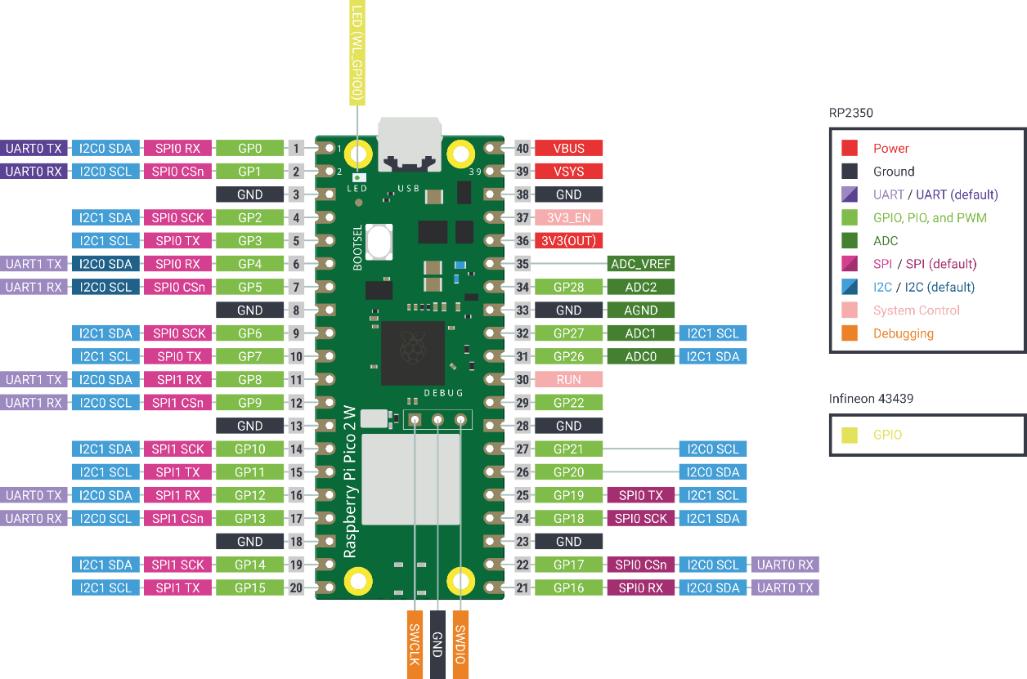

 |  |  |  |  |  |  |  |  | groove
 |  |  |  |  |  |  |  | GND |  | GND
 |  |  |  |  |  |  |  | 3V3(OUT) |  | 3V3
 |  |  |  |  |  |  |  | GP20 |  | SDA
 |  |  |  |  |  |  |  | GP21 |  | SCL

 |  |  |  |  |  |  |  | ST-LINK

