TangPrimer25K
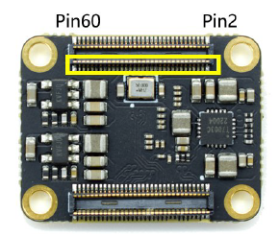
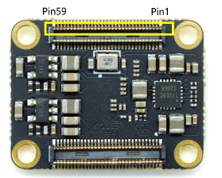
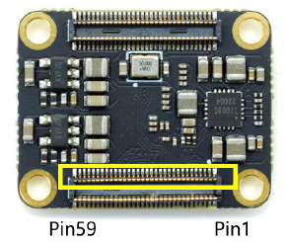
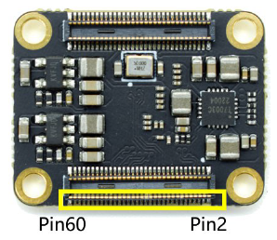
 | MG121N

# | Name | BANK | Memo | Assign | Dir | # | Name | BANK | Memo | Assign | Dir | # | Name | BANK | Memo | Assign | Dir | # | Name | BANK | Memo | Assign | Dir
1 | GND | - |  | - | - | 2 | VCCIO2/3 |  | Input | - | - | 61 | GND | - |  | - | - | 62 | GND | - |  | - | -
3 | B2 | 5 |  |  |  | 4 | VCCIO2/3 |  | Input | - | - | 63 | L9 | 0 |  | slot_a0 | in | 64 | H5 | 1 | GCLKT | clk28m | in
5 | C2 | 5 |  | sram_sio1 | inout | 6 | L2 | 2 |  | slot_m1_n | in | 65 | K9 | 0 |  | slot_a1 | in | 66 | J5 | 1 | GCLKC | slot_sltsl_n | in
7 | F2 | 5 | GCLKT | sram_sclk | out | 8 | L1 | 2 |  |  |  | 67 | J8 | 0 | GCLK | slot_a2 | in | 68 | L5 | 1 | GCLKT | slot_iorq_n | in
9 | F1 | 5 | GCLKC | sram_cs_n | out | 10 | K1 | 2 |  |  |  | 69 | K8 | 0 | GCLK | slot_a3 | in | 70 | K5 | 1 | GCLKC | slot_merq_n | in
11 | A1 | 5 |  | sram_sio0 | inout | 12 | K2 | 2 |  |  |  | 71 | F7 | 0 | GCLK | slot_a4 | in | 72 | H8 | 1 |  | slot_a13 | in
13 | D8 | 5 | RECONFIG |  |  | 14 | J4 | 2 |  |  |  | 73 | F6 | 0 | GCLK | slot_a5 | in | 74 | H7 | 1 |  | slot_a12 | in
15 | E1 | 5 | GCLKC | sram_sio2 | inout | 16 | K4 | 2 |  |  |  | 75 | GND | - |  | - | - | 76 | G7 | 1 |  | slot_a11 | in
17 | D1 | 5 |  | sram_sio3 | inout | 18 | G2 | 2 | RPLL | hs_cs_n | in | 77 | E8 | 4 | READY | dipsw0 | in | 78 | G8 | 1 |  | slot_a10 | in
19 | GND | - |  | - | - | 20 | G1 | 2 |  | hs_miso3 | out | 79 | B3 | 4 | UART_RX | uart_rx | in | 80 | F5 | 1 |  | slot_a9 | in
21 | C1 | 10 | TCK | - | - | 22 | L4 | 2 | GCLKT | hs_clk | in | 81 | C3 | 4 | UART_TX | uart_tx | out | 82 | G5 | 1 |  | slot_a8 | in
23 | B1 | 10 | TMS | - | - | 24 | L3 | 2 | GCLKC | hs_miso2 | out | 83 | E3 | 4 |  | dipsw1 | in | 84 | VCCIO0/1 | - | Input | - | -
25 | A2 | 10 | TDO | - | - | 26 | J1 | 2 | GCLKT | hs_miso1 | out | 85 | D7 | 4 | DONE |  |  | 86 | VCCIO0/1 | - | Input | - | -
27 | A3 | 10 | TDI | - | - | 28 | J2 | 2 | GCLKC | hs_miso0 | out | 87 | GND | - |  | - | - | 88 | GND | - |  | - | -
29 | GND | - |  | - | - | 30 | G4 | 3 | GCLKT | hs_mosi3 | in | 89 | VCCIO6/7 | - | Input | - | - | 90 | L6 | 7 |  | slot_d0 | in/out
31 | M0_D3_P | MIPI |  |  |  | 32 | H4 | 3 | GCLKC | hs_mosi2 | in | 91 | VCCIO6/7 | - | Input | - | - | 92 | K6 | 7 |  | slot_d1 | in/out
33 | M0_D3_N | MIPI |  |  |  | 34 | H1 | 3 | GCLKT | hs_mosi1 | in | 93 | J11 | 7 | GCLK | slot_a6 | in | 94 | K7 | 7 |  | slot_d2 | in/out
35 | GND | - |  | - | - | 36 | H2 | 3 | GCLKC | hs_mosi0 | in | 95 | J10 | 7 | GCLK | slot_a7 | in | 96 | J7 | 7 |  | slot_d3 | in/out
37 | M0_D2_P | MIPI |  |  |  | 38 | VDD_1V8 | - | Output |  |  | 97 | H11 | 7 | GCLK | slot_intr | in | 98 | L7 | 7 |  | slot_d4 | in/out
39 | M0_D2_N | MIPI |  |  |  | 40 | VDD_1V8 | - | Output |  |  | 99 | H10 | 7 | GCLK | slot_wait | in | 100 | L8 | 7 |  | slot_d5 | in/out
41 | GND | - |  | - | - | 42 | VDD_2V5 | - | Output |  |  | 101 | G11 | 7 |  | slot_reset | in | 102 | L10 | 7 |  | slot_d6 | in/out
43 | M0_CK_P | MIPI |  |  |  | 44 | VDD_2V5 | - | Output |  |  | 103 | G10 | 7 |  | slot_busdir | out | 104 | K10 | 7 |  | slot_d7 | in/out
45 | M0_CK_N | MIPI |  |  |  | 46 | VDD_3V3 | - | Output |  |  | 105 | GND | - |  | - | - | 106 | L11 | 7 |  | slot_a15 | in
47 | GND | - |  | - | - | 48 | VDD_3V3 | - | Output |  |  | 107 | D11 | 6 |  | slot_wr_n | in | 108 | K11 | 7 |  | slot_a14 | in
49 | M0_D1_P | MIPI |  |  |  | 50 | VDD_3V3 | - | Output |  |  | 109 | D10 | 6 |  | slot_rd_n | in | 110 | GND | - |  | - | -
51 | M0_D1_N | MIPI |  |  |  | 52 | VDD_5V | - | Input |  |  | 111 | C11 | 6 | GCLK | led0 | out | 112 | E11 | 6 | GCLKT | audio_mclk | out
53 | GND | - |  | - | - | 54 | VDD_5V | - | Input |  |  | 113 | C10 | 6 | GCLK | led1 | out | 114 | E10 | 6 | GCLKC | audio_bclk | out
55 | M0_D0_P | MIPI |  |  |  | 56 | VDD_5V | - | Input |  |  | 115 | B11 | 6 | RPLL | led2 | out | 116 | A11 | 6 |  | audio_lrclk | out
57 | M0_D0_N | MIPI |  |  |  | 58 | VDD_5V | - | Input |  |  | 117 | B10 | 6 |  | led3 | out | 118 | A10 | 6 |  | audio_sdata | out
59 | GND | - |  | - | - | 60 | VDD_5V | - | Input |  |  | 119 | GND | - |  | - | - | 120 | GND | - |  | - | -

