ideas
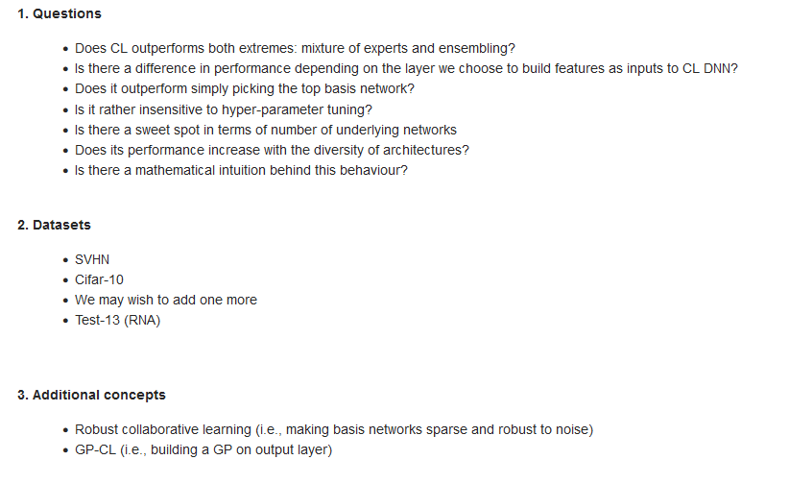
Does collab learning work, and if so what is the best way to do it?

* outperfomance of top base network
* outperformance of selecting the best base x in ensemble, etc.
* add more mixtures between DNN/CNN/WideResNet results (a plot?)
* plot of #DNN / #CNN / #WideResnet in collab/ensemble

Can we show that collaborative works on multiple data sets and base models?

* transformers on CNN (a picture is worth 16x16 words)

What can Gaussian processes do in a collaborative setting?

* show the numbers versus normal collaborative
* show similar numbers
* CCA/PCA % for simplicity
* Variational AutoEncoder layer for representation of many

Is it possible to combine really low impact models using 1 or multiple techniques and achieve results that are much similar to large demanding models?

* Song Han Deep Compression and Pruning
* sam (sharpness aware minimization)
* CCA/PCA layers + collab (better?) on CNN/DNN
* mixture of experts with/without CCA/PCA layers on CNN/DNN (https://www.youtube.com/watch?v=FxrTtRvYQWk)
* does transfer learning to full color data sets work, and if so does it allow for an extra boost?
* Rich Caruana (apply)
* Variational AutoEncoder layer for representation of many

Is it possible to learn the weights forcing independence between layers whilst learning?

svhn_graphs
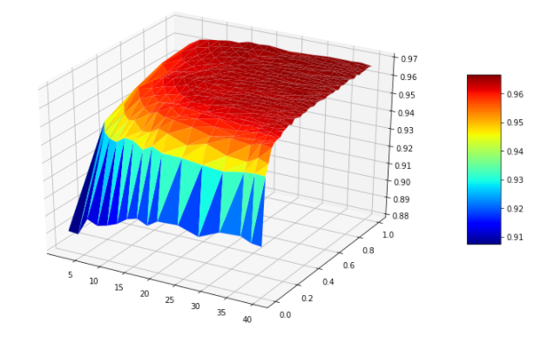
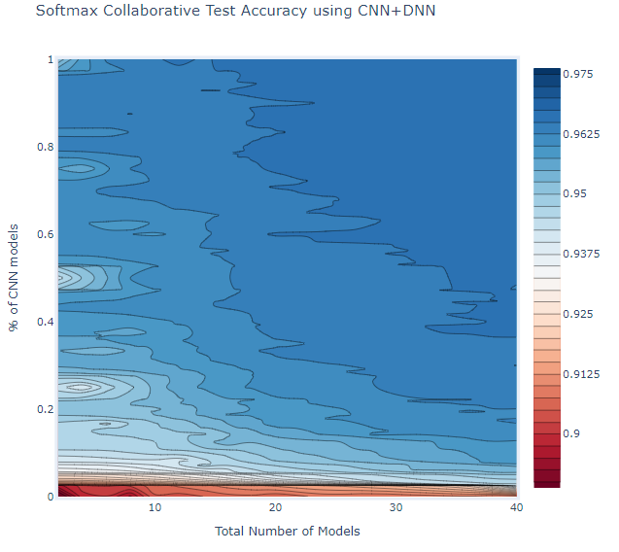
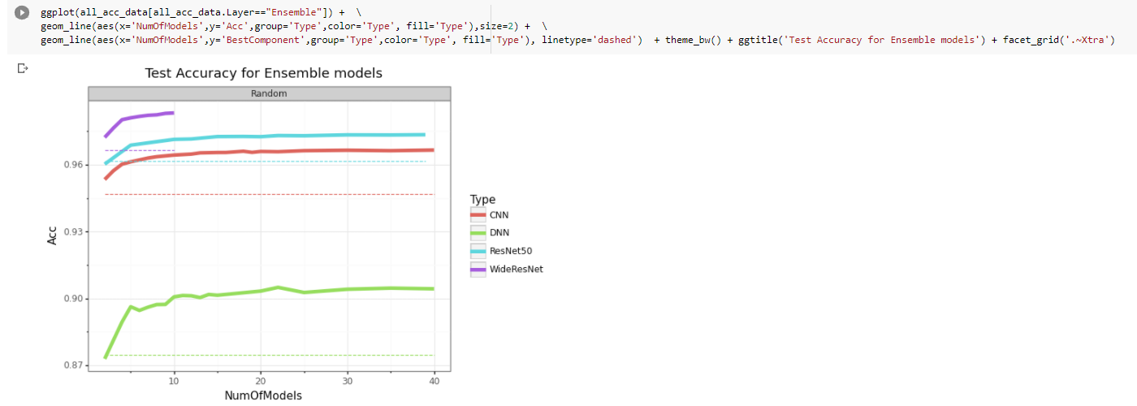
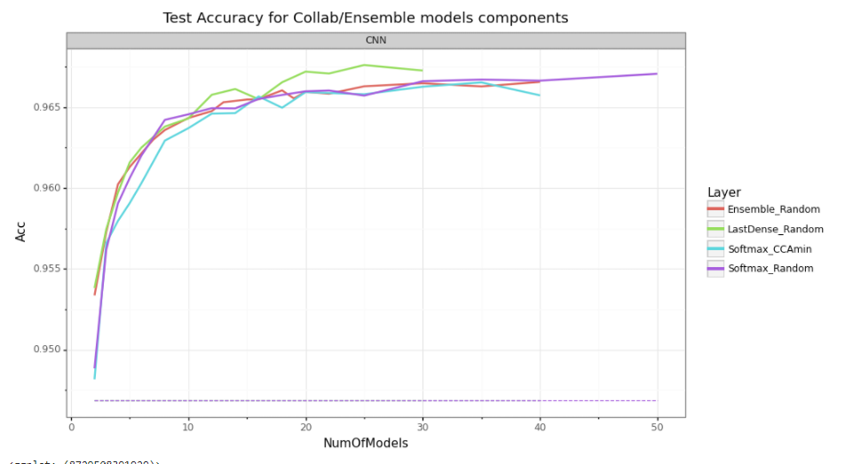
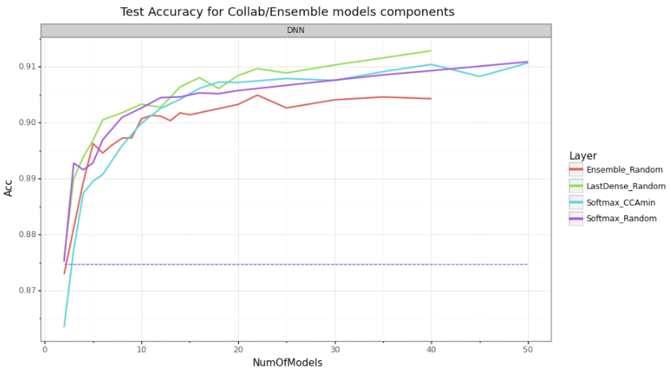

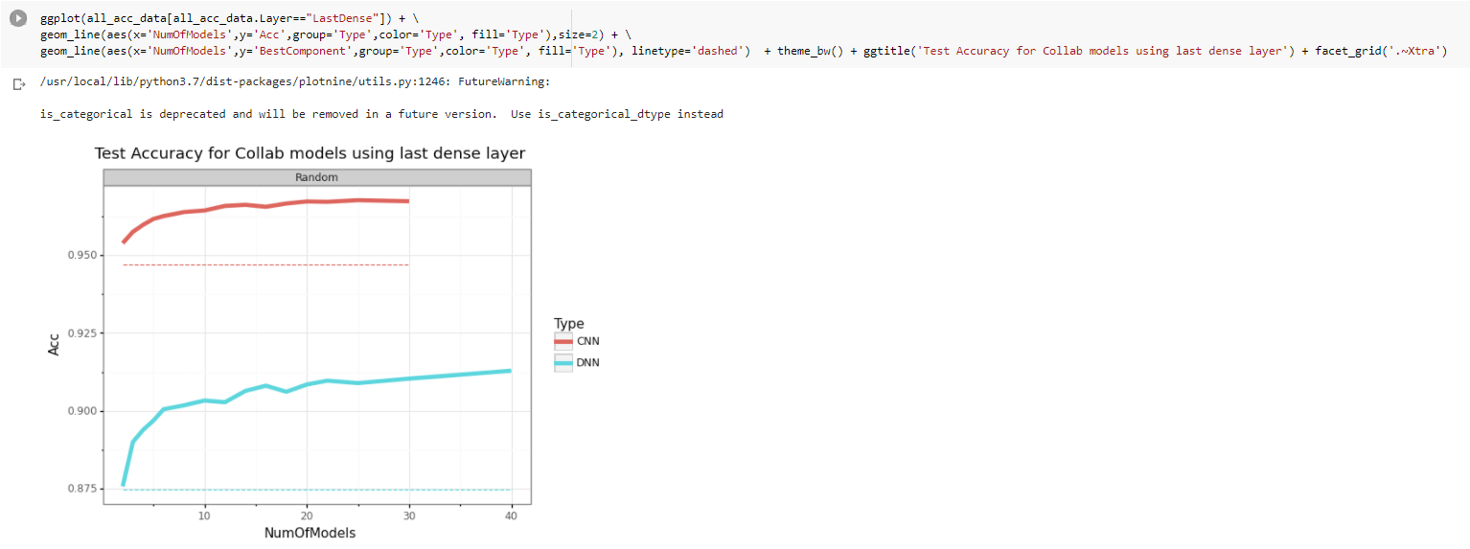

WideResNet

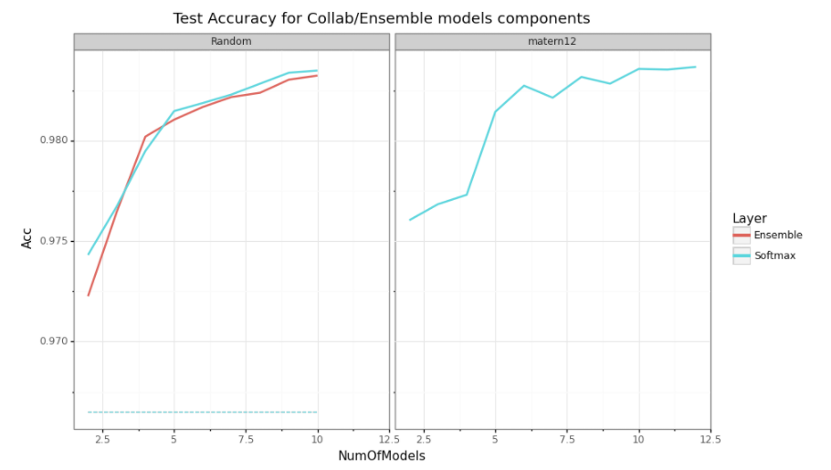

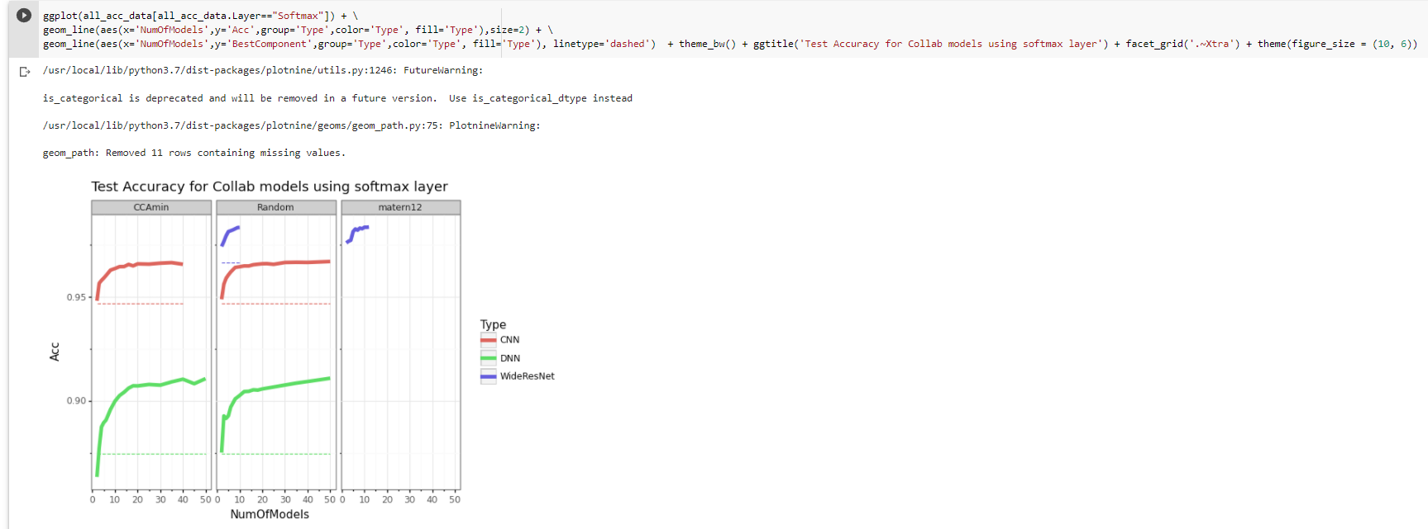

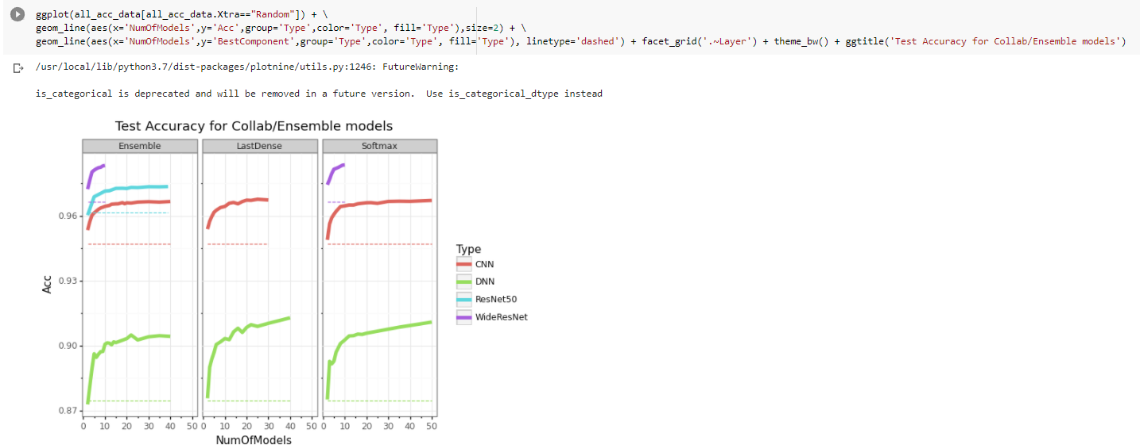

Ensemble CNN+WRN

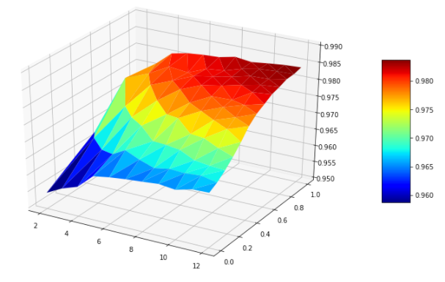
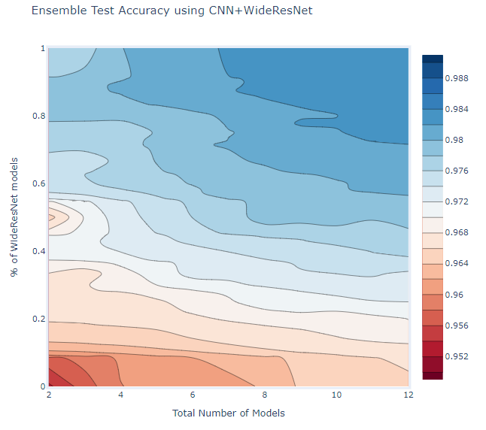

Collab CNN+WRN SFTMX

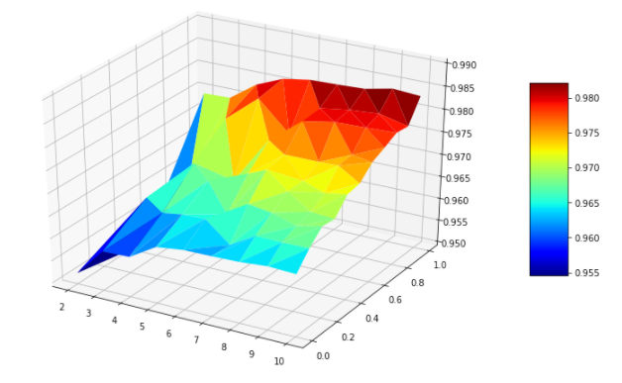
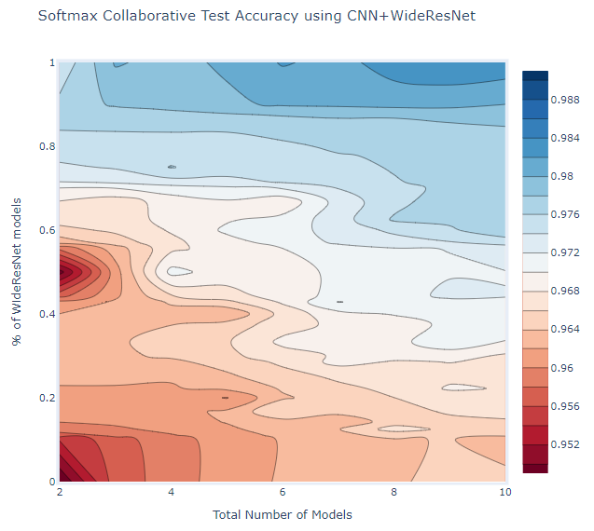

Collab CNN+DNN SFTMX

test13_graphs
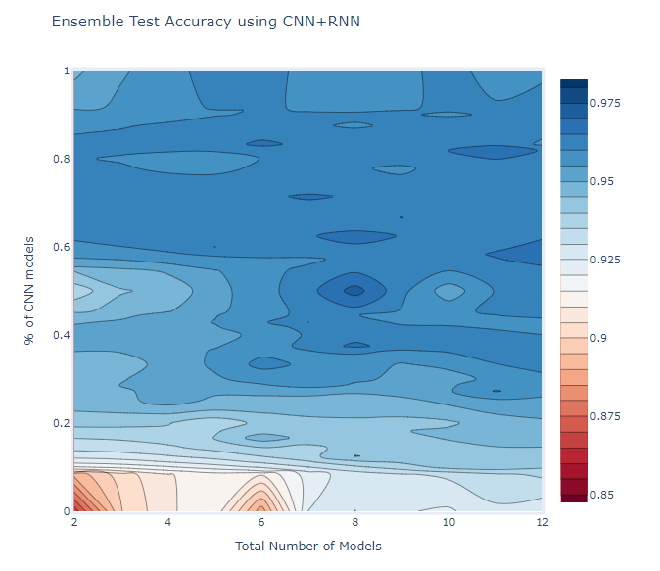
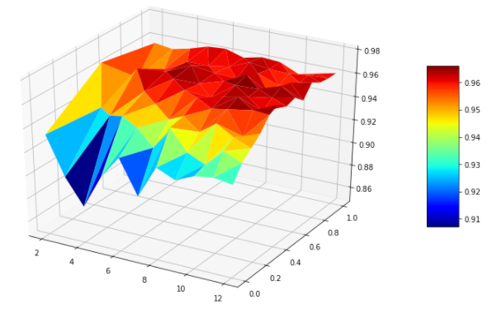
Ensemble CNN+RNN

