CEO Filing Status on Filing Dat
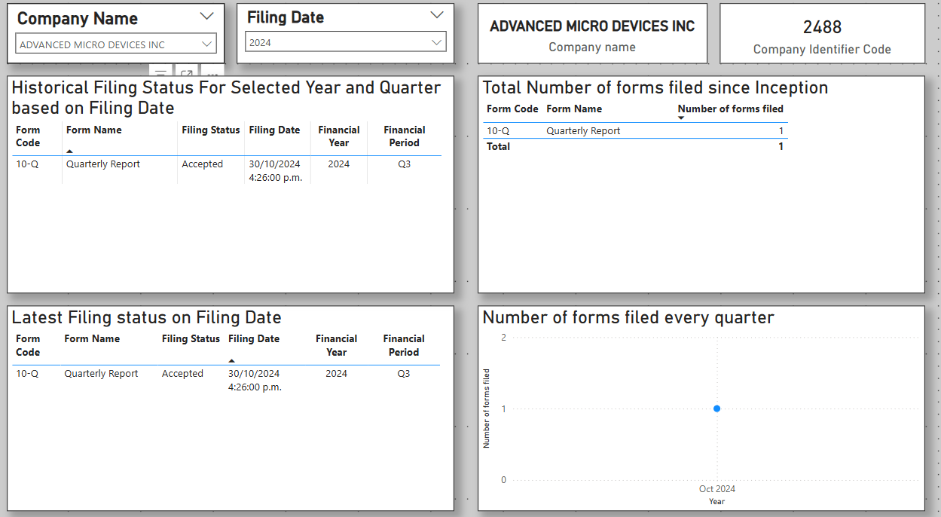
 | CEO View
Latest SEC Filing Status – Business Requirements | Filing Status on Filing Date
Business Requirement | Mapped Field (from SEC Data) | Notes | Status
Latest Filing Status (Accepted, Pending, Amended, Rejected) | adsh + derived status | The adsh (Accession Number) can help track the filing status, but you may need to derive the status (e.g., if an amendment exists, it's "Amended"). | Done
Latest Filing Date (When was it submitted?) | filed | The filed field contains the date the filing was submitted. | Done
Company Identifier (CIK or Company Name) | cik, name | Use cik (Central Index Key) and name (Company Name) for company identification. | Done
Filing Type (10-K, 10-Q, 8-K, etc.) | form | The form field stores the filing type (e.g., 10-K, 10-Q). | Done
Submission Timestamp (Time of day when it was processed) | accepted | The accepted field contains the exact timestamp when the filing was processed. | Done
Any Amendments? (Highlight if the latest filing was an amendment) | prevrpt | If prevrpt = 1, the filing is an amendment. | Merged with Latest Filing Status

Filing Status | How to Determine | Mapped Fields
Accepted ✅ | If accepted timestamp exists, the filing was processed successfully. | accepted (date/time)
Amended ⚠️ | If prevrpt = 1, this filing is an amendment to a previous report. | prevrpt (Boolean)
Pending ⏳ | If accepted is NULL (missing), the filing has not been processed yet. | accepted (NULL check) | CANNOT IMPLEMENT
Rejected ❌ | The SEC does not provide rejection logs in this dataset. A missing accepted value for a long time might indicate rejection, but it's not explicitly recorded. | (Not directly available) | CANNOT IMPLEMENT

CEO Filing Status on Fin Year
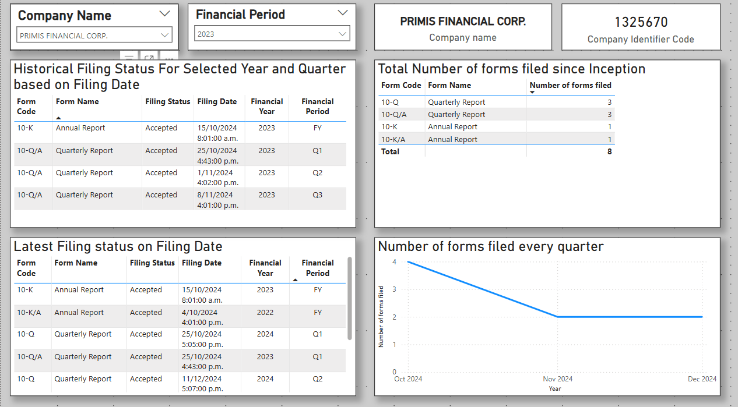
 | CEO View
Latest SEC Filing Status – Business Requirements | Filing Status on Finance Year
Business Requirement | Mapped Field (from SEC Data) | Notes | Status
Latest Filing Status (Accepted, Pending, Amended, Rejected) | adsh + derived status | The adsh (Accession Number) can help track the filing status, but you may need to derive the status (e.g., if an amendment exists, it's "Amended"). | Done
Latest Filing Date (When was it submitted?) | filed | The filed field contains the date the filing was submitted. | Done
Company Identifier (CIK or Company Name) | cik, name | Use cik (Central Index Key) and name (Company Name) for company identification. | Done
Filing Type (10-K, 10-Q, 8-K, etc.) | form | The form field stores the filing type (e.g., 10-K, 10-Q). | Done
Submission Timestamp (Time of day when it was processed) | accepted | The accepted field contains the exact timestamp when the filing was processed. | Done
Any Amendments? (Highlight if the latest filing was an amendment) | prevrpt | If prevrpt = 1, the filing is an amendment. | Merged with Latest Filing Status

Filing Status | How to Determine | Mapped Fields
Accepted ✅ | If accepted timestamp exists, the filing was processed successfully. | accepted (date/time)
Amended ⚠️ | If prevrpt = 1, this filing is an amendment to a previous report. | prevrpt (Boolean)
Pending ⏳ | If accepted is NULL (missing), the filing has not been processed yet. | accepted (NULL check) | CANNOT IMPLEMENT
Rejected ❌ | The SEC does not provide rejection logs in this dataset. A missing accepted value for a long time might indicate rejection, but it's not explicitly recorded. | (Not directly available) | CANNOT IMPLEMENT

