Mind Map
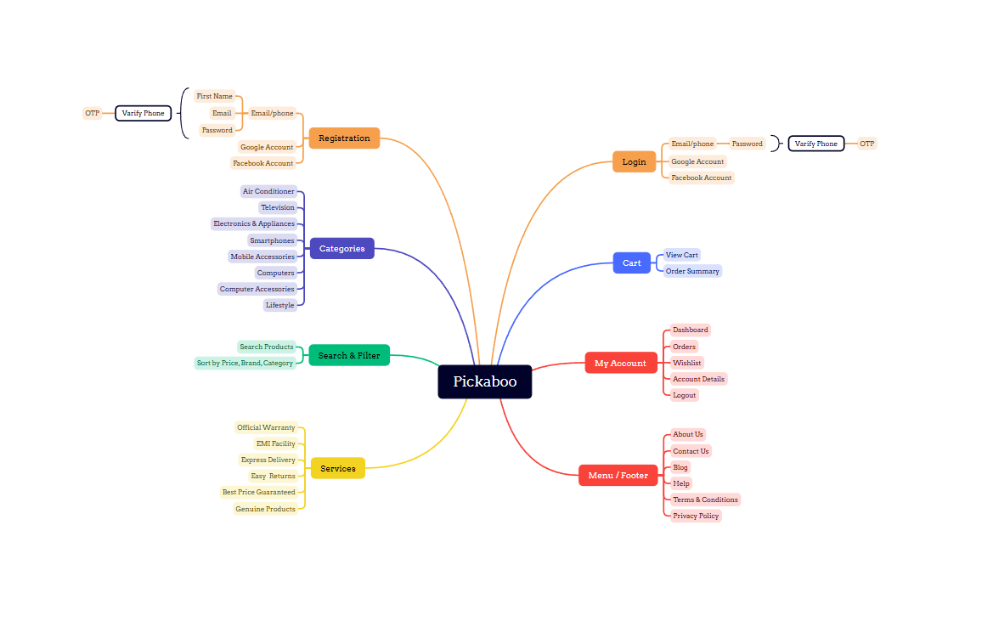
Mind Map For Pickaboo :

Bug Report
 | Bug Report in JIRA:
Bug Reporting
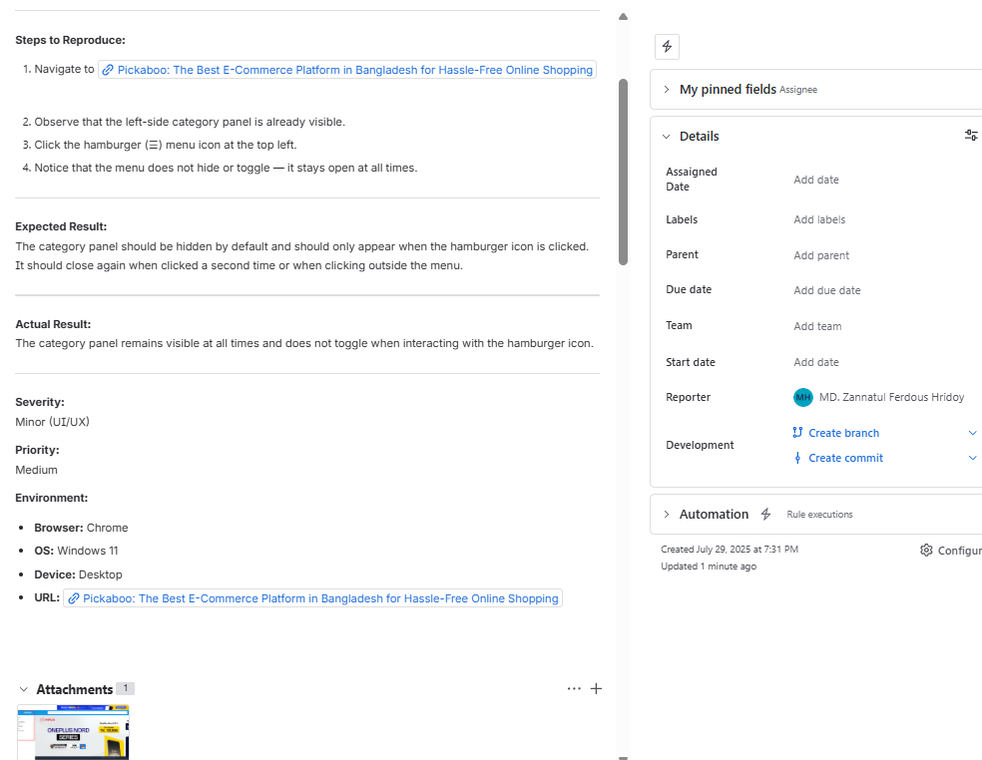

# ID: TC_039

Issue: Hamburger menu category panel remains visible instead of being hidden by default.

Steps to Reproduce:

Screenshot Env: Chrome, Edge
Module: Website
Priority: Medium
Responsible QA: Md. Zannatul Ferdous Hridoy

