Sheet1
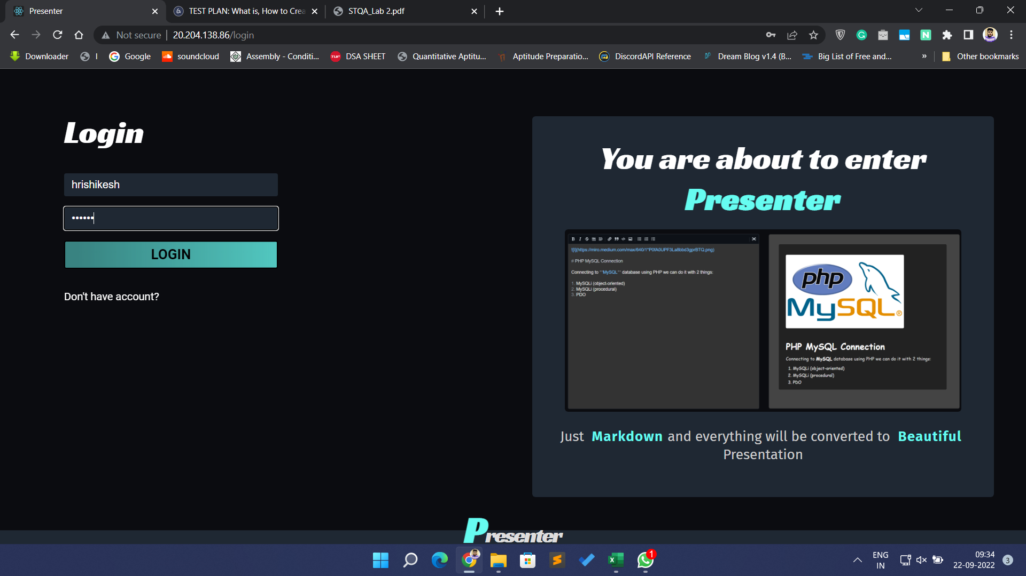
 | TEST TITLE | PRIORITY | TEST CASE ID | TEST NUMBER | TEST DATE
 | Presenter Login Page | HIGH | T001 | 1 | 2022-09-19
 | TEST DESCRIPTION |  | TEST DESIGNED BY | TEST EXECUTED BY | EXECUTION DATE
 | To check whether the Login page of the system works |  | Hrishikesh Vaze | Hrishikesh Vaze | 2022-09-19

 |  |  | TEST DEPENDENCIES | TEST CONDITIONS | TEST DATA
 |  |  | The user already has the account in the system | The user must have a valid user id and password | username - test123, password - test@123456

STEP ID | STEP DESCRIPTION | TEST DATE | EXPECTED RESULTS | ACTUAL RESULTS | PASS / FAIL | ADDITIONAL NOTES
1 | Opening the Website (http://20.204.138.86/) | 2022-09-19 | Website should open properly with title Presenter | Website opens successfully | PASS | -
2 | Click on Login Button | 2022-09-19 | Login page should open | Login page opens successfully | PASS | -
3 | Enter Credentails for login | 2022-09-19 | Credentials should be entered properly as mentioned in test data | User was able to enter the credentials properly | PASS | -
4 | Press the login button | 2022-09-19 | User should be logged in successfully | User was logged in successfully | PASS | -

Sheet2
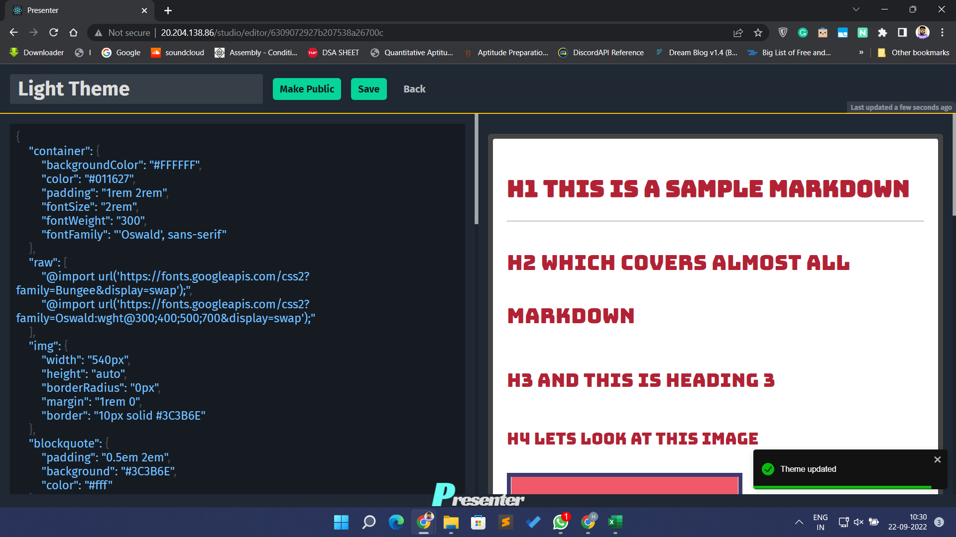
 | TEST TITLE | PRIORITY | TEST CASE ID | TEST NUMBER | TEST DATE
 | Presenter Theme Studio | MEDIUM | T002 | 2 | 2022-09-19
 | TEST DESCRIPTION |  | TEST DESIGNED BY | TEST EXECUTED BY | EXECUTION DATE
 | To check whether the Theme Studio works |  | Hrishikesh Vaze | Hrishikesh Vaze | 2022-09-19

 |  |  | TEST DEPENDENCIES | TEST CONDITIONS | TEST DATA
 |  |  | The user has already logged in the system | - | -

STEP ID | STEP DESCRIPTION | TEST DATE | EXPECTED RESULTS | ACTUAL RESULTS | PASS / FAIL | ADDITIONAL NOTES
1 | Opening the link for Theme Studio page (http://20.204.138.86/studio) | 2022-09-19 | Website should open properly with title Presenter | Website opens successfully | PASS | -
2 | Click on a theme - Light Theme | 2022-09-19 | Theme editor should open | Theme Editor opens successfully | PASS | -
3 | Edit content and hit save button | 2022-09-19 | Changes should saved | Changes are saved | PASS | -

Sheet3
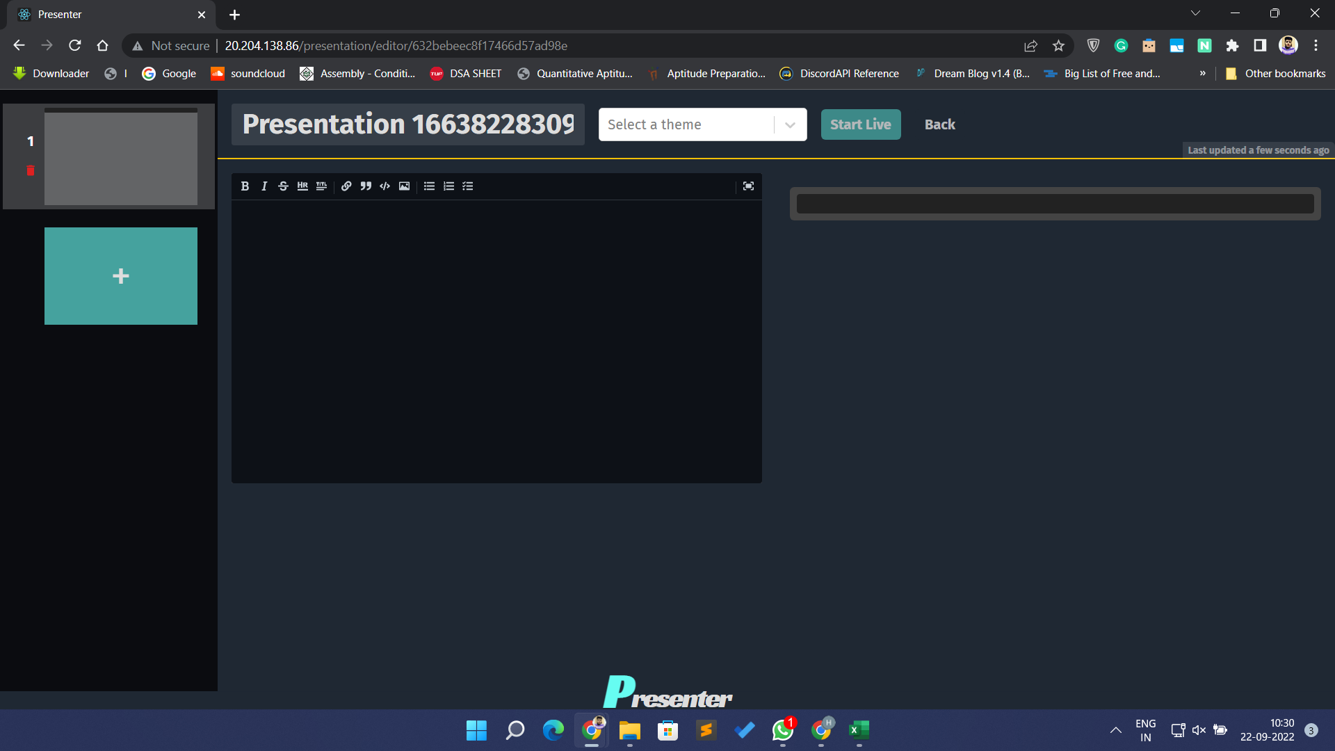
 | TEST TITLE | PRIORITY | TEST CASE ID | TEST NUMBER | TEST DATE
 | Presenter create presentation | HIGH | T003 | 3 | 2022-09-19
 | TEST DESCRIPTION |  | TEST DESIGNED BY | TEST EXECUTED BY | EXECUTION DATE
 | To check if system is able to create new presentation |  | Hrishikesh Vaze | Hrishikesh Vaze | 2022-09-19

 |  |  | TEST DEPENDENCIES | TEST CONDITIONS | TEST DATA
 |  |  | The user has already logged in the system | -

STEP ID | STEP DESCRIPTION | TEST DATE | EXPECTED RESULTS | ACTUAL RESULTS | PASS / FAIL | ADDITIONAL NOTES
1 | Opening the link for presentation page (http://20.204.138.86/presentation) | 2022-09-19 | Website should open properly | Website opens successfully | PASS | -
2 | Click on + button | 2022-09-19 | Presentation editor should be open with blank slide | New presentation opens up with blank slide | PASS | -
3 | Click on back button | 2022-09-19 | New presentation should appear in list | New presentation appears in list | PASS | -

Sheet4
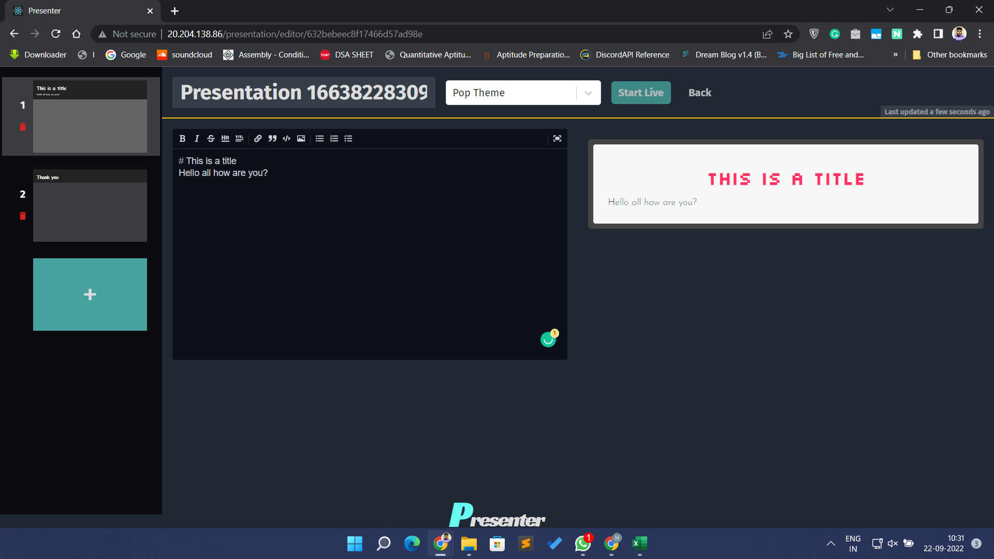
 | TEST TITLE | PRIORITY | TEST CASE ID | TEST NUMBER | TEST DATE
 | Presenter edit presentation | HIGH | T004 | 4 | 2022-09-19
 | TEST DESCRIPTION |  | TEST DESIGNED BY | TEST EXECUTED BY | EXECUTION DATE
 | To check if system is able to edit a presentation |  | Hrishikesh Vaze | Hrishikesh Vaze | 2022-09-19

 |  |  | TEST DEPENDENCIES | TEST CONDITIONS | TEST DATA
 |  |  | The user has already logged in the system and created a new presentation | -

STEP ID | STEP DESCRIPTION | TEST DATE | EXPECTED RESULTS | ACTUAL RESULTS | PASS / FAIL | ADDITIONAL NOTES
1 | Opening the link for presentation page (http://20.204.138.86/presentation) | 2022-09-19 | Website should open properly with title presenter | Website opens successfully | PASS | -
2 | Click on presentation name | 2022-09-19 | Presentation editor should be open | Presentation opens up in editor | PASS | -
3 | Click on + button on left pane | 2022-09-19 | New Slide should get added | New slide gets added to presentation | PASS | -
4 | Edit content | 2022-09-19 | Updates should be saved automatically | Updates are saved automatically | PASS | -

Sheet5
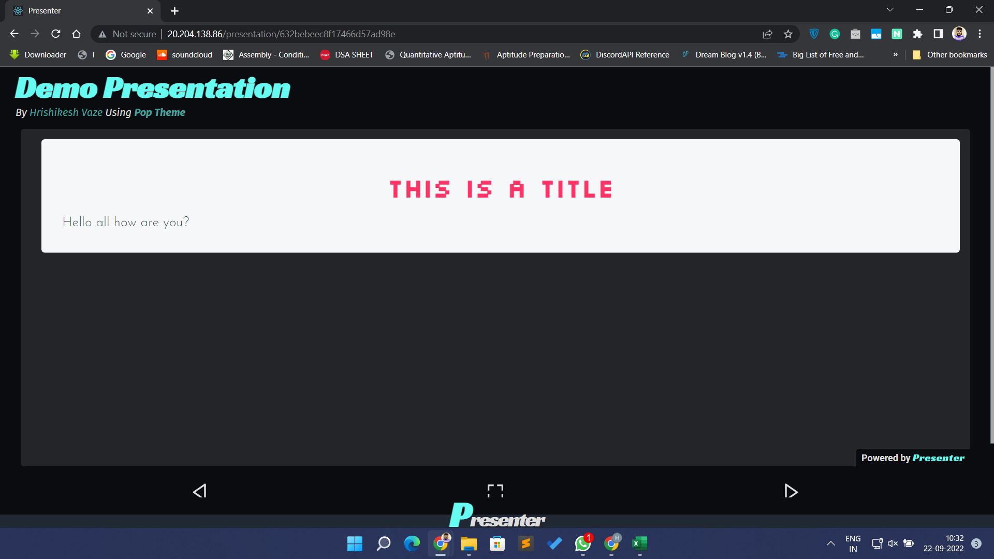
 | TEST TITLE | PRIORITY | TEST CASE ID | TEST NUMBER | TEST DATE
 | Presenter liveshare presentation | HIGH | T005 | 5 | 2022-09-19
 | TEST DESCRIPTION |  | TEST DESIGNED BY | TEST EXECUTED BY | EXECUTION DATE
 | To check if system is able to liveshare a presentation |  | Hrishikesh Vaze | Hrishikesh Vaze | 2022-09-19

 |  |  | TEST DEPENDENCIES | TEST CONDITIONS | TEST DATA
 |  |  | 1. The user has already logged in the system and created a presentation 2.User has two device A and B | Device A should be logged in to the User

STEP ID | STEP DESCRIPTION | TEST DATE | EXPECTED RESULTS | ACTUAL RESULTS | PASS / FAIL | ADDITIONAL NOTES
1 | Opening the link for presentation page on device A (http://20.204.138.86/presentation) | 2022-09-19 | Website should open properly with title Presenter | Website opens successfully | PASS | -
2 | Click on Play icon on bottom right of presentation window | 2022-09-19 | Presentation should be open in sharing mode | Presentation opens up in sharing mode | PASS | -
3 | Open the same link as above in device B | 2022-09-19 | Page requesting to wait for live share should get open | Page requesting to wait for live share opens | PASS | -
4 | Goto to presentation page on device A and click on Presentation name | 2022-09-19 | Presentation in editor should be open | Presentation editor opens | PASS | -
5 | Click on Start Live button to start live presenation | 2022-09-19 | Page gets reloaded on device B | Page reloads on device B | PASS | -
6 | Change slide on device A | 2022-09-19 | Slides should be change on device B according to device A | Slides changes on device B according to device A | PASS | -

Sheet6
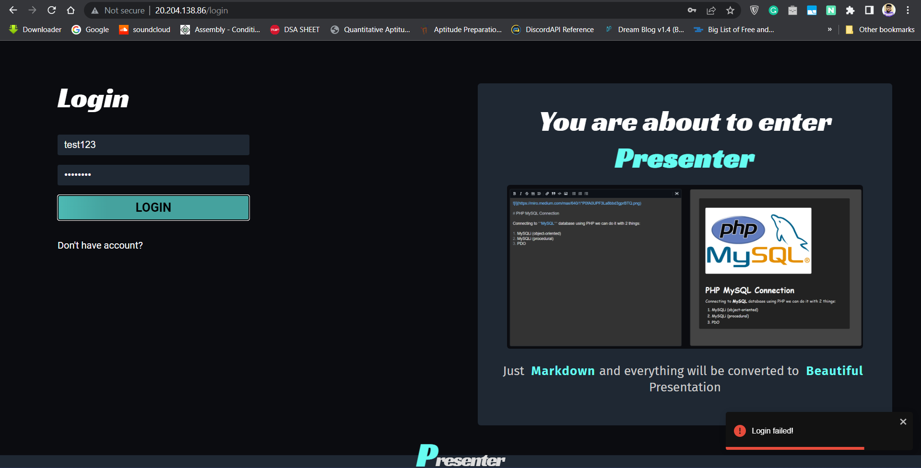
 | TEST TITLE | PRIORITY | TEST CASE ID | TEST NUMBER | TEST DATE
 | Presenter Login Page Security | HIGH | T006 | 6 | 2022-09-19
 | TEST DESCRIPTION |  | TEST DESIGNED BY | TEST EXECUTED BY | EXECUTION DATE
 | To check whether the Login page of the system works |  | Hrishikesh Vaze | Hrishikesh Vaze | 2022-09-19

 |  |  | TEST DEPENDENCIES | TEST CONDITIONS | TEST DATA
 |  |  | The user already has the account in the system | The user must have a valid user id and password | username - test123, password - wrong_password

STEP ID | STEP DESCRIPTION | TEST DATE | EXPECTED RESULTS | ACTUAL RESULTS | PASS / FAIL | ADDITIONAL NOTES
1 | Opening the Website (http://20.204.138.86/) | 2022-09-19 | Website should open properly with title Presenter | Website opens successfully | PASS | -
2 | Click on Login Button | 2022-09-19 | Login page should open | Login page opens successfully | PASS | -
3 | Press the login button | 2022-09-19 | User should be logged in successfully | User was logged in successfully | PASS | -
4 | Enter Credentails for login | 2022-09-19 | Error message - User not found | Successfully got error message | PASS | -

