Sheet1
Command | Logical plan | Physical plan | Jobs | stages | Analysis | Code snippet
join | "== Parsed Logical Plan == 'Join UsingJoin(Inner,List(deptid)) :- Project [_1#17 AS empid#22, _2#18 AS empname#23, _3#19 AS empsalary#24, _4#20 AS deptid#25] : +- LocalRelation [_1#17, _2#18, _3#19, _4#20] +- Project [_1#3 AS deptid#7, _2#4 AS deptname#8, _3#5 AS deptmgr#9] +- LocalRelation [_1#3, _2#4, _3#5] == Analyzed Logical Plan == deptid: int, empid: int, empname: string, empsalary: int, deptname: string, deptmgr: string Project [deptid#25, empid#22, empname#23, empsalary#24, deptname#8, deptmgr#9] +- Join Inner, (deptid#25 = deptid#7) :- Project [_1#17 AS empid#22, _2#18 AS empname#23, _3#19 AS empsalary#24, _4#20 AS deptid#25] : +- LocalRelation [_1#17, _2#18, _3#19, _4#20] +- Project [_1#3 AS deptid#7, _2#4 AS deptname#8, _3#5 AS deptmgr#9] +- LocalRelation [_1#3, _2#4, _3#5] == Optimized Logical Plan == Project [deptid#25, empid#22, empname#23, empsalary#24, deptname#8, deptmgr#9] +- Join Inner, (deptid#25 = deptid#7) :- LocalRelation [empid#22, empname#23, empsalary#24, deptid#25] +- LocalRelation [deptid#7, deptname#8, deptmgr#9]" | "== Physical Plan == *(1) Project [deptid#25, empid#22, empname#23, empsalary#24, deptname#8, deptmgr#9] +- *(1) BroadcastHashJoin [deptid#25], [deptid#7], Inner, BuildRight :- LocalTableScan [empid#22, empname#23, empsalary#24, deptid#25] +- BroadcastExchange HashedRelationBroadcastMode(List(cast(input[0, int, false] as bigint))) +- LocalTableScan [deptid#7, deptname#8, deptmgr#9]" | 2 jobs created. (the 1st one is the ThreadPoolExecutor and the 2nd one is the join). Spark jobs are related to queries with join operators that fit the definition of BroadcastHashJoin where one join side is broadcast to executors for join. That BroadcastHashJoin operator uses a ThreadPool for this asynchronous broadcasting | 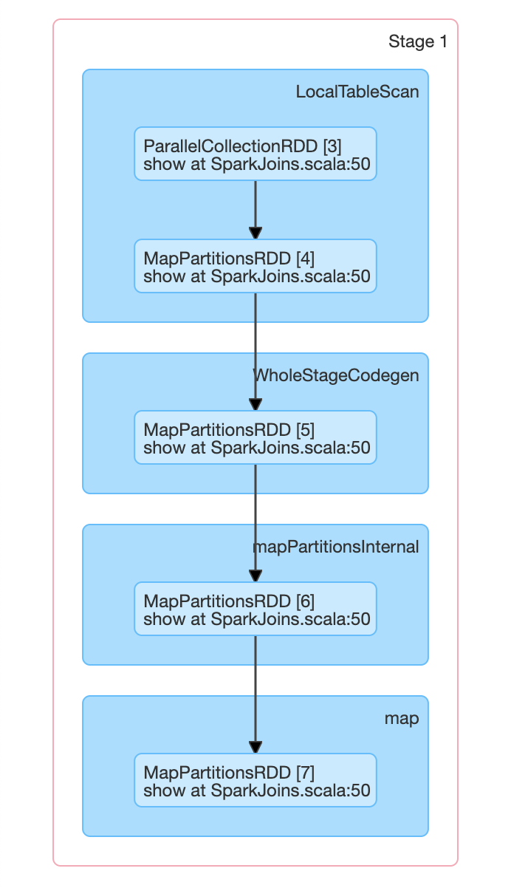 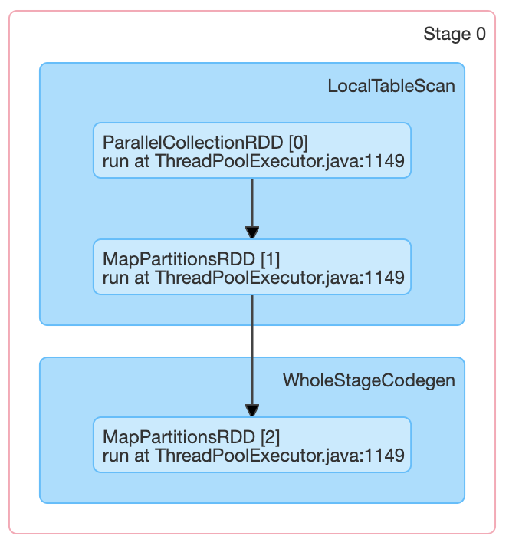 2 stages. In stage 0, the BroadcastHashJoin uses the ThreadPool to transfer the data from one join side to all the other executors | 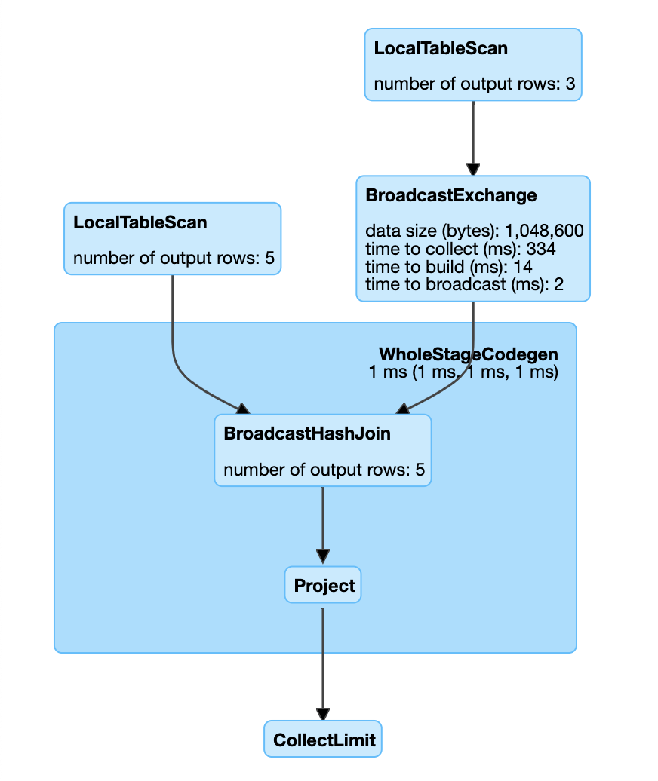 | val deptdf = Seq( (1, "HR", "A"), (2, "Escalation", "B"), (3, "Engineering", "C") ).toDF("deptid", "deptname", "deptmgr") val empdf = Seq( (1, "A", 25000, 1), (2, "B", 30000, 2), (3, "C", 100000, 3), (4, "D", 50000, 3), (5, "E", 40000, 3) ).toDF("empid", "empname", "empsalary", "deptid") val joineddf = empdf.join(deptdf, Seq("deptid")) val joinedstatsdf = joineddf.groupBy("deptid").agg( max("empsalary").as("maxsalary"), min("empsalary").as("minsalary"), avg("empsalary").as("avgsalary") ) deptdf.show() empdf.show() joineddf.show() joinedstatsdf.show() deptdf.explain(true) empdf.explain(true) joineddf.explain(true) joinedstatsdf.explain(true)
map | "== Parsed Logical Plan == Project [_1#9 AS key#12, _2#10 AS val#13] +- SerializeFromObject [assertnotnull(assertnotnull(input[0, scala.Tuple2, true]))._1 AS _1#9, assertnotnull(assertnotnull(input[0, scala.Tuple2, true]))._2 AS _2#10] +- MapElements <function1>, interface org.apache.spark.sql.Row, [StructField(key,IntegerType,false)], obj#8: scala.Tuple2 +- DeserializeToObject createexternalrow(key#3, StructField(key,IntegerType,false)), obj#7: org.apache.spark.sql.Row +- Project [value#1 AS key#3] +- LocalRelation [value#1] == Analyzed Logical Plan == key: int, val: int Project [_1#9 AS key#12, _2#10 AS val#13] +- SerializeFromObject [assertnotnull(assertnotnull(input[0, scala.Tuple2, true]))._1 AS _1#9, assertnotnull(assertnotnull(input[0, scala.Tuple2, true]))._2 AS _2#10] +- MapElements <function1>, interface org.apache.spark.sql.Row, [StructField(key,IntegerType,false)], obj#8: scala.Tuple2 +- DeserializeToObject createexternalrow(key#3, StructField(key,IntegerType,false)), obj#7: org.apache.spark.sql.Row +- Project [value#1 AS key#3] +- LocalRelation [value#1] == Optimized Logical Plan == Project [_1#9 AS key#12, _2#10 AS val#13] +- SerializeFromObject [assertnotnull(input[0, scala.Tuple2, true])._1 AS _1#9, assertnotnull(input[0, scala.Tuple2, true])._2 AS _2#10] +- MapElements <function1>, interface org.apache.spark.sql.Row, [StructField(key,IntegerType,false)], obj#8: scala.Tuple2 +- DeserializeToObject createexternalrow(key#3, StructField(key,IntegerType,false)), obj#7: org.apache.spark.sql.Row +- LocalRelation [key#3]" | "== Physical Plan == *(1) Project [_1#9 AS key#12, _2#10 AS val#13] +- *(1) SerializeFromObject [assertnotnull(input[0, scala.Tuple2, true])._1 AS _1#9, assertnotnull(input[0, scala.Tuple2, true])._2 AS _2#10] +- *(1) MapElements <function1>, obj#8: scala.Tuple2 +- *(1) DeserializeToObject createexternalrow(key#3, StructField(key,IntegerType,false)), obj#7: org.apache.spark.sql.Row +- LocalTableScan [key#3]" | 1 job because there is only one action (here it is the show() function) | 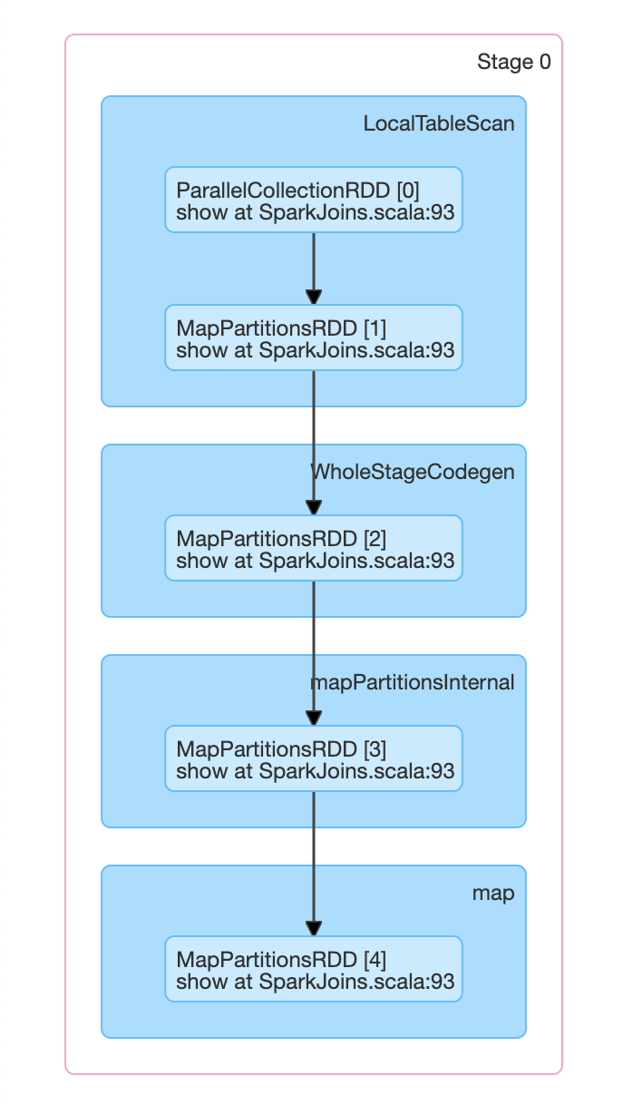 1 stage because all data was avaliable in the same partition and no shuffle was required | 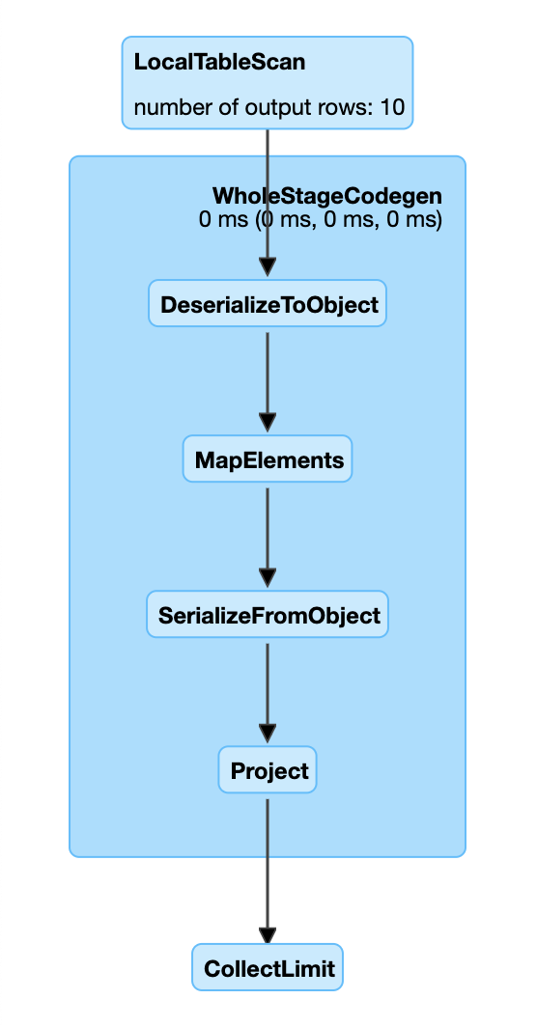 | val testdf = Seq(1, 2, 3, 1, 1, 5, 2, 3, 3, 4).toDF("key") val mappedtestdf = testdf.map(x => (x.getInt(0), 1)).toDF("key", "val") mappedtestdf.show() mappedtestdf.explain(true)
mapPartitions
union | "== Parsed Logical Plan == 'Union :- Project [_1#16 AS empid#20, _2#17 AS empname#21, _3#18 AS empsalary#22] : +- LocalRelation [_1#16, _2#17, _3#18] +- Project [_1#3 AS deptid#7, _2#4 AS deptname#8, _3#5 AS deptmgr#9] +- LocalRelation [_1#3, _2#4, _3#5] == Analyzed Logical Plan == empid: int, empname: string, empsalary: string Union :- Project [empid#20, empname#21, cast(empsalary#22 as string) AS empsalary#44] : +- Project [_1#16 AS empid#20, _2#17 AS empname#21, _3#18 AS empsalary#22] : +- LocalRelation [_1#16, _2#17, _3#18] +- Project [deptid#7, deptname#8, deptmgr#9] +- Project [_1#3 AS deptid#7, _2#4 AS deptname#8, _3#5 AS deptmgr#9] +- LocalRelation [_1#3, _2#4, _3#5] == Optimized Logical Plan == Union :- LocalRelation [empid#20, empname#21, empsalary#44] +- LocalRelation [deptid#7, deptname#8, deptmgr#9]" | "== Physical Plan == Union :- LocalTableScan [empid#20, empname#21, empsalary#44] +- LocalTableScan [deptid#7, deptname#8, deptmgr#9]" | 2 jobs created. (the 2nd one is a duplicate of the 1st one) (Reason -> not sure) | 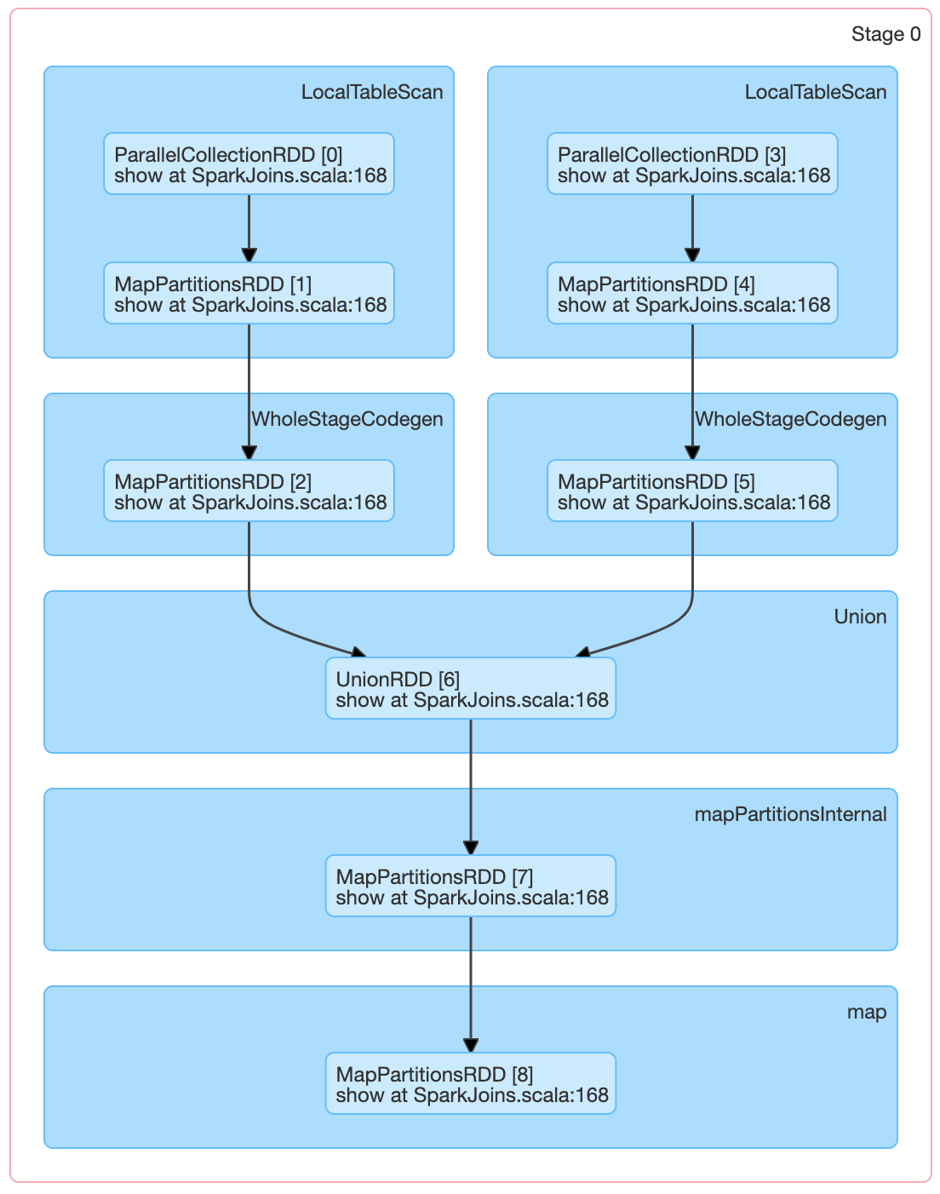 2 stages created. (the 2nd one is a duplicate of the 1st one) (Reason -> not sure) | 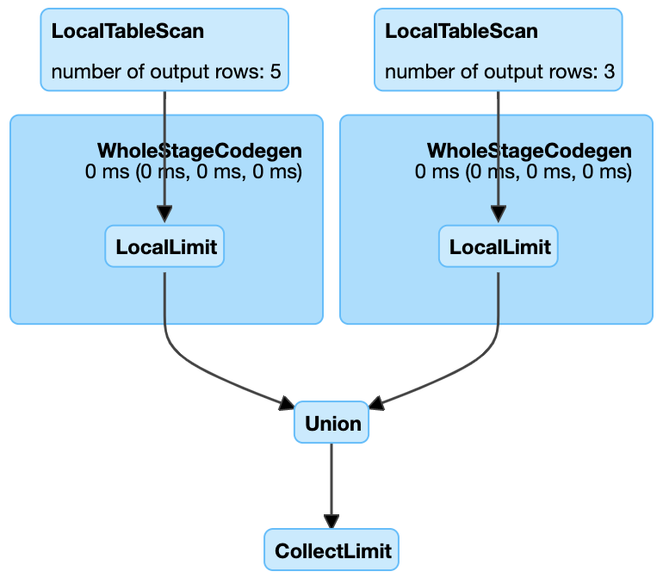 | val deptdf = Seq( (1, "HR", "A"), (2, "Escalation", "B"), (3, "Engineering", "C") ).toDF("deptid", "deptname", "deptmgr") val empdf = Seq( (1, "A", 25000), (2, "B", 30000), (3, "C", 100000), (4, "D", 50000), (5, "E", 40000) ).toDF("empid", "empname", "empsalary") val unioneddf = empdf.union(deptdf) unioneddf.show() unioneddf.explain(true)
groupBy | "== Parsed Logical Plan == Aggregate [key#3], [key#3, count(1) AS count#7L] +- Project [value#1 AS key#3] +- LocalRelation [value#1] == Analyzed Logical Plan == key: int, count: bigint Aggregate [key#3], [key#3, count(1) AS count#7L] +- Project [value#1 AS key#3] +- LocalRelation [value#1] == Optimized Logical Plan == Aggregate [key#3], [key#3, count(1) AS count#7L] +- LocalRelation [key#3]" | "== Physical Plan == *(2) HashAggregate(keys=[key#3], functions=[count(1)], output=[key#3, count#7L]) +- Exchange hashpartitioning(key#3, 200) +- *(1) HashAggregate(keys=[key#3], functions=[partial_count(1)], output=[key#3, count#29L]) +- LocalTableScan [key#3]" | 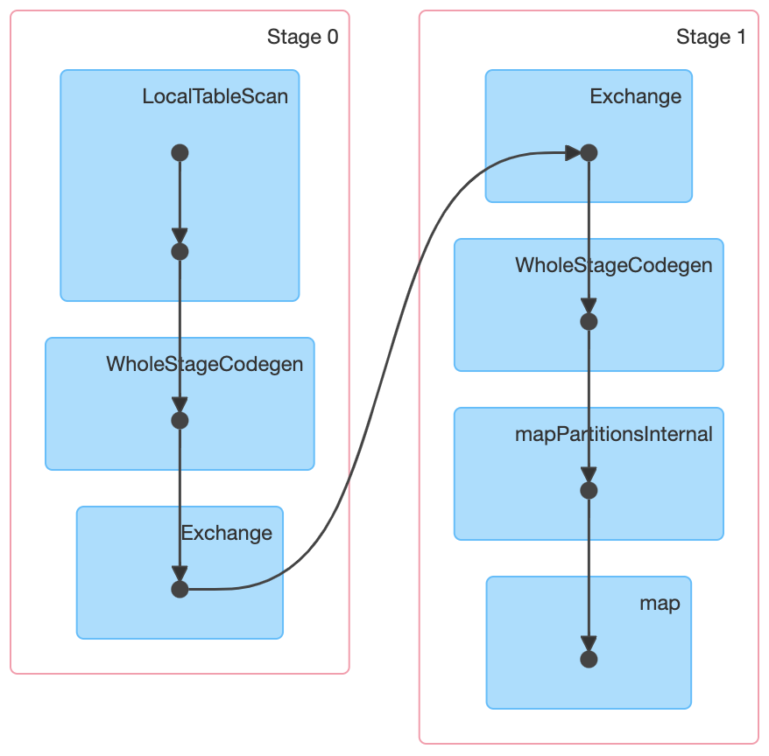 5 jobs created. Job 0 was executed. Job 1,2,3,4 were skipped | 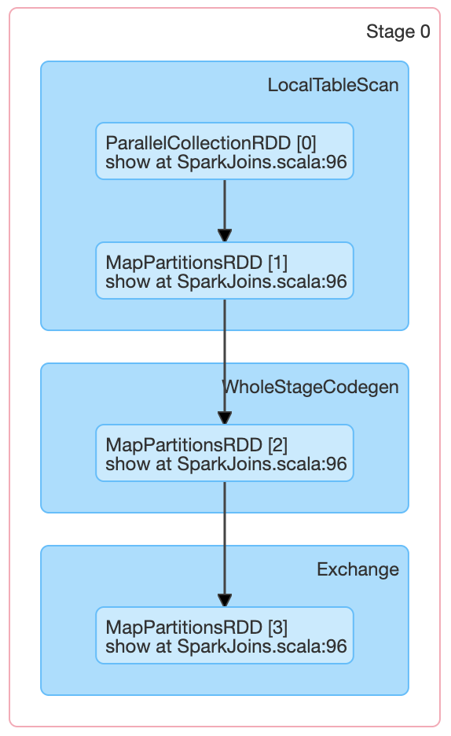 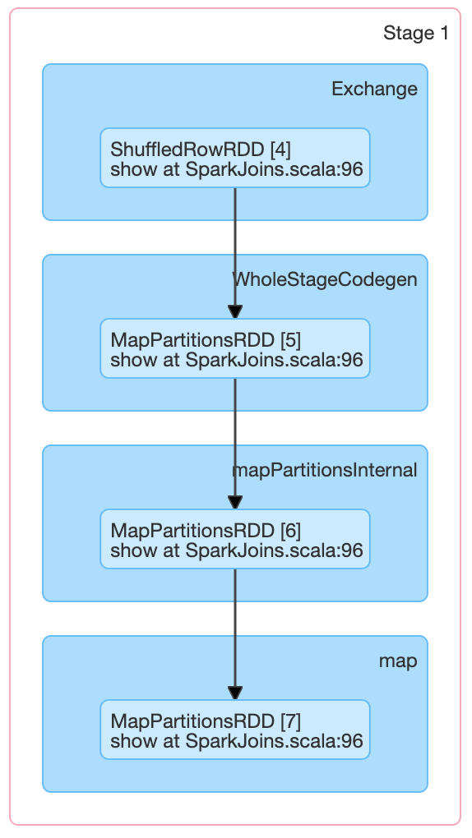 | 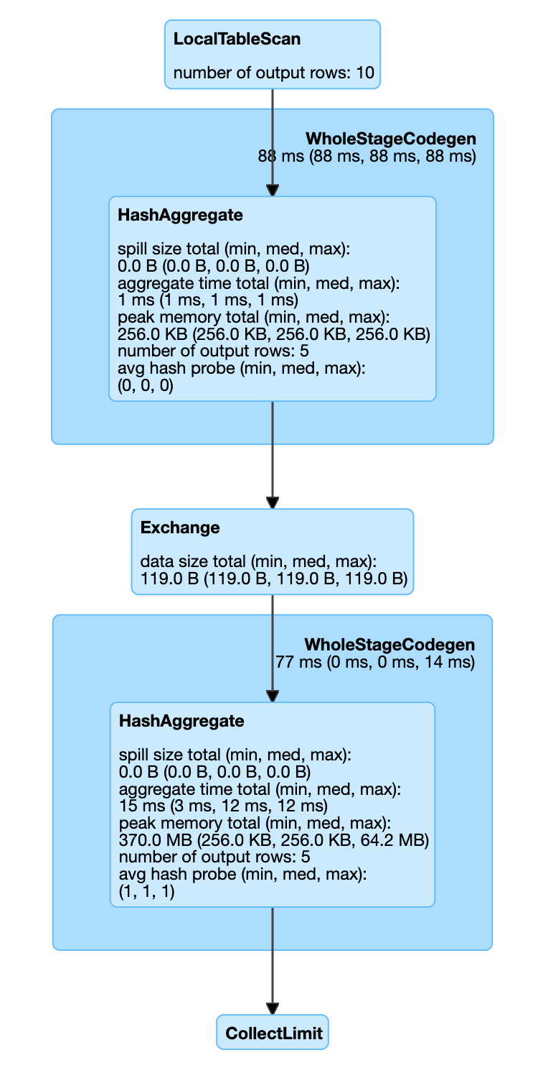 | val testdf = Seq(1, 2, 3, 1, 1, 5, 2, 3, 3, 4).toDF("key") val groupeddf1 = testdf.groupBy("key").count() groupeddf1.show() groupeddf1.explain(true)
groupByKey | "== Parsed Logical Plan == Project [value#6 AS key#13, count(1)#10L AS count#14L] +- Aggregate [value#6], [value#6, count(1) AS count(1)#10L] +- AppendColumns <function1>, interface org.apache.spark.sql.Row, [StructField(key,IntegerType,false)], createexternalrow(key#3, StructField(key,IntegerType,false)), [input[0, int, false] AS value#6] +- Project [value#1 AS key#3] +- LocalRelation [value#1] == Analyzed Logical Plan == key: int, count: bigint Project [value#6 AS key#13, count(1)#10L AS count#14L] +- Aggregate [value#6], [value#6, count(1) AS count(1)#10L] +- AppendColumns <function1>, interface org.apache.spark.sql.Row, [StructField(key,IntegerType,false)], createexternalrow(key#3, StructField(key,IntegerType,false)), [input[0, int, false] AS value#6] +- Project [value#1 AS key#3] +- LocalRelation [value#1] == Optimized Logical Plan == Aggregate [value#6], [value#6 AS key#13, count(1) AS count#14L] +- Project [value#6] +- AppendColumns <function1>, interface org.apache.spark.sql.Row, [StructField(key,IntegerType,false)], createexternalrow(key#3, StructField(key,IntegerType,false)), [input[0, int, false] AS value#6] +- LocalRelation [key#3]" | "== Physical Plan == *(2) HashAggregate(keys=[value#6], functions=[count(1)], output=[key#13, count#14L]) +- Exchange hashpartitioning(value#6, 200) +- *(1) HashAggregate(keys=[value#6], functions=[partial_count(1)], output=[value#6, count#24L]) +- *(1) Project [value#6] +- AppendColumns <function1>, createexternalrow(key#3, StructField(key,IntegerType,false)), [input[0, int, false] AS value#6] +- LocalTableScan [key#3]" | 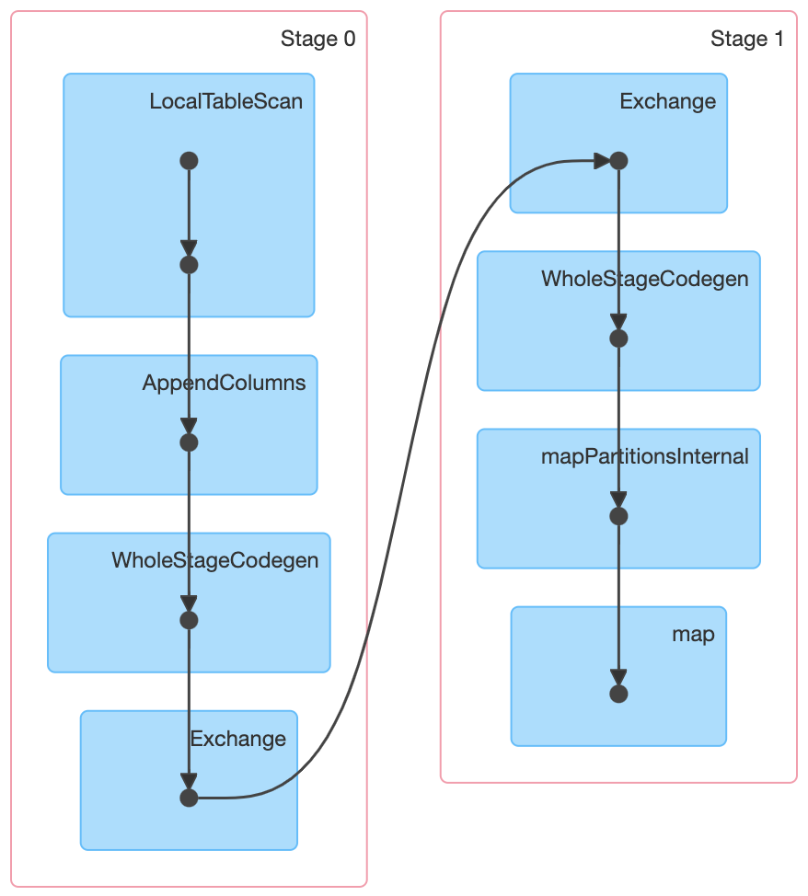 5 jobs created. Job 0 was executed. Job 1,2,3,4 were skipped | 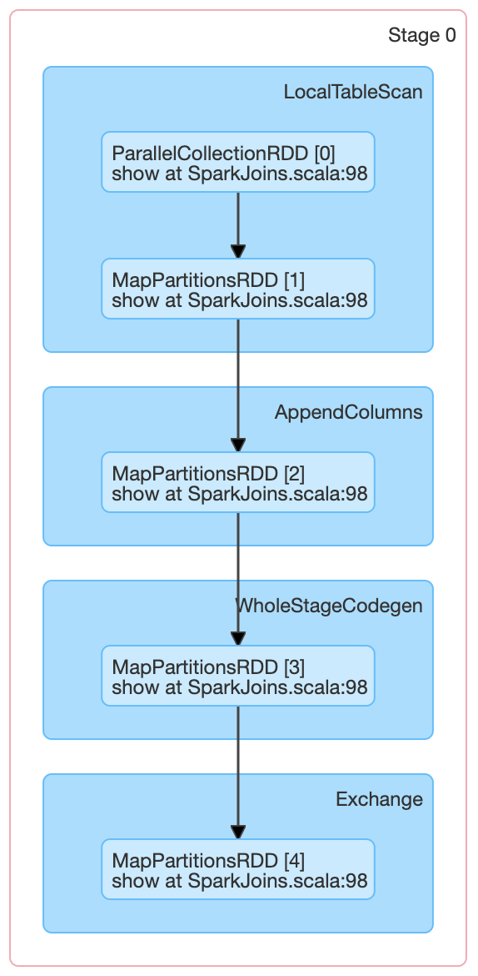 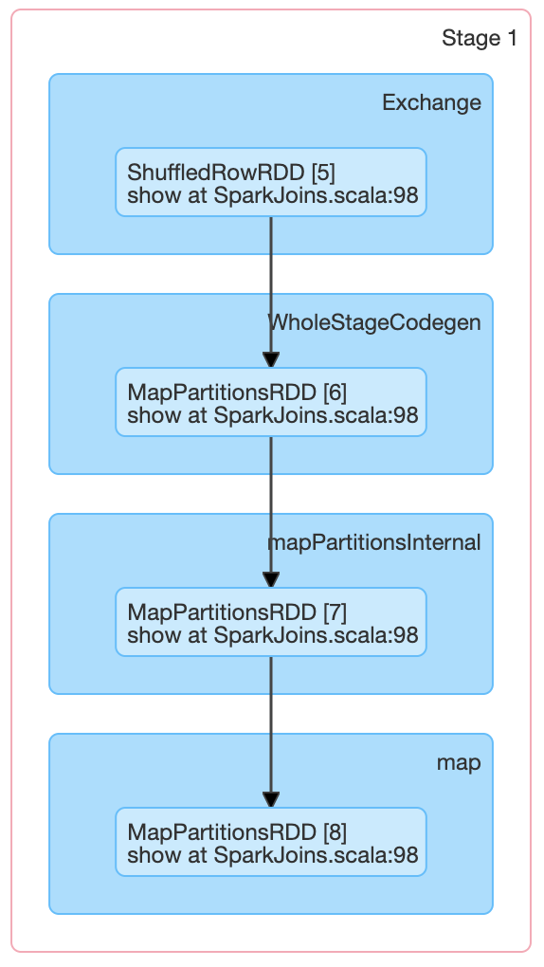 | 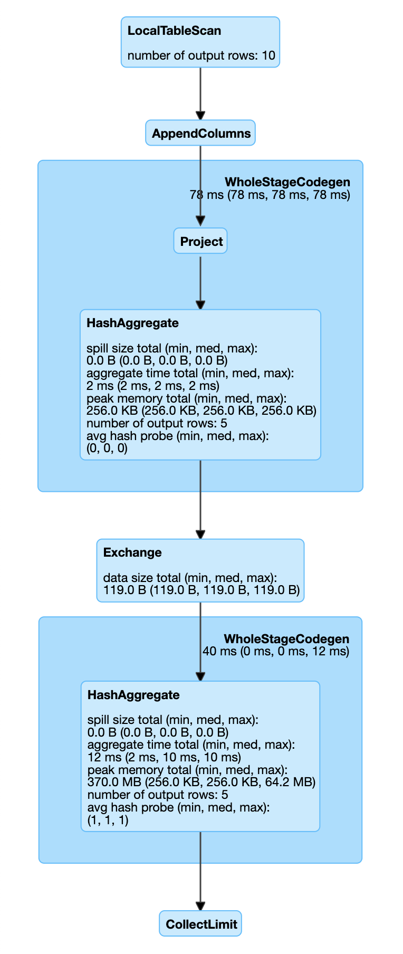 | val testdf = Seq(1, 2, 3, 1, 1, 5, 2, 3, 3, 4).toDF("key") val groupeddf2 = testdf.groupByKey(x => x.getInt(0)).count().toDF("key", "count") groupeddf2.show() groupeddf2.explain(true)
flatMap | "== Parsed Logical Plan == Project [_1#13 AS Company#15, _2#14 AS Product#16] +- SerializeFromObject [staticinvoke(class org.apache.spark.unsafe.types.UTF8String, StringType, fromString, assertnotnull(assertnotnull(input[0, scala.Tuple2, true]))._1, true, false) AS _1#13, staticinvoke(class org.apache.spark.unsafe.types.UTF8String, StringType, fromString, assertnotnull(assertnotnull(input[0, scala.Tuple2, true]))._2, true, false) AS _2#14] +- MapPartitions <function1>, obj#12: scala.Tuple2 +- DeserializeToObject createexternalrow(Company#5.toString, staticinvoke(class scala.collection.mutable.WrappedArray$, ObjectType(interface scala.collection.Seq), make, mapobjects(MapObjects_loopValue3, MapObjects_loopIsNull3, StringType, lambdavariable(MapObjects_loopValue3, MapObjects_loopIsNull3, StringType, true).toString, Products#6, None).array, true, false), StructField(Company,StringType,true), StructField(Products,ArrayType(StringType,true),true)), obj#11: org.apache.spark.sql.Row +- Project [_1#2 AS Company#5, _2#3 AS Products#6] +- LocalRelation [_1#2, _2#3] == Analyzed Logical Plan == Company: string, Product: string Project [_1#13 AS Company#15, _2#14 AS Product#16] +- SerializeFromObject [staticinvoke(class org.apache.spark.unsafe.types.UTF8String, StringType, fromString, assertnotnull(assertnotnull(input[0, scala.Tuple2, true]))._1, true, false) AS _1#13, staticinvoke(class org.apache.spark.unsafe.types.UTF8String, StringType, fromString, assertnotnull(assertnotnull(input[0, scala.Tuple2, true]))._2, true, false) AS _2#14] +- MapPartitions <function1>, obj#12: scala.Tuple2 +- DeserializeToObject createexternalrow(Company#5.toString, staticinvoke(class scala.collection.mutable.WrappedArray$, ObjectType(interface scala.collection.Seq), make, mapobjects(MapObjects_loopValue3, MapObjects_loopIsNull3, StringType, lambdavariable(MapObjects_loopValue3, MapObjects_loopIsNull3, StringType, true).toString, Products#6, None | "== Physical Plan == *(1) Project [_1#13 AS Company#15, _2#14 AS Product#16] +- *(1) SerializeFromObject [staticinvoke(class org.apache.spark.unsafe.types.UTF8String, StringType, fromString, assertnotnull(input[0, scala.Tuple2, true])._1, true, false) AS _1#13, staticinvoke(class org.apache.spark.unsafe.types.UTF8String, StringType, fromString, assertnotnull(input[0, scala.Tuple2, true])._2, true, false) AS _2#14] +- MapPartitions <function1>, obj#12: scala.Tuple2 +- DeserializeToObject createexternalrow(Company#5.toString, staticinvoke(class scala.collection.mutable.WrappedArray$, ObjectType(interface scala.collection.Seq), make, mapobjects(MapObjects_loopValue3, MapObjects_loopIsNull3, StringType, lambdavariable(MapObjects_loopValue3, MapObjects_loopIsNull3, StringType, true).toString, Products#6, None).array, true, false), StructField(Company,StringType,true), StructField(Products,ArrayType(StringType,true),true)), obj#11: org.apache.spark.sql.Row +- LocalTableScan [Company#5, Products#6]" | 1 job because there is only one action (here it is the show() function) | 1 stage because all data was avaliable in the same partition and no shuffle was required | 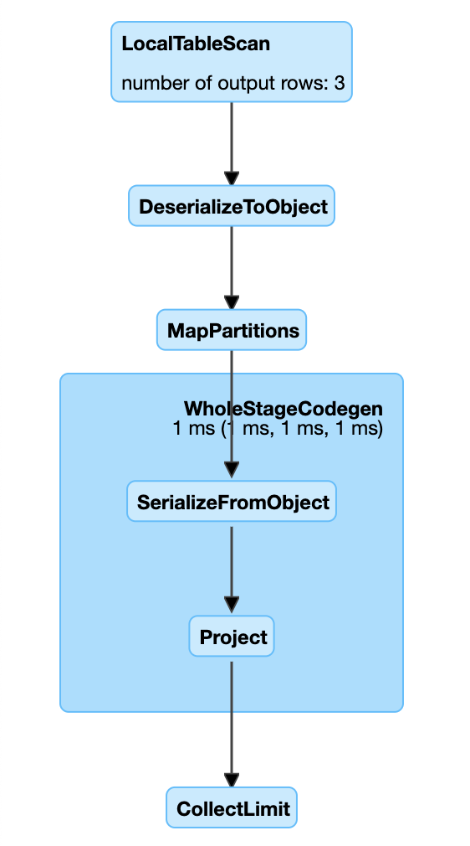 | val testdf = Seq( ("Google", List("Chrome", "Gmail", "Drive", "Android", "YouTube")), ("Apple", List("iPhone", "iPad", "Mac", "Apple Music", "AirPods")), ("Samsung", List("Galaxy", "TV")) ).toDF("Company", "Products") val flatmappeddf = testdf.flatMap(x => x.getSeq[String](1).map((x.getString(0), _))).toDF("Company", "Product") flatmappeddf.show() flatmappeddf.explain(true)
countByKey | NA | "(1) MapPartitionsRDD[1] at map at SparkJoins.scala:117 [] | ParallelCollectionRDD[0] at makeRDD at SparkJoins.scala:116 []" | 1 job because there is only one action | 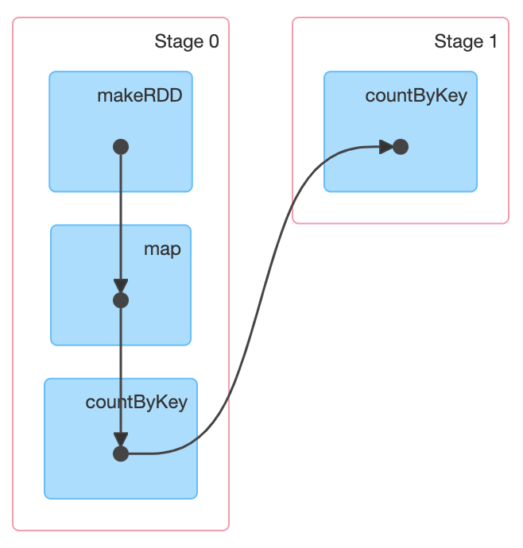 2 stages. In the first stage it does the map and also the countByKey. The second stage was created as countByKey() is an action. The stage 1 would have more DAG, if more transformations and actions are performed in it. A stage comprises of all the transformations till an action is occured Note: countByKey does not require a shuffle | 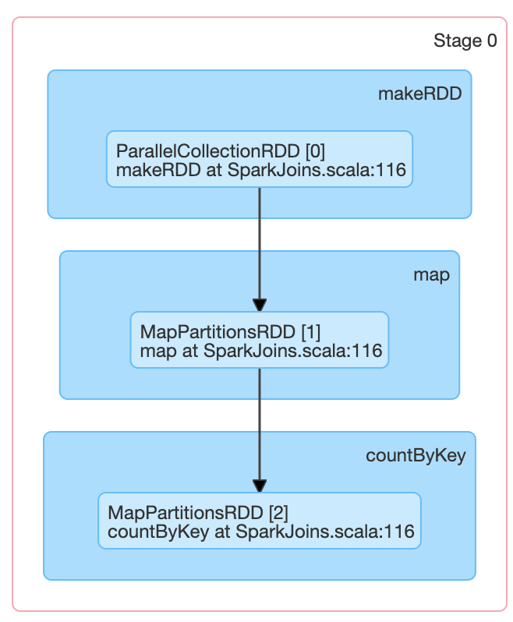 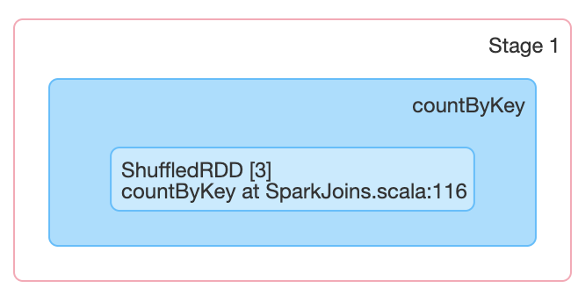 | val testrdd = sc.makeRDD(Seq(1, 2, 3, 1, 1, 5, 2, 3, 3, 4)) val rdd1 = testrdd.map(x => (x, 1)) val rdd2 = rdd1.countByKey() println(rdd1.toDebugString) rdd2.foreach(println)
reduceByKey | NA | "(1) ShuffledRDD[2] at reduceByKey at SparkJoins.scala:127 [] +-(1) MapPartitionsRDD[1] at map at SparkJoins.scala:126 [] | ParallelCollectionRDD[0] at makeRDD at SparkJoins.scala:125 []" | 1 job because there is only one action | 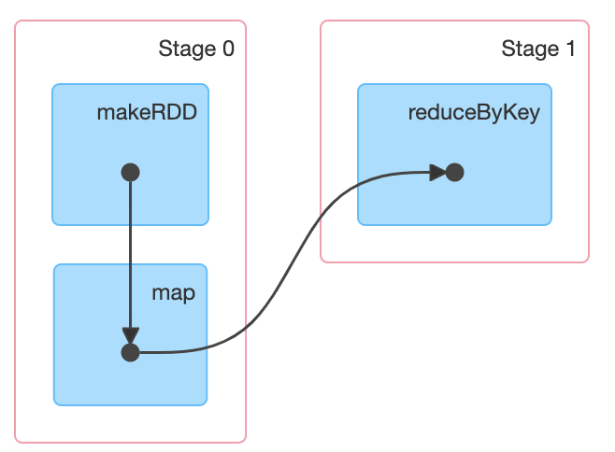 2 stages. In the first stage it does the map. The second stage was created as reduceByKey() is an action. Before the 2nd stage, a shuffle occurs | 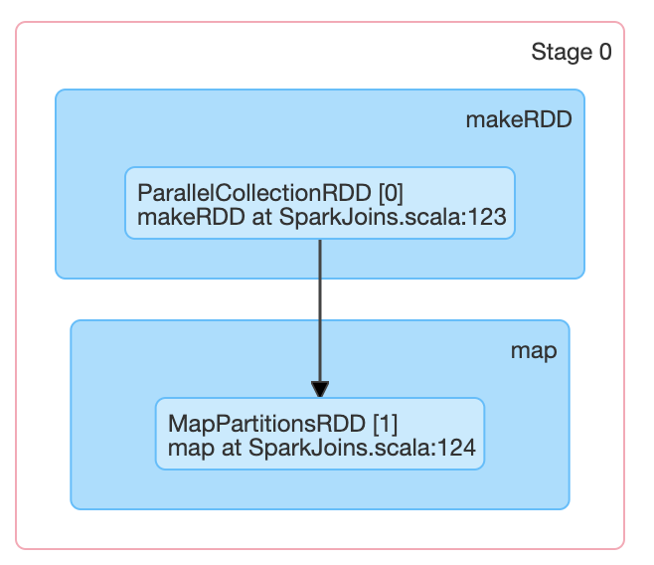 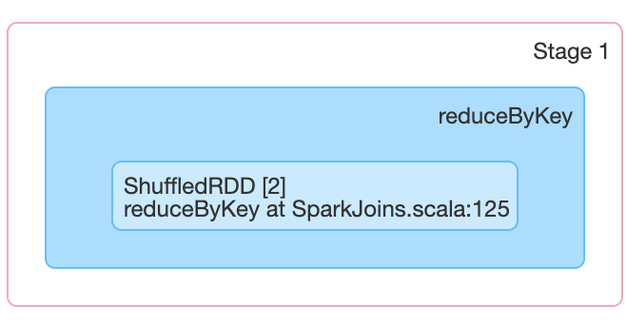 | val testrdd = sc.makeRDD(Seq(1, 2, 3, 1, 1, 5, 2, 3, 3, 4)) val mappedrdd = testrdd.map(x => (x, 1)) val reducedrdd = mappedrdd.reduceByKey(_ + _) println(reducedrdd.toDebugString) reducedrdd.collect.foreach(println)
aggregateByKey | NA | "(1) ShuffledRDD[2] at aggregateByKey at SparkJoins.scala:136 [] +-(1) MapPartitionsRDD[1] at map at SparkJoins.scala:135 [] | ParallelCollectionRDD[0] at makeRDD at SparkJoins.scala:134 []" | 1 job because there is only one action | 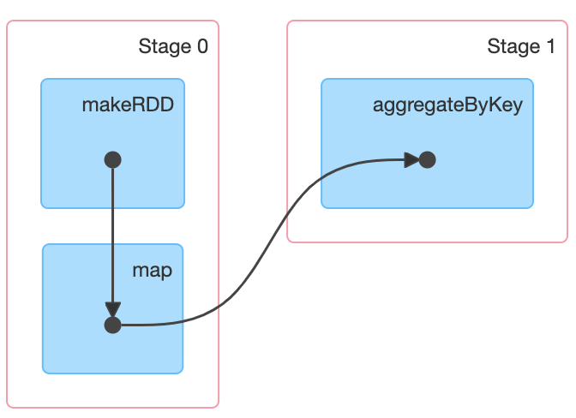 2 stages. In the first stage it does the map. The second stage was created as aggregateByKey() is an action. Before the 2nd stage, a shuffle occurs | 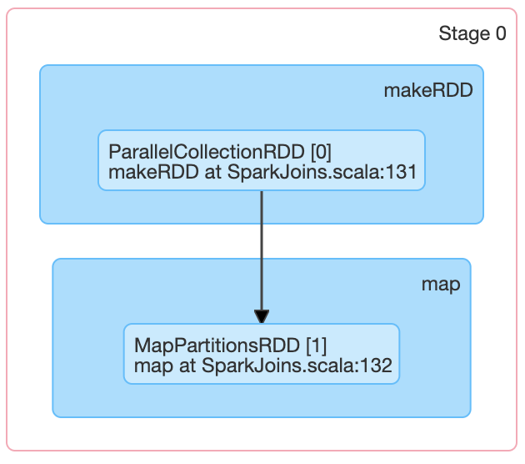 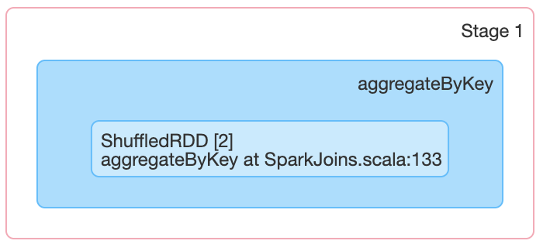 | val testrdd = sc.makeRDD(Seq(1, 2, 3, 1, 1, 5, 2, 3, 3, 4)) val mappedrdd = testrdd.map(x => (x, 1)) val aggregatedrdd = mappedrdd.aggregateByKey(0)(_ + _, _ + _) println(aggregatedrdd.toDebugString) aggregatedrdd.collect.foreach(println)
combineByKey | NA | "(1) ShuffledRDD[3] at combineByKey at SparkJoins.scala:146 [] +-(1) ZippedPartitionsRDD2[2] at zip at SparkJoins.scala:145 [] | ParallelCollectionRDD[1] at makeRDD at SparkJoins.scala:144 [] | ParallelCollectionRDD[0] at makeRDD at SparkJoins.scala:143 []" |  |  | 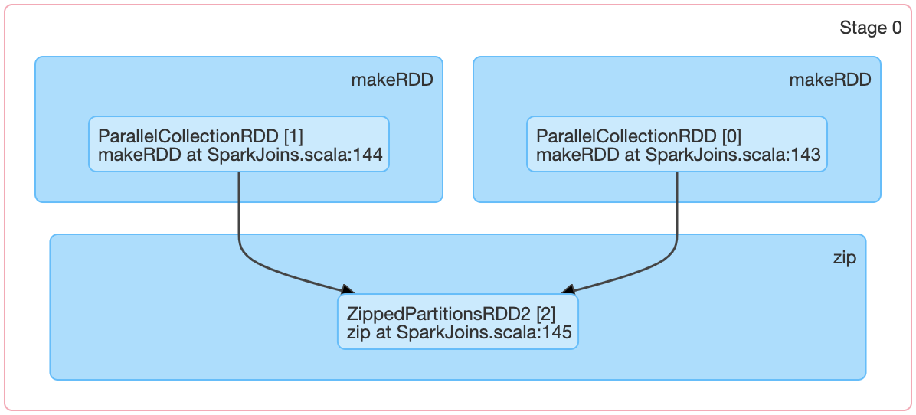 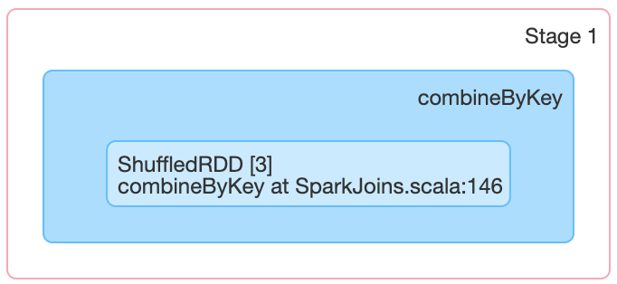 | val rdd1 = sc.makeRDD(List("dog", "cat", "salmon", "python", "wolf", "bear", "turtle", "bee")) val rdd2 = sc.makeRDD(List(1, 1, 2, 3, 1, 1, 2, 4)) val rdd3 = rdd2.zip(rdd1) val combinedrdd = rdd3.combineByKey(List(_), (x: List[String], y: String) => y :: x, (x: List[String], y: List[String]) => x ::: y) println(combinedrdd.toDebugString) combinedrdd.collect.foreach(println)
shuffling | Which job shuffling will come? The Spark SQL shuffle is a mechanism for redistributing or re-partitioning data so that the data grouped differently across partitions Shuffling is a mechanism Spark uses to redistribute the data across different executors and even across machines. Shuffle is an expensive operation since it involves the following - Disk I/O - Involves data serialization and deserialization - Network I/O Spark RDD triggers shuffle for several operations like repartition(), coalesce(), groupByKey(), reduceByKey(), cogroup() and join() | NA | NA | NA | NA | NA

