smartmanhole_site_survey
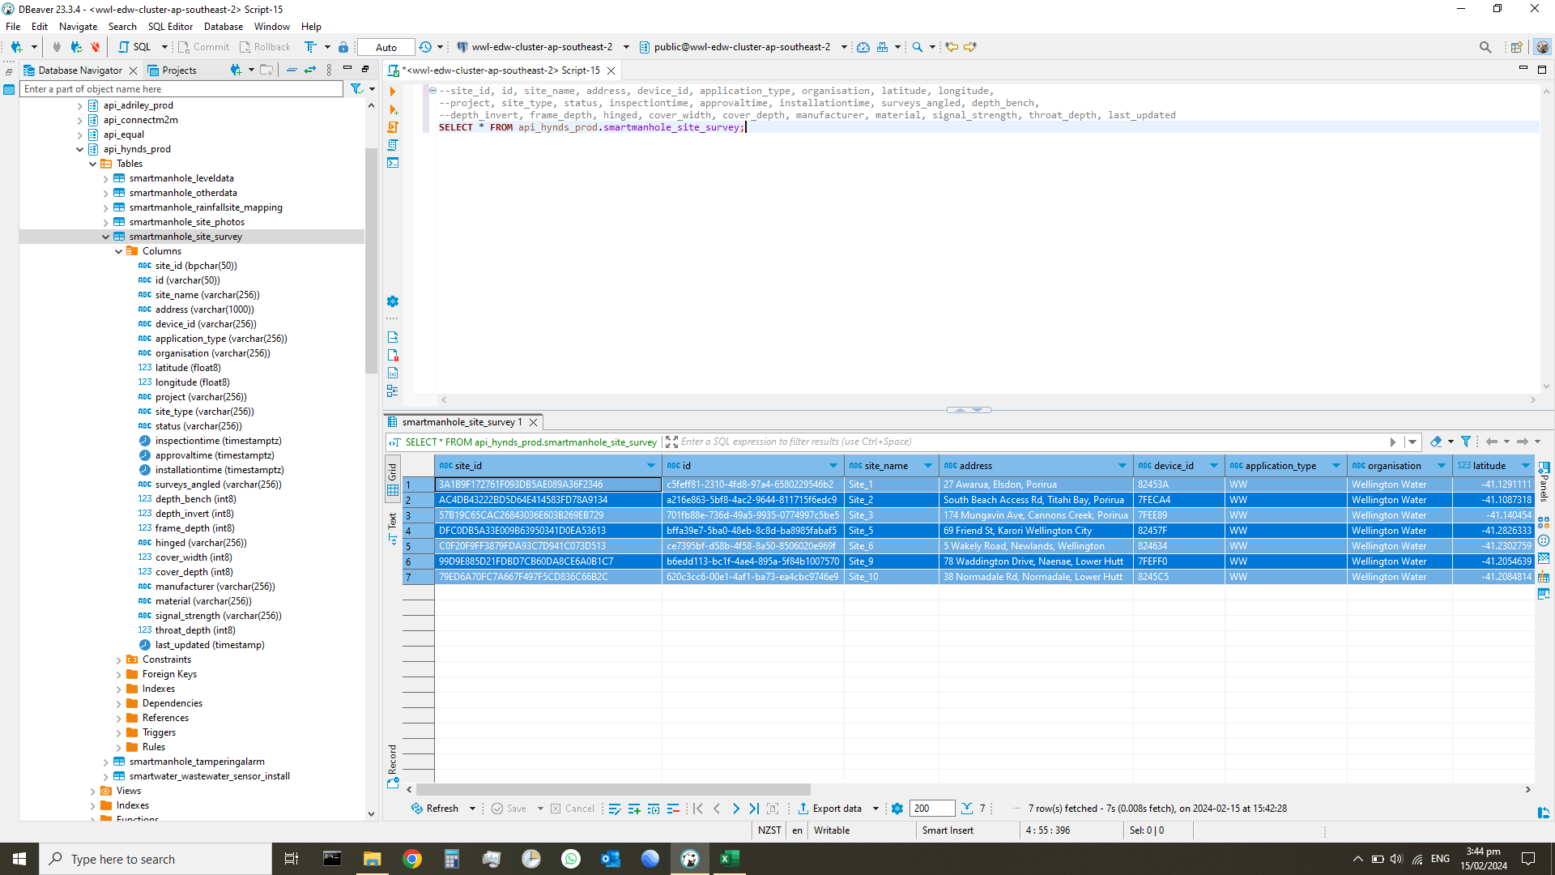
site_id | id | site_name | address | device_id | application_type | organisation | latitude | longitude | project | site_type | status | inspectiontime | approvaltime | installationtime | surveys_angled | depth_bench | depth_invert | frame_depth | hinged | cover_width | cover_depth | manufacturer | material | signal_strength | throat_depth | last_updated
3A1B9F172761F093DB5AE089A36F2346 | c5feff81-2310-4fd8-97a4-6580229546b2 | Site_1 | 27 Awarua, Elsdon, Porirua | 82453A | WW | Wellington Water | -41.1291111 | 174.8321283 | Drainage Investigations | MH | installed | 2022-01-27 12:46:15.000 +1300 | 2022-01-28 11:19:15.000 +1300 | 2022-02-09 10:59:48.000 +1300 | FALSE | 1030 | 1600 | 90 | FALSE | 540 | 15 | Lowes | Cast iron | No Reading Provided | 280 | 2022-03-23 12:30:47
AC4DB43222BD5D64E414583FD78A9134 | a216e863-5bf8-4ac2-9644-811715f6edc9 | Site_2 | South Beach Access Rd, Titahi Bay, Porirua | 7FECA4 | WW | Wellington Water | -41.1087318 | 174.8326987 | Drainage Investigations | MH | installed | 2022-01-27 12:51:10.000 +1300 | 2022-01-28 11:26:18.000 +1300 | 2022-02-09 14:35:53.000 +1300 | FALSE | 514 | 752 | 100 | FALSE | 530 | 10 | Fisher | Cast iron | No Reading Provided | 330 | 2022-04-01 17:08:04
57B19C65CAC26843036E603B269EB729 | 701fb88e-736d-49a5-9935-0774997c5be5 | Site_3 | 174 Mungavin Ave, Cannons Creek, Porirua | 7FEE89 | WW | Wellington Water | -41.140454 | 174.8604658 | Drainage Investigations | MH | installed | 2022-01-27 10:35:01.000 +1300 | 2022-01-28 11:29:56.000 +1300 | 2022-02-09 13:53:21.000 +1300 | FALSE | 3000 | 3430 | 60 | TRUE | 670 | 10 | Maestro | Cast Iron | No Reading Provided | 300 | 2022-04-01 17:08:33
DFC0DB5A33E009B63950341D0EA53613 | bffa39e7-5ba0-48eb-8c8d-ba8985fabaf5 | Site_5 | 69 Friend St, Karori Wellington City | 82457F | WW | Wellington Water | -41.2826333 | 174.7379376 | Drainage Investigations | MH | installed | 2022-01-27 12:55:49.000 +1300 | 2022-01-28 11:37:18.000 +1300 | 2022-02-14 14:23:13.000 +1300 | FALSE | 790 | 1250 | 100 | FALSE | 660 | 15 | Martins | Cast iron | No Reading Provided | 420 | 2022-04-01 17:09:25
C0F20F9FF3879FDA93C7D941C073D513 | ce7395bf-d58b-4f58-8a50-8506020e969f | Site_6 | 5 Wakely Road, Newlands, Wellington | 824634 | WW | Wellington Water | -41.2302759 | 174.8181408 | Drainage Investigations | MH | installed | 2022-01-27 13:07:15.000 +1300 | 2022-01-28 11:42:36.000 +1300 | 2022-02-25 11:55:47.000 +1300 | FALSE | 530 | 635 | 60 | FALSE | 665 | 15 | Unknown | Cast iron | No Reading Provided | 635 | 2022-04-01 17:10:42
99D9E885D21FDBD7CB60DA8CE6A0B1C7 | b6edd113-bc1f-4ae4-895a-5f84b1007570 | Site_9 | 78 Waddington Drive, Naenae, Lower Hutt | 7FEFF0 | WW | Wellington Water | -41.2054639 | 174.9467772 | Drainage Investigations | MH | installed | 2022-01-27 12:43:22.000 +1300 | 2022-01-28 11:47:12.000 +1300 | 2022-02-14 15:36:17.000 +1300 | FALSE | 726 | 1575 | 100 | TRUE | 670 | 10 | Maestro | Cast iron | No Reading Provided | 265 | 2022-04-01 17:11:03
79ED6A70FC7A667F497F5CD836C66B2C | 620c3cc6-00e1-4af1-ba73-ea4cbc9746e9 | Site_10 | 38 Normadale Rd, Normadale, Lower Hutt | 8245C5 | WW | Wellington Water | -41.2084814 | 174.8936044 | Drainage Investigations | MH | installed | 2022-01-27 10:44:24.000 +1300 | 2022-01-28 11:58:29.000 +1300 | 2022-02-15 12:51:13.000 +1300 | FALSE | 1610 | 2300 | 100 | FALSE | 550 | 15 | Lowes | Cast iron | No Reading Provided | 300 | 2022-04-01 17:11:38

smartmanhole_rainfallsite_mappi
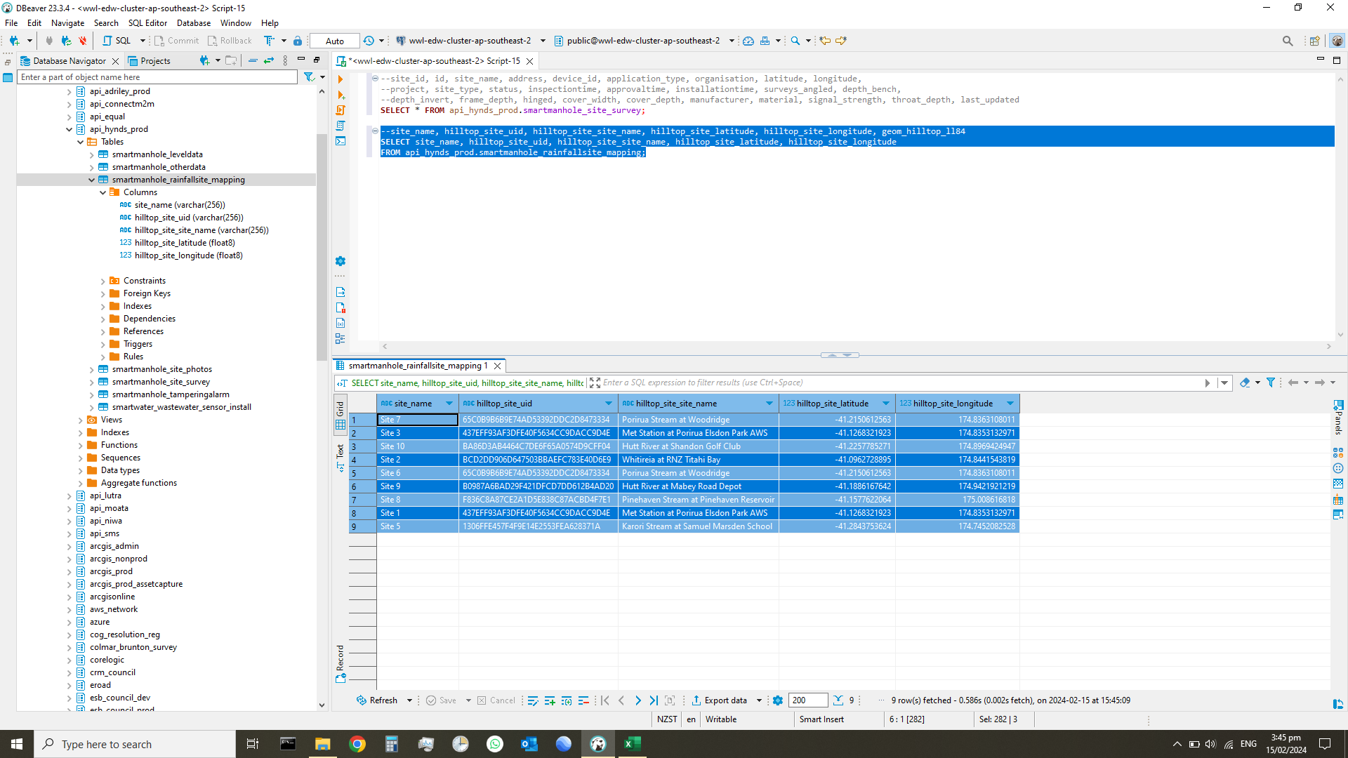
site_name | hilltop_site_uid | hilltop_site_site_name | hilltop_site_latitude | hilltop_site_longitude
Site 7 | 65C0B9B6B9E74AD53392DDC2D8473334 | Porirua Stream at Woodridge | -41.215061256 | 174.8363108
Site 3 | 437EFF93AF3DFE40F5634CC9DACC9D4E | Met Station at Porirua Elsdon Park AWS | -41.126832192 | 174.8353133
Site 10 | BA86D3AB4464C7DE6F65A0574D9CFF04 | Hutt River at Shandon Golf Club | -41.225778527 | 174.89694249
Site 2 | BCD2DD906D647503BBAEFC783E40D6E9 | Whitireia at RNZ Titahi Bay | -41.096272889 | 174.84415438
Site 6 | 65C0B9B6B9E74AD53392DDC2D8473334 | Porirua Stream at Woodridge | -41.215061256 | 174.8363108
Site 9 | B0987A6BAD29F421DFCD7DD612B4AD20 | Hutt River at Mabey Road Depot | -41.188616764 | 174.94219212
Site 8 | F836C8A87CE2A1D5E838C87ACBD4F7E1 | Pinehaven Stream at Pinehaven Reservoir | -41.157762206 | 175.00861682
Site 1 | 437EFF93AF3DFE40F5634CC9DACC9D4E | Met Station at Porirua Elsdon Park AWS | -41.126832192 | 174.8353133
Site 5 | 1306FFE457F4F9E14E2553FEA628371A | Karori Stream at Samuel Marsden School | -41.284375362 | 174.74520825

smartmanhole_leveldata
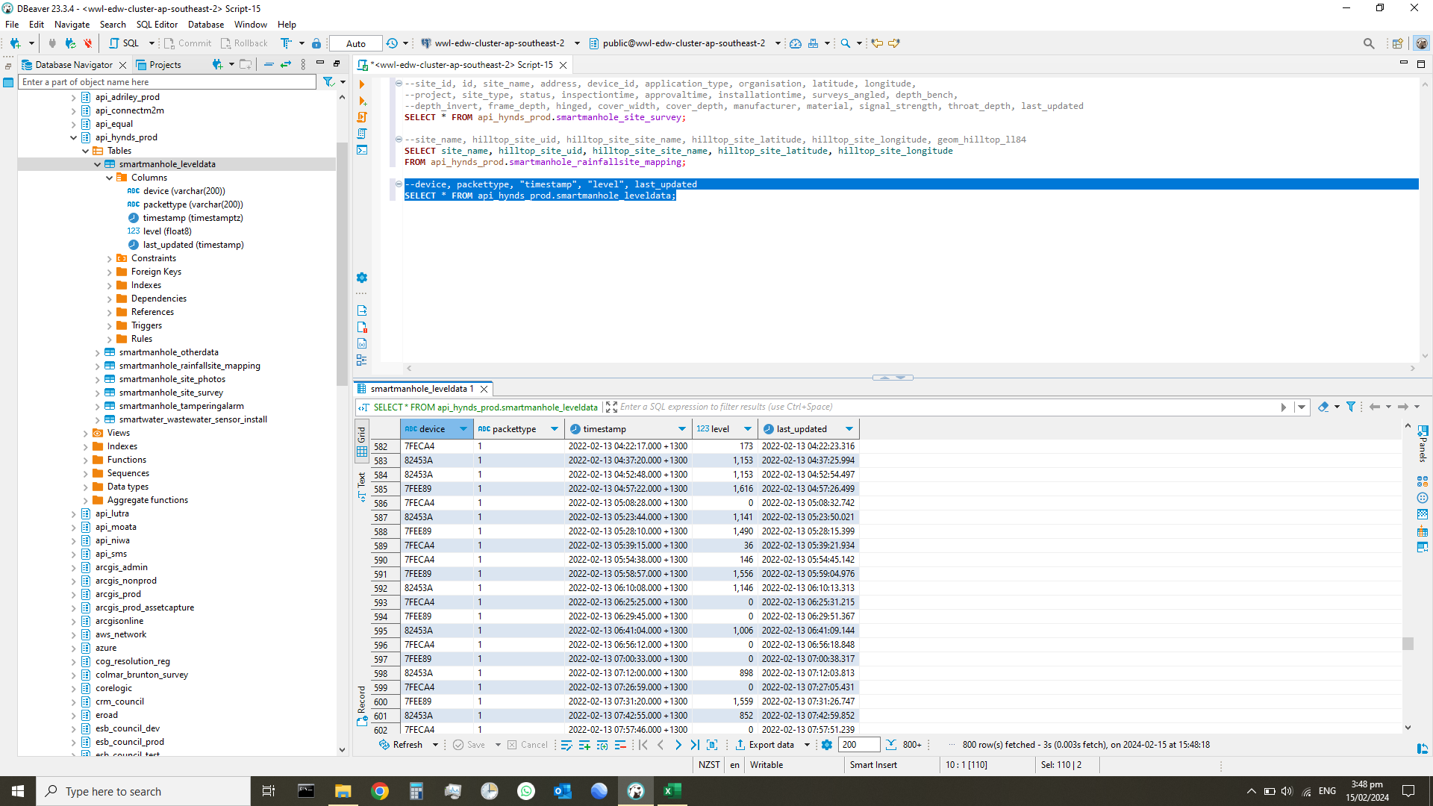
device | packettype | timestamp | level | last_updated
82453A | 1 | 2022-02-09 13:39:55.000 +1300 | 0 | 2/9/22
82453A | 1 | 2022-02-09 14:11:09.000 +1300 | 0 | 2/9/22
82453A | 1 | 2022-02-09 14:42:26.000 +1300 | 0 | 2/9/22
82453A | 1 | 2022-02-09 15:13:47.000 +1300 | 0 | 2/9/22
82453A | 1 | 2022-02-09 15:45:06.000 +1300 | 0 | 2/9/22
82453A | 1 | 2022-02-09 16:16:25.000 +1300 | 0 | 2/9/22
82453A | 1 | 2022-02-09 16:47:43.000 +1300 | 0 | 2/9/22
82453A | 1 | 2022-02-09 17:19:02.000 +1300 | 0 | 2/9/22
82453A | 1 | 2022-02-09 17:50:19.000 +1300 | 0 | 2/9/22
82453A | 1 | 2022-02-09 18:21:34.000 +1300 | 0 | 2/9/22
82453A | 1 | 2022-02-09 18:52:47.000 +1300 | 0 | 2/9/22
82453A | 1 | 2022-02-09 19:23:57.000 +1300 | 0 | 2/9/22
82453A | 1 | 2022-02-09 19:55:06.000 +1300 | 0 | 2/9/22
82453A | 1 | 2022-02-09 20:26:11.000 +1300 | 0 | 2/9/22
82453A | 1 | 2022-02-09 20:57:15.000 +1300 | 0 | 2/9/22
82453A | 1 | 2022-02-09 21:28:17.000 +1300 | 0 | 2/9/22
82453A | 1 | 2022-02-09 21:59:18.000 +1300 | 0 | 2/9/22
82453A | 1 | 2022-02-09 22:30:20.000 +1300 | 0 | 2/9/22
82453A | 1 | 2022-02-09 23:01:20.000 +1300 | 0 | 2/9/22
82453A | 1 | 2022-02-09 23:32:22.000 +1300 | 0 | 2/9/22
82453A | 1 | 2022-02-10 00:03:22.000 +1300 | 0 | 2/10/22
82453A | 1 | 2022-02-10 00:34:23.000 +1300 | 0 | 2/10/22
82453A | 1 | 2022-02-10 01:05:25.000 +1300 | 0 | 2/10/22
82453A | 1 | 2022-02-10 01:36:26.000 +1300 | 0 | 2/10/22
82453A | 1 | 2022-02-10 02:07:27.000 +1300 | 0 | 2/10/22
82453A | 1 | 2022-02-10 02:53:59.000 +1300 | 0 | 2/10/22
82453A | 1 | 2022-02-10 03:25:01.000 +1300 | 0 | 2/10/22
82453A | 1 | 2022-02-10 03:56:03.000 +1300 | 0 | 2/10/22
82453A | 1 | 2022-02-10 04:27:04.000 +1300 | 0 | 2/10/22
82453A | 1 | 2022-02-10 04:58:05.000 +1300 | 0 | 2/10/22
82453A | 1 | 2022-02-10 05:29:06.000 +1300 | 0 | 2/10/22
82453A | 1 | 2022-02-10 06:00:07.000 +1300 | 0 | 2/10/22
82453A | 1 | 2022-02-10 06:31:09.000 +1300 | 0 | 2/10/22
82453A | 1 | 2022-02-10 07:02:09.000 +1300 | 0 | 2/10/22
82453A | 1 | 2022-02-10 07:33:09.000 +1300 | 0 | 2/10/22
82453A | 1 | 2022-02-10 08:04:10.000 +1300 | 0 | 2/10/22
82453A | 1 | 2022-02-10 08:35:12.000 +1300 | 0 | 2/10/22
7FECA4 | 1 | 2022-02-10 09:14:32.000 +1300 | 0 | 2/10/22
7FECA4 | 1 | 2022-02-10 09:29:57.000 +1300 | 0 | 2/10/22
7FEE89 | 1 | 2022-02-10 09:48:27.000 +1300 | 0 | 2/10/22
7FECA4 | 1 | 2022-02-10 10:00:49.000 +1300 | 0 | 2/10/22
82453A | 1 | 2022-02-10 10:08:19.000 +1300 | 0 | 2/10/22
7FEE89 | 1 | 2022-02-10 10:19:22.000 +1300 | 0 | 2/10/22
7FECA4 | 1 | 2022-02-10 10:31:42.000 +1300 | 0 | 2/10/22
82453A | 1 | 2022-02-10 10:39:27.000 +1300 | 0 | 2/10/22
82453A | 1 | 2022-02-10 10:54:58.000 +1300 | 0 | 2/10/22
7FEE89 | 1 | 2022-02-10 11:05:42.000 +1300 | 0 | 2/10/22
7FECA4 | 1 | 2022-02-10 11:18:03.000 +1300 | 0 | 2/10/22
82453A | 1 | 2022-02-10 11:26:04.000 +1300 | 0 | 2/10/22
7FEE89 | 1 | 2022-02-10 11:36:37.000 +1300 | 0 | 2/10/22
7FEE89 | 1 | 2022-02-10 11:52:05.000 +1300 | 0 | 2/10/22
7FECA4 | 1 | 2022-02-10 12:04:26.000 +1300 | 0 | 2/10/22
82453A | 1 | 2022-02-10 12:12:46.000 +1300 | 0 | 2/10/22
7FEE89 | 1 | 2022-02-10 12:23:02.000 +1300 | 0 | 2/10/22
7FECA4 | 1 | 2022-02-10 12:35:22.000 +1300 | 0 | 2/10/22
82453A | 1 | 2022-02-10 12:44:35.000 +1300 | 0 | 2/10/22
7FEE89 | 1 | 2022-02-10 12:53:59.000 +1300 | 0 | 2/10/22
7FECA4 | 1 | 2022-02-10 13:06:18.000 +1300 | 0 | 2/10/22
82453A | 1 | 2022-02-10 13:15:44.000 +1300 | 0 | 2/10/22
7FEE89 | 1 | 2022-02-10 13:24:57.000 +1300 | 0 | 2/10/22
7FECA4 | 1 | 2022-02-10 13:37:15.000 +1300 | 0 | 2/10/22
82453A | 1 | 2022-02-10 13:46:53.000 +1300 | 0 | 2/10/22
7FEE89 | 1 | 2022-02-10 13:55:55.000 +1300 | 0 | 2/10/22
7FECA4 | 1 | 2022-02-10 14:08:12.000 +1300 | 0 | 2/10/22
82453A | 1 | 2022-02-10 14:18:02.000 +1300 | 0 | 2/10/22
7FEE89 | 1 | 2022-02-10 14:26:53.000 +1300 | 0 | 2/10/22
7FECA4 | 1 | 2022-02-10 14:39:10.000 +1300 | 0 | 2/10/22
82453A | 1 | 2022-02-10 14:49:12.000 +1300 | 0 | 2/10/22
82453A | 1 | 2022-02-10 15:04:46.000 +1300 | 0 | 2/10/22
7FEE89 | 1 | 2022-02-10 15:14:03.000 +1300 | 0 | 2/10/22
7FECA4 | 1 | 2022-02-10 15:25:35.000 +1300 | 0 | 2/10/22
82453A | 1 | 2022-02-10 15:35:55.000 +1300 | 0 | 2/10/22
7FEE89 | 1 | 2022-02-10 15:44:59.000 +1300 | 0 | 2/10/22
7FEE89 | 1 | 2022-02-10 16:00:28.000 +1300 | 0 | 2/10/22
7FECA4 | 1 | 2022-02-10 16:12:40.000 +1300 | 0 | 2/10/22
82453A | 1 | 2022-02-10 16:22:39.000 +1300 | 0 | 2/10/22
7FEE89 | 1 | 2022-02-10 16:31:26.000 +1300 | 0 | 2/10/22
7FECA4 | 1 | 2022-02-10 16:43:36.000 +1300 | 0 | 2/10/22
82453A | 1 | 2022-02-10 16:53:49.000 +1300 | 0 | 2/10/22
7FEE89 | 1 | 2022-02-10 17:02:23.000 +1300 | 0 | 2/10/22
7FECA4 | 1 | 2022-02-10 17:14:32.000 +1300 | 0 | 2/10/22
82453A | 1 | 2022-02-10 17:24:57.000 +1300 | 0 | 2/10/22
7FEE89 | 1 | 2022-02-10 17:33:20.000 +1300 | 0 | 2/10/22
7FECA4 | 1 | 2022-02-10 17:45:27.000 +1300 | 0 | 2/10/22
82453A | 1 | 2022-02-10 17:56:05.000 +1300 | 0 | 2/10/22
7FEE89 | 1 | 2022-02-10 18:04:15.000 +1300 | 0 | 2/10/22
7FECA4 | 1 | 2022-02-10 18:16:22.000 +1300 | 0 | 2/10/22
82453A | 1 | 2022-02-10 18:27:13.000 +1300 | 0 | 2/10/22
7FEE89 | 1 | 2022-02-10 18:35:10.000 +1300 | 0 | 2/10/22
7FECA4 | 1 | 2022-02-10 18:47:17.000 +1300 | 0 | 2/10/22
82453A | 1 | 2022-02-10 18:58:18.000 +1300 | 0 | 2/10/22
7FEE89 | 1 | 2022-02-10 19:06:04.000 +1300 | 0 | 2/10/22
7FECA4 | 1 | 2022-02-10 19:18:11.000 +1300 | 0 | 2/10/22
82453A | 1 | 2022-02-10 19:29:23.000 +1300 | 0 | 2/10/22
7FEE89 | 1 | 2022-02-10 19:36:58.000 +1300 | 0 | 2/10/22
7FECA4 | 1 | 2022-02-10 19:49:04.000 +1300 | 0 | 2/10/22
82453A | 1 | 2022-02-10 20:00:29.000 +1300 | 0 | 2/10/22
7FEE89 | 1 | 2022-02-10 20:07:53.000 +1300 | 0 | 2/10/22
7FECA4 | 1 | 2022-02-10 20:19:57.000 +1300 | 0 | 2/10/22
82453A | 1 | 2022-02-10 20:31:32.000 +1300 | 0 | 2/10/22
7FEE89 | 1 | 2022-02-10 20:38:45.000 +1300 | 0 | 2/10/22
7FECA4 | 1 | 2022-02-10 20:50:49.000 +1300 | 0 | 2/10/22
82453A | 1 | 2022-02-10 21:02:34.000 +1300 | 0 | 2/10/22
7FEE89 | 1 | 2022-02-10 21:09:38.000 +1300 | 0 | 2/10/22
7FECA4 | 1 | 2022-02-10 21:21:40.000 +1300 | 0 | 2/10/22
82453A | 1 | 2022-02-10 21:33:36.000 +1300 | 0 | 2/10/22
7FEE89 | 1 | 2022-02-10 21:40:29.000 +1300 | 0 | 2/10/22
7FECA4 | 1 | 2022-02-10 21:52:32.000 +1300 | 0 | 2/10/22
82453A | 1 | 2022-02-10 22:04:38.000 +1300 | 0 | 2/10/22
7FEE89 | 1 | 2022-02-10 22:11:21.000 +1300 | 0 | 2/10/22
7FECA4 | 1 | 2022-02-10 22:23:22.000 +1300 | 0 | 2/10/22
82453A | 1 | 2022-02-10 22:35:40.000 +1300 | 0 | 2/10/22
7FEE89 | 1 | 2022-02-10 22:42:11.000 +1300 | 0 | 2/10/22
7FECA4 | 1 | 2022-02-10 22:54:13.000 +1300 | 0 | 2/10/22
82453A | 1 | 2022-02-10 23:06:42.000 +1300 | 0 | 2/10/22
7FEE89 | 1 | 2022-02-10 23:13:03.000 +1300 | 0 | 2/10/22
7FECA4 | 1 | 2022-02-10 23:25:04.000 +1300 | 0 | 2/10/22
82453A | 1 | 2022-02-10 23:37:44.000 +1300 | 0 | 2/10/22
7FEE89 | 1 | 2022-02-10 23:43:54.000 +1300 | 0 | 2/10/22
7FECA4 | 1 | 2022-02-10 23:55:55.000 +1300 | 0 | 2/10/22
82453A | 1 | 2022-02-11 00:08:44.000 +1300 | 0 | 2/11/22
7FEE89 | 1 | 2022-02-11 00:14:47.000 +1300 | 0 | 2/11/22
7FECA4 | 1 | 2022-02-11 00:26:46.000 +1300 | 0 | 2/11/22
82453A | 1 | 2022-02-11 00:39:46.000 +1300 | 0 | 2/11/22
7FEE89 | 1 | 2022-02-11 00:45:36.000 +1300 | 0 | 2/11/22
7FECA4 | 1 | 2022-02-11 00:57:37.000 +1300 | 0 | 2/11/22
82453A | 1 | 2022-02-11 01:10:48.000 +1300 | 0 | 2/11/22
7FEE89 | 1 | 2022-02-11 01:16:28.000 +1300 | 0 | 2/11/22
7FECA4 | 1 | 2022-02-11 01:28:28.000 +1300 | 0 | 2/11/22
82453A | 1 | 2022-02-11 01:41:48.000 +1300 | 0 | 2/11/22
7FEE89 | 1 | 2022-02-11 01:47:18.000 +1300 | 0 | 2/11/22
7FECA4 | 1 | 2022-02-11 01:59:19.000 +1300 | 0 | 2/11/22
82453A | 1 | 2022-02-11 02:12:49.000 +1300 | 0 | 2/11/22
7FEE89 | 1 | 2022-02-11 02:18:08.000 +1300 | 0 | 2/11/22
7FECA4 | 1 | 2022-02-11 02:30:10.000 +1300 | 0 | 2/11/22
82453A | 1 | 2022-02-11 02:43:52.000 +1300 | 0 | 2/11/22
82453A | 1 | 2022-02-11 02:59:21.000 +1300 | 0 | 2/11/22
7FEE89 | 1 | 2022-02-11 03:04:25.000 +1300 | 0 | 2/11/22
7FECA4 | 1 | 2022-02-11 03:16:26.000 +1300 | 0 | 2/11/22
82453A | 1 | 2022-02-11 03:30:22.000 +1300 | 0 | 2/11/22
7FEE89 | 1 | 2022-02-11 03:35:17.000 +1300 | 0 | 2/11/22
7FECA4 | 1 | 2022-02-11 03:47:17.000 +1300 | 0 | 2/11/22
82453A | 1 | 2022-02-11 04:01:24.000 +1300 | 0 | 2/11/22
7FEE89 | 1 | 2022-02-11 04:06:07.000 +1300 | 0 | 2/11/22
7FECA4 | 1 | 2022-02-11 04:18:08.000 +1300 | 0 | 2/11/22
82453A | 1 | 2022-02-11 04:32:25.000 +1300 | 0 | 2/11/22
7FEE89 | 1 | 2022-02-11 04:36:58.000 +1300 | 0 | 2/11/22
7FECA4 | 1 | 2022-02-11 04:48:59.000 +1300 | 0 | 2/11/22
82453A | 1 | 2022-02-11 05:03:27.000 +1300 | 0 | 2/11/22
7FEE89 | 1 | 2022-02-11 05:07:48.000 +1300 | 0 | 2/11/22
7FECA4 | 1 | 2022-02-11 05:19:50.000 +1300 | 0 | 2/11/22
82453A | 1 | 2022-02-11 05:34:29.000 +1300 | 0 | 2/11/22
7FEE89 | 1 | 2022-02-11 05:38:39.000 +1300 | 0 | 2/11/22
7FECA4 | 1 | 2022-02-11 05:50:41.000 +1300 | 0 | 2/11/22
82453A | 1 | 2022-02-11 06:05:30.000 +1300 | 0 | 2/11/22
82453A | 1 | 2022-02-11 06:21:00.000 +1300 | 0 | 2/11/22
7FEE89 | 1 | 2022-02-11 06:24:56.000 +1300 | 0 | 2/11/22
7FECA4 | 1 | 2022-02-11 06:36:57.000 +1300 | 0 | 2/11/22
7FEE89 | 1 | 2022-02-11 06:40:21.000 +1300 | 0 | 2/11/22
7FECA4 | 1 | 2022-02-11 06:52:22.000 +1300 | 0 | 2/11/22
82453A | 1 | 2022-02-11 07:07:32.000 +1300 | 0 | 2/11/22
7FEE89 | 1 | 2022-02-11 07:11:11.000 +1300 | 0 | 2/11/22
7FECA4 | 1 | 2022-02-11 07:23:13.000 +1300 | 0 | 2/11/22
82453A | 1 | 2022-02-11 07:38:33.000 +1300 | 0 | 2/11/22
7FEE89 | 1 | 2022-02-11 07:42:02.000 +1300 | 0 | 2/11/22
7FECA4 | 1 | 2022-02-11 07:54:03.000 +1300 | 0 | 2/11/22
7FECA4 | 1 | 2022-02-11 08:09:30.000 +1300 | 0 | 2/11/22
7FEE89 | 1 | 2022-02-11 08:12:52.000 +1300 | 0 | 2/11/22
82453A | 1 | 2022-02-11 08:25:04.000 +1300 | 0 | 2/11/22
7FECA4 | 1 | 2022-02-11 08:40:20.000 +1300 | 0 | 2/11/22
7FEE89 | 1 | 2022-02-11 08:43:43.000 +1300 | 0 | 2/11/22
82453A | 1 | 2022-02-11 08:56:05.000 +1300 | 0 | 2/11/22
7FECA4 | 1 | 2022-02-11 09:11:11.000 +1300 | 0 | 2/11/22
7FEE89 | 1 | 2022-02-11 09:14:33.000 +1300 | 0 | 2/11/22
82453A | 1 | 2022-02-11 09:27:06.000 +1300 | 0 | 2/11/22
7FECA4 | 1 | 2022-02-11 09:42:02.000 +1300 | 0 | 2/11/22
7FEE89 | 1 | 2022-02-11 09:45:24.000 +1300 | 0 | 2/11/22
82453A | 1 | 2022-02-11 09:58:07.000 +1300 | 0 | 2/11/22
7FECA4 | 1 | 2022-02-11 10:12:53.000 +1300 | 0 | 2/11/22
7FEE89 | 1 | 2022-02-11 10:16:17.000 +1300 | 0 | 2/11/22
82453A | 1 | 2022-02-11 10:29:10.000 +1300 | 0 | 2/11/22
7FECA4 | 1 | 2022-02-11 10:43:44.000 +1300 | 0 | 2/11/22
82453A | 1 | 2022-02-11 10:44:40.000 +1300 | 0 | 2/11/22
7FECA4 | 1 | 2022-02-11 10:59:10.000 +1300 | 0 | 2/11/22
7FEE89 | 1 | 2022-02-11 11:02:35.000 +1300 | 0 | 2/11/22
82453A | 1 | 2022-02-11 11:15:44.000 +1300 | 0 | 2/11/22
7FECA4 | 1 | 2022-02-11 11:30:02.000 +1300 | 0 | 2/11/22
7FEE89 | 1 | 2022-02-11 11:33:28.000 +1300 | 0 | 2/11/22
82453A | 1 | 2022-02-11 11:46:48.000 +1300 | 0 | 2/11/22
7FECA4 | 1 | 2022-02-11 12:00:54.000 +1300 | 0 | 2/11/22
7FEE89 | 1 | 2022-02-11 12:04:22.000 +1300 | 0 | 2/11/22
82453A | 1 | 2022-02-11 12:17:54.000 +1300 | 0 | 2/11/22
7FECA4 | 1 | 2022-02-11 12:31:48.000 +1300 | 0 | 2/11/22
7FEE89 | 1 | 2022-02-11 12:35:16.000 +1300 | 0 | 2/11/22
82453A | 1 | 2022-02-11 12:49:00.000 +1300 | 0 | 2/11/22
7FECA4 | 1 | 2022-02-11 13:02:41.000 +1300 | 0 | 2/11/22
7FEE89 | 1 | 2022-02-11 13:06:10.000 +1300 | 0 | 2/11/22
82453A | 1 | 2022-02-11 13:20:48.000 +1300 | 0 | 2/11/22
7FECA4 | 1 | 2022-02-11 13:33:34.000 +1300 | 0 | 2/11/22
7FECA4 | 1 | 2022-02-11 13:49:01.000 +1300 | 0 | 2/11/22

smartwater_wastewater_sensor_in
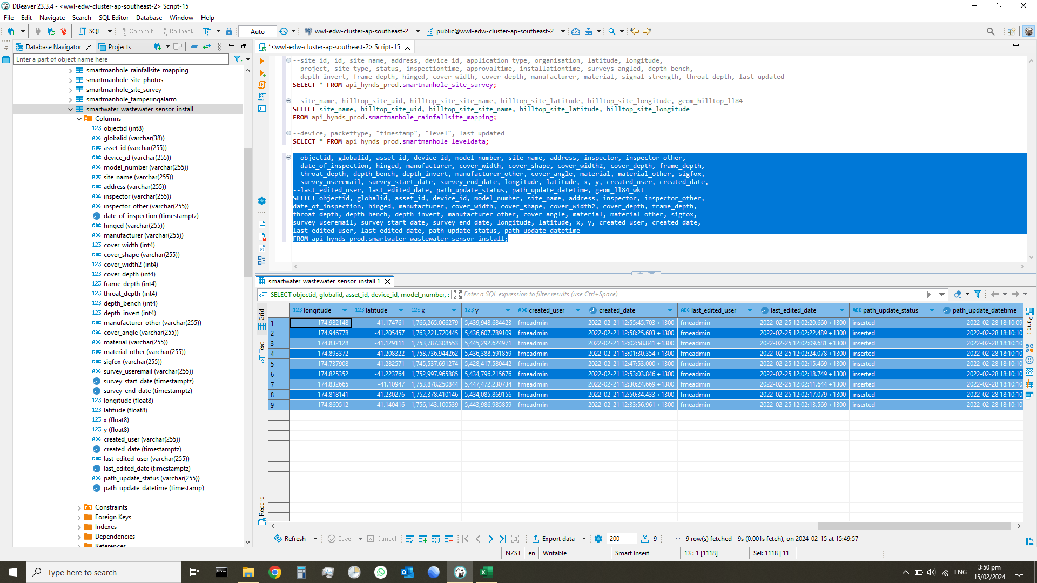
objectid | globalid | asset_id | device_id | model_number | site_name | address | inspector | inspector_other | date_of_inspection | hinged | manufacturer | cover_width | cover_shape | cover_width2 | cover_depth | frame_depth | throat_depth | depth_bench | depth_invert | manufacturer_other | cover_angle | material | material_other | sigfox | survey_useremail | survey_start_date | survey_end_date | longitude | latitude | x | y | created_user | created_date | last_edited_user | last_edited_date | path_update_status | path_update_datetime | stream_name
7 | {653C04E7-D3B7-407B-9629-8A799D3698F1} |  |  | IECEx ExTC 21.0016X | Site 8 | 215 Stokes Valley Road, Stokes Valley, Lower Hutt | raphael_canedo |  | 2022-02-03 18:53:00.000 +1300 | no | humes | 565 | triangle |  | 10 | 100 | 300 | 2185 | 2998 |  | horizontal | cast_iron |  | none |  |  |  | 174.982148 | -41.174761 | 1766265.0663 | 5439948.6844 | fmeadmin | 2022-02-21 12:55:45.703 +1300 | fmeadmin | 2022-02-25 12:02:20.660 +1300 | inserted | 2022-02-28 18:10:09 | bbnbvn
8 | {FAC57A0F-A3BF-455A-BED5-EED89802F3EB} |  | 7FEFF0 | IECEx ExTC 21.0016X | Site 9 | 78 Waddington Drive, Naenae, Lower Hutt | raphael_canedo |  | 2022-01-27 12:43:00.000 +1300 | yes | maestro | 670 | circular |  | 10 | 100 | 265 | 726 | 1575 |  | horizontal | cast_iron |  | none |  |  |  | 174.946778 | -41.205457 | 1763221.7204 | 5436607.7891 | fmeadmin | 2022-02-21 12:58:25.603 +1300 | fmeadmin | 2022-02-25 12:02:22.489 +1300 | inserted | 2022-02-28 18:10:10 | hynds.7FEFF0.Y
1 | {9E89B2AC-8B7A-4038-91AC-44E6EFC29044} |  | 82453A | IECEx ExTC 21.0016X | Site 1 | 27 Awarua Street, Elsdon, Porirua | raphael_canedo |  | 2022-01-27 12:46:00.000 +1300 | no | lowes | 540 | circular |  | 15 | 90 | 280 | 1030 | 1600 |  | horizontal | cast_iron |  | none |  |  |  | 174.832128 | -41.129111 | 1753787.3086 | 5445292.625 | fmeadmin | 2022-02-21 12:02:58.841 +1300 | fmeadmin | 2022-02-25 12:02:09.681 +1300 | inserted | 2022-02-28 18:10:10 | hynds.82453A.Y
9 | {CAEDF68E-7B48-4FA2-80E9-85D4A93E8CB1} |  | 8245C5 | IECEx ExTC 21.0016X | Site 10 | 38 Normandale Road, Normandale, Lower Hutt | raphael_canedo |  | 2022-01-27 13:00:00.000 +1300 | no | lowes | 550 | circular |  | 15 | 100 | 300 | 1610 | 2300 |  | horizontal | cast_iron |  | none |  |  |  | 174.893372 | -41.208322 | 1758736.9443 | 5436388.5919 | fmeadmin | 2022-02-21 13:01:30.354 +1300 | fmeadmin | 2022-02-25 12:02:24.078 +1300 | inserted | 2022-02-28 18:10:10 | hynds.8245C5.Y
4 | {D6A2B7AC-4AC4-425E-9206-3A0A4F7914A8} |  | 82457F | IECEx ExTC 21.0016X | Site 5 | 69 Friend Street, Karori | raphael_canedo |  | 2022-01-27 12:55:00.000 +1300 | yes | martins | 660 | circular |  | 15 | 100 | 420 | 790 | 1250 |  | horizontal | cast_iron |  | none |  |  |  | 174.737908 | -41.282571 | 1745537.6913 | 5428417.5804 | fmeadmin | 2022-02-21 12:47:53.000 +1300 | fmeadmin | 2022-02-25 12:02:15.469 +1300 | inserted | 2022-02-28 18:10:10 | hynds.82457F.Y
6 | {995E151C-BDB1-49DF-B191-E76285FFDE77} |  |  | IECEx ExTC 21.0016X | Site 7 | 102 Kenmore Street, Newlands, Wellington | raphael_canedo |  | 2022-01-27 13:02:00.000 +1300 | no | unknown | 555 |  |  | 15 | 90 | 420 | 375 | 780 |  | horizontal | cast_iron |  | none |  |  |  | 174.825352 | -41.223764 | 1752997.9659 | 5434796.2157 | fmeadmin | 2022-02-21 12:53:03.846 +1300 | fmeadmin | 2022-02-25 12:02:18.749 +1300 | inserted | 2022-02-28 18:10:10 | ffff
2 | {D7C2EA4A-436A-4C01-85C0-1318F492B5CE} |  | 7FECA4 | IECEx ExTC 21.0016X | Site 2 | South Beach Access Road, Titahi Bay, Porirua | raphael_canedo |  | 2022-01-27 12:51:00.000 +1300 | no | fisher | 530 | circular |  | 10 | 100 | 330 | 514 | 752 |  | horizontal | cast_iron |  | none |  |  |  | 174.832665 | -41.10947 | 1753878.2508 | 5447472.2307 | fmeadmin | 2022-02-21 12:30:24.669 +1300 | fmeadmin | 2022-02-25 12:02:11.644 +1300 | inserted | 2022-02-28 18:10:10 | hynds.7FECA4.Y
5 | {A301349E-D33E-4835-873A-D8A5D1BBE712} |  |  | IECEx ExTC 21.0016X | Site 6 | 5 Wakely Road, Newlands, Wellington | raphael_canedo |  | 2022-01-27 13:07:00.000 +1300 | no | unknown | 665 | circular |  | 15 | 60 | 635 | 530 | 635 |  | horizontal | cast_iron |  | none |  |  |  | 174.818141 | -41.230276 | 1752378.4101 | 5434085.8692 | fmeadmin | 2022-02-21 12:50:34.433 +1300 | fmeadmin | 2022-02-25 12:02:17.079 +1300 | inserted | 2022-02-28 18:10:10 | bnbnbvnbvb
3 | {159599DD-DCC1-4F25-B4C0-63CC23A216DA} |  | 7FEE89 | IECEx ExTC 21.0016X | Site 3 | 174 Mungavin Ave, Cannons Creek, Porirua | raphael_canedo |  | 2022-01-27 22:35:00.000 +1300 | yes | maestro | 670 | circular |  | 10 | 60 | 300 | 3000 | 3430 |  | horizontal | cast_iron |  | none |  |  |  | 174.860512 | -41.140416 | 1756143.1005 | 5443986.9859 | fmeadmin | 2022-02-21 12:33:56.961 +1300 | fmeadmin | 2022-02-25 12:02:13.569 +1300 | inserted | 2022-02-28 18:10:10 | hynds.7FEE89.Y

