moata_post_mapping_table
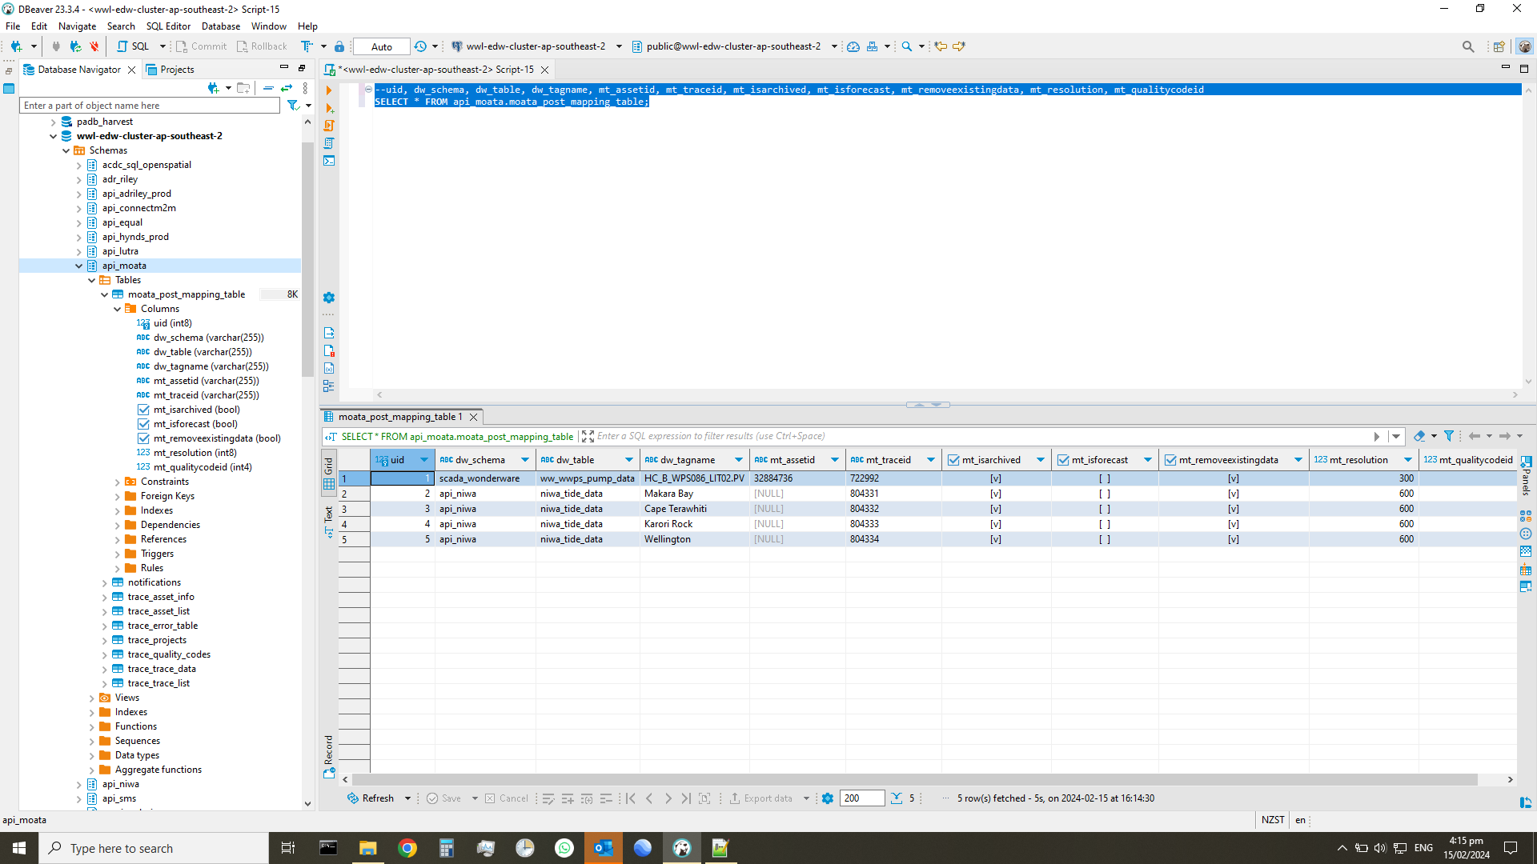

notifications
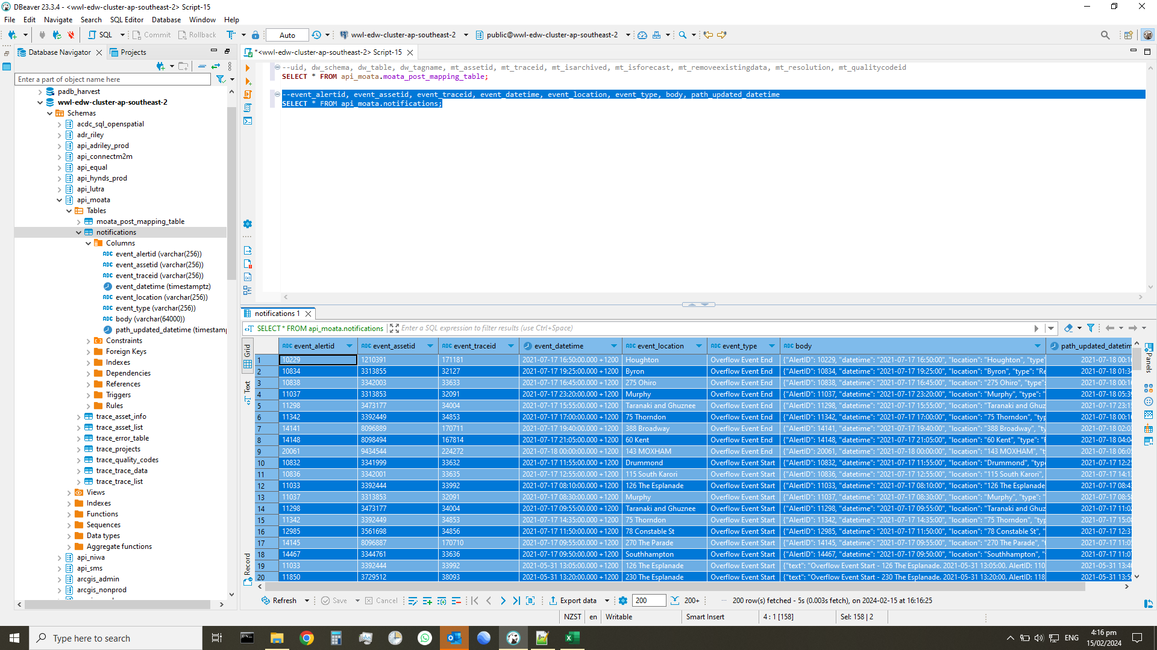
event_alertid | event_assetid | event_traceid | event_datetime | event_location | event_type | body | path_updated_datetime
10229 | 1210391 | 171181 | 2021-07-17 16:50:00.000 +1200 | Houghton | Overflow Event End | {"AlertID": 10229, "datetime": "2021-07-17 16:50:00", "location": "Houghton", "type": "Relief", "AssetID": 1210391, "TraceID": 171181} | 2021-07-18 00:16:27
10834 | 3313855 | 32127 | 2021-07-17 19:25:00.000 +1200 | Byron | Overflow Event End | {"AlertID": 10834, "datetime": "2021-07-17 19:25:00", "location": "Byron", "type": "Relief", "AssetID": 3313855, "TraceID": 32127} | 2021-07-18 01:34:01
10838 | 3342003 | 33633 | 2021-07-17 16:45:00.000 +1200 | 275 Ohiro | Overflow Event End | {"AlertID": 10838, "datetime": "2021-07-17 16:45:00", "location": "275 Ohiro", "type": "Relief", "AssetID": 3342003, "TraceID": 33633} | 2021-07-18 00:16:25
11037 | 3313853 | 32091 | 2021-07-17 23:20:00.000 +1200 | Murphy | Overflow Event End | {"AlertID": 11037, "datetime": "2021-07-17 23:20:00", "location": "Murphy", "type": "Relief", "AssetID": 3313853, "TraceID": 32091} | 2021-07-18 05:39:22
11298 | 3473177 | 34004 | 2021-07-17 15:55:00.000 +1200 | Taranaki and Ghuznee | Overflow Event End | {"AlertID": 11298, "datetime": "2021-07-17 15:55:00", "location": "Taranaki and Ghuznee", "type": "Relief", "AssetID": 3473177, "TraceID": 34004} | 2021-07-17 23:15:32
11342 | 3392449 | 34853 | 2021-07-17 17:00:00.000 +1200 | 75 Thorndon | Overflow Event End | {"AlertID": 11342, "datetime": "2021-07-17 17:00:00", "location": "75 Thorndon", "type": "Relief", "AssetID": 3392449, "TraceID": 34853} | 2021-07-18 00:16:32
14141 | 8096889 | 170711 | 2021-07-17 19:40:00.000 +1200 | 388 Broadway | Overflow Event End | {"AlertID": 14141, "datetime": "2021-07-17 19:40:00", "location": "388 Broadway", "type": "Relief", "AssetID": 8096889, "TraceID": 170711} | 2021-07-18 02:03:55
14148 | 8098494 | 167814 | 2021-07-17 21:05:00.000 +1200 | 60 Kent | Overflow Event End | {"AlertID": 14148, "datetime": "2021-07-17 21:05:00", "location": "60 Kent", "type": "Relief", "AssetID": 8098494, "TraceID": 167814} | 2021-07-18 04:04:08
20061 | 9434544 | 224272 | 2021-07-18 00:00:00.000 +1200 | 143 MOXHAM | Overflow Event End | {"AlertID": 20061, "datetime": "2021-07-18 00:00:00", "location": "143 MOXHAM", "type": "Relief", "AssetID": 9434544, "TraceID": 224272} | 2021-07-18 06:05:08
10832 | 3341999 | 33632 | 2021-07-17 11:55:00.000 +1200 | Drummond | Overflow Event Start | {"AlertID": 10832, "datetime": "2021-07-17 11:55:00", "location": "Drummond", "type": "Breach", "AssetID": 3341999, "TraceID": 33632} | 2021-07-17 12:25:01
10836 | 3342001 | 33635 | 2021-07-17 12:55:00.000 +1200 | 115 South Karori | Overflow Event Start | {"AlertID": 10836, "datetime": "2021-07-17 12:55:00", "location": "115 South Karori", "type": "Breach", "AssetID": 3342001, "TraceID": 33635} | 2021-07-17 14:13:55
11033 | 3392444 | 33992 | 2021-07-17 08:10:00.000 +1200 | 126 The Esplanade | Overflow Event Start | {"AlertID": 11033, "datetime": "2021-07-17 08:10:00", "location": "126 The Esplanade", "type": "Breach", "AssetID": 3392444, "TraceID": 33992} | 2021-07-17 08:43:11
11037 | 3313853 | 32091 | 2021-07-17 08:30:00.000 +1200 | Murphy | Overflow Event Start | {"AlertID": 11037, "datetime": "2021-07-17 08:30:00", "location": "Murphy", "type": "Breach", "AssetID": 3313853, "TraceID": 32091} | 2021-07-17 08:58:09
11298 | 3473177 | 34004 | 2021-07-17 09:55:00.000 +1200 | Taranaki and Ghuznee | Overflow Event Start | {"AlertID": 11298, "datetime": "2021-07-17 09:55:00", "location": "Taranaki and Ghuznee", "type": "Breach", "AssetID": 3473177, "TraceID": 34004} | 2021-07-17 11:02:04
11342 | 3392449 | 34853 | 2021-07-17 14:35:00.000 +1200 | 75 Thorndon | Overflow Event Start | {"AlertID": 11342, "datetime": "2021-07-17 14:35:00", "location": "75 Thorndon", "type": "Breach", "AssetID": 3392449, "TraceID": 34853} | 2021-07-17 15:08:02
12985 | 3561698 | 34856 | 2021-07-17 11:50:00.000 +1200 | 78 Constable St | Overflow Event Start | {"AlertID": 12985, "datetime": "2021-07-17 11:50:00", "location": "78 Constable St", "type": "Breach", "AssetID": 3561698, "TraceID": 34856} | 2021-07-17 12:31:01
14145 | 8096887 | 170710 | 2021-07-17 09:55:00.000 +1200 | 270 The Parade | Overflow Event Start | {"AlertID": 14145, "datetime": "2021-07-17 09:55:00", "location": "270 The Parade", "type": "Breach", "AssetID": 8096887, "TraceID": 170710} | 2021-07-17 11:05:01
14467 | 3344761 | 33636 | 2021-07-17 09:50:00.000 +1200 | Southhampton | Overflow Event Start | {"AlertID": 14467, "datetime": "2021-07-17 09:50:00", "location": "Southhampton", "type": "Breach", "AssetID": 3344761, "TraceID": 33636} | 2021-07-17 11:07:00
11033 | 3392444 | 33992 | 2021-05-31 13:05:00.000 +1200 | 126 The Esplanade | Overflow Event Start | {"text": "Overflow Event Start - 126 The Esplanade. 2021-05-31 13:05:00. AlertID: 11033"} | 2021-05-31 13:40:37
11850 | 3729512 | 38093 | 2021-05-31 13:20:00.000 +1200 | 230 The Esplanade | Overflow Event Start | {"text": "Overflow Event Start - 230 The Esplanade. 2021-05-31 13:20:00. AlertID: 11850"} | 2021-05-31 13:50:30
11850 | 3729512 | 38093 | 2021-06-21 03:15:00.000 +1200 | 230 The Esplanade | Overflow Event Start | {"text": "Overflow Event Start - 230 The Esplanade. 2021-06-21 03:15:00. AlertID: 11850"} | 2021-06-21 03:44:21
12985 | 3561698 | 34856 | 2021-03-31 23:30:00.000 +1300 | 78 Constable St | Overflow Event Start | {"text": "Overflow Event Start - 78 Constable St. 2021-03-31 23:30:00. AlertID: 12985"} | 2021-04-02 13:37:40
12985 | 3561698 | 34856 | 2021-05-31 12:15:00.000 +1200 | 78 Constable St | Overflow Event Start | {"text": "Overflow Event Start - 78 Constable St. 2021-05-31 12:15:00. AlertID: 12985"} | 2021-05-31 12:44:36
20061 | 9434544 | 224272 | 2021-03-31 20:20:00.000 +1300 | 143 MOXHAM | Overflow Event Start | {"text": "Overflow Event Start – 143 MOXHAM Start Time: 2021-03-31 20:20:00 Alert ID: 20061."} | 2021-04-02 13:37:40
20061 | 9434544 | 224272 | 2021-04-01 02:05:00.000 +1300 | 143 MOXHAM | Overflow Event End | {"text": "Overflow Event End – 143 MOXHAM End Time: 2021-04-01 02:05:00 Alert ID: 20061."} | 2021-04-02 13:37:40
20061 | 9434544 | 224272 | 2021-04-13 16:45:00.000 +1200 | 143 MOXHAM | Overflow Event End | {"text": "Overflow Event End – 143 MOXHAM End Time: 2021-04-13 16:45:00 Alert ID: 20061."} | 2021-04-13 23:01:15
20061 | 9434544 | 224272 | 2021-05-17 16:05:00.000 +1200 | 143 MOXHAM | Overflow Event End | {"text": "Overflow Event End – 143 MOXHAM End Time: 2021-05-17 16:05:00 Alert ID: 20061."} | 2021-05-17 23:02:58
20061 | 9434544 | 224272 | 2021-05-18 04:40:00.000 +1200 | 143 MOXHAM | Overflow Event End | {"text": "Overflow Event End – 143 MOXHAM End Time: 2021-05-18 04:40:00 Alert ID: 20061."} | 2021-05-18 11:11:44
20061 | 9434544 | 224272 | 2021-05-30 18:50:00.000 +1200 | 143 MOXHAM | Overflow Event End | {"text": "Overflow Event End – 143 MOXHAM End Time: 2021-05-30 18:50:00 Alert ID: 20061."} | 2021-05-31 01:04:25
20061 | 9434544 | 224272 | 2021-05-31 19:40:00.000 +1200 | 143 MOXHAM | Overflow Event End | {"text": "Overflow Event End – 143 MOXHAM End Time: 2021-05-31 19:40:00 Alert ID: 20061."} | 2021-06-01 02:01:35
20061 | 9434544 | 224272 | 2021-06-01 03:50:00.000 +1200 | 143 MOXHAM | Overflow Event End | {"text": "Overflow Event End – 143 MOXHAM End Time: 2021-06-01 03:50:00 Alert ID: 20061."} | 2021-06-01 10:02:26
20061 | 9434544 | 224272 | 2021-06-19 20:15:00.000 +1200 | 143 MOXHAM | Overflow Event End | {"text": "Overflow Event End – 143 MOXHAM End Time: 2021-06-19 20:15:00 Alert ID: 20061."} | 2021-06-20 03:01:51
20061 | 9434544 | 224272 | 2021-06-21 09:20:00.000 +1200 | 143 MOXHAM | Overflow Event End | {"text": "Overflow Event End – 143 MOXHAM End Time: 2021-06-21 09:20:00 Alert ID: 20061."} | 2021-06-21 16:03:50
20061 | 9434544 | 224272 | 2021-06-27 15:35:00.000 +1200 | 143 MOXHAM | Overflow Event End | {"text": "Overflow Event End – 143 MOXHAM End Time: 2021-06-27 15:35:00 Alert ID: 20061."} | 2021-06-27 22:02:50
11033 | 3392444 | 33992 | 2021-07-18 11:20:00.000 +1200 | 126 The Esplanade | Overflow Event End | {"AlertID": 11033, "datetime": "2021-07-18 11:20:00", "location": "126 The Esplanade", "type": "Relief", "AssetID": 3392444, "TraceID": 33992} | 2021-07-18 18:18:20
20061 | 9434544 | 224272 | 2021-07-18 22:25:00.000 +1200 | 143 MOXHAM | Overflow Event End | {"AlertID": 20061, "datetime": "2021-07-18 22:25:00", "location": "143 MOXHAM", "type": "Relief", "AssetID": 9434544, "TraceID": 224272} | 2021-07-19 05:03:59
11850 | 3729512 | 38093 | 2021-07-20 00:50:00.000 +1200 | 230 The Esplanade | Overflow Event End | {"AlertID": 11850, "datetime": "2021-07-20 00:50:00", "location": "230 The Esplanade", "type": "Relief", "AssetID": 3729512, "TraceID": 38093} | 2021-07-20 07:07:04
20061 | 9434544 | 224272 | 2021-07-21 09:40:00.000 +1200 | 143 MOXHAM | Overflow Event End | {"AlertID": 20061, "datetime": "2021-07-21 09:40:00", "location": "143 MOXHAM", "type": "Relief", "AssetID": 9434544, "TraceID": 224272} | 2021-07-21 16:05:41
20061 | 9434544 | 224272 | 2021-07-22 06:35:00.000 +1200 | 143 MOXHAM | Overflow Event End | {"AlertID": 20061, "datetime": "2021-07-22 06:35:00", "location": "143 MOXHAM", "type": "Relief", "AssetID": 9434544, "TraceID": 224272} | 2021-07-22 13:01:55
11296 | 3473176 | 34000 | 2021-07-22 14:55:00.000 +1200 | Kent and Wakefield | Overflow Event Start | {"AlertID": 11296, "datetime": "2021-07-22 14:55:00", "location": "Kent and Wakefield", "type": "Breach", "AssetID": 3473176, "TraceID": 34000} | 2021-07-22 15:16:54
14467 | 3344761 | 33636 | 2021-07-22 14:45:00.000 +1200 | Southhampton | Overflow Event Start | {"AlertID": 14467, "datetime": "2021-07-22 14:45:00", "location": "Southhampton", "type": "Breach", "AssetID": 3344761, "TraceID": 33636} | 2021-07-22 16:06:55
14467 | 3344761 | 33636 | 2021-07-22 15:50:00.000 +1200 | Southhampton | Overflow Event End | {"AlertID": 14467, "datetime": "2021-07-22 15:50:00", "location": "Southhampton", "type": "Relief", "AssetID": 3344761, "TraceID": 33636} | 2021-07-22 22:05:51
11037 | 3313853 | 32091 | 2021-07-22 17:55:00.000 +1200 | Murphy | Overflow Event End | {"AlertID": 11037, "datetime": "2021-07-22 17:55:00", "location": "Murphy", "type": "Relief", "AssetID": 3313853, "TraceID": 32091} | 2021-07-23 00:07:53
11296 | 3473176 | 34000 | 2021-07-22 22:05:00.000 +1200 | Kent and Wakefield | Overflow Event End | {"AlertID": 11296, "datetime": "2021-07-22 22:05:00", "location": "Kent and Wakefield", "type": "Relief", "AssetID": 3473176, "TraceID": 34000} | 2021-07-23 06:10:51
20061 | 9434544 | 224272 | 2021-07-27 14:10:00.000 +1200 | 143 MOXHAM | Overflow Event End | {"AlertID": 20061, "datetime": "2021-07-27 14:10:00", "location": "143 MOXHAM", "type": "Relief", "AssetID": 9434544, "TraceID": 224272} | 2021-07-27 21:03:20
10229 | 1210391 | 171181 | 2021-03-30 20:00:00.000 +1300 | Houghton | Overflow Event End | {"text": "Overflow Event End - Houghton Bay Jumping Weir (Diversion pipe). 2021-03-30 20:00:00. AlertID: 10229"} | 2021-04-02 13:37:40
10229 | 1210391 | 171181 | 2021-03-31 08:05:00.000 +1300 | Houghton | Overflow Event End | {"text": "Overflow Event End - Houghton Bay Jumping Weir (Diversion pipe). 2021-03-31 08:05:00. AlertID: 10229"} | 2021-04-02 13:37:40
10229 | 1210391 | 171181 | 2021-04-01 08:40:00.000 +1300 | Houghton | Overflow Event End | {"text": "Overflow Event End - Houghton Bay Jumping Weir (Diversion pipe). 2021-04-01 08:40:00. AlertID: 10229"} | 2021-04-02 13:37:40
10229 | 1210391 | 171181 | 2021-04-02 18:15:00.000 +1300 | Houghton | Overflow Event End | {"text": "Overflow Event End - Houghton Bay Jumping Weir (Diversion pipe). 2021-04-02 18:15:00. AlertID: 10229"} | 2021-04-03 01:03:41
10229 | 1210391 | 171181 | 2021-05-17 14:45:00.000 +1200 | Houghton | Overflow Event End | {"text": "Overflow Event End - Houghton Bay Jumping Weir (Diversion pipe). 2021-05-17 14:45:00. AlertID: 10229"} | 2021-05-17 21:02:35
10229 | 1210391 | 171181 | 2021-05-31 13:20:00.000 +1200 | Houghton | Overflow Event End | {"text": "Overflow Event End - Houghton Bay Jumping Weir (Diversion pipe). 2021-05-31 13:20:00. AlertID: 10229"} | 2021-05-31 20:09:32
11036 | 3471633 | 34013 | 2021-05-31 13:25:00.000 +1200 | 5 Elphinstone | Overflow Event End | {"text": "Overflow Event End - 5 Elphinstone Ave. 2021-05-31 13:25:00. AlertID: 11036"} | 2021-05-31 20:03:09
11036 | 3471633 | 34013 | 2021-06-21 02:25:00.000 +1200 | 5 Elphinstone | Overflow Event End | {"text": "Overflow Event End - 5 Elphinstone Ave. 2021-06-21 02:25:00. AlertID: 11036"} | 2021-06-21 09:02:32
11037 | 3313853 | 32091 | 2021-05-31 16:05:00.000 +1200 | Murphy | Overflow Event End | {"text": "Overflow Event End - Murphy St. 2021-05-31 16:05:00. AlertID: 11037"} | 2021-06-01 14:23:47
11037 | 3313853 | 32091 | 2021-05-31 13:00:00.000 +1200 | Murphy | Overflow Event Start | {"text": "Overflow Event Start - Murphy St. 2021-05-31 13:00:00. AlertID: 11037"} | 2021-06-01 14:23:58
11296 | 3473176 | 34000 | 2021-03-31 20:35:00.000 +1300 | Kent and Wakefield | Overflow Event Start | {"text": "Overflow Event Start - Kent Tce/Wakefield St. 2021-03-31 20:35:00. AlertID: 11296"} | 2021-04-02 13:37:40
11296 | 3473176 | 34000 | 2021-05-31 10:35:00.000 +1200 | Kent and Wakefield | Overflow Event Start | {"text": "Overflow Event Start - Kent Tce/Wakefield St. 2021-05-31 10:35:00. AlertID: 11296"} | 2021-05-31 11:03:29
11296 | 3473176 | 34000 | 2021-06-19 17:50:00.000 +1200 | Kent and Wakefield | Overflow Event Start | {"text": "Overflow Event Start - Kent Tce/Wakefield St. 2021-06-19 17:50:00. AlertID: 11296"} | 2021-06-19 18:19:16
11296 | 3473176 | 34000 | 2021-06-20 20:55:00.000 +1200 | Kent and Wakefield | Overflow Event Start | {"text": "Overflow Event Start - Kent Tce/Wakefield St. 2021-06-20 20:55:00. AlertID: 11296"} | 2021-06-21 00:00:54
11296 | 3473176 | 34000 | 2021-06-27 11:00:00.000 +1200 | Kent and Wakefield | Overflow Event Start | {"text": "Overflow Event Start - Kent Tce/Wakefield St. 2021-06-27 11:00:00. AlertID: 11296"} | 2021-06-27 11:23:10
11298 | 3473177 | 34004 | 2021-03-31 20:45:00.000 +1300 | Taranaki and Ghuznee | Overflow Event Start | {"text": "Overflow Event Start - Taranaki St/Ghuznee St. 2021-03-31 20:45:00. AlertID: 11298"} | 2021-04-02 13:37:40
11298 | 3473177 | 34004 | 2021-05-17 08:20:00.000 +1200 | Taranaki and Ghuznee | Overflow Event Start | {"text": "Overflow Event Start - Taranaki St/Ghuznee St. 2021-05-17 08:20:00. AlertID: 11298"} | 2021-05-17 09:11:28
11298 | 3473177 | 34004 | 2021-05-31 12:20:00.000 +1200 | Taranaki and Ghuznee | Overflow Event Start | {"text": "Overflow Event Start - Taranaki St/Ghuznee St. 2021-05-31 12:20:00. AlertID: 11298"} | 2021-05-31 13:18:02
11342 | 3392449 | 34853 | 2021-05-31 12:45:00.000 +1200 | 75 Thorndon | Overflow Event Start | {"text": "Overflow Event Start - 75 Thorndon Quay. 2021-05-31 12:45:00. AlertID: 11342"} | 2021-05-31 13:40:47
14145 | 8096887 | 170710 | 2021-07-05 12:45:00.000 +1200 | 270 The Parade | Overflow Event Start | {"text": "Overflow Event Start - 270 The Parade, Island Bay. 2021-07-05 12:45:00. AlertID: 14145"} | 2021-07-05 13:06:17
14148 | 8098494 | 167814 | 2021-03-31 20:55:00.000 +1300 | 60 Kent | Overflow Event Start | {"text": "Overflow Event Start - 60 Kent Tce. 2021-03-31 20:55:00. AlertID: 14148"} | 2021-04-02 13:37:40
14148 | 8098494 | 167814 | 2021-05-31 12:15:00.000 +1200 | 60 Kent | Overflow Event Start | {"text": "Overflow Event Start - 60 Kent Tce. 2021-05-31 12:15:00. AlertID: 14148"} | 2021-05-31 12:35:24
14467 | 3344761 | 33636 | 2021-05-29 19:30:00.000 +1200 | Southhampton | Overflow Event End | {"text": "Overflow Event End - Southampton Rd raised at 2021-05-29 19:30:00."} | 2021-05-30 02:02:16
14467 | 3344761 | 33636 | 2021-05-31 13:05:00.000 +1200 | Southhampton | Overflow Event End | {"text": "Overflow Event End - Southampton Rd raised at 2021-05-31 13:05:00."} | 2021-05-31 20:02:35
14467 | 3344761 | 33636 | 2021-05-30 20:25:00.000 +1200 | Southhampton | Overflow Event Start | {"text": "Overflow Event Start - Southampton Rd raised at 2021-05-30 20:25:00."} | 2021-05-30 21:02:18
20061 | 9434544 | 224272 | 2021-08-08 09:55:00.000 +1200 | 143 MOXHAM | Overflow Event Start | {"AlertID": 20061, "datetime": "2021-08-08 09:55:00", "location": "143 MOXHAM", "type": "Breach", "AssetID": 9434544, "TraceID": 224272} | 2021-08-08 10:11:25
11296 | 3473176 | 34000 | 2021-08-08 10:05:00.000 +1200 | Kent and Wakefield | Overflow Event Start | {"AlertID": 11296, "datetime": "2021-08-08 10:05:00", "location": "Kent and Wakefield", "type": "Breach", "AssetID": 3473176, "TraceID": 34000} | 2021-08-08 10:46:30
11036 | 3471633 | 34013 | 2021-08-08 10:30:00.000 +1200 | 5 Elphinstone | Overflow Event Start | {"AlertID": 11036, "datetime": "2021-08-08 10:30:00", "location": "5 Elphinstone", "type": "Breach", "AssetID": 3471633, "TraceID": 34013} | 2021-08-08 11:06:41
11850 | 3729512 | 38093 | 2021-08-08 13:35:00.000 +1200 | 230 The Esplanade | Overflow Event Start | {"AlertID": 11850, "datetime": "2021-08-08 13:35:00", "location": "230 The Esplanade", "type": "Breach", "AssetID": 3729512, "TraceID": 38093} | 2021-08-08 14:10:38
10832 | 3341999 | 33632 | 2021-07-17 16:45:00.000 +1200 | Drummond | Overflow Event End | {"AlertID": 10832, "datetime": "2021-07-17 16:45:00", "location": "Drummond", "type": "Relief", "AssetID": 3341999, "TraceID": 33632} | 2021-07-17 23:04:02
10836 | 3342001 | 33635 | 2021-07-17 18:00:00.000 +1200 | 115 South Karori | Overflow Event End | {"AlertID": 10836, "datetime": "2021-07-17 18:00:00", "location": "115 South Karori", "type": "Relief", "AssetID": 3342001, "TraceID": 33635} | 2021-07-18 00:04:38
11036 | 3471633 | 34013 | 2021-07-17 23:30:00.000 +1200 | 5 Elphinstone | Overflow Event End | {"AlertID": 11036, "datetime": "2021-07-17 23:30:00", "location": "5 Elphinstone", "type": "Relief", "AssetID": 3471633, "TraceID": 34013} | 2021-07-18 06:10:09
11296 | 3473176 | 34000 | 2021-07-17 23:15:00.000 +1200 | Kent and Wakefield | Overflow Event End | {"AlertID": 11296, "datetime": "2021-07-17 23:15:00", "location": "Kent and Wakefield", "type": "Relief", "AssetID": 3473176, "TraceID": 34000} | 2021-07-18 06:09:29
11327 | 3562068 | 34976 | 2021-07-17 15:15:00.000 +1200 | Walmer | Overflow Event End | {"AlertID": 11327, "datetime": "2021-07-17 15:15:00", "location": "Walmer", "type": "Relief", "AssetID": 3562068, "TraceID": 34976} | 2021-07-18 00:16:28
12985 | 3561698 | 34856 | 2021-07-17 16:05:00.000 +1200 | 78 Constable St | Overflow Event End | {"AlertID": 12985, "datetime": "2021-07-17 16:05:00", "location": "78 Constable St", "type": "Relief", "AssetID": 3561698, "TraceID": 34856} | 2021-07-17 23:15:36
14145 | 8096887 | 170710 | 2021-07-17 18:00:00.000 +1200 | 270 The Parade | Overflow Event End | {"AlertID": 14145, "datetime": "2021-07-17 18:00:00", "location": "270 The Parade", "type": "Relief", "AssetID": 8096887, "TraceID": 170710} | 2021-07-18 00:08:56
14467 | 3344761 | 33636 | 2021-07-18 01:50:00.000 +1200 | Southhampton | Overflow Event End | {"AlertID": 14467, "datetime": "2021-07-18 01:50:00", "location": "Southhampton", "type": "Relief", "AssetID": 3344761, "TraceID": 33636} | 2021-07-18 08:03:00
10229 | 1210391 | 171181 | 2021-07-17 14:40:00.000 +1200 | Houghton | Overflow Event Start | {"AlertID": 10229, "datetime": "2021-07-17 14:40:00", "location": "Houghton", "type": "Breach", "AssetID": 1210391, "TraceID": 171181} | 2021-07-17 15:10:57
10834 | 3313855 | 32127 | 2021-07-17 11:00:00.000 +1200 | Byron | Overflow Event Start | {"AlertID": 10834, "datetime": "2021-07-17 11:00:00", "location": "Byron", "type": "Breach", "AssetID": 3313855, "TraceID": 32127} | 2021-07-17 11:28:02
10838 | 3342003 | 33633 | 2021-07-17 11:55:00.000 +1200 | 275 Ohiro | Overflow Event Start | {"AlertID": 10838, "datetime": "2021-07-17 11:55:00", "location": "275 Ohiro", "type": "Breach", "AssetID": 3342003, "TraceID": 33633} | 2021-07-17 12:44:59
11036 | 3471633 | 34013 | 2021-07-17 08:25:00.000 +1200 | 5 Elphinstone | Overflow Event Start | {"AlertID": 11036, "datetime": "2021-07-17 08:25:00", "location": "5 Elphinstone", "type": "Breach", "AssetID": 3471633, "TraceID": 34013} | 2021-07-17 09:10:10
11296 | 3473176 | 34000 | 2021-07-17 05:00:00.000 +1200 | Kent and Wakefield | Overflow Event Start | {"AlertID": 11296, "datetime": "2021-07-17 05:00:00", "location": "Kent and Wakefield", "type": "Breach", "AssetID": 3473176, "TraceID": 34000} | 2021-07-17 05:28:11
11327 | 3562068 | 34976 | 2021-07-17 15:00:00.000 +1200 | Walmer | Overflow Event Start | {"AlertID": 11327, "datetime": "2021-07-17 15:00:00", "location": "Walmer", "type": "Breach", "AssetID": 3562068, "TraceID": 34976} | 2021-07-17 15:28:01
11850 | 3729512 | 38093 | 2021-07-17 08:35:00.000 +1200 | 230 The Esplanade | Overflow Event Start | {"AlertID": 11850, "datetime": "2021-07-17 08:35:00", "location": "230 The Esplanade", "type": "Breach", "AssetID": 3729512, "TraceID": 38093} | 2021-07-17 09:13:13
14141 | 8096889 | 170711 | 2021-07-17 15:30:00.000 +1200 | 388 Broadway | Overflow Event Start | {"AlertID": 14141, "datetime": "2021-07-17 15:30:00", "location": "388 Broadway", "type": "Breach", "AssetID": 8096889, "TraceID": 170711} | 2021-07-17 16:04:05
14148 | 8098494 | 167814 | 2021-07-17 05:10:00.000 +1200 | 60 Kent | Overflow Event Start | {"AlertID": 14148, "datetime": "2021-07-17 05:10:00", "location": "60 Kent", "type": "Breach", "AssetID": 8098494, "TraceID": 167814} | 2021-07-17 05:33:04
20061 | 9434544 | 224272 | 2021-07-17 03:05:00.000 +1200 | 143 MOXHAM | Overflow Event Start | {"AlertID": 20061, "datetime": "2021-07-17 03:05:00", "location": "143 MOXHAM", "type": "Breach", "AssetID": 9434544, "TraceID": 224272} | 2021-07-17 04:05:00
11033 | 3392444 | 33992 | 2021-05-31 14:45:00.000 +1200 | 126 The Esplanade | Overflow Event End | {"text": "Overflow Event End - 126 The Esplanade. 2021-05-31 14:45:00. AlertID: 11033"} | 2021-05-31 21:06:22
11850 | 3729512 | 38093 | 2021-05-31 22:15:00.000 +1200 | 230 The Esplanade | Overflow Event End | {"text": "Overflow Event End - 230 The Esplanade. 2021-05-31 22:15:00. AlertID: 11850"} | 2021-06-01 05:10:19
11850 | 3729512 | 38093 | 2021-06-21 21:45:00.000 +1200 | 230 The Esplanade | Overflow Event End | {"text": "Overflow Event End - 230 The Esplanade. 2021-06-21 21:45:00. AlertID: 11850"} | 2021-06-22 04:04:35
12985 | 3561698 | 34856 | 2021-04-01 00:05:00.000 +1300 | 78 Constable St | Overflow Event End | {"text": "Overflow Event End - 78 Constable St. 2021-04-01 00:05:00. AlertID: 12985"} | 2021-04-02 13:37:40
12985 | 3561698 | 34856 | 2021-05-31 13:35:00.000 +1200 | 78 Constable St | Overflow Event End | {"text": "Overflow Event End - 78 Constable St. 2021-05-31 13:35:00. AlertID: 12985"} | 2021-05-31 20:12:25
20061 | 9434544 | 224272 | 2021-04-01 02:05:00.000 +1300 | 143 MOXHAM | Overflow Event End | {"text": "Overflow Event End – 143 MOXHAM End Time: 2021-04-01 02:05:00 Alert ID: 20061."} | 2021-04-02 13:37:40
20061 | 9434544 | 224272 | 2021-04-13 16:25:00.000 +1200 | 143 MOXHAM | Overflow Event Start | {"text": "Overflow Event Start – 143 MOXHAM Start Time: 2021-04-13 16:25:00 Alert ID: 20061."} | 2021-04-13 17:05:14
20061 | 9434544 | 224272 | 2021-05-17 08:20:00.000 +1200 | 143 MOXHAM | Overflow Event Start | {"text": "Overflow Event Start – 143 MOXHAM Start Time: 2021-05-17 08:20:00 Alert ID: 20061."} | 2021-05-17 08:43:14
20061 | 9434544 | 224272 | 2021-05-18 04:25:00.000 +1200 | 143 MOXHAM | Overflow Event Start | {"text": "Overflow Event Start – 143 MOXHAM Start Time: 2021-05-18 04:25:00 Alert ID: 20061."} | 2021-05-18 05:05:42
20061 | 9434544 | 224272 | 2021-05-30 12:20:00.000 +1200 | 143 MOXHAM | Overflow Event Start | {"text": "Overflow Event Start – 143 MOXHAM Start Time: 2021-05-30 12:20:00 Alert ID: 20061."} | 2021-05-30 12:44:41
20061 | 9434544 | 224272 | 2021-05-31 10:15:00.000 +1200 | 143 MOXHAM | Overflow Event Start | {"text": "Overflow Event Start – 143 MOXHAM Start Time: 2021-05-31 10:15:00 Alert ID: 20061."} | 2021-05-31 11:06:32
20061 | 9434544 | 224272 | 2021-06-01 02:35:00.000 +1200 | 143 MOXHAM | Overflow Event Start | {"text": "Overflow Event Start – 143 MOXHAM Start Time: 2021-06-01 02:35:00 Alert ID: 20061."} | 2021-06-01 03:07:26
20061 | 9434544 | 224272 | 2021-06-19 16:40:00.000 +1200 | 143 MOXHAM | Overflow Event Start | {"text": "Overflow Event Start – 143 MOXHAM Start Time: 2021-06-19 16:40:00 Alert ID: 20061."} | 2021-06-19 17:04:03
20061 | 9434544 | 224272 | 2021-06-20 12:40:00.000 +1200 | 143 MOXHAM | Overflow Event Start | {"text": "Overflow Event Start – 143 MOXHAM Start Time: 2021-06-20 12:40:00 Alert ID: 20061."} | 2021-06-20 13:03:40
20061 | 9434544 | 224272 | 2021-06-27 10:30:00.000 +1200 | 143 MOXHAM | Overflow Event Start | {"text": "Overflow Event Start – 143 MOXHAM Start Time: 2021-06-27 10:30:00 Alert ID: 20061."} | 2021-06-27 10:55:53
20061 | 9434544 | 224272 | 2021-07-18 17:40:00.000 +1200 | 143 MOXHAM | Overflow Event Start | {"AlertID": 20061, "datetime": "2021-07-18 17:40:00", "location": "143 MOXHAM", "type": "Breach", "AssetID": 9434544, "TraceID": 224272} | 2021-07-18 18:04:04
11033 | 3392444 | 33992 | 2021-07-18 20:50:00.000 +1200 | 126 The Esplanade | Overflow Event Start | {"AlertID": 11033, "datetime": "2021-07-18 20:50:00", "location": "126 The Esplanade", "type": "Breach", "AssetID": 3392444, "TraceID": 33992} | 2021-07-18 21:18:22
11033 | 3392444 | 33992 | 2021-07-18 23:50:00.000 +1200 | 126 The Esplanade | Overflow Event End | {"AlertID": 11033, "datetime": "2021-07-18 23:50:00", "location": "126 The Esplanade", "type": "Relief", "AssetID": 3392444, "TraceID": 33992} | 2021-07-19 06:03:17
20061 | 9434544 | 224272 | 2021-07-21 08:55:00.000 +1200 | 143 MOXHAM | Overflow Event Start | {"AlertID": 20061, "datetime": "2021-07-21 08:55:00", "location": "143 MOXHAM", "type": "Breach", "AssetID": 9434544, "TraceID": 224272} | 2021-07-21 09:15:38
20061 | 9434544 | 224272 | 2021-07-22 04:55:00.000 +1200 | 143 MOXHAM | Overflow Event Start | {"AlertID": 20061, "datetime": "2021-07-22 04:55:00", "location": "143 MOXHAM", "type": "Breach", "AssetID": 9434544, "TraceID": 224272} | 2021-07-22 06:05:31
20061 | 9434544 | 224272 | 2021-07-22 14:45:00.000 +1200 | 143 MOXHAM | Overflow Event Start | {"AlertID": 20061, "datetime": "2021-07-22 14:45:00", "location": "143 MOXHAM", "type": "Breach", "AssetID": 9434544, "TraceID": 224272} | 2021-07-22 15:01:41
14148 | 8098494 | 167814 | 2021-07-22 14:55:00.000 +1200 | 60 Kent | Overflow Event Start | {"AlertID": 14148, "datetime": "2021-07-22 14:55:00", "location": "60 Kent", "type": "Breach", "AssetID": 8098494, "TraceID": 167814} | 2021-07-22 15:19:05
11037 | 3313853 | 32091 | 2021-07-22 16:45:00.000 +1200 | Murphy | Overflow Event Start | {"AlertID": 11037, "datetime": "2021-07-22 16:45:00", "location": "Murphy", "type": "Breach", "AssetID": 3313853, "TraceID": 32091} | 2021-07-22 17:01:27
14148 | 8098494 | 167814 | 2021-07-22 16:00:00.000 +1200 | 60 Kent | Overflow Event End | {"AlertID": 14148, "datetime": "2021-07-22 16:00:00", "location": "60 Kent", "type": "Relief", "AssetID": 8098494, "TraceID": 167814} | 2021-07-22 22:06:06
20061 | 9434544 | 224272 | 2021-07-22 23:25:00.000 +1200 | 143 MOXHAM | Overflow Event End | {"AlertID": 20061, "datetime": "2021-07-22 23:25:00", "location": "143 MOXHAM", "type": "Relief", "AssetID": 9434544, "TraceID": 224272} | 2021-07-23 06:06:35
20061 | 9434544 | 224272 | 2021-07-27 12:10:00.000 +1200 | 143 MOXHAM | Overflow Event Start | {"AlertID": 20061, "datetime": "2021-07-27 12:10:00", "location": "143 MOXHAM", "type": "Breach", "AssetID": 9434544, "TraceID": 224272} | 2021-07-27 12:34:20
10229 | 1210391 | 171181 | 2021-03-30 19:45:00.000 +1300 | Houghton | Overflow Event Start | {"text": "Overflow Event Start - Houghton Bay Jumping Weir (Diversion pipe). 2021-03-30 19:45:00. AlertID: 10229"} | 2021-04-02 13:37:40
10229 | 1210391 | 171181 | 2021-03-31 04:40:00.000 +1300 | Houghton | Overflow Event Start | {"text": "Overflow Event Start - Houghton Bay Jumping Weir (Diversion pipe). 2021-03-31 04:40:00. AlertID: 10229"} | 2021-04-02 13:37:40
10229 | 1210391 | 171181 | 2021-03-31 16:10:00.000 +1300 | Houghton | Overflow Event Start | {"text": "Overflow Event Start - Houghton Bay Jumping Weir (Diversion pipe). 2021-03-31 16:10:00. AlertID: 10229"} | 2021-04-02 13:37:40
10229 | 1210391 | 171181 | 2021-04-02 16:40:00.000 +1300 | Houghton | Overflow Event Start | {"text": "Overflow Event Start - Houghton Bay Jumping Weir (Diversion pipe). 2021-04-02 16:40:00. AlertID: 10229"} | 2021-04-02 17:03:35
10229 | 1210391 | 171181 | 2021-05-17 13:05:00.000 +1200 | Houghton | Overflow Event Start | {"text": "Overflow Event Start - Houghton Bay Jumping Weir (Diversion pipe). 2021-05-17 13:05:00. AlertID: 10229"} | 2021-05-17 14:16:25
10229 | 1210391 | 171181 | 2021-05-31 12:45:00.000 +1200 | Houghton | Overflow Event Start | {"text": "Overflow Event Start - Houghton Bay Jumping Weir (Diversion pipe). 2021-05-31 12:45:00. AlertID: 10229"} | 2021-05-31 13:02:37
11036 | 3471633 | 34013 | 2021-05-31 12:35:00.000 +1200 | 5 Elphinstone | Overflow Event Start | {"text": "Overflow Event Start - 5 Elphinstone Ave. 2021-05-31 12:35:00. AlertID: 11036"} | 2021-05-31 13:15:30
11036 | 3471633 | 34013 | 2021-06-20 21:35:00.000 +1200 | 5 Elphinstone | Overflow Event Start | {"text": "Overflow Event Start - 5 Elphinstone Ave. 2021-06-20 21:35:00. AlertID: 11036"} | 2021-06-20 22:14:22
11036 | 3471633 | 34013 | 2021-06-21 02:25:00.000 +1200 | 5 Elphinstone | Overflow Event End | {"text": "Overflow Event End - 5 Elphinstone Ave. 2021-06-21 02:25:00. AlertID: 11036"} | 2021-06-21 09:02:48
11037 | 3313853 | 32091 | 2021-05-31 13:00:00.000 +1200 | Murphy | Overflow Event Start | {"text": "Overflow Event Start - Murphy St. 2021-05-31 13:00:00. AlertID: 11037"} | 2021-06-01 14:23:57
11037 | 3313853 | 32091 | 2021-05-31 16:05:00.000 +1200 | Murphy | Overflow Event End | {"text": "Overflow Event End - Murphy St. 2021-05-31 16:05:00. AlertID: 11037"} | 2021-06-01 14:24:06
11296 | 3473176 | 34000 | 2021-04-01 01:40:00.000 +1300 | Kent and Wakefield | Overflow Event End | {"text": "Overflow Event End - Kent Tce/Wakefield St. 2021-04-01 01:40:00. AlertID: 11296"} | 2021-04-02 13:37:40
11296 | 3473176 | 34000 | 2021-05-31 15:55:00.000 +1200 | Kent and Wakefield | Overflow Event End | {"text": "Overflow Event End - Kent Tce/Wakefield St. 2021-05-31 15:55:00. AlertID: 11296"} | 2021-06-01 00:14:21
11296 | 3473176 | 34000 | 2021-06-19 19:20:00.000 +1200 | Kent and Wakefield | Overflow Event End | {"text": "Overflow Event End - Kent Tce/Wakefield St. 2021-06-19 19:20:00. AlertID: 11296"} | 2021-06-20 06:16:18
11296 | 3473176 | 34000 | 2021-06-21 02:30:00.000 +1200 | Kent and Wakefield | Overflow Event End | {"text": "Overflow Event End - Kent Tce/Wakefield St. 2021-06-21 02:30:00. AlertID: 11296"} | 2021-06-22 00:07:24
11296 | 3473176 | 34000 | 2021-06-27 14:35:00.000 +1200 | Kent and Wakefield | Overflow Event End | {"text": "Overflow Event End - Kent Tce/Wakefield St. 2021-06-27 14:35:00. AlertID: 11296"} | 2021-06-28 00:11:11
11298 | 3473177 | 34004 | 2021-04-01 00:20:00.000 +1300 | Taranaki and Ghuznee | Overflow Event End | {"text": "Overflow Event End - Taranaki St/Ghuznee St. 2021-04-01 00:20:00. AlertID: 11298"} | 2021-04-02 13:37:40
11298 | 3473177 | 34004 | 2021-05-17 08:45:00.000 +1200 | Taranaki and Ghuznee | Overflow Event End | {"text": "Overflow Event End - Taranaki St/Ghuznee St. 2021-05-17 08:45:00. AlertID: 11298"} | 2021-05-17 15:13:46
11298 | 3473177 | 34004 | 2021-05-31 13:35:00.000 +1200 | Taranaki and Ghuznee | Overflow Event End | {"text": "Overflow Event End - Taranaki St/Ghuznee St. 2021-05-31 13:35:00. AlertID: 11298"} | 2021-05-31 20:09:34
11342 | 3392449 | 34853 | 2021-05-31 13:30:00.000 +1200 | 75 Thorndon | Overflow Event End | {"text": "Overflow Event End - 75 Thorndon Quay. 2021-05-31 13:30:00. AlertID: 11342"} | 2021-05-31 20:10:34
14145 | 8096887 | 170710 | 2021-07-05 14:30:00.000 +1200 | 270 The Parade | Overflow Event End | {"text": "Overflow Event End - 270 The Parade, Island Bay. 2021-07-05 14:30:00. AlertID: 14145"} | 2021-07-05 21:02:14
14148 | 8098494 | 167814 | 2021-04-01 00:55:00.000 +1300 | 60 Kent | Overflow Event End | {"text": "Overflow Event End - 60 Kent Tce. 2021-04-01 00:55:00. AlertID: 14148"} | 2021-04-02 13:37:40
14148 | 8098494 | 167814 | 2021-05-31 14:15:00.000 +1200 | 60 Kent | Overflow Event End | {"text": "Overflow Event End - 60 Kent Tce. 2021-05-31 14:15:00. AlertID: 14148"} | 2021-05-31 21:02:59
14467 | 3344761 | 33636 | 2021-05-30 21:15:00.000 +1200 | Southhampton | Overflow Event End | {"text": "Overflow Event End - Southampton Rd raised at 2021-05-30 21:15:00."} | 2021-05-31 04:03:29
14467 | 3344761 | 33636 | 2021-05-29 18:45:00.000 +1200 | Southhampton | Overflow Event Start | {"text": "Overflow Event Start - Southampton Rd raised at 2021-05-29 18:45:00."} | 2021-05-29 20:07:13
14467 | 3344761 | 33636 | 2021-05-31 12:35:00.000 +1200 | Southhampton | Overflow Event Start | {"text": "Overflow Event Start - Southampton Rd raised at 2021-05-31 12:35:00."} | 2021-05-31 13:04:30
14148 | 8098494 | 167814 | 2021-08-08 10:05:00.000 +1200 | 60 Kent | Overflow Event Start | {"AlertID": 14148, "datetime": "2021-08-08 10:05:00", "location": "60 Kent", "type": "Breach", "AssetID": 8098494, "TraceID": 167814} | 2021-08-08 10:34:47
11298 | 3473177 | 34004 | 2021-08-08 09:55:00.000 +1200 | Taranaki and Ghuznee | Overflow Event Start | {"AlertID": 11298, "datetime": "2021-08-08 09:55:00", "location": "Taranaki and Ghuznee", "type": "Breach", "AssetID": 3473177, "TraceID": 34004} | 2021-08-08 11:01:44
11037 | 3313853 | 32091 | 2021-08-08 11:30:00.000 +1200 | Murphy | Overflow Event Start | {"AlertID": 11037, "datetime": "2021-08-08 11:30:00", "location": "Murphy", "type": "Breach", "AssetID": 3313853, "TraceID": 32091} | 2021-08-08 12:03:49
14148 | 8098494 | 167814 | 2021-08-08 13:25:00.000 +1200 | 60 Kent | Overflow Event End | {"AlertID": 14148, "datetime": "2021-08-08 13:25:00", "location": "60 Kent", "type": "Relief", "AssetID": 8098494, "TraceID": 167814} | 2021-08-08 20:00:51
11037 | 3313853 | 32091 | 2021-08-08 21:45:00.000 +1200 | Murphy | Overflow Event End | {"AlertID": 11037, "datetime": "2021-08-08 21:45:00", "location": "Murphy", "type": "Relief", "AssetID": 3313853, "TraceID": 32091} | 2021-08-09 04:04:43
20061 | 9434544 | 224272 | 2021-08-09 02:50:00.000 +1200 | 143 MOXHAM | Overflow Event End | {"AlertID": 20061, "datetime": "2021-08-09 02:50:00", "location": "143 MOXHAM", "type": "Relief", "AssetID": 9434544, "TraceID": 224272} | 2021-08-09 09:05:32
12314 | 3736983 | 38316 | 2021-08-09 05:15:00.000 +1200 | Main | Overflow Event End | {"AlertID": 12314, "datetime": "2021-08-09 05:15:00", "location": "Main", "type": "Relief", "AssetID": 3736983, "TraceID": 38316} | 2021-08-09 12:17:19
12318 | 3809917 | 40916 | 2021-08-09 09:25:00.000 +1200 | Rowe | Overflow Event End | {"AlertID": 12318, "datetime": "2021-08-09 09:25:00", "location": "Rowe", "type": "Relief", "AssetID": 3809917, "TraceID": 40916} | 2021-08-09 16:12:47
12314 | 3736983 | 38316 | 2021-08-09 19:35:00.000 +1200 | Main | Overflow Event Start | {"AlertID": 12314, "datetime": "2021-08-09 19:35:00", "location": "Main", "type": "Breach", "AssetID": 3736983, "TraceID": 38316} | 2021-08-09 20:09:47
12318 | 3809917 | 40916 | 2021-08-09 23:20:00.000 +1200 | Rowe | Overflow Event End | {"AlertID": 12318, "datetime": "2021-08-09 23:20:00", "location": "Rowe", "type": "Relief", "AssetID": 3809917, "TraceID": 40916} | 2021-08-10 06:09:09
11298 | 3473177 | 34004 | 2021-08-13 06:45:00.000 +1200 | Taranaki and Ghuznee | Overflow Event Start | {"AlertID": 11298, "datetime": "2021-08-13 06:45:00", "location": "Taranaki and Ghuznee", "type": "Breach", "AssetID": 3473177, "TraceID": 34004} | 2021-08-13 07:13:45
11296 | 3473176 | 34000 | 2021-08-13 06:55:00.000 +1200 | Kent and Wakefield | Overflow Event Start | {"AlertID": 11296, "datetime": "2021-08-13 06:55:00", "location": "Kent and Wakefield", "type": "Breach", "AssetID": 3473176, "TraceID": 34000} | 2021-08-13 07:28:45
14148 | 8098494 | 167814 | 2021-08-13 07:15:00.000 +1200 | 60 Kent | Overflow Event End | {"AlertID": 14148, "datetime": "2021-08-13 07:15:00", "location": "60 Kent", "type": "Relief", "AssetID": 8098494, "TraceID": 167814} | 2021-08-13 14:02:56
20061 | 9434544 | 224272 | 2021-08-13 08:10:00.000 +1200 | 143 MOXHAM | Overflow Event End | {"AlertID": 20061, "datetime": "2021-08-13 08:10:00", "location": "143 MOXHAM", "type": "Relief", "AssetID": 9434544, "TraceID": 224272} | 2021-08-13 15:03:26
11296 | 3473176 | 34000 | 2021-08-13 07:45:00.000 +1200 | Kent and Wakefield | Overflow Event End | {"AlertID": 11296, "datetime": "2021-08-13 07:45:00", "location": "Kent and Wakefield", "type": "Relief", "AssetID": 3473176, "TraceID": 34000} | 2021-08-13 18:02:52
12318 | 3809917 | 40916 | 2021-08-17 03:20:00.000 +1200 | Rowe | Overflow Event Start | {"AlertID": 12318, "datetime": "2021-08-17 03:20:00", "location": "Rowe", "type": "Breach", "AssetID": 3809917, "TraceID": 40916} | 2021-08-17 03:51:35
13872 | 8098352 | 167788 | 2021-08-17 04:30:00.000 +1200 | Navigation | Overflow Event Start | {"AlertID": 13872, "datetime": "2021-08-17 04:30:00", "location": "Navigation", "type": "Breach", "AssetID": 8098352, "TraceID": 167788} | 2021-08-17 04:50:18
14148 | 8098494 | 167814 | 2021-08-17 10:45:00.000 +1200 | 60 Kent | Overflow Event Start | {"AlertID": 14148, "datetime": "2021-08-17 10:45:00", "location": "60 Kent", "type": "Breach", "AssetID": 8098494, "TraceID": 167814} | 2021-08-17 11:03:46
20061 | 9434544 | 224272 | 2021-08-17 10:40:00.000 +1200 | 143 MOXHAM | Overflow Event Start | {"AlertID": 20061, "datetime": "2021-08-17 10:40:00", "location": "143 MOXHAM", "type": "Breach", "AssetID": 9434544, "TraceID": 224272} | 2021-08-17 11:05:28
13872 | 8098352 | 167788 | 2021-08-17 07:45:00.000 +1200 | Navigation | Overflow Event End | {"AlertID": 13872, "datetime": "2021-08-17 07:45:00", "location": "Navigation", "type": "Relief", "AssetID": 8098352, "TraceID": 167788} | 2021-08-17 14:14:17
11298 | 3473177 | 34004 | 2021-08-17 11:05:00.000 +1200 | Taranaki and Ghuznee | Overflow Event End | {"AlertID": 11298, "datetime": "2021-08-17 11:05:00", "location": "Taranaki and Ghuznee", "type": "Relief", "AssetID": 3473177, "TraceID": 34004} | 2021-08-17 18:09:56
12317 | 3736985 | 38326 | 2021-08-17 12:35:00.000 +1200 | Fraser | Overflow Event End | {"AlertID": 12317, "datetime": "2021-08-17 12:35:00", "location": "Fraser", "type": "Relief", "AssetID": 3736985, "TraceID": 38326} | 2021-08-17 19:10:08
12318 | 3809917 | 40916 | 2021-08-17 17:30:00.000 +1200 | Rowe | Overflow Event End | {"AlertID": 12318, "datetime": "2021-08-17 17:30:00", "location": "Rowe", "type": "Relief", "AssetID": 3809917, "TraceID": 40916} | 2021-08-18 00:06:20
11036 | 3471633 | 34013 | 2021-08-18 06:05:00.000 +1200 | 5 Elphinstone | Overflow Event End | {"AlertID": 11036, "datetime": "2021-08-18 06:05:00", "location": "5 Elphinstone", "type": "Relief", "AssetID": 3471633, "TraceID": 34013} | 2021-08-18 13:07:58
12318 | 3809917 | 40916 | 2021-08-18 17:35:00.000 +1200 | Rowe | Overflow Event End | {"AlertID": 12318, "datetime": "2021-08-18 17:35:00", "location": "Rowe", "type": "Relief", "AssetID": 3809917, "TraceID": 40916} | 2021-08-19 00:11:01
11036 | 3471633 | 34013 | 2021-08-28 08:10:00.000 +1200 | 5 Elphinstone | Overflow Event Start | {"AlertID": 11036, "datetime": "2021-08-28 08:10:00", "location": "5 Elphinstone", "type": "Breach", "AssetID": 3471633, "TraceID": 34013} | 2021-08-28 09:02:32
12314 | 3736983 | 38316 | 2021-08-28 09:15:00.000 +1200 | Main | Overflow Event Start | {"AlertID": 12314, "datetime": "2021-08-28 09:15:00", "location": "Main", "type": "Breach", "AssetID": 3736983, "TraceID": 38316} | 2021-08-28 09:41:34
11037 | 3313853 | 32091 | 2021-08-28 10:10:00.000 +1200 | Murphy | Overflow Event Start | {"AlertID": 11037, "datetime": "2021-08-28 10:10:00", "location": "Murphy", "type": "Breach", "AssetID": 3313853, "TraceID": 32091} | 2021-08-28 10:48:36
13919 | 1700431 | 160474 | 2021-08-28 10:20:00.000 +1200 | PS20OF | Overflow Event Start | {"AlertID": 13919, "datetime": "2021-08-28 10:20:00", "location": "PS20OF", "type": "Breach", "AssetID": 1700431, "TraceID": 160474} | 2021-08-28 11:31:28
13919 | 1700431 | 160474 | 2021-08-28 12:15:00.000 +1200 | PS20OF | Overflow Event End | {"AlertID": 13919, "datetime": "2021-08-28 12:15:00", "location": "PS20OF", "type": "Relief", "AssetID": 1700431, "TraceID": 160474} | 2021-08-28 18:34:45
12314 | 3736983 | 38316 | 2021-08-28 12:10:00.000 +1200 | Main | Overflow Event End | {"AlertID": 12314, "datetime": "2021-08-28 12:10:00", "location": "Main", "type": "Relief", "AssetID": 3736983, "TraceID": 38316} | 2021-08-28 19:08:16
11036 | 3471633 | 34013 | 2021-08-28 18:45:00.000 +1200 | 5 Elphinstone | Overflow Event End | {"AlertID": 11036, "datetime": "2021-08-28 18:45:00", "location": "5 Elphinstone", "type": "Relief", "AssetID": 3471633, "TraceID": 34013} | 2021-08-29 01:15:26
11298 | 3473177 | 34004 | 2021-09-17 14:05:00.000 +1200 | Taranaki and Ghuznee | Overflow Event End | {"AlertID": 11298, "datetime": "2021-09-17 14:05:00", "location": "Taranaki and Ghuznee", "type": "Relief", "AssetID": 3473177, "TraceID": 34004} | 2021-09-17 21:09:50
14148 | 8098494 | 167814 | 2021-09-22 10:00:00.000 +1200 | 60 Kent | Overflow Event Start | {"AlertID": 14148, "datetime": "2021-09-22 10:00:00", "location": "60 Kent", "type": "Breach", "AssetID": 8098494, "TraceID": 167814} | 2021-09-22 10:15:57
11036 | 3471633 | 34013 | 2021-09-22 10:15:00.000 +1200 | 5 Elphinstone | Overflow Event Start | {"AlertID": 11036, "datetime": "2021-09-22 10:15:00", "location": "5 Elphinstone", "type": "Breach", "AssetID": 3471633, "TraceID": 34013} | 2021-09-22 11:10:29
12318 | 3809917 | 40916 | 2021-09-22 16:35:00.000 +1200 | Rowe | Overflow Event Start | {"AlertID": 12318, "datetime": "2021-09-22 16:35:00", "location": "Rowe", "type": "Breach", "AssetID": 3809917, "TraceID": 40916} | 2021-09-22 17:04:57
11850 | 3729512 | 38093 | 2021-09-22 19:05:00.000 +1200 | 230 The Esplanade | Overflow Event Start | {"AlertID": 11850, "datetime": "2021-09-22 19:05:00", "location": "230 The Esplanade", "type": "Breach", "AssetID": 3729512, "TraceID": 38093} | 2021-09-22 19:45:06
12318 | 3809917 | 40916 | 2021-09-22 17:55:00.000 +1200 | Rowe | Overflow Event End | {"AlertID": 12318, "datetime": "2021-09-22 17:55:00", "location": "Rowe", "type": "Relief", "AssetID": 3809917, "TraceID": 40916} | 2021-09-23 00:13:31
11850 | 3729512 | 38093 | 2021-09-23 00:45:00.000 +1200 | 230 The Esplanade | Overflow Event End | {"AlertID": 11850, "datetime": "2021-09-23 00:45:00", "location": "230 The Esplanade", "type": "Relief", "AssetID": 3729512, "TraceID": 38093} | 2021-09-23 07:08:44
11296 | 3473176 | 34000 | 2021-09-26 20:10:00.000 +1300 | Kent and Wakefield | Overflow Event Start | {"AlertID": 11296, "datetime": "2021-09-26 20:10:00", "location": "Kent and Wakefield", "type": "Breach", "AssetID": 3473176, "TraceID": 34000} | 2021-09-26 20:46:53
11850 | 3729512 | 38093 | 2021-09-27 08:40:00.000 +1300 | 230 The Esplanade | Overflow Event Start | {"AlertID": 11850, "datetime": "2021-09-27 08:40:00", "location": "230 The Esplanade", "type": "Breach", "AssetID": 3729512, "TraceID": 38093} | 2021-09-27 09:06:50
11850 | 3729512 | 38093 | 2021-09-27 14:35:00.000 +1300 | 230 The Esplanade | Overflow Event End | {"AlertID": 11850, "datetime": "2021-09-27 14:35:00", "location": "230 The Esplanade", "type": "Relief", "AssetID": 3729512, "TraceID": 38093} | 2021-09-27 21:06:52
12315 | 3736982 | 38311 | 2021-10-02 08:30:00.000 +1300 | Heath | Overflow Event End | {"AlertID": 12315, "datetime": "2021-10-02 08:30:00", "location": "Heath", "type": "Relief", "AssetID": 3736982, "TraceID": 38311} | 2021-10-02 15:13:05
12315 | 3736982 | 38311 | 2021-10-03 10:15:00.000 +1300 | Heath | Overflow Event End | {"AlertID": 12315, "datetime": "2021-10-03 10:15:00", "location": "Heath", "type": "Relief", "AssetID": 3736982, "TraceID": 38311} | 2021-10-03 17:03:33
20061 | 9434544 | 224272 | 2021-10-12 02:25:00.000 +1300 | 143 MOXHAM | Overflow Event Start | {"AlertID": 20061, "datetime": "2021-10-12 02:25:00", "location": "143 MOXHAM", "type": "Breach", "AssetID": 9434544, "TraceID": 224272} | 2021-10-12 03:03:46
20061 | 9434544 | 224272 | 2021-10-12 23:25:00.000 +1300 | 143 MOXHAM | Overflow Event Start | {"AlertID": 20061, "datetime": "2021-10-12 23:25:00", "location": "143 MOXHAM", "type": "Breach", "AssetID": 9434544, "TraceID": 224272} | 2021-10-13 00:06:37
20061 | 9434544 | 224272 | 2021-10-13 10:00:00.000 +1300 | 143 MOXHAM | Overflow Event Start | {"AlertID": 20061, "datetime": "2021-10-13 10:00:00", "location": "143 MOXHAM", "type": "Breach", "AssetID": 9434544, "TraceID": 224272} | 2021-10-13 10:24:38
12314 | 3736983 | 38316 | 2021-10-13 10:45:00.000 +1300 | Main | Overflow Event Start | {"AlertID": 12314, "datetime": "2021-10-13 10:45:00", "location": "Main", "type": "Breach", "AssetID": 3736983, "TraceID": 38316} | 2021-10-13 11:01:16
12314 | 3736983 | 38316 | 2021-10-13 12:05:00.000 +1300 | Main | Overflow Event End | {"AlertID": 12314, "datetime": "2021-10-13 12:05:00", "location": "Main", "type": "Relief", "AssetID": 3736983, "TraceID": 38316} | 2021-10-13 19:16:17
14469 | 7177957 | 171182 | 2021-10-28 09:05:00.000 +1300 | PS07OF | Overflow Event Start | {"AlertID": 14469, "datetime": "2021-10-28 09:05:00", "location": "PS07OF", "type": "Breach", "AssetID": 7177957, "TraceID": 171182} | 2021-10-28 15:27:50
10836 | 3342001 | 33635 | 2021-10-28 09:05:00.000 +1300 | 115 South Karori | Overflow Event End | {"AlertID": 10836, "datetime": "2021-10-28 09:05:00", "location": "115 South Karori", "type": "Relief", "AssetID": 3342001, "TraceID": 33635} | 2021-10-28 16:01:26
14141 | 8096889 | 170711 | 2021-10-28 09:05:00.000 +1300 | 388 Broadway | Overflow Event End | {"AlertID": 14141, "datetime": "2021-10-28 09:05:00", "location": "388 Broadway", "type": "Relief", "AssetID": 8096889, "TraceID": 170711} | 2021-10-28 16:03:34
14145 | 8096887 | 170710 | 2021-10-28 09:05:00.000 +1300 | 270 The Parade | Overflow Event End | {"AlertID": 14145, "datetime": "2021-10-28 09:05:00", "location": "270 The Parade", "type": "Relief", "AssetID": 8096887, "TraceID": 170710} | 2021-10-28 16:03:51
14467 | 3344761 | 33636 | 2021-10-28 09:05:00.000 +1300 | Southhampton | Overflow Event End | {"AlertID": 14467, "datetime": "2021-10-28 09:05:00", "location": "Southhampton", "type": "Relief", "AssetID": 3344761, "TraceID": 33636} | 2021-10-28 16:04:04
10838 | 3342003 | 33633 | 2021-10-28 09:05:00.000 +1300 | 275 Ohiro | Overflow Event End | {"AlertID": 10838, "datetime": "2021-10-28 09:05:00", "location": "275 Ohiro", "type": "Relief", "AssetID": 3342003, "TraceID": 33633} | 2021-10-28 16:05:37
11033 | 3392444 | 33992 | 2021-10-28 09:05:00.000 +1300 | 126 The Esplanade | Overflow Event End | {"AlertID": 11033, "datetime": "2021-10-28 09:05:00", "location": "126 The Esplanade", "type": "Relief", "AssetID": 3392444, "TraceID": 33992} | 2021-10-28 16:05:40

trace_asset_info
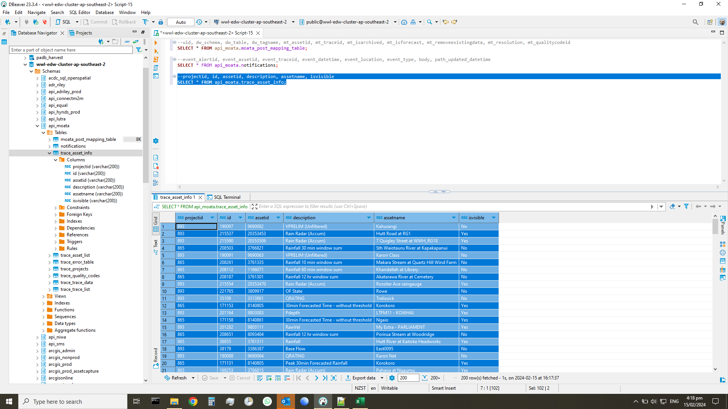
projectid | id | assetid | description | assetname | isvisible
893 | 190097 | 9690082 | VPRELIM (Unfiltered) | Kahurangi | No
893 | 215537 | 20353453 | Rain Radar (Accum) | Hutt Road at RG1 | Yes
893 | 215590 | 20353506 | Rain Radar (Accum) | 7 Quigley Street at WWH_RG18 | Yes
865 | 208503 | 3766821 | Rainfall 30 min window sum | Sth Waiotauru River at Kapakapanui | No
893 | 190091 | 9690063 | VPRELIM (Unfiltered) | Karori Class | No
865 | 208261 | 3761335 | Rainfall 10 min window sum | Makara Stream at Quartz Hill Wind Farm | No
865 | 208112 | 1166071 | Rainfall 60 min window sum | Khandallah at Library | No
865 | 208187 | 3761301 | Rainfall 12 hr window sum | Akatarawa River at Cemetery | No
893 | 215554 | 20353470 | Rain Radar (Accum) | Rossiter Ave raingauge | Yes
893 | 221765 | 3809917 | OF State | Rowe | No
893 | 35109 | 3313861 | QRATING | Trelissick | No
865 | 171153 | 8140805 | 30min Forecasted Time - without threshold | Korokoro | Yes
893 | 201164 | 9803083 | Pdepth | LTFM11 - KOWHAI | Yes
865 | 171158 | 8140861 | 30min Forecasted Time - without threshold | Ngaio | Yes
893 | 201282 | 9803111 | RawVel | My Extra - PARLIAMENT | Yes
865 | 208651 | 8093404 | Rainfall 12 hr window sum | Porirua Stream at Woodridge | No
865 | 38855 | 3761311 | Rainfall | Hutt River at Kaitoke Headworks | Yes
893 | 38179 | 3386387 | Base Flow | East0095 | No
893 | 190088 | 9690064 | QRATING | Karori Net | No
865 | 171131 | 8140805 | Peak 30min Forecasted Rainfall | Korokoro | Yes
865 | 169253 | 3766815 | Rain Radar (Accum) | Pahaoa at Ngaumu | Yes
893 | 167223 | 8096888 | Battery | Foreshore | No
893 | 201391 | 9803093 | Qfinal | STFM11 - 13WAIKARE | Yes
893 | 177899 | 8098353 | Flow | Bothamley | No
865 | 208581 | 3766831 | Rainfall 10 min window sum | Waingawa River at Kaituna | No
865 | 208432 | 3766812 | Rainfall 60 min window sum | Mangatarere at Valley Hill | No
865 | 39941 | 3766835 | Rainfall | Waipoua at Westons | Yes
865 | 208393 | 3766807 | Rainfall 2 hr window sum | Kopuaranga at Mauriceville | No
865 | 208689 | 8093409 | Rainfall 2 hr window sum | Hutt River at Mabey Road Depot | No
893 | 40029 | 3313860 | VFINAL | Ngaio | Yes
893 | 215611 | 20353449 | Rain Radar | Delaney PRV raingauge | Yes
865 | 164653 | 1166072 | Rain Radar | Karori Stream at Duthie Street | Yes
865 | 169180 | 3766812 | Rain Radar | Mangatarere at Valley Hill | Yes
893 | 38168 | 3342000 | Overflow Discharge | Cresswell | No
893 | 201376 | 9803078 | Qfinal | LTFM06 - STKJAMES | Yes
865 | 208488 | 3766819 | Rainfall 60 min window sum | Ruamahanga River at Mt Bruce | No
865 | 164721 | 1166079 | Rain Radar (Accum) | Porirua Stream at Seton Nossiter Park | Yes
893 | 215527 | 20353443 | Rain Radar (Accum) | 24 Nassau Avenue at RG6 | Yes
865 | 171120 | 8140787 | 30min Forecasted Time | Kakaho | Yes
865 | 208576 | 3766830 | Rainfall 60 min window sum | Waingawa River at Angle Knob | No
893 | 33611 | 3342002 | PDepth | Cowan | No
893 | 39404 | 3313853 | Z Base Infiltration | Murphy | No
865 | 208422 | 3766811 | Rainfall 20 min window sum | Mangaone Stream at Transmission Lines | No
865 | 169179 | 3766816 | Rain Radar | Parkvale Stream at Renalls Weir | Yes
865 | 39677 | 3761303 | Rainfall (Accumulated) | Horokiri Stream at Battle Hill | Yes
893 | 163537 | 7710448 | Velocity | Martin Sq Bif | Yes
893 | 177923 | 3473176 | Flow | Kent and Wakefield | Yes
893 | 38303 | 3736980 | Velocity (Unfiltered) | Moohan | No
865 | 208356 | 3761373 | Rainfall 24 hr window sum | Whareroa Stream at McKays Crossing | No
865 | 208206 | 3761308 | Rainfall 20 min window sum | Hutt River at Birch Lane | No
893 | 215542 | 20353458 | Rain Radar (Accum) | McKinley Crescent at RG8 | Yes
865 | 168137 | 8140837 | Rain Radar (Accum) | Mukamuka | Yes
865 | 208373 | 3766805 | Rainfall 10 min window sum | East Waitewaewae at Oriwa | No
865 | 208669 | 8093407 | Rainfall 10 min window sum | Hutt River at Riverstone Terrace | No
893 | 38304 | 3736980 | Velocity | Moohan | Yes
865 | 168126 | 8140769 | Rain Radar (Accum) | Waitatapia | Yes
865 | 164646 | 3761308 | Rain Radar | Hutt River at Birch Lane | Yes
893 | 201215 | 9803092 | UpDepth | STFM10 - FRASER | Yes
893 | 32174 | 3313859 | PDEPTH_1 | Newlands | No
893 | 215583 | 20353499 | Rain Radar (Accum) | 21 Awarua Street at WWH_RG11 | Yes
893 | 158985 | 3405452 | LRD | S130201 | No
893 | 201212 | 9803089 | UpDepth | STFM07 - BLOOMFIELD | Yes
893 | 40021 | 3313862 | VFINAL | Johnsonville East | Yes
865 | 208583 | 3766831 | Rainfall 30 min window sum | Waingawa River at Kaituna | No
865 | 208598 | 3766833 | Rainfall 20 min window sum | Waiohine River at Gorge | No
865 | 169201 | 8093408 | Rain Radar | Korokoro Stream at Belmont Trig | Yes
865 | 208219 | 3761311 | Rainfall 12 hr window sum | Hutt River at Kaitoke Headworks | No
865 | 9909 | 1166077 | Rainfall | Miramar at Miramar North Road | Yes
865 | 208246 | 3761332 | Rainfall 20 min window sum | Lake Kohangatera | No
865 | 169177 | 3766811 | Rain Radar | Mangaone Stream at Transmission Lines | Yes
865 | 39887 | 3761369 | Rainfall (Accumulated) | Whakatikei River at Blue Gum Spur | Yes
865 | 208457 | 3766815 | Rainfall 2 hr window sum | Pahaoa at Ngaumu | No
893 | 167797 | 8098353 | Battery | Bothamley | No
865 | 168199 | 8140841 | Rain Radar (Accum) | Opouawe | Yes
893 | 39043 | 3764023 | Flow | S20N0203A | Yes
893 | 215600 | 20353438 | Rain Radar | 17 Kilkelly Close at RG1 | Yes
893 | 189841 | 9690064 | UpDEPTH_1 | Karori Net | No
893 | 215538 | 20353454 | Rain Radar (Accum) | Kingsford Smith Street at RG4 | Yes
865 | 164696 | 3761367 | Rain Radar (Accum) | Wainuiomata River at Wainui Reservoir | Yes
893 | 215653 | 20353491 | Rain Radar | Middleton | Yes
865 | 208282 | 3761339 | Rainfall 6 hr window sum | Mangaroa River at Tasman Vaccine Limited | No
865 | 39957 | 3766815 | Rainfall (Accumulated) | Pahaoa at Ngaumu | Yes
865 | 38880 | 3761336 | Rainfall | Mangaroa River at Maymorn Pump Station | Yes
865 | 208200 | 3761305 | Rainfall 60 min window sum | Horokiri Stream at Snodgrass | No
893 | 32126 | 3313855 | PDEPTH_1 | Byron | No
893 | 56198 | 3392444 | Depth Rec | 126 The Esplanade | Yes
865 | 168164 | 8140834 | Rain Radar (Accum) | Wharepapa | Yes
893 | 171183 | 8098351 | MH Depth | 72 Mana | Yes
893 | 33831 | 3405450 | SDepth | S0124801 | No
893 | 39438 | 3313858 | Z Base Infiltration | Middleton | No
865 | 208697 | 8093410 | Rainfall 2 hr window sum | Duck Creek at James Cook Reservoir | No
893 | 177171 | 3736983 | QCONTINUITY | Main | No
865 | 168198 | 8140871 | Rain Radar (Accum) | North Wellington | Yes
865 | 208337 | 3761368 | Rainfall 2 hr window sum | Wellington at Te Papa | No
893 | 215619 | 20353457 | Rain Radar | Major Drive raingauge | Yes
893 | 215560 | 20353476 | Rain Radar (Accum) | The Parade at RG2 | Yes
893 | 166496 | 6333058 | LRDEPTH | Cheshire | No
865 | 38879 | 3761335 | Rainfall | Makara Stream at Quartz Hill Wind Farm | Yes
865 | 208284 | 3761339 | Rainfall 24 hr window sum | Mangaroa River at Tasman Vaccine Limited | No
893 | 38315 | 3736983 | Battery | Main | No
865 | 208693 | 8093410 | Rainfall 10 min window sum | Duck Creek at James Cook Reservoir | No
865 | 168122 | 8140839 | Rain Radar | Oterei | Yes
865 | 208191 | 3761303 | Rainfall 30 min window sum | Horokiri Stream at Battle Hill | No
865 | 168066 | 8140764 | Rain Radar | Waitewaewae | Yes
893 | 177174 | 3471633 | UpDepth | 5 Elphinstone | No
893 | 170711 | 8096889 | Depth | 388 Broadway | Yes
893 | 39398 | 3313853 | Z Catchment Base Infiltration | Murphy | No
865 | 208487 | 3766819 | Rainfall 30 min window sum | Ruamahanga River at Mt Bruce | No
865 | 208667 | 8093406 | Rainfall 12 hr window sum | Hutt River at Regent Street | No
893 | 201417 | 9803271 | Rain | DAYSBAY | Yes
865 | 169220 | 3766822 | Rain Radar (Accum) | Taueru River at Te Weraiti | Yes
893 | 167813 | 8098494 | Battery | 60 Kent | No
865 | 208695 | 8093410 | Rainfall 30 min window sum | Duck Creek at James Cook Reservoir | No
893 | 167805 | 8098493 | UpDEPTH | 38 Kent | No
893 | 177927 | 3736987 | Flow | Black Creek | Yes
893 | 176548 | 6333059 | SW Lateral QFINAL | Golders | Yes
893 | 201232 | 9803112 | Sdepth | STFM02 - KELSON | Yes
865 | 208566 | 3766829 | Rainfall 20 min window sum | Waikoukou at Longbush | No
893 | 39427 | 3313860 | Z Avg DWF | Ngaio | No
893 | 39467 | 3766783 | Rain | Wellington at Te Papa | Yes
865 | 208381 | 3766806 | Rainfall 10 min window sum | Haurangi at Te Kopi | No
893 | 32144 | 3313856 | RAWVEL | Wall | No
893 | 56143 | 3386387 | Velocity - unfiltered | East0095 | No
893 | 215644 | 20353482 | Rain Radar | Wainui Treatment Plant raingauge | Yes
865 | 208628 | 3766836 | Rainfall 24 hr window sum | Waitatapia Stream at Taungata | No
893 | 201300 | 9803083 | Dfinal | LTFM11 - KOWHAI | Yes
893 | 39033 | 3764023 | PDEPTH | S20N0203A | No
893 | 39443 | 3313866 | Z Base Infiltration | Berhamp | No
865 | 208375 | 3766805 | Rainfall 30 min window sum | East Waitewaewae at Oriwa | No
893 | 33710 | 3374958 | BTYVOLT | Landfill | No
865 | 164651 | 1166076 | Rain Radar | Berhampore at Nursery | Yes
893 | 39402 | 3313854 | Z Catchment Base Infiltration | Hospital | No
893 | 39425 | 3313856 | Z Avg DWF | Wall | No
893 | 215526 | 20353442 | Rain Radar (Accum) | 20 Wall Place at RG3 | Yes
893 | 56193 | 3943634 | Depth Rec | 48 Constable St | Yes
865 | 168106 | 8140845 | Rain Radar | South Wellington | Yes
893 | 215576 | 20353492 | Rain Radar (Accum) | Seton Nossitier Park | Yes
893 | 42724 | 3858107 | RAWVEL | Duncan | No
893 | 201399 | 9803101 | Qfinal | STFM20 - 26KAURI | Yes
865 | 168146 | 8140782 | Rain Radar (Accum) | Solway | Yes
893 | 201283 | 9803112 | RawVel | STFM02 - KELSON | Yes
865 | 168190 | 8140780 | Rain Radar (Accum) | Waiohine | Yes
865 | 39956 | 3766814 | Rainfall (Accumulated) | Otaki River at Depot | Yes
865 | 208400 | 3766808 | Rainfall 60 min window sum | Lake Wairarapa at Eastern Lakeshore | No
893 | 32156 | 3313857 | RAWVEL | South Karori | No
893 | 40012 | 3313865 | QFINAL | Newtown | Yes
893 | 32091 | 3313853 | Depth | Murphy | Yes
865 | 168119 | 8140822 | Rain Radar | Dry | Yes
865 | 38801 | 1166076 | Rainfall (Accumulated) | Berhampore at Nursery | Yes
893 | 156369 | 6333057 | Battery | Bellona | No
865 | 39898 | 3761373 | Rainfall (Accumulated) | Whareroa Stream at McKays Crossing | Yes
893 | 40195 | 3799849 | SDEPTH | Karori Dam | No
865 | 208188 | 3761301 | Rainfall 24 hr window sum | Akatarawa River at Cemetery | No
865 | 208591 | 3766832 | Rainfall 30 min window sum | Waiohine River at Carkeek | No
893 | 201155 | 9803074 | Pdepth | LTFM02 - 34TAMA | Yes
893 | 201257 | 9803084 | RawVel | STFM01 - REYNALDS | Yes
893 | 201277 | 9803104 | RawVel | STFM25 - 6GUTHRIE | Yes
893 | 48953 | 3941932 | UpDEPTH | S350204 | No
865 | 169193 | 8093406 | Rain Radar | Hutt River at Regent Street | Yes
893 | 160692 | 7177957 | PDEPTH | PS07OF | No
865 | 208387 | 3766806 | Rainfall 12 hr window sum | Haurangi at Te Kopi | No
893 | 39142 | 3764077 | Flow | Adelaide | Yes
865 | 169248 | 8093409 | Rain Radar (Accum) | Hutt River at Mabey Road Depot | Yes
865 | 208236 | 3761323 | Rainfall 24 hr window sum | Hutt River at Shandon Golf Club | No
893 | 33838 | 3405451 | SDepth | S070206 | No
865 | 208118 | 1166072 | Rainfall 20 min window sum | Karori Stream at Duthie Street | No
865 | 208239 | 3761326 | Rainfall 30 min window sum | Hutt River at Te Marua | No
865 | 208317 | 3761363 | Rainfall 10 min window sum | Taupo Stream at Whenua Tapu | No
865 | 169205 | 3766827 | Rain Radar | Tilsons Creek at Scott Culvert | Yes
893 | 30745 | 1700431 | Ultra | PS20OF | No
865 | 168072 | 8140866 | Rain Radar | Avalon | Yes
865 | 208123 | 1166072 | Rainfall 12 hr window sum | Karori Stream at Duthie Street | No
893 | 201254 | 9803081 | RawVel | LTFM09 - MANORPARK | Yes
893 | 215636 | 20353474 | Rain Radar | Tauhinu Road at RG15 | Yes
865 | 208376 | 3766805 | Rainfall 60 min window sum | East Waitewaewae at Oriwa | No
893 | 56715 | 3392448 | Overflow Discharge - SW | 34 Clutha | No
865 | 208119 | 1166072 | Rainfall 30 min window sum | Karori Stream at Duthie Street | No
865 | 208556 | 3766827 | Rainfall 24 hr window sum | Tilsons Creek at Scott Culvert | No
865 | 38878 | 3761334 | Rainfall | Makara Stream at Mill Creek Wind Farm | Yes
893 | 213581 | 8098352 | UNIDEPTH | Navigation | Yes
893 | 39409 | 3313864 | Z Base Infiltration | Martin Sq | No
893 | 32262 | 3313866 | QRATING | Berhamp | No
865 | 208707 | 8093411 | Rainfall 12 hr window sum | Porirua Stream at Tawa Junction | No
893 | 201373 | 9803075 | Qfinal | LTFM03 - RANDWICKCRES | Yes
865 | 208624 | 3766836 | Rainfall 60 min window sum | Waitatapia Stream at Taungata | No
865 | 208608 | 3766834 | Rainfall 60 min window sum | Waiorongomai at Matthews | No
893 | 171181 | 1210391 | Diversion Depth | Houghton | Yes
865 | 168090 | 8140849 | Rain Radar | Kellys | Yes
865 | 171143 | 8140804 | Peak 30min Forecasted Rainfall | Paparagi | Yes
865 | 168100 | 8140772 | Rain Radar | Kapakapanui | Yes
865 | 164633 | 3761332 | Rain Radar | Lake Kohangatera | Yes
865 | 168206 | 8140849 | Rain Radar (Accum) | Kellys | Yes
893 | 40000 | 3764077 | QFINAL | Adelaide | Yes
893 | 201208 | 9803084 | UpDepth | STFM01 - REYNALDS | Yes
865 | 208312 | 3761362 | Rainfall 60 min window sum | Porirua Stream at Waynes Mistake | No
893 | 39999 | 3313856 | DFINAL | Wall | Yes
865 | 208148 | 1166075 | Rainfall 24 hr window sum | Newtown at Mansfield Street | No
865 | 168181 | 8140815 | Rain Radar (Accum) | Morton | Yes
893 | 30582 | 1700431 | Depth | PS20OF | Yes
893 | 32152 | 3313857 | Flow | South Karori | Yes

trace_asset_list
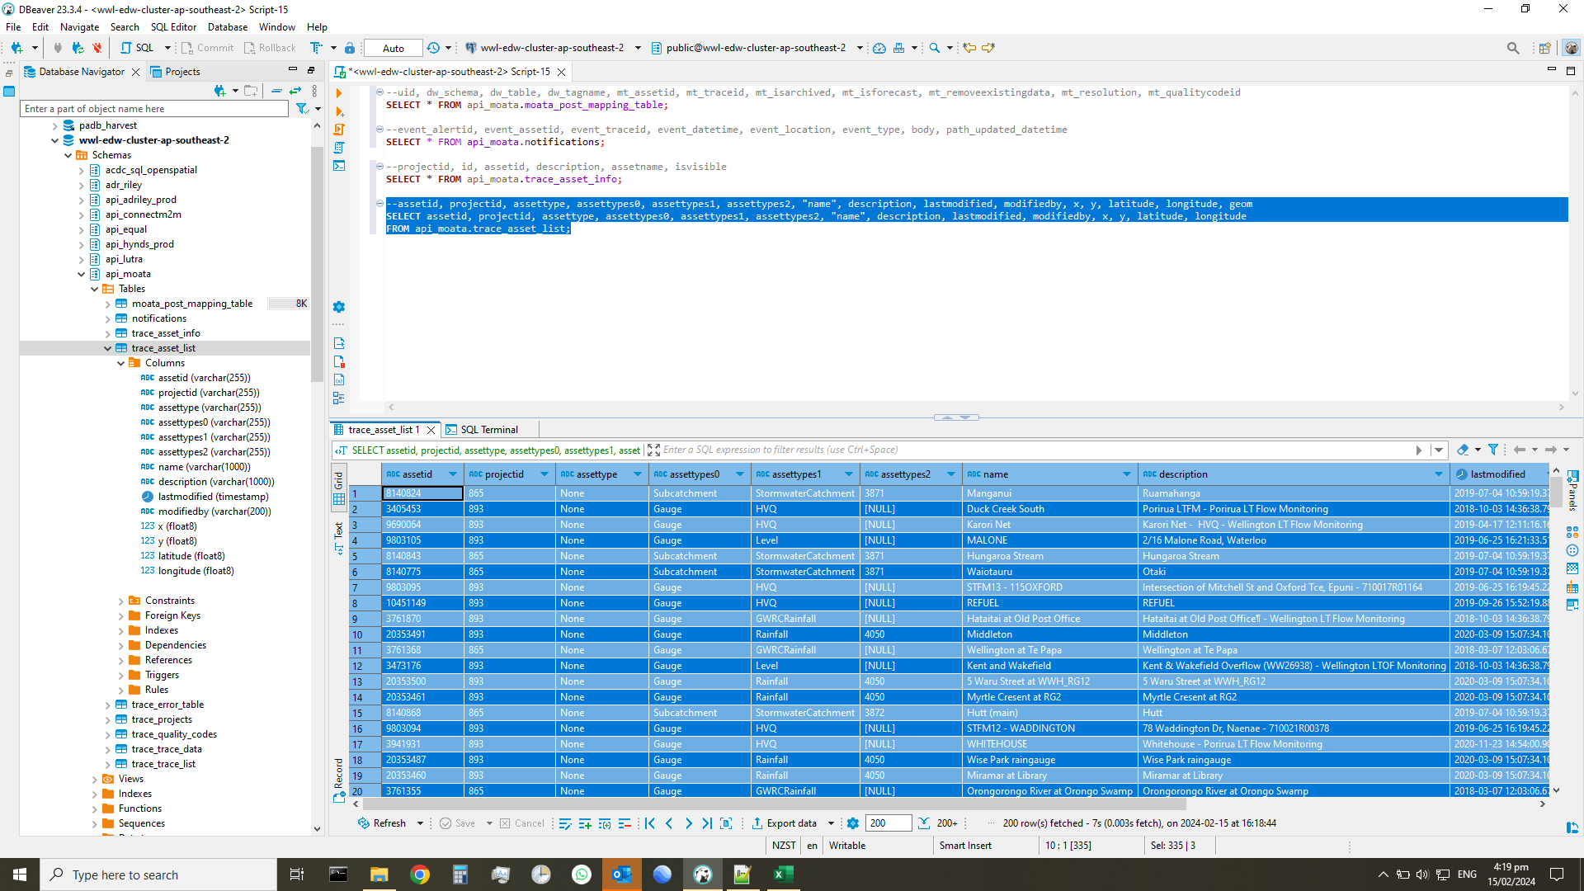
assetid | projectid | assettype | assettypes0 | assettypes1 | assettypes2 | name | description | lastmodified | modifiedby | x | y | latitude | longitude
8140824 | 865 | None | Subcatchment | StormwaterCatchment | 3871 | Manganui | Ruamahanga | 2019-07-04 10:59:19 | phil | 1780943.3376 | 5436697.621 | -41.200882127 | 175.15798378
3405453 | 893 | None | Gauge | HVQ |  | Duck Creek South | Porirua LTFM - Porirua LT Flow Monitoring | 2018-10-03 14:36:38 | phil | 1759377.9831 | 5447339.3355 | -41.109606097 | 174.89816668
9690064 | 893 | None | Gauge | HVQ |  | Karori Net | Karori Net - HVQ - Wellington LT Flow Monitoring | 2019-04-17 12:11:16 | phillip_thorpe | 1744351.2613 | 5427914.7812 | -41.28731109 | 174.72386624
9803105 | 893 | None | Gauge | Level |  | MALONE | 2/16 Malone Road, Waterloo | 2019-06-25 16:21:33 | xiao_meng | 1761206.03 | 5435047.46 | -41.219907995 | 174.92316065
8140843 | 865 | None | Subcatchment | StormwaterCatchment | 3871 | Hungaroa Stream | Hungaroa Stream | 2019-07-04 10:59:19 | phil | 1811261.8582 | 5425930.4822 | -41.290436709 | 175.52298703
8140775 | 865 | None | Subcatchment | StormwaterCatchment | 3871 | Waiotauru | Otaki | 2019-07-04 10:59:19 | phil | 1788378.6931 | 5473466.8691 | -40.868216434 | 175.23536694
9803095 | 893 | None | Gauge | HVQ |  | STFM13 - 115OXFORD | Intersection of Mitchell St and Oxford Tce, Epuni - 710017R01164 | 2019-06-25 16:19:45 | xiao_meng | 1761857 | 5436487.4 | -41.206814598 | 174.9305411
10451149 | 893 | None | Gauge | HVQ |  | REFUEL | REFUEL | 2019-09-26 15:52:19 | xiao_meng | 1751346.0628 | 5423245.6022 | -41.328068 | 174.808522
3761870 | 893 | None | Gauge | GWRCRainfall |  | Hataitai at Old Post Office | Hataitai at Old Post Office
- Wellington LT Flow Monitoring | 2018-10-03 14:36:38 | phil | 1750260.1215 | 5425999.8254 | -41.303474 | 174.794871
20353491 | 893 | None | Gauge | Rainfall | 4050 | Middleton | Middleton | 2020-03-09 15:07:34 | rion_you | 1753375.842 | 5438870.701 | -41.187008084 | 174.82883569
3761368 | 865 | None | Gauge | GWRCRainfall |  | Wellington at Te Papa | Wellington at Te Papa | 2018-03-07 12:03:06 | phil | 1749156 | 5427486 | -41.290298218 | 174.7813241
3473176 | 893 | None | Gauge | Level |  | Kent and Wakefield | Kent & Wakefield Overflow (WW26938) - Wellington LTOF Monitoring | 2018-10-03 14:36:38 | phil | 1749410.9293 | 5427145.1196 | -41.293320159 | 174.78445089
20353500 | 893 | None | Gauge | Rainfall | 4050 | 5 Waru Street at WWH_RG12 | 5 Waru Street at WWH_RG12 | 2020-03-09 15:07:34 | rion_you | 1749952.871 | 5431712.923 | -41.252093879 | 174.78979642
20353461 | 893 | None | Gauge | Rainfall | 4050 | Myrtle Cresent at RG2 | Myrtle Cresent at RG2 | 2020-03-09 15:07:34 | rion_you | 1748840 | 5426117 | -41.302682238 | 174.77788672
8140868 | 865 | None | Subcatchment | StormwaterCatchment | 3872 | Hutt (main) | Hutt | 2019-07-04 10:59:19 | phil | 1761830.9894 | 5438119.2522 | -41.19212855 | 174.92979929
9803094 | 893 | None | Gauge | HVQ |  | STFM12 - WADDINGTON | 78 Waddington Dr, Naenae - 710021R00378 | 2019-06-25 16:19:45 | xiao_meng | 1763213.5 | 5436619.2 | -41.205355726 | 174.9466766
3941931 | 893 | None | Gauge | HVQ |  | WHITEHOUSE | Whitehouse - Porirua LT Flow Monitoring | 2020-11-23 14:54:00 | phillip_thorpe | 1754372.064 | 5447590.776 | -41.108308948 | 174.83851363
20353487 | 893 | None | Gauge | Rainfall | 4050 | Wise Park raingauge | Wise Park raingauge | 2020-03-09 15:07:34 | rion_you | 1762389 | 5430907 | -41.256946815 | 174.93836696
20353460 | 893 | None | Gauge | Rainfall | 4050 | Miramar at Library | Miramar at Library | 2020-03-09 15:07:34 | rion_you | 1751999 | 5424512 | -41.31654353 | 174.81600392
3761355 | 865 | None | Gauge | GWRCRainfall |  | Orongorongo River at Orongo Swamp | Orongorongo River at Orongo Swamp | 2018-03-07 12:03:06 | phil | 1772386 | 5431972 | -41.245289328 | 175.05732432
3766824 | 865 | None | Gauge | GWRCRainfall |  | Tauherenikau at Bull Mound | Tauherenikau at Bull Mound | 2018-03-07 15:41:42 | phil | 1795128 | 5460805 | -40.980606136 | 175.31937844
9803088 | 893 | None | Gauge | HVQ |  | STFM06 - 12DYER | Opp 12 Dyer St, Taita - 710006R00421 | 2019-06-25 16:19:45 | xiao_meng | 1762214.9 | 5437107.1 | -41.201163952 | 174.93464323
20353497 | 893 | None | Gauge | Rainfall | 4050 | 6 Mairangi Road at WWH_RG09 | 6 Mairangi Road at WWH_RG09 | 2020-03-09 15:07:34 | rion_you | 1748381.369 | 5430541.463 | -41.262931146 | 174.77133306
9803106 | 893 | None | Gauge | Level |  | HINEMOA | 5 Hinemoa St, Waiwhetu | 2019-06-25 16:21:33 | xiao_meng | 1760699.3 | 5434527.1 | -41.224693493 | 174.91725556
8140761 | 865 | None | Subcatchment | StormwaterCatchment | 3871 | Upper Catchment | Otaki | 2019-07-04 10:59:19 | phil | 1804716.128 | 5486719.8716 | -40.745014838 | 175.42472534
9202716 | 893 | None | Subcatchment | GaugeGrouping |  | Upper Hutt LTFM - Flow Gauge Group | Upper Hutt LTFM - Flow Gauge Group | 2018-10-03 14:37:40 | phil | 1767294.4123 | 5442790.1012 | -41.148969349 | 174.99363665
30516204 | 893 | None | Gauge | HVQ |  | Karori Scour | Karori Scour | 2021-06-17 16:21:13 | owen_flanagan | 1746802.9368 | 5427560.2559 | -41.290061 | 174.753217
8140842 | 865 | None | Subcatchment | StormwaterCatchment | 3871 | Makotukutuku | Makotukutuku | 2019-07-04 10:59:19 | phil | 1792132.4282 | 5407500.2411 | -41.461095336 | 175.30055986
9803103 | 893 | None | Gauge | HVQ |  | STFM24 - 60HIGHST | 607 High Street, Boulcott - 710047R00173 | 2019-06-25 16:19:45 | xiao_meng | 1760853.8 | 5436859.07 | -41.203668437 | 174.91848416
3766785 | 893 | None | Gauge | GWRCRainfall |  | Berhampore at Nursery | Berhampore at Nursery
- Wellington LTOF Monitoring | 2018-10-03 14:36:38 | phil | 1748321.4008 | 5423865.6063 | -41.323048 | 174.772244
8098493 | 893 | None | Gauge | Level |  | 38 Kent | 38KENT - Wellington LTOF Monitoring | 2018-10-03 14:36:38 | phil | 1749258.0631 | 5426792.5153 | -41.296523081 | 174.78271247
3766810 | 865 | None | Gauge | GWRCRainfall |  | Makakahi at Mangaone | Makakahi at Mangaone | 2018-03-07 15:41:42 | phil | 1831502 | 5502808 | -40.593148664 | 175.73573388
9803092 | 893 | None | Gauge | HVQ |  | STFM10 - FRASER | Opp Fraser St, Hutt Central - 710002R00173 | 2019-06-25 16:19:45 | xiao_meng | 1759239.8 | 5436009.5 | -41.211636094 | 174.89946562
20353438 | 893 | None | Gauge | Rainfall | 4050 | 17 Kilkelly Close at RG1 | 17 Kilkelly Close at RG1 | 2020-03-09 15:07:34 | rion_you | 1753939 | 5440730 | -41.170161399 | 174.83507998
8140767 | 865 | None | Subcatchment | StormwaterCatchment | 3871 | Waikanae | Ngarara | 2019-07-04 10:59:19 | phil | 1777409.4148 | 5485789.2046 | -40.759733954 | 175.10178266
8140808 | 865 | None | Subcatchment | StormwaterCatchment | 3871 | Hinaburn | Ruamahanga | 2019-07-04 10:59:19 | phil | 1785622.2211 | 5439071.5206 | -41.178455284 | 175.21302618
9803109 | 893 | None | Gauge | Weir |  | Extra07 - LOWRYBAY | Lowry Bay Boat Ramp Reserve, Lowry Bay - 710020R01102 | 2019-06-25 16:21:48 | xiao_meng | 1759910.3 | 5430482.9 | -41.261259139 | 174.90890685
1166072 | 865 | None | Gauge | GWRCRainfall |  | Karori Stream at Duthie Street | Karori Stream at Duthie Street | 2018-03-07 12:03:06 | phil | 1746220.317 | 5428172.7603 | -41.284652 | 174.746115
9803084 | 893 | None | Gauge | HVQ |  | STFM01 - REYNALDS | Eastern Hutt Rd, near Reynolds Bach Dr, by "Welcome to Hutt City" sign - 810029R00186 | 2019-06-25 16:19:45 | xiao_meng | 1767105 | 5442634 | -41.150413694 | 174.99142328
9803087 | 893 | None | Gauge | HVQ |  | STFM05 - 57MARSDEN | Opp 57 Marsden St, Hutt Central - 710004R00145 | 2019-06-25 16:19:45 | xiao_meng | 1759066.7 | 5436022.1 | -41.211556689 | 174.89739863
9803086 | 893 | None | Gauge | HVQ |  | STFM04 - MARINEPDE | Int Kirkaldy St and Marine Parade, Petone - 710016R01028 | 2019-06-25 16:19:45 | xiao_meng | 1758621.8 | 5433655.5 | -41.232950412 | 174.89270892
6333057 | 893 | None | Gauge | HVQ |  | Bellona | Bellona Place HVQ - Porirua LT Flow Monitoring | 2018-10-03 14:36:38 | phil | 1756745.27 | 5444771.25 | -41.13323946 | 174.86748306
8140851 | 865 | None | Subcatchment | StormwaterCatchment | 3871 | Huangarua | Ruamahanga | 2019-07-04 10:59:19 | phil | 1806465.3124 | 5436142.584 | -41.199773668 | 175.46230128
20353439 | 893 | None | Gauge | Rainfall | 4050 | 19 Lakewood Avenue at RG7 | 19 Lakewood Avenue at RG7 | 2020-03-09 15:07:34 | rion_you | 1751424 | 5436831 | -41.20573958 | 174.80607817
20353459 | 893 | None | Gauge | Rainfall | 4050 | Melrose reservoir at RG14 | Melrose reservoir at RG14 | 2020-03-09 15:07:34 | rion_you | 1749365 | 5423178 | -41.329046119 | 174.78487683
8093407 | 865 | None | Gauge | GWRCRainfall |  | Hutt River at Riverstone Terrace | Hutt River at Riverstone Terrace | 2018-05-15 15:53:10 | tom | 1771244 | 5446775 | -41.112272013 | 175.0395637
8140785 | 865 | None | Subcatchment | StormwaterCatchment | 3871 | Horokiri | Horokiri | 2019-07-04 10:59:19 | phil | 1763033.8703 | 5459043.8432 | -41.003505261 | 174.93858682
3766786 | 893 | None | Gauge | GWRCRainfall |  | Hataitai at Old Post Office | Hataitai at Old Post Office
- Wellington LTOF Monitoring | 2018-10-03 14:36:38 | phil | 1750260.1215 | 5425999.8254 | -41.303474 | 174.794871
9791139 | 893 | None | Node | PumpStation |  | STPSLM04 - Esplanade Central PS |  | 2019-06-10 16:11:14 | xiao_meng | 1757103 | 5434271 | -41.227705445 | 174.87443728
8140802 | 865 | None | Subcatchment | StormwaterCatchment | 3871 | Ohariu | Makara | 2019-07-04 10:59:19 | phil | 1751410.3298 | 5442711.7207 | -41.152795198 | 174.80446095
1166075 | 865 | None | Gauge | GWRCRainfall |  | Newtown at Mansfield Street | Newtown at Mansfield Street
 | 2018-03-07 12:03:06 | phil | 1749078.8686 | 5424528.5034 | -41.31694 | 174.781128
7177957 | 893 | None | Gauge | Level |  | PS07OF | PS07OF - Porirua LT Flow Monitoring | 2018-10-03 14:36:38 | phil | 1757054.47 | 5448278.34 | -41.101604508 | 174.87026824
6823603 | 893 | None | Gauge | HVQ |  | PS09OF | PS09OF - Porirua LT Flow Monitoring | 2018-10-03 14:36:38 | phil | 1756906.3323 | 5449952.4688 | -41.086560453 | 174.86807788
3392444 | 893 | None | Gauge | Level |  | 126 The Esplanade | 126 The Esplanade (WW20320) - Wellington LTOF Monitoring | 2018-10-03 14:36:38 | phil | 1749008.5279 | 5421502.7444 | -41.344195001 | 174.78103
3313857 | 893 | None | Gauge | HVQ |  | South Karori | STHKARORI NEW NZTM - Wellington LT Flow Monitoring | 2018-10-03 14:36:38 | phil | 1744104.5146 | 5426643.3515 | -41.298802751 | 174.7212218
20353483 | 893 | None | Gauge | Rainfall | 4050 | Wall Place at RG2 | Wall Place at RG2 | 2020-03-09 15:07:34 | rion_you | 1753931 | 5442858 | -41.151003769 | 174.83445018
9803098 | 893 | None | Gauge | HVQ |  | STFM16 - 17WAKEFIELD | 17 Wakefield Street, Alicetown - 710025R00121 | 2019-06-25 16:19:45 | xiao_meng | 1757974.5 | 5435347.2 | -41.217846709 | 174.88455173
9791145 | 893 | None | Node | PumpStation |  | STPSLM02 - Barber Gr PS |  | 2019-06-10 16:11:14 | xiao_meng | 1759622.3 | 5434181.9 | -41.228014477 | 174.90450322
3313860 | 893 | None | Gauge | HVQ |  | Ngaio | NGAIO NEW NZTM - Wellington LT Flow Monitoring | 2018-10-03 14:36:38 | phil | 1749332.3847 | 5431095.7995 | -41.257765 | 174.782545
3766736 | 893 | None | Subcatchment | NetCatchment |  | JVILLEEAST_NetCatch | Place holder catchment for II analysis | 2016-09-08 12:18:51 | postgres_query | 1730000 | 5380000 | -41.721179652 | 174.5628876
3766805 | 865 | None | Gauge | GWRCRainfall |  | East Waitewaewae at Oriwa | East Waitewaewae at Oriwa | 2018-03-07 15:41:42 | phil | 1798235 | 5486338 | -40.750038867 | 175.34814407
3736982 | 893 | None | Gauge | Level |  | Heath | HEATH LFTM - Wainuiomata LTFM | 2018-10-03 14:36:38 | phil | 1763321.2435 | 5430896.5478 | -41.256853068 | 174.94949139
9803080 | 893 | None | Gauge | HVQ |  | LTFM08 - 92WAKEFIELD | 92 Wakefield St, Alicetown - 810019R00121 | 2019-06-25 16:19:45 | xiao_meng | 1758940.8 | 5435076.43 | -41.220095246 | 174.89614357
3344759 | 893 | None | Gauge | Level |  | 86 Owhiro | 86OWHIRO - Wellington LTOF Monitoring | 2018-10-03 14:36:38 | phil | 1746982.8009 | 5421434.2247 | -41.345184 | 174.756845
9803108 | 893 | None | Gauge | Weir |  | Extra05 - 608MARINE | 608 Marine Dr, Days Bay - 710104R01102 | 2019-06-25 16:21:48 | xiao_meng | 1759528.2 | 5428704.1 | -41.277348894 | 174.90481357
3313862 | 893 | None | Gauge | HVQ |  | Johnsonville East | JVILLEEAST NEW NZTM - Wellington LT Flow Monitoring | 2018-10-03 14:36:38 | phil | 1751511.9002 | 5433846.5423 | -41.232593413 | 174.80786608
29921245 | 893 | None | Gauge | HVQ |  | BARBERRY | V-Notch weir located opposite 10 Barberry Grove | 2021-05-21 09:00:16 | rion_you | 1757275.11 | 5436047.45 | -41.211678529 | 174.87603248
9803101 | 893 | None | Gauge | HVQ |  | STFM20 - 26KAURI | 26 Kauri St, Eastbourne - 710012R01087 | 2019-06-25 16:19:45 | xiao_meng | 1758532.1 | 5426371.7 | -41.298543304 | 174.8935333
11280571 | 893 | None | Gauge | HVQ |  | Featherston and Brandon | Featherston and Brandon | 2019-11-01 10:18:28 | xiao_meng | 1748798.131 | 5428247.8484 | -41.283505 | 174.776866
9803270 | 893 | None | Gauge | Rainfall |  | CAMBRIDGE | Opp 12 Cambridge Tce, Waiwhetu OP31593 | 2019-06-25 16:33:55 | xiao_meng | 1760170.4 | 5434867 | -41.221738288 | 174.91085966
3761360 | 865 | None | Gauge | GWRCRainfall |  | Pinehaven Stream at Pinehaven Reservoir | Pinehaven Stream at Pinehaven Reservoir | 2018-03-07 12:03:06 | phil | 1768529 | 5441785 | -41.157762206 | 175.00861682
8140826 | 865 | None | Subcatchment | StormwaterCatchment | 3871 | Parapra | Ruamahanga | 2019-07-04 10:59:19 | phil | 1799733.6181 | 5432021.2383 | -41.238554225 | 175.38343378
8098351 | 893 | None | Gauge | Level |  | 72 Mana | 72MANA - Porirua LT Flow Monitoring | 2018-10-03 14:36:38 | phil | 1757004.9001 | 5448804.3088 | -41.096878644 | 174.86954392
20353449 | 893 | None | Gauge | Rainfall | 4050 | Delaney PRV raingauge | Delaney PRV raingauge | 2020-03-09 15:07:34 | rion_you | 1766113 | 5439778 | -41.17632883 | 174.98038239
9202720 | 893 | None | Subcatchment | GaugeGrouping |  | Wellington LTFM - Flow Gauge Group | Wellington LTFM - Flow Gauge Group | 2018-10-03 14:37:40 | phil | 1745098.274 | 5424567.9513 | -41.317310813 | 174.73358137
8140823 | 865 | None | Subcatchment | StormwaterCatchment | 3871 | Oteranga | Oteranga | 2019-07-04 10:59:19 | phil | 1740677.464 | 5429868.683 | -41.27036684 | 174.67956026
8096888 | 893 | None | Gauge | Level |  | Foreshore | FORESHORE - Wellington LTOF Monitoring | 2018-10-03 14:36:38 | phil | 1747282.3843 | 5421140.4818 | -41.347773986 | 174.76049548
20353452 | 893 | None | Gauge | Rainfall | 4050 | Hector Street at RG5 | Hector Street at RG5 | 2020-03-09 15:07:34 | rion_you | 1753475 | 5423315 | -41.327040734 | 174.83393197
3766812 | 865 | None | Gauge | GWRCRainfall |  | Mangatarere at Valley Hill | Mangatarere at Valley Hill | 2018-03-07 15:41:42 | phil | 1806451 | 5464852 | -40.941397541 | 175.45250467
3761367 | 865 | None | Gauge | GWRCRainfall |  | Wainuiomata River at Wainui Reservoir | Wainuiomata River at Wainui Reservoir | 2018-03-07 12:03:06 | phil | 1766690 | 5429549 | -41.268296467 | 174.9900481
9803073 | 893 | None | Gauge | HVQ |  | LTFM01 - FARMER | Opp 31 Farmer Cres - 810004R00210 | 2019-06-25 16:19:45 | xiao_meng | 1765231.2 | 5440606.9 | -41.169046791 | 174.96965201
3761322 | 865 | None | Gauge | GWRCRainfall |  | Hutt River at Savage Park | Hutt River at Savage Park | 2018-03-07 12:03:06 | phil | 1773805 | 5445685 | -41.121540478 | 175.07035545
3313854 | 893 | None | Gauge | HVQ |  | Hospital | HOSPITAL NEW NZTM - Wellington LT Flow Monitoring | 2018-10-03 14:36:38 | phil | 1748979.179 | 5425714.9341 | -41.306276517 | 174.77964689
3766827 | 865 | None | Gauge | GWRCRainfall |  | Tilsons Creek at Scott Culvert | Tilsons Creek at Scott Culvert | 2018-03-07 15:41:42 | phil | 1809331 | 5447839 | -41.09377674 | 175.49245499
10451150 | 893 | None | Gauge | HVQ |  | RUNWAY | RUNWAY | 2019-09-26 15:52:19 | xiao_meng | 1751257.5311 | 5423043.0766 | -41.329908 | 174.807515
3344761 | 893 | None | Gauge | Level |  | Southhampton | SOUTHAMPTON - Wellington LTOF Monitoring | 2018-10-03 14:36:38 | phil | 1751797.2685 | 5424211.1656 | -41.319290001 | 174.81367
3471633 | 893 | None | Gauge | Level |  | 5 Elphinstone | 5 Elphinstone (WW20948 / F43057) - Wellington LTOF Monitoring | 2018-10-03 14:36:38 | phil | 1752487.4961 | 5423090.4248 | -41.32925 | 174.822194
9202715 | 893 | None | Subcatchment | GaugeGrouping |  | Porirua LTFM - Level Gauge Group | Porirua LTFM - Level Gauge Group | 2018-10-03 14:37:40 | phil | 1755324.8725 | 5441922.0764 | -41.159164465 | 174.85129033
8140837 | 865 | None | Subcatchment | StormwaterCatchment | 3871 | Mukamuka | Mukamuka | 2019-07-04 10:59:19 | phil | 1767242.2901 | 5421033.1144 | -41.344844641 | 174.99897881
3761356 | 865 | None | Gauge | GWRCRainfall |  | Pakuratahi River at Centre Ridge | Pakuratahi River at Centre Ridge | 2018-03-07 12:03:06 | phil | 1784715 | 5444105 | -41.133354534 | 175.20070116
3341999 | 893 | None | Gauge | Level |  | Drummond | Drummond Level - Wellington LTOF Monitoring | 2018-10-03 14:36:38 | phil | 1748864.1203 | 5425854.2165 | -41.305043738 | 174.778239
3766807 | 865 | None | Gauge | GWRCRainfall |  | Kopuaranga at Mauriceville | Kopuaranga at Mauriceville | 2018-03-07 15:41:42 | phil | 1826879 | 5483853 | -40.765002104 | 175.68800778
3736984 | 893 | None | Gauge | Level |  | Hyde | HYDE LFTM - Wainuiomata LTFM | 2018-10-03 14:36:38 | phil | 1763368.788 | 5430109.7468 | -41.263926716 | 174.95026938
8140862 | 865 | None | Subcatchment | StormwaterCatchment | 3872 | Titahi Bay | Porirua | 2019-07-04 10:59:19 | phil | 1755319.8075 | 5449698.0833 | -41.089155419 | 174.84926289
8093409 | 865 | None | Gauge | GWRCRainfall |  | Hutt River at Mabey Road Depot | Hutt River at Mabey Road Depot | 2018-05-15 15:53:10 | tom | 1762879 | 5438486 | -41.188616764 | 174.94219212
8140831 | 865 | None | Subcatchment | StormwaterCatchment | 3871 | Whangehu | Ruamahanga | 2019-07-04 10:59:19 | phil | 1790854.3456 | 5426797.1084 | -41.287719015 | 175.27919414
8140788 | 865 | None | Subcatchment | StormwaterCatchment | 3871 | Mid Ruamahanga | Ruamahanga | 2019-07-04 10:59:19 | phil | 1824526.4886 | 5454527.6381 | -41.029535859 | 175.67076471
20353505 | 893 | None | Gauge | Rainfall | 4050 | 33 Spenmoor Street at WWH_RG17 | 33 Spenmoor Street at WWH_RG17 | 2020-03-09 15:07:34 | rion_you | 1752139.446 | 5433834.708 | -41.232582174 | 174.81535343
3313858 | 893 | None | Gauge | HVQ |  | Middleton | MIDDLETON NEW NZTM - Wellington LT Flow Monitoring | 2018-10-03 14:36:38 | phil | 1753346.3533 | 5438991.3968 | -41.185927 | 174.828454
8093410 | 865 | None | Gauge | GWRCRainfall |  | Duck Creek at James Cook Reservoir | Duck Creek at James Cook Reservoir | 2018-05-15 15:53:10 | tom | 1759471 | 5445951 | -41.122087162 | 174.89963435
3766806 | 865 | None | Gauge | GWRCRainfall |  | Haurangi at Te Kopi | Haurangi at Te Kopi | 2018-03-07 15:41:42 | phil | 1788683 | 5409941 | -41.439945653 | 175.25852568
8140844 | 865 | None | Subcatchment | StormwaterCatchment | 3871 | Whawanui | Whawanui | 2019-07-04 10:59:19 | phil | 1796065.0264 | 5402337.3429 | -41.506609806 | 175.34928913
20353482 | 893 | None | Gauge | Rainfall | 4050 | Wainui Treatment Plant raingauge | Wainui Treatment Plant raingauge | 2020-03-09 15:07:34 | rion_you | 1763335 | 5427459 | -41.2877971 | 174.95057681
9803089 | 893 | None | Gauge | HVQ |  | STFM07 - BLOOMFIELD | 10 Bloomfield Tce, Hutt Central - 710016R00534 | 2019-06-25 16:19:45 | xiao_meng | 1759883.6 | 5435857.05 | -41.212881687 | 174.90718089
29921246 | 893 | None | Gauge | HVQ |  | ACACIA | V-Notch weir located outside 10 Acacia ave | 2021-05-21 09:00:16 | rion_you | 1757462.29 | 5436852.81 | -41.204391433 | 174.87805666
9803099 | 893 | None | Gauge | HVQ |  | STFM17 - 415CUBA | 411 Cuba St, Alicetown - 710028R00105 | 2019-06-25 16:19:45 | xiao_meng | 1758443.26 | 5435329.3 | -41.217916228 | 174.89014552
3766787 | 893 | None | Gauge | GWRCRainfall |  | Kaiwharawhara Stream at Karori Reservoir | Kaiwharawhara Stream at Karori Reservoir - Wellington LTOF Monitoring | 2018-10-03 14:36:38 | phil | 1746808.9587 | 5427476.8339 | -41.290811 | 174.753309
9202714 | 893 | None | Subcatchment | GaugeGrouping |  | Porirua LTFM - Flow Gauge Group | Porirua LTFM - Flow Gauge Group | 2018-10-03 14:37:40 | phil | 1755324.8725 | 5441922.0764 | -41.159164465 | 174.85129033
3285791 | 893 | None | Gauge | Rainfall |  | RG01 | RG01 - Porirua LT Flow Monitoring | 2018-10-03 14:36:38 | phil | 1756717.4446 | 5444271.5216 | -41.137744004 | 174.86727934
8140765 | 865 | None | Subcatchment | StormwaterCatchment | 3871 | Waingawa | Ruamahanga | 2019-07-04 10:59:19 | phil | 1818449.942 | 5464298.5989 | -40.943258877 | 175.59510372
20353441 | 893 | None | Gauge | Rainfall | 4050 | 20 Hawtrey Tce at RG8 | 20 Hawtrey Tce at RG8 | 2020-03-09 15:07:34 | rion_you | 1751676 | 5435776 | -41.215191007 | 174.80934417
9791150 | 893 | None | Node | PumpStation |  | STLM10 - Silverstream Storage Tank OF |  | 2019-06-10 16:11:14 | xiao_meng | 1767430.5 | 5442772.1 | -41.149103331 | 174.99526238
8140849 | 865 | None | Subcatchment | StormwaterCatchment | 3871 | Kellys | Ruamahanga | 2019-07-04 10:59:19 | phil | 1806150.9584 | 5436104.4355 | -41.200197061 | 175.45856847
8140866 | 865 | None | Subcatchment | StormwaterCatchment | 3872 | Avalon | Hutt | 2019-07-04 10:59:19 | phil | 1762609.177 | 5437380.948 | -41.19861949 | 174.93927016
3761869 | 893 | None | Gauge | GWRCRainfall |  | Berhampore at Nursery | Berhampore at Nursery
- Wellington LT Flow Monitoring | 2018-10-03 14:36:38 | phil | 1748321.4008 | 5423865.6063 | -41.323048 | 174.772244
3766789 | 893 | None | Gauge | GWRCRainfall |  | Karori Stream at Duthie Street | Karori Stream at Duthie Street - Wellington LTOF Monitoring | 2018-10-03 14:36:38 | phil | 1746220.317 | 5428172.7603 | -41.284652 | 174.746115
9803267 | 893 | None | Gauge | Rainfall |  | 19WAITOHU | 19 Waitohu Rd, York Bay OP34608 | 2019-06-25 16:33:55 | xiao_meng | 1760052.4 | 5430287.6 | -41.262989256 | 174.91065351
20353498 | 893 | None | Gauge | Rainfall | 4050 | 42 Silverstream Road at WWH_RG10 | 42 Silverstream Road at WWH_RG10 | 2020-03-09 15:07:34 | rion_you | 1747705.858 | 5431567.232 | -41.253819338 | 174.76302422
8140793 | 865 | None | Subcatchment | StormwaterCatchment | 3871 | Pauatahanui | Pauatahanui | 2019-07-04 10:59:19 | phil | 1765146.5468 | 5450138.7177 | -41.083251754 | 174.96607946
8140861 | 865 | None | Subcatchment | StormwaterCatchment | 3872 | Ngaio | Wellington | 2019-07-04 10:59:19 | phil | 1755854.885 | 5434999.1214 | -41.221391474 | 174.85936747
8096885 | 893 | None | Gauge | Level |  | 19 Moxham | 19MOXHAM - Wellington LTOF Monitoring | 2018-10-03 14:36:38 | phil | 1750167.4782 | 5425831.1433 | -41.305009948 | 174.79380652
3761311 | 865 | None | Gauge | GWRCRainfall |  | Hutt River at Kaitoke Headworks | Hutt River at Kaitoke Headworks | 2018-03-07 12:03:06 | phil | 1783717 | 5452461 | -41.058364397 | 175.18632274
8140813 | 865 | None | Subcatchment | StormwaterCatchment | 3871 | North | Makara | 2019-07-04 10:59:19 | phil | 1746418.925 | 5435954.1096 | -41.21455547 | 174.74661821
3736983 | 893 | None | Gauge | Level |  | Main | MAIN LTFM - Wainuiomata LTFM | 2018-10-03 14:36:38 | phil | 1763617.7781 | 5429520.2776 | -41.269183077 | 174.95339834
3941932 | 893 | None | Gauge | HVQ |  | BEACH | Beach - Porirua LT Flow Monitoring | 2020-11-23 14:54:00 | phillip_thorpe | 1753753.439 | 5447645.236 | -41.107935932 | 174.83113602
3473152 | 893 | None | Gauge | Level |  | 62 South Karori | 6/62 South Karori Rd - Wellington LTOF Monitoring | 2018-10-03 14:36:38 | phil | 1744182.9319 | 5427321.0129 | -41.292687286 | 174.72199751
20353443 | 893 | None | Gauge | Rainfall | 4050 | 24 Nassau Avenue at RG6 | 24 Nassau Avenue at RG6 | 2020-03-09 15:07:34 | rion_you | 1754038 | 5438760 | -41.187879136 | 174.83675517
8140860 | 865 | None | Subcatchment | StormwaterCatchment | 3871 | Coast | Coast | 2019-07-04 10:59:19 | phil | 1746543.6744 | 5440736.6506 | -41.171472148 | 174.74696021
9803107 | 893 | None | Gauge | Weir |  | Extra03 - MAJORDR | In bush track directly behind 53 Major Dr, Kelson - 710006R00226 | 2019-06-25 16:21:48 | xiao_meng | 1761672.9 | 5438931.7 | -41.184845785 | 174.92770051
3761875 | 893 | None | Gauge | GWRCRainfall |  | Karori Stream at Duthie Street | Karori Stream at Duthie Street - Wellington LT Flow Monitoring | 2018-10-03 14:36:38 | phil | 1746220.317 | 5428172.7603 | -41.284652 | 174.746115
3761867 | 893 | None | Gauge | GWRCRainfall |  | Wellington at Te Papa | Wellington at Te Papa - Wellington LT Flow Monitoring | 2018-10-03 14:36:38 | phil | 1749156 | 5427486 | -41.290298218 | 174.7813241
20353463 | 893 | None | Gauge | Rainfall | 4050 | Nicholaus at RG5 | Nicholaus at RG5 | 2020-03-09 15:07:34 | rion_you | 1771242 | 5446752 | -41.112479489 | 175.03954631
20353495 | 893 | None | Gauge | Rainfall | 4050 | 127 Northland Road at WWH_RG07 | 127 Northland Road at WWH_RG07 | 2020-03-09 15:07:34 | rion_you | 1747932.6752 | 5430173.736 | -41.26632426 | 174.76606835
8140810 | 865 | None | Subcatchment | StormwaterCatchment | 3872 | Waiwhetu | Hutt | 2019-07-04 10:59:19 | phil | 1765466.9925 | 5438001.4183 | -41.192454822 | 174.97316536
20353513 | 893 | None | Gauge | Rainfall | 4050 | Seaview WwTP | Seaview WwTP | 2020-03-09 15:07:34 | rion_you | 1759574 | 5432884 | -41.239708853 | 174.90426643
3766835 | 865 | None | Gauge | GWRCRainfall |  | Waipoua at Westons | Waipoua at Westons | 2018-03-07 15:41:42 | phil | 1816567 | 5480958 | -40.793835967 | 175.56695661
3313855 | 893 | None | Gauge | HVQ |  | Byron | BYRON NEW NZTM - Wellington LT Flow Monitoring | 2018-10-03 14:36:38 | phil | 1752117.0192 | 5424772.6377 | -41.314174705 | 174.81734807
3313863 | 893 | None | Gauge | HVQ |  | Cresswell | CRESSWELL NEW NZTM - Wellington LT Flow Monitoring | 2018-10-03 14:36:38 | phil | 1751700.3876 | 5434107.7414 | -41.230206413 | 174.81004919
9690063 | 893 | None | Gauge | HVQ |  | Karori Class | Karori Class - HVQ - Wellington LT Flow Monitoring | 2019-04-17 12:11:16 | phillip_thorpe | 1744267.0233 | 5427667.7011 | -41.289550783 | 174.72291924
8087326 | 865 | None | Subcatchment | ProjectExtent |  | New Zealand Land Boundary | New Zealand Land Boundary | 2018-05-02 15:18:33 | phil | 1176421.5939 | 4750696.4856 | -47.26018899 | 167.40053398
30069690 | 893 | None | Subcatchment | WastewaterCatchment |  | WHITEMAINS | Wastewater Catchment | 2021-05-14 08:20:54 | phillip_thorpe | 1769169.0287 | 5442714.1024 | -41.149264801 | 175.01598414
1166079 | 865 | None | Gauge | GWRCRainfall |  | Porirua Stream at Seton Nossiter Park | Porirua Stream at Seton Nossiter Park
 | 2018-03-07 12:03:06 | phil | 1752308.4247 | 5436332.8189 | -41.210059 | 174.816746
3761303 | 865 | None | Gauge | GWRCRainfall |  | Horokiri Stream at Battle Hill | Horokiri Stream at Battle Hill | 2018-06-19 12:41:20 | tom | 1762848 | 5452927 | -41.05861253 | 174.93799266
3313866 | 893 | None | Gauge | HVQ |  | Berhamp | BERHAMP NEW NZTM - Wellington LT Flow Monitoring | 2018-10-03 14:36:38 | phil | 1748461.9833 | 5423293.2306 | -41.328175457 | 174.77406282
9803112 | 893 | None | Gauge | Weir |  | STFM02 - KELSON | Reserve on intersection of Fairway Dr and SH2, Avalon - 710122R01186 | 2019-06-25 16:21:48 | xiao_meng | 1761826.57 | 5438290.12 | -41.190591141 | 174.92970143
3313859 | 893 | None | Gauge | HVQ |  | Newlands | NEWLANDS NEW NZTM - Wellington LT Flow Monitoring | 2018-10-03 14:36:38 | phil | 1751718.7602 | 5433976.1205 | -41.231388 | 174.810301
8093406 | 865 | None | Gauge | GWRCRainfall |  | Hutt River at Regent Street | Hutt River at Regent Street | 2018-05-15 15:53:10 | tom | 1757401 | 5434944 | -41.221588478 | 174.87781756
3766788 | 893 | None | Gauge | GWRCRainfall |  | Khandallah at Library | Khandallah at Library
- Wellington LTOF Monitoring | 2018-10-03 14:36:38 | phil | 1750072.9369 | 5432317.9805 | -41.246624 | 174.79108
20353446 | 893 | None | Gauge | Rainfall | 4050 | Argentine Avenue at RG10 | Argentine Avenue at RG10 | 2020-03-09 15:07:34 | rion_you | 1752220 | 5424009 | -41.321030455 | 174.81876897
30069691 | 893 | None | Subcatchment | WastewaterCatchment |  | STREAM | Wastewater Catchment | 2021-05-14 08:20:54 | phillip_thorpe | 1769233.0329 | 5443044.3552 | -41.146278379 | 175.0166553
9791149 | 893 | None | Node | PumpStation |  | STPSLM01 - Rossiter Ave PS |  | 2019-06-10 16:11:14 | xiao_meng | 1761687.2 | 5435588.9 | -41.214937536 | 174.92875456
3761336 | 865 | None | Gauge | GWRCRainfall |  | Mangaroa River at Maymorn Pump Station | Mangaroa River at Maymorn Pump Station | 2018-03-07 12:03:06 | phil | 1778980 | 5447039 | -41.108228 | 175.13156506
1700431 | 893 | None | Gauge | Level |  | PS20OF | S20A0601 - Porirua LT Flow Monitoring | 2018-10-03 14:36:38 | phil | 1754709.704 | 5444518.108 | -41.135909113 | 174.84330697
...

trace_projects
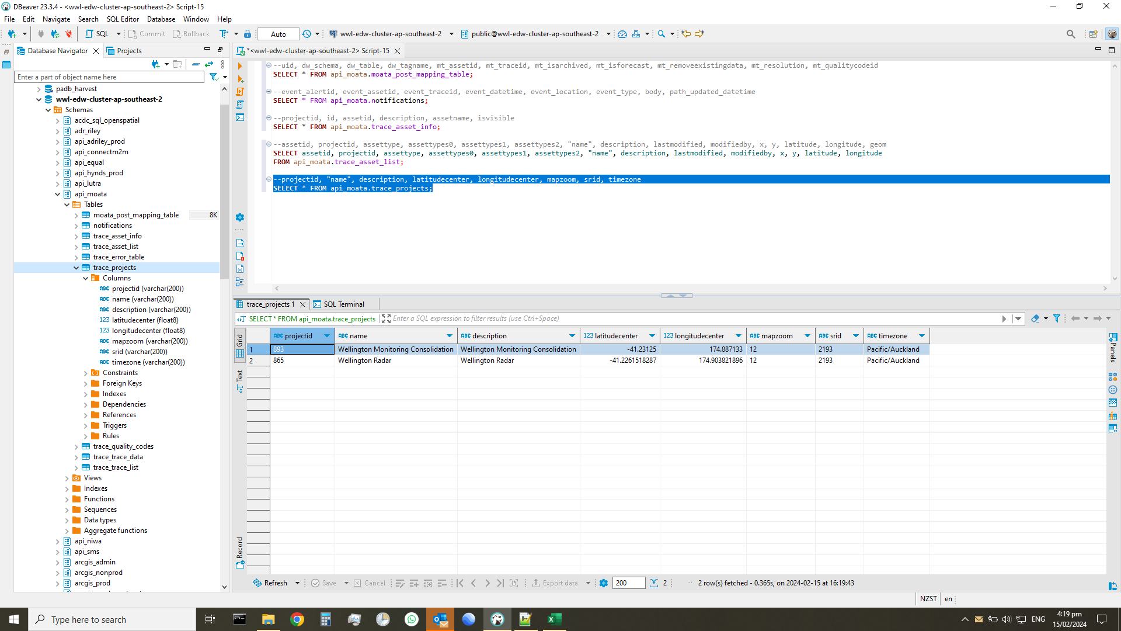

trace_quality_codes
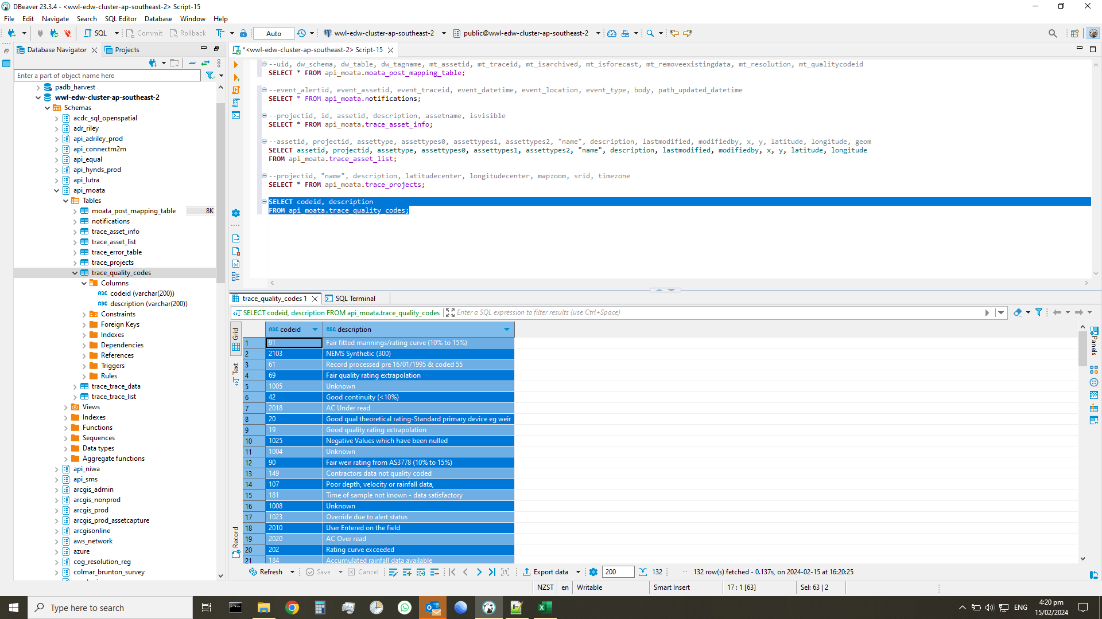
codeid | description
91 | Fair fitted mannings/rating curve (10% to 15%)
2103 | NEMS Synthetic (300)
61 | Record processed pre 16/01/1995 & coded 55
69 | Fair quality rating extrapolation
1005 | Unknown
42 | Good continuity (<10%)
2018 | AC Under read
20 | Good qual theoretical rating-Standard primary device eg weir
19 | Good quality rating extrapolation
1025 | Negative Values which have been nulled
1004 | Unknown
90 | Fair weir rating from AS3778 (10% to 15%)
149 | Contractors data not quality coded
107 | Poor depth, velocity or rainfall data,
181 | Time of sample not known - data satisfactory
1008 | Unknown
1023 | Override due to alert status
2010 | User Entered on the field
2020 | AC Over read
202 | Rating curve exceeded
184 | Accumulated rainfall data available
148 | ADS pressure sensor failed - Depth exceeds full pipe flow - Flow data OK
1022 | Forcasted Data from Model
2014 | AC Excess Rainfall
92 | Fair continuity (10% to 15%)
211 | Estimated from radar
2105 | NEMS Fair (500)
31 | Evaporation pan overflowed - nil evap.
10030 | AC - Measured data - Unknown Quality
108 | Recorded to customer criteria
190 | Bad weir rating from AS3778 (>25%)
10040 | AC - Estimated/Extrapolated data
10042 | AC - Poor quality data
44 | Good wet well inflow computation (<10%)
10020 | AC - Good Quality - edited data
10161 | Lab Sampling Data
136 | Snow - Poor quality record
10140 | AC - Undefined
104 | Estimated by professional judgement (level, velocity and discharge),
192 | Bad continuity (>25%)
35 | Frost - Good quality record
29 | Daily read gauge not read
10044 | AC - Estimated Data
1011 | Automated Process or Synthetic
10043 | AC - Suspect data
1001 | Ok
111 | Record processed pre 16/01/1995 & coded 105
70 | Fair quality theoretical rating derived by two or more means and not substantiated by discharge observations
10151 | AC - Missing Record
144 | Poor wet well inflow computation (15% to 25%)
193 | Bad pump discharge computation (>25%)
150 | Data not yet quality coded - Hydsys default
2102 | NEMS Unverified (200)
1007 | Unknown
1009 | Error
93 | Fair pump discharge computation (10% to 15%)
142 | Poor continuity (15% to 25%)
10010 | AC - Original record to Q/A standards
40 | Good weir rating from AS3778 (<10%)
10160 | AC - Station Closed
2012 | AC "1"
10 | Original record to Q/A standards
25 | Daily totals derived from logged data
...

trace_trace_data
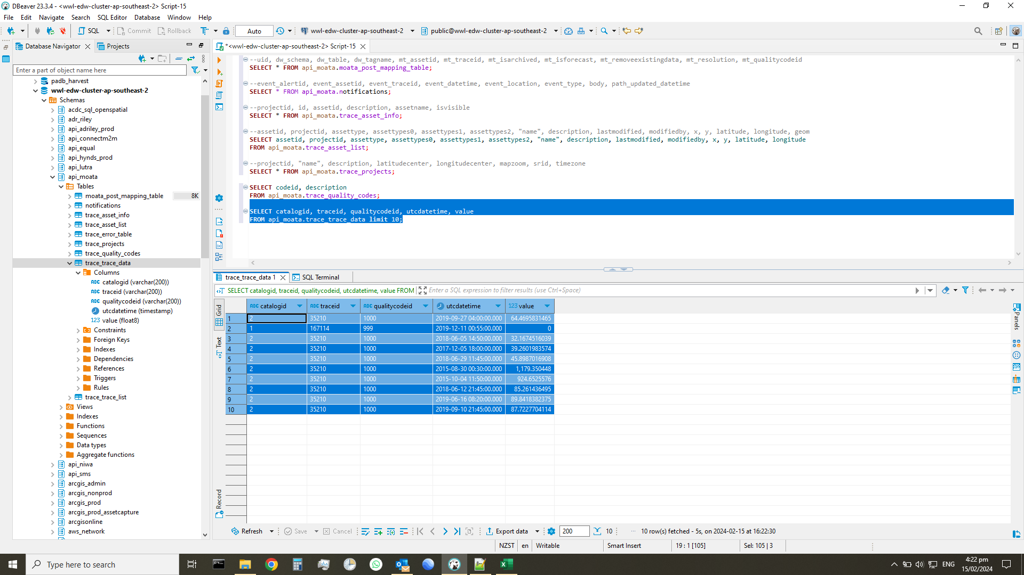
catalogid | traceid | qualitycodeid | utcdatetime | value
2 | 35210 | 1000 | 2019-09-27 04:00:00 | 64.469583147
1 | 167114 | 999 | 2019-12-11 00:55:00 | 0
2 | 35210 | 1000 | 2018-06-05 14:50:00 | 32.167451604
2 | 35210 | 1000 | 2017-12-05 18:00:00 | 39.260198357
2 | 35210 | 1000 | 2018-06-29 11:45:00 | 45.898701691
2 | 35210 | 1000 | 2015-08-30 00:30:00 | 1179.350448
2 | 35210 | 1000 | 2015-10-04 11:50:00 | 924.6525576
2 | 35210 | 1000 | 2018-06-12 21:45:00 | 85.261436495
2 | 35210 | 1000 | 2019-06-16 08:20:00 | 89.841838238
2 | 35210 | 1000 | 2019-09-10 21:45:00 | 87.722770411

trace_trace_list
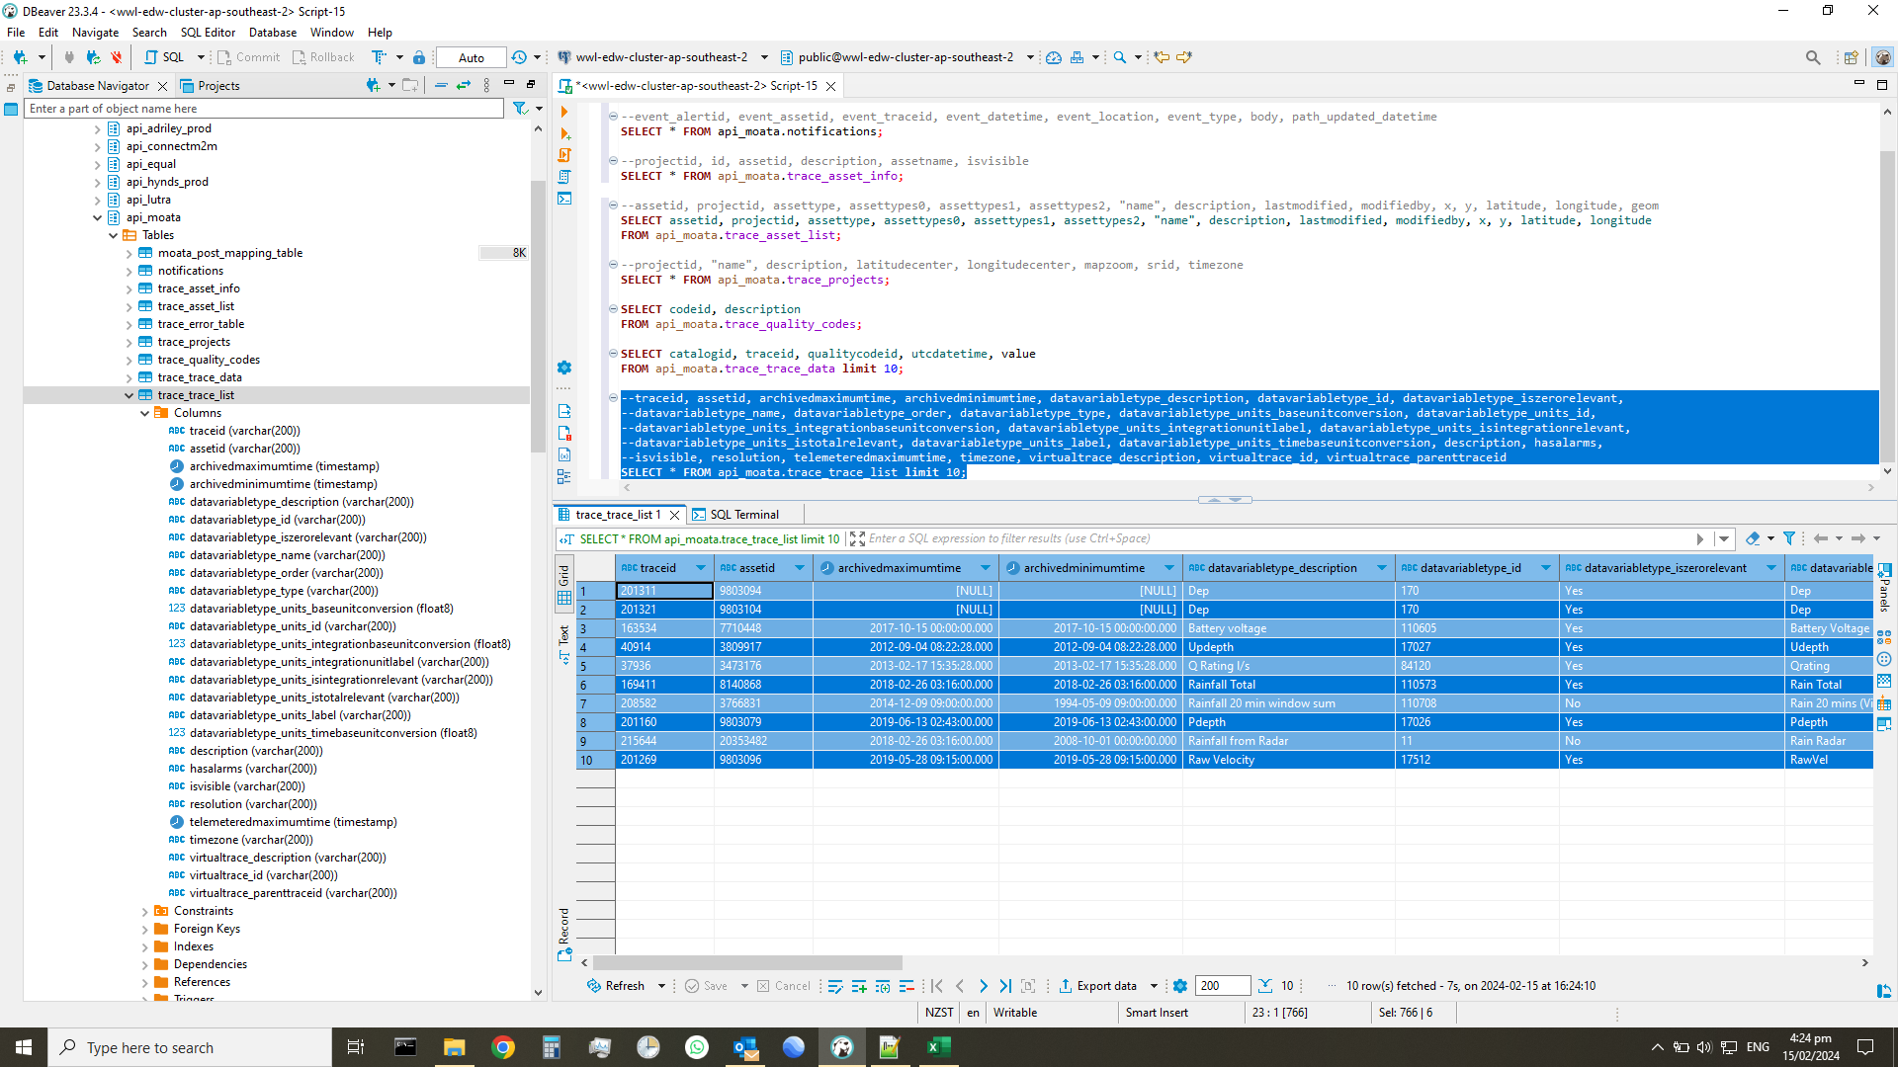
...
traceid | assetid | archivedmaximumtime | archivedminimumtime | datavariabletype_description | datavariabletype_id | datavariabletype_iszerorelevant | datavariabletype_name | datavariabletype_order | datavariabletype_type | datavariabletype_units_baseunitconversion | datavariabletype_units_id | datavariabletype_units_integrationbaseunitconversion | datavariabletype_units_integrationunitlabel | datavariabletype_units_isintegrationrelevant | datavariabletype_units_istotalrelevant | datavariabletype_units_label | datavariabletype_units_timebaseunitconversion | description | hasalarms | isvisible | resolution | telemeteredmaximumtime | timezone | virtualtrace_description | virtualtrace_id | virtualtrace_parenttraceid
201321 | 9803104 |  |  | Dep | 170 | Yes | Dep | 11 | Dep | 1 | 23 | 1 |  | No | No | m | 1 | Dfinal | No | Yes | 300 |  | Etc/GMT-12
163534 | 7710448 | 2017-10-15 00:00:00 | 2017-10-15 00:00:00 | Battery voltage | 110605 | Yes | Battery Voltage | 90 | Batt | 1 | 80 | 1 |  | No | No | V | 1 | Battery | Yes | No | 300 | 2020-07-16 00:00:00 | Etc/GMT-12
40914 | 3809917 | 2012-09-04 08:22:28 | 2012-09-04 08:22:28 | Updepth | 17027 | Yes | Udepth | 23 | Dep | 0.001 | 33 | 1 |  | No | No | mm | 1 | UpDEPTH | Yes | No | 300 | 2020-07-16 08:55:00 | Etc/GMT-12
37936 | 3473176 | 2013-02-17 15:35:28 | 2013-02-17 15:35:28 | Q Rating l/s | 84120 | Yes | Qrating | 21 | Flow | 1 | 22 | 0.001 | m3 | Yes | No | l/s | 1 | Overflow Discharge | No | No | 300 | 2020-07-16 05:55:00 | Etc/GMT-12 | Ken&Wake OF - QRATING | 14637 | 34000
169411 | 8140868 | 2018-02-26 03:16:00 | 2018-02-26 03:16:00 | Rainfall Total | 110573 | Yes | Rain Total | 100 | Rain | 1 | 100 | 1 |  | No | Yes | mm | 1 | Rain Radar 30min Peak Alarming | No | Yes | 120 | 2020-07-16 09:00:00 | Etc/GMT-12 | Rain Radar - 30min Peak Alarming | 103895 | 168053
208582 | 3766831 | 2014-12-09 09:00:00 | 1994-05-09 09:00:00 | Rainfall 20 min window sum | 110708 | No | Rain 20 mins (Virtual Data) | 100 | Rain | 1 | 100 | 1 |  | No | Yes | mm | 1 | Rainfall 20 min window sum | No | No | 300 | 2020-07-16 08:35:00 | Etc/GMT-12 | 208582_Rainfall 20 min window sum | 122443 | 39937
201160 | 9803079 | 2019-06-13 02:43:00 | 2019-06-13 02:43:00 | Pdepth | 17026 | Yes | Pdepth | 22 | Dep | 0.001 | 33 | 1 |  | No | No | mm | 1 | Pdepth | No | Yes | 300 | 2020-04-29 15:45:00 | Etc/GMT-12
215644 | 20353482 | 2018-02-26 03:16:00 | 2008-10-01 00:00:00 | Rainfall from Radar | 11 | No | Rain Radar | 101 | Rain | 1 | 100 | 1 |  | No | Yes | mm | 1 | Rain Radar | No | Yes | 120 | 2020-03-09 11:00:00 | Etc/GMT-12 | 215644_Rain Radar | 131719 | 215644
201269 | 9803096 | 2019-05-28 09:15:00 | 2019-05-28 09:15:00 | Raw Velocity | 17512 | Yes | RawVel | 25 | Vel | 1 | 25 | 1 |  | No | No | m/s | 1 | RawVel | No | Yes | 300 | 2020-03-24 18:05:00 | Etc/GMT-12

