Figures
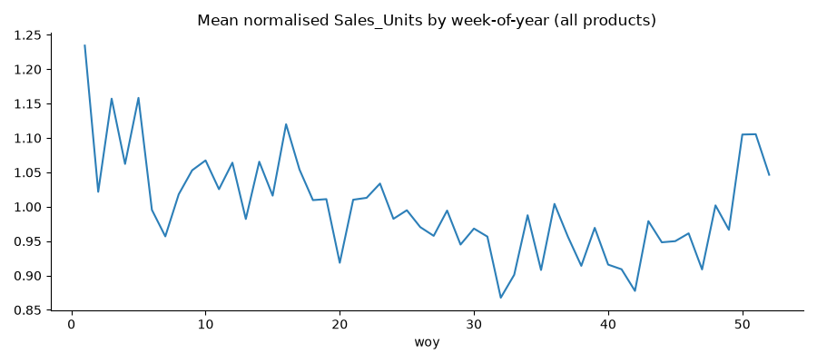
correlation_v1.1.png
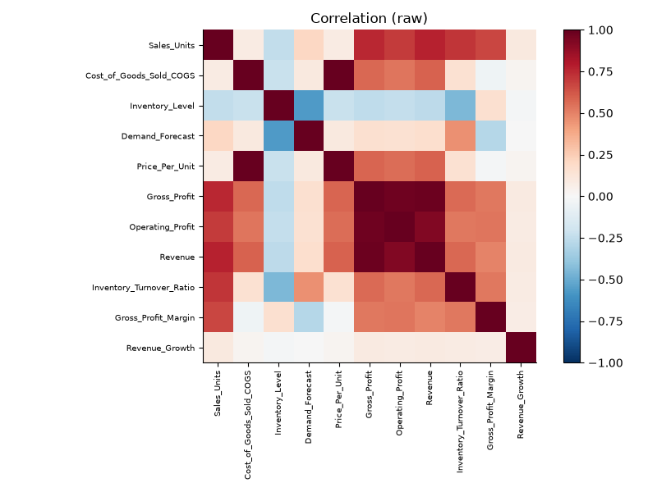

distributions_v1.1.png
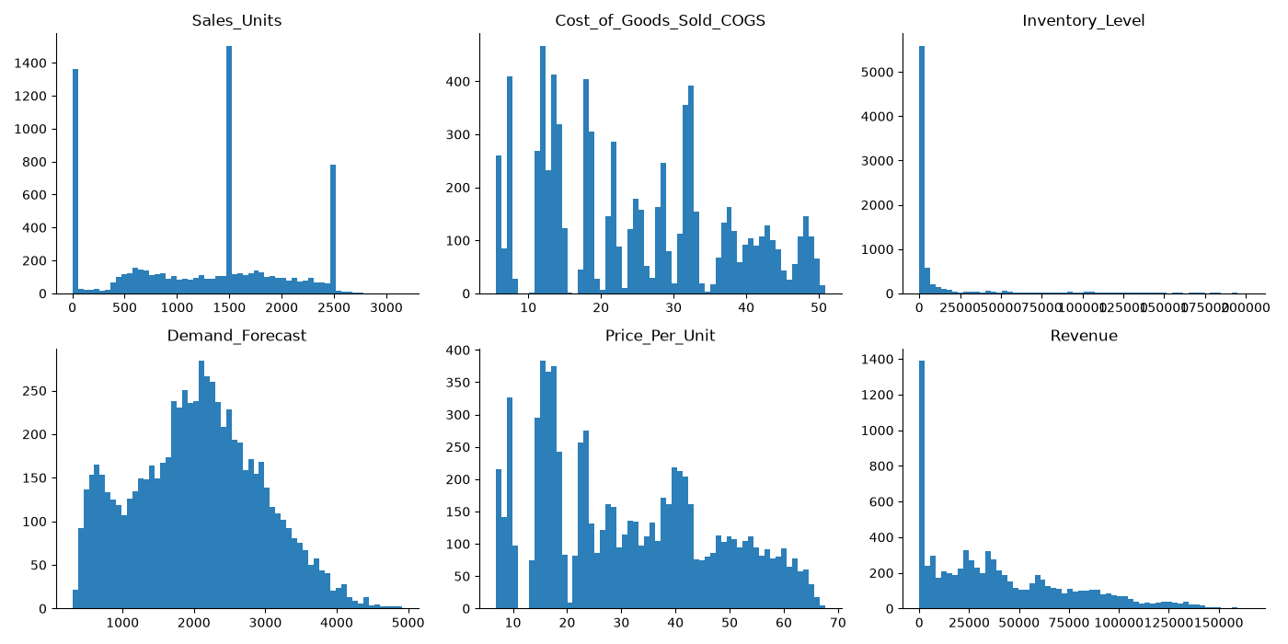

missing_values_v1.1.png
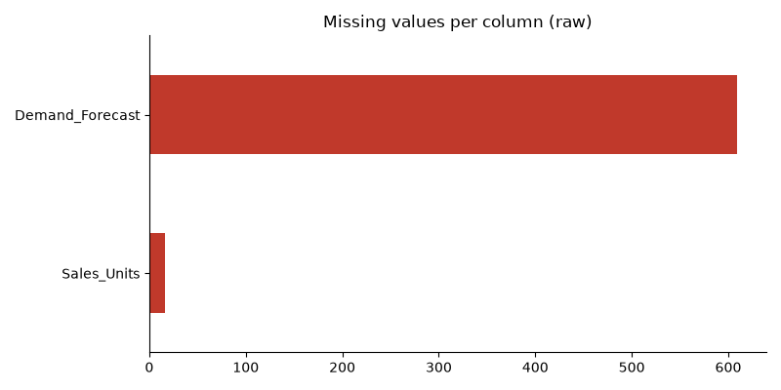

rows_per_product_v1.1.png
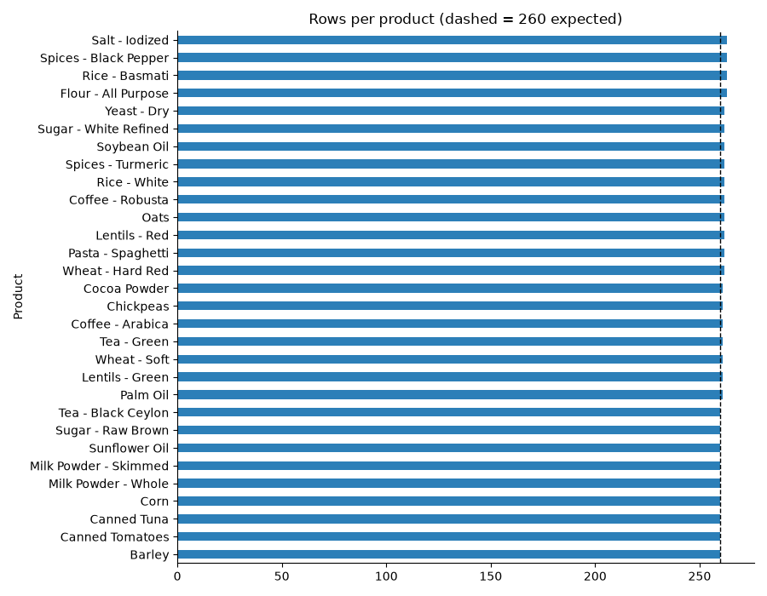

sales_boxplot_v1.1.png
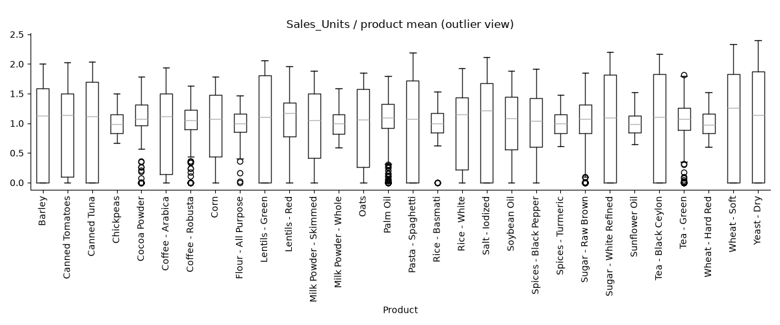

sales_vs_forecast_sample_v1.1.png
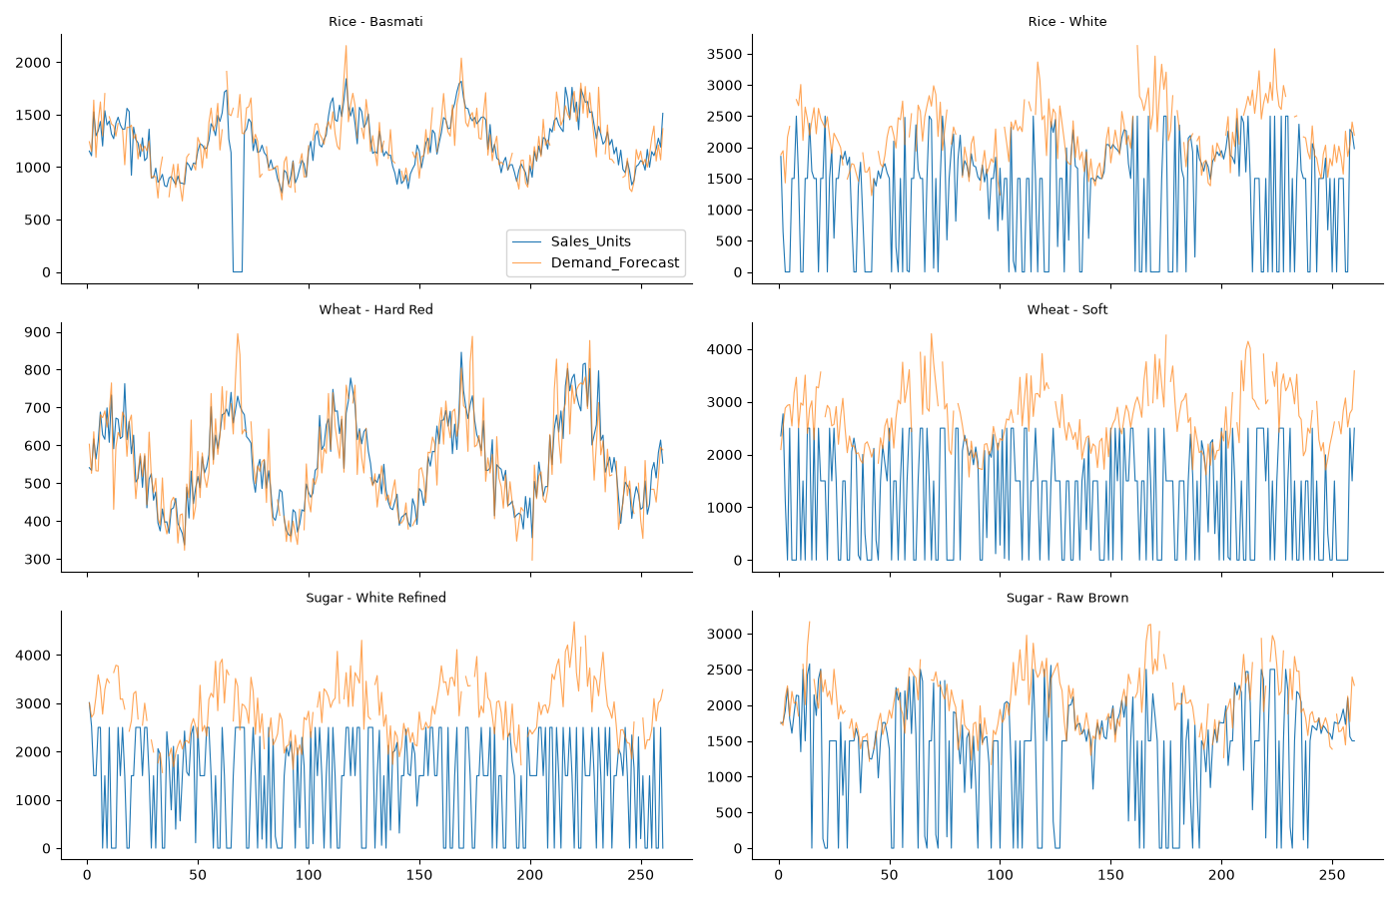

seasonality_v1.1.png

