List1
Generic design |  |  |  | LED design
Vin | 12 | V |  | max V | 3.3 |  | R | 1080 | Ohm
Vout | 6 | V |  | power V | 6
 |  |  |  | max I | 0.0025 | A | P | 0.00675 | W
IoutMaX | 3 | A | dc motor+servo + esp32s3 | peak i | 1 | A
 |  |  | 200mA + 650mA+200mA | SY8303
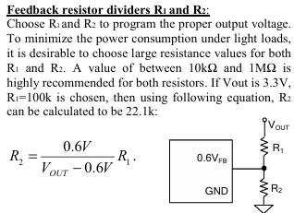

D | 0.55555555556

 |  |  |  | R1 | 200 | kOhm |  | Rfs | 200 | kOhm
 |  |  |  | R2 | 22.222222222 | kOhm |  | F | 500 | kHz
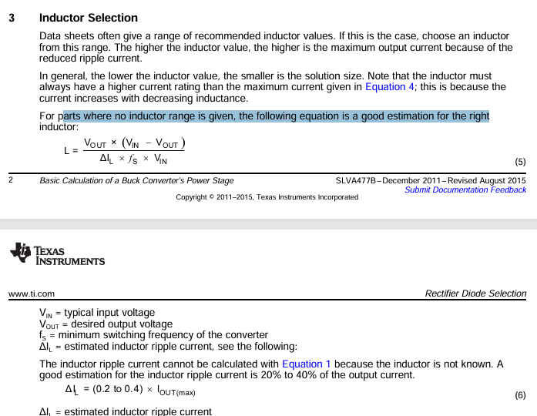
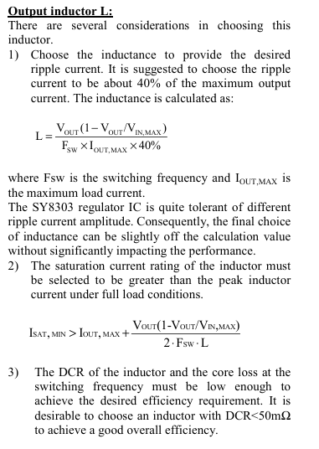

fs | 500000 | Hz
Delta I_L | 1.3333333333 | A |  |  |  |  |  |  |  | L | 0.000005 | H
L | 0.000005 | H

 |  |  |  |  |  |  |  |  |  | Cin | 4.7 | uF
 |  |  |  |  |  |  |  |  |  | CoutMin | 22 | uF

Linear regulator

