Indirect
Mahatma Education Society’s Pillai HOC College of Engineering & Technology, Rasayani |  |  |  |  |  |  |  |  | Course Outcome 1: To implement Linear and Non-Linear data structures. | Course Outcome 2: To handle various operations like searching, insertion, deletion and traversals on various data structures. | Course Outcome 3: To explain various data structures, related terminologies and its types. | Course Outcome 4: To choose appropriate data structure and apply it to solve problems in various domains. | Course Outcome 5: To analyze and Implement appropriate searching techniques for a given problem. | Course Outcome 6: To demonstrate the ability to analyze, design, apply and use data structures to solve engineering problems and evaluate their solutions.
Department of Computer Engineering |  |  |  |  |  |  |  | 5 | 46 | 52 | 48 | 46 | 46 | 45
Academic Year: OSAY 2020-21 |  |  |  |  |  |  |  | 4 | 51 | 38 | 45 | 42 | 43 | 45
Class:SE (IIISemester) |  |  | Course Name: Data Structure (CSC303) |  |  |  |  | 3 | 5 | 12 | 8 | 13 | 13 | 12
INDIRECT ASSESSMENT REPORT |  |  |  |  |  |  |  | 2 | 0 | 0 | 1 | 1 | 0 | 0
COURSE EXIT SURVEY STATISTICS |  |  |  |  |  |  |  | 1 | 0 | 0 | 0 | 0 | 0 | 0
Total No. of Students Present for Exit Survey : |  |  |  |  | 102 |  |  |  | 102 | 102 | 102 | 102 | 102 | 102
Course Objectives | Acceptance Level |  |  |  |  | % | Out of 20
 | 5 | 4 | 3 | 2 | 1
CO1 | 46 | 51 | 5 | 0 | 0 | 88 | 17.61
CO2 | 52 | 38 | 12 | 0 | 0 | 88 | 17.57
CO3 | 48 | 45 | 8 | 1 | 0 | 87 | 17.49
CO4 | 46 | 42 | 13 | 1 | 0 | 86 | 17.22
CO5 | 46 | 43 | 13 | 0 | 0 | 86 | 17.29
CO6 | 45 | 45 | 12 | 0 | 0 | 86 | 17.29
 |  |  |  |  |  | Avg. | 17.41
COURSE EXIT SURVEY STATISTICS

Course Outcomes
CO 1 | Students will be able to implement Linear and Non-Linear data structures.
CO 2 | Students will be able to handle various operations like searching, insertion, deletion and traversals on various data structures.
CO 3 | Students will be able to explain various data structures, related terminologies and its types.
CO 4 | Students will be able to choose appropriate data structure and apply it to solve problems in various domains.
CO 5 | Students will be able to analyze and Implement appropriate searching techniques for a given problem.
CO 6 | Students will be able to demonstrate the ability to analyze, design, apply and use data structures to solve engineering problems and evaluate their solutions.

PO Attainment
Mahatma Education Society’s Pillai HOC College of Engineering & Technology, Rasayani
Department of Computer Engineering
Academic Year: OSAY 2020-21
Class:SE (IIISemester) |  |  | Course Name: Data Structure (CSC303)

Course Outcome | Indirect Measure | Direct Measure 80% |  |  |  |  | Total Attainment
 |  | IA | TW | ORAL | ENDS | Direct Measurement
% Weightage | 20 | 10.4 | 13.6 | 13.6 | 42.4 | 80 | 100
CO1 | 17.61 | 1.88 | 1.75 | 2.09 | 2.76 | 8.5 | 26
CO2 | 17.57 | 1.41 | 2.19 | 2.09 | 5.12 | 10.8 | 28
CO3 | 17.49 | 1.88 | 3.06 | 2.51 | 7.48 | 14.9 | 32
CO4 | 17.22 | 0.94 | 1.31 | 1.25 | 6.70 | 10.2 | 27
CO5 | 17.29 | 1.41 | 1.31 | 1.25 | 2.36 | 6.3 | 24
CO6 | 17.29 | 1.88 | 1.31 | 1.25 | 7.09 | 11.5 | 29
 |  |  |  |  |  |  |  |  |  |  |  |  |  |  |  | Mapping in the scale of 1, 2, 3
Course Outcome | Total Attainment | Program Outcome
 |  | PO1 | PO2 | PO3 | PO4 | PO5 | PO6 | PO7 | PO8 | PO9 | PO10 | PO11 | PO12 | CO | PO1 | PO2 | PO3 | PO4 | PO5 | PO6 | PO7 | PO8 | PO9 | PO10 | PO11 | PO12
CO1 | 26 | 1 | 0.66 | 0.33 |  |  |  |  |  |  |  |  | 0.66 | CO1 | 3 | 2 | 1 |  |  |  |  |  |  |  |  | 2
CO2 | 28 | 1 | 1 | 0.66 |  | 0.33 |  |  |  | 0.66 |  | 0.66 |  | CO2 | 3 | 3 | 2 |  | 1 |  |  |  | 2 |  | 2
CO3 | 32 | 1 | 0.66 | 0.66 |  |  | 0.33 | 0.33 | 0.66 |  | 0.33 | 0.66 | 0.66 | CO3 | 3 | 2 | 2 |  |  | 1 | 1 | 2 |  | 1 | 2 | 2
CO4 | 27 | 1 | 0.33 | 0.33 |  | 0.66 | 0.66 | 0.66 | 0.66 |  | 0.33 |  | 0.66 | CO4 | 3 | 1 | 1 |  | 2 | 2 | 2 | 2 |  | 1 |  | 2
CO5 | 24 | 1 | 0.66 |  | 0.33 |  | 0.33 |  |  | 0.66 |  | 0.66 |  | CO5 | 3 | 2 |  | 1 |  | 1 |  |  | 2 |  | 2
CO6 | 29 | 0.66 | 0.33 | 0.66 | 0.33 | 0.66 | 0.33 | 0.66 | 0.33 | 0.33 |  |  |  | CO6 | 2 | 1 | 2 | 1 | 2 | 1 | 2 | 1 | 1
 |  |  |  |  |  |  |  |  |  |  |  |  |  | CSC303 | 2.83 | 1.83 | 1.60 | 1.00 | 1.67 | 1.25 | 1.67 | 1.67 | 1.67 | 1.00 | 2.00 | 2.00
Total Attainment of PO |  | 26.16 | 16.86 | 12.80 | 2.89 | 7.75 | 7.69 | 7.97 | 8.17 | 7.31 | 3.29 | 9.29 | 9.45
Level of attainment precribed by NBA (LEVEL 1=0-10, LEVEL 2= (11-20), LEVEL 3 =(20 ONWARDS) |  | 3.00 | 2.00 | 2.00 | 1.00 | 1.00 | 1.00 | 1.00 | 1.00 | 1.00 | 1.00 | 1.00 | 1.00
Indirect Measeurement |  | 16.43 | 10.59 | 7.67 | 1.90 | 4.76 | 4.76 | 4.76 | 4.77 | 4.79 | 1.91 | 5.76 | 5.75

Direct |  | 9.73 | 6.27 | 5.13 | 0.98 | 2.99 | 2.93 | 3.21 | 3.40 | 2.52 | 1.38 | 3.53 | 3.70
1: Strong 0.66 moderate 0.33: Weak 0: Not Existing

CO Attainment
PO Attainment

Program Outcomes
PO-1 | Engineering knowledge: Apply the knowledge of mathematics, science, engineering fundamentals, and an engineering specialization to the solution of complex engineering problems.
PO-2 | Problem analysis: Identify, formulate, review research literature and analyze complex engineering problems reaching substantiated conclusions using first principles of mathematics, natural sciences, and engineering sciences.
PO-3 | Design/development of solutions: Design solutions for complex engineering problems and design system components or processes that meet the specified needs with appropriate consideration for the public health and safety, and the cultural, societal, and environmental considerations.
PO-4 | Conduct investigations of complex problems: Use research based knowledge and research methods including design of experiments, analysis and interpretation of data, and synthesis of the information to provide valid conclusions
PO-5 | Modern tool usage: Create, select, and apply appropriate techniques, resources, and modern engineering and IT tools including prediction and modeling to complex engineering activities with an understanding of the limitations.
PO-6 | The engineer and society: Apply reasoning informed by the contextual knowledge to assess societal, health, safety, legal and cultural issues and the consequent responsibilities relevant to the professional engineering practice.
PO-7 | Environment and sustainability: Understand the impact of the professional engineering solutions in societal and environmental contexts, and demonstrate the knowledge of, and need for sustainable development.
PO-8 | Ethics: Apply ethical principles and commit to professional ethics and responsibilities and norms of the engineering practice.

PO-9 | Individual and team work: Function effectively as an individual, and as a member or leader in diverse teams, and in multidisciplinary settings.

PO-10 | Communication: Communicate effectively on complex engineering activities with the engineering community and with society at large, such as, being able to comprehend and write effective reports and design documentation, make effective presentations, and give and receive clear instructions.
PO-11 | Project management and finance: Demonstrate knowledge and understanding of the engineering and management principles and apply these to one’s own work, as a member and leader in a team, to manage projects and in multidisciplinary environments.
PO-12 | Life-long learning: Recognize the need for, and have the preparation and ability to engage in independent and life-long learning in the broadest context of technological change.

PSO Attainment
Mahatma Education Society’s Pillai HOC College of Engineering & Technology, Rasayani
Department of Computer Engineering
Academic Year: OSAY 2020-21
Class:SE (IIISemester) |  |  | Course Name: Data Structure (CSC303)

Course Outcome | Indirect Measure | Direct Measure 80% |  |  |  |  | Total Attainment
 |  | IA | TW | ORAL | ENDS | Direct Measurement
% Weightage | 20 | 10.4 | 13.6 | 13.6 | 42.4 | 80 | 100
CO1 | 17.61 | 1.88 | 1.75 | 2.09 | 2.76 | 8.5 | 26
CO2 | 17.57 | 1.41 | 2.19 | 2.09 | 5.12 | 10.8 | 28
CO3 | 17.49 | 1.88 | 3.06 | 2.51 | 7.48 | 14.9 | 32
CO4 | 17.22 | 0.94 | 1.31 | 1.25 | 6.70 | 10.2 | 27
CO5 | 17.29 | 1.41 | 1.31 | 1.25 | 2.36 | 6.3 | 24
CO6 | 17.29 | 1.88 | 1.31 | 1.25 | 7.09 | 11.5 | 29

Course Outcome | Total Attainment | Program Specific Outcome |  |  |  |  |  | Mapping in the scale of 1 ,2,3
 |  | PSO-1 | PSO-2 | PSO-3 | PSO-4 |  |  | CO | PSO1 | PSO2 | PSO3 | PSO4
CO1 | 26.09 | 1 | 0.66 |  | 0.33 |  |  | CO1 | 3 | 2 |  | 1
CO2 | 28.38 |  | 1 |  | 0.66 |  |  | CO2 |  | 3 |  | 2
CO3 | 32.42 | 1 | 0.66 | 1 |  |  |  | CO3 | 3 | 2 | 3
CO4 | 27.42 | 1 |  | 0.33 |  |  |  | CO4 | 3 |  | 1
CO5 | 23.63 | 0.33 | 0.66 |  | 1 |  |  | CO5 | 1 | 2 |  | 3
CO6 | 28.83 |  | 0.66 |  | 1 |  |  | CO6 |  | 2 |  | 3
 |  |  |  |  |  |  |  | CSC303 | 2.50 | 2.20 | 2.00 | 2.25
Total Attainment of PSO |  | 15.62 | 16.94 | 6.91 | 13.30
Level of attainment precribed by NBA (LEVEL 1=0-10, LEVEL 2= (11-20), LEVEL 3 =(20 ONWARDS) |  | 2.00 | 2.00 | 1.00 | 2.00
Indirect Measeurement |  | 9.67 | 10.59 | 3.86 | 8.67

Direct |  | 5.95 | 6.34 | 3.05 | 4.63
1: More Strong 0.66: Strong 0.33: Weak 0: Not Mapping

CO Attainment
PSO Attainment
PSO-1 | 15.62 | 2.00
PSO-2 | 16.94 | 2.00
PSO-3 | 6.91 | 1.00
PSO-4 | 13.30 | 2.00

Program Specific Outcomes
PSO-1 | Apply knowledge of mathematical foundations, algorithmic principles and computer science in modelling and design of computer based systems.
PSO-2 | Gather requirements, design and implement software projects using modern tools.
PSO-3 | Solve real time problems by providing automated solutions in diverse fields of human endeavour.
PSO-4 | Optimize the use of resources in problem solving and work as a team player.

UT
Mahatma Education Society’s Pillai HOC College of Engineering & Technology, Rasayani
Department of Computer Engineering
Academic Year: OSAY 2020-21
Class:SE (IIISemester) |  |  | Course Name: Data Structure (CSC303)
Unit Test - I Mapping

 | Mapping of Unit Test - I with CO |  | CO1 | CO2 | CO3 | CO4 | CO5 | CO6
 | Attempt any Four Questions (5 mark each) |  | Course Outcome 1: To implement Linear and Non-Linear data structures. | Course Outcome 2: To handle various operations like searching, insertion, deletion and traversals on various data structures. | Course Outcome 3: To explain various data structures, related terminologies and its types. | Course Outcome 4: To choose appropriate data structure and apply it to solve problems in various domains. | Course Outcome 5: To analyze and Implement appropriate searching techniques for a given problem. | Course Outcome 6: To demonstrate the ability to analyze, design, apply and use data structures to solve engineering problems and evaluate their solutions.

 |  | 1 | 1

 |  | 2 | 1

 |  | 3 | 1

 |  | 4 |  |  |  |  |  | 1

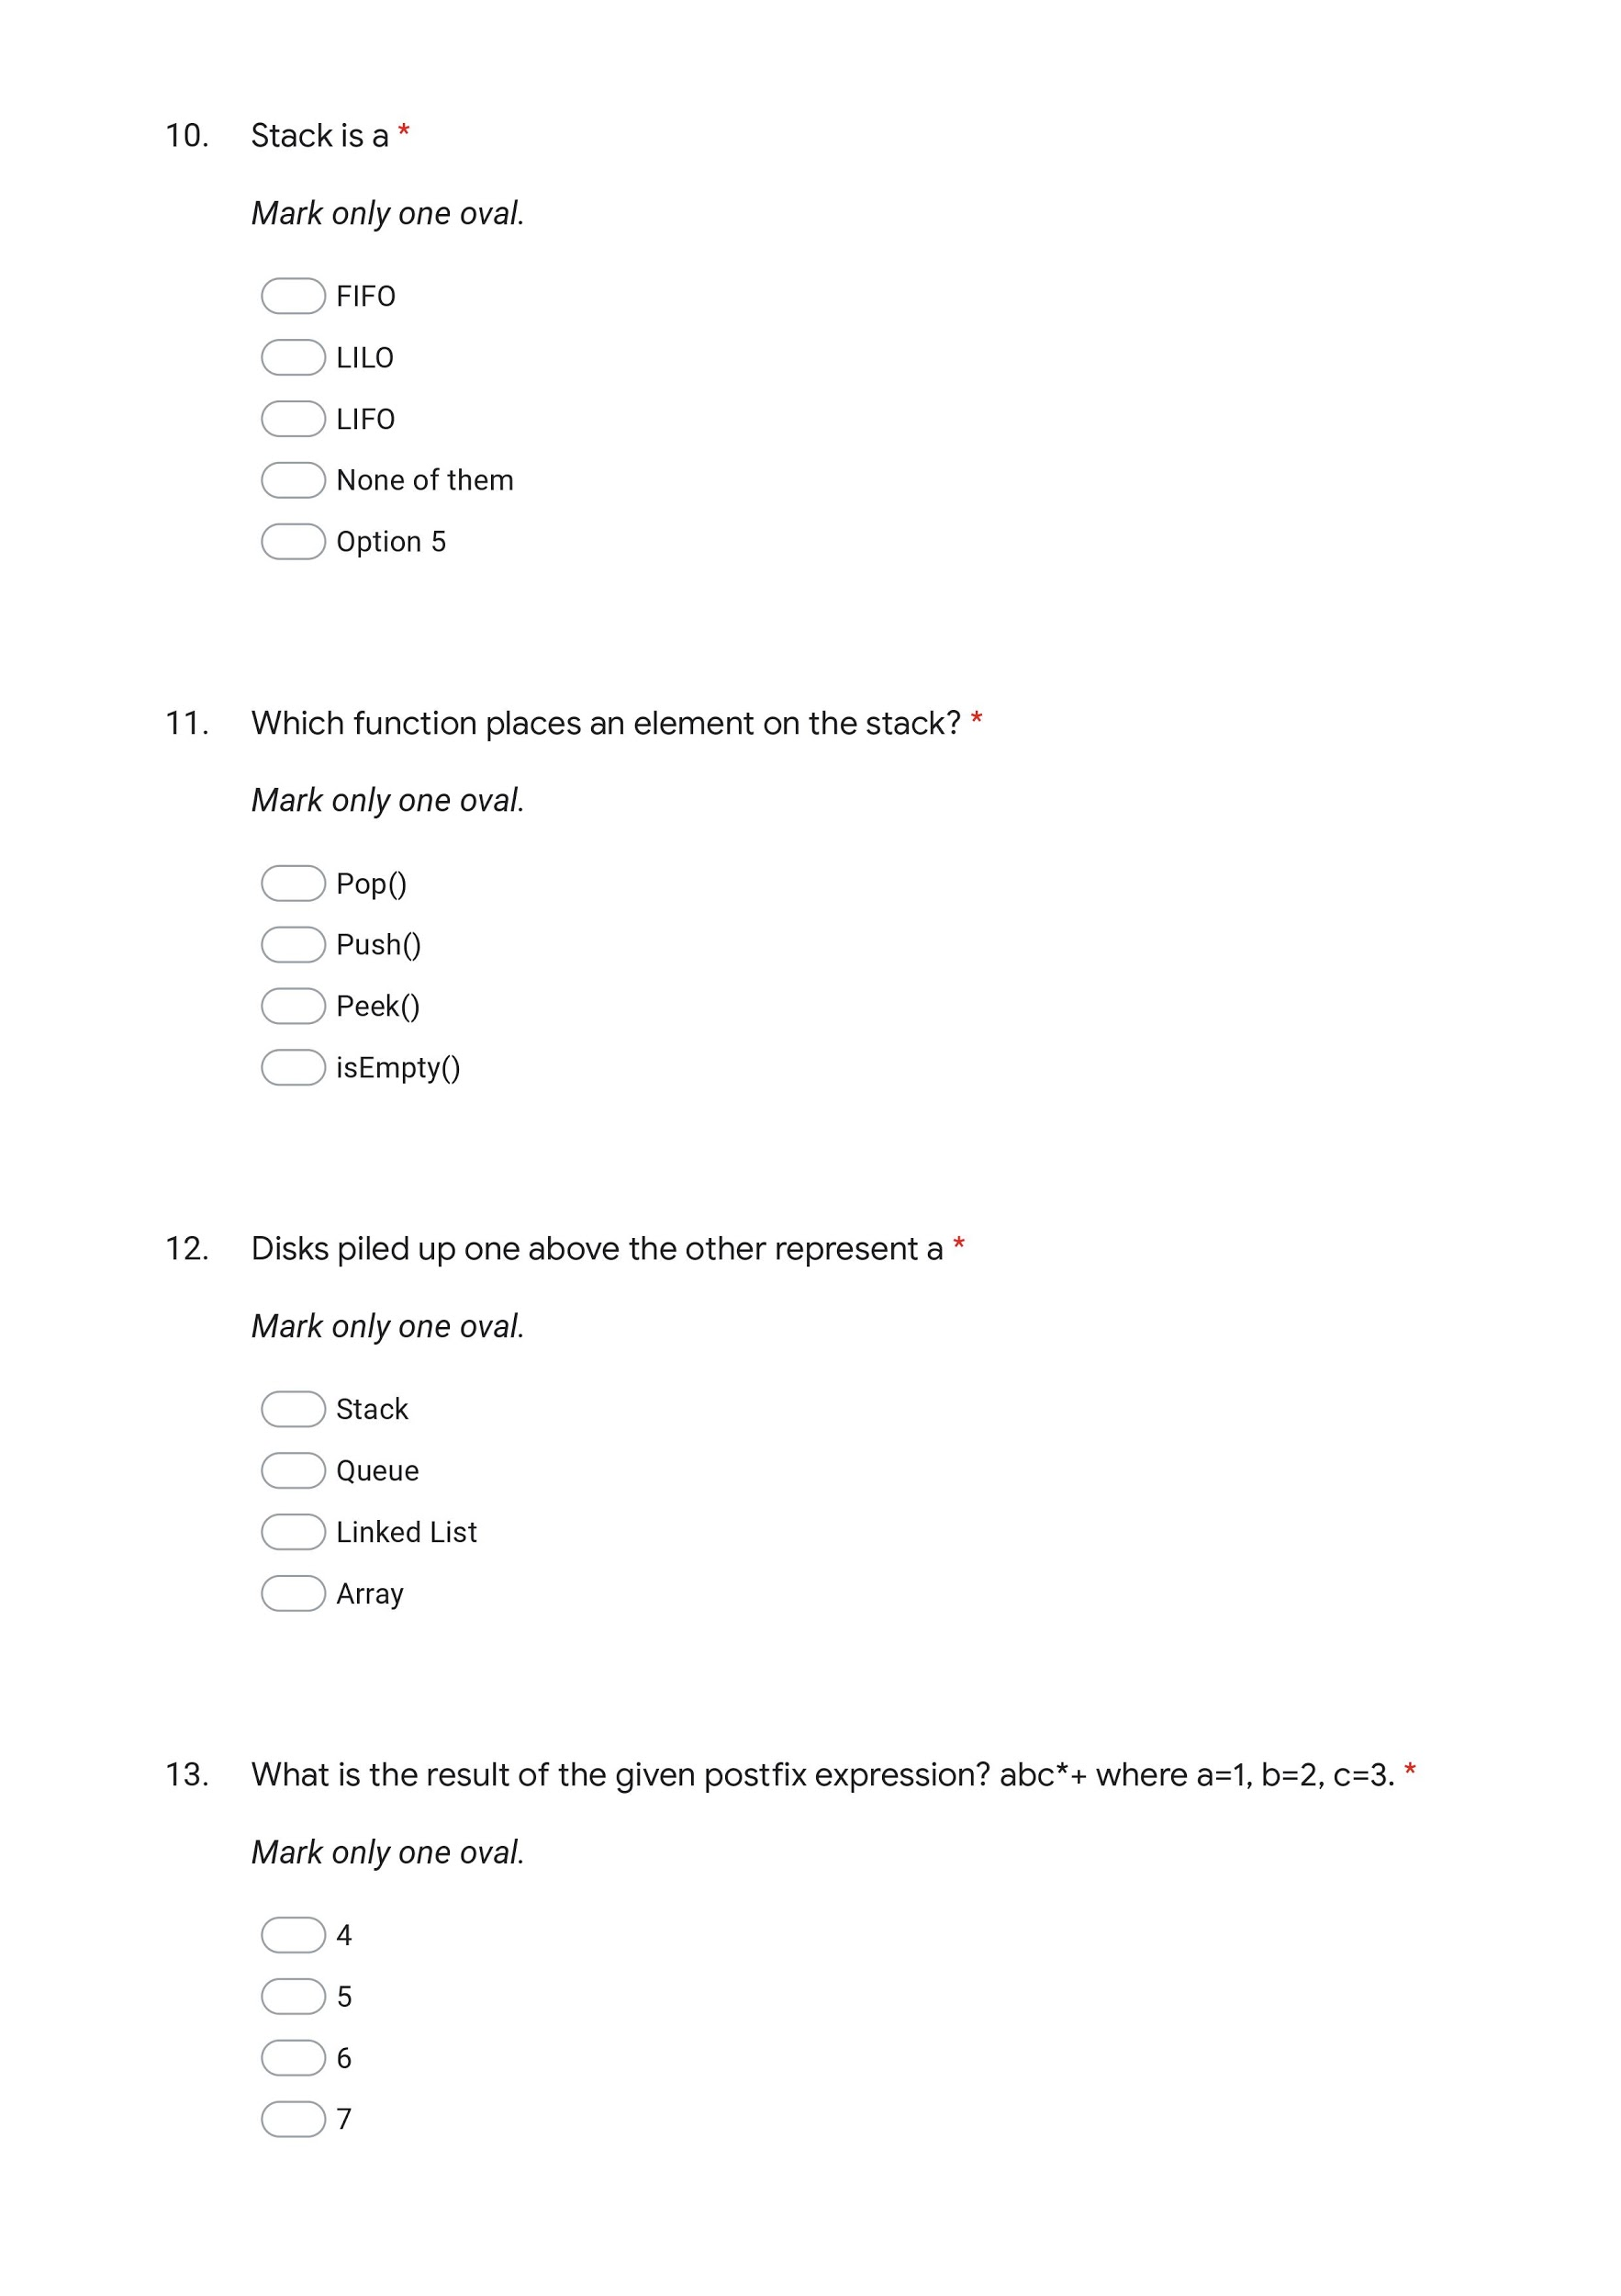
 |  | 5 | 1

 |  | 6 | 1

 |  | 7 |  |  | 1

 |  | 8 |  |  |  |  |  | 1


 |  | 9 |  |  | 1

 |  | 10 |  |  | 1

 |  | 11 |  |  |  |  |  | 1

 |  | 12 |  |  |  | 1

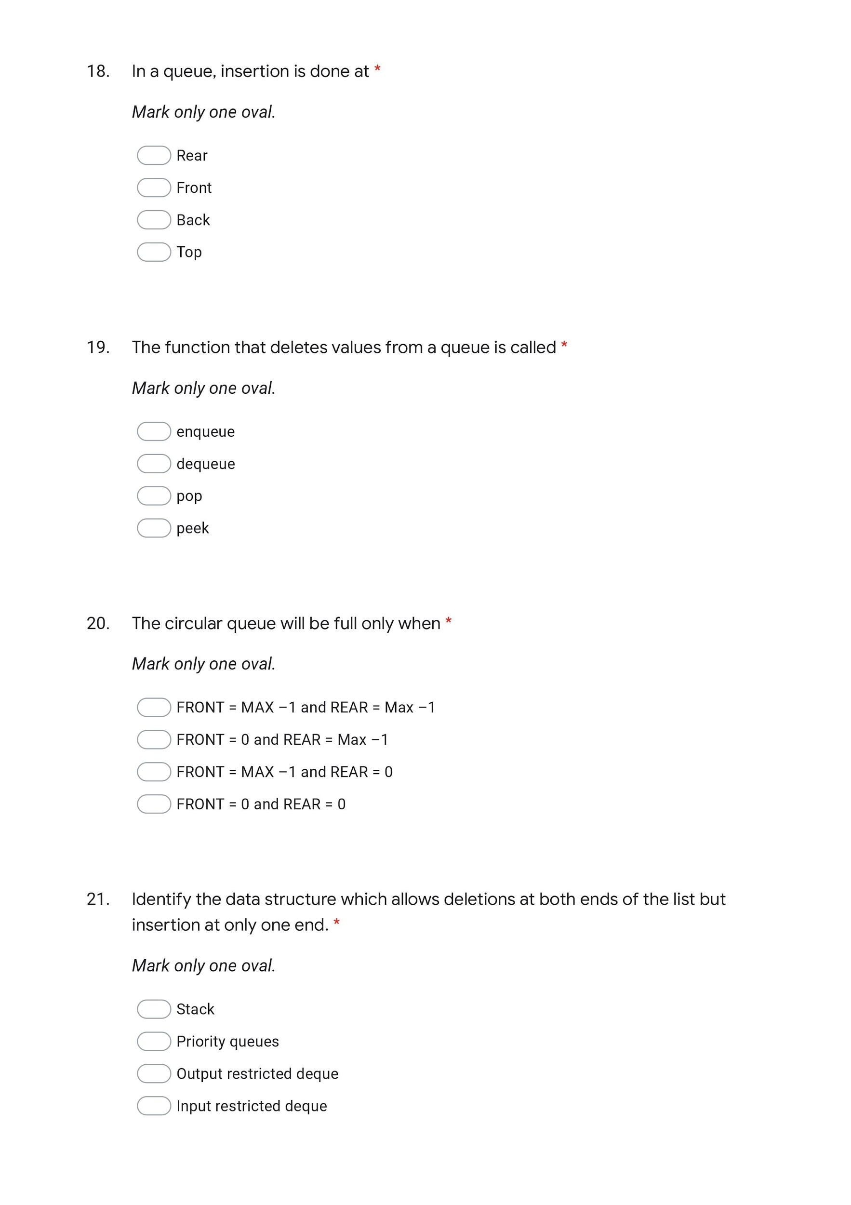

 |  | 13 |  | 1

 |  | 14 |  | 1

 |  | 15 |  | 1

 |  | 16 |  | 1

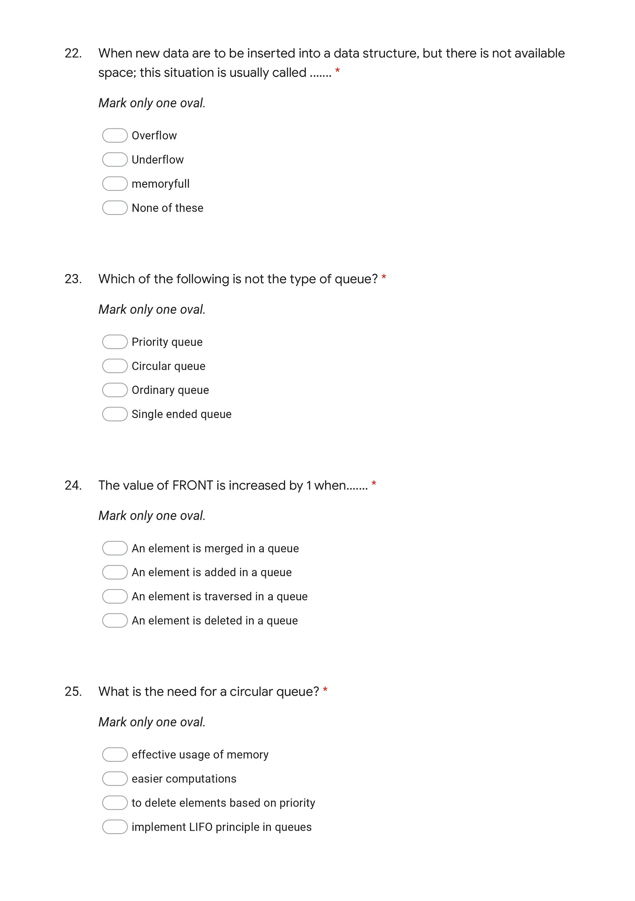
 |  | 17 |  |  | 1

 |  | 18 |  |  | 1

 |  | 19 |  |  | 1

 |  | 20 |  |  |  | 1

 |  | out of 20 | 5 | 4 | 6 | 2 | 0 | 3

Unit Test - II Mapping

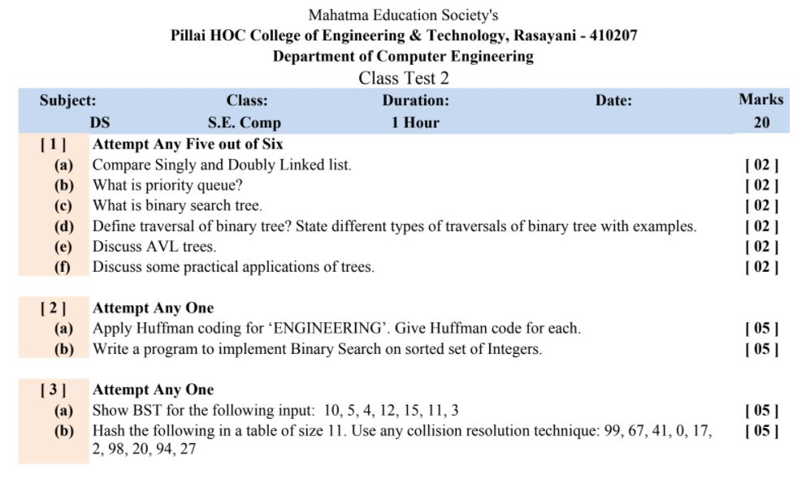
 | Mapping of Unit Test - II with CO |  | CO1 | CO2 | CO3 | CO4 | CO5 | CO6
 |  |  | Course Outcome 1: To implement Linear and Non-Linear data structures. | Course Outcome 2: To handle various operations like searching, insertion, deletion and traversals on various data structures. | Course Outcome 3: To explain various data structures, related terminologies and its types. | Course Outcome 4: To choose appropriate data structure and apply it to solve problems in various domains. | Course Outcome 5: To analyze and Implement appropriate searching techniques for a given problem. | Course Outcome 6: To demonstrate the ability to analyze, design, apply and use data structures to solve engineering problems and evaluate their solutions.

 |  |  | 2
 |  |  | 2
 |  |  | 2
 |  |  |  | 2
 |  |  |  |  | 2 |  |  | 2

 |  |  |  |  |  |  |  | 5
 |  |  |  |  |  |  | 5

 |  |  |  |  |  |  | 5
 |  |  |  |  |  | 5

 |  | out of 32 | 6 | 2 | 2 | 5 | 10 | 7
 |  | out of 20 | 3.8 | 1.3 | 1.3 | 3.1 | 6.3 | 4.4

 | IA1 | out of 20 | 5 | 4 | 6 | 2 | 0 | 3
 | IA2 | out of 20 | 3.8 | 1.3 | 1.3 | 3.1 | 6.3 | 4.4
 | IA avg | out of 20 | 4.38 | 2.63 | 3.63 | 2.56 | 3.13 | 3.69
 | Final round out IA avg | out of 20 | 4 | 3 | 4 | 2 | 3 | 4

Uni Paper
Mahatma Education Society’s Pillai HOC College of Engineering & Technology, Rasayani
Department of Computer Engineering
Academic Year: OSAY 2020-21
Class:SE (IIISemester) |  |  |  | Course Name: Data Structure (CSC303)
University Question Paper |  |  | CO1 | CO2 | CO3 | CO4 | CO5 | CO6
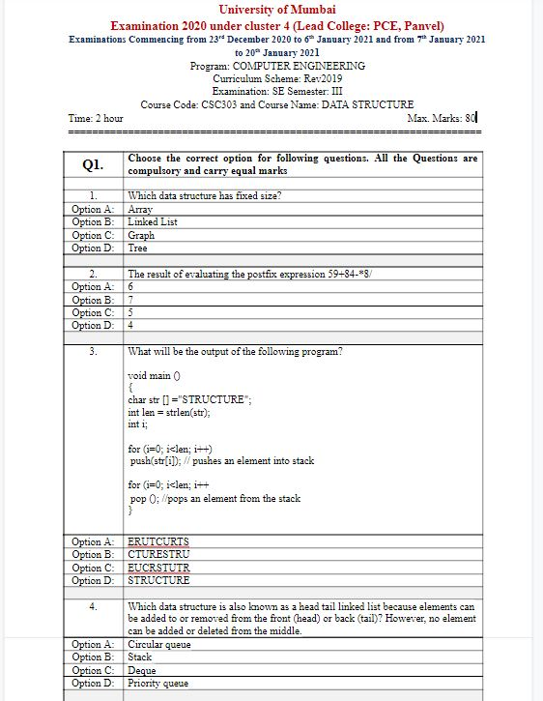
 |  |  | Course Outcome 1: To implement Linear and Non-Linear data structures. | Course Outcome 2: To handle various operations like searching, insertion, deletion and traversals on various data structures. | Course Outcome 3: To explain various data structures, related terminologies and its types. | Course Outcome 4: To choose appropriate data structure and apply it to solve problems in various domains. | Course Outcome 5: To analyze and Implement appropriate searching techniques for a given problem. | Course Outcome 6: To demonstrate the ability to analyze, design, apply and use data structures to solve engineering problems and evaluate their solutions.
 |  | Q.No. 1

 |  | 1 | 2

 |  | 2 |  |  |  |  |  | 2

 |  | 3 |  |  |  |  |  | 2

 |  | 4 |  | 2

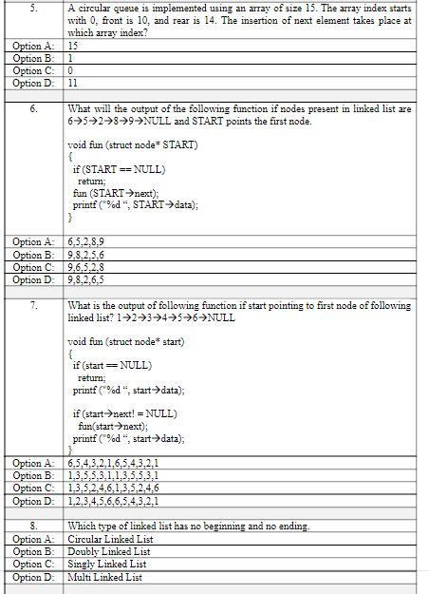
 |  | 5 |  |  |  |  |  | 2

 |  | 6 |  |  | 2

 |  | 7 |  |  | 2

 |  | 8 | 2

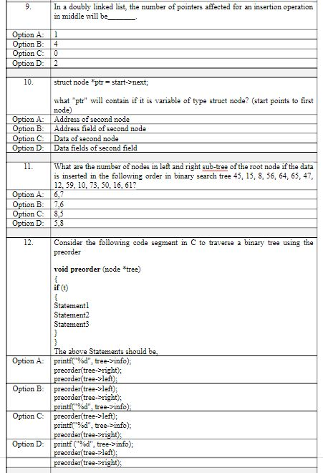

 |  | 9 |  | 2

 |  | 10 |  |  |  | 2

 |  | 11 |  |  |  |  | 2

 |  | 12 |  |  |  |  | 2

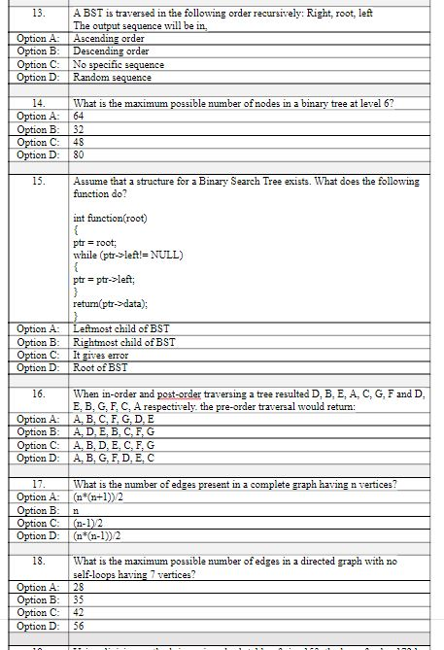
 |  | 13 |  | 2

 |  | 14 |  |  |  |  | 2

 |  | 15 |  |  |  |  | 2

 |  | 16 |  |  |  |  |  | 2

 |  | 17 |  |  |  |  |  | 2

 |  | 18 |  |  |  | 2

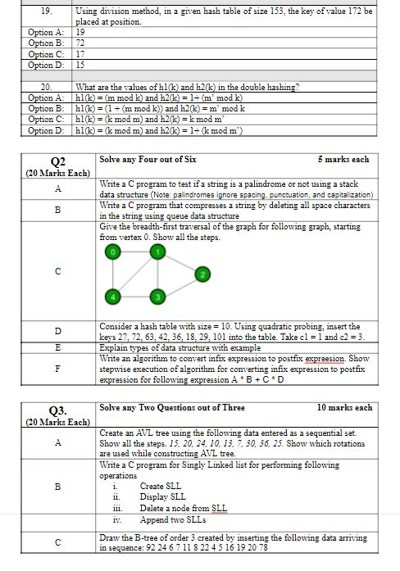
 |  | 19 |  |  |  |  |  | 2

 |  | 20 |  |  |  | 2

 |  | Q2.
 |  | A |  |  |  |  |  | 5
 |  | B |  |  | 5

 |  | C |  |  |  |  |  | 5

 |  | D |  |  |  | 5
 |  | E | 5

 |  | F |  |  | 5

 |  | Q3.
 |  | A |  |  | 10

 |  | B |  | 10

 |  | C |  |  |  | 10

 |  | Out of 100 | 9 | 16 | 24 | 21 | 8 | 22
 |  | Out of 80 | 7.2 | 12.8 | 19.2 | 16.8 | 6.4 | 17.6
 | Final round out of 80 |  | 7 | 13 | 19 | 17 | 6 | 18

