Main
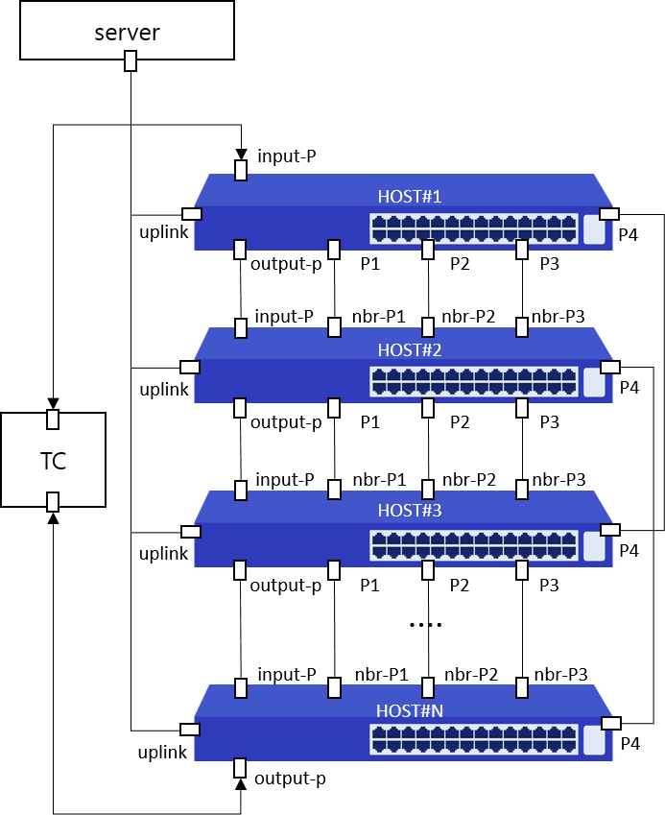
Item List | Elapsed Time | Fail Cnt | Result
Speed | 1(s) | 0 | Normal
Total test | 1(s) | 0 | Normal

