Sheet1
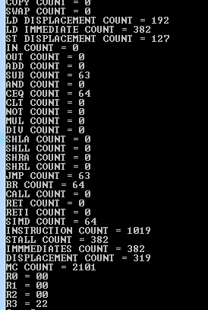
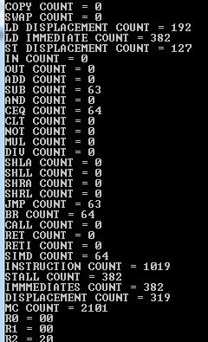
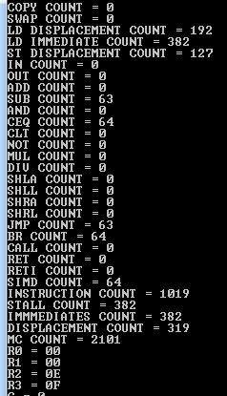
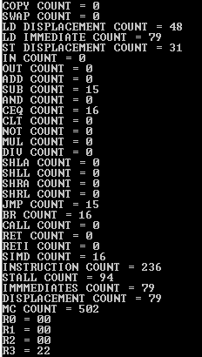
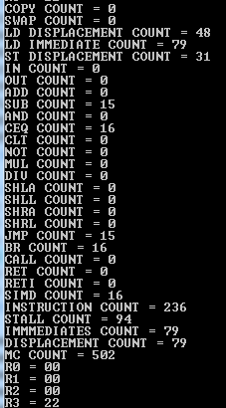
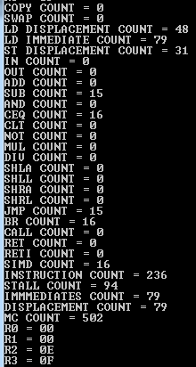
 |  |  |  | SIMD 16 add | SIMD 16 sub | SIMD 16 rot
 | 16 element | 36 element | 64 element
LD Displacement | 48 | 108 | 192
LD Immediate | 79 | 179 | 382
ST Displacement | 31 | 71 | 127
SUB | 15 | 35 | 63
CEQ | 16 | 36 | 64
JMP | 15 | 35 | 63
BR | 16 | 36 | 64
SIMD | 16 | 36 | 64
Instruction Count | 236 | 536 | 1019
Stall Count | 94 | 214 | 382
Immediates | 79 | 179 | 382
Displacement | 79 | 179 | 319
Machine Cycles | 502 | 1142 | 2101

 |  |  |  | SIMD 36 add | SIMD 36 sub | SIMD 36 ROT
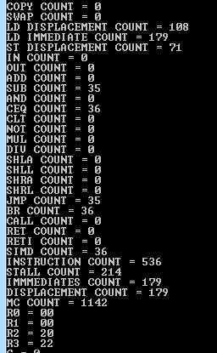
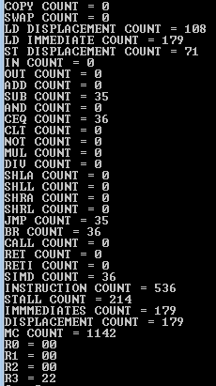
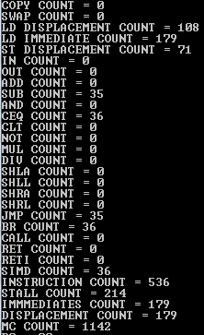

 |  |  |  | SIMD 64 add | SIMD 64 sub | SIMD 64 ROT

Sheet2
 | 16 element | 36 element | 64 element | Instruction Count |  |  |  | Addressing Modes
LD Displacement | 48 | 108 | 192 | 16 element | 36 element | 64 element |  | 16 element | 36 elements | 64 elements
LD Immediate | 79 | 179 | 382 | 236 | 536 | 1019 | Immediate | 79 | 179 | 382
ST Displacement | 31 | 71 | 127 |  |  |  | Displacement | 79 | 179 | 319
Instruction Count
SUB | 15 | 35 | 63
CEQ | 16 | 36 | 64
Addressing Modes
JMP | 15 | 35 | 63
BR | 16 | 36 | 64
SIMD | 16 | 36 | 64
Instruction Count | 236 | 536 | 1019
Stall Count | 94 | 214 | 382
Immediates | 79 | 179 | 382
Displacement | 79 | 179 | 319
Machine Cycles | 502 | 1142 | 2101

 | Types of Instructions
 | 16 element | 36 elements | 64 elements
Load/Store | 158 | 358 | 701
ALU | 47 | 107 | 191
JBC | 31 | 71 | 127 |  |  |  |  | Reason for more immediates in the 64 element case is because an additional load immediate
 |  |  |  |  |  |  |  | was needed inside the loop to load the index of the iteration variable because for 64 bit
Types of Instructions
 |  |  |  |  |  |  |  | the maximum displacement (from 0) is not good enough

 |  |  |  | Pipeline Stalls |  |  |  | Machine Cycles
 |  |  |  | 16 element | 36 element | 64 element |  | 16 element | 36 element | 64 element
 |  |  |  | 94 | 214 | 382 |  | 502 | 1142 | 2101
Pipeline Stalls
Machine Cycles

SIMD has been lumped in with ALU
Reason for high (double) JBC instructions is because of the way the loop
code is written (see code for more detail)

