Sheet1
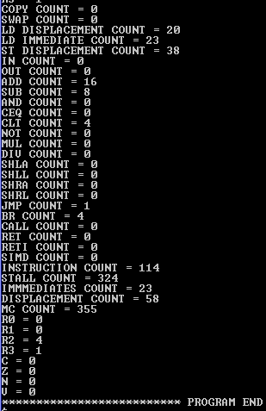
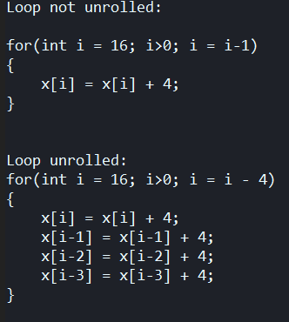
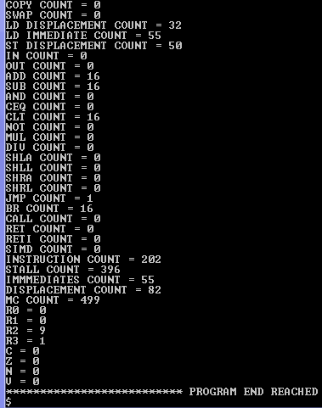

 |  |  |  | Not Unrolled | Loop Unrolled

Effects of Loop Unrolling on Given For Loop
 | NOT UNROLLED | UNROLLED
MACHINE CYCLES | 499 | 355
STALL | 396 | 324
INSTRUCTION COUNT | 202 | 114
LD | 87 | 43
DISPLACEMENT | 82 | 58
IMMEDIATE | 55 | 23
ST | 50 | 38
ADD | 16 | 16
SUB | 16 | 8
CLT | 16 | 4
BR | 16 | 4
JMP | 1 | 1
COPY | 0 | 0
SWAP | 0 | 0
IN | 0 | 0
OUT | 0 | 0
AND | 0 | 0
CEQ | 0 | 0
NOT | 0 | 0
MUL | 0 | 0
DIV | 0 | 0
SHLA | 0 | 0
SHLL | 0 | 0
SHRA | 0 | 0
SHRL | 0 | 0
CALL | 0 | 0
RET | 0 | 0
RETI | 0 | 0
SIMD | 0 | 0

 |  |  | Interesting results!!

