ch4
Chapter 4 - Building Good Training Sets – Data Preprocessing

Dealing with missing data
Identifying missing values in tabular data
Eliminating samples or features with missing values
Imputing missing values
Understanding the scikit-learn estimator API
Handling categorical data
Nominal and ordinal features
Mapping ordinal features
Encoding class labels
Performing one-hot encoding on nominal features
Partitioning a dataset into a separate training and test set
Bringing features onto the same scale | 特徵縮放 (Feature scaling)
Selecting meaningful features
L1 and L2 regularization as penalties against model complexity | L1, L2 懲罰
A geometric interpretation of L2 regularization
Sparse solutions with L1 regularization
Sequential feature selection algorithms | 循序特徵選擇演算法
Assessing feature importance with Random Forests | 隨機森林評估特徵的重要性
Summary

特徵縮放 (Feature scaling)
[Day28]機器學習：特徵標準化！
標準化方式：
通常有兩種標準化的方法：
1. min max normalization： | from sklearn.preprocessing import MinMaxScaler
會將特徵數據按比例縮放到0到1的區間，（或是-1到1）。
2. standard deviation normalization： | from sklearn.preprocessing import StandardScaler
會將所有特徵數據縮放成平均為0、平方差為1。

standardization:
適用: Logistic regression, SVM

L1, L2 懲罰
參考閱讀
[資料分析&機器學習] 第5.4講: 機器學習進階實用技巧-正規化
[莫烦]L1 / L2 正规化 (Regularization)
L2: 對個別極大加權給定一個懲罰
L1: 稀疏解 (sparse soluation), 降維技術, 刪除不相關的特徵 | from sklearn.linear_model import LogisticRegression
 | LogisticRegression(penalty='l1')

循序特徵選擇演算法
參考閱讀
scikit-learn: 数据预处理3-通过顺序特征选择做特征降维/通过随机森林评估特征的重要性
避免 over-fitting
==> 降維 (dimensionality reduction) | 1. 特徵選擇 (feature selection), 在原本的特徵中選出一個子集合(subset), 選取有意義的特徵
 | 2. 特徵提取 (feature extraction), 從特徵中, 導出資訊來建構新的"特徵子空間" (ch5)

循序特徵選擇演算法 (貪婪演算法), 會在每個步驟選用"局部最佳選擇"
SBS (循序向後選擇, Sequential Backward Selection)

https://www.itread01.com/content/1546133794.html
特徵選擇常用演算法綜述

特徵選擇的一般過程：
1. 生成子集：搜尋特徵子集，為評價函式提供特徵子集
2 .評價函式：評價特徵子集的好壞
3. 停止準則：與評價函式相關，一般是閾值，評價函式達到一定標準後就可停止搜尋
4. 驗證過程：在驗證資料集上驗證選出來的特徵子集的有效性

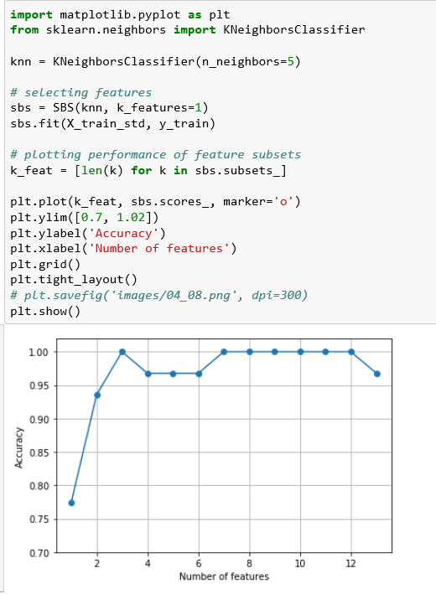
KNN 實作 SBS |  | KNN(K Nearest Neighbors)屬於分類演算法的一種，處理原則也非常單純。
 |  | 一開始先儲存所有的變數資料，預測的作法為：計算所有資料點到x的距離，隨著遠離x的距離開始分類資料，最後再預測k值範圍內最主要的標籤。
 |  | 優點在於非常簡單，適用於任何類別，需要的參數少。缺點在於高預測費、不適用多維度資料及類別變數。
 |  | http://psop-blog.logdown.com/posts/3121764-python-machine-learning-knn

 |  | K-近鄰演算法，簡稱KNN（k-Nearest Neighbor），是一個相當簡單的分類/預測演算法。
 |  | 其主要思想就是，選取與待分類/預測資料的最相似的K個訓練資料，通過對這K個資料的結果或者分類標號取平均、取眾數等方法得到待分類/預測資料的結果或者分類標號。

 |  | n_neighbors: 找出最近k個鄰居
 |  | k_features: 最後保留多少個特徵

隨機森林評估特徵的重要性

通过随机森林评估特征的重要性
在前面的章节中，我们使用 L1正则化 去除一些无关的特征，使用SBS算法做特征选择，随机森林是另一种从数据集中选择相关特征的方法。
不同于 L1正则化， 随机森林在scikit-learn实现过程中已经帮助我们算好了每个特征的重要性。所以我们只需要使用 feature_importances_ 来获取相关特征的重要性就可以。

from sklearn.ensemble import RandomForestClassifier
forest = RandomForestClassifier(n_estimators=500,
random_state=1)

forest.fit(X_train, y_train)
importances = forest.feature_importances_

ch5
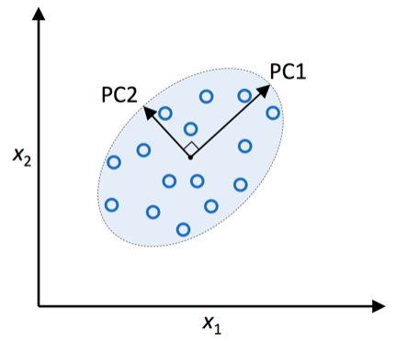
 | Chapter 5 - Compressing Data via Dimensionality Reduction | 降維來壓縮數據

 | Overview
5.1 | Unsupervised dimensionality reduction via principal component analysis 128 | 以主成分分析(PCA) 對非監督式數據壓縮
5.2 | The main steps behind principal component analysis
5.3 | Extracting the principal components step-by-step
5.4 | Total and explained variance | 總變異數和解釋變異數
5.5 | Feature transformation
5.6 | Principal component analysis in scikit-learn
5.7 | Supervised data compression via linear discriminant analysis
5.8 | Principal component analysis versus linear discriminant analysis
5.9 | The inner workings of linear discriminant analysis
5.10 | Computing the scatter matrices
5.11 | Selecting linear discriminants for the new feature subspace
5.12 | Projecting samples onto the new feature space
5.13 | LDA via scikit-learn
5.14 | Using kernel principal component analysis for nonlinear mappings
5.15 | Kernel functions and the kernel trick
5.16 | Implementing a kernel principal component analysis in Python
5.17 | Example 1 – separating half-moon shapes
5.18 | Example 2 – separating concentric circles
5.19 | Projecting new data points
5.20 | Kernel principal component analysis in scikit-learn
5.21 | Summary

 | 特徵提取 (feature extraction), 從特徵中, 導出資訊來建構新的"特徵子空間"
 | 1. PCA, "非監督式線性變換"
 | 將特徵"投影"到較低維度的子空間, 最大化沿著 "正交特徵軸" 的"變異數".
 | 目的: 保留最多相關資訊的"數據壓縮", 提高計算效率, 降低維度災難

 | 2. LCA, "監督式降維",
 | 參考"訓練數據集" 的類別資訊, 來最大化一個"線性特徵空間" 的 "類別分離性"
 | 3. Kernel PCA:
 | 將"非線性數據集" 對應到最低維度的 "特徵空間"中, 而"新特徵空間" 是 "可線性分離"
 | rbf_kernel_pca
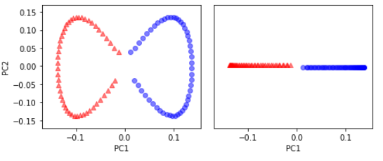
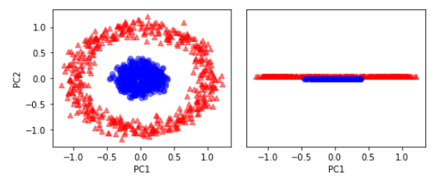

 | 以主成分分析(PCA) 對非監督式數據壓縮
 | https://scikit-learn.org/stable/modules/decomposition.html#decompositions
 | C:\Irene\Python\Unsupervised Learning\ch3_Visualizing the PCA transformation.pdf
 | PCA (Principal component analysis)
 | 非監督式線性變換技術

 | Dimension reduction
 | ● More efficient storage and computation
 | ● Remove less-informative "noise" features
 | ● ... which cause problems for prediction tasks, e.g.
 | classification, regression

 | Principal Component Analysis
 | ● PCA = "Principal Component Analysis"
 | ● Fundamental dimension reduction technique
 | ● First step "decorrelation" (considered here)
 | ● Second step reduces dimension (considered later)

 | x1, x2 為原始特徵軸, PC1, PC2 為 "主成分,Principal Component"(新特徵軸)

ch6
 | Chapter 6 - Learning Best Practices for Model Evaluation and Hyperparameter Tuning

 | Overview
ch6.1 | Streamlining workflows with pipelines
ch6.2 | Loading the Breast Cancer Wisconsin dataset
ch6.3 | Combining transformers and estimators in a pipeline | 結合轉換器與估計器到管線中
ch6.4 | Using k-fold cross-validation to assess model performance | 使用k 折交驗證法來評估模型效能
ch6.5 | The holdout method | 1. 保留交叉驗證 ( holdout cross-validation)
ch6.6 | K-fold cross-validation | 2. k 折交叉驗證 ( k-fold cross-validation)
ch6.7 | Debugging algorithms with learning and validation curves | 使用"學習曲線" 和 "驗證曲線" 來對演算法除錯
ch6.8 | Diagnosing bias and variance problems with learning curves | 運用學習曲線診斷偏誤(bias)與變異數(variance)
ch6.9 | Addressing overfitting and underfitting with validation curves | 運用驗證曲線討論高度適合(overfitting)與低度適合(underfitting)
ch6.10 | Fine-tuning machine learning models via grid search | 以網路搜尋微調機器學習模型
ch6.11 | Tuning hyperparameters via grid search | 以網路搜尋微調超參數
ch6.12 | Algorithm selection with nested cross-validation | 以巢狀交叉驗證選擇演算法
ch6.13 | Looking at different performance evaluation metrics | 其他不同的效能指標
ch6.14 | Reading a confusion matrix | 混淆矩陣的讀取
ch6.15 | Optimizing the precision and recall of a classification model | 最佳化分類模型的精準度與召回率
ch6.16 | Plotting a receiver operating characteristic | 接收操作特徵圖(ROC)
ch6.17 | The scoring metrics for multiclass classification
ch6.18 | Dealing with class imbalance
ch6.19 | Summary

 | 小結:
 | "轉換器transformation" 與 "分類器classifiers" 放在 "管線pipelines" 工具, 有效幫助 "訓練train" 和 "評估evaluate" 機器學習模型
 | "管線" 執行 "k 折交叉驗證法 (K-fold cross-validation)"
 | "k 折交叉驗證法" 是 "模型選擇(modle selection)" 和 "模型評估evaluation" 的基本技術之一
 | 可以繪製 "學習曲線" 和 "驗證曲線", 診斷學習演算法是否有 overfitting and underfitting
 | 利用"網路搜尋(grid search)" 可進一步微調模型
 | "混淆矩陣 (confusion matrix)"
 | "效能指標 (performance metrics)"

 | In the beginning of this chapter, we discussed how to chain different transformation techniques and classifiers in convenient model pipelines that helped us to train and evaluate machine learning models more efficiently. We then used those pipelines to perform k-fold cross-validation, one of the essential techniques for model selection and evaluation. Using k-fold cross-validation, we plotted learning and validation curves to diagnose the common problems of learning algorithms, such as overfitting and underfitting. Using grid search, we further fine-tuned our model. We concluded this chapter by looking at a confusion matrix and various different performance metrics that can be useful to further optimize a model's performance for a specific problem task. Now, we should be well-equipped with the essential techniques to build supervised machine learning models for classification successfully. In the next chapter, we will take a look at ensemble methods, methods that allow us to combine multiple models and classification algorithms to boost the predictive performance of a machine learning system even further.

[back] | Combining transformers and estimators in a pipeline
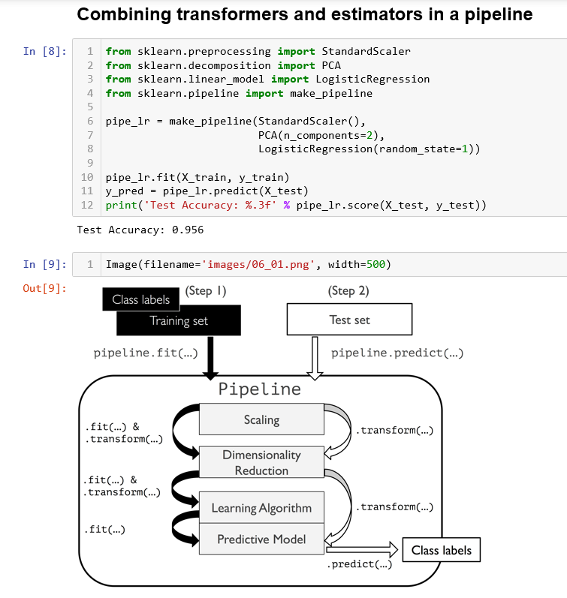

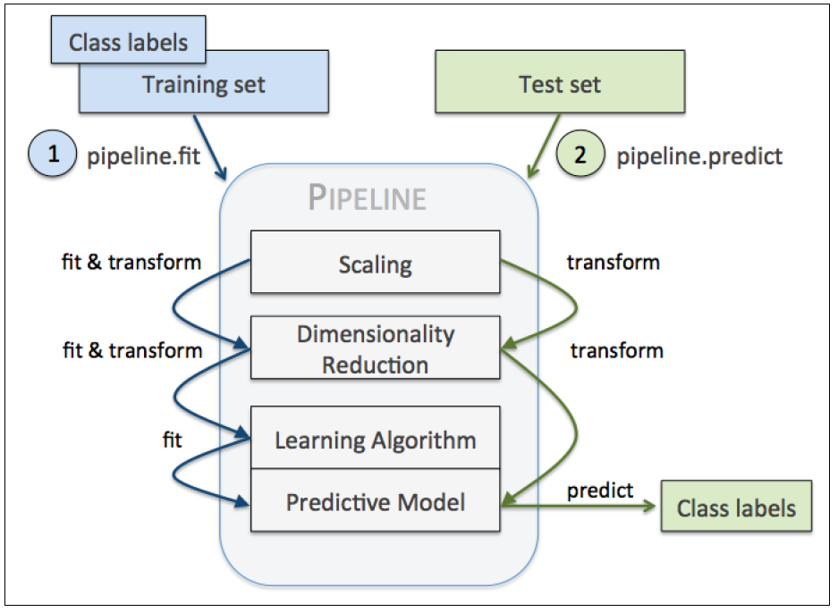

[back] | 使用k 折交驗證法來評估模型效能

 | 1. 保留交叉驗證 ( holdout cross-validation)
 | 2. k 折交叉驗證 ( k-fold cross-validation)
 | 這些方法可以估出可靠的 "模型一般化誤差", 也就是模型在處理"沒有見過的數據" 時的表現

[back] | 1. 保留交叉驗證 ( holdout cross-validation)
 | 模型選擇 ( model selection): 對 "微調參數(hyperparameters)" 和 "比較不同的參數組合" 進一步提高模型處理"沒有見過的數據"的預測能力
 | 將數據分成3部分:
 | 1.) Training set (訓練集)
 | 2.) Validation set (驗證集)
 | 3.) Test set (測試集)

 | "訓練集" 被用於 "適合 fit" 出不同模型, 模型使用 "驗證集" 計算出效能
 | 在"模型訓練" 和 "模型選擇" 時, 模型是看不到"測試集"
 | > 優點: 面對"沒有見過的數據" 時, 得到較低的 "偏誤(less biased)" 的估計
 | 在"模型訓練"完成後, 重複使用"驗證集" 評估不同"微調參數(hyperparameters)"之下的效能
 | 當感到滿意的 "微調參數" 值, 就用 "測試集" 來估計模型的"一般化誤差"
 | Once we are satisfied with the tuning of parameter values, we estimate the models' generalization error on the test dataset:

 | > 缺點: "效能評估" 分常敏感於當初如何拆分 "data set", "validation set", "test set", 使用不同樣本, 估計結果差異性會非常大

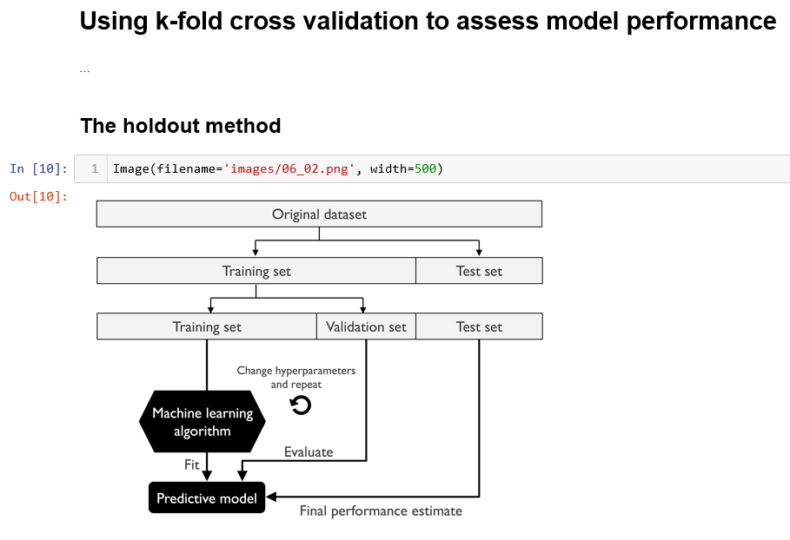

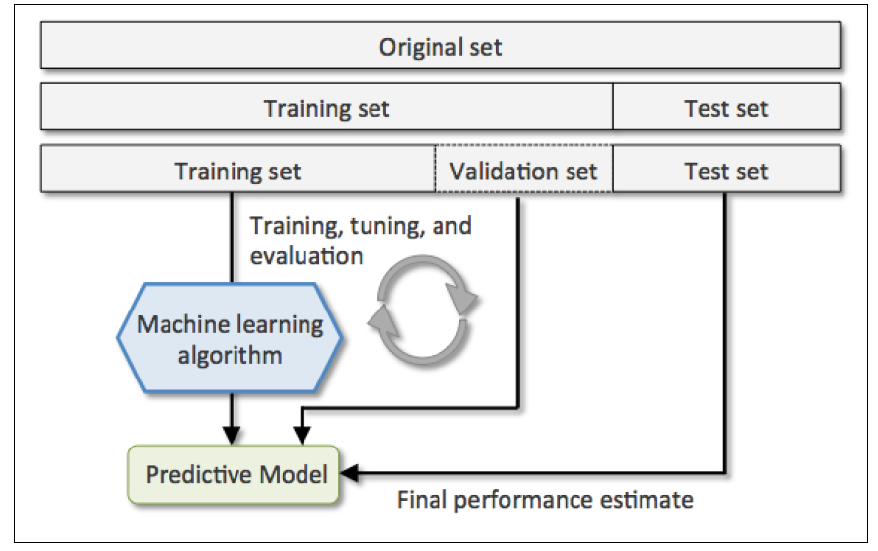

[back] | 2. k 折交叉驗證 ( k-fold cross-validation)
 | In k-fold cross-validation, we randomly split the training dataset into k folds without replacement
 | where 1k− folds are used for the model training
 | and one fold is used for testing
 | This procedure is repeated k times so that we obtain k models and performance estimates.
 | * 隨機分割 "training dataset" 成 k 折 (k份)
 | * 其中樣本不放回(樣本只會在其中1折出現)
 | * k-1 折拆用於"訓練模型"
 | * 1 折被用於 "測試模型"
 | * 這個程序會重複ｋ次, 會得到 "k 個模型" 和這個 k 個模型的 "效能估計"

 | Typically, we use k-fold cross-validation for model tuning, that is,
 | finding the optimal hyperparameter values that yield a satisfying generalization performance.
 | Once we have found satisfactory hyperparameter values, we can retrain the model on the complete training set
 | and obtain a final performance estimate using the independent test set.
 | * 一般用於 "模型調校"(model tuning)
 | 1.) 找到好的 "超參數" (hyperparameter)
 | 2.) 用全部的 "訓練數據集" 重新訓練模型
 | 3.) 使用獨立的"測試數據集" 來做最後的效能評估

 | the estimated performances Ei (for example, classification accuracy or error) for each fold are then used to calculate the estimated average performance E of the model:
 | 評估效能 Ei ("分類正確率" 或 "分類錯誤率"), 之後用來計算模型的平均效能 E:
 | large values of k will also increase the runtime of the cross-validation algorithm and yield estimates with higher variance since the training folds will be more similar to each other.
 | k 大-> 執行時間多, 變異數 大
 | with large datasets, we can choose a smaller value for k, for example, k=5
 | reducing the computational cost of refitting and evaluating
 | 大數據集, 用小k值, 減少 重複"適合" 與 "模型評估" 的計算成本
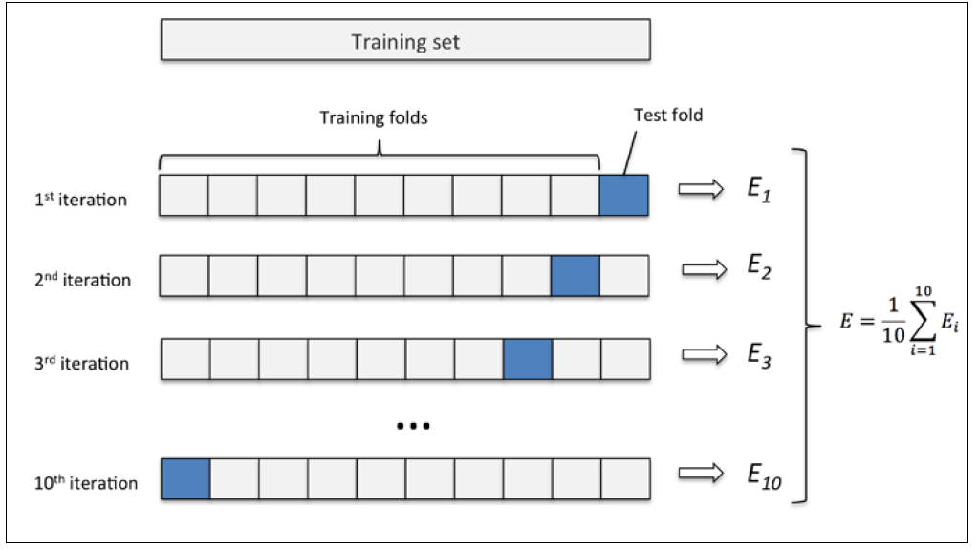

[back] | 分層k折交叉驗證法 (stratified k-fold cross-validation)
 | A slight improvement over the standard k-fold cross-validation approach is stratified k-fold cross-validation, which can yield better bias and variance estimates, especially in cases of unequal class proportions
 | >>> from sklearn.cross_validation import StratifiedKFold
 | >>> kfold = StratifiedKFold(y=y_train,
 | ... n_folds=10,
 | ... random_state=1)

 | 評估模型
 | n_jobs=1, 1個 CPU被用於效能評估
 | n_jobs=2, 2個以上可用的CPU
 | n_jobs=-1, 平行使用機器上可用的CPU

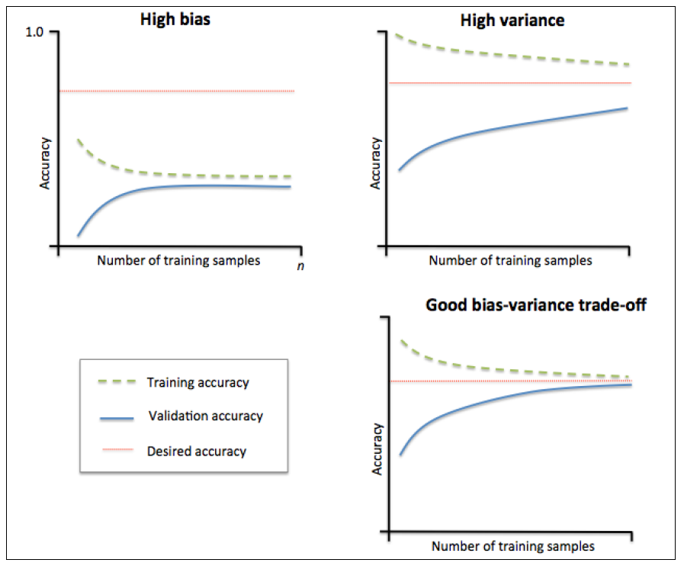
[back] | 使用"學習曲線" 和 "驗證曲線" 來對演算法除錯
 | Debugging algorithms with learning and validation curves

 | 參考閱讀
 | 機器學習_ML_模型評估與超參數調校
 | 機器學習_ML_驗證曲線
 | API連結
 | 官方文件
 | 學習曲線與驗證曲線是在機器學習中很重要的兩條線，透過線的呈現可以明白模型究竟是高偏差(high bias)還是高方差(high variance)。
 | 為什麼重要?
 | 因為high bias and high variance在實務上的調校是不相同的!
 | 你去對一個high bias的模型餵再多的資料，效果恐怕是有限的。
 | 你去對一個high variance給了更多的特徵，那不是提汽油上場嗎?

 | high bias 代表 underfitting
 | high variance 代表 overfitting

 | 學習來自吳恩達老師_機器學習_第六週課程

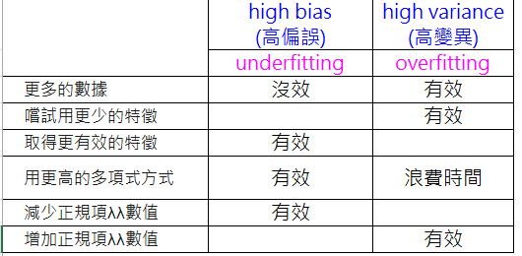
 |  | high bias (高偏誤), underfitting:
 |  | 方法: 增加模型參數的個數
 |  | 收集或建立額外的特徵
 |  | 如 "SVM" , "邏輯斯回歸" 等分類驗算法中, 可 降低"正規化"的程度

 |  | high variance (高變異), overfitting
 |  | "訓練正確率" 與 "驗證正確率" 之間的差異太大
 |  | 方法:
 |  | 收集更多 "訓練數據集"
 |  | 增加"正規化參數"的值, 來降低模型的複雜度
 |  | 對"非正規化"模型, 藉由 "特徵選擇" 或 "特徵題取" 來做"降維"

 | 學習曲線是以『訓練正確率』與『驗證正確率』來製圖，而驗證曲線是以改變參數來製圖。
 | 像是改變正規化參數λλ(在sklearn為反正規化參數C)
 | 這方式類似於利用網格搜尋(GridSearc)來暴力求解，不過如同官方文件所說

 | However,
 | it is sometimes helpful to plot the influence of a single hyperparameter
 | on the training score
 | and the validation score to find out whether the estimator
 | is overfitting or underfitting for some hyperparameter values.

 | 有時候利用單一超參數去做繪製影響是有幫助的，這可以找出分類器對某些超參數過適與否。

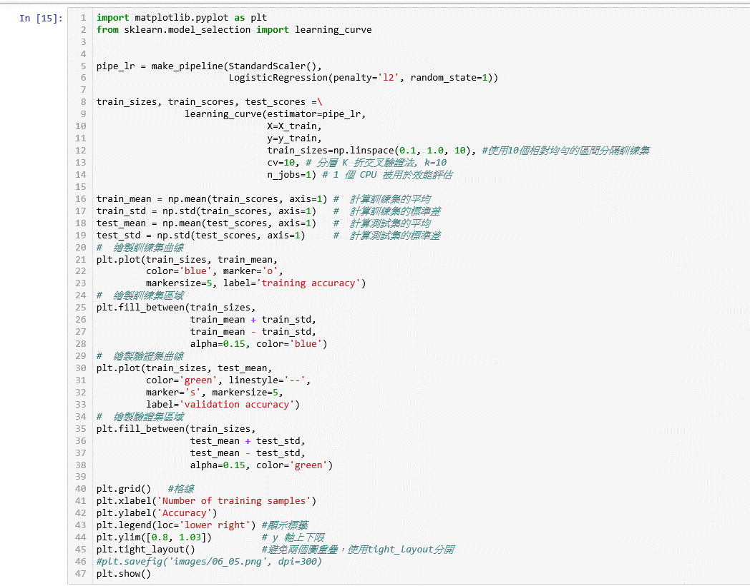
[back] | 運用學習曲線診斷偏誤(bias)與變異數(variance)
 | Diagnosing bias and variance problems with learning curves

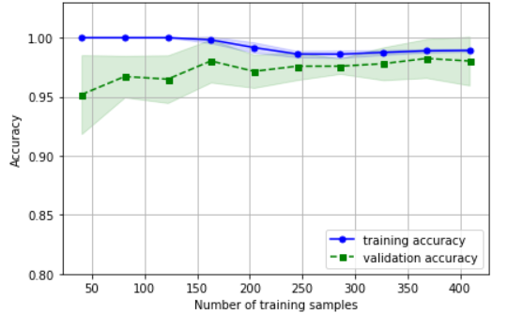

 | 以上學習曲線圖形中, 訓練數據集的分類效能相當不錯
 | 但訓練正確率 與 驗證正確率 之間可見的(相對小的)間隙看來, 這個模型可能稍微一點 "overfitting"
 | As we can see in the preceding learning curve plot, our model performs quite well on the test dataset. However, it may be slightly overfitting the training data indicated by a relatively small, but visible, gap between the training and cross-validation accuracy curves.

[back] | 運用驗證曲線討論高度適合(overfitting)與低度適合(underfitting)
 | Addressing overfitting and underfitting with validation curves
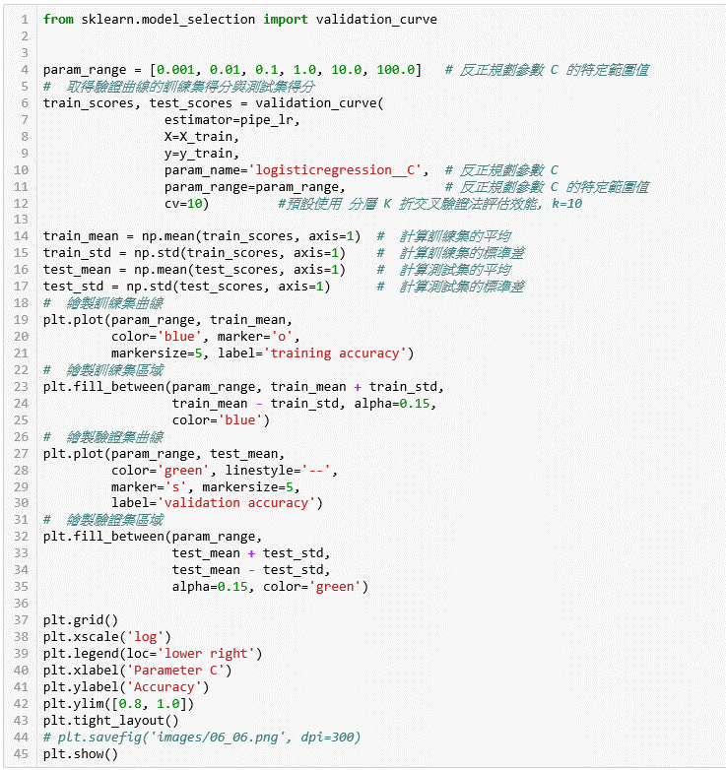
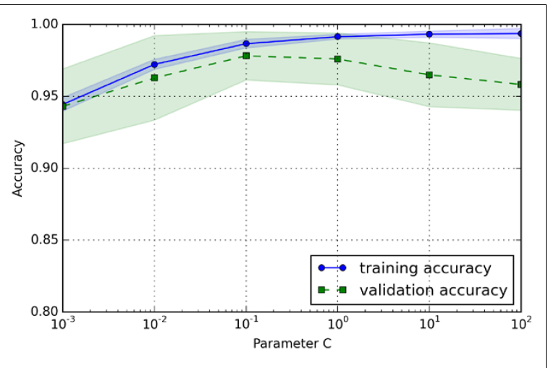

 | 儘管使用不同的 C 值, "正確率"的差異其實是很細微的
 | 當提高"正規化強度"(使用較小的C值), 模型會有一些 underfitting 的問題
 | 降低"正規化強度"(對於較大的C值), 模型會有一些 overfitting 的問題
 | 理想的"正規化強度", 大概落在 C=0.1 附近

[back] | 以網路搜尋微調機器學習模型
 | Fine-tuning machine learning models via grid search
 | In machine learning, we have two types of parameters: those that are learned from the training data, for example, the weights in logistic regression, and the parameters of a learning algorithm that are optimized separately. The latter are the tuning parameters, also called hyperparameters, of a model, for example, the regularization parameter in logistic regression or the depth parameter of a decision tree.
 | In machine learning, 兩種類型參數:
 | 1.從 training data 得知的參數,如 logistic regression 的加權
 | 2. 用來最佳化學習演算法的參數(獨立於學習演算法)
 | 第2類就是 調教參數(tuning parameters), 也稱為模型的"超參數(hyperparameters)
 | 例如, 在 logistic regression 的"正規化參數 C" 或 指定"決策樹" 深度的參數

[back] | 以網路搜尋微調超參數
 | Tuning hyperparameters via grid search
 | The approach of grid search is quite simple, it's a brute-force exhaustive search paradigm where we specify a list of values for different hyperparameters, and the computer evaluates the model performance for each combination of those to obtain the optimal set:
 | 使用"暴力法"以窮舉法搜尋所選定的"超參數"值的組合. 電腦針對每個"超參數"值的組合來計算模型效能, 找出最好的"超參數組"
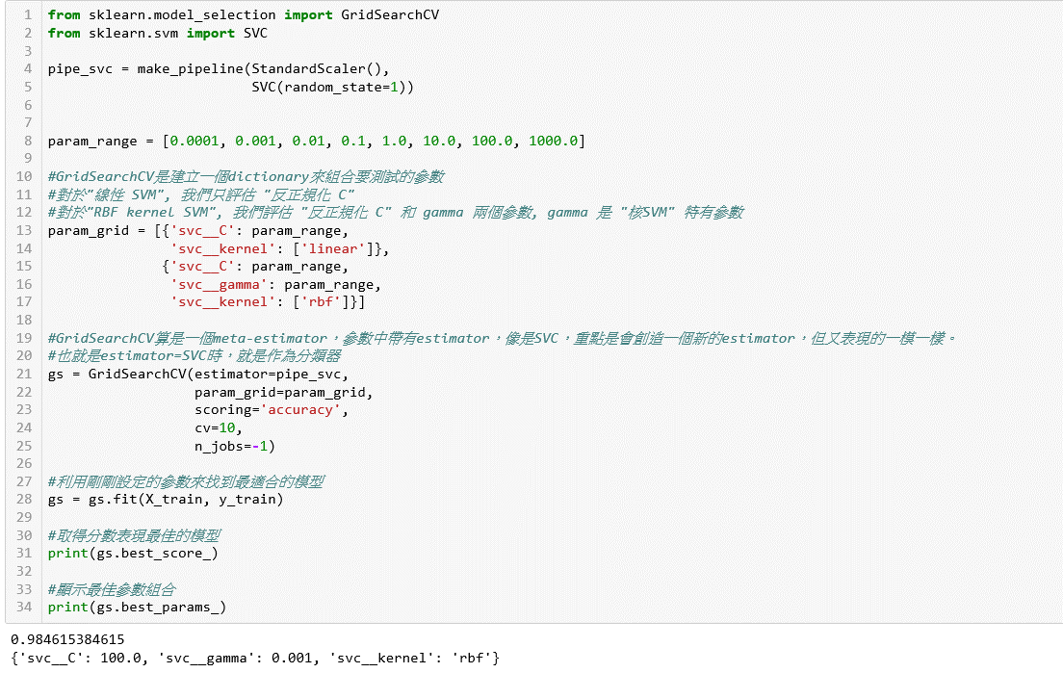

 | [參考閱讀]
 | Python學習筆記#16：機器學習之SVM實作篇
 | Although grid search is a powerful approach for finding the optimal set of parameters, the evaluation of all possible parameter combinations is also computationally very expensive. An alternative approach to sampling different parameter combinations using scikit-learn is randomized search. Using the RandomizedSearchCV class in scikit-learn, we can draw random parameter combinations from sampling distributions with a specified budget. More details and examples for its usage can be found at http://scikit-learn.org/stable/modules/grid_search.html#randomized-parameter-optimization.
 | http://scikit-learn.org/stable/modules/grid_search.htm
 | "grid search" 是一個尋找最佳"參數集"強而有力的方法, 但要對所有可能的"參數組合"做評估, 代價非常昂貴
 | 另一種節省資源的方法: "隨機搜尋(randomized search)", RandomizedSearchCV, 在指定的"預算"下, 從一個特定的"抽象分佈"中, 提取指定的"參數組合"

[back] | 以巢狀交叉驗證選擇演算法
 | Algorithm selection with nested cross-validation
 | nested cross-validation, and in a nice study on the bias in error estimation, Varma and Simon concluded that the true error of the estimate is almost unbiased relative to the test set when nested cross-validation is used
 | 當使用"巢狀交叉驗證"時, 對於"測試數據集"的真實"錯誤估計"幾乎沒有"偏誤"
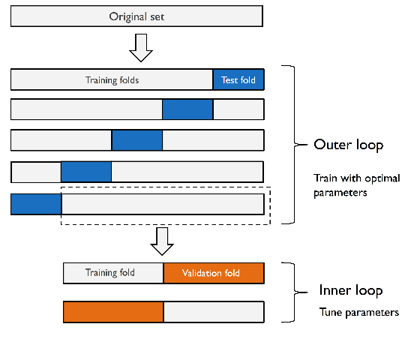

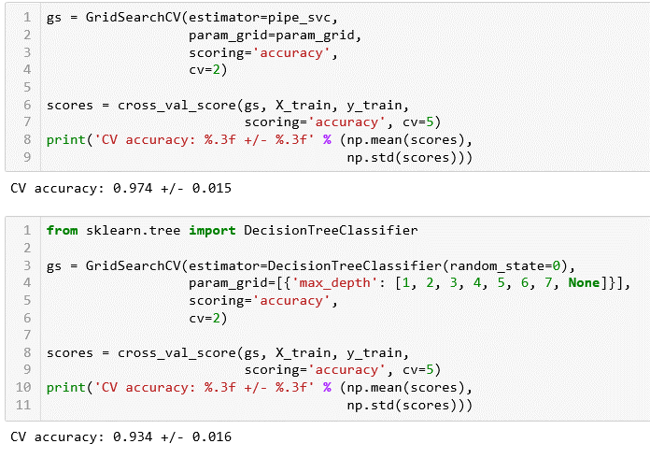

 | 以上可看到前者"SVM"模型效能高於"決策樹"的效能
 | 因此若有其他來自於"與目前數據集相同的群體"的"沒見過的數據", 可以合理推估, 前者的分類能力是比較好的

[back] | 其他不同的效能指標
 | Looking at different performance evaluation metrics
 | 1. precision (精準度
 | 2. recall (召回率)
 | 3. F1-score

[back] | 混淆矩陣的讀取
 | Reading a confusion matrix
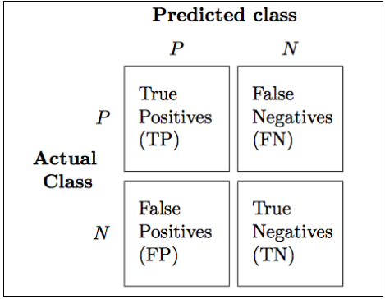

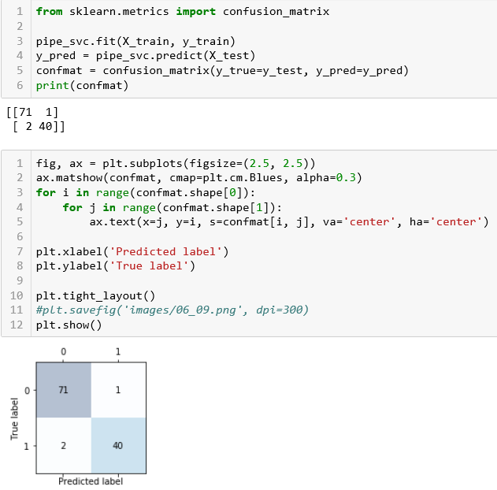

[back] | 最佳化分類模型的精準度與召回率
 | Optimizing the precision and recall of a classification model
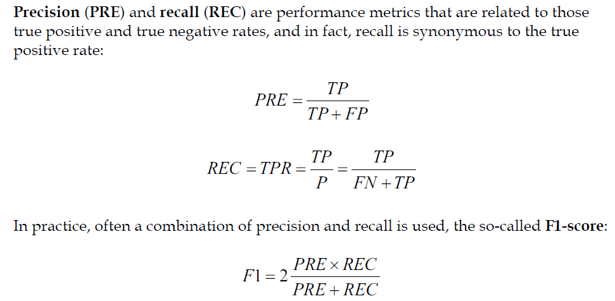
 |  | 錯誤率(ERR):所有假/總預測數
 |  | (FP+FN)/(FP+FN+TP+TN)
 |  | 正確率(ACC):所有真/總預測數
 |  | (TP+TN)/(FP+FN+TP+TN) 或 1-ERR
 |  | 真真率(TPR)與假真率(FPR)處理不平衡類別有效的能效指標
 |  | TPR=TP/(FN+TP)
 |  | FPR=FP/(FP+TN)
 |  | 精準度(PRE)
 |  | PRE=TP/(TP+FP)
 |  | 召回率(REC)
 |  | REC=TP/(FN+TP)
 |  | F1分數
 |  | F1 = 2*(PRE*REC/(PRE+REC))

 | 另外可籍由設置scoring參數來使用GridSearchCV裡面的計分指標!
 | 要注意一點，在scikit-learn中，類別標籤為1的是屬正類!
 | 如果需要有非1的分類器，使用 "make_scorer"
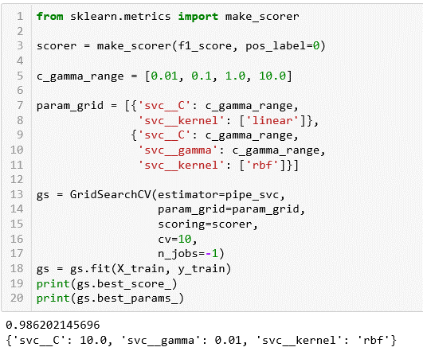

[back] | 接收操作特徵圖(ROC)
 | Plotting a receiver operating characteristic
 | 用來選擇分類模型的一個工具

 | 主要針對假的真與真的真的機率來做選擇!
 | ROC圖的對角線可被解釋成隨機猜測低於對角線的分類器模型就是效能比隨機猜測更差的模型。
 | 一個完美的分類器，應該要落在圖的左上角，真的真率為1!
 | 再利用ROC圖來計算AUC(曲線下面積)做效能特徵。
 | 利用上面的邏輯斯迴歸管線，我們來做ROC曲線，並且將驗證折數減為三折!

