task2
编号 | 问题类型 | 问题 | SQL 查询语句 | 图形格式 | 回答 | 图表
B3001 | 数据基本查询 | [{"Q": "药明康德2025年第三季度营业总收入是多少"}] | SELECT stock_abbr, stock_code, report_year, report_period, total_operating_revenue FROM income_sheet WHERE (stock_abbr='药明康德') AND report_year IN (2025) AND report_period IN ('Q3') ORDER BY stock_code, report_year, CASE report_period WHEN 'Q1' THEN 1 WHEN 'HY' THEN 2 WHEN 'Q3' THEN 3 WHEN 'FY' THEN 4 END | table | { "问题编号": "B3001", "问题类型": "数据基本查询", "子问题": [ { "Q": "药明康德2025年第三季度营业总收入是多少", "A": "药明康德 2025三季报的营业总收入为 328.57 亿元", "SQL": "SELECT stock_abbr, stock_code, report_year, report_period, total_operating_revenue FROM income_sheet WHERE (stock_abbr='药明康德') AND report_year IN (2025) AND report_period IN ('Q3') ORDER BY stock_code, report_year, CASE report_period WHEN 'Q1' THEN 1 WHEN 'HY' THEN 2 WHEN 'Q3' THEN 3 WHEN 'FY' THEN 4 END", "image": "B3001_1.jpg" } ] } | 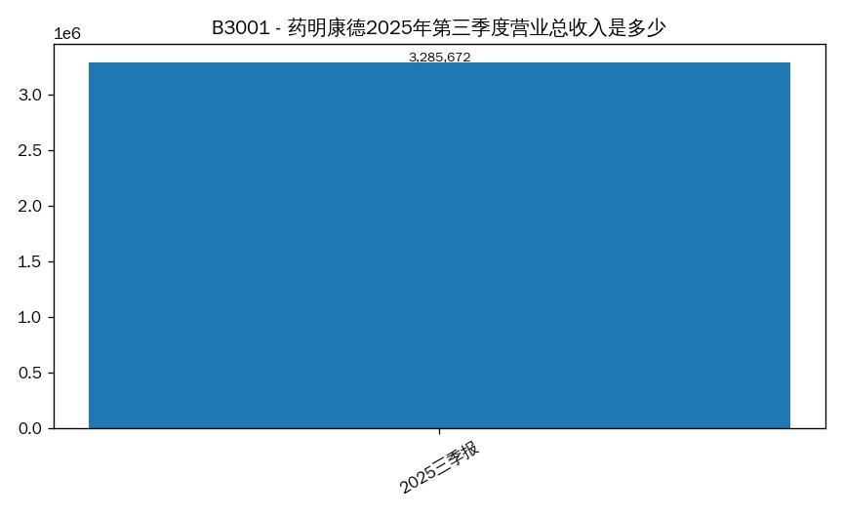 B3001_1.jpg
B3002 | 数据基本查询 | [{"Q": "凯莱英2024年全年净利润是多少"}] | SELECT stock_abbr, stock_code, report_year, report_period, net_profit FROM income_sheet WHERE (stock_abbr='凯莱英') AND report_year IN (2024) AND report_period IN ('FY') ORDER BY stock_code, report_year, CASE report_period WHEN 'Q1' THEN 1 WHEN 'HY' THEN 2 WHEN 'Q3' THEN 3 WHEN 'FY' THEN 4 END | table | { "问题编号": "B3002", "问题类型": "数据基本查询", "子问题": [ { "Q": "凯莱英2024年全年净利润是多少", "A": "凯莱英 2024年报的净利润为 —", "SQL": "SELECT stock_abbr, stock_code, report_year, report_period, net_profit FROM income_sheet WHERE (stock_abbr='凯莱英') AND report_year IN (2024) AND report_period IN ('FY') ORDER BY stock_code, report_year, CASE report_period WHEN 'Q1' THEN 1 WHEN 'HY' THEN 2 WHEN 'Q3' THEN 3 WHEN 'FY' THEN 4 END", "image": "B3002_1.jpg" } ] } | 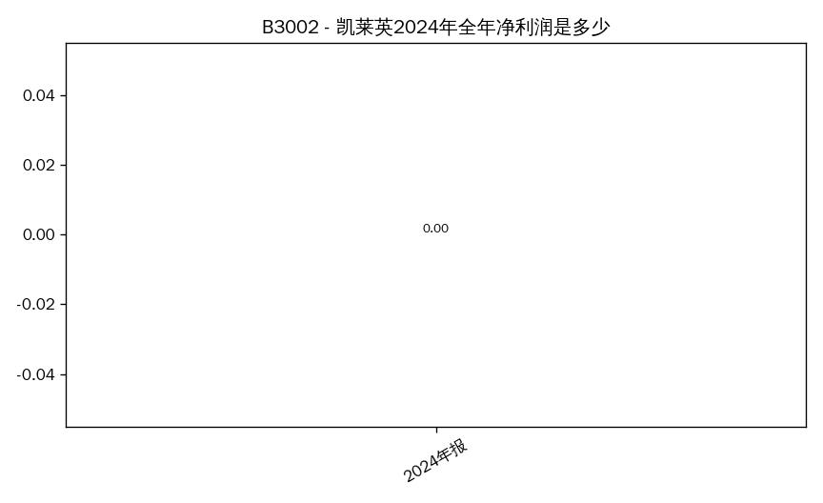 B3002_1.jpg
B3003 | 数据统计分析查询 | [{"Q": "2025年第三季度，10家医药公司中营业总收入排名前3的公司有哪些？请列出简称和营业总收入（万元）"}] | SELECT stock_abbr, stock_code, report_year, report_period, total_operating_revenue FROM income_sheet WHERE report_year IN (2025) AND report_period IN ('Q3') ORDER BY total_operating_revenue DESC LIMIT 10 | bar | { "问题编号": "B3003", "问题类型": "数据统计分析查询", "子问题": [ { "Q": "2025年第三季度，10家医药公司中营业总收入排名前3的公司有哪些？请列出简称和营业总收入（万元）", "A": "营业总收入 排名 Top5：1) 药明康德 328.57 亿元; 2) 昭衍新药 9.85 亿元; 3) 百克生物 4.74 亿元; 4) 成都先导 3.70 亿元; 5) 凯莱英 —", "SQL": "SELECT stock_abbr, stock_code, report_year, report_period, total_operating_revenue FROM income_sheet WHERE report_year IN (2025) AND report_period IN ('Q3') ORDER BY total_operating_revenue DESC LIMIT 10", "image": "B3003_1.jpg" } ] } | 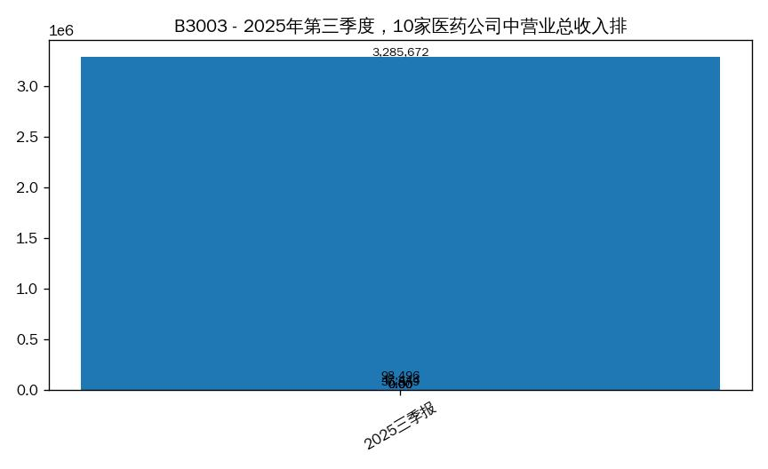 B3003_1.jpg
B3004 | 数据基本查询 | [{"Q": "昭衍新药2025年第三季度销售毛利率是多少？利润表中（营业收入-营业成本）/营业收入*100"}] | SELECT stock_abbr, stock_code, report_year, report_period, operating_expense_cost_of_sales FROM income_sheet WHERE (stock_abbr='昭衍新药' OR stock_code='000100') AND report_year IN (2025) AND report_period IN ('Q3') ORDER BY stock_code, report_year, CASE report_period WHEN 'Q1' THEN 1 WHEN 'HY' THEN 2 WHEN 'Q3' THEN 3 WHEN 'FY' THEN 4 END | table | { "问题编号": "B3004", "问题类型": "数据基本查询", "子问题": [ { "Q": "昭衍新药2025年第三季度销售毛利率是多少？利润表中（营业收入-营业成本）/营业收入*100", "A": "昭衍新药 2025三季报的营业成本为 7.73 亿元", "SQL": "SELECT stock_abbr, stock_code, report_year, report_period, operating_expense_cost_of_sales FROM income_sheet WHERE (stock_abbr='昭衍新药' OR stock_code='000100') AND report_year IN (2025) AND report_period IN ('Q3') ORDER BY stock_code, report_year, CASE report_period WHEN 'Q1' THEN 1 WHEN 'HY' THEN 2 WHEN 'Q3' THEN 3 WHEN 'FY' THEN 4 END", "image": "B3004_1.jpg" } ] } | 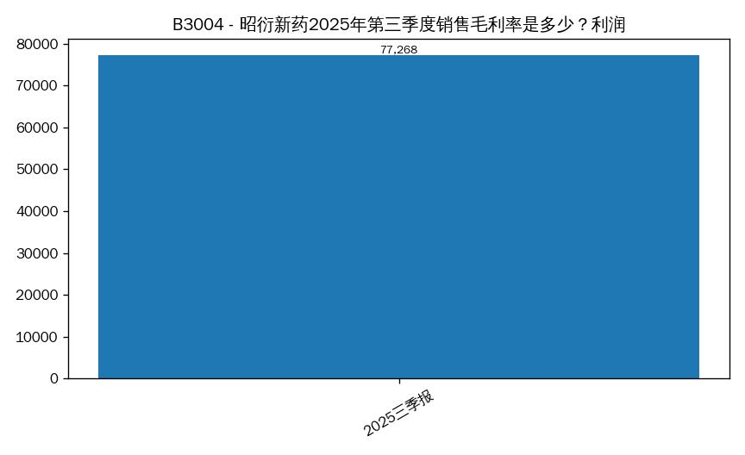 B3004_1.jpg
B3005 | 数据统计分析查询 | [{"Q": "计算2025年第三季度各公司的资产负债率，找出资产负债率最高的公司，列出简称和资产负债率（%）"}] | SELECT stock_abbr, stock_code, report_year, report_period, asset_liability_ratio FROM balance_sheet WHERE report_year IN (2025) AND report_period IN ('Q3') ORDER BY asset_liability_ratio DESC LIMIT 10 | bar | { "问题编号": "B3005", "问题类型": "数据统计分析查询", "子问题": [ { "Q": "计算2025年第三季度各公司的资产负债率，找出资产负债率最高的公司，列出简称和资产负债率（%）", "A": "资产负债率 排名 Top5：1) 凯莱英 —; 2) 迪安诊断 —; 3) 泰格医药 —; 4) 迈普医学 —; 5) 百普赛斯 —", "SQL": "SELECT stock_abbr, stock_code, report_year, report_period, asset_liability_ratio FROM balance_sheet WHERE report_year IN (2025) AND report_period IN ('Q3') ORDER BY asset_liability_ratio DESC LIMIT 10", "image": "B3005_1.jpg" } ] } | 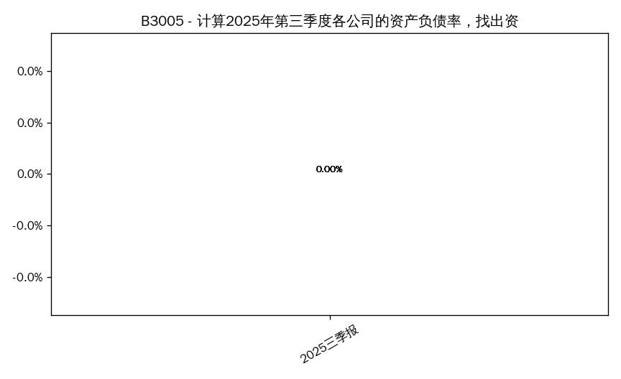 B3005_1.jpg
B3006 | 数据基本查询 | [{"Q": "泰格医药2024年研发费用是多少"}] | SELECT stock_abbr, stock_code, report_year, report_period, operating_expense_rnd_expenses FROM income_sheet WHERE (stock_abbr='泰格医药') AND report_year IN (2024) ORDER BY stock_code, report_year, CASE report_period WHEN 'Q1' THEN 1 WHEN 'HY' THEN 2 WHEN 'Q3' THEN 3 WHEN 'FY' THEN 4 END | table | { "问题编号": "B3006", "问题类型": "数据基本查询", "子问题": [ { "Q": "泰格医药2024年研发费用是多少", "A": "符合条件共 4 家，前4：泰格医药(300347) 6,390.62 万元; 泰格医药(300347) 1.25 亿元; 泰格医药(300347) —; 泰格医药(300347) 2.38 亿元", "SQL": "SELECT stock_abbr, stock_code, report_year, report_period, operating_expense_rnd_expenses FROM income_sheet WHERE (stock_abbr='泰格医药') AND report_year IN (2024) ORDER BY stock_code, report_year, CASE report_period WHEN 'Q1' THEN 1 WHEN 'HY' THEN 2 WHEN 'Q3' THEN 3 WHEN 'FY' THEN 4 END", "image": "B3006_1.jpg" } ] } | 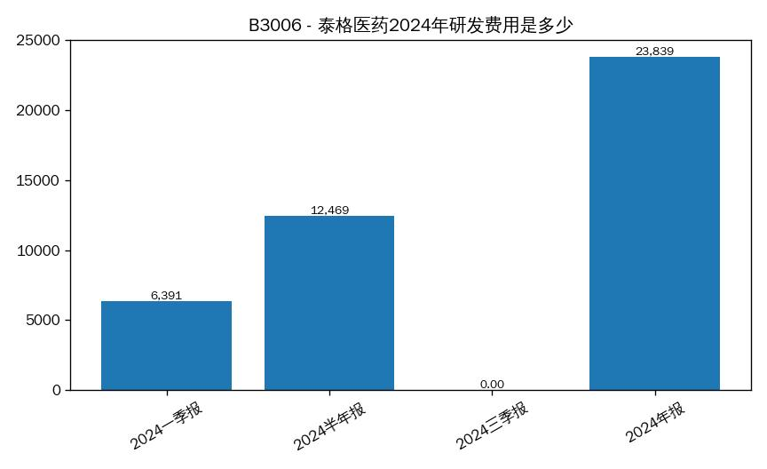 B3006_1.jpg
B3007 | 数据统计分析查询 | [{"Q": "2025年第三季度，经营性现金流量净额为负数的公司有哪些？列出股票代码和简称"}] | SELECT stock_abbr, stock_code, report_year, report_period, operating_cf_net_amount FROM cash_flow_sheet WHERE report_year IN (2025) AND report_period IN ('Q3') AND operating_cf_net_amount < 0 AND operating_cf_net_amount IS NOT NULL ORDER BY operating_cf_net_amount DESC LIMIT 50 | bar | { "问题编号": "B3007", "问题类型": "数据统计分析查询", "子问题": [ { "Q": "2025年第三季度，经营性现金流量净额为负数的公司有哪些？列出股票代码和简称", "A": "百克生物 2025三季报的经营活动现金流为 -1,480.94 万元", "SQL": "SELECT stock_abbr, stock_code, report_year, report_period, operating_cf_net_amount FROM cash_flow_sheet WHERE report_year IN (2025) AND report_period IN ('Q3') AND operating_cf_net_amount < 0 AND operating_cf_net_amount IS NOT NULL ORDER BY operating_cf_net_amount DESC LIMIT 50", "image": "B3007_1.jpg" } ] } | 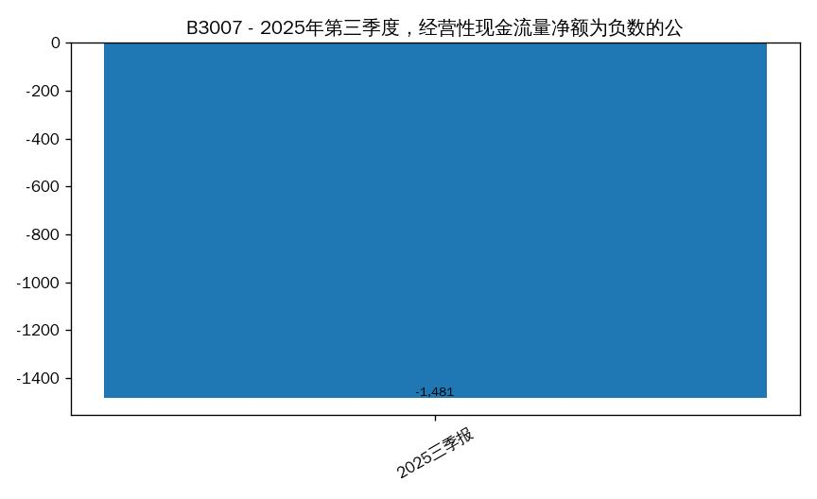 B3007_1.jpg
B3008 | 数据基本查询 | [{"Q": "百克生物2022年年报中的资产总额、负债总额、股东权益总额（单位：万元）"}] | SELECT stock_abbr, stock_code, report_year, report_period, equity_total_equity FROM balance_sheet WHERE (stock_abbr='百克生物') AND report_year IN (2022) AND report_period IN ('FY') ORDER BY stock_code, report_year, CASE report_period WHEN 'Q1' THEN 1 WHEN 'HY' THEN 2 WHEN 'Q3' THEN 3 WHEN 'FY' THEN 4 END | table | { "问题编号": "B3008", "问题类型": "数据基本查询", "子问题": [ { "Q": "百克生物2022年年报中的资产总额、负债总额、股东权益总额（单位：万元）", "A": "百克生物 2022年报的股东权益为 —", "SQL": "SELECT stock_abbr, stock_code, report_year, report_period, equity_total_equity FROM balance_sheet WHERE (stock_abbr='百克生物') AND report_year IN (2022) AND report_period IN ('FY') ORDER BY stock_code, report_year, CASE report_period WHEN 'Q1' THEN 1 WHEN 'HY' THEN 2 WHEN 'Q3' THEN 3 WHEN 'FY' THEN 4 END", "image": "B3008_1.jpg" } ] } | 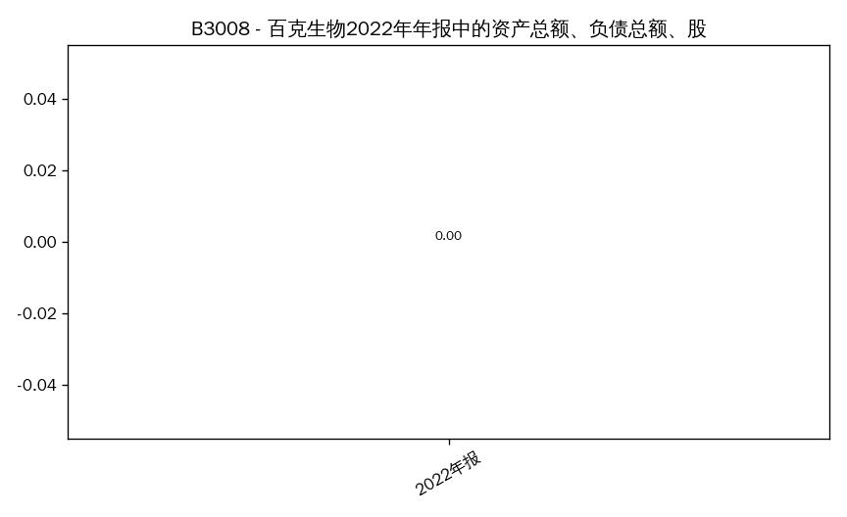 B3008_1.jpg
B3009 | 数据统计分析查询 | [{"Q": "2025年第三季度，销售净利率（净利润/营业总收入*100）超过20%的公司有哪些？请列出简称和销售净利率"}] | SELECT stock_abbr, stock_code, report_year, report_period, net_profit_margin FROM core_performance_indicators_sheet WHERE (stock_code='000100') AND report_year IN (2025) AND report_period IN ('Q3') AND net_profit_margin > 20.0 AND net_profit_margin IS NOT NULL ORDER BY net_profit_margin DESC LIMIT 50 | bar | { "问题编号": "B3009", "问题类型": "数据统计分析查询", "子问题": [ { "Q": "2025年第三季度，销售净利率（净利润/营业总收入*100）超过20%的公司有哪些？请列出简称和销售净利率", "A": "未查询到数据", "SQL": "SELECT stock_abbr, stock_code, report_year, report_period, net_profit_margin FROM core_performance_indicators_sheet WHERE (stock_code='000100') AND report_year IN (2025) AND report_period IN ('Q3') AND net_profit_margin > 20.0 AND net_profit_margin IS NOT NULL ORDER BY net_profit_margin DESC LIMIT 50", "image": "" } ] }
B3010 | 数据基本查询 | [{"Q": "迪安诊断2025年第三季度扣非净利润是多少"}] | SELECT stock_abbr, stock_code, report_year, report_period, net_profit_excl_non_recurring FROM core_performance_indicators_sheet WHERE (stock_abbr='迪安诊断') AND report_year IN (2025) AND report_period IN ('Q3') ORDER BY stock_code, report_year, CASE report_period WHEN 'Q1' THEN 1 WHEN 'HY' THEN 2 WHEN 'Q3' THEN 3 WHEN 'FY' THEN 4 END | table | { "问题编号": "B3010", "问题类型": "数据基本查询", "子问题": [ { "Q": "迪安诊断2025年第三季度扣非净利润是多少", "A": "迪安诊断 2025三季报的扣非净利润为 —", "SQL": "SELECT stock_abbr, stock_code, report_year, report_period, net_profit_excl_non_recurring FROM core_performance_indicators_sheet WHERE (stock_abbr='迪安诊断') AND report_year IN (2025) AND report_period IN ('Q3') ORDER BY stock_code, report_year, CASE report_period WHEN 'Q1' THEN 1 WHEN 'HY' THEN 2 WHEN 'Q3' THEN 3 WHEN 'FY' THEN 4 END", "image": "B3010_1.jpg" } ] } | 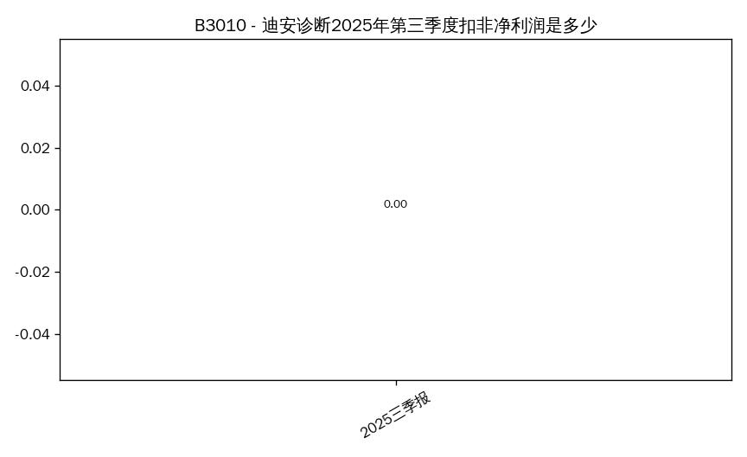 B3010_1.jpg
B3011 | 数据统计分析查询 | [{"Q": "2022-2025年第三季度，哪家公司的营业总收入复合增长率最高？请展示增长率（%）"}] | SELECT stock_abbr, stock_code, report_year, report_period, total_operating_revenue FROM income_sheet WHERE report_year IN (2025) AND report_period IN ('Q3') ORDER BY total_operating_revenue DESC LIMIT 10 | bar | { "问题编号": "B3011", "问题类型": "数据统计分析查询", "子问题": [ { "Q": "2022-2025年第三季度，哪家公司的营业总收入复合增长率最高？请展示增长率（%）", "A": "营业总收入 排名 Top5：1) 药明康德 328.57 亿元; 2) 昭衍新药 9.85 亿元; 3) 百克生物 4.74 亿元; 4) 成都先导 3.70 亿元; 5) 凯莱英 —", "SQL": "SELECT stock_abbr, stock_code, report_year, report_period, total_operating_revenue FROM income_sheet WHERE report_year IN (2025) AND report_period IN ('Q3') ORDER BY total_operating_revenue DESC LIMIT 10", "image": "B3011_1.jpg" } ] } | 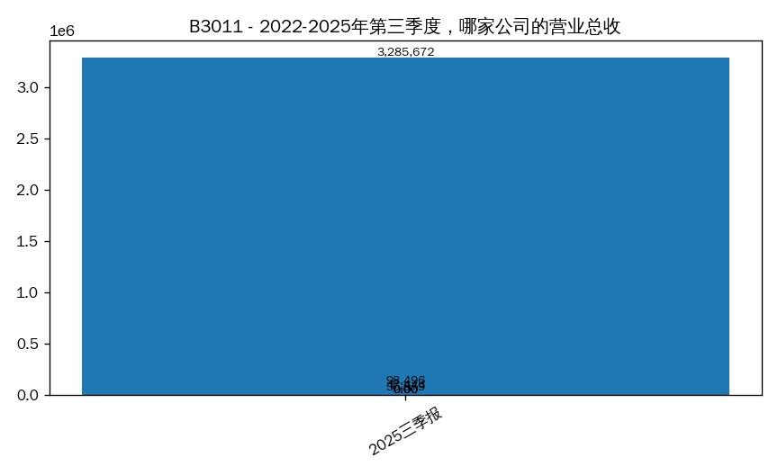 B3011_1.jpg
B3012 | 数据基本查询 | [{"Q": "迈普医学2025年第三季度营业总收入与2024年第三季度相比，同比增长率是多少"}] | SELECT stock_abbr, stock_code, report_year, report_period, total_operating_revenue FROM income_sheet WHERE (stock_abbr='迈普医学') AND report_year IN (2025,2024) AND report_period IN ('Q3') ORDER BY stock_code, report_year, CASE report_period WHEN 'Q1' THEN 1 WHEN 'HY' THEN 2 WHEN 'Q3' THEN 3 WHEN 'FY' THEN 4 END | bar | { "问题编号": "B3012", "问题类型": "数据基本查询", "子问题": [ { "Q": "迈普医学2025年第三季度营业总收入与2024年第三季度相比，同比增长率是多少", "A": "营业总收入 对比：迈普医学 2024三季报 —; 迈普医学 2025三季报 —", "SQL": "SELECT stock_abbr, stock_code, report_year, report_period, total_operating_revenue FROM income_sheet WHERE (stock_abbr='迈普医学') AND report_year IN (2025,2024) AND report_period IN ('Q3') ORDER BY stock_code, report_year, CASE report_period WHEN 'Q1' THEN 1 WHEN 'HY' THEN 2 WHEN 'Q3' THEN 3 WHEN 'FY' THEN 4 END", "image": "B3012_1.jpg" } ] } | 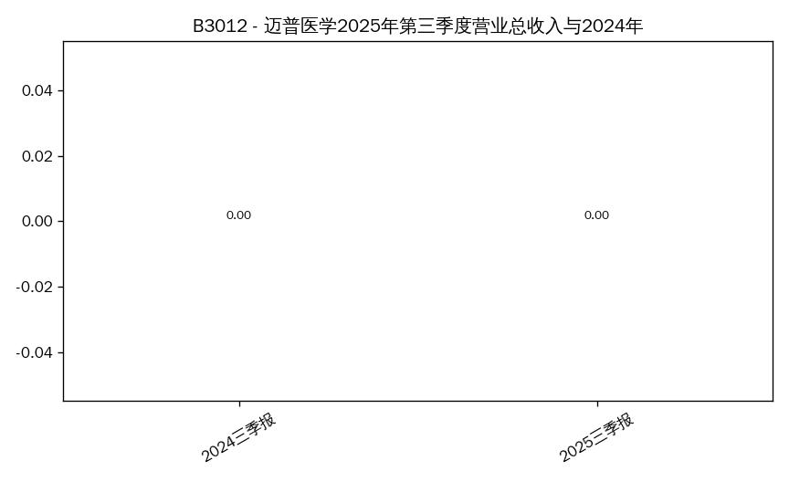 B3012_1.jpg
B3013 | 数据统计分析查询 | [{"Q": "2025年第三季度，10家公司的平均销售毛利率是多少？同时列出销售毛利率低于均值的公司"}] | SELECT AVG(gross_profit_margin) AS gross_profit_margin_avg FROM core_performance_indicators_sheet WHERE gross_profit_margin IS NOT NULL AND report_year IN (2025) AND report_period IN ('Q3') | table | { "问题编号": "B3013", "问题类型": "数据统计分析查询", "子问题": [ { "Q": "2025年第三季度，10家公司的平均销售毛利率是多少？同时列出销售毛利率低于均值的公司", "A": "毛利率均值：—", "SQL": "SELECT AVG(gross_profit_margin) AS gross_profit_margin_avg FROM core_performance_indicators_sheet WHERE gross_profit_margin IS NOT NULL AND report_year IN (2025) AND report_period IN ('Q3')", "image": "B3013_1.jpg" } ] } | 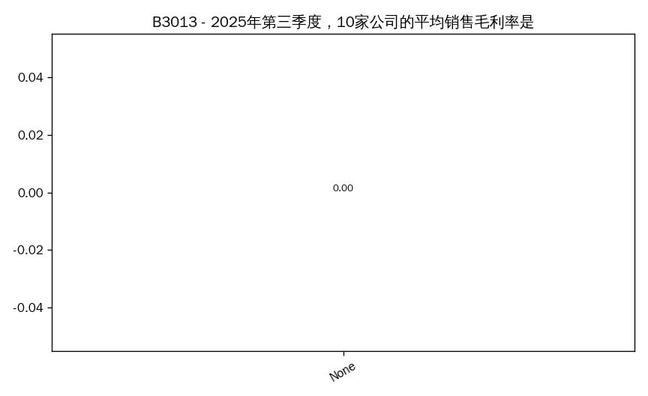 B3013_1.jpg
B3014 | 数据基本查询 | [{"Q": "成都先导2025年第三季度研发费用占营业总收入的比例（%）"}] | SELECT stock_abbr, stock_code, report_year, report_period, operating_expense_rnd_expenses FROM income_sheet WHERE (stock_abbr='成都先导') AND report_year IN (2025) AND report_period IN ('Q3') ORDER BY stock_code, report_year, CASE report_period WHEN 'Q1' THEN 1 WHEN 'HY' THEN 2 WHEN 'Q3' THEN 3 WHEN 'FY' THEN 4 END | table | { "问题编号": "B3014", "问题类型": "数据基本查询", "子问题": [ { "Q": "成都先导2025年第三季度研发费用占营业总收入的比例（%）", "A": "成都先导 2025三季报的研发费用为 4,340.31 万元", "SQL": "SELECT stock_abbr, stock_code, report_year, report_period, operating_expense_rnd_expenses FROM income_sheet WHERE (stock_abbr='成都先导') AND report_year IN (2025) AND report_period IN ('Q3') ORDER BY stock_code, report_year, CASE report_period WHEN 'Q1' THEN 1 WHEN 'HY' THEN 2 WHEN 'Q3' THEN 3 WHEN 'FY' THEN 4 END", "image": "B3014_1.jpg" } ] } | 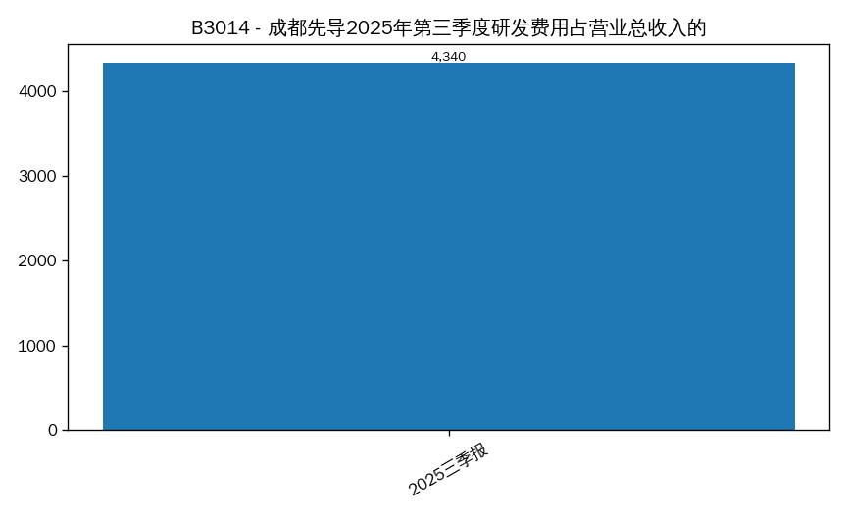 B3014_1.jpg
B3015 | 数据统计分析查询 | [{"Q": "2025年第三季度，净利润与经营性现金流量净额均为正的公司有哪些？请列出简称"}] | SELECT stock_abbr, stock_code, report_year, report_period, operating_cf_net_amount FROM cash_flow_sheet WHERE report_year IN (2025) AND report_period IN ('Q3') AND operating_cf_net_amount > 0 AND operating_cf_net_amount IS NOT NULL ORDER BY operating_cf_net_amount DESC LIMIT 50 | bar | { "问题编号": "B3015", "问题类型": "数据统计分析查询", "子问题": [ { "Q": "2025年第三季度，净利润与经营性现金流量净额均为正的公司有哪些？请列出简称", "A": "符合条件共 3 家，前3：药明康德(603259) 114.13 亿元; 昭衍新药(603127) 2.66 亿元; 成都先导(688222) 1.62 亿元", "SQL": "SELECT stock_abbr, stock_code, report_year, report_period, operating_cf_net_amount FROM cash_flow_sheet WHERE report_year IN (2025) AND report_period IN ('Q3') AND operating_cf_net_amount > 0 AND operating_cf_net_amount IS NOT NULL ORDER BY operating_cf_net_amount DESC LIMIT 50", "image": "B3015_1.jpg" } ] } | 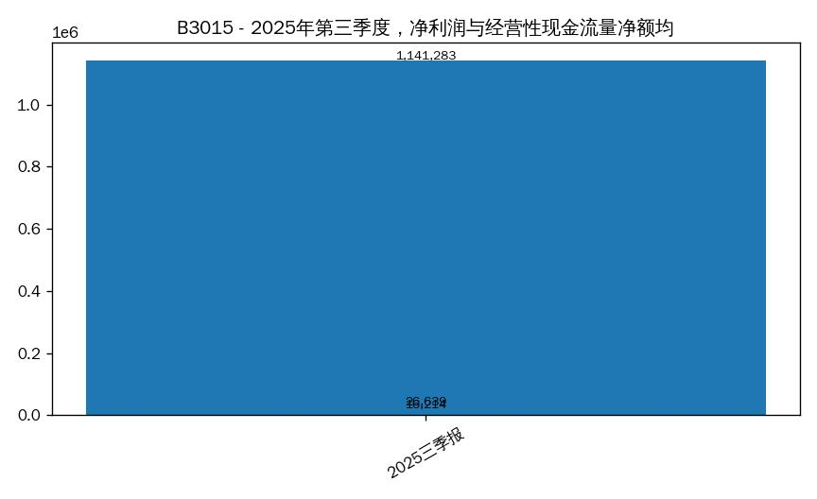 B3015_1.jpg
B3016 | 数据基本查询 | [{"Q": "百普赛斯2025年第三季度货币资金占总资产的比例是多少"}] | SELECT stock_abbr, stock_code, report_year, report_period, asset_total_assets FROM balance_sheet WHERE (stock_abbr='百普赛斯') AND report_year IN (2025) AND report_period IN ('Q3') ORDER BY stock_code, report_year, CASE report_period WHEN 'Q1' THEN 1 WHEN 'HY' THEN 2 WHEN 'Q3' THEN 3 WHEN 'FY' THEN 4 END | table | { "问题编号": "B3016", "问题类型": "数据基本查询", "子问题": [ { "Q": "百普赛斯2025年第三季度货币资金占总资产的比例是多少", "A": "百普赛斯 2025三季报的总资产为 29.30 亿元", "SQL": "SELECT stock_abbr, stock_code, report_year, report_period, asset_total_assets FROM balance_sheet WHERE (stock_abbr='百普赛斯') AND report_year IN (2025) AND report_period IN ('Q3') ORDER BY stock_code, report_year, CASE report_period WHEN 'Q1' THEN 1 WHEN 'HY' THEN 2 WHEN 'Q3' THEN 3 WHEN 'FY' THEN 4 END", "image": "B3016_1.jpg" } ] } | 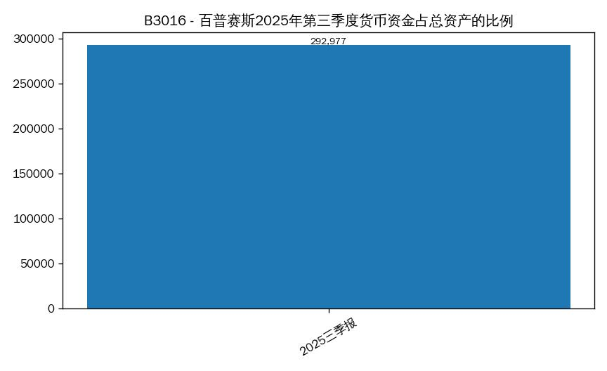 B3016_1.jpg
B3017 | 数据统计分析查询 | [{"Q": "比较凯莱英、药明康德、泰格医药2025年第三季度的销售毛利率，用条形图展示"}] | SELECT stock_abbr, stock_code, report_year, report_period, gross_profit_margin FROM core_performance_indicators_sheet WHERE (stock_abbr='凯莱英' OR stock_abbr='药明康德' OR stock_abbr='泰格医药') AND report_year IN (2025) AND report_period IN ('Q3') ORDER BY stock_code, report_year, CASE report_period WHEN 'Q1' THEN 1 WHEN 'HY' THEN 2 WHEN 'Q3' THEN 3 WHEN 'FY' THEN 4 END | bar | { "问题编号": "B3017", "问题类型": "数据统计分析查询", "子问题": [ { "Q": "比较凯莱英、药明康德、泰格医药2025年第三季度的销售毛利率，用条形图展示", "A": "毛利率 对比：凯莱英 2025三季报 —; 泰格医药 2025三季报 —; 药明康德 2025三季报 —", "SQL": "SELECT stock_abbr, stock_code, report_year, report_period, gross_profit_margin FROM core_performance_indicators_sheet WHERE (stock_abbr='凯莱英' OR stock_abbr='药明康德' OR stock_abbr='泰格医药') AND report_year IN (2025) AND report_period IN ('Q3') ORDER BY stock_code, report_year, CASE report_period WHEN 'Q1' THEN 1 WHEN 'HY' THEN 2 WHEN 'Q3' THEN 3 WHEN 'FY' THEN 4 END", "image": "B3017_1.jpg" } ] } | 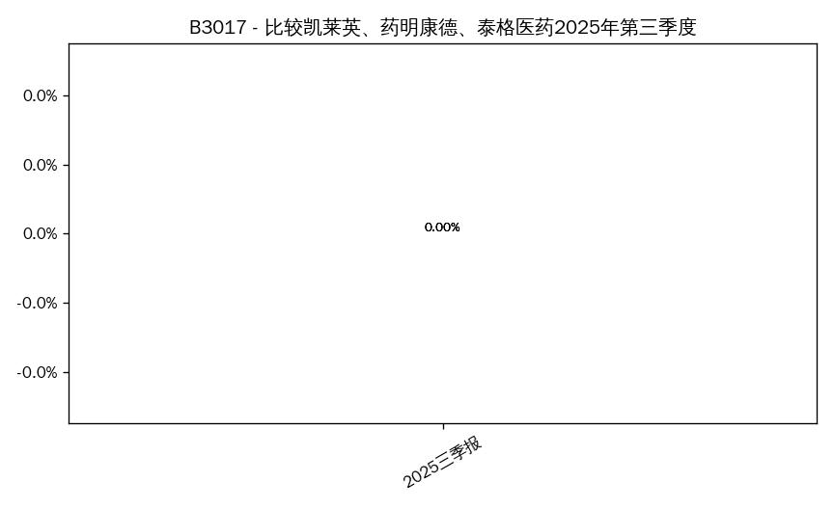 B3017_1.jpg
B3018 | 数据基本查询 | [{"Q": "百诚医药2025年第三季度营业成本是多少？与2024年第三季度相比变化了多少"}] | SELECT stock_abbr, stock_code, report_year, report_period, operating_expense_cost_of_sales FROM income_sheet WHERE (stock_abbr='百诚医药') AND report_year IN (2025,2024) AND report_period IN ('Q3') ORDER BY stock_code, report_year, CASE report_period WHEN 'Q1' THEN 1 WHEN 'HY' THEN 2 WHEN 'Q3' THEN 3 WHEN 'FY' THEN 4 END | line | { "问题编号": "B3018", "问题类型": "数据基本查询", "子问题": [ { "Q": "百诚医药2025年第三季度营业成本是多少？与2024年第三季度相比变化了多少", "A": "未查询到有效数据", "SQL": "SELECT stock_abbr, stock_code, report_year, report_period, operating_expense_cost_of_sales FROM income_sheet WHERE (stock_abbr='百诚医药') AND report_year IN (2025,2024) AND report_period IN ('Q3') ORDER BY stock_code, report_year, CASE report_period WHEN 'Q1' THEN 1 WHEN 'HY' THEN 2 WHEN 'Q3' THEN 3 WHEN 'FY' THEN 4 END", "image": "B3018_1.jpg" } ] } | 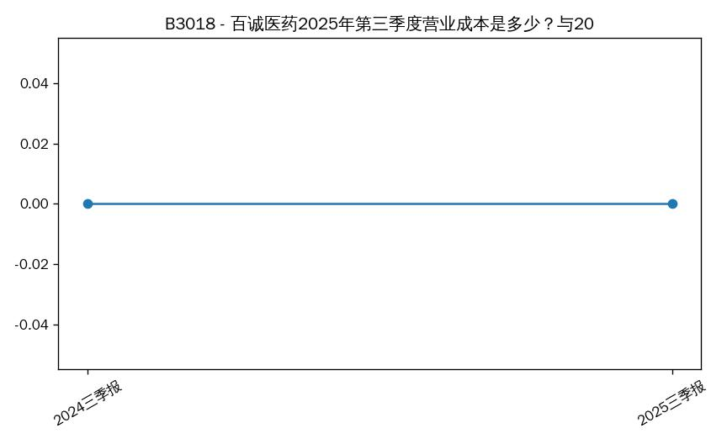 B3018_1.jpg
B3019 | 数据统计分析查询 | [{"Q": "2025年第三季度，应收账款占营业总收入比例超过40%的公司有哪些？列出简称和占比（%）"}] | SELECT t1.stock_abbr, t1.stock_code, t1.report_year, t1.report_period, t1.asset_accounts_receivable, t2.total_operating_revenue FROM balance_sheet t1 JOIN income_sheet t2 USING (stock_code, report_year, report_period) WHERE (t1.report_year IN (2025) AND t1.report_period IN ('Q3')) AND t1.asset_accounts_receivable IS NOT NULL AND t2.total_operating_revenue IS NOT NULL AND t1.asset_accounts_receivable > t2.total_operating_revenue ORDER BY (t1.asset_accounts_receivable - t2.total_operating_revenue) DESC LIMIT 50 | bar | { "问题编号": "B3019", "问题类型": "数据统计分析查询", "子问题": [ { "Q": "2025年第三季度，应收账款占营业总收入比例超过40%的公司有哪些？列出简称和占比（%）", "A": "百克生物 2025三季报的应收账款为 11.83 亿元", "SQL": "SELECT t1.stock_abbr, t1.stock_code, t1.report_year, t1.report_period, t1.asset_accounts_receivable, t2.total_operating_revenue FROM balance_sheet t1 JOIN income_sheet t2 USING (stock_code, report_year, report_period) WHERE (t1.report_year IN (2025) AND t1.report_period IN ('Q3')) AND t1.asset_accounts_receivable IS NOT NULL AND t2.total_operating_revenue IS NOT NULL AND t1.asset_accounts_receivable > t2.total_operating_revenue ORDER BY (t1.asset_accounts_receivable - t2.total_operating_revenue) DESC LIMIT 50", "image": "B3019_1.jpg" } ] } | 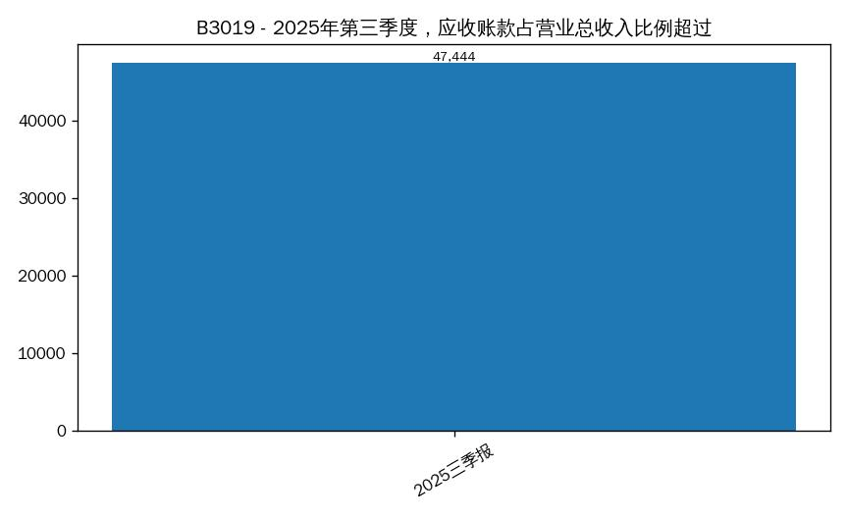 B3019_1.jpg
B3020 | 数据基本查询 | [{"Q": "药明康德2025年第三季度净利润同比增长情况（与2024年Q3比较）"}] | SELECT stock_abbr, stock_code, report_year, report_period, net_profit_yoy_growth FROM income_sheet WHERE (stock_abbr='药明康德') AND report_year IN (2025,2024) AND report_period IN ('Q3') ORDER BY stock_code, report_year, CASE report_period WHEN 'Q1' THEN 1 WHEN 'HY' THEN 2 WHEN 'Q3' THEN 3 WHEN 'FY' THEN 4 END | bar | { "问题编号": "B3020", "问题类型": "数据基本查询", "子问题": [ { "Q": "药明康德2025年第三季度净利润同比增长情况（与2024年Q3比较）", "A": "净利润同比 对比：药明康德 2024三季报 —; 药明康德 2025三季报 —", "SQL": "SELECT stock_abbr, stock_code, report_year, report_period, net_profit_yoy_growth FROM income_sheet WHERE (stock_abbr='药明康德') AND report_year IN (2025,2024) AND report_period IN ('Q3') ORDER BY stock_code, report_year, CASE report_period WHEN 'Q1' THEN 1 WHEN 'HY' THEN 2 WHEN 'Q3' THEN 3 WHEN 'FY' THEN 4 END", "image": "B3020_1.jpg" } ] } | 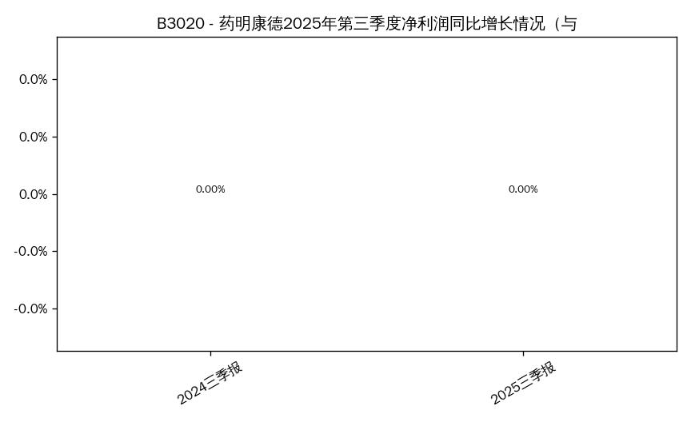 B3020_1.jpg
B3021 | 数据统计分析查询 | [{"Q": "2025年第三季度，净利润同比增长率波动最大（绝对值最大）的公司是哪家？展示具体增长率"}] |  | table | { "问题编号": "B3021", "问题类型": "数据统计分析查询", "子问题": [ { "Q": "2025年第三季度，净利润同比增长率波动最大（绝对值最大）的公司是哪家？展示具体增长率", "A": "澄清：请问要查询哪家公司？", "SQL": "", "image": "" } ] }
B3022 | 数据基本查询 | [{"Q": "昭衍新药2024年全年经营性现金流量净额"}] | SELECT stock_abbr, stock_code, report_year, report_period, operating_cf_net_amount FROM cash_flow_sheet WHERE (stock_abbr='昭衍新药') AND report_year IN (2024) AND report_period IN ('FY') ORDER BY stock_code, report_year, CASE report_period WHEN 'Q1' THEN 1 WHEN 'HY' THEN 2 WHEN 'Q3' THEN 3 WHEN 'FY' THEN 4 END | table | { "问题编号": "B3022", "问题类型": "数据基本查询", "子问题": [ { "Q": "昭衍新药2024年全年经营性现金流量净额", "A": "昭衍新药 2024年报的经营活动现金流为 —", "SQL": "SELECT stock_abbr, stock_code, report_year, report_period, operating_cf_net_amount FROM cash_flow_sheet WHERE (stock_abbr='昭衍新药') AND report_year IN (2024) AND report_period IN ('FY') ORDER BY stock_code, report_year, CASE report_period WHEN 'Q1' THEN 1 WHEN 'HY' THEN 2 WHEN 'Q3' THEN 3 WHEN 'FY' THEN 4 END", "image": "B3022_1.jpg" } ] } | 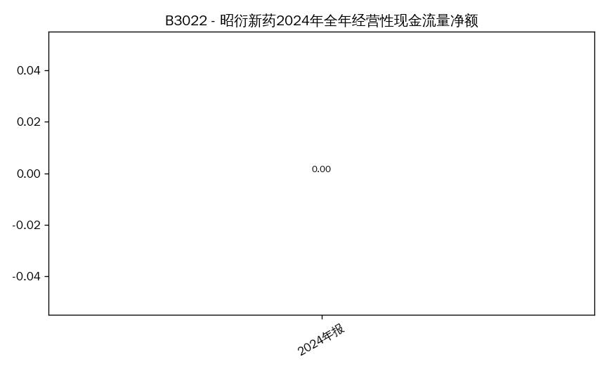 B3022_1.jpg
B3023 | 数据统计分析查询 | [{"Q": "统计2025年第三季度净利润为负数的公司数量，并列出这些公司的简称"}] | SELECT COUNT(*) AS 数量 FROM income_sheet WHERE report_year IN (2025) AND report_period IN ('Q3') AND net_profit < 0 AND net_profit IS NOT NULL | table | { "问题编号": "B3023", "问题类型": "数据统计分析查询", "子问题": [ { "Q": "统计2025年第三季度净利润为负数的公司数量，并列出这些公司的简称", "A": "共 1 家", "SQL": "SELECT COUNT(*) AS 数量 FROM income_sheet WHERE report_year IN (2025) AND report_period IN ('Q3') AND net_profit < 0 AND net_profit IS NOT NULL", "image": "B3023_1.jpg" } ] } | 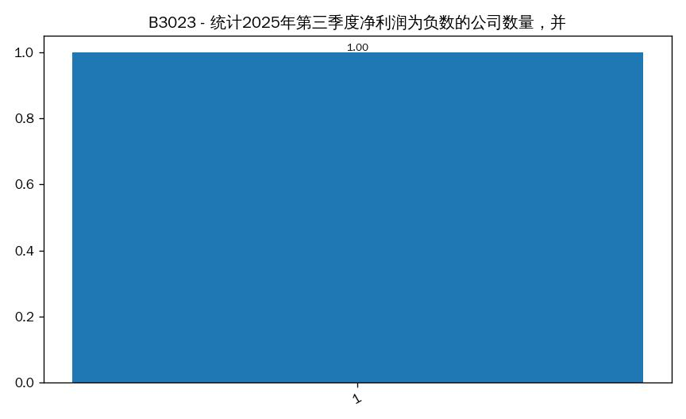 B3023_1.jpg
B3024 | 数据基本查询 | [{"Q": "泰格医药2022-2025年各报告期扣非净利润（万元），请按时间顺序列出"}] | SELECT stock_abbr, stock_code, report_year, report_period, net_profit_excl_non_recurring FROM core_performance_indicators_sheet WHERE (stock_abbr='泰格医药') AND report_year IN (2025) ORDER BY stock_code, report_year, CASE report_period WHEN 'Q1' THEN 1 WHEN 'HY' THEN 2 WHEN 'Q3' THEN 3 WHEN 'FY' THEN 4 END | table | { "问题编号": "B3024", "问题类型": "数据基本查询", "子问题": [ { "Q": "泰格医药2022-2025年各报告期扣非净利润（万元），请按时间顺序列出", "A": "符合条件共 3 家，前3：泰格医药(300347) —; 泰格医药(300347) —; 泰格医药(300347) —", "SQL": "SELECT stock_abbr, stock_code, report_year, report_period, net_profit_excl_non_recurring FROM core_performance_indicators_sheet WHERE (stock_abbr='泰格医药') AND report_year IN (2025) ORDER BY stock_code, report_year, CASE report_period WHEN 'Q1' THEN 1 WHEN 'HY' THEN 2 WHEN 'Q3' THEN 3 WHEN 'FY' THEN 4 END", "image": "B3024_1.jpg" } ] } | 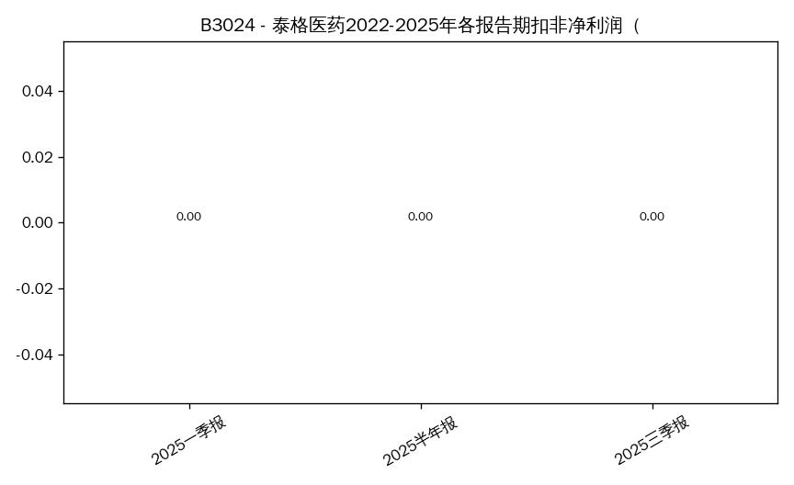 B3024_1.jpg
B3025 | 数据统计分析查询 | [{"Q": "2025年第三季度，营业总支出-销售费用占营业总收入比例最低的3家公司是哪些？列出简称和占比"}] | SELECT stock_abbr, stock_code, report_year, report_period, total_operating_expenses FROM income_sheet WHERE report_year IN (2025) AND report_period IN ('Q3') ORDER BY total_operating_expenses DESC LIMIT 10 | bar | { "问题编号": "B3025", "问题类型": "数据统计分析查询", "子问题": [ { "Q": "2025年第三季度，营业总支出-销售费用占营业总收入比例最低的3家公司是哪些？列出简称和占比", "A": "营业总支出 排名 Top5：1) 药明康德 212.56 亿元; 2) 昭衍新药 10.25 亿元; 3) 百克生物 6.29 亿元; 4) 成都先导 2.76 亿元; 5) 凯莱英 —", "SQL": "SELECT stock_abbr, stock_code, report_year, report_period, total_operating_expenses FROM income_sheet WHERE report_year IN (2025) AND report_period IN ('Q3') ORDER BY total_operating_expenses DESC LIMIT 10", "image": "B3025_1.jpg" } ] } |  B3025_1.jpg
B3026 | 数据基本查询 | [{"Q": "迪安诊断2025年第三季度存货金额及存货周转率（营业成本/平均存货）"}] | SELECT AVG(operating_expense_cost_of_sales) AS operating_expense_cost_of_sales_avg FROM income_sheet WHERE operating_expense_cost_of_sales IS NOT NULL AND report_year IN (2025) AND report_period IN ('Q3') | table | { "问题编号": "B3026", "问题类型": "数据基本查询", "子问题": [ { "Q": "迪安诊断2025年第三季度存货金额及存货周转率（营业成本/平均存货）", "A": "营业成本均值：46.49 亿元", "SQL": "SELECT AVG(operating_expense_cost_of_sales) AS operating_expense_cost_of_sales_avg FROM income_sheet WHERE operating_expense_cost_of_sales IS NOT NULL AND report_year IN (2025) AND report_period IN ('Q3')", "image": "B3026_1.jpg" } ] } | 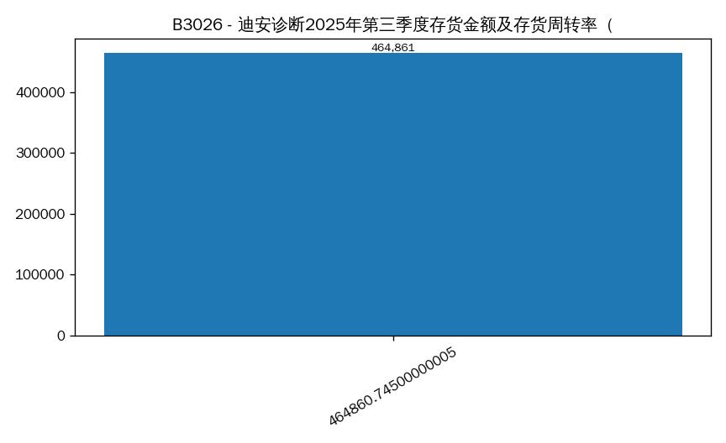 B3026_1.jpg
B3027 | 数据统计分析查询 | [{"Q": "寻找2022-2025年第三季度连续四个报告期扣非净利润均超过5000万元的公司，列出股票代码和简称"}] | SELECT stock_abbr, stock_code, report_year, report_period, net_profit_excl_non_recurring FROM core_performance_indicators_sheet WHERE report_year IN (2025) AND report_period IN ('Q3') AND net_profit_excl_non_recurring > 5000.0 AND net_profit_excl_non_recurring IS NOT NULL ORDER BY net_profit_excl_non_recurring DESC LIMIT 50 | bar | { "问题编号": "B3027", "问题类型": "数据统计分析查询", "子问题": [ { "Q": "寻找2022-2025年第三季度连续四个报告期扣非净利润均超过5000万元的公司，列出股票代码和简称", "A": "未查询到数据", "SQL": "SELECT stock_abbr, stock_code, report_year, report_period, net_profit_excl_non_recurring FROM core_performance_indicators_sheet WHERE report_year IN (2025) AND report_period IN ('Q3') AND net_profit_excl_non_recurring > 5000.0 AND net_profit_excl_non_recurring IS NOT NULL ORDER BY net_profit_excl_non_recurring DESC LIMIT 50", "image": "" } ] }
B3028 | 数据基本查询 | [{"Q": "凯莱英2025年第三季度营业总收入环比增长率（与2025年Q2比较）"}] | SELECT stock_abbr, stock_code, report_year, report_period, total_operating_revenue FROM income_sheet WHERE (stock_abbr='凯莱英') AND report_year IN (2025) AND report_period IN ('Q3') ORDER BY stock_code, report_year, CASE report_period WHEN 'Q1' THEN 1 WHEN 'HY' THEN 2 WHEN 'Q3' THEN 3 WHEN 'FY' THEN 4 END | bar | { "问题编号": "B3028", "问题类型": "数据基本查询", "子问题": [ { "Q": "凯莱英2025年第三季度营业总收入环比增长率（与2025年Q2比较）", "A": "未查询到有效数据", "SQL": "SELECT stock_abbr, stock_code, report_year, report_period, total_operating_revenue FROM income_sheet WHERE (stock_abbr='凯莱英') AND report_year IN (2025) AND report_period IN ('Q3') ORDER BY stock_code, report_year, CASE report_period WHEN 'Q1' THEN 1 WHEN 'HY' THEN 2 WHEN 'Q3' THEN 3 WHEN 'FY' THEN 4 END", "image": "B3028_1.jpg" } ] } | 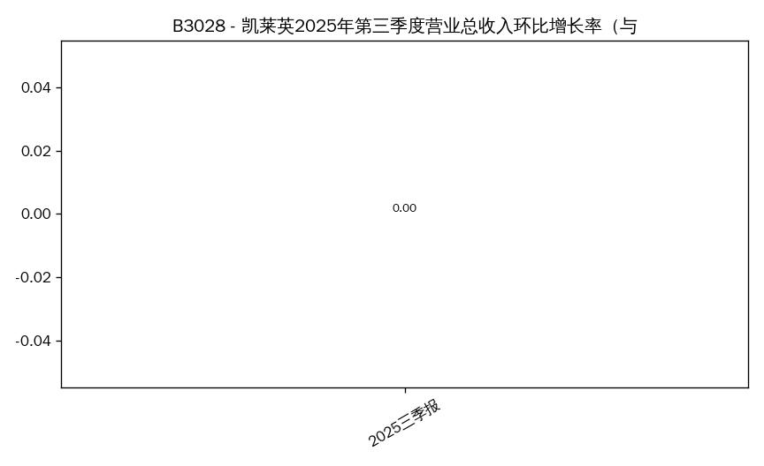 B3028_1.jpg
B3029 | 数据统计分析查询 | [{"Q": "2025年第三季度，资产-总资产同比增长率超过营业总收入同比增长率的公司有哪些？列出简称"}] | SELECT t1.stock_abbr, t1.stock_code, t1.report_year, t1.report_period, t1.asset_total_assets_yoy_growth, t2.operating_revenue_yoy_growth FROM balance_sheet t1 JOIN income_sheet t2 USING (stock_code, report_year, report_period) WHERE (t1.report_year IN (2025) AND t1.report_period IN ('Q3')) AND t1.asset_total_assets_yoy_growth IS NOT NULL AND t2.operating_revenue_yoy_growth IS NOT NULL AND t1.asset_total_assets_yoy_growth > t2.operating_revenue_yoy_growth ORDER BY (t1.asset_total_assets_yoy_growth - t2.operating_revenue_yoy_growth) DESC LIMIT 50 | bar | { "问题编号": "B3029", "问题类型": "数据统计分析查询", "子问题": [ { "Q": "2025年第三季度，资产-总资产同比增长率超过营业总收入同比增长率的公司有哪些？列出简称", "A": "未查询到数据", "SQL": "SELECT t1.stock_abbr, t1.stock_code, t1.report_year, t1.report_period, t1.asset_total_assets_yoy_growth, t2.operating_revenue_yoy_growth FROM balance_sheet t1 JOIN income_sheet t2 USING (stock_code, report_year, report_period) WHERE (t1.report_year IN (2025) AND t1.report_period IN ('Q3')) AND t1.asset_total_assets_yoy_growth IS NOT NULL AND t2.operating_revenue_yoy_growth IS NOT NULL AND t1.asset_total_assets_yoy_growth > t2.operating_revenue_yoy_growth ORDER BY (t1.asset_total_assets_yoy_growth - t2.operating_revenue_yoy_growth) DESC LIMIT 50", "image": "" } ] }
B3030 | 数据基本查询 | [{"Q": "百克生物2025年第三季度短期借款和货币资金金额各是多少"}] | SELECT stock_abbr, stock_code, report_year, report_period, asset_cash_and_cash_equivalents FROM balance_sheet WHERE (stock_abbr='百克生物') AND report_year IN (2025) AND report_period IN ('Q3') ORDER BY stock_code, report_year, CASE report_period WHEN 'Q1' THEN 1 WHEN 'HY' THEN 2 WHEN 'Q3' THEN 3 WHEN 'FY' THEN 4 END | table | { "问题编号": "B3030", "问题类型": "数据基本查询", "子问题": [ { "Q": "百克生物2025年第三季度短期借款和货币资金金额各是多少", "A": "百克生物 2025三季报的货币资金为 1.57 亿元", "SQL": "SELECT stock_abbr, stock_code, report_year, report_period, asset_cash_and_cash_equivalents FROM balance_sheet WHERE (stock_abbr='百克生物') AND report_year IN (2025) AND report_period IN ('Q3') ORDER BY stock_code, report_year, CASE report_period WHEN 'Q1' THEN 1 WHEN 'HY' THEN 2 WHEN 'Q3' THEN 3 WHEN 'FY' THEN 4 END", "image": "B3030_1.jpg" } ] } |  B3030_1.jpg
B3031 | 数据统计分析查询 | [{"Q": "2025年第三季度，研发费用占营业总收入比例排名，用条形图展示所有公司的占比"}] | SELECT stock_abbr, stock_code, report_year, report_period, operating_expense_rnd_expenses FROM income_sheet WHERE report_year IN (2025) AND report_period IN ('Q3') ORDER BY operating_expense_rnd_expenses DESC LIMIT 10 | bar | { "问题编号": "B3031", "问题类型": "数据统计分析查询", "子问题": [ { "Q": "2025年第三季度，研发费用占营业总收入比例排名，用条形图展示所有公司的占比", "A": "研发费用 排名 Top5：1) 药明康德 8.26 亿元; 2) 百克生物 1.39 亿元; 3) 昭衍新药 6,386.43 万元; 4) 成都先导 4,340.31 万元; 5) 凯莱英 —", "SQL": "SELECT stock_abbr, stock_code, report_year, report_period, operating_expense_rnd_expenses FROM income_sheet WHERE report_year IN (2025) AND report_period IN ('Q3') ORDER BY operating_expense_rnd_expenses DESC LIMIT 10", "image": "B3031_1.jpg" } ] } |  B3031_1.jpg
B3032 | 数据基本查询 | [{"Q": "药明康德2025年第三季度利润表中的营业总收入，与核心业绩指标表中的营业总收入是否一致？给出两个数值"}] | SELECT stock_abbr, stock_code, report_year, report_period, total_operating_revenue FROM income_sheet WHERE (stock_abbr='药明康德') AND report_year IN (2025) AND report_period IN ('Q3') ORDER BY stock_code, report_year, CASE report_period WHEN 'Q1' THEN 1 WHEN 'HY' THEN 2 WHEN 'Q3' THEN 3 WHEN 'FY' THEN 4 END | table | { "问题编号": "B3032", "问题类型": "数据基本查询", "子问题": [ { "Q": "药明康德2025年第三季度利润表中的营业总收入，与核心业绩指标表中的营业总收入是否一致？给出两个数值", "A": "药明康德 2025三季报的营业总收入为 328.57 亿元", "SQL": "SELECT stock_abbr, stock_code, report_year, report_period, total_operating_revenue FROM income_sheet WHERE (stock_abbr='药明康德') AND report_year IN (2025) AND report_period IN ('Q3') ORDER BY stock_code, report_year, CASE report_period WHEN 'Q1' THEN 1 WHEN 'HY' THEN 2 WHEN 'Q3' THEN 3 WHEN 'FY' THEN 4 END", "image": "B3032_1.jpg" } ] } |  B3032_1.jpg
B3033 | 数据统计分析查询 | [{"Q": "计算2025年第三季度10家公司的净利润中位数，找出净利润高于中位数的公司"}] | SELECT AVG(net_profit) AS net_profit_median FROM income_sheet WHERE net_profit IS NOT NULL AND report_year IN (2025) AND report_period IN ('Q3') | table | { "问题编号": "B3033", "问题类型": "数据统计分析查询", "子问题": [ { "Q": "计算2025年第三季度10家公司的净利润中位数，找出净利润高于中位数的公司", "A": "净利润中位数：30.55 亿元", "SQL": "SELECT AVG(net_profit) AS net_profit_median FROM income_sheet WHERE net_profit IS NOT NULL AND report_year IN (2025) AND report_period IN ('Q3')", "image": "B3033_1.jpg" } ] } | 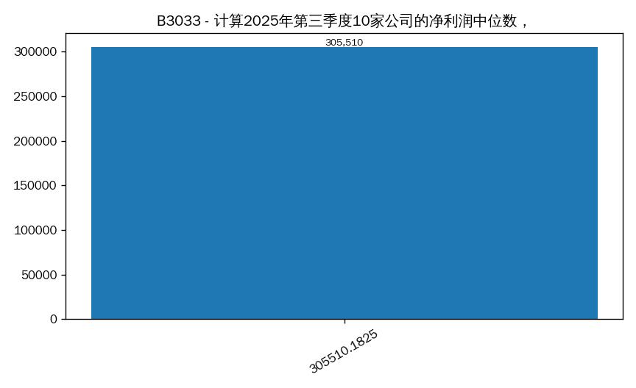 B3033_1.jpg
B3034 | 数据基本查询 | [{"Q": "迈普医学2025年第三季度销售费用和研发费用分别是多少"}] | SELECT stock_abbr, stock_code, report_year, report_period, operating_expense_selling_expenses FROM income_sheet WHERE (stock_abbr='迈普医学') AND report_year IN (2025) AND report_period IN ('Q3') ORDER BY stock_code, report_year, CASE report_period WHEN 'Q1' THEN 1 WHEN 'HY' THEN 2 WHEN 'Q3' THEN 3 WHEN 'FY' THEN 4 END | table | { "问题编号": "B3034", "问题类型": "数据基本查询", "子问题": [ { "Q": "迈普医学2025年第三季度销售费用和研发费用分别是多少", "A": "迈普医学 2025三季报的销售费用为 —", "SQL": "SELECT stock_abbr, stock_code, report_year, report_period, operating_expense_selling_expenses FROM income_sheet WHERE (stock_abbr='迈普医学') AND report_year IN (2025) AND report_period IN ('Q3') ORDER BY stock_code, report_year, CASE report_period WHEN 'Q1' THEN 1 WHEN 'HY' THEN 2 WHEN 'Q3' THEN 3 WHEN 'FY' THEN 4 END", "image": "B3034_1.jpg" } ] } | 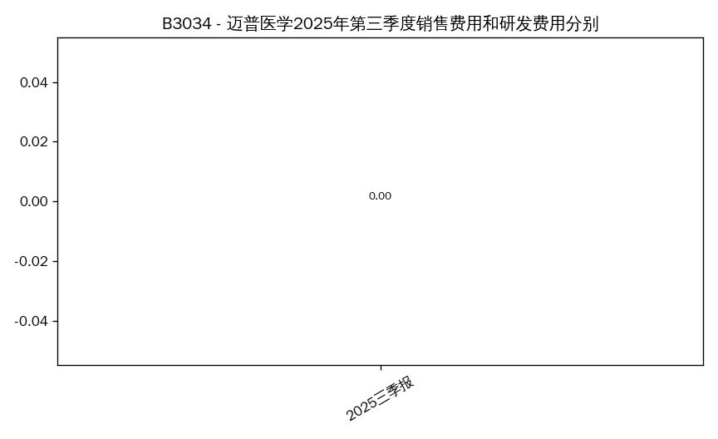 B3034_1.jpg
B3035 | 数据统计分析查询 | [{"Q": "2025年第三季度，资产-应收账款占营业总收入比例最小的3家公司是哪些？列出简称和占比"}] | SELECT stock_abbr, stock_code, report_year, report_period, asset_accounts_receivable FROM balance_sheet WHERE report_year IN (2025) AND report_period IN ('Q3') ORDER BY stock_code, report_year, CASE report_period WHEN 'Q1' THEN 1 WHEN 'HY' THEN 2 WHEN 'Q3' THEN 3 WHEN 'FY' THEN 4 END | table | { "问题编号": "B3035", "问题类型": "数据统计分析查询", "子问题": [ { "Q": "2025年第三季度，资产-应收账款占营业总收入比例最小的3家公司是哪些？列出简称和占比", "A": "符合条件共 10 家，前5：凯莱英(002821) 15.27 亿元; 迪安诊断(300244) 67.36 亿元; 泰格医药(300347) 14.27 亿元; 迈普医学(301033) 1,636.64 万元; 百普赛斯(301080) 1.26 亿元", "SQL": "SELECT stock_abbr, stock_code, report_year, report_period, asset_accounts_receivable FROM balance_sheet WHERE report_year IN (2025) AND report_period IN ('Q3') ORDER BY stock_code, report_year, CASE report_period WHEN 'Q1' THEN 1 WHEN 'HY' THEN 2 WHEN 'Q3' THEN 3 WHEN 'FY' THEN 4 END", "image": "B3035_1.jpg" } ] } |  B3035_1.jpg
B3036 | 数据基本查询 | [{"Q": "成都先导2025年第三季度投资性现金流量净额"}] | SELECT stock_abbr, stock_code, report_year, report_period, investing_cf_net_amount FROM cash_flow_sheet WHERE (stock_abbr='成都先导') AND report_year IN (2025) AND report_period IN ('Q3') ORDER BY stock_code, report_year, CASE report_period WHEN 'Q1' THEN 1 WHEN 'HY' THEN 2 WHEN 'Q3' THEN 3 WHEN 'FY' THEN 4 END | table | { "问题编号": "B3036", "问题类型": "数据基本查询", "子问题": [ { "Q": "成都先导2025年第三季度投资性现金流量净额", "A": "成都先导 2025三季报的投资活动现金流为 -4,124.89 万元", "SQL": "SELECT stock_abbr, stock_code, report_year, report_period, investing_cf_net_amount FROM cash_flow_sheet WHERE (stock_abbr='成都先导') AND report_year IN (2025) AND report_period IN ('Q3') ORDER BY stock_code, report_year, CASE report_period WHEN 'Q1' THEN 1 WHEN 'HY' THEN 2 WHEN 'Q3' THEN 3 WHEN 'FY' THEN 4 END", "image": "B3036_1.jpg" } ] } |  B3036_1.jpg
B3037 | 数据统计分析查询 | [{"Q": "2022-2025年第三季度，营业总收入连续保持正增长的公司有哪些？列出简称"}] |  | table | { "问题编号": "B3037", "问题类型": "数据统计分析查询", "子问题": [ { "Q": "2022-2025年第三季度，营业总收入连续保持正增长的公司有哪些？列出简称", "A": "澄清：请问要查询哪家公司？", "SQL": "", "image": "" } ] }
B3038 | 数据基本查询 | [{"Q": "百诚医药2024年第三季度与2025年第三季度净利润分别是多少"}] | SELECT stock_abbr, stock_code, report_year, report_period, net_profit FROM income_sheet WHERE (stock_abbr='百诚医药') AND report_year IN (2024,2025) AND report_period IN ('Q3') ORDER BY stock_code, report_year, CASE report_period WHEN 'Q1' THEN 1 WHEN 'HY' THEN 2 WHEN 'Q3' THEN 3 WHEN 'FY' THEN 4 END | table | { "问题编号": "B3038", "问题类型": "数据基本查询", "子问题": [ { "Q": "百诚医药2024年第三季度与2025年第三季度净利润分别是多少", "A": "符合条件共 2 家，前2：百诚医药(301096) —; 百诚医药(301096) —", "SQL": "SELECT stock_abbr, stock_code, report_year, report_period, net_profit FROM income_sheet WHERE (stock_abbr='百诚医药') AND report_year IN (2024,2025) AND report_period IN ('Q3') ORDER BY stock_code, report_year, CASE report_period WHEN 'Q1' THEN 1 WHEN 'HY' THEN 2 WHEN 'Q3' THEN 3 WHEN 'FY' THEN 4 END", "image": "B3038_1.jpg" } ] } | 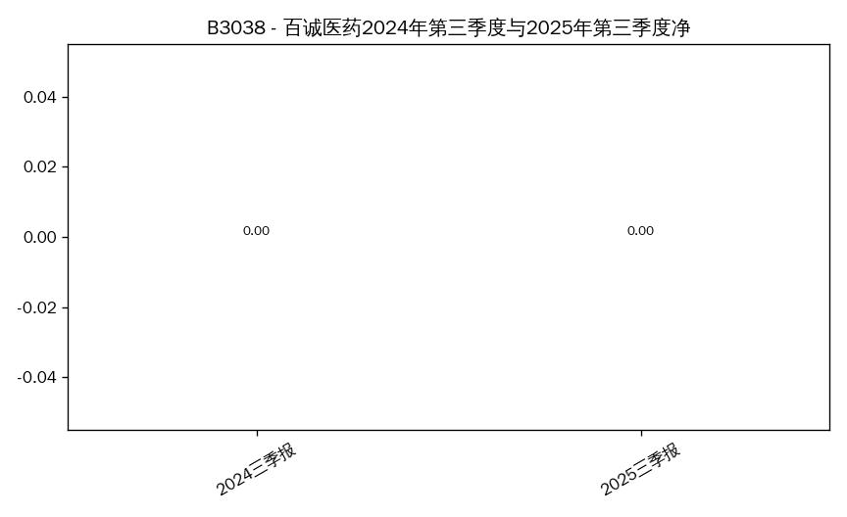 B3038_1.jpg
B3039 | 数据统计分析查询 | [{"Q": "2025年第三季度，经营性现金流量净额/净利润比值小于0.5的公司有哪些？列出简称和比值"}] | SELECT stock_abbr, stock_code, report_year, report_period, operating_cf_net_amount FROM cash_flow_sheet WHERE report_year IN (2025) AND report_period IN ('Q3') AND operating_cf_net_amount < 0.5 AND operating_cf_net_amount IS NOT NULL ORDER BY operating_cf_net_amount DESC LIMIT 50 | bar | { "问题编号": "B3039", "问题类型": "数据统计分析查询", "子问题": [ { "Q": "2025年第三季度，经营性现金流量净额/净利润比值小于0.5的公司有哪些？列出简称和比值", "A": "百克生物 2025三季报的经营活动现金流为 -1,480.94 万元", "SQL": "SELECT stock_abbr, stock_code, report_year, report_period, operating_cf_net_amount FROM cash_flow_sheet WHERE report_year IN (2025) AND report_period IN ('Q3') AND operating_cf_net_amount < 0.5 AND operating_cf_net_amount IS NOT NULL ORDER BY operating_cf_net_amount DESC LIMIT 50", "image": "B3039_1.jpg" } ] } |  B3039_1.jpg
B3040 | 数据基本查询 | [{"Q": "泰格医药2025年第三季度资产总额和负债总额"}] | SELECT stock_abbr, stock_code, report_year, report_period, liability_total_liabilities FROM balance_sheet WHERE (stock_abbr='泰格医药') AND report_year IN (2025) AND report_period IN ('Q3') ORDER BY stock_code, report_year, CASE report_period WHEN 'Q1' THEN 1 WHEN 'HY' THEN 2 WHEN 'Q3' THEN 3 WHEN 'FY' THEN 4 END | table | { "问题编号": "B3040", "问题类型": "数据基本查询", "子问题": [ { "Q": "泰格医药2025年第三季度资产总额和负债总额", "A": "泰格医药 2025三季报的总负债为 40.77 亿元", "SQL": "SELECT stock_abbr, stock_code, report_year, report_period, liability_total_liabilities FROM balance_sheet WHERE (stock_abbr='泰格医药') AND report_year IN (2025) AND report_period IN ('Q3') ORDER BY stock_code, report_year, CASE report_period WHEN 'Q1' THEN 1 WHEN 'HY' THEN 2 WHEN 'Q3' THEN 3 WHEN 'FY' THEN 4 END", "image": "B3040_1.jpg" } ] } |  B3040_1.jpg
B3041 | 数据统计分析查询 | [{"Q": "绘制药明康德2022-2025年第三季度营业总收入和净利润的趋势折线图"}] | SELECT stock_abbr, stock_code, report_year, report_period, net_profit FROM income_sheet WHERE (stock_abbr='药明康德') AND report_year IN (2025) AND report_period IN ('Q3') ORDER BY stock_code, report_year, CASE report_period WHEN 'Q1' THEN 1 WHEN 'HY' THEN 2 WHEN 'Q3' THEN 3 WHEN 'FY' THEN 4 END | line | { "问题编号": "B3041", "问题类型": "数据统计分析查询", "子问题": [ { "Q": "绘制药明康德2022-2025年第三季度营业总收入和净利润的趋势折线图", "A": "药明康德 2025三季报 的净利润为 122.06 亿元（仅有效值）", "SQL": "SELECT stock_abbr, stock_code, report_year, report_period, net_profit FROM income_sheet WHERE (stock_abbr='药明康德') AND report_year IN (2025) AND report_period IN ('Q3') ORDER BY stock_code, report_year, CASE report_period WHEN 'Q1' THEN 1 WHEN 'HY' THEN 2 WHEN 'Q3' THEN 3 WHEN 'FY' THEN 4 END", "image": "B3041_1.jpg" } ] } | 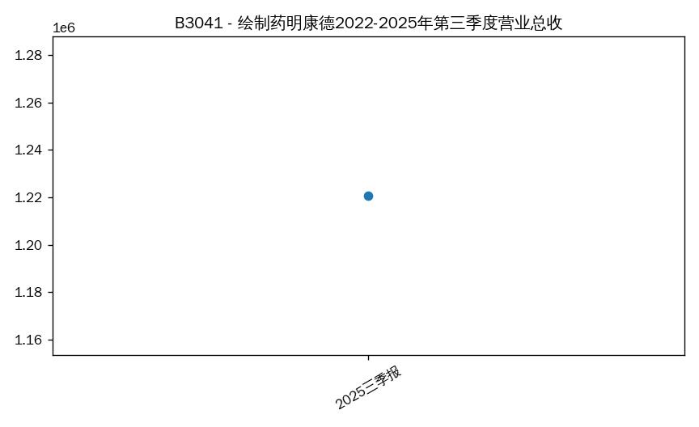 B3041_1.jpg
B3042 | 数据基本查询 | [{"Q": "昭衍新药2025年第三季度股东权益-未分配利润金额"}] | SELECT stock_abbr, stock_code, report_year, report_period, equity_unappropriated_profit FROM balance_sheet WHERE (stock_abbr='昭衍新药') AND report_year IN (2025) AND report_period IN ('Q3') ORDER BY stock_code, report_year, CASE report_period WHEN 'Q1' THEN 1 WHEN 'HY' THEN 2 WHEN 'Q3' THEN 3 WHEN 'FY' THEN 4 END | table | { "问题编号": "B3042", "问题类型": "数据基本查询", "子问题": [ { "Q": "昭衍新药2025年第三季度股东权益-未分配利润金额", "A": "昭衍新药 2025三季报的未分配利润为 —", "SQL": "SELECT stock_abbr, stock_code, report_year, report_period, equity_unappropriated_profit FROM balance_sheet WHERE (stock_abbr='昭衍新药') AND report_year IN (2025) AND report_period IN ('Q3') ORDER BY stock_code, report_year, CASE report_period WHEN 'Q1' THEN 1 WHEN 'HY' THEN 2 WHEN 'Q3' THEN 3 WHEN 'FY' THEN 4 END", "image": "B3042_1.jpg" } ] } | 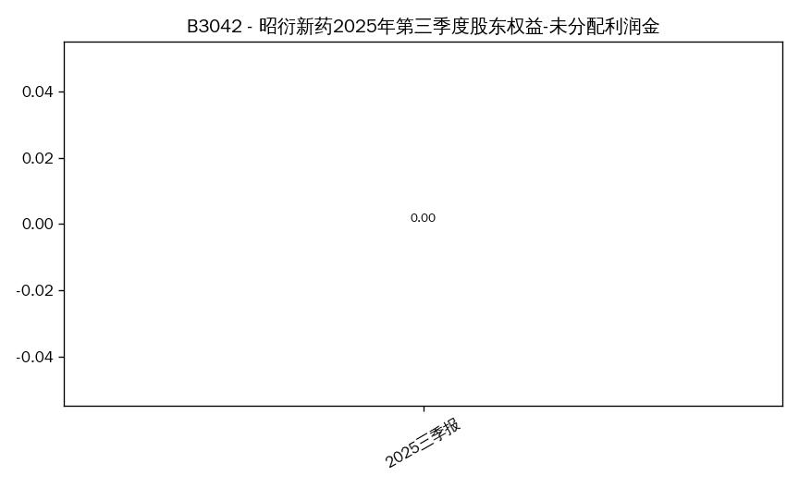 B3042_1.jpg
B3043 | 数据统计分析查询 | [{"Q": "2025年第三季度，负债-短期借款超过资产-货币资金的公司有哪些？列出简称及两者金额"}] | SELECT stock_abbr, stock_code, report_year, report_period, liability_short_term_loans, asset_cash_and_cash_equivalents FROM balance_sheet WHERE report_year IN (2025) AND report_period IN ('Q3') AND liability_short_term_loans IS NOT NULL AND asset_cash_and_cash_equivalents IS NOT NULL AND liability_short_term_loans > asset_cash_and_cash_equivalents ORDER BY (liability_short_term_loans - asset_cash_and_cash_equivalents) DESC LIMIT 50 | bar | { "问题编号": "B3043", "问题类型": "数据统计分析查询", "子问题": [ { "Q": "2025年第三季度，负债-短期借款超过资产-货币资金的公司有哪些？列出简称及两者金额", "A": "符合条件共 2 家，前2：百诚医药(301096) 3.73 亿元; 百克生物(688276) 1.57 亿元", "SQL": "SELECT stock_abbr, stock_code, report_year, report_period, liability_short_term_loans, asset_cash_and_cash_equivalents FROM balance_sheet WHERE report_year IN (2025) AND report_period IN ('Q3') AND liability_short_term_loans IS NOT NULL AND asset_cash_and_cash_equivalents IS NOT NULL AND liability_short_term_loans > asset_cash_and_cash_equivalents ORDER BY (liability_short_term_loans - asset_cash_and_cash_equivalents) DESC LIMIT 50", "image": "B3043_1.jpg" } ] } | 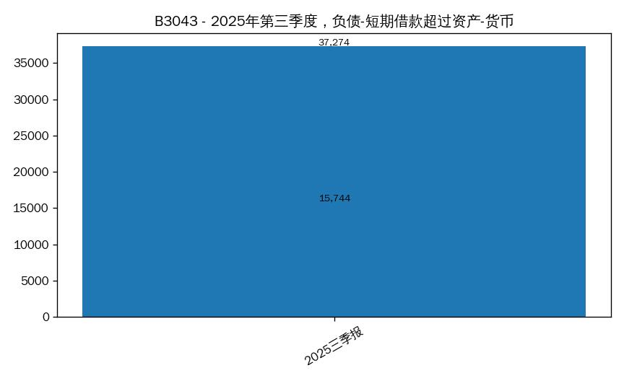 B3043_1.jpg
B3044 | 数据基本查询 | [{"Q": "凯莱英2025年第三季度营业总成本构成：营业成本、销售费用、管理费用、研发费用金额"}] | SELECT stock_abbr, stock_code, report_year, report_period, operating_expense_selling_expenses FROM income_sheet WHERE (stock_abbr='凯莱英') AND report_year IN (2025) AND report_period IN ('Q3') ORDER BY stock_code, report_year, CASE report_period WHEN 'Q1' THEN 1 WHEN 'HY' THEN 2 WHEN 'Q3' THEN 3 WHEN 'FY' THEN 4 END | table | { "问题编号": "B3044", "问题类型": "数据基本查询", "子问题": [ { "Q": "凯莱英2025年第三季度营业总成本构成：营业成本、销售费用、管理费用、研发费用金额", "A": "凯莱英 2025三季报的销售费用为 —", "SQL": "SELECT stock_abbr, stock_code, report_year, report_period, operating_expense_selling_expenses FROM income_sheet WHERE (stock_abbr='凯莱英') AND report_year IN (2025) AND report_period IN ('Q3') ORDER BY stock_code, report_year, CASE report_period WHEN 'Q1' THEN 1 WHEN 'HY' THEN 2 WHEN 'Q3' THEN 3 WHEN 'FY' THEN 4 END", "image": "B3044_1.jpg" } ] } | 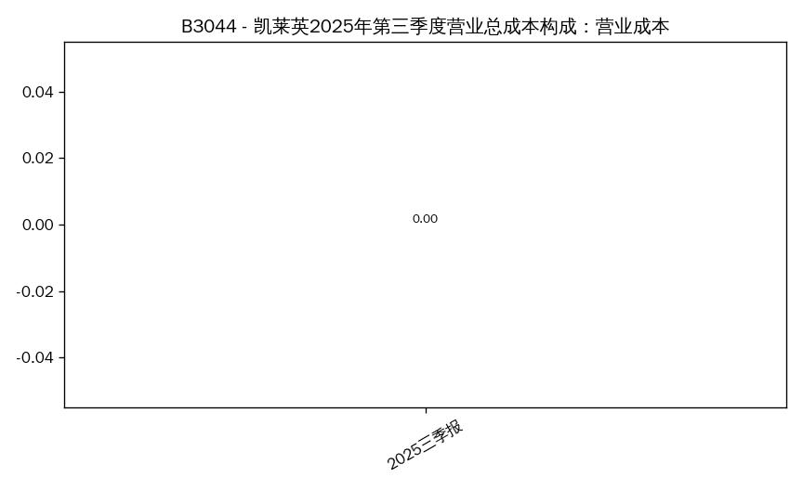 B3044_1.jpg
B3045 | 数据统计分析查询 | [{"Q": "2025年第三季度，扣非净利润与净利润差值最大的公司是哪家？列出净利润和扣非净利润"}] | SELECT t1.stock_abbr, t1.stock_code, t1.report_year, t1.report_period, t1.net_profit_excl_non_recurring, t2.net_profit, ABS(t1.net_profit_excl_non_recurring - t2.net_profit) AS 差值绝对值 FROM core_performance_indicators_sheet t1 JOIN income_sheet t2 USING (stock_code, report_year, report_period) WHERE (t1.report_year IN (2025) AND t1.report_period IN ('Q3')) AND t1.net_profit_excl_non_recurring IS NOT NULL AND t2.net_profit IS NOT NULL ORDER BY 差值绝对值 DESC LIMIT 5 | bar | { "问题编号": "B3045", "问题类型": "数据统计分析查询", "子问题": [ { "Q": "2025年第三季度，扣非净利润与净利润差值最大的公司是哪家？列出净利润和扣非净利润", "A": "未查询到数据", "SQL": "SELECT t1.stock_abbr, t1.stock_code, t1.report_year, t1.report_period, t1.net_profit_excl_non_recurring, t2.net_profit, ABS(t1.net_profit_excl_non_recurring - t2.net_profit) AS 差值绝对值 FROM core_performance_indicators_sheet t1 JOIN income_sheet t2 USING (stock_code, report_year, report_period) WHERE (t1.report_year IN (2025) AND t1.report_period IN ('Q3')) AND t1.net_profit_excl_non_recurring IS NOT NULL AND t2.net_profit IS NOT NULL ORDER BY 差值绝对值 DESC LIMIT 5", "image": "" } ] }
B3046 | 数据基本查询 | [{"Q": "百普赛斯2022-2025年第三季度销售毛利率变化情况，用表格列出各期毛利率"}] | SELECT stock_abbr, stock_code, report_year, report_period, gross_profit_margin FROM core_performance_indicators_sheet WHERE (stock_abbr='百普赛斯') AND report_year IN (2025) AND report_period IN ('Q3') ORDER BY stock_code, report_year, CASE report_period WHEN 'Q1' THEN 1 WHEN 'HY' THEN 2 WHEN 'Q3' THEN 3 WHEN 'FY' THEN 4 END | line | { "问题编号": "B3046", "问题类型": "数据基本查询", "子问题": [ { "Q": "百普赛斯2022-2025年第三季度销售毛利率变化情况，用表格列出各期毛利率", "A": "未查询到有效数据", "SQL": "SELECT stock_abbr, stock_code, report_year, report_period, gross_profit_margin FROM core_performance_indicators_sheet WHERE (stock_abbr='百普赛斯') AND report_year IN (2025) AND report_period IN ('Q3') ORDER BY stock_code, report_year, CASE report_period WHEN 'Q1' THEN 1 WHEN 'HY' THEN 2 WHEN 'Q3' THEN 3 WHEN 'FY' THEN 4 END", "image": "B3046_1.jpg" } ] } | 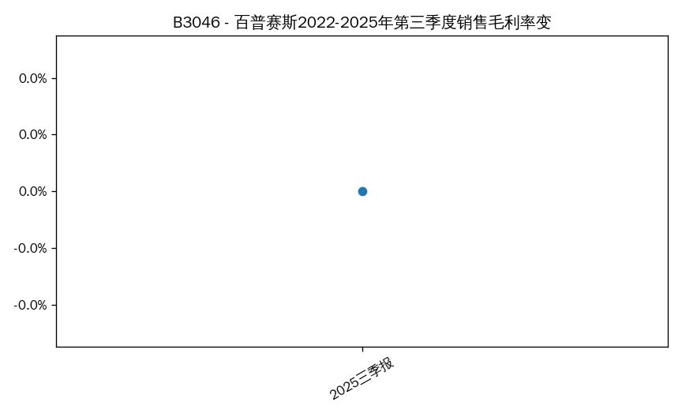 B3046_1.jpg
B3047 | 数据统计分析查询 | [{"Q": "比较2024年和2025年第三季度各公司净利润，找出净利润同比增长超过100%的公司"}] | SELECT stock_abbr, stock_code, report_year, report_period, net_profit_yoy_growth FROM income_sheet WHERE report_year IN (2024,2025) AND report_period IN ('Q3') AND net_profit_yoy_growth > 100.0 AND net_profit_yoy_growth IS NOT NULL ORDER BY net_profit_yoy_growth DESC LIMIT 50 | bar | { "问题编号": "B3047", "问题类型": "数据统计分析查询", "子问题": [ { "Q": "比较2024年和2025年第三季度各公司净利润，找出净利润同比增长超过100%的公司", "A": "未查询到数据", "SQL": "SELECT stock_abbr, stock_code, report_year, report_period, net_profit_yoy_growth FROM income_sheet WHERE report_year IN (2024,2025) AND report_period IN ('Q3') AND net_profit_yoy_growth > 100.0 AND net_profit_yoy_growth IS NOT NULL ORDER BY net_profit_yoy_growth DESC LIMIT 50", "image": "" } ] }
B3048 | 数据基本查询 | [{"Q": "迪安诊断2025年第三季度营业总收入与营业总成本的差值是多少"}] | SELECT c.stock_abbr, c.stock_code, c.report_year, c.report_period, c.total_operating_revenue AS core_营业总收入, i.total_operating_revenue AS income_营业总收入, ABS(c.total_operating_revenue - i.total_operating_revenue) AS 差值绝对值 FROM core_performance_indicators_sheet c JOIN income_sheet i USING (stock_code, report_year, report_period) WHERE (c.report_year IN (2025) AND c.report_period IN ('Q3')) AND c.total_operating_revenue IS NOT NULL AND i.total_operating_revenue IS NOT NULL AND ABS(c.total_operating_revenue - i.total_operating_revenue) > 1 ORDER BY 差值绝对值 DESC LIMIT 50 | bar | { "问题编号": "B3048", "问题类型": "数据基本查询", "子问题": [ { "Q": "迪安诊断2025年第三季度营业总收入与营业总成本的差值是多少", "A": "符合条件共 4 家，前4：药明康德(603259) —; 昭衍新药(603127) —; 百克生物(688276) —; 成都先导(688222) —", "SQL": "SELECT c.stock_abbr, c.stock_code, c.report_year, c.report_period, c.total_operating_revenue AS core_营业总收入, i.total_operating_revenue AS income_营业总收入, ABS(c.total_operating_revenue - i.total_operating_revenue) AS 差值绝对值 FROM core_performance_indicators_sheet c JOIN income_sheet i USING (stock_code, report_year, report_period) WHERE (c.report_year IN (2025) AND c.report_period IN ('Q3')) AND c.total_operating_revenue IS NOT NULL AND i.total_operating_revenue IS NOT NULL AND ABS(c.total_operating_revenue - i.total_operating_revenue) > 1 ORDER BY 差值绝对值 DESC LIMIT 50", "image": "B3048_1.jpg" } ] } | 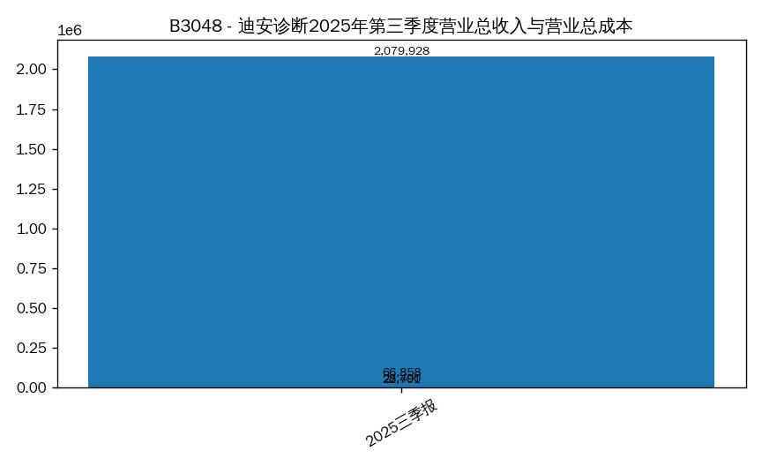 B3048_1.jpg
B3049 | 数据统计分析查询 | [{"Q": "2025年第三季度，10家公司的研发费用总额占营业总收入总额的比例（整体研发费用率）"}] | SELECT stock_abbr, stock_code, report_year, report_period, operating_expense_rnd_expenses FROM income_sheet WHERE report_year IN (2025) AND report_period IN ('Q3') ORDER BY stock_code, report_year, CASE report_period WHEN 'Q1' THEN 1 WHEN 'HY' THEN 2 WHEN 'Q3' THEN 3 WHEN 'FY' THEN 4 END | table | { "问题编号": "B3049", "问题类型": "数据统计分析查询", "子问题": [ { "Q": "2025年第三季度，10家公司的研发费用总额占营业总收入总额的比例（整体研发费用率）", "A": "符合条件共 10 家，前5：凯莱英(002821) —; 迪安诊断(300244) —; 泰格医药(300347) —; 迈普医学(301033) —; 百普赛斯(301080) —", "SQL": "SELECT stock_abbr, stock_code, report_year, report_period, operating_expense_rnd_expenses FROM income_sheet WHERE report_year IN (2025) AND report_period IN ('Q3') ORDER BY stock_code, report_year, CASE report_period WHEN 'Q1' THEN 1 WHEN 'HY' THEN 2 WHEN 'Q3' THEN 3 WHEN 'FY' THEN 4 END", "image": "B3049_1.jpg" } ] } | 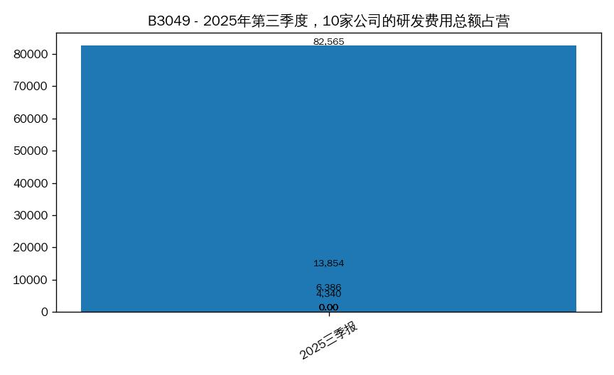 B3049_1.jpg

