HW
 |  |  |  |  | Perpetuity Method |  | https://www.investopedia.com/terms/t/terminalvalue.asp
 |  |  |  |  | “Net present value is the present value of the cash flows at the required rate of return of your project compared to your initial investment,”
 |  |  |  |  | Fair market value of the company = NPV of the company
Free cash flow 2018 |  | $2,150 |  |  |  |  | 2018 | 2019 | 2020 | 2021 | 2022 | 2023 | 2024
grows rate |  | 3% |  |  | CF growth factor |  | 1 | 103% | 1.0609 | 1.092727 | 1.12550881 | 1.1592740743 | 100.50% | https://www.investopedia.com/articles/fundamental-analysis/11/present-value-free-cash-flow.asp
grows rate 2024 |  | 0.50% |  |  | CF before cost of capital |  | $2,150 | $2,215 | $2,281 | $2,349 | $2,420 | $2,492 | $2,505 | https://www.fool.com/knowledge-center/how-to-calculate-the-present-value-of-free-cash-fl.aspx
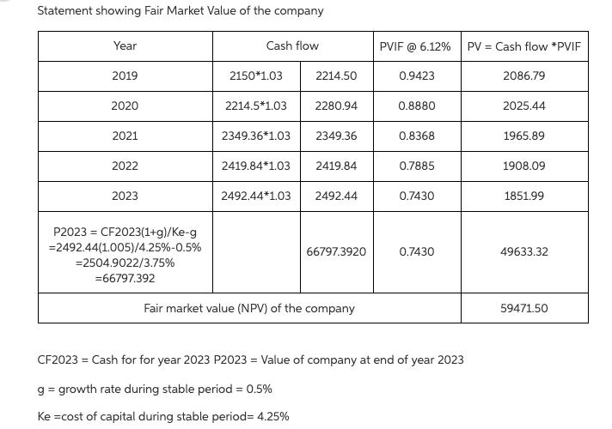
cost of capital |  | 6.12% |  |  | Discount factor (Cost of capital) |  | 1 | 0.94232943837 | 0.88798477042 | 0.83677418999 | 0.7885169525 | 0.743042737
cost of capital 2024 |  | 4.25% |  |  | Present Value |  | $2,150 | $2,086.79 | $2,025 | $1,966 | $1,908 | $1,851.99

 |  |  |  |  | Terminal value |  | $66,797.37
 |  |  |  |  | NPV (TV) |  | $49,633.30 |  |  |  |  |  | $0.00
 |  |  |  |  | total NPV |  | $59,471.49 |  |  |  |  |  | $0.00

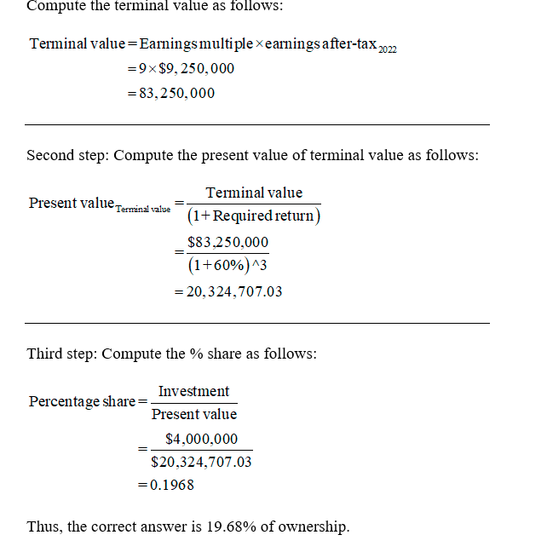
Question 2 |  |  |  |  | Exit Multiple Method |  | https://www.investopedia.com/terms/t/terminalvalue.asp
ROA in 2022 | 8.12 |  |  |  | https://corporatefinanceinstitute.com/resources/knowledge/modeling/dcf-terminal-value-formula/ | A value is typically determined as a multiple of EBIT or EBITDA
total debt | $12 |  |  |  |  |  | earning = net income
total capital assets | $14 |  |  |  |  |  | Terminal value |  |  |  | $83.25
earning ratio | 9 |  |  |  |  |  | NPV (terminal value) = |  |  |  | $20.32
rate of return | 60% |  |  |  |  |  | ownership |  |  |  | 0.1968048048
tax | 21%
total shares | 1.75 | 1750000 |  |  |  |  | 2020 | 2021 | 2022
investment | $4 |  |  |  |  | EAT | $3.50 | $4.75 | $9.25 | $11.19
ownershipt | ?

Question 3 |  |  |  |  |  |  | NPV @ 60% ROI |  |  | $5.74 | https://medium.com/@lmalmanza/understanding-startup-valuation-methods-957d74881371
Market value | $23.50 |  |  |  |  |  | ownership |  | 0.17021276596 | 0.69719148936
 |  |  |  |  |  |  | number of new shares |  | 358974.35897 | 4029229.9044 |  | 358974.35897
 |  |  |  |  |  |  | price per new share |  | $11.14 | $0.99

Question 4
Return on investment | 60%
fair market value | $31 |  |  |  |  |  | NPV @ 60% ROI |  | $7.57
addition to be sold 2021 | 10% |  |  |  |  |  | ownership |  | 0.12903225806
raise extra in 2021 | $3.25
to be sold in 2022 | 5% |  |  |  |  |  | retention ratio round 2 |  | 0.90909090909
raise extra in 2022 | $3 |  |  |  |  |  | retention ratio round 3 |  | 0.95238095238
percent to own to protect | ? |  |  |  |  |  | ownership round 2 |  | 0.14193548387
 |  |  |  |  |  |  | ownership round 3 |  | 0.14903225806

Question 5
total number of year forcast |  | 7 |  |  |  | CFt = EBITt * (1-T) +Depr.t - CAPEXt - DNWCt
annual growth |  | 1.50% |  |  |  | The discount rate is the interest rate used to determine the present value of future cash flows in standard discounted cash flow analysis. Many companies calculate their weighted average cost of capital (WACC) and use it as their discount rate when budgeting for a new project.
2026 | capex = depreciation |  |  |  |  |  | 2020 | 2021 | 2022 | 2023 | 2024 | 2025 | 2026
2026 | working capital same |  |  |  | EBIT |  | ($1,000) | ($900) | $200 | $1,200 | $2,500 | $3,000 | $3,050
tax rate |  | 21% |  |  | Capital Expenditures |  | $550 | $350 | $200 | $175 | $175 | $160 | $150
cost of capital |  | 7.75% |  |  | Changes in Working Capital |  | $400 | $300 | $200 | $100 | $100 | ($100) | ($100)
 |  |  |  |  | Depreciation |  | $40 | $80 | $125 | $150 | $150 | $150 | $150

 |  | 2020 | 2021 | 2022 | 2023 | 2024 | 2025 | 2026 |  |  |  |  | 2027 | 2026 | Free Cash Flow
 | EBIT | ($1,000.00) | ($900.00) | $200.00 | $1,200.00 | $2,500.00 | $3,000.00 | $3,050.00 |  | EBIT |  |  | $3,095.75 | $3,050.00
 | NOLs Used | $0.00 | $0.00 | $200.00 | $1,200.00 | $500.00 | $0.00 | $0.00 |  | NOLs Used |  |  | 0 | 0 | In the videoconference call we discussed that approach to calculating the terminal value when using the NPV method to determine a firm's fair market value (or valuation). There continues to be confusion about free cash flow and EBIT since both can be used as a "starting" point in developing the NPV. Just some general comments.
 | NOLs Added | $1,000.00 | $900.00 | $0.00 | $0.00 | $0.00 | $0.00 | $0.00 |  | NOLs Added |  |  | 0 | 0
 | Total NOLs | $1,000.00 | $1,900.00 | $1,700.00 | $500.00 | $0.00 | $0.00 | $0.00 |  | Total NOLs |  |  | 0 | 0 | Free cash flow is the net cash inflow to the firm minutes the cash outflow. Cash inflow can come from revenues, borrowing, selling stock, etc among other sources. Cash outflow comes from paying vendors, paying employees, paying dividends, buying equipment, paying interest and principle on debt etc. among other reasons for spending cash . The amount of cash received in excess of the amount of cash distributed is called free cash flow. A principle in finance is that any business is only worth the amount of its future free cash flows discounted back to the present value. This makes sense right? A business is worth the amount of "free cash" it generates over its lifetime. The free cash of course is subject to the time value of money so it must be discounted at some rate -- usually the firm's cost of capital.
 | Tax | $0.00 | $0.00 | $0.00 | $0.00 | $420.00 | $630.00 | $640.50 |  | tax |  |  | $650.11 | $640.50
 | EBIAT | ($1,000.00) | ($900.00) | $200.00 | $1,200.00 | $2,080.00 | $2,370.00 | $2,409.50 |  | EBIAT |  |  | $2,445.64 | $2,409.50 | That said the terminal value of a firm is estimated using perpetuity formula. The idea is that the firm is continuing with no specific end in site, so the assumption is that the free cash flows will continue into perpetuity. This perpetuity can be approximated by the formula = (FCF * (1 +g))/r - g.; where FCF =free cash flow, g = growth rate, and r= discount factor.

 | Capital Expenditures | $550.00 | $350.00 | $200.00 | $175.00 | $175.00 | $160.00 | $150.00 |  | Capital Expenditures |  |  | 0 | 0 | There is only one way to determine Terminal Value using the NPV method and that is to take Free Cash Flow, multiply by 1 + g, then divide the result by r - g.
 | Changes in Working Capital | $400.00 | $300.00 | $200.00 | $100.00 | $100.00 | ($100.00) | ($100.00) |  | Changes in Working Capital |  |  | 0 | 0
 | Depreciation | $40.00 | $80.00 | $125.00 | $150.00 | $150.00 | $150.00 | $150.00 |  | Depreciation |  |  | 0 | 0 | There are multiple ways to determine Free Cash Flow, depending upon the "starting point. In this course we are using EBIT as the starting point for valuation problems. If students are told the Free Cash Flow in the problem statement then no calculation of Free Cash Flow is required. In other problems students may be required to calculate the Free Cash Flow. In those cases the formula will be FCF = (EBIT*(1-t) - Capex + depreciation - change in working capital. To simplify the formula for the students in the terminal value calculation we assume (since the free cash flow is being projected in perpetuity) that capex =-depreciation (zeroing each other out) and the the level of working capital remains constant (change in working capital = 0). These assumptions are for the terminal value calculation only. Applying these assumptions in the free cash flow formula (for the terminal value calculation) becomes = EBIT*(1-t) - 0 - 0 = EBIT *(1-t). Now to calculate the terminal value use TV = FCF*(1+g) OR TV = EBIT*(1-t)*(1+g) -- these formulas are mathematically the same using the assumptions.

 | Free CF | ($1,910.00) | ($1,470.00) | ($75.00) | $1,075.00 | $1,955.00 | $2,460.00 | $2,509.50 |  | Free CF |  |  | $2,445.64 | $2,409.50 | Let's say that in 2023 we have the following: EBIT = 1000, t= 21%, capex = 100, depreciation = 90, and change in working capital = 10. Using the formula for FCF we get = (1000(.79)) - 100 + 90 - 10 or FCF in 2023 = 770. Lets say that we want to calculate the terminal value from the end of 2023 to perpetuity and are told that EBIT will grow at 2% and that the cost of capital (r) =5%. We are also given the simplifying assumptions that capex will equal depreciation and that the change in working capital will be zero. Using the EBIT from 2023 as a starting point we calculate the FCF for the terminal value calculation as (1000*.79) - 0 - 0 = 790. To determine the TV we use the formula (790*(1+.02))/(.05 -.02) = 26,860. NOTE that in this problem the FCF for terminal value purposes is NOT the FCF for 2023: 790 vs 770. The difference is the simplifying assumptions that are applied to the FCF calculation for terminal value purposes.

 | discount factor | 0.92807424594 | 0.86132180598 | 0.79937058559 | 0.74187525345 | 0.68851531643 | 0.63899333311 | 0.59303325579 |  | discount factor |  |  | 0.55037889168 | 0.59303325579 | So in a problem statement if you are told that the free cash flow in perpetuity is 790, then just plug 790 into the TV calculation rather than EBIT*(1-t). If you are not told what the FCF is but instead are given EBIT, then the FCF has to be calculated using the approach described above and in the lectures/videoconferences.
 | PV (CF) | ($1,772.62) | ($1,266.14) | ($59.95) | $797.52 | $1,346.05 | $1,571.92 | $1,488.22 |  | PV (CF) |  |  | $1,346.03 | $1,428.91
 |  |  |  |  |  |  |  |  |  |  |  |  |  |  | To determine the fair market value of the firm using the NPV method you need to add the discounted terminal value to the NPV of the intermediate free cash flows. So in a typical problem you will be given several years of data then told to told to determine the terminal value as of the end of the data stream that is provided. FCF will generally have to be calculated for each of the years (unless the FCF is given to you in the problem statement) then discounted back to the present. tTe terminal value then has to be calculated, then disunited back to the present. Then the two numbers are just then added together.
 | Terminal Value |  | = CF(1+g)/(r-g) |  | $40,754.28 |  |  |  |  | if CF by end of 2026 == 3000)
 | PV (TV) |  |  |  | $24,168.64 |  |  |  |  | Terminal value | = CF(1+g)/(r-g) |  | $39,717.23 | $39,130.28 | Hope that this helps.
 | NPV Cash Flow |  |  |  | $2,104.99 |  |  |  |  | PV (TV) |  |  | $21,859.53 | $23,205.56
 | NPV |  |  |  | $26,273.63 |  |  |  |  | NPV Cash Flow |  |  | $4,346.03 | $3,000.00
 |  |  |  |  |  |  |  |  |  | NPV |  |  | $26,205.56 | $26,205.56

fun
Groth rate |  | 3%
from 2023 | capx = depreciation |  |  |  |  |  |  | 2018 | 2019 | 2020 | 2021 | 2022
from 2023 | changes in WC = 0 |  |  |  |  | EBIT |  | $200 | $1,800 | $2,400 | $3,000 | $4,000
total shares |  | 1.200 | million |  |  | Capital Expenditures |  | $550 | $350 | $200 | $150 | $150
initial infusion |  | $100,000 |  |  |  | Changes in Working Capital |  | $40 | $45 | $50 | $10 | ($30)
tax rate |  | 21% |  |  |  | Depreciation |  | $40 | $80 | $125 | $150 | $150

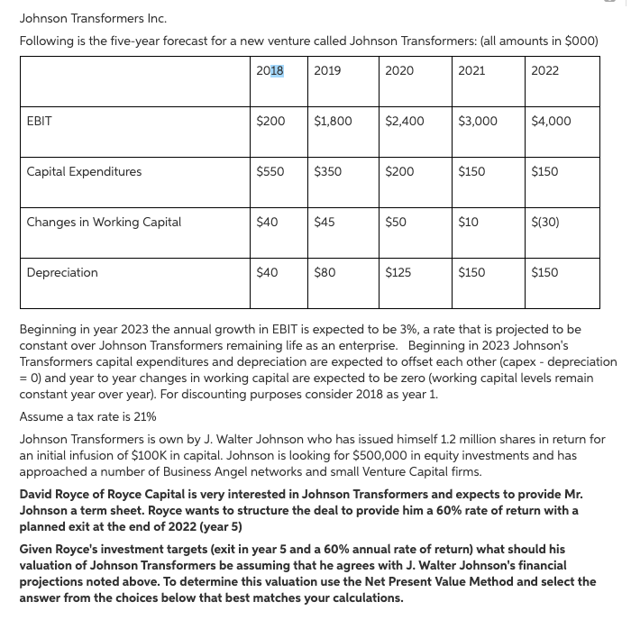
investment |  | $500,000 | 500
rate of return |  | 60%

 |  |  | 2018 | 2019 | 2020 | 2021 | 2022
 | EBIT |  | $200 | $1,800 | $2,400 | $3,000 | $4,000
 | EAT |  | $158 | $1,422 | $1,896 | $2,370 | $3,160
 | Capital Expenditures |  | $550 | $350 | $200 | $150 | $150
 | Changes in Working Capital |  | $40 | $45 | $50 | $10 | ($30) |  |  |  | -392
 | Depreciation |  | $40 | $80 | $125 | $150 | $150 |  |  |  | 691.87
 |  |  |  |  |  |  |  |  |  |  | 691.797
 | Free CF |  | ($392) | $1,107 | $1,771 | $2,360 | $3,190 |  |  |  | 576.172
 | discount factor |  | $0.62500 | $0.39062 | $0.24414 | $0.15259 | $0.09537 |  |  |  | 586.755
 | PV (CF) |  | -245 | 432.421875 | 432.37304687 | 360.10742187 | 304.22210693 |  |  |  | 2154.594
 |  |  |  |  |  |  |  |  |  |  | 10416.35386
 | Terminal Value |  | $5,764.39
 | PV (TV) |  | 549.73468446
 | NPV Cash Flow |  | 1284.1244507
 | NPV |  | 1833.8591351
 | ownership |  | 0.272649
 | number of new shares |  | 449,822.61
 | price per new share |  | $1.11
 | pre-money valuation |  | $1,333,859.14
 | post-money valuation |  | $1,833,859.14

