Bond TRS
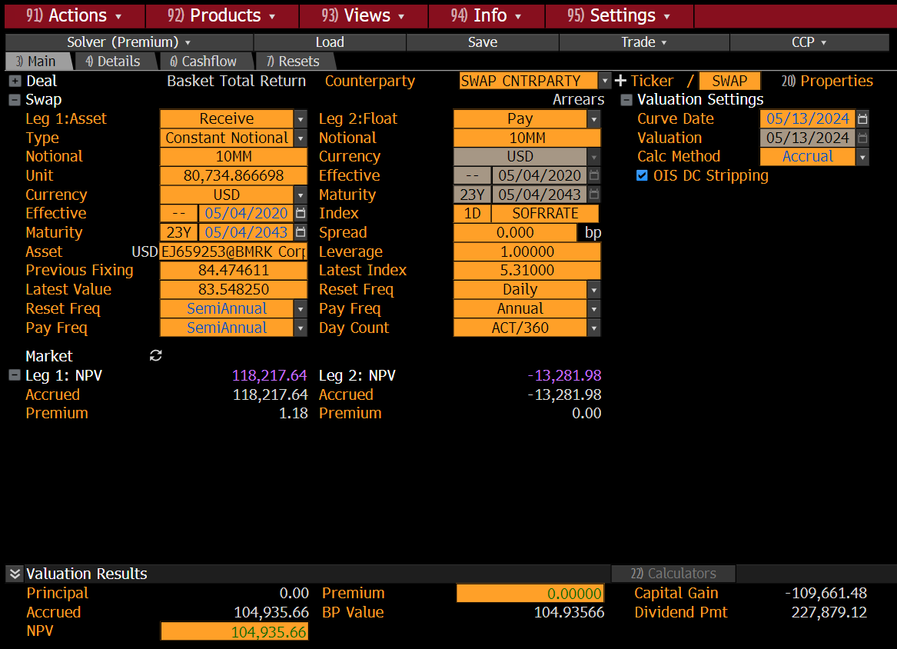
Bond TRS
Leg | Bond Leg | Funding Leg
PayOrReceive | Receive | Pay
Notional | 50,000 | 5,227,165
NotionalType | Units | Cash
NotionalExchange | No Exchanges | No Exchanges
Currency | USD | USD
UnderlyingBond | UST 6.0% 15-02-2026
CashFlowType | Coupons + Performance
FloatIndex |  | SOFR O/N Index
FixedRateOrFloatSpread |  | 100 bps
PayCoupons | On Coupon Dates
PayPerformance | At Maturity
Leverage | 1.00 | 1.00
IsCreditRisky | TRUE | TRUE
CreditCurve | US Treasury | US Treasury
IncludeLossGivenDefault | TRUE
RecoveryRate | 40%
TradedBondPrice | 104.5433%
DiscountCurve | SOFR O/N Index | SOFR O/N Index
CreditCurve | US Treasury

Schedule
Leg | Bond Leg | Funding Leg
StartDate | 10-Jun-16 | 10-Jun-16
MaturityDate | 6M | 6M
AccrualCalendar | NY | NY
AccrualBusDayAdj | Following | Following
RollDay
Daycount | Act/360 | Act/360
FixingLag | 2D | 2D
FixingCalendar | NY | NY
FixingBusDayAdj | Preceding | Following
FixingTime | In Advance | In Arrears
PaymentLag | 2D | 2D
PaymentCalendar | NY | NY
PaymentBusDayAdj | Following | Following
StubType | None | ShortStart
FrontStubDate
BackStubDate

