Interpret_LR
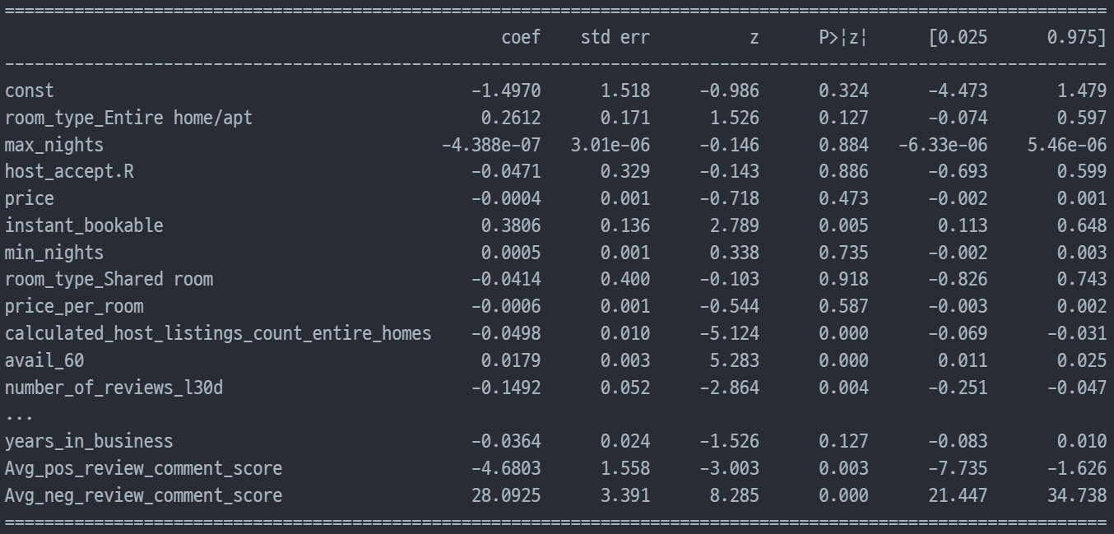
logistic_regression_3.joblib
 | Seq | Feature names | Exp(Coefficient)
 | 1 | Avg_neg_review_comment_score | 1,586,355,000,000
 | 2 | Avg_neu_review_comment_score | 10.967
 | 3 | instant_bookable | 1.463
 | 4 | room_type_Entire home/apt | 1.299
 | 5 | calculated_host_listings_count | 1.050
 | 6 | reviews_per_month | 1.045
 | 7 | avail_60 | 1.018
 | 8 | min_nights | 1.000
 | 9 | max_nights | 1.000
 | 10 | price | 1.000
 | 11 | price_per_room | 0.999
 | 12 | number_of_reviews | 0.993
 | 13 | num_amenities | 0.968
 | 14 | years_in_business | 0.964
 | 15 | room_type_Shared room | 0.959
 | 16 | host_accept.R | 0.954
 | 17 | calculated_host_listings_count_entire_homes | 0.951
 | 18 | number_of_reviews_l30d | 0.861
 | 19 | Avg_pos_review_comment_score | 0.009

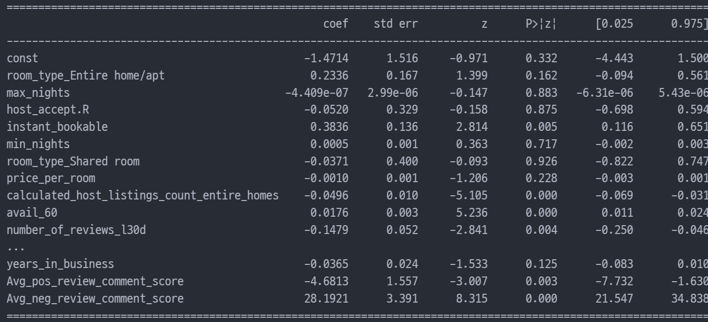
logistic_regression_22.joblib
 |  |  |  |  | room_type_Entire home/apt
 | Seq | Feature names | Exp(Coefficient) |  | room_type_Hotel room
 | 1 | Avg_neg_review_comment_score |  | 1752573000000 | room_type_Private room
 | 2 | Avg_neu_review_comment_score | 10.905 |  | room_type_Shared room
 | 3 | instant_bookable | 1.468
 | 4 | room_type_Entire home/apt | 1.263
 | 5 | calculated_host_listings_count | 1.050
 | 6 | reviews_per_month | 1.047
 | 7 | avail_60 | 1.018
 | 8 | min_nights | 1.000
 | 9 | max_nights | 1.000
 | 10 | price_per_room | 0.999
 | 11 | number_of_reviews | 0.993
 | 12 | num_amenities | 0.968
 | 13 | years_in_business | 0.964
 | 14 | room_type_Shared room | 0.964
 | 15 | calculated_host_listings_count_entire_homes | 0.952
 | 16 | host_accept.R | 0.949
 | 17 | number_of_reviews_l30d | 0.863
 | 18 | Avg_pos_review_comment_score | 0.009
 |  | constant | 0.230

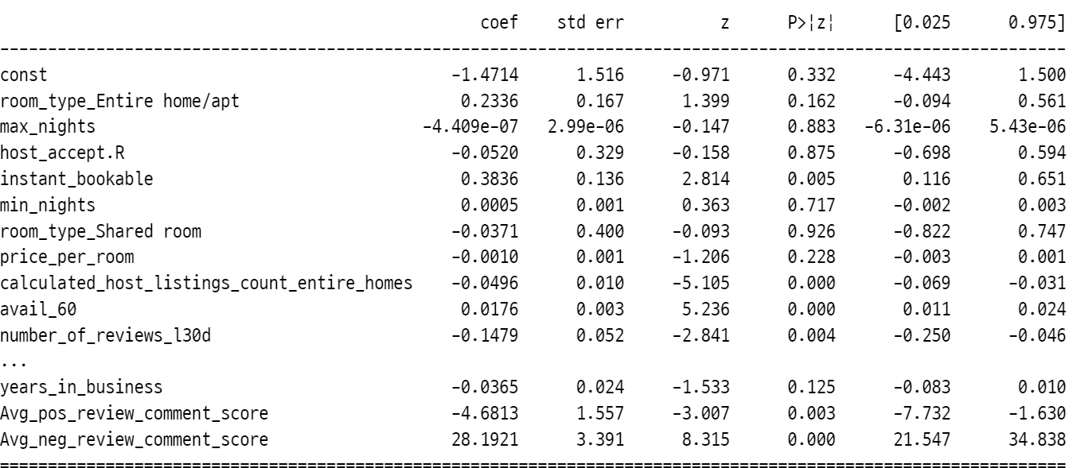
 |  | const | 2.30E-01
 |  | room_type_Entire home/apt | 1.26E+00
 |  | max_nights | 1.00E+00
 |  | host_accept.R | 9.49E-01
 |  | instant_bookable | 1.47E+00
 |  | min_nights | 1.00E+00
 |  | room_type_Shared room | 9.64E-01
 |  | price_per_room | 9.99E-01
 |  | calculated_host_listings_count_entire_homes | 9.52E-01
 |  | avail_60 | 1.02E+00
 |  | number_of_reviews_l30d | 8.63E-01
 |  | num_amenities | 9.68E-01
 |  | reviews_per_month | 1.05E+00
 |  | calculated_host_listings_count | 1.05E+00
 |  | number_of_reviews | 9.93E-01
 |  | Avg_neu_review_comment_score | 1.09E+01
 |  | years_in_business | 9.64E-01
 |  | Avg_pos_review_comment_score | 9.27E-03
 |  | Avg_neg_review_comment_score | 1.75E+12

Model_perf(DT)
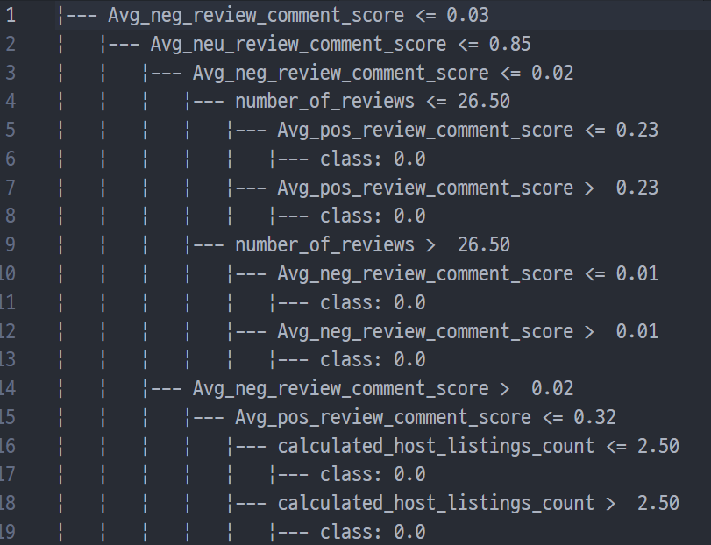
Trial | Algorithm | Num of features | Best Parameters | AUROC | Cut-off | Accuracy | Precision | Recall | F1 | FPR | FNR | model_name
1 | Decision Tree | 21 | {'criterion': 'entropy', 'max_depth': 5} | 63.8% | 0.5 | 89.6% | 65.9% | 29.8% | 41.1% | 2.1% | 70.2% | Decision_tree_1.joblib
2 | Decision Tree | 20 | {'criterion': 'entropy', 'max_depth': 5} | 63.8% | 0.5 | 89.5% | 65.1% | 29.8% | 40.9% | 2.2% | 70.2% | Decision_tree_2.joblib
3 | Decision Tree | 19 | {'criterion': 'entropy', 'max_depth': 5} | 64.1% | 0.5 | 89.6% | 65.5% | 30.4% | 41.5% | 2.2% | 69.6% | Decision_tree_3.joblib
4 | Decision Tree | 18 | {'criterion': 'gini', 'max_depth': 5} | 64.0% | 0.5 | 89.5% | 64.7% | 30.4% | 41.4% | 2.3% | 69.6% | Decision_tree_4.joblib
5 | Decision Tree | 17 | {'criterion': 'gini', 'max_depth': 5} | 64.3% | 0.5 | 89.5% | 64.4% | 30.9% | 41.8% | 2.4% | 69.1% | Decision_tree_5.joblib
6 | Decision Tree | 16 | {'criterion': 'gini', 'max_depth': 5} | 64.6% | 0.5 | 89.7% | 65.5% | 31.5% | 42.5% | 2.3% | 68.5% | Decision_tree_6.joblib
7 | Decision Tree | 15 | {'criterion': 'gini', 'max_depth': 5} | 65.9% | 0.5 | 89.9% | 66.0% | 34.3% | 45.1% | 2.4% | 65.7% | Decision_tree_7.joblib
8 | Decision Tree | 14 | {'criterion': 'entropy', 'max_depth': 5} | 63.4% | 0.5 | 89.6% | 66.7% | 28.7% | 40.2% | 2.0% | 71.3% | Decision_tree_8.joblib
9 | Decision Tree | 13 | {'criterion': 'gini', 'max_depth': 5} | 66.5% | 0.5 | 90.0% | 66.7% | 35.4% | 46.2% | 2.4% | 64.6% | Decision_tree_9.joblib
10 | Decision Tree | 12 | {'criterion': 'gini', 'max_depth': 5} | 66.7% | 0.5 | 90.1% | 67.0% | 35.9% | 46.8% | 2.4% | 64.1% | Decision_tree_10.joblib
11 | Decision Tree | 11 | {'criterion': 'entropy', 'max_depth': 5} | 62.1% | 0.5 | 89.5% | 68.1% | 26.0% | 37.6% | 1.7% | 74.0% | Decision_tree_11.joblib
12 | Decision Tree | 10 | {'criterion': 'gini', 'max_depth': 5} | 67.0% | 0.5 | 89.7% | 63.2% | 37.0% | 46.7% | 3.0% | 63.0% | Decision_tree_12.joblib
13 | Decision Tree | 9 | {'criterion': 'entropy', 'max_depth': 5} | 61.4% | 0.5 | 89.5% | 69.8% | 24.3% | 36.1% | 1.5% | 75.7% | Decision_tree_13.joblib
14 | Decision Tree | 8 | {'criterion': 'entropy', 'max_depth': 5} | 61.1% | 0.5 | 89.4% | 68.3% | 23.8% | 35.2% | 1.5% | 76.2% | Decision_tree_14.joblib
15 | Decision Tree | 7 | {'criterion': 'entropy', 'max_depth': 5} | 65.2% | 0.5 | 89.4% | 61.9% | 33.1% | 43.2% | 2.8% | 66.9% | Decision_tree_15.joblib
16 | Decision Tree | 6 | {'criterion': 'entropy', 'max_depth': 5} | 66.1% | 0.5 | 89.7% | 64.3% | 34.8% | 45.2% | 2.7% | 65.2% | Decision_tree_16.joblib
17 | Decision Tree | 5 | {'criterion': 'entropy', 'max_depth': 5} | 65.9% | 0.5 | 89.9% | 66.0% | 34.3% | 45.1% | 2.4% | 65.7% | Decision_tree_17.joblib
18 | Decision Tree | 4 | {'criterion': 'entropy', 'max_depth': 5} | 67.0% | 0.5 | 88.9% | 56.6% | 38.1% | 45.5% | 4.1% | 61.9% | Decision_tree_18.joblib
19 | Decision Tree | 3 | {'criterion': 'entropy', 'max_depth': 5} | 65.4% | 0.5 | 88.6% | 54.8% | 34.8% | 42.6% | 4.0% | 65.2% | Decision_tree_19.joblib
20 | Decision Tree | 2 | {'criterion': 'gini', 'max_depth': 5} | 64.7% | 0.5 | 89.0% | 58.4% | 32.6% | 41.8% | 3.2% | 67.4% | Decision_tree_20.joblib
21 | Decision Tree | 1 | {'criterion': 'gini', 'max_depth': 5} | 60.7% | 0.5 | 87.9% | 50.6% | 24.9% | 33.3% | 3.4% | 75.1% | Decision_tree_21.joblib

NLP
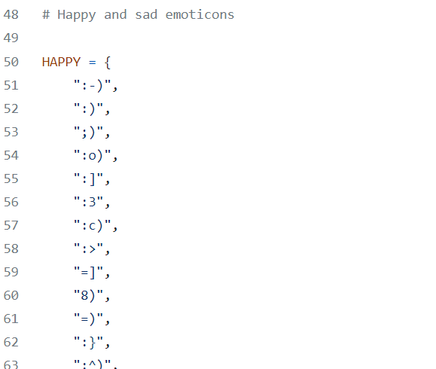
 | Natural Language Toolkit (NLTK) Package |  |  | https://github.com/nltk/nltk
https://github.com/nltk/nltk/blob/main/nltk/sentiment/util.py |  |  |  |  |  |  | This is based on "reviews_220611.csv" - containing all review comments of listings of "listings_220611.csv"
https://realpython.com/python-nltk-sentiment-analysis/#using-nltks-pre-trained-sentiment-analyzer |  |  |  |  |  |  | - review.pkl : raw data + NLP results(Neg,Postive comment score of each comments)
https://www.kaggle.com/code/chaitanyakck/part-3-relationship-b-w-reviews-and-price/notebook

 | Split and filter text data in preparation for analysis
 | Analyze word frequency
 | Perform quick sentiment analysis
 |  | Sentiment analysis can help you determine the ratio of positive to negative engagements about a specific topic.

[Add features] Review text mining(22.6)
 | 1. Source (reviews_220611): Customers' review comments for the listings (# of total reviews: 295,978 for 4,958 listings)
 | 2. Summary of creating feature
 | Step 1. Calculate 'polarity_scores' of each single reviews
 |  | Negative, Neutral, Positive(%) are rated per each comments. |  |  | (neg_review_comment_score, pos_review_comment_score, neu_review_comment_score)
 |  | 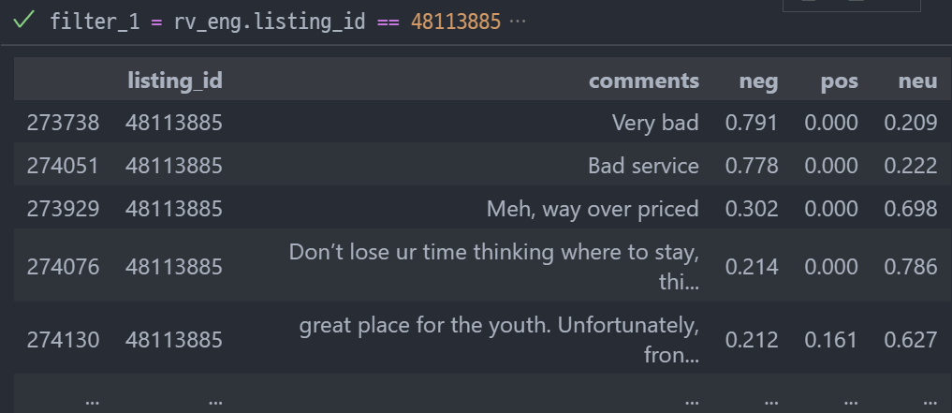
 | Step 2. Summarize the calculated score as an 'Average' and Joined to the main dataset
 |  |  |  |  | Avg_pos_review_comment_score
 |  | listing_id | 48113880
 |  | review_scores_rating | 4.3 |  | Below 4.5
 |  | number_of_reviews | 251
 |  | number_of_reviews_l30d | 4
 |  | Avg_neg_review_comment_score | 2.5%
 |  | Avg_pos_review_comment_score | 38.6%
 |  | Avg_neu_review_comment_score | 58.9%

 |  |  |  |  |  | Small variation could make difference for customer's decision.

