table
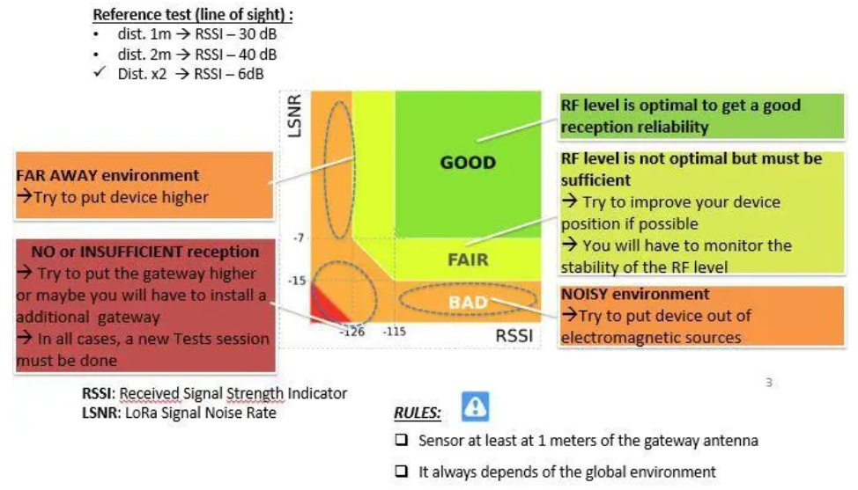
Location | Settings |  |  |  | Limits |  | Results from Field Tester |  |  | Notes | Analysis Results
 | DR | SF | TX Power |  | Min. Sampling Rate | min SNR for SF | RSSI | SNR | Gateway Count | Obstacles, machinery, power lines etc. | SNR | Gateway Count | Recommendations (not yet finished work in progress)
 | [-] | [-] | [-] | [dBm] | [h:min] | [dB] | [dBm] | [dB] | [-]
Office | 1 | 11 | 0 | 14 | 1h 16min | -17.5 | -118 | 2 | 1 |  |  | Add Gateway to be safe. | Try DR2/ SF10

added new Gateway gtw-02
Office | 1 | 11 | 0 | 14 | 1h 16min | -17.5 | -88 | 2 | 2 |  |  |  | Try DR2/ SF10

