metadata
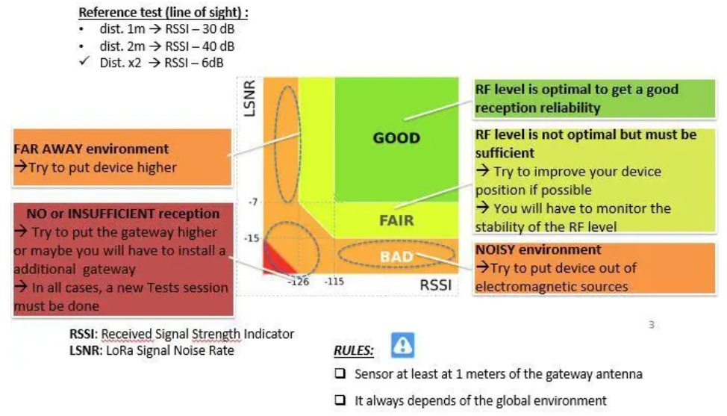
DR | SF | Minimum SNR [dB] | Bitrate | Airtime | Min. Sampling Rate | Min. Sampling Rate
 |  | [db] | [bps] | [ms/telegram] | [decimal hours] | [h:min]
5 | 7 | -7.5 | 5470 | 127 | 0.10 | 6min
4 | 8 | -10 | 3125 | 223 | 0.18 | 11min
3 | 9 | -12.5 | 1760 | 395 | 0.32 | 19min
2 | 10 | -15 | 980 | 710 | 0.57 | 34min
1 | 11 | -17.5 | 440 | 1582 | 1.27 | 1h 16min
0 | 12 | -20 | 250 | 2784 | 2.23 | 2h 14min

Far away environment or lot of obstacles, little noise: -> Try to put node device higher -> make shure antennas of node-device and gateway aren't close to walls or metal structures or devices -> Try to achieve line-of-sight if possible -> Add gateway which is closer
TX Power | dBm
7 | 7
6 | 8
5 | 9
4 | 10
3 | 11
2 | 12
1 | 13
0 | 14 |  |  |  |  |  |  | -------> SNR [dB]

 |  |  |  |  |  |  |  |  |  |  |  |  |  |  |  |  | EXCELLENT
Payload | 51 | bytes
Header | 36 | bytes
Duty Cycle | 0.1 | %
Max Airtime | 30 | s/day
 |  |  |  |  |  |  |  | 5
RSSI Thresholds |  |  |  |  |  |  |  |  |  |  |  |  |  |  | GOOD
[dBm] |  | [-] |  |  |  |  |  | 0
-125 | < -125 | Limit | Unusable | Add an addintional Gateway |  |  |  |  |  |  |  |  | FAIR
-115 | range -115 … -125 | Bad | Weak signal, only works at high SF | unreliable, needs higher SF or TX power or additional gateway |  |  |  | -7
-100 | range -100 … -115 | Fair | Fair signal, maybe unreliable | Possibly unreliable, may need higher SF or TX power |  |  |  |  |  |  | BAD
-90 | range -90 … -100 | Good | Strong signal |  |  |  | -7.5(SF7) to -20 (SF12)
> -90 | > -90 | Excellent | Very strong signal |  |  |  |  |  | LIMIT

No or insufficient reception: -> Try to put gateway higher -> Try higher SF's -> Add gateway
Strong signal, but lots of interference or noise: -> Try to put node-device away from potential sources of interference (e.g., WiFi-Routers, power supplies, machinery etc.) -> Ensure devices and antennas are not close to metallic surfaces or walls
SNR Thresholds |  |  |  |  |  |  |  |  |  | -125 |  | -115 |  | -100 |  | -90 |  | -----> RSSI [dBm]
[dBm] | range | label
-15 | < -15 | Limit | Very noisy, SNR below limits for LoRa | Add an additional Gateways
-7 | range -7 … -15 | Bad | Noisy, SNR below limits for LoRa | Add an additional Gateways
0 | range 0 … -7 | Fair | Acceptable, SF7 could have problems, less SF12 | Try with a lower SF, if required sampling rate does not allow it then add an additional Gateway
5 | range 5 … 0 | Good | clean signal
 | > 5 | Excellent | Very clean signal

