01_Method
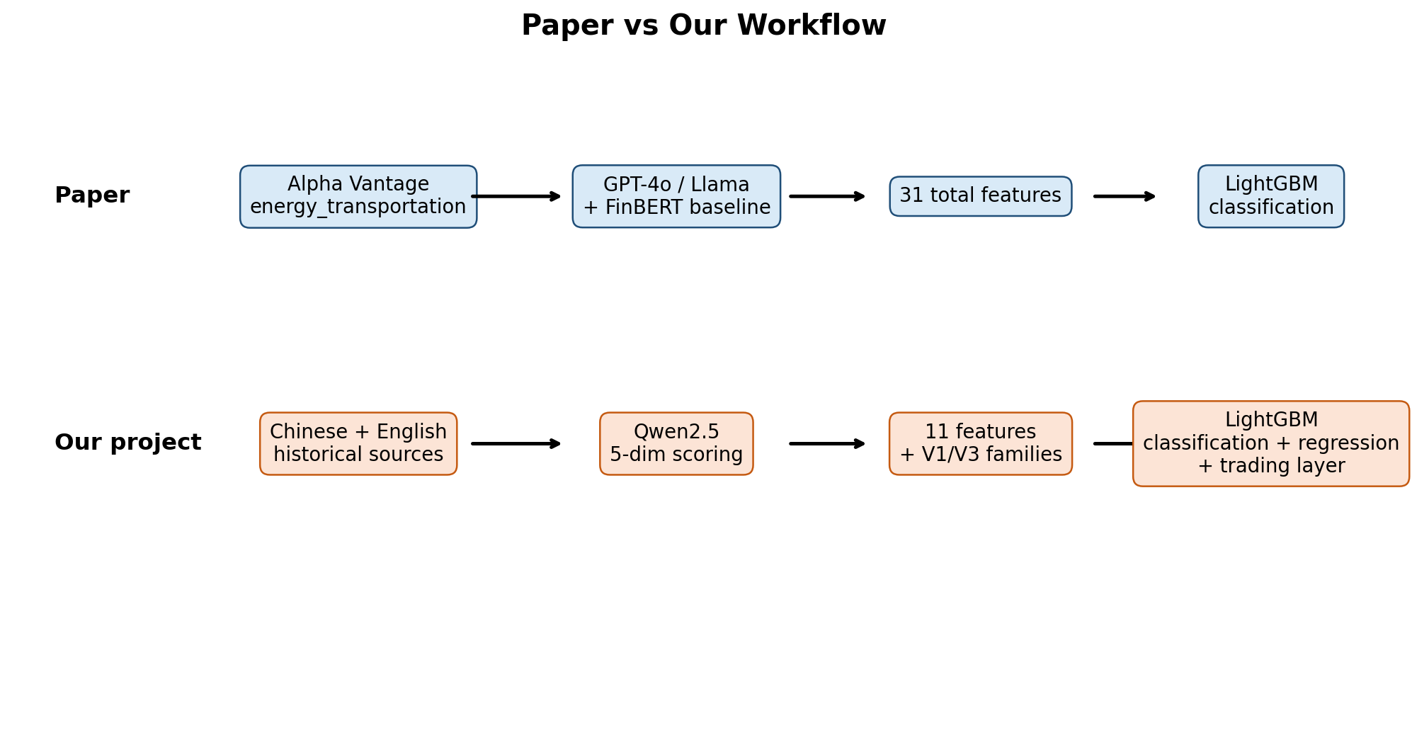
Paper vs Our Project
dimension | paper | ours
news source | Alpha Vantage News Sentiment API, energy_transportation topic | Chinese mainline (V1) + English global HF mainline (V3) + 2024 supplement + RSS experiments
article universe | 29,153 deduplicated articles, 2020-01-01 to 2025-12-31 | Chinese and English historical news mapped to INE SC weekly horizon
LLM sentiment models | GPT-4o and Llama 3.2-3B, plus FinBERT and Alpha Vantage baselines | Qwen2.5 as the main article scorer
sentiment dimensions | 5 dimensions: relevance, polarity, intensity, uncertainty, forwardness | Same 5 dimensions, same prompt rule: relevance < 0.1 => others null
weekly feature set | 31 total candidate features: GPT 11 + Llama 11 + FinBERT 5 + Alpha Vantage 4 | 11 weekly features for a single Qwen source, then V1/V3 family comparison
task | Binary classification only | Classification + regression
model | LightGBM binary classification + 5-fold expanding window | LightGBM classification + regression + 5-fold expanding window
trading layer | No full trading execution layer | Simple classification execution + factor-style regression execution + cost/slippage scenarios
extra baseline difference | Includes FinBERT and Alpha Vantage baselines | Does not include FinBERT baseline in final comparison

03_IC_Dist
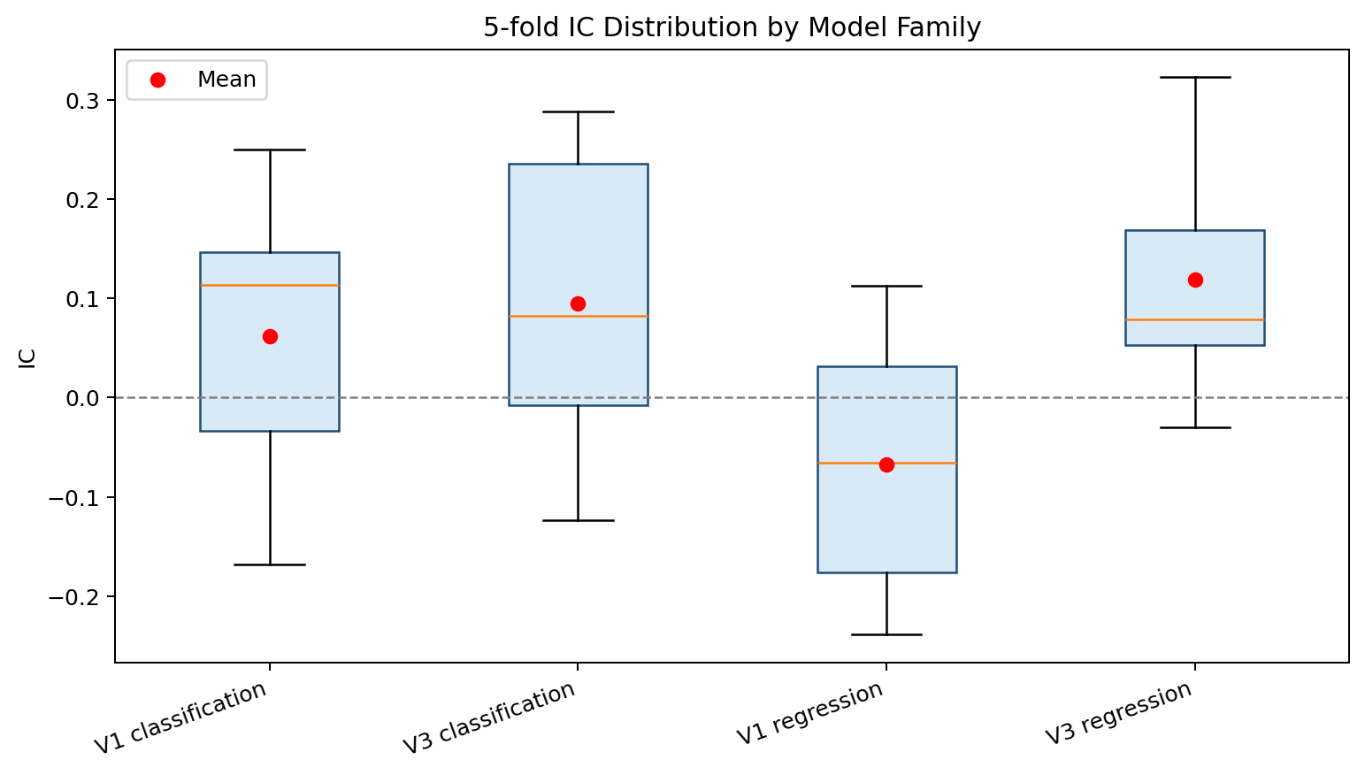
IC Distribution Summary
model_family | mean | std | q25 | median | q75 | max
V1 classification | 0.061448195612 | 0.14657514857 | -0.033784873408 | 0.11306451696 | 0.14642799548 | 0.25006403142
V3 classification | 0.094965577398 | 0.15216876496 | -0.0075987841945 | 0.081958315241 | 0.23590375967 | 0.28831958315
V1 regression | -0.067324179359 | 0.12900783567 | -0.17610062893 | -0.065738922565 | 0.031189465043 | 0.11256756582
V3 regression | 0.11859701685 | 0.12030301902 | 0.052865827182 | 0.078810247503 | 0.16880156318 | 0.32290340807

05_IC_Acc
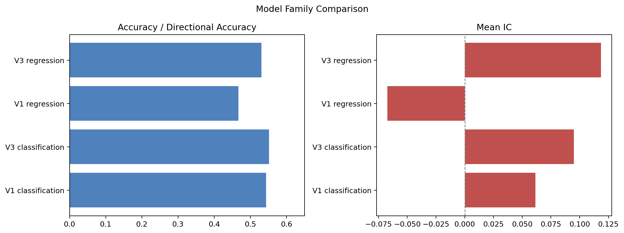
IC and Accuracy Comparison
display_name | task | language | mean_ic | mean_directional_accuracy | mean_auc | mean_accuracy
V1 classification | classification | zh | 0.061448195612 | 0.5435413643 | 0.53660360289 | 0.5435413643
V3 classification | classification | en | 0.094965577398 | 0.55153061224 | 0.5809550833 | 0.55153061224
V1 regression | regression | zh | -0.067324179359 | 0.46727140784 | 0 | 0
V3 regression | regression | en | 0.11859701685 | 0.53078231293 | 0 | 0

06_Market
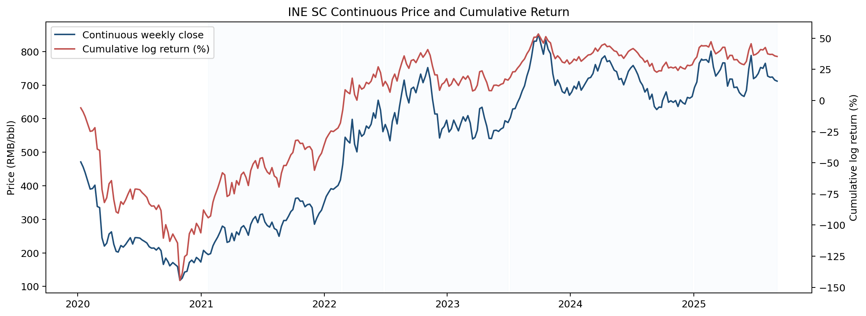
INE SC Market Curve
week_end_date | weekly_close | raw_weekly_close | active_contract | weekly_return | next_week_return | next_week_label | cum_log_return_pct | benchmark_cum_return
2020-01-10 | 471.1 | 479.1 | SC2003 | -0.058937532644 | -0.032577576192 | 0 | -5.8937532644
2020-01-17 | 456 | 464 | SC2003 | -0.032577576192 | -0.037537919319 | 0 | -9.1515108836
2020-01-23 | 439.2 | 447.2 | SC2003 | -0.037537919319 | -0.11880815107 | 0 | -12.905302815
2020-02-07 | 390 | 398 | SC2003 | -0.11880815107 | 0.0046047663867 | 1 | -24.786117923
2020-02-14 | 391.8 | 399.8 | SC2003 | 0.0046047663867 | 0.02520294687 | 1 | -24.325641284
2020-02-21 | 401.8 | 409.8 | SC2003 | 0.02520294687 | -0.17202137659 | 0 | -21.805346597
2020-02-28 | 338.3 | 353.5 | SC2004 | -0.17202137659 | -0.010399737171 | 0 | -39.007484256
2020-03-06 | 334.8 | 350 | SC2004 | -0.010399737171 | -0.31309178798 | 0 | -40.047457973
2020-03-13 | 244.8 | 260 | SC2004 | -0.31309178798 | -0.10590532635 | 0 | -71.356636771
2020-03-20 | 220.2 | 235.4 | SC2004 | -0.10590532635 | 0.038312035217 | 1 | -81.947169406
2020-03-27 | 228.8 | 249.4 | SC2005 | 0.038312035217 | 0.11232918497 | 1 | -78.115965884
2020-04-03 | 256 | 276.6 | SC2005 | 0.11232918497 | 0.025454517389 | 1 | -66.883047387
2020-04-10 | 262.6 | 283.2 | SC2005 | 0.025454517389 | -0.15231180293 | 0 | -64.337595648
2020-04-17 | 225.5 | 246.1 | SC2005 | -0.15231180293 | -0.098730657119 | 0 | -79.568775941
2020-04-24 | 204.3 | 231.1 | SC2006 | -0.098730657119 | -0.010332195237 | 0 | -89.441841653
2020-04-30 | 202.2 | 229 | SC2006 | -0.010332195237 | 0.09251876833 | 1 | -90.475061176
2020-05-08 | 221.8 | 248.6 | SC2006 | 0.09251876833 | -0.021878721376 | 0 | -81.223184343
2020-05-15 | 217 | 243.8 | SC2006 | -0.021878721376 | 0.035758505425 | 1 | -83.411056481
2020-05-22 | 224.9 | 251.7 | SC2006 | 0.035758505425 | 0.045630335861 | 1 | -79.835205938
2020-05-29 | 235.4 | 275.2 | SC2007 | 0.045630335861 | 0.040380095708 | 1 | -75.272172352
2020-06-05 | 245.1 | 284.9 | SC2007 | 0.040380095708 | -0.080246726852 | 0 | -71.234162782
2020-06-12 | 226.2 | 266 | SC2007 | -0.080246726852 | 0.081062387582 | 1 | -79.258835467
2020-06-19 | 245.3 | 285.1 | SC2007 | 0.081062387582 | 0 | 0 | -71.152596709
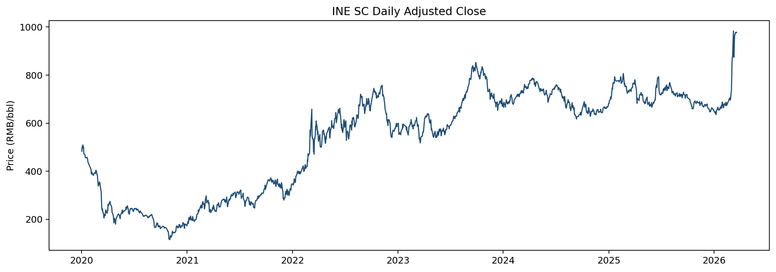
2020-06-24 | 245.3 | 299 | SC2008 | 0 | -0.0049039738655 | 0 | -71.152596709
2020-07-03 | 244.1 | 297.8 | SC2008 | -0.0049039738655 | -0.023628042208 | 0 | -71.642994095
2020-07-10 | 238.4 | 292.1 | SC2008 | -0.023628042208 | -0.017774484028 | 0 | -74.005798316
2020-07-17 | 234.2 | 287.9 | SC2008 | -0.017774484028 | -0.020708246468 | 0 | -75.783246719
2020-07-24 | 229.4 | 283.1 | SC2008 | -0.020708246468 | -0.050055131296 | 0 | -77.854071365
2020-07-31 | 218.2 | 286.1 | SC2009 | -0.050055131296 | -0.019903457311 | 0 | -82.859584495
2020-08-07 | 213.9 | 281.8 | SC2009 | -0.019903457311 | 0.0023348131083 | 1 | -84.849930226
2020-08-14 | 214.4 | 282.3 | SC2009 | 0.0023348131083 | -0.02886408093 | 0 | -84.616448915
2020-08-21 | 208.3 | 276.2 | SC2009 | -0.02886408093 | 0.034909205128 | 1 | -87.502857008
2020-08-28 | 215.7 | 293.6 | SC2010 | 0.034909205128 | -0.043588140994 | 0 | -84.011936496
2020-09-04 | 206.5 | 284.4 | SC2010 | -0.043588140994 | -0.22193362981 | 0 | -88.370750595
2020-09-11 | 165.4 | 243.3 | SC2010 | -0.22193362981 | 0.10819808209 | 1 | -110.56411358
2020-09-18 | 184.3 | 277.8 | SC2011 | 0.10819808209 | -0.062117868547 | 0 | -99.744305367
2020-09-25 | 173.2 | 266.7 | SC2011 | -0.062117868547 | -0.071801166056 | 0 | -105.95609222
2020-09-30 | 161.2 | 254.7 | SC2011 | -0.071801166056 | 0.05901772643 | 1 | -113.13620883
2020-10-09 | 171 | 264.5 | SC2011 | 0.05901772643 | -0.035718082602 | 0 | -107.23443618
2020-10-16 | 165 | 258.5 | SC2011 | -0.035718082602 | -0.036412538557 | 0 | -110.80624444
2020-10-23 | 159.1 | 252.6 | SC2011 | -0.036412538557 | -0.30054466413 | 0 | -114.4474983
2020-10-30 | 117.8 | 223.7 | SC2012 | -0.30054466413 | 0.057724184718 | 1 | -144.50196471
2020-11-06 | 124.8 | 230.7 | SC2012 | 0.057724184718 | 0.13333105204 | 1 | -138.72954624
2020-11-13 | 142.6 | 248.5 | SC2012 | 0.13333105204 | 0.016000341346 | 1 | -125.39644104
2020-11-20 | 144.9 | 250.8 | SC2012 | 0.016000341346 | 0.16795615684 | 1 | -123.7964069
2020-11-27 | 171.4 | 289.1 | SC2101 | 0.16795615684 | 0.038906508873 | 1 | -107.00079122
2020-12-04 | 178.2 | 295.9 | SC2101 | 0.038906508873 | -0.043584879979 | 0 | -103.11014033
2020-12-11 | 170.6 | 288.3 | SC2101 | -0.043584879979 | 0.08803664255 | 1 | -107.46862833
2020-12-18 | 186.3 | 315.4 | SC2102 | 0.08803664255 | -0.031627499835 | 0 | -98.664964074
2020-12-25 | 180.5 | 309.6 | SC2102 | -0.031627499835 | -0.044753999124 | 0 | -101.82771406
2020-12-31 | 172.6 | 301.7 | SC2102 | -0.044753999124 | 0.18367251715 | 1 | -106.30311397
2021-01-08 | 207.4 | 336.5 | SC2102 | 0.18367251715 | -0.034833053124 | 0 | -87.935862255
2021-01-15 | 200.3 | 329.4 | SC2102 | -0.034833053124 | -0.027842851463 | 0 | -91.419167568
2021-01-22 | 194.8 | 323.9 | SC2102 | -0.027842851463 | 0.014777338968 | 1 | -94.203452714 | -0.027842851463
2021-01-29 | 197.7 | 335 | SC2103 | 0.014777338968 | 0.11050658423 | 1 | -92.725718817 | -0.013476955749
2021-02-05 | 220.8 | 358.1 | SC2103 | 0.11050658423 | 0.046025822395 | 1 | -81.675060395 | 0.095540336132
2021-02-10 | 231.2 | 368.5 | SC2103 | 0.046025822395 | 0.065700259553 | 1 | -77.072478155 | 0.14596348107
2021-02-19 | 246.9 | 384.2 | SC2103 | 0.065700259553 | 0.05936110741 | 1 | -70.5024522 | 0.22125357921
2021-02-26 | 262 | 405.9 | SC2104 | 0.05936110741 | 0.065373096447 | 1 | -64.566341459 | 0.2937485441
2021-03-05 | 279.7 | 423.6 | SC2104 | 0.065373096447 | -0.017310205037 | 0 | -58.029031814 | 0.37832489246
2021-03-12 | 274.9 | 418.8 | SC2104 | -0.017310205037 | -0.17312425837 | 0 | -59.760052318 | 0.35446580596
2021-03-19 | 231.2 | 375.1 | SC2104 | -0.17312425837 | 0.012037978559 | 1 | -77.072478155 | 0.11997491781
2021-03-26 | 234 | 384.3 | SC2105 | 0.012037978559 | 0.099574578591 | 1 | -75.868680299 | 0.13345715186
2021-04-02 | 258.5 | 408.8 | SC2105 | 0.099574578591 | -0.089793509756 | 0 | -65.91122244 | 0.24632067011
2021-04-09 | 236.3 | 386.6 | SC2105 | -0.089793509756 | 0.10514889784 | 1 | -74.890573416 | 0.13440916286
2021-04-16 | 262.5 | 412.8 | SC2105 | 0.10514889784 | -0.034492859469 | 0 | -64.375683632 | 0.25369103603
2021-04-23 | 253.6 | 403.9 | SC2105 | -0.034492859469 | 0.082466363731 | 1 | -67.824969579 | 0.21044764731
2021-04-30 | 275.4 | 420.1 | SC2106 | 0.082466363731 | 0.020130083039 | 1 | -59.578333206 | 0.31026886327
2021-05-07 | 281 | 425.7 | SC2106 | 0.020130083039 | -0.041415290296 | 0 | -57.565324902 | 0.33664468429
2021-05-14 | 269.6 | 414.3 | SC2106 | -0.041415290296 | -0.065924248371 | 0 | -61.706853931 | 0.28128715667
2021-05-21 | 252.4 | 397.1 | SC2106 | -0.065924248371 | 0.12042086362 | 1 | -68.299278768 | 0.19681926392
2021-05-28 | 284.7 | 429.9 | SC2107 | 0.12042086362 | 0.052346480372 | 1 | -56.257192407 | 0.34094127327
2021-06-04 | 300 | 445.2 | SC2107 | 0.052346480372 | 0.027290860236 | 1 | -51.022544369 | 0.41113482931
2021-06-11 | 308.3 | 453.5 | SC2107 | 0.027290860236 | -0.061882305006 | 0 | -48.293458346 | 0.44964591271
2021-06-18 | 289.8 | 435 | SC2107 | -0.061882305006 | 0.079883433961 | 1 | -54.481688846 | 0.35993848219
2021-06-25 | 313.9 | 466.3 | SC2108 | 0.079883433961 | 0.005717931716 | 1 | -46.49334545 | 0.46857503813
2021-07-02 | 315.7 | 468.1 | SC2108 | 0.005717931716 | -0.077353896247 | 0 | -45.921552279 | 0.47697224991
2021-07-09 | 292.2 | 444.6 | SC2108 | -0.077353896247 | -0.036950875033 | 0 | -53.656941903 | 0.36272269173
2021-07-16 | 281.6 | 434 | SC2108 | -0.036950875033 | -0.017553737491 | 0 | -57.352029407 | 0.31236889585
2021-07-23 | 276.7 | 429.1 | SC2108 | -0.017553737491 | 0.052106118998 | 1 | -59.107403156 | 0.28933191676
2021-07-30 | 291.5 | 452.2 | SC2109 | 0.052106118998 | -0.067401391687 | 0 | -53.896791256 | 0.35651399904
2021-08-06 | 272.5 | 433.2 | SC2109 | -0.067401391687 | -0.015160209006 | 0 | -60.636930425 | 0.26508306766
2021-08-13 | 268.4 | 429.1 | SC2109 | -0.015160209006 | -0.073821414568 | 0 | -62.152951325 | 0.24590414395
2021-08-20 | 249.3 | 410 | SC2109 | -0.073821414568 | 0.11147894396 | 1 | -69.535092782 | 0.15392973762
2021-08-27 | 278.7 | 438.2 | SC2110 | 0.11147894396 | 0.06191128395 | 1 | -58.387198386 | 0.28256860618
2021-09-03 | 296.5 | 456 | SC2110 | 0.06191128395 | 0 | 0 | -52.196069991 | 0.36197407534
2021-09-10 | 296.5 | 456 | SC2110 | 0 | 0.04129405846 | 1 | -52.196069991 | 0.36197407534
2021-09-17 | 309 | 474.6 | SC2111 | 0.04129405846 | 0.044311046325 | 1 | -48.066664145 | 0.41821551243
2021-09-24 | 323 | 488.6 | SC2111 | 0.044311046325 | 0.018405427543 | 1 | -43.635559513 | 0.4810581257
2021-09-30 | 329 | 494.6 | SC2111 | 0.018405427543 | 0.096966723529 | 1 | -41.795016758 | 0.50831763372
2021-10-08 | 362.5 | 528.1 | SC2111 | 0.096966723529 | 0.0030298880086 | 1 | -32.098344406 | 0.6545742527
2021-10-15 | 363.6 | 529.2 | SC2111 | 0.0030298880086 | -0.027322580578 | 0 | -31.795355605 | 0.65958742739
2021-10-22 | 353.8 | 519.4 | SC2111 | -0.027322580578 | 0.0016944370052 | 1 | -34.527613662 | 0.61424321618
2021-10-29 | 354.4 | 525.5 | SC2112 | 0.0016944370052 | -0.049157048619 | 0 | -34.358169962 | 0.61697844962
2021-11-05 | 337.4 | 508.5 | SC2112 | -0.049157048619 | 0.018209019998 | 1 | -39.273874824 | 0.53749256135
2021-11-12 | 343.6 | 514.7 | SC2112 | 0.018209019998 | 0.0046457690992 | 1 | -37.452972824 | 0.56548879415
2021-11-19 | 345.2 | 516.3 | SC2112 | 0.0046457690992 | -0.030291979409 | 0 | -36.988395914 | 0.57276169361
2021-11-26 | 334.9 | 496.3 | SC2201 | -0.030291979409 | -0.16029072158 | 0 | -40.017593855 | 0.52511962878
2021-12-03 | 285.3 | 446.7 | SC2201 | -0.16029072158 | 0.062169787302 | 1 | -56.046666013 | 0.28065710298
2021-12-10 | 303.6 | 465 | SC2201 | 0.062169787302 | 0.046025822395 | 1 | -49.829687283 | 0.36027528268
2021-12-17 | 317.9 | 469.2 | SC2202 | 0.046025822395 | 0.02914031359 | 1 | -45.227105043 | 0.42288307125
2021-12-24 | 327.3 | 478.6 | SC2202 | 0.02914031359 | 0.060462857507 | 1 | -42.313073684 | 0.46434633015
2021-12-31 | 347.7 | 499 | SC2202 | 0.060462857507 | 0.057014601371 | 1 | -36.266787934 | 0.55288489365
2022-01-07 | 368.1 | 519.4 | SC2202 | 0.057014601371 | 0.03207973561 | 1 | -30.565327797 | 0.64142200684
2022-01-14 | 380.1 | 531.4 | SC2202 | 0.03207973561 | 0.029040153221 | 1 | -27.357354235 | 0.69407839084
2022-01-21 | 391.3 | 536.4 | SC2203 | 0.029040153221 | -0.0048674362783 | 0 | -24.453338913 | 0.74327468688
2022-01-28 | 389.4 | 534.5 | SC2203 | -0.0048674362783 | 0.029354334368 | 1 | -24.940082541 | 0.73478940843
2022-02-11 | 401 | 546.1 | SC2203 | 0.029354334368 | 0.03960429582 | 1 | -22.004649104 | 0.78571299678
2022-02-18 | 417.2 | 562.3 | SC2203 | 0.03960429582 | 0.10588770169 | 1 | -18.044219522 | 0.85643490255
2022-02-25 | 463.8 | 612.3 | SC2204 | 0.10588770169 | 0.16078175957 | 1 | -7.4554493529 | 1.0530085277
2022-03-04 | 544.7 | 693.2 | SC2204 | 0.16078175957 | -0.018903453925 | 0 | 8.6227266039 | 1.3830948512
2022-03-11 | 534.5 | 683 | SC2204 | -0.018903453925 | -0.013182865115 | 0 | 6.7323812115 | 1.3380461275
2022-03-18 | 527.5 | 676 | SC2204 | -0.013182865115 | 0.1254418886 | 1 | 5.4140947 | 1.3072239808
2022-03-25 | 598 | 722.6 | SC2205 | 0.1254418886 | -0.13190824814 | 0 | 17.95828356 | 1.5966465144
2022-04-01 | 524.1 | 648.7 | SC2205 | -0.13190824814 | -0.045076404723 | 0 | 4.7674587458 | 1.2541274216
2022-04-08 | 501 | 625.6 | SC2205 | -0.045076404723 | 0.1212810135 | 1 | 0.25981827347 | 1.1525194616
2022-04-15 | 565.6 | 690.2 | SC2205 | 0.1212810135 | -0.032707317976 | 0 | 12.387919623 | 1.4135792035
2022-04-22 | 547.4 | 672 | SC2205 | -0.032707317976 | 0.011804368432 | 1 | 9.1171878256 | 1.3346375011
2022-04-29 | 553.9 | 673.4 | SC2206 | 0.011804368432 | 0.042935664543 | 1 | 10.297624669 | 1.3621964223
2022-05-06 | 578.2 | 697.7 | SC2206 | 0.042935664543 | -0.012355503911 | 0 | 14.591191123 | 1.4636188954
2022-05-13 | 571.1 | 690.6 | SC2206 | -0.012355503911 | 0.021480126056 | 1 | 13.355640732 | 1.4331796425
2022-05-20 | 583.5 | 703 | SC2206 | 0.021480126056 | 0.056472660341 | 1 | 15.503653338 | 1.485444648
2022-05-27 | 617.4 | 730.3 | SC2207 | 0.056472660341 | -0.025924339432 | 0 | 21.150919372 | 1.6258043194
2022-06-02 | 601.6 | 714.5 | SC2207 | -0.025924339432 | 0.085042463 | 1 | 18.558485429 | 1.5577320769
2022-06-10 | 655 | 767.9 | SC2207 | 0.085042463 | -0.046723598697 | 0 | 27.062731729 | 1.7752479124
2022-06-17 | 625.1 | 738 | SC2207 | -0.046723598697 | -0.10783428871 | 0 | 22.390371859 | 1.6455783427
2022-06-24 | 561.2 | 675.1 | SC2208 | -0.10783428871 | 0.037595125921 | 1 | 11.606942988 | 1.3602942839
2022-07-01 | 582.7 | 696.6 | SC2208 | 0.037595125921 | -0.032263675581 | 0 | 15.36645558 | 1.4490298447
2022-07-08 | 564.2 | 678.1 | SC2208 | -0.032263675581 | -0.054825711222 | 0 | 12.140088022 | 1.3700151403
2022-07-15 | 534.1 | 648 | SC2208 | -0.054825711222 | 0.10224764349 | 1 | 6.6575168996 | 1.2400773746
2022-07-22 | 591.6 | 705.5 | SC2208 | 0.10224764349 | 0.043657726621 | 1 | 16.882281249 | 1.4691200074
2022-07-29 | 618 | 686.6 | SC2209 | 0.043657726621 | -0.055902777581 | 0 | 21.248053911 | 1.5769161737
2022-08-05 | 584.4 | 653 | SC2209 | -0.055902777581 | 0.083039319016 | 1 | 15.657776153 | 1.432859402
2022-08-12 | 635 | 703.6 | SC2209 | 0.083039319016 | 0.063455257454 | 1 | 23.961708054 | 1.63488239
2022-08-19 | 676.6 | 745.2 | SC2209 | 0.063455257454 | 0.055202286347 | 1 | 30.3072338 | 1.8020795304
2022-08-26 | 715 | 740 | SC2210 | 0.055202286347 | -0.064407993526 | 0 | 35.827462434 | 1.956760727
2022-09-02 | 670.4 | 695.4 | SC2210 | -0.064407993526 | -0.035528254667 | 0 | 29.386663082 | 1.7663217013
2022-09-09 | 647 | 672 | SC2210 | -0.035528254667 | 0.062604658613 | 1 | 25.833837615 | 1.6680391194
2022-09-16 | 688.8 | 713.8 | SC2210 | 0.062604658613 | 0.0075210073933 | 1 | 32.094303476 | 1.8350707976
2022-09-23 | 694 | 651.1 | SC2211 | 0.0075210073933 | -0.024357654286 | 0 | 32.846404216 | 1.856393386
2022-09-30 | 677.3 | 634.4 | SC2211 | -0.024357654286 | 0.079031395666 | 1 | 30.410638787 | 1.7868183434
2022-10-14 | 733 | 690.1 | SC2211 | 0.079031395666 | -0.035690797845 | 0 | 38.313778354 | 2.0070644866
2022-10-21 | 707.3 | 664.4 | SC2211 | -0.035690797845 | 0.026783578968 | 1 | 34.744698569 | 1.8997399559
2022-10-28 | 726.5 | 684.6 | SC2212 | 0.026783578968 | 0.035029614417 | 1 | 37.423056466 | 1.97740537
2022-11-04 | 752.4 | 710.5 | SC2212 | 0.035029614417 | -0.045267667318 | 0 | 40.926017908 | 2.081702732
2022-11-11 | 719.1 | 677.2 | SC2212 | -0.045267667318 | -0.087276895606 | 0 | 36.399251176 | 1.942201238
2022-11-18 | 659 | 617.1 | SC2212 | -0.087276895606 | -0.070728606355 | 0 | 27.671561615 | 1.6854150477
2022-11-25 | 614 | 572.6 | SC2301 | -0.070728606355 | -0.00016287971369 | 0 | 20.59870098 | 1.4954793839
2022-12-02 | 613.9 | 572.5 | SC2301 | -0.00016287971369 | -0.12382831181 | 0 | 20.582413008 | 1.4950729209
2022-12-09 | 542.4 | 501 | SC2301 | -0.12382831181 | 0.04770093513 | 1 | 8.1995818276 | 1.1861122533
2022-12-16 | 568.9 | 536.2 | SC2302 | 0.04770093513 | 0.01431088996 | 1 | 12.969675341 | 1.2903918521
2022-12-23 | 577.1 | 544.4 | SC2302 | 0.01431088996 | 0.031385827078 | 1 | 14.400764337 | 1.3231693978
2022-12-30 | 595.5 | 562.8 | SC2302 | 0.031385827078 | -0.061107525969 | 0 | 17.539347045 | 1.3960839908
2023-01-06 | 560.2 | 527.5 | SC2302 | -0.061107525969 | 0.016991559238 | 1 | 11.428594448 | 1.2496652261
2023-01-13 | 569.8 | 538 | SC2303 | 0.016991559238 | 0.044451762571 | 1 | 13.127750371 | 1.2878905461
2023-01-20 | 595.7 | 563.9 | SC2303 | 0.044451762571 | -0.055214989547 | 0 | 17.572926628 | 1.3895913134
2023-02-03 | 563.7 | 531.9 | SC2303 | -0.055214989547 | 0.038456239306 | 1 | 12.051427674 | 1.257650054
2023-02-10 | 585.8 | 554 | SC2303 | 0.038456239306 | 0.0330761286 | 1 | 15.897051604 | 1.3444707848
2023-02-17 | 605.5 | 573.7 | SC2303 | 0.0330761286 | -0.021197489011 | 0 | 19.204664464 | 1.422016802
2023-02-24 | 592.8 | 551.9 | SC2304 | -0.021197489011 | 0.027289547039 | 1 | 17.084915563 | 1.3706761274
2023-03-03 | 609.2 | 568.3 | SC2304 | 0.027289547039 | -0.037292173457 | 0 | 19.813870267 | 1.4353708051
2023-03-10 | 586.9 | 546 | SC2304 | -0.037292173457 | -0.084397036859 | 0 | 16.084652921 | 1.3445505346
2023-03-17 | 539.4 | 498.5 | SC2304 | -0.084397036859 | 0.0088594156435 | 1 | 7.6449492355 | 1.1466774167
2023-03-24 | 544.2 | 503.3 | SC2304 | 0.0088594156435 | 0.038039737332 | 1 | 8.5308907999 | 1.1656957242
2023-03-31 | 565.3 | 527.4 | SC2305 | 0.038039737332 | 0.10820451295 | 1 | 12.334864533 | 1.2480782207
2023-04-07 | 629.9 | 592 | SC2305 | 0.10820451295 | 0.0066455940781 | 1 | 23.155315828 | 1.4913304296
2023-04-14 | 634.1 | 596.2 | SC2305 | 0.0066455940781 | -0.050455325211 | 0 | 23.819875236 | 1.5078868004
2023-04-21 | 602.9 | 565 | SC2305 | -0.050455325211 | -0.042696642708 | 0 | 18.774342715 | 1.3813505563
2023-04-28 | 577.7 | 531.7 | SC2306 | -0.042696642708 | -0.065450598139 | 0 | 14.504678444 | 1.2796748824
2023-05-05 | 541.1 | 495.1 | SC2306 | -0.065450598139 | -0.00055457991994 | 0 | 7.9596186299 | 1.1304687978
2023-05-12 | 540.8 | 494.8 | SC2306 | -0.00055457991994 | 0.043067991091 | 1 | 7.9041606379 | 1.1292872826
2023-05-19 | 564.6 | 518.6 | SC2306 | 0.043067991091 | 0.001769598763 | 1 | 12.210959747 | 1.2209914083
2023-05-26 | 565.6 | 521.9 | SC2307 | 0.001769598763 | -0.0063852646887 | 0 | 12.387919623 | 1.224921672
2023-06-02 | 562 | 518.3 | SC2307 | -0.0063852646887 | 0.012730016322 | 1 | 11.749393154 | 1.2107149582
2023-06-09 | 569.2 | 525.5 | SC2307 | 0.012730016322 | 0.0070028297383 | 1 | 13.022394787 | 1.2388573957
2023-06-16 | 573.2 | 529.5 | SC2307 | 0.0070028297383 | 0.035476259068 | 1 | 13.72267776 | 1.2545357328
2023-06-21 | 593.9 | 550.2 | SC2307 | 0.035476259068 | -0.0091340283215 | 0 | 17.270303667 | 1.3345182266
2023-06-30 | 588.5 | 546.1 | SC2308 | -0.0091340283215 | 0.024671889993 | 1 | 16.356900835 | 1.313194671
2023-07-07 | 603.2 | 560.8 | SC2308 | 0.024671889993 | 0.041723444856 | 1 | 18.824089834 | 1.3702655554
2023-07-14 | 628.9 | 586.5 | SC2308 | 0.041723444856 | 0.0017475578361 | 1 | 22.99643432 | 1.4691611996
2023-07-21 | 630 | 587.6 | SC2308 | 0.0017475578361 | 0.027553402418 | 1 | 23.171190104 | 1.4734762016
2023-07-28 | 647.6 | 607.4 | SC2309 | 0.027553402418 | 0.022445403687 | 1 | 25.926530345 | 1.5416288868
2023-08-04 | 662.3 | 622.1 | SC2309 | 0.022445403687 | 0.029897370687 | 1 | 28.171070714 | 1.5986767731
2023-08-11 | 682.4 | 642.2 | SC2309 | 0.029897370687 | 0.022603106585 | 1 | 31.160807783 | 1.6763703759
2023-08-18 | 698 | 657.8 | SC2309 | 0.022603106585 | 0.040982440101 | 1 | 33.421118441 | 1.7368646608
2023-08-25 | 727.2 | 632.1 | SC2310 | 0.040982440101 | 0.029804427707 | 1 | 37.519362451 | 1.8490280528
2023-09-01 | 749.2 | 654.1 | SC2310 | 0.029804427707 | 0.047569069612 | 1 | 40.499805222 | 1.9339417035
2023-09-08 | 785.7 | 690.6 | SC2310 | 0.047569069612 | 0.055934410489 | 1 | 45.256712183 | 2.0735065806
2023-09-15 | 830.9 | 735.8 | SC2310 | 0.055934410489 | 0.00024067388804 | 1 | 50.850153232 | 2.2454213593
2023-09-22 | 831.1 | 695.7 | SC2311 | 0.00024067388804 | 0.025305775665 | 1 | 50.874220621 | 2.2462024475
2023-09-28 | 852.4 | 717 | SC2311 | 0.025305775665 | -0.073368253754 | 0 | 53.404798187 | 2.3283501184
2023-10-13 | 792.1 | 656.7 | SC2311 | -0.073368253754 | 0.052504528733 | 1 | 46.067972812 | 2.0841548823
2023-10-20 | 834.8 | 699.4 | SC2311 | 0.052504528733 | -0.033868506933 | 0 | 51.318425685 | 2.246086981
2023-10-27 | 807 | 670 | SC2312 | -0.033868506933 | -0.016492127921 | 0 | 47.931574992 | 2.1361468615
2023-11-03 | 793.8 | 656.8 | SC2312 | -0.016492127921 | -0.078867619407 | 0 | 46.2823622 | 2.0844251263
2023-11-10 | 733.6 | 596.6 | SC2312 | -0.078867619407 | -0.048027096601 | 0 | 38.395600259 | 1.8411638594
2023-11-17 | 699.2 | 562.2 | SC2312 | -0.048027096601 | 0.023324260403 | 1 | 33.592890599 | 1.7047110082
2023-11-24 | 715.7 | 583.6 | SC2401 | 0.023324260403 | -0.019612621595 | 0 | 35.925316639 | 1.7677963921
2023-12-01 | 701.8 | 569.7 | SC2401 | -0.019612621595 | -0.030673701082 | 0 | 33.96405448 | 1.7135126488
2023-12-08 | 680.6 | 548.5 | SC2401 | -0.030673701082 | -0.0067816860238 | 0 | 30.896684372 | 1.6302791729
2023-12-15 | 676 | 543.9 | SC2401 | -0.0067816860238 | 0.024115162019 | 1 | 30.218515769 | 1.6124414454
2023-12-22 | 692.5 | 560.4 | SC2401 | 0.024115162019 | -0.033329077701 | 0 | 32.630031971 | 1.6754408942
2023-12-29 | 669.8 | 542.7 | SC2402 | -0.033329077701 | 0.014819476902 | 1 | 29.297124201 | 1.5862709167
2024-01-05 | 679.8 | 552.7 | SC2402 | 0.014819476902 | 0.02513023523 | 1 | 30.779071891 | 1.6245980988
2024-01-12 | 697.1 | 570 | SC2402 | 0.02513023523 | -0.012123109942 | 0 | 33.292095414 | 1.6905548664
2024-01-19 | 688.7 | 561.6 | SC2402 | -0.012123109942 | 0.031303921036 | 1 | 32.07978442 | 1.657936974
2024-01-26 | 710.6 | 588.4 | SC2403 | 0.031303921036 | -0.036836841383 | 0 | 35.210176524 | 1.7411408231
2024-02-02 | 684.9 | 562.7 | SC2403 | -0.036836841383 | 0.014063298106 | 1 | 31.526492385 | 1.6401658534
2024-02-08 | 694.6 | 572.4 | SC2403 | 0.014063298106 | 0.03660927513 | 1 | 32.932822196 | 1.6772952929
2024-02-23 | 720.5 | 603.7 | SC2404 | 0.03660927513 | 0.0033254845667 | 1 | 36.593749709 | 1.7753091328
2024-03-01 | 722.9 | 606.1 | SC2404 | 0.0033254845667 | 0.016055233379 | 1 | 36.926298166 | 1.7845383805
2024-03-08 | 734.6 | 617.8 | SC2404 | 0.016055233379 | 0.035832710563 | 1 | 38.531821504 | 1.8292447941
2024-03-15 | 761.4 | 644.6 | SC2404 | 0.035832710563 | -0.025540095322 | 0 | 42.11509256 | 1.9306243039
2024-03-22 | 742.2 | 625.4 | SC2404 | -0.025540095322 | 0.027639282658 | 1 | 39.561083028 | 1.8557758798
2024-03-29 | 763 | 645.5 | SC2405 | 0.027639282658 | 0.019982499587 | 1 | 42.325011293 | 1.9347074766
2024-04-03 | 778.4 | 660.9 | SC2405 | 0.019982499587 | 0.011241814866 | 1 | 44.323261252 | 1.9933502675
2024-04-12 | 787.2 | 669.7 | SC2405 | 0.011241814866 | -0.02209183089 | 0 | 45.447442739 | 2.0270009571
2024-04-19 | 770 | 652.5 | SC2405 | -0.02209183089 | 0.0040178914787 | 1 | 43.23825965 | 1.9601289638
2024-04-26 | 773.1 | 653.3 | SC2406 | 0.0040178914787 | -0.0097485661877 | 0 | 43.640048798 | 1.9720224407
2024-04-30 | 765.6 | 645.8 | SC2406 | -0.0097485661877 | -0.028081315371 | 0 | 42.665192179 | 1.9430494833
2024-05-10 | 744.4 | 624.6 | SC2406 | -0.028081315371 | -0.005523015319 | 0 | 39.857060642 | 1.8604047826
2024-05-17 | 740.3 | 620.5 | SC2406 | -0.005523015319 | -0.032258647788 | 0 | 39.30475911 | 1.8446067231
2024-05-24 | 716.8 | 597 | SC2406 | -0.032258647788 | 0.0041765339842 | 1 | 36.078894331 | 1.7528435568
2024-05-31 | 719.8 | 602.8 | SC2407 | 0.0041765339842 | -0.026608172139 | 0 | 36.496547729 | 1.7643409014
2024-06-07 | 700.9 | 583.9 | SC2407 | -0.026608172139 | 0.026608172139 | 1 | 33.835730516 | 1.6907868429
2024-06-14 | 719.8 | 602.8 | SC2407 | 0.026608172139 | 0.029162173312 | 1 | 36.496547729 | 1.7623837624
2024-06-21 | 741.1 | 624.1 | SC2407 | 0.029162173312 | 0.013802564183 | 1 | 39.412765061 | 1.8429408764
2024-06-28 | 751.4 | 628.3 | SC2408 | 0.013802564183 | 0.0095364961149 | 1 | 40.793021479 | 1.8821807503
2024-07-05 | 758.6 | 635.5 | SC2408 | 0.0095364961149 | -0.016212979722 | 0 | 41.74667109 | 1.9096666559
2024-07-12 | 746.4 | 623.3 | SC2408 | -0.016212979722 | -0.020301143818 | 0 | 40.125373118 | 1.8624922894
2024-07-19 | 731.4 | 608.3 | SC2408 | -0.020301143818 | -0.02842873278 | 0 | 38.095258737 | 1.8043804217
2024-07-26 | 710.9 | 592.9 | SC2409 | -0.02842873278 | -0.015880101184 | 0 | 35.252385459 | 1.7246554401
2024-08-02 | 699.7 | 581.7 | SC2409 | -0.015880101184 | -0.029441616025 | 0 | 33.66437534 | 1.681387636
2024-08-09 | 679.4 | 561.4 | SC2409 | -0.029441616025 | 0.015046664711 | 1 | 30.720213738 | 1.6024432508
2024-08-16 | 689.7 | 571.7 | SC2409 | 0.015046664711 | -0.047203776345 | 0 | 32.224880209 | 1.6416013419
2024-08-23 | 657.9 | 539.9 | SC2409 | -0.047203776345 | 0.022692385553 | 1 | 27.504502574 | 1.5169077829
2024-08-30 | 673 | 558.9 | SC2410 | 0.022692385553 | -0.05623235033 | 0 | 29.773741129 | 1.5740224247
2024-09-06 | 636.2 | 522.1 | SC2410 | -0.05623235033 | -0.014247510279 | 0 | 24.150506096 | 1.429279094
2024-09-13 | 627.2 | 513.1 | SC2410 | -0.014247510279 | 0.011729410113 | 1 | 22.725755069 | 1.3946679151
2024-09-20 | 634.6 | 520.5 | SC2410 | 0.011729410113 | -0.0012614318923 | 0 | 23.89869608 | 1.4227559572
2024-09-27 | 633.8 | 524.4 | SC2411 | -0.0012614318923 | 0.029690530936 | 1 | 23.772552891 | 1.4196998156
2024-09-30 | 652.9 | 543.5 | SC2411 | 0.029690530936 | 0.040374659069 | 1 | 26.741605984 | 1.4915419878
2024-10-11 | 679.8 | 570.4 | SC2411 | 0.040374659069 | -0.046520015635 | 0 | 30.779071891 | 1.5921371461
2024-10-18 | 648.9 | 539.5 | SC2411 | -0.046520015635 | 0.0069108775398 | 1 | 26.127070328 | 1.4715508855
2024-10-25 | 653.4 | 537.4 | SC2412 | 0.0069108775398 | -0.0073733052938 | 0 | 26.818158082 | 1.488631471
2024-11-01 | 648.6 | 532.6 | SC2412 | -0.0073733052938 | 0.0084440510939 | 1 | 26.080827552 | 1.4702820314
2024-11-08 | 654.1 | 538.1 | SC2412 | 0.0084440510939 | -0.027590094728 | 0 | 26.925232662 | 1.4911412191
2024-11-15 | 636.3 | 520.3 | SC2412 | -0.027590094728 | 0.030490638705 | 1 | 24.166223189 | 1.4224103969
2024-11-22 | 656 | 540 | SC2412 | 0.030490638705 | -0.012578782207 | 0 | 27.215287059 | 1.4962712371
2024-11-29 | 647.8 | 530.4 | SC2501 | -0.012578782207 | -0.0068153919323 | 0 | 25.957408839 | 1.4648711849
2024-12-06 | 643.4 | 526 | SC2501 | -0.0068153919323 | 0.030611511708 | 1 | 25.275869645 | 1.4480721217
2024-12-13 | 663.4 | 546 | SC2501 | 0.030611511708 | -0.0034730121734 | 0 | 28.337020816 | 1.5230113101
2024-12-20 | 661.1 | 543.7 | SC2501 | -0.0034730121734 | 0.007234394777 | 1 | 27.989719599 | 1.5142488611
2024-12-27 | 665.9 | 544.9 | SC2502 | 0.007234394777 | 0.040034779807 | 1 | 28.713159077 | 1.53243793
2025-01-03 | 693.1 | 572.1 | SC2502 | 0.040034779807 | 0.023104279284 | 1 | 32.716637057 | 1.6338235249
2025-01-10 | 709.3 | 588.3 | SC2502 | 0.023104279284 | 0.075597265618 | 1 | 35.027064986 | 1.6946761192
2025-01-17 | 765 | 644 | SC2502 | 0.075597265618 | 0.016465011874 | 1 | 42.586791548 | 1.8983862655
2025-01-24 | 777.7 | 605.5 | SC2503 | 0.016465011874 | -0.0039940786202 | 0 | 44.233292735 | 1.9461082298
2025-01-27 | 774.6 | 602.4 | SC2503 | -0.0039940786202 | 0.0018057531026 | 1 | 43.833884873 | 1.9343412419
2025-02-07 | 776 | 603.8 | SC2503 | 0.0018057531026 | -0.010493003847 | 0 | 44.014460183 | 1.9396399377
2025-02-14 | 767.9 | 595.7 | SC2503 | -0.010493003847 | 0.042700681866 | 1 | 42.965159799 | 1.9087942845
2025-02-21 | 801.4 | 629.2 | SC2503 | 0.042700681866 | -0.060437466883 | 0 | 47.235227985 | 2.0330017839
2025-02-28 | 754.4 | 540 | SC2504 | -0.060437466883 | -0.037133814829 | 0 | 41.191481297 | 1.849694839
2025-03-07 | 726.9 | 512.5 | SC2504 | -0.037133814829 | 0.012712904454 | 1 | 37.478099814 | 1.7438747985
2025-03-14 | 736.2 | 521.8 | SC2504 | 0.012712904454 | 0.014563364188 | 1 | 38.749390259 | 1.7787574167
2025-03-21 | 747 | 532.6 | SC2504 | 0.014563364188 | 0.025769513179 | 1 | 40.205726678 | 1.8192254729
2025-03-28 | 766.5 | 542.3 | SC2505 | 0.025769513179 | -0.00039146604532 | 0 | 42.782677996 | 1.8918755409
2025-04-03 | 766.2 | 542 | SC2505 | -0.00039146604532 | -0.094657821506 | 0 | 42.743531392 | 1.8907434698
2025-04-11 | 697 | 472.8 | SC2505 | -0.094657821506 | 0.03010189832 | 1 | 33.277749241 | 1.6171119904
2025-04-18 | 718.3 | 494.1 | SC2505 | 0.03010189832 | -0.00055702549832 | 0 | 36.287939073 | 1.6958920295
2025-04-25 | 717.9 | 496.1 | SC2506 | -0.00055702549832 | -0.035444594949 | 0 | 36.232236523 | 1.6943903489
2025-04-30 | 692.9 | 471.1 | SC2506 | -0.035444594949 | 0.0018744147944 | 1 | 32.687777028 | 1.5988887743
2025-05-09 | 694.2 | 472.4 | SC2506 | 0.0018744147944 | -0.023612815487 | 0 | 32.875218508 | 1.6037601699
2025-05-16 | 678 | 456.2 | SC2506 | -0.023612815487 | -0.011571112637 | 0 | 30.513936959 | 1.5422780614
2025-05-23 | 670.2 | 448.4 | SC2506 | -0.011571112637 | -0.0058361557347 | 0 | 29.356825695 | 1.5128610756
2025-05-30 | 666.3 | 447.9 | SC2507 | -0.0058361557347 | 0.02694862516 | 1 | 28.773210122 | 1.498195627
2025-06-06 | 684.5 | 466.1 | SC2507 | 0.02694862516 | 0.089115322358 | 1 | 31.468072638 | 1.5655185646
2025-06-13 | 748.3 | 529.9 | SC2507 | 0.089115322358 | 0.052201608192 | 1 | 40.379604874 | 1.7941455785
2025-06-20 | 788.4 | 570 | SC2507 | 0.052201608192 | -0.091866092121 | 0 | 45.599765693 | 1.9400044712
2025-06-27 | 719.2 | 498.5 | SC2508 | -0.091866092121 | 0.0069281141741 | 1 | 36.413156481 | 1.6699177496
2025-07-04 | 724.2 | 503.5 | SC2508 | 0.0069281141741 | 0.014258536054 | 1 | 37.105967898 | 1.6884152446
2025-07-11 | 734.6 | 513.9 | SC2508 | 0.014258536054 | 0.024340608655 | 1 | 38.531821504 | 1.7267481103
2025-07-18 | 752.7 | 532 | SC2508 | 0.024340608655 | -0.0034602110649 | 0 | 40.965882369 | 1.793118819
2025-07-25 | 750.1 | 512.9 | SC2509 | -0.0034602110649 | 0.019800013262 | 1 | 40.619861263 | 1.7834540383
2025-08-01 | 765.1 | 527.9 | SC2509 | 0.019800013262 | -0.051080066704 | 0 | 42.599862589 | 1.8385664652
2025-08-08 | 727 | 489.8 | SC2509 | -0.051080066704 | -0.004825931462 | 0 | 37.491855918 | 1.6935723008
2025-08-15 | 723.5 | 486.3 | SC2509 | -0.004825931462 | 0.00096705126 | 1 | 37.009262772 | 1.6805733055
2025-08-22 | 724.2 | 487 | SC2509 | 0.00096705126 | -0.012645204277 | 0 | 37.105967898 | 1.6831655573
2025-08-29 | 715.1 | 485.2 | SC2510 | -0.012645204277 | -0.0044849409445 | 0 | 35.84144747 | 1.6492363807
2025-09-05 | 711.9 | 482 | SC2510 | -0.0044849409445 | -0.0094560015861 | 0 | 35.392953376 | 1.637354712

07_CumRet
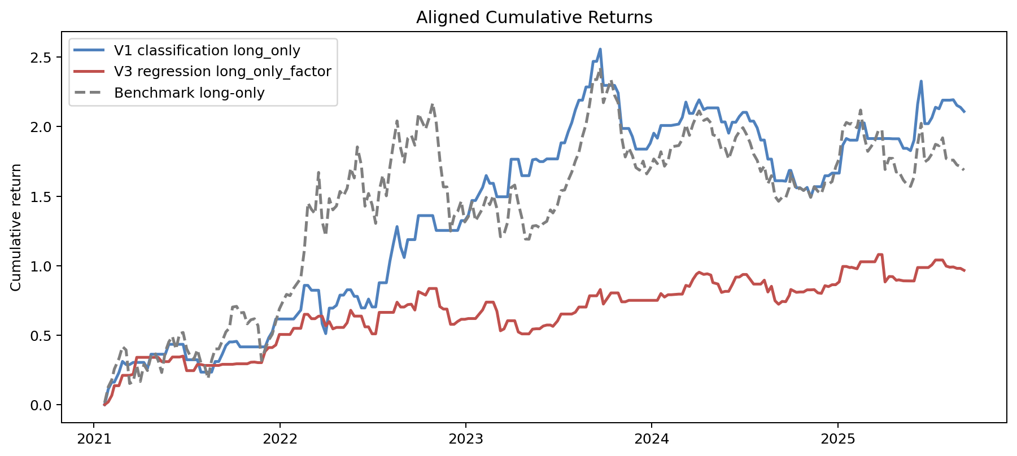
Aligned Cumulative Returns
week_end_date | v1_classification_long_only | benchmark_cum_return | v3_regression_long_only_factor
2021-01-22 | 0 | 0.014777338968 | 0
2021-01-29 | 0.11050658423 | 0.12691691645 | 0.01944482949
2021-02-05 | 0.16161856304 | 0.1787841943 | 0.066365616154
2021-02-10 | 0.16161856304 | 0.25623062182 | 0.13642611391
2021-02-19 | 0.23057352733 | 0.33080186269 | 0.13642611391
2021-02-26 | 0.31101992922 | 0.41780050122 | 0.21071780786
2021-03-05 | 0.28832590544 | 0.39325808384 | 0.21071780786
2021-03-12 | 0.28832590544 | 0.15205131135 | 0.21071780786
2021-03-19 | 0.30383474506 | 0.16591968034 | 0.21891500815
2021-03-26 | 0.30383474506 | 0.28201564118 | 0.34028795643
2021-04-02 | 0.30383474506 | 0.16689895719 | 0.34028795643
2021-04-09 | 0.30383474506 | 0.28959709643 | 0.34028795643
2021-04-16 | 0.25886175643 | 0.24511520501 | 0.34028795643
2021-04-23 | 0.36267550792 | 0.3477953284 | 0.34028795643
2021-04-30 | 0.36267550792 | 0.37492656028 | 0.34028795643
2021-05-07 | 0.36267550792 | 0.31798357765 | 0.34028795643
2021-05-14 | 0.36267550792 | 0.23109650093 | 0.30965952441
2021-05-21 | 0.36267550792 | 0.37934620477 | 0.30965952441
2021-05-28 | 0.43400677465 | 0.4515501238 | 0.30965952441
2021-06-04 | 0.43400677465 | 0.49116417535 | 0.34270741598
2021-06-11 | 0.43400677465 | 0.39888749904 | 0.34270741598
2021-06-18 | 0.43400677465 | 0.51063543619 | 0.34270741598
2021-06-25 | 0.43400677465 | 0.51927314646 | 0.34911623748
2021-07-02 | 0.32308076339 | 0.40175144912 | 0.24475684002
2021-07-09 | 0.32308076339 | 0.3499555065 | 0.24475684002
2021-07-16 | 0.32308076339 | 0.32625874191 | 0.24475684002
2021-07-23 | 0.32308076339 | 0.39536493774 | 0.28896895954
2021-07-30 | 0.23390327862 | 0.30131539902 | 0.28896895954
2021-08-06 | 0.23390327862 | 0.28158718559 | 0.28216076108
2021-08-13 | 0.23390327862 | 0.18697860666 | 0.28216076108
2021-08-20 | 0.23390327862 | 0.31930172823 | 0.28216076108
2021-08-27 | 0.31029581487 | 0.40098139214 | 0.28216076108
2021-09-03 | 0.31029581487 | 0.40098139214 | 0.28216076108
2021-09-10 | 0.36440324685 | 0.45883359965 | 0.29008623401
2021-09-17 | 0.42486138233 | 0.52347604287 | 0.29008623401
2021-09-24 | 0.45108656526 | 0.55151627079 | 0.29008623401
2021-09-30 | 0.45108656526 | 0.70196172007 | 0.29008623401
2021-10-08 | 0.45548319504 | 0.70711847347 | 0.29399505082
2021-10-15 | 0.41571563817 | 0.66047559143 | 0.29399505082
2021-10-22 | 0.41571563817 | 0.66328916271 | 0.29399505082
2021-10-29 | 0.41571563817 | 0.58152677648 | 0.29399505082
2021-11-05 | 0.41571563817 | 0.61032482918 | 0.30513005163
2021-11-12 | 0.41571563817 | 0.61780602651 | 0.30649015722
2021-11-19 | 0.41571563817 | 0.56879947966 | 0.30237627681
2021-11-26 | 0.41571563817 | 0.31733547905 | 0.30237627681
2021-12-03 | 0.41571563817 | 0.39923394559 | 0.38334473293
2021-12-10 | 0.48087511469 | 0.46363483866 | 0.41073040689
2021-12-17 | 0.52402827992 | 0.50628561684 | 0.41073040689
2021-12-24 | 0.61617538465 | 0.59735994946 | 0.42922367821
2021-12-31 | 0.61617538465 | 0.68843279022 | 0.50512567636
2022-01-07 | 0.61617538465 | 0.74259726773 | 0.50512567636
2022-01-14 | 0.61617538465 | 0.79320255938 | 0.50512567636
2022-01-21 | 0.61617538465 | 0.78447426019 | 0.50485599536
2022-01-28 | 0.61617538465 | 0.8368563143 | 0.54903004143
2022-02-11 | 0.68018287268 | 0.90960371515 | 0.54903004143
2022-02-18 | 0.85809357549 | 1.1118072637 | 0.64969575145
2022-02-25 | 0.85809357549 | 1.4513473514 | 0.64969575145
2022-03-04 | 0.8229691892 | 1.4050084197 | 0.61851080382
2022-03-11 | 0.8229691892 | 1.3733035181 | 0.61851080382
2022-03-18 | 0.8229691892 | 1.6710151936 | 0.63653061496
2022-03-25 | 0.58250451704 | 1.3186862587 | 0.63653061496
2022-04-01 | 0.51117090295 | 1.2141682185 | 0.56668045962
2022-04-08 | 0.69444724163 | 1.4827047841 | 0.59743178398
2022-04-15 | 0.69444724163 | 1.4015021692 | 0.54518407468
2022-04-22 | 0.71444912116 | 1.4298503856 | 0.55563456988
2022-04-29 | 0.7880601335 | 1.5341776267 | 0.55563456988
2022-05-06 | 0.7880601335 | 1.5028665851 | 0.55563456988
2022-05-13 | 0.82646789056 | 1.5566284749 | 0.58904979654
2022-05-20 | 0.82646789056 | 1.7010080863 | 0.67878766596
2022-05-27 | 0.779117917 | 1.6309862359 | 0.63694641825
2022-06-02 | 0.779117917 | 1.8547317855 | 0.63694641825
2022-06-10 | 0.69599112541 | 1.7213484432 | 0.63694641825
2022-06-17 | 0.69599112541 | 1.4278937695 | 0.55988467181
2022-06-24 | 0.75975212533 | 1.5191707415 | 0.55988467181
2022-07-01 | 0.70297605366 | 1.4378930339 | 0.50955705881
2022-07-08 | 0.70297605366 | 1.3042338145 | 0.50955705881
2022-07-15 | 0.87710134207 | 1.539836292 | 0.66390571079
2022-07-22 | 0.87710134207 | 1.6507197705 | 0.66390571079
2022-07-29 | 0.87710134207 | 1.5025371728 | 0.66390571079
2022-08-05 | 1.0329745592 | 1.7103461554 | 0.66390571079
2022-08-12 | 1.1619774833 | 1.8823318685 | 0.66390571079
2022-08-19 | 1.2813235834 | 2.0414431777 | 0.73709517939
2022-08-26 | 1.1343881088 | 1.8455499252 | 0.70242325297
2022-09-02 | 1.0585570245 | 1.7444525028 | 0.70242325297
2022-09-09 | 1.1874322843 | 1.9162680148 | 0.71973114362
2022-09-16 | 1.1874322843 | 1.9382012881 | 0.72261387434
2022-09-23 | 1.1874322843 | 1.8666335969 | 0.68065504112
2022-09-30 | 1.3603081106 | 2.0931876509 | 0.81347955465
2022-10-14 | 1.3603081106 | 1.9827893157 | 0.78800429116
2022-10-21 | 1.3603081106 | 2.0626790889 | 0.83582979173
2022-10-28 | 1.3603081106 | 2.1699635565 | 0.83582979173
2022-11-04 | 1.2534624683 | 2.0264667008 | 0.83582979173
2022-11-11 | 1.2534624683 | 1.7623260825 | 0.70587327018
2022-11-18 | 1.2534624683 | 1.5669506084 | 0.68768425693
2022-11-25 | 1.2534624683 | 1.5665325042 | 0.68753117264
2022-12-02 | 1.2534624683 | 1.248723117 | 0.57819325738
2022-12-09 | 1.2534624683 | 1.3559893125 | 0.57819325738
2022-12-16 | 1.2534624683 | 1.3897056163 | 0.59872788224
2022-12-23 | 1.3241892517 | 1.4647085036 | 0.61414972687
2022-12-30 | 1.3241892517 | 1.3140962647 | 0.61414972687
2023-01-06 | 1.363680851 | 1.3534163685 | 0.61954168628
2023-01-13 | 1.468750631 | 1.4580298741 | 0.61954168628
2023-01-20 | 1.468750631 | 1.3223097803 | 0.61954168628
2023-02-03 | 1.563689496 | 1.411617081 | 0.68182316893
2023-02-10 | 1.6484864195 | 1.4913840377 | 0.73745136835
2023-02-17 | 1.5923451577 | 1.4385729519 | 0.73745136835
2023-02-24 | 1.5923451577 | 1.5051205032 | 0.73745136835
2023-03-03 | 1.4956709725 | 1.4116991148 | 0.67265803055
2023-03-10 | 1.4956709725 | 1.2081588558 | 0.53149064909
2023-03-17 | 1.4956709725 | 1.2277218529 | 0.5450587613
2023-03-24 | 1.4956709725 | 1.312463807 | 0.60383239075
2023-03-31 | 1.7657138345 | 1.5626828269 | 0.60383239075
2023-04-07 | 1.7657138345 | 1.5797133768 | 0.60383239075
2023-04-14 | 1.7657138345 | 1.4495530994 | 0.52291050589
2023-04-21 | 1.6476271391 | 1.3449654059 | 0.50924134822
2023-04-28 | 1.6476271391 | 1.1914860175 | 0.50924134822
2023-05-05 | 1.6476271391 | 1.1902706633 | 0.50924134822
2023-05-12 | 1.7616551211 | 1.2846012207 | 0.54321906127
2023-05-19 | 1.7665421426 | 1.2886440482 | 0.54594993981
2023-05-26 | 1.7488770387 | 1.2740304502 | 0.54594993981
2023-06-02 | 1.7488770387 | 1.302978895 | 0.56562990777
2023-06-09 | 1.7681269566 | 1.3191062641 | 0.57273964676
2023-06-16 | 1.7681269566 | 1.4013794787 | 0.57273964676
2023-06-21 | 1.7681269566 | 1.3794452105 | 0.56331449043
2023-06-30 | 1.7681269566 | 1.438150621 | 0.60188441356
2023-07-07 | 1.8836227491 | 1.539878664 | 0.65198689078
2023-07-14 | 1.8836227491 | 1.5443172488 | 0.65198689078
2023-07-21 | 1.9630763671 | 1.6144218459 | 0.65198689078
2023-07-28 | 2.0295838123 | 1.6731035996 | 0.65198689078
2023-08-04 | 2.1201604026 | 1.7530223688 | 0.66469434061
2023-08-11 | 2.1906857207 | 1.8152492269 | 0.70232160422
2023-08-18 | 2.1906857207 | 1.9306250097 | 0.70232160422
2023-08-25 | 2.2857822826 | 2.0179706109 | 0.70232160422
2023-09-01 | 2.2857822826 | 2.161532665 | 0.78329945911
2023-09-08 | 2.4695705776 | 2.3383711308 | 0.78329945911
2023-09-15 | 2.4704056126 | 2.3391745896 | 0.78329945911
2023-09-22 | 2.5582269185 | 2.4236749927 | 0.82842723517
2023-09-28 | 2.297166023 | 2.172485937 | 0.72374252055
2023-10-13 | 2.297166023 | 2.3390558161 | 0.80381514324
2023-10-20 | 2.297166023 | 2.225966981 | 0.80381514324
2023-10-27 | 2.2427887392 | 2.1727639209 | 0.80381514324
2023-11-03 | 1.9870377111 | 1.9225355835 | 0.73991053908
2023-11-10 | 1.9870377111 | 1.7821746847 | 0.73991053908
2023-11-17 | 1.9870377111 | 1.8470668516 | 0.75034271967
2023-11-24 | 1.9284540708 | 1.7912284067 | 0.75034271967
2023-12-01 | 1.838627546 | 1.7056111009 | 0.75034271967
2023-12-08 | 1.838627546 | 1.6872624959 | 0.75034271967
2023-12-15 | 1.838627546 | 1.7520662664 | 0.75034271967
2023-12-22 | 1.838627546 | 1.660342436 | 0.75034271967
2023-12-29 | 1.8806945213 | 1.6997673193 | 0.75034271967
2024-01-05 | 1.9530870523 | 1.7676131071 | 0.75034271967
2024-01-12 | 1.9172864533 | 1.7340610291 | 0.75034271967
2024-01-19 | 2.0086089581 | 1.8196478597 | 0.79920832931
2024-01-26 | 2.0086089581 | 1.7157809387 | 0.77404035909
2024-02-02 | 2.0086089581 | 1.7539737756 | 0.79073086907
2024-02-08 | 2.0086089581 | 1.8547947593 | 0.79073086907
2024-02-23 | 2.0186140407 | 1.8642883352 | 0.79516694737
2024-03-01 | 2.0670785936 | 1.9102751529 | 0.79516694737
2024-03-08 | 2.1769803331 | 2.0145582001 | 0.85798606004
2024-03-15 | 2.0958399526 | 1.9375660963 | 0.85069829299
2024-03-22 | 2.0958399526 | 2.018758316 | 0.90185026623
2024-03-29 | 2.1577025732 | 2.0790806528 | 0.93985398839
2024-04-03 | 2.1932008809 | 2.1136951074 | 0.9526580605
2024-04-12 | 2.122657227 | 2.0449078817 | 0.93696474753
2024-04-19 | 2.1352037249 | 2.0571419911 | 0.94145981235
2024-04-26 | 2.1352037249 | 2.0273392401 | 0.93237012017
2024-04-30 | 2.1352037249 | 1.9423275721 | 0.87810662541
2024-05-10 | 2.1352037249 | 1.9260770519 | 0.86773381375
2024-05-17 | 2.0340662922 | 1.8316857629 | 0.80748324649
2024-05-24 | 2.0340662922 | 1.8435123947 | 0.81503226169
2024-05-31 | 1.953335334 | 1.7678517274 | 0.81503226169
2024-06-07 | 2.031918189 | 1.8414992026 | 0.86332695255
2024-06-14 | 2.031918189 | 1.9243634948 | 0.91766561607
2024-06-21 | 2.0737664344 | 1.9647272097 | 0.9182725674
2024-06-28 | 2.103079396 | 1.9930003192 | 0.93656616629
2024-07-05 | 2.103079396 | 1.9444748657 | 0.93656616629
2024-07-12 | 2.0400833349 | 1.884698658 | 0.90258793006
2024-07-19 | 2.0400833349 | 1.8026903307 | 0.86746166517
2024-07-26 | 1.991806504 | 1.7581833246 | 0.86746166517
2024-08-02 | 1.9037228856 | 1.6769779503 | 0.86746166517
2024-08-09 | 1.9037228856 | 1.7172575399 | 0.8955607347
2024-08-16 | 1.7666562 | 1.5889927227 | 0.81041380647
2024-08-23 | 1.7666562 | 1.6477431438 | 0.85149641457
2024-08-30 | 1.6110806193 | 1.4988543238 | 0.74738241955
2024-09-06 | 1.6110806193 | 1.4632518711 | 0.72248657057
2024-09-13 | 1.6110806193 | 1.4921443625 | 0.74269032197
2024-09-20 | 1.6077869189 | 1.4890006921 | 0.74079908598
2024-09-27 | 1.6852134971 | 1.5629004442 | 0.7860373205
2024-09-30 | 1.6852134971 | 1.6663766758 | 0.82853192088
2024-10-11 | 1.5602973233 | 1.5423367912 | 0.80817241315
2024-10-18 | 1.5602973233 | 1.5599065694 | 0.81075743323
2024-10-25 | 1.5414194695 | 1.5410315968 | 0.81075743323
2024-11-01 | 1.5628793453 | 1.5624881974 | 0.82604756151
2024-11-08 | 1.4921692614 | 1.4917889053 | 0.82604756151
2024-11-15 | 1.5681570939 | 1.5677651405 | 0.82753243843
2024-11-22 | 1.5681570939 | 1.5354657821 | 0.80454430591
2024-11-29 | 1.5681570939 | 1.518185589 | 0.80080770518
2024-12-06 | 1.6467722649 | 1.5952710567 | 0.85593315133
2024-12-13 | 1.6467722649 | 1.5862576487 | 0.8494874729
2024-12-20 | 1.6659200603 | 1.6049676575 | 0.86286739542
2024-12-27 | 1.6659200603 | 1.7092569641 | 0.86286739542
2025-01-03 | 1.6659200603 | 1.7718523936 | 0.88379306087
2025-01-10 | 1.8674563272 | 1.9813968553 | 0.99424638293
2025-01-17 | 1.9146690297 | 2.0304855899 | 0.99424638293
2025-01-24 | 1.9030276125 | 2.0183815922 | 0.98628120609
2025-01-27 | 1.9030276125 | 2.0238320441 | 0.9885606987
2025-02-07 | 1.9030276125 | 1.9921029629 | 0.97767035873
2025-02-14 | 2.026988871 | 2.1198677996 | 1.0279799624
2025-02-21 | 2.026988871 | 1.9313108928 | 1.0279799624
2025-02-28 | 1.9145852268 | 1.8224601369 | 1.0279799624
2025-03-07 | 1.9145852268 | 1.8583418029 | 1.0279799624
2025-03-14 | 1.9145852268 | 1.8999688756 | 1.0279799624
2025-03-21 | 1.9145852268 | 1.9746996617 | 1.0802400188
2025-03-28 | 1.9145852268 | 1.9735351678 | 1.0796308917
2025-04-03 | 1.9145852268 | 1.6920668067 | 0.88277756195
2025-04-11 | 1.9145852268 | 1.773103128 | 0.92200388718
2025-04-18 | 1.9129617285 | 1.7715584388 | 0.92093425618
2025-04-25 | 1.9129617285 | 1.6733216726 | 0.89489261651
2025-04-30 | 1.9129617285 | 1.6783325863 | 0.89802647846
2025-05-09 | 1.8441785007 | 1.6150896131 | 0.8908760231
2025-05-16 | 1.8441785007 | 1.5848301166 | 0.89040750099
2025-05-23 | 1.827579432 | 1.5697446455 | 0.89011644945
2025-05-30 | 1.9037788102 | 1.6389957307 | 0.89011644945
2025-06-06 | 2.162549995 | 1.874170686 | 0.98651609863
2025-06-13 | 2.3276401907 | 2.024207018 | 0.98651609863
2025-06-20 | 2.0219428904 | 1.7463849375 | 0.98651609863
2025-06-27 | 2.0219428904 | 1.7654122059 | 0.98651609863
2025-07-04 | 2.065031372 | 1.8048429355 | 1.0061485025
2025-07-11 | 2.1396361012 | 1.8731145198 | 1.0406392361
2025-07-18 | 2.1287722976 | 1.8631729371 | 1.0406392361
2025-07-25 | 2.1907220306 | 1.9198637992 | 1.0406392361
2025-08-01 | 2.1907220306 | 1.7707169616 | 0.99689503114
2025-08-08 | 2.1907220306 | 1.7573456714 | 0.98892290566
2025-08-15 | 2.1938076223 | 1.7600121661 | 0.99073649946
2025-08-22 | 2.1534212725 | 1.7251112484 | 0.98068224664
2025-08-29 | 2.1392783644 | 1.7128892854 | 0.98068224664
2025-09-05 | 2.1095933432 | 1.6872362 | 0.96650452021

08_PerfCost
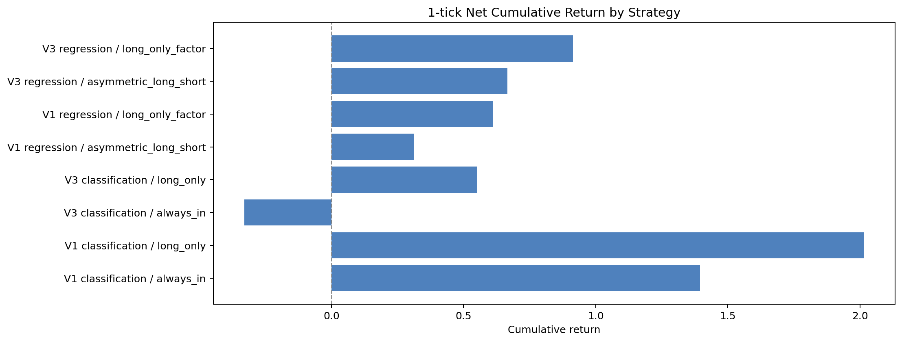
Performance with Costs and Slippage
label | execution | scenario | strategy_cumulative_return | strategy_annualized_return | strategy_sharpe_ratio | strategy_max_drawdown | cumulative_return_diff | information_ratio
V1 classification | always_in | gross | 1.5506854504 | 0.22807332967 | 0.63446566281 | -0.40629402128 | -0.13655074964 | -0.02174396252
V1 classification | always_in | realistic_0tick | 1.5052726891 | 0.22324229906 | 0.62100885205 | -0.40924731094 | -0.18196351091 | -0.028945194539
V1 classification | always_in | realistic_1tick | 1.3952126499 | 0.21124392471 | 0.58758225404 | -0.41656976689 | -0.2920235501 | -0.046945073531
V1 classification | always_in | realistic_2tick | 1.289941141 | 0.19935788831 | 0.55446270194 | -0.42380618258 | -0.39729505904 | -0.064940010152
V1 classification | long_only | gross | 2.1095933432 | 0.28263693864 | 1.2149058898 | -0.29960361763 | 0.42235714316 | -0.02174396252
V1 classification | long_only | realistic_0tick | 2.0821185287 | 0.2801418105 | 1.2042178892 | -0.30080123768 | 0.39488232873 | -0.028885591397
V1 classification | long_only | realistic_1tick | 2.0144784104 | 0.27392423656 | 1.1775722566 | -0.30378663496 | 0.32724221039 | -0.04673676517
V1 classification | long_only | realistic_2tick | 1.9483081232 | 0.26773548381 | 1.1510331986 | -0.30675971044 | 0.26107192315 | -0.064583433586
V3 classification | always_in | gross | -0.28690264491 | -0.071505171489 | -0.19784441692 | -0.64206571418 | -1.9741388449 | -0.57876156612
V3 classification | always_in | realistic_0tick | -0.29956546542 | -0.075148074244 | -0.20793345798 | -0.64638487338 | -1.9868016654 | -0.58653577792
V3 classification | always_in | realistic_1tick | -0.33025732524 | -0.084195879835 | -0.23299217775 | -0.65695880207 | -2.0174935252 | -0.6059611512
V3 classification | always_in | realistic_2tick | -0.35961779361 | -0.093159357361 | -0.25781711402 | -0.66722025775 | -2.0468539936 | -0.62537151467
V3 classification | long_only | gross | 0.60038841214 | 0.10868698191 | 0.42007960034 | -0.36077060244 | -1.0868477879 | -0.57876156612
V3 classification | long_only | realistic_0tick | 0.58633036611 | 0.10654281946 | 0.41184219846 | -0.36170534829 | -1.1009058339 | -0.58647322713
V3 classification | long_only | realistic_1tick | 0.55171755084 | 0.10119966742 | 0.39130385789 | -0.36403651067 | -1.1355186492 | -0.60574256963
V3 classification | long_only | realistic_2tick | 0.51785215287 | 0.095881077907 | 0.37084455021 | -0.36635954862 | -1.1693840471 | -0.62499739935
V1 regression | asymmetric_long_short | gross | 0.34702322596 | 0.067544763015 | 0.41757108818 | -0.31811730729 | -1.340212974 | -0.61348595576
V1 regression | asymmetric_long_short | realistic_0tick | 0.33653620575 | 0.065715644432 | 0.40638370615 | -0.31974558639 | -1.3506999943 | -0.61866660731
V1 regression | asymmetric_long_short | realistic_1tick | 0.31067148902 | 0.061156019206 | 0.37846411768 | -0.32379959131 | -1.376564711 | -0.63161597428
V1 regression | asymmetric_long_short | realistic_2tick | 0.28530314016 | 0.056615150483 | 0.35061499292 | -0.32782985905 | -1.4019330599 | -0.64456200686
V1 regression | long_only_factor | gross | 0.64983242063 | 0.1161133888 | 0.64937417966 | -0.27260912001 | -1.0374037794 | -0.54894182499
V1 regression | long_only_factor | realistic_0tick | 0.63847134874 | 0.11442250705 | 0.64010117906 | -0.2742241229 | -1.0487648513 | -0.55431861234
V1 regression | long_only_factor | realistic_1tick | 0.61040655711 | 0.1102060157 | 0.61695068108 | -0.27824624924 | -1.0768296429 | -0.56775927709
V1 regression | long_only_factor | realistic_2tick | 0.58281796735 | 0.1060047863 | 0.59384633642 | -0.28224649677 | -1.1044182327 | -0.58119793434
V3 regression | asymmetric_long_short | gross | 0.71906759562 | 0.12622576409 | 0.74447365459 | -0.18114775056 | -0.96816860439 | -0.43067666422
V3 regression | asymmetric_long_short | realistic_0tick | 0.70378119663 | 0.12402078068 | 0.73163707682 | -0.18187037467 | -0.98345500338 | -0.43636325235
V3 regression | asymmetric_long_short | realistic_1tick | 0.66615251404 | 0.11852649242 | 0.69961968503 | -0.18367432228 | -1.021083686 | -0.45057723943
V3 regression | asymmetric_long_short | realistic_2tick | 0.62934825055 | 0.11305806758 | 0.66770880834 | -0.18547454329 | -1.0578879495 | -0.46478755458
V3 regression | long_only_factor | gross | 0.96650452021 | 0.15995034418 | 0.90096769138 | -0.17789690797 | -0.72073167979 | -0.40786107696
V3 regression | long_only_factor | realistic_0tick | 0.95140941536 | 0.15799086478 | 0.89016853228 | -0.1785309508 | -0.73582678465 | -0.41375077815
V3 regression | long_only_factor | realistic_1tick | 0.91417211537 | 0.15310603667 | 0.86321592353 | -0.18011406938 | -0.77306408464 | -0.42847368955
V3 regression | long_only_factor | realistic_2tick | 0.87763903315 | 0.14824096198 | 0.836328567 | -0.18169435104 | -0.80959716686 | -0.4431945112

09_Position
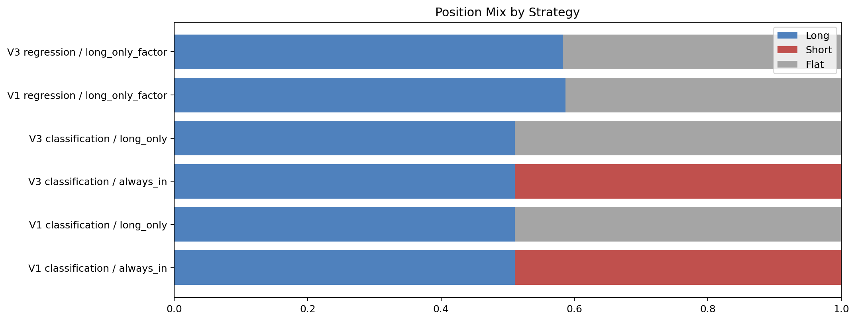
Position Distribution
label | execution | strategy_long_share | strategy_short_share | flat_share | display_name
V1 Chinese classification | always_in | 0.51054852321 | 0.48945147679 | 5.5511151231E-17 | V1 classification / always_in
V1 Chinese classification | long_only | 0.51054852321 | 0 | 0.48945147679 | V1 classification / long_only
V3 English classification | always_in | 0.51054852321 | 0.48945147679 | 5.5511151231E-17 | V3 classification / always_in
V3 English classification | long_only | 0.51054852321 | 0 | 0.48945147679 | V3 classification / long_only
V1 Chinese regression | long_only_factor | 0.5864978903 | 0 | 0.4135021097 | V1 regression / long_only_factor
V3 English regression | long_only_factor | 0.58227848101 | 0 | 0.41772151899 | V3 regression / long_only_factor

10_RegimeBar
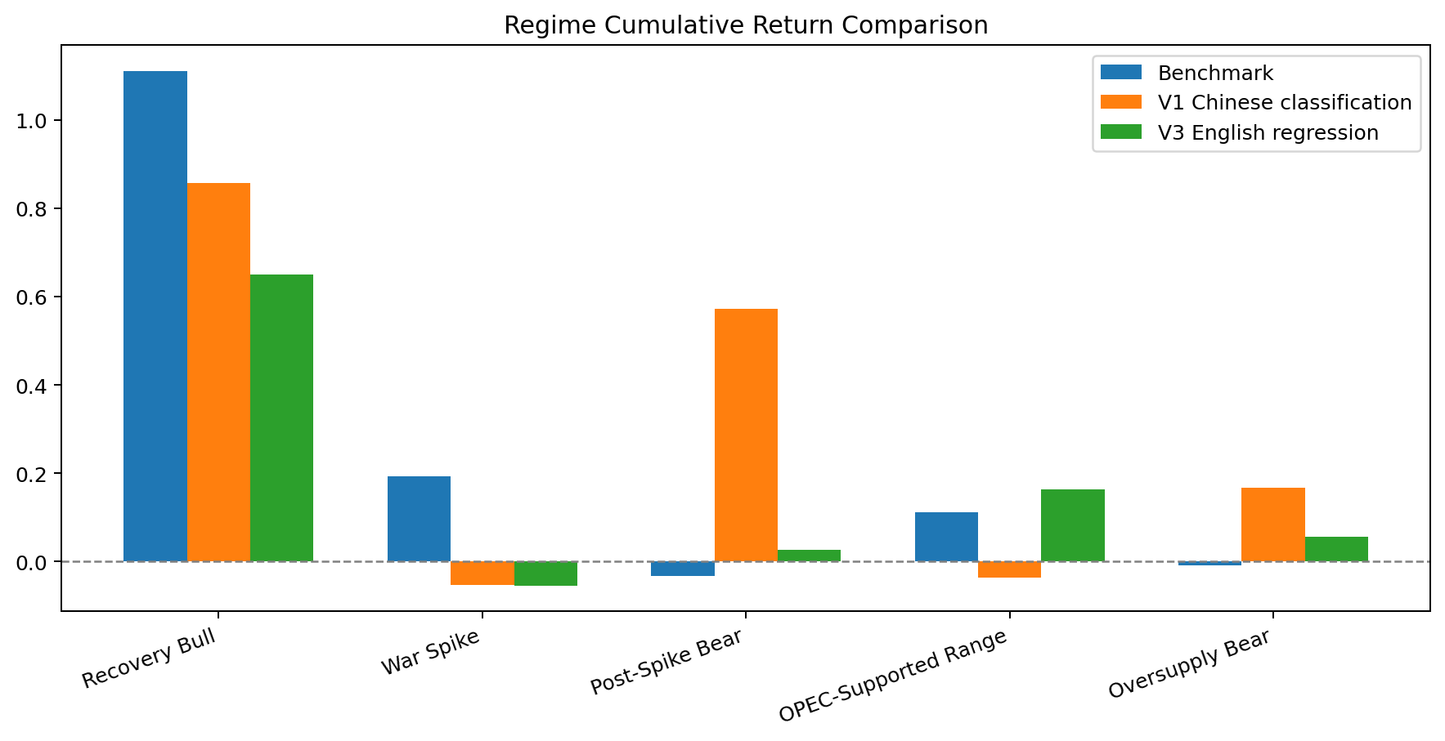
Regime Comparison
label | task | execution | window_start | window_end | regime | strategy_num_weeks | strategy_cumulative_return | strategy_annualized_return | strategy_sharpe_ratio | strategy_max_drawdown | benchmark_cumulative_return | cumulative_return_diff | information_ratio
V1 Chinese classification | classification | long_only | 2021-01-22 | 2025-09-05 | Recovery Bull | 56 | 0.85809357549 | 0.77765905237 | 3.1854226275 | -0.13954152768 | 1.1118072637 | -0.2537136882 | -0.50441765166
V1 Chinese classification | classification | long_only | 2021-01-22 | 2025-09-05 | War Spike | 18 | -0.052925994393 | -0.14537467262 | -0.42164316226 | -0.18670893496 | 0.19289803799 | -0.24582403238 | -1.7973118585
V1 Chinese classification | classification | long_only | 2021-01-22 | 2025-09-05 | Post-Spike Bear | 51 | 0.5730209481 | 0.5870552481 | 2.3420699914 | -0.097647944597 | -0.032161424844 | 0.60518237295 | 1.8043398779
V1 Chinese classification | classification | long_only | 2021-01-22 | 2025-09-05 | OPEC-Supported Range | 76 | -0.036922763259 | -0.025412661327 | -0.14817572496 | -0.29960361763 | 0.11119343521 | -0.14811619846 | -0.8400205438
V1 Chinese classification | classification | long_only | 2021-01-22 | 2025-09-05 | Oversupply Bear | 36 | 0.16642407604 | 0.24902308224 | 1.1902945627 | -0.091866092121 | -0.0081279717572 | 0.1745520478 | 1.338549811
V3 English regression | regression | long_only_factor | 2021-01-22 | 2025-09-05 | Recovery Bull | 56 | 0.64969575145 | 0.5917505518 | 3.1872352611 | -0.077353896247 | 1.1118072637 | -0.46211151224 | -0.79007502759
V3 English regression | regression | long_only_factor | 2021-01-22 | 2025-09-05 | War Spike | 18 | -0.054440995901 | -0.14931815071 | -0.87206819005 | -0.070826702249 | 0.19289803799 | -0.24733903389 | -1.6868619608
V3 English regression | regression | long_only_factor | 2021-01-22 | 2025-09-05 | Post-Spike Bear | 51 | 0.026924901895 | 0.027460024937 | 0.12437414063 | -0.17789690797 | -0.032161424844 | 0.059086326739 | 0.061407979659
V3 English regression | regression | long_only_factor | 2021-01-22 | 2025-09-05 | OPEC-Supported Range | 76 | 0.16292248032 | 0.10879312391 | 0.79354622503 | -0.11787598381 | 0.11119343521 | 0.05172904512 | 0.1284287432
V3 English regression | regression | long_only_factor | 2021-01-22 | 2025-09-05 | Oversupply Bear | 36 | 0.055633119701 | 0.081342401773 | 0.50511175329 | -0.09492291997 | -0.0081279717572 | 0.063761091458 | 0.37049053755
Benchmark | benchmark | long_only | 2021-01-22 | 2025-09-05 | OPEC-Supported Range |  | 0.11119343521 |  |  |  | 0.11119343521 | 0
Benchmark | benchmark | long_only | 2021-01-22 | 2025-09-05 | Oversupply Bear |  | -0.0081279717572 |  |  |  | -0.0081279717572 | 0
Benchmark | benchmark | long_only | 2021-01-22 | 2025-09-05 | Post-Spike Bear |  | -0.032161424844 |  |  |  | -0.032161424844 | 0
Benchmark | benchmark | long_only | 2021-01-22 | 2025-09-05 | Recovery Bull |  | 1.1118072637 |  |  |  | 1.1118072637 | 0
Benchmark | benchmark | long_only | 2021-01-22 | 2025-09-05 | War Spike |  | 0.19289803799 |  |  |  | 0.19289803799 | 0

11_RegimeHeat
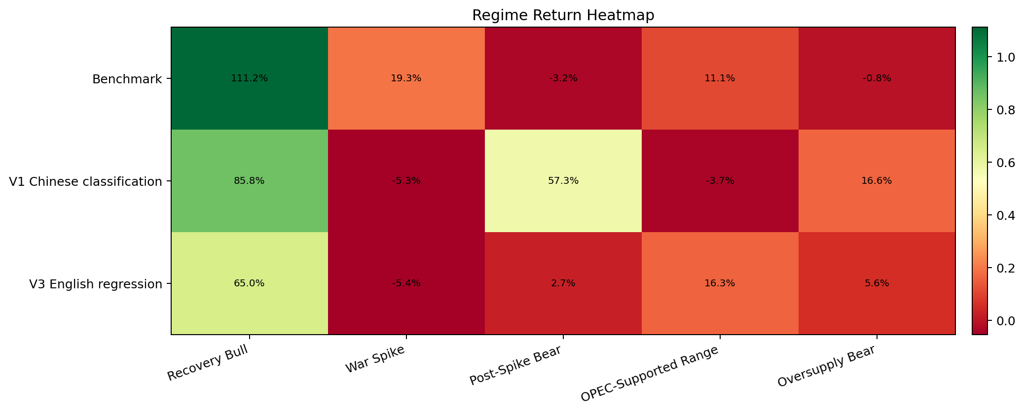
Regime Heatmap Source
label | task | execution | window_start | window_end | regime | strategy_num_weeks | strategy_cumulative_return | strategy_annualized_return | strategy_sharpe_ratio | strategy_max_drawdown | benchmark_cumulative_return | cumulative_return_diff | information_ratio
V1 Chinese classification | classification | long_only | 2021-01-22 | 2025-09-05 | Recovery Bull | 56 | 0.85809357549 | 0.77765905237 | 3.1854226275 | -0.13954152768 | 1.1118072637 | -0.2537136882 | -0.50441765166
V1 Chinese classification | classification | long_only | 2021-01-22 | 2025-09-05 | War Spike | 18 | -0.052925994393 | -0.14537467262 | -0.42164316226 | -0.18670893496 | 0.19289803799 | -0.24582403238 | -1.7973118585
V1 Chinese classification | classification | long_only | 2021-01-22 | 2025-09-05 | Post-Spike Bear | 51 | 0.5730209481 | 0.5870552481 | 2.3420699914 | -0.097647944597 | -0.032161424844 | 0.60518237295 | 1.8043398779
V1 Chinese classification | classification | long_only | 2021-01-22 | 2025-09-05 | OPEC-Supported Range | 76 | -0.036922763259 | -0.025412661327 | -0.14817572496 | -0.29960361763 | 0.11119343521 | -0.14811619846 | -0.8400205438
V1 Chinese classification | classification | long_only | 2021-01-22 | 2025-09-05 | Oversupply Bear | 36 | 0.16642407604 | 0.24902308224 | 1.1902945627 | -0.091866092121 | -0.0081279717572 | 0.1745520478 | 1.338549811
V3 English regression | regression | long_only_factor | 2021-01-22 | 2025-09-05 | Recovery Bull | 56 | 0.64969575145 | 0.5917505518 | 3.1872352611 | -0.077353896247 | 1.1118072637 | -0.46211151224 | -0.79007502759
V3 English regression | regression | long_only_factor | 2021-01-22 | 2025-09-05 | War Spike | 18 | -0.054440995901 | -0.14931815071 | -0.87206819005 | -0.070826702249 | 0.19289803799 | -0.24733903389 | -1.6868619608
V3 English regression | regression | long_only_factor | 2021-01-22 | 2025-09-05 | Post-Spike Bear | 51 | 0.026924901895 | 0.027460024937 | 0.12437414063 | -0.17789690797 | -0.032161424844 | 0.059086326739 | 0.061407979659
V3 English regression | regression | long_only_factor | 2021-01-22 | 2025-09-05 | OPEC-Supported Range | 76 | 0.16292248032 | 0.10879312391 | 0.79354622503 | -0.11787598381 | 0.11119343521 | 0.05172904512 | 0.1284287432
V3 English regression | regression | long_only_factor | 2021-01-22 | 2025-09-05 | Oversupply Bear | 36 | 0.055633119701 | 0.081342401773 | 0.50511175329 | -0.09492291997 | -0.0081279717572 | 0.063761091458 | 0.37049053755
Benchmark | benchmark | long_only | 2021-01-22 | 2025-09-05 | OPEC-Supported Range |  | 0.11119343521 |  |  |  | 0.11119343521 | 0
Benchmark | benchmark | long_only | 2021-01-22 | 2025-09-05 | Oversupply Bear |  | -0.0081279717572 |  |  |  | -0.0081279717572 | 0
Benchmark | benchmark | long_only | 2021-01-22 | 2025-09-05 | Post-Spike Bear |  | -0.032161424844 |  |  |  | -0.032161424844 | 0
Benchmark | benchmark | long_only | 2021-01-22 | 2025-09-05 | Recovery Bull |  | 1.1118072637 |  |  |  | 1.1118072637 | 0
Benchmark | benchmark | long_only | 2021-01-22 | 2025-09-05 | War Spike |  | 0.19289803799 |  |  |  | 0.19289803799 | 0

