P2 - Loan Estimation
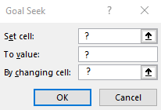
Loan Estimation
Purchase price: | YOUR ANSWER HERE
Monthly payment: | YOUR ANSWER HERE
Loan amount: | YOUR ANSWER HERE

P3 - Profit Forecast
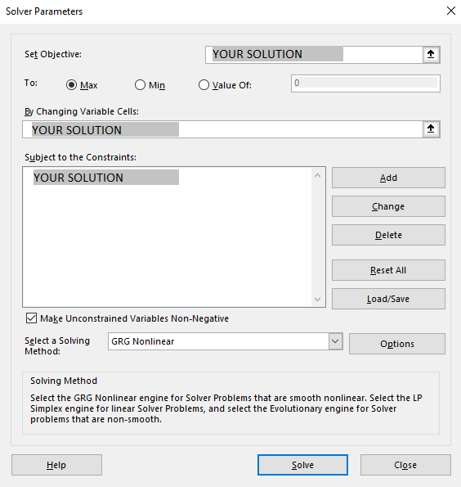
Maori Artwork
Item # | Items | Retail Price | Wholesale Cost | Profit per Unit |  | Purchase Quantity | Total wholesale cost | Total Profit
1 | Maori Boat Woodcraft |  |  |  |  | YOUR ANSWER
2 | Maori Wooden Nesting Dolls |  |  |  |  | YOUR ANSWER

 |  |  |  |  | Totals |  |  | YOUR ANSWER

