Sheet1
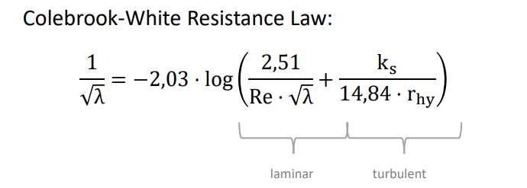
water level at profile upstream | 4.46 | m
water level at profile downstream | 4 | m
g | 9.8 | m/s^2
Q upstream | 20 | m^3/s
Q downstream | 20 | m^3/s
A upstream | 17.4032 | m^2
A downstream | 18 | m^2
friction loss upstream (IR) | 0.00064594879448
friction loss downstream (IR) | 0.00058575715472
delta x | 450 | m
delta h(Difference water level) | -4.2343978912

 | 0.22560210876

