01 Course Introduction
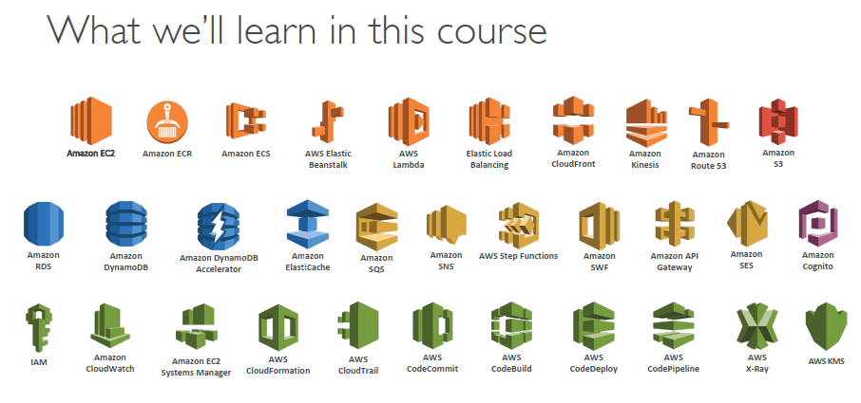
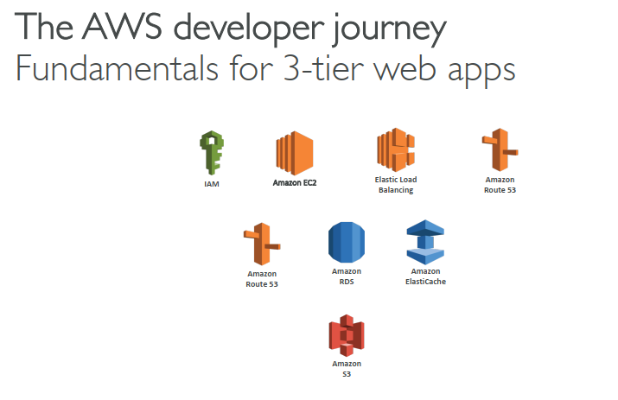
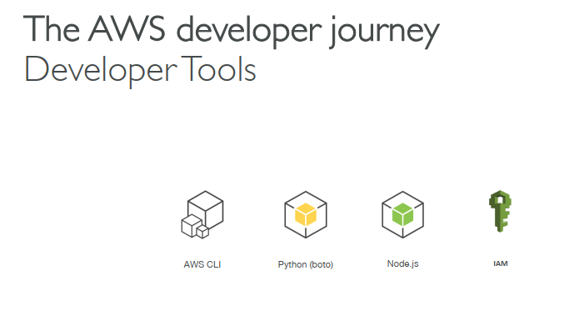
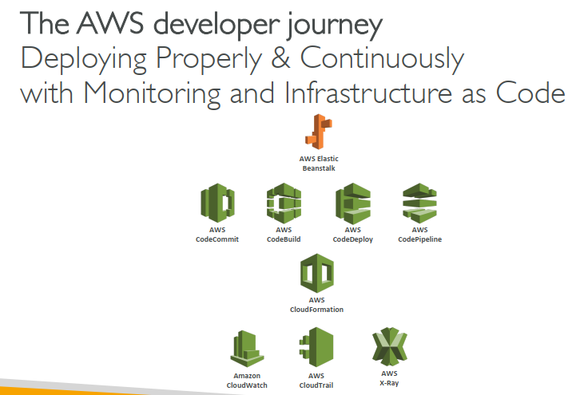
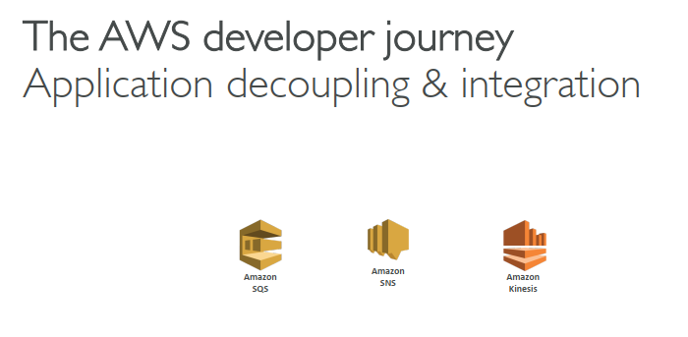
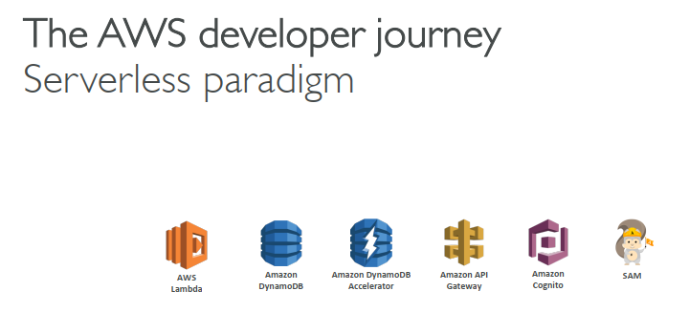
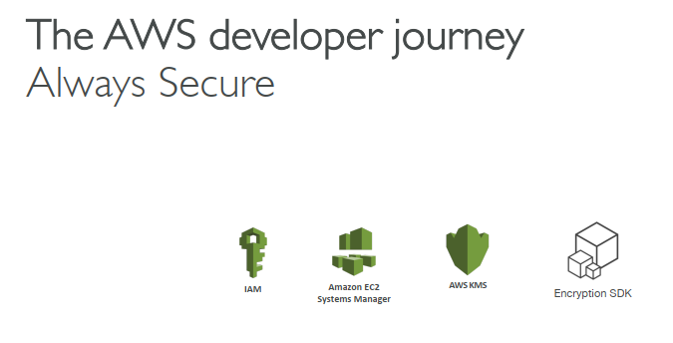
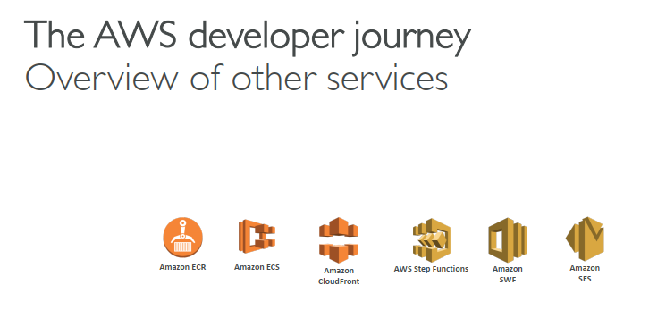
003 Exam Guide

Two question type:
 | Single-choice:
 | Multiple-choices

Pass: Score at lease 720 out of 1000

Exam Details:

 | Deployment
 |  | CICD, Beanstalk, Serverless
 | Security
 |  | each service deep-dive + dedicated section
 | Development with AWS Services
 |  | Serverless, API, SDK & CLI
 | Refactoring
 |  | Understand all the AWS services for the best migration
 | Monitoring and Troubleshooting
 |  | CloudWatch, CloudTrail, X-Ray

004 Create your AWS Account
 | https://portal.aws.amazon.com/billing/signup#/start
 | https://aws.amazon.com/free
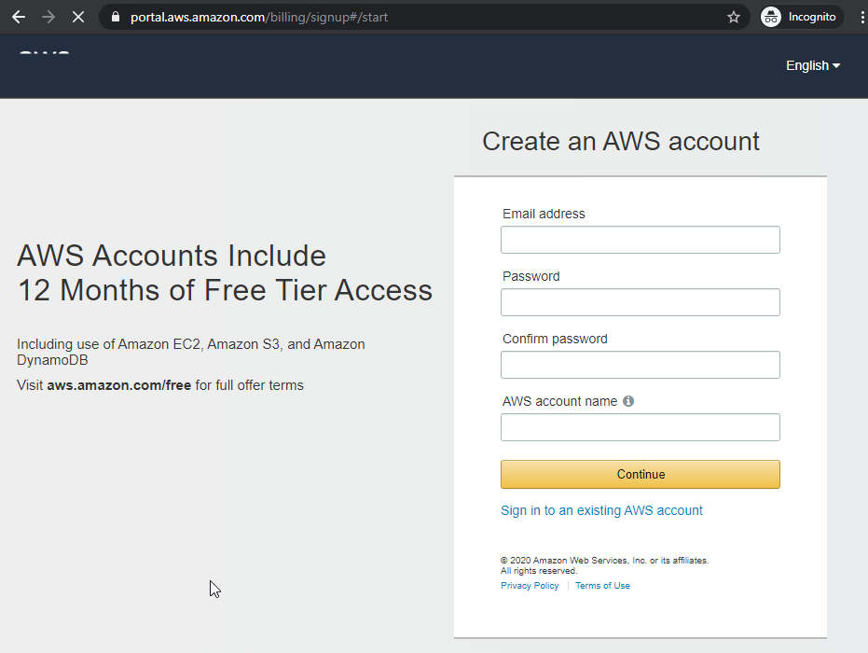

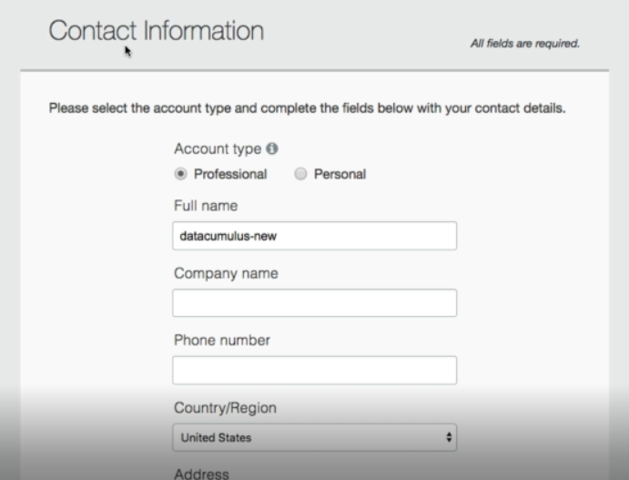
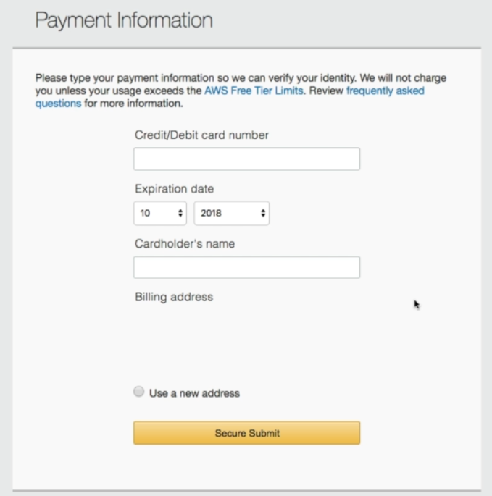

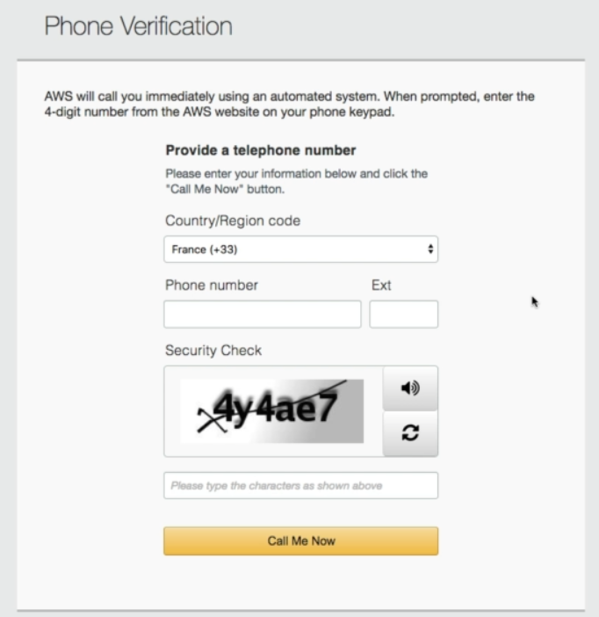

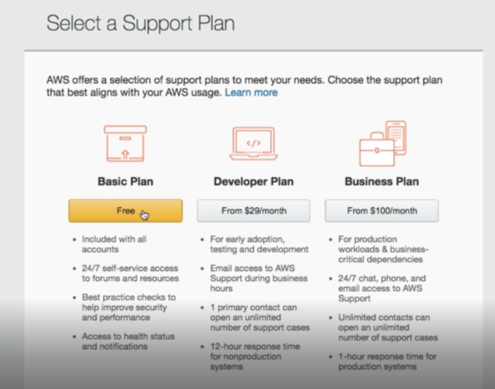

005 AWS Account Activation Troubleshooting
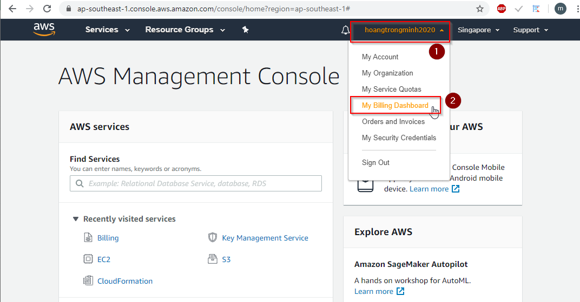
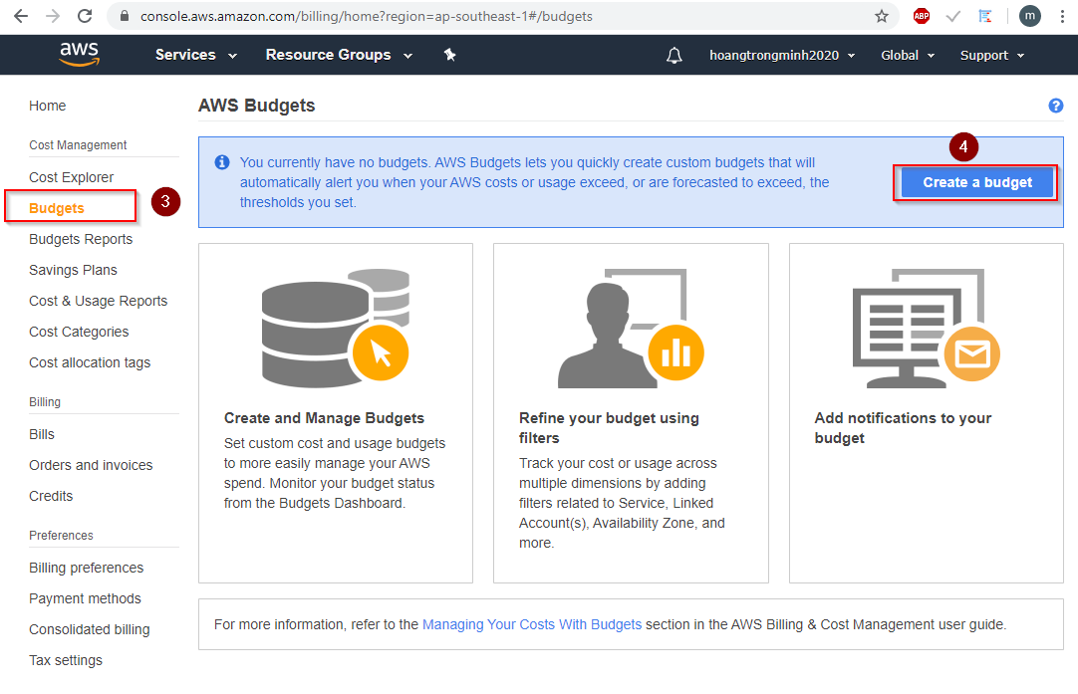

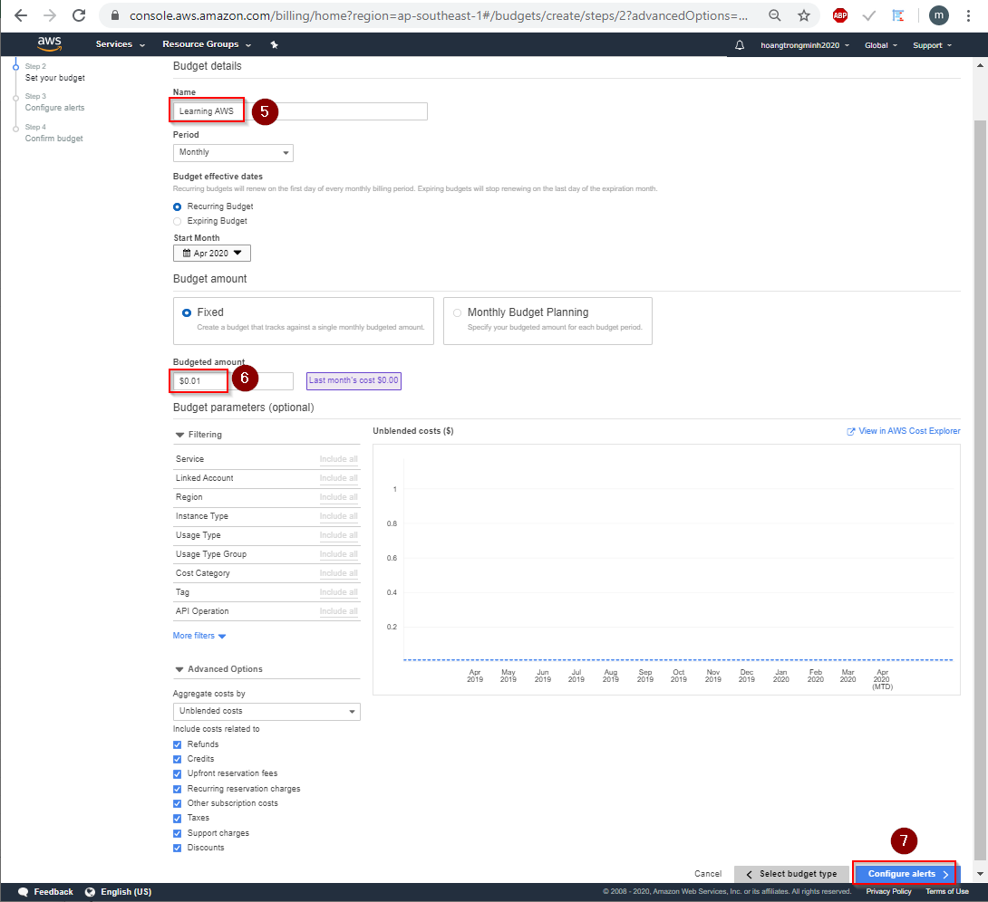

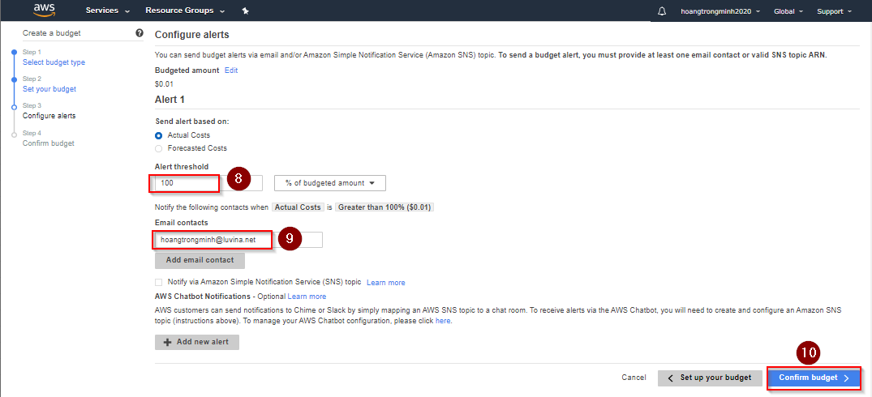

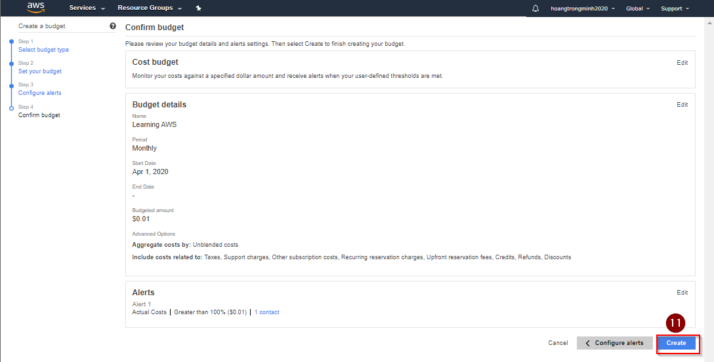
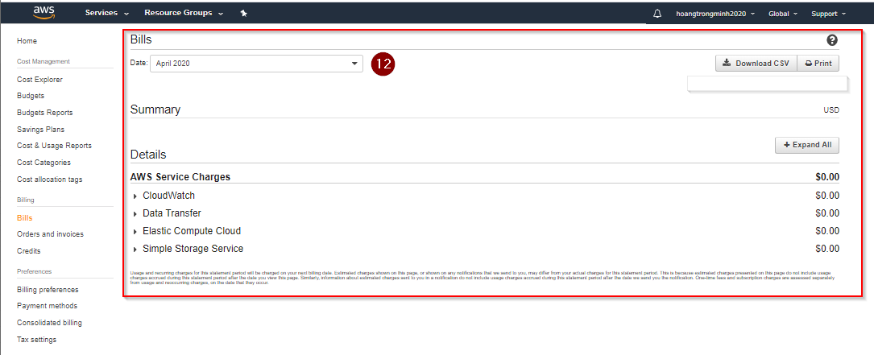

007 Important Message

008 Course Structure Deep Dive

