semester
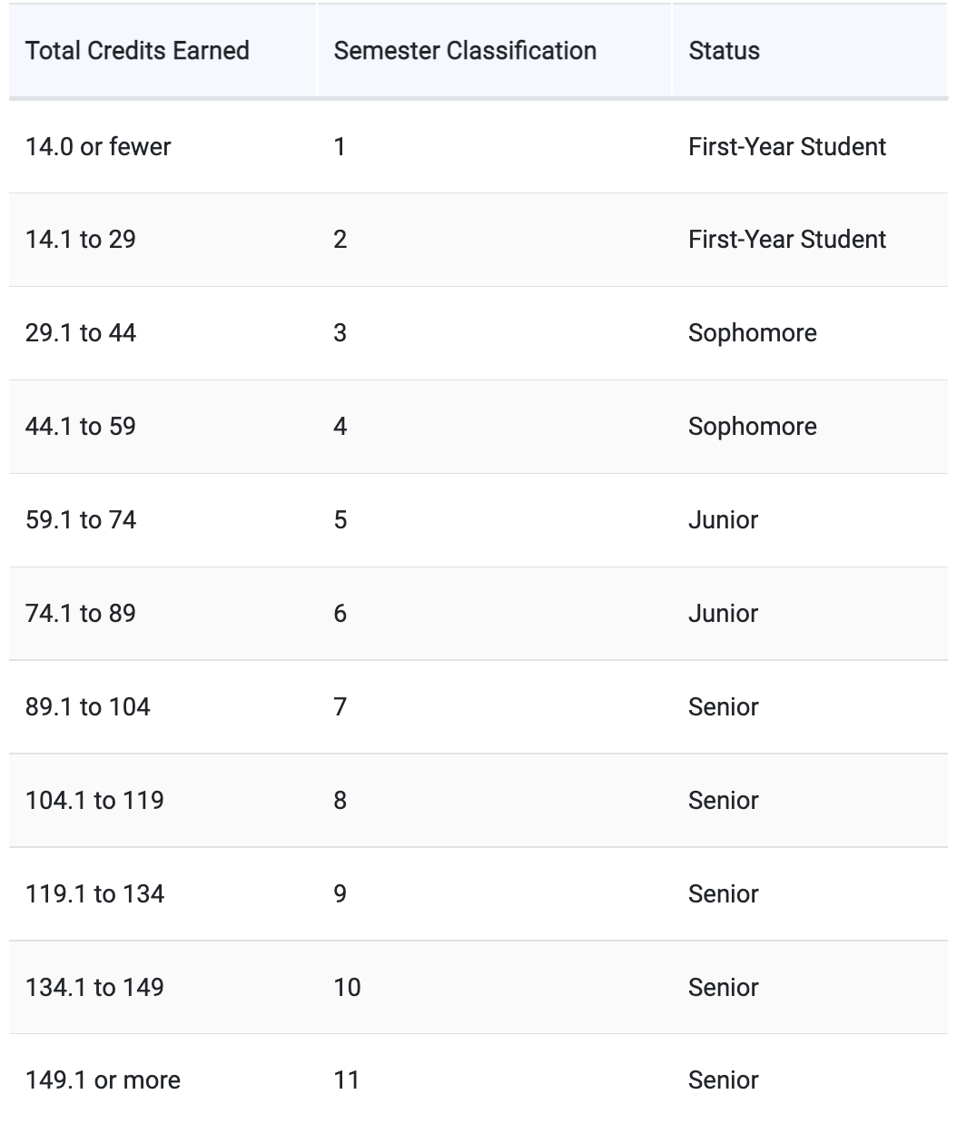
Total credits for CS: 127-129
Currently: 34 credits
After summer: 46


 | Author's Note
 | This is how you can determine your
 | semester clarification. The arrow
 | moves, so you can track where you
 | are.

