Chpt10
FAX CORPORATION
Income Statement
For Year Ended December 31, Year 1
Net sales |  | 960,000.00
Cost of goods sold (excluding depreciation) |  | (550,000.00)
Gross profit |  | 410,000.00
Depreciation expense | 30,000.00
Selling and administrative expenses | 160.00 | (190,000.00)
Income before taxes |  | 220,000.00
Income taxes (state and federal) |  | (105,600.00)
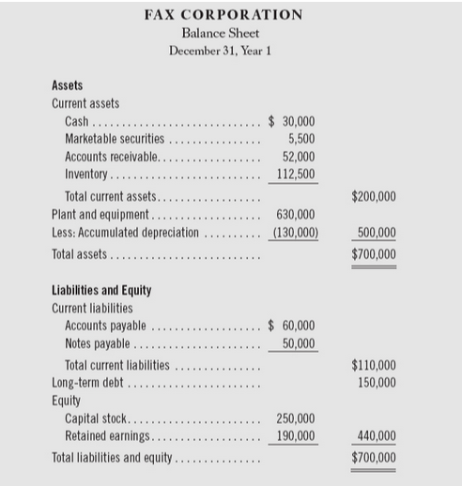
Net income |  | 114,400.00

Sheet1
