Sheet1
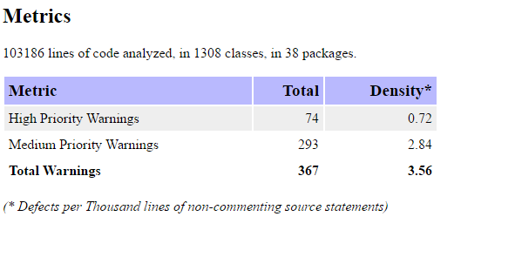
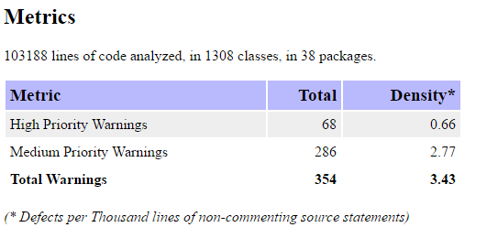
FindBugs
 | Date | Class | Error Code | Description | Notes
 | 2017-05-15 | BaseCostDeciderTest.java | IJU_TEARDOWN_NO_SUPER: TestCase defines setUp that doesn't call super.tearDown() | Class is a JUnit TestCase and implements the tearDown method. The tearDown method should call super.tearDown(), but doesn't.
 | 2017-05-15 | Limit.java | RC_REF_COMPARISON: Suspicious reference comparison | This method compares two reference values using the == or != operator, where the correct way to compare instances of this type is generally with the equals() method. It is possible to create distinct instances that are equal but do not compare as == since they are different objects. Examples of classes which should generally not be compared by reference are java.lang.Integer, java.lang.Float, etc.
 | 2017-05-15 | BuildingTest.java | RCN_REDUNDANT_NULLCHECK_WOULD_HAVE_BEEN_A_NPE: Nullcheck of value previously dereferenced | A value is checked here to see whether it is null, but this value can't be null because it was previously dereferenced and if it were null a null pointer exception would have occurred at the earlier dereference. Essentially, this code and the previous dereference disagree as to whether this value is allowed to be null. Either the check is redundant or the previous dereference is erroneous.
 | 2017-05-15 | Map.java | RCN_REDUNDANT_NULLCHECK_WOULD_HAVE_BEEN_A_NPE: Nullcheck of value previously dereferenced | A value is checked here to see whether it is null, but this value can't be null because it was previously dereferenced and if it were null a null pointer exception would have occurred at the earlier dereference. Essentially, this code and the previous dereference disagree as to whether this value is allowed to be null. Either the check is redundant or the previous dereference is erroneous.
 | 2017-05-15 | SerializationTest.java | DM_DEFAULT_ENCODING: Reliance on default encoding | Found a call to a method which will perform a byte to String (or String to byte) conversion, and will assume that the default platform encoding is suitable. This will cause the application behaviour to vary between platforms. Use an alternative API and specify a charset name or Charset object explicitly. | import java.nio.charset.StandardCharsets. Use getBytes(StandardCharsets.UTF_8) instead of getBytes(). Occurs twice in this class
 | 2017-05-15 | SpecificationTest.java | DM_DEFAULT_ENCODING: Reliance on default encoding | Found a call to a method which will perform a byte to String (or String to byte) conversion, and will assume that the default platform encoding is suitable. This will cause the application behaviour to vary between platforms. Use an alternative API and specify a charset name or Charset object explicitly. | import java.nio.charset.StandardCharsets. Use getBytes(StandardCharsets.UTF_8) instead of getBytes(). Occurs twice in this class
 | 2017-05-15 | UnitTest.java | DM_DEFAULT_ENCODING: Reliance on default encoding | Found a call to a method which will perform a byte to String (or String to byte) conversion, and will assume that the default platform encoding is suitable. This will cause the application behaviour to vary between platforms. Use an alternative API and specify a charset name or Charset object explicitly. | import java.nio.charset.StandardCharsets. Use getBytes(StandardCharsets.UTF_8) instead of getBytes()
 | 2017-05-15 | HighScore.java | BX_BOXING_IMMEDIATELY_UNBOXED_TO_PERFORM_COERCION: Primitive value is boxed then unboxed to perform primitive coercion | A primitive boxed value constructed and then immediately converted into a different primitive type (e.g., new Double(d).intValue()). Just perform direct primitive coercion (e.g., (int) d).
 | 2017-05-15 | ModelMessage.java | SBSC_USE_STRINGBUFFER_CONCATENATION: Method concatenates strings using + in a loop | The method seems to be building a String using concatenation in a loop. In each iteration, the String is converted to a StringBuffer/StringBuilder, appended to, and converted back to a String. This can lead to a cost quadratic in the number of iterations, as the growing string is recopied in each iteration. Better performance can be obtained by using a StringBuffer (or StringBuilder in Java 1.5) explicitly. For example: // This is bad String s = ""; for (int i = 0; i < field.length; ++i) { s = s + field[i]; } // This is better StringBuffer buf = new StringBuffer(); for (int i = 0; i < field.length; ++i) { buf.append(field[i]); } String s = buf.toString();
 | 2017-05-15 | TileImprovement.java | SBSC_USE_STRINGBUFFER_CONCATENATION: Method concatenates strings using + in a loop | The method seems to be building a String using concatenation in a loop. In each iteration, the String is converted to a StringBuffer/StringBuilder, appended to, and converted back to a String. This can lead to a cost quadratic in the number of iterations, as the growing string is recopied in each iteration. Better performance can be obtained by using a StringBuffer (or StringBuilder in Java 1.5) explicitly. For example: // This is bad String s = ""; for (int i = 0; i < field.length; ++i) { s = s + field[i]; } // This is better StringBuffer buf = new StringBuffer(); for (int i = 0; i < field.length; ++i) { buf.append(field[i]); } String s = buf.toString();

 | Before |  | After

