Berea512 visual


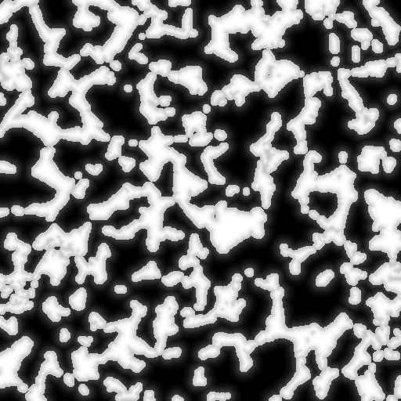

model | TI | DM

Berea128

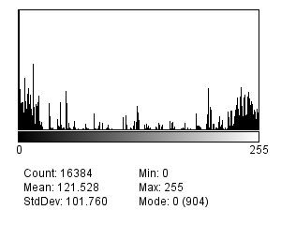
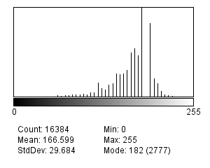

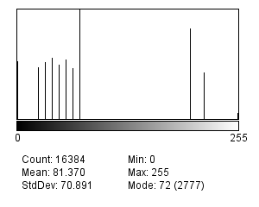
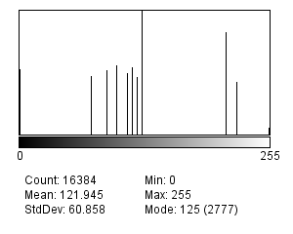
Accumulation of projected distance value distribution
0 | 1 | 6.103515625E-05 | 6.103515625E-05
5 | 1 | 6.103515625E-05 | 0.0001220703125
10 | 1 | 6.103515625E-05 | 0.00018310546875
15 | 3 | 0.00018310546875 | 0.0003662109375
20 | 3 | 0.00018310546875 | 0.00054931640625
26 | 3 | 0.00018310546875 | 0.000732421875
31 | 16 | 0.0009765625 | 0.001708984375
36 | 14 | 0.0008544921875 | 0.0025634765625
41 | 12 | 0.000732421875 | 0.0032958984375
47 | 20 | 0.001220703125 | 0.0045166015625
52 | 20 | 0.001220703125 | 0.0057373046875
57 | 20 | 0.001220703125 | 0.0069580078125
62 | 55 | 0.0033569335938 | 0.010314941406 |  |  |  | 256shrink128_BDMS231P243 |  |  |  | berea128_DM_S182P194 |  | berea128_newDM_S72P200 |  |  | berea128_newDM_S125P211





67 | 40 | 0.00244140625 | 0.012756347656
73 | 52 | 0.003173828125 | 0.015930175781
78 | 55 | 0.0033569335938 | 0.019287109375
83 | 73 | 0.0044555664062 | 0.023742675781
88 | 70 | 0.0042724609375 | 0.028015136719
94 | 77 | 0.0046997070312 | 0.03271484375
99 | 105 | 0.0064086914062 | 0.039123535156
104 | 81 | 0.0049438476562 | 0.044067382812
109 | 137 | 0.0083618164062 | 0.052429199219
114 | 147 | 0.0089721679688 | 0.061401367188
120 | 453 | 0.027648925781 | 0.089050292969 | 57 | TI his57 |  |  | 53 |  |  | 68 |  | 53 |  |  | 55
125 | 281 | 0.017150878906 | 0.10620117188 |  |  |  |  | chen | BDM |  | chen | DM | chen | new remap |  | chen | remap bdm
130 | 231 | 0.014099121094 | 0.12030029297





135 | 383 | 0.023376464844 | 0.14367675781
141 | 420 | 0.025634765625 | 0.16931152344 | 130
146 | 730 | 0.044555664062 | 0.2138671875 |  |  | PAR |  |  |  | discrete |  |  |  |  | d |  |  | d
151 | 705 | 0.043029785156 | 0.25689697266 | 146 |  |  |  |  |  | 50
156 | 728 | 0.04443359375 | 0.30133056641
161 | 832 | 0.05078125 | 0.35211181641 | 156
167 | 1367 | 0.083435058594 | 0.435546875 | 167
172 | 1518 | 0.092651367188 | 0.52819824219 | 172
177 | 1297 | 0.079162597656 | 0.60736083984 | 177

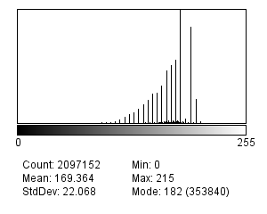
182 | 2777 | 0.16949462891 | 0.77685546875 | 182
194 | 2293 | 0.13995361328 | 0.91680908203 | 194 | 256shrink128 his49

200 | 585 | 0.035705566406 | 0.95251464844
205 | 413 | 0.025207519531 | 0.97772216797 |  |  |  |  |  |  | no discrete
210 | 193 | 0.011779785156 | 0.98950195312 | 205 |  |  |  |  |  | 47 |  |  |  |  | nond
215 | 70 | 0.0042724609375 | 0.99377441406
220 | 45 | 0.0027465820312 | 0.99652099609
226 | 24 | 0.00146484375 | 0.99798583984
231 | 15 | 0.00091552734375 | 0.99890136719
236 | 7 | 0.00042724609375 | 0.99932861328
241 | 5 | 0.00030517578125 | 0.99963378906
247 | 2 | 0.0001220703125 | 0.99975585938
252 | 2 | 0.0001220703125 | 0.99987792969
255 | 2 | 0.0001220703125 | 1 | 236
 | 16384

PCAdim
PCA ratio | No PCA | 0.99 | 0.95 |  |  |  |  |  |  |  |  |  |  |  |  |  |  |  |  |  |  |  |  |  | 
Dimension | 36 | 12 | 5
search time (factor) | 22.9 | 4.2 | 1
 |  |  |  | berea128_DM_S182P194 |  |  | his57 | denoise58 |  |  | 256shrink128_BDMS231P243 |  |  | his49 | denoise50 |  |  |  | berea128_newDM_S72P200 |  |  | his57 |  |  | binary | his57
 |  |  |  | PCA ratio | 0.9999 | 0.99 | 0.95 |  |  |  | PCA ratio | 0.9999 | 0.99 | 0.95 |  |  |  |  | PCA ratio | 0.9999 | 0.99 | 0.95
 |  |  |  | b | 36 | 12 | 5 |  |  |  | b | 35 | 18 | 8 |  |  |  |  | b | 36 | 32 | 19
 |  |  |  | m | 62 | 29 | 16 |  |  |  | m | 63 | 42 | 25 |  |  |  |  | m | 64 | 49 | 29
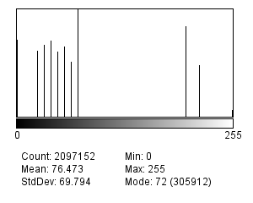

 |  |  |  | s | 63 | 47 | 32 |  |  |  | s | 64 | 50 | 43 |  |  |  |  | s | 64 | 50 | 41
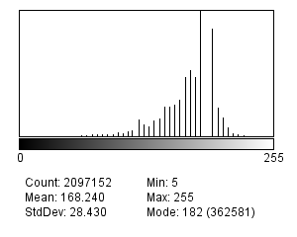
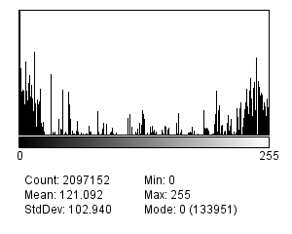
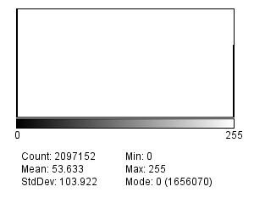
 |  |  |  |  |  |  |  |  | multiple | denoised |  |  |  |  |  | multiple | denoised |  |  |  |  |  | multiple | denoised
 |  |  |  |  |  |  |  |  | 61 | 65 |  |  |  |  |  | 52 | 55 |  |  |  |  |  | 52 | 54
 |  |  |  |  |  |  |  |  | 61 | 65
 |  |  |  |  |  |  |  |  | 61 | 65


 |  |  |  |  |  |  |  |  | 61 | 65



 |  |  |  | PCA0K9E0 |  | his61 | denoise65 |  |  |  | PCA0K9E0 |  | his52 | denoise55 |  |  |  | PCA0K9E0 |  | his52 | denoise54
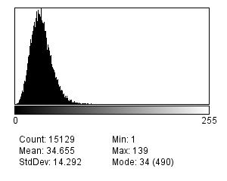
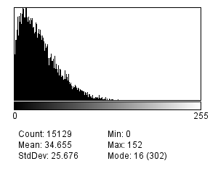
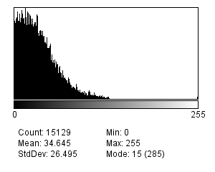
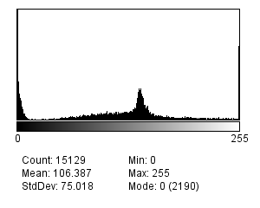


 |  |  |  | IndexHis | croped | 123*123 |  | mode=128/4=32 |  |  | IndexHis |  |  |  |  |  |  | IndexHis |  |  |  | 128*64*64/123/123 |  | 34.654504594 | IndexHis
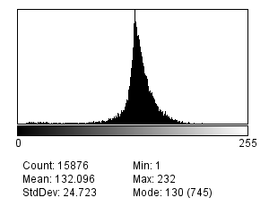
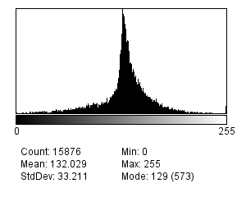
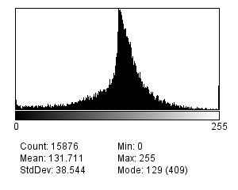
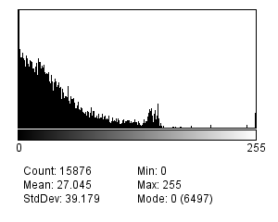

 |  |  |  | PosHis | croped | 126*126 |  |  |  |  | PosHis |  |  |  |  |  |  | PosHis |  |  |  | 128*128*128/126/126 |  | 132 | PosHis

PCA2



berea128_DM_S182P194 |  |  | his57 | denoise58 |  | 256shrink128_BDMS231P243 |  |  | his49 | denoise50 | berea128_newDM_S72P200 |  |  | his57 | binary | his57
PCA ratio | 1 | 0.99 | 0.95 |  |  | PCA ratio | 1 | 0.99 | 0.95 |  | PCA ratio | 1 | 0.99 | 0.95
b | 49 | 16 | 6 |  |  | b |  |  |  |  | b
m | 49 | 27 | 13 |  |  | m |  |  |  |  | m
s | 81 | 65 | 46 |  |  | s |  |  |  |  | s
 |  |  |  |  | TI |  |  |  |  | PCA99 |  |  | PCA95


PCA ratio | No PCA | 0.99 | 0.95
Dimension | 36 | 12 | 5
search time (factor) | 22.9 | 4.2 | 1

 |  |  |  |  | thresholded

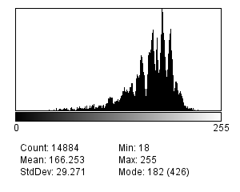
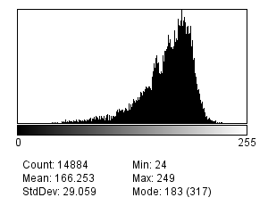

 |  |  |  |  | threshoded

Histogram


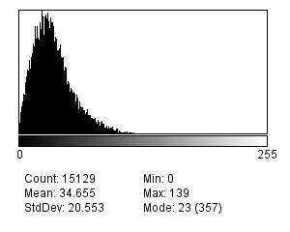
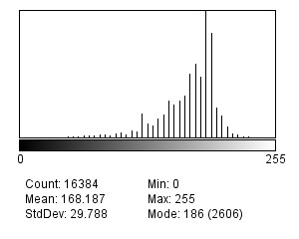
128 | Berea128_S186P192 | TI | 256
IndexHis |  |  | IndexHis


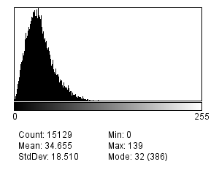

Chen |  | PAR
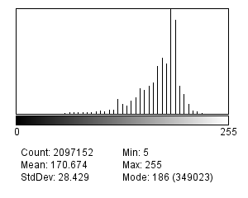

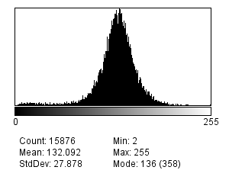

 |  | Chen
PosHis | merged


Chen

CrossScale_256
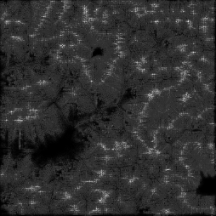
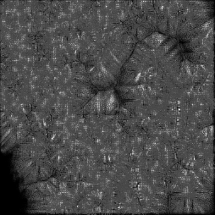
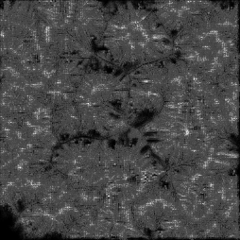

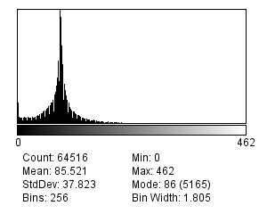
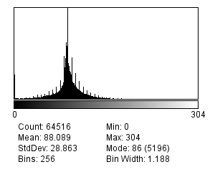
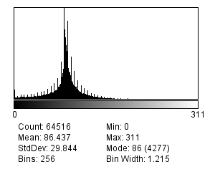
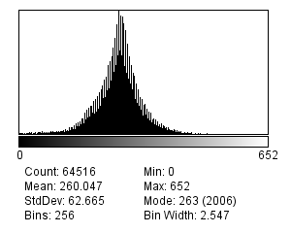
YZ | 3TI his=50.5 | ZX | CT his=52.0 | XY



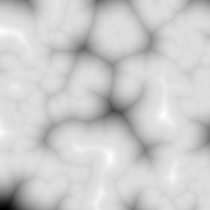
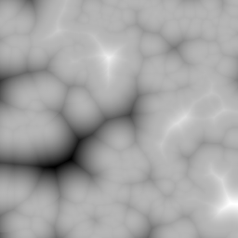


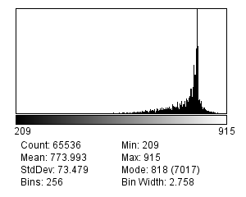
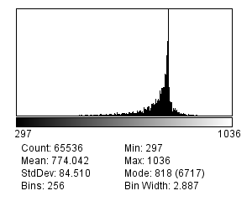
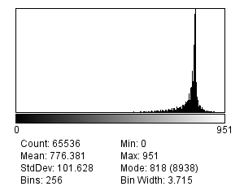

IndexHis |  |  |  |  | mergedIndexHis





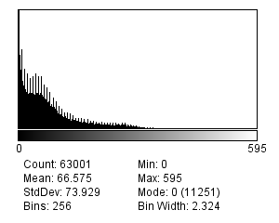
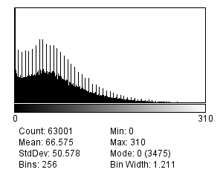
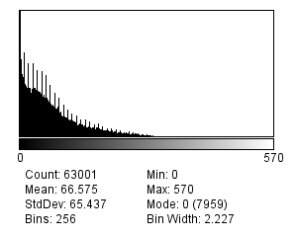
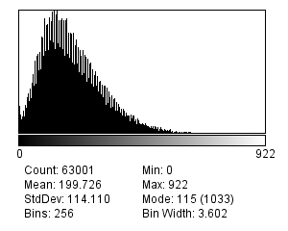

PosHis |  |  |  |  | mergedPosHis

