January
Republic of the Philippines
NATIONAL TELECOMMUNICATIONS COMMISSION
Regional Office No. IX, Cabatangan, Zamboanga City

Annex B
SUMMARY RESULTS OF SURVEY
For the month of January 2025

BROADCAST SERVICE
CRITERIA | ORIENT CABLE |  | GSAT |  | DREAM |  | CIGNAL
 | YES | NO | YES | NO | YES | NO | YES | NO
1. Reception/Signal Satisfaction
2. Fairness & Reasonability of Service Rate
3. Satisfaction on Service Providers Response
to inquiries/Complaints

TELECOMMUNICATIONS SERVICE
CRITERIA | SMART |  | GLOBE
 | YES | NO | YES | NO
1. Reception/Signal Satisfaction | 10 |  | 8
2. Fairness & Reasonability of Service Rate | 10 |  | 8
3. Satisfaction on Service Providers Response | 10 |  | 8
to inquiries/Complaints

INTERNET SERVICE PROVIDERS
CRITERIA | PLDT |  | GLOBELINES |  | CRUZTELCO
 | YES | NO | YES | NO | YES | NO
1. Quality of Service Satisfaction | 9 |  | 1
2. Fairness & Reasonability of Service Rate | 9 |  | 1
3. Satisfaction on Service Providers Response | 9 |  | 1
to inquiries/Complaints

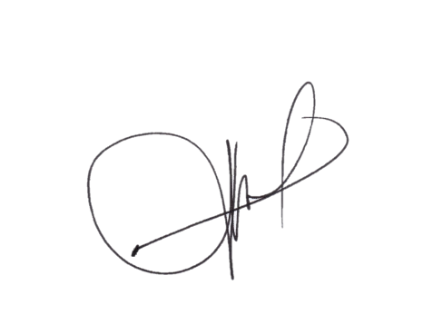

Date: ________________________

Prepared by: |  | Approve by:

LEO S. DELA PEÑA |  |  | JAYSERINE L. ANDALING
Administrative Aide VI |  | Engineer-I

