12units 0.8GHz
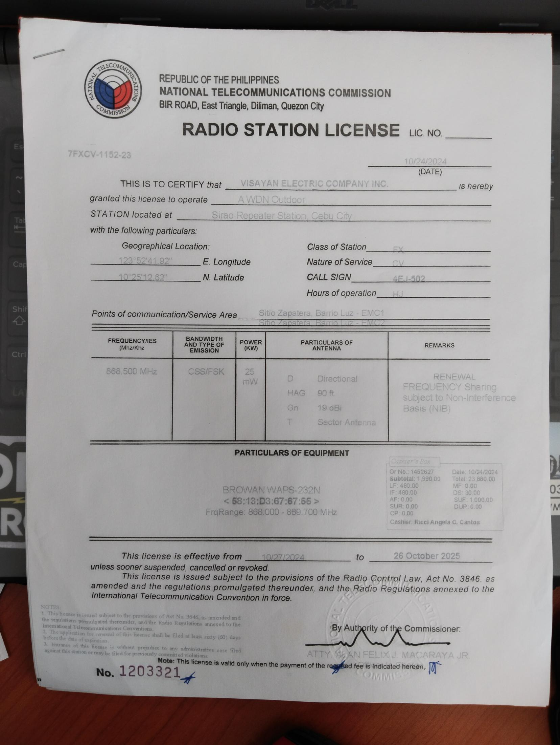
Total Count: 12 | NTC License Document Number | Location | E. Longitude | N. Latitude | NTC License Type/Class | Call Sign | License Validity / Expiry | Status | Equipment | Serial/MAC | Remarks
1 | 7FXCV-1152-23 | Sirao Repeater Station, Cebu City | 123-52-41.92 | 10-25-12.62 | FX(SST) | 4EJ-502 | 2025-10-26 | For cheque request | BROWAN WAPS-232N | 5813D3676755 | 868.500 MHz
2 | 7FXCV-1153-23 | Busay Repeater Station, Cebu City | 123-52-5.63 | 10-21-56.33 | FX(SST) | 4EJ-503 | 2025-10-26 | For cheque request | BROWAN WAPS-232N | 5813D34D939E | 868.500 MHz
3 | 7FXCV-1154-23 | Pardo Substation, N. Bacalso Ave., Cebu City | 123-50-51.33 | 10-16-20.17 | FX(SST) | 4EJ-504 | 2025-10-26 | For cheque request | BROWAN WAPS-232N | 5113D36766F2 | 868.500 MHz
4 | 7FXCV-1155-23 | IMA Substation, Quiot Pardo, Cebu City | 123-51-19.63 | 10-17-14.91 | FX(SST) | 4EJ-505 | 2025-10-26 | For cheque request | BROWAN WAPS-232N | 5813D367673A | 868.500 MHz
5 | 7FXCV-1156-23 | Camputhaw Substation, Cebu City | 123-53-54.92 | 10-19-4.04 | FX(SST) | 4EJ-506 | 2025-10-26 | For cheque request | BROWAN WAPS-232N | 5813D3676754 | 868.500 MHz
6 | 7FXCV-1157-23 | Ayala Substation, Cebu City | 123-54-23.13 | 10-19-15.29 | FX(SST) | 4EJ-507 | 2025-10-26 | For cheque request | BROWAN WAPS-232N | 5813D36767B6 | 868.500 MHz
7 | 7FXCV-1158-23 | Mabolo Substation, Cebu City | 123-55-20.11 | 10-18-50.75 | FX(SST) | 4EJ-508 | 2025-10-26 | For cheque request | BROWAN WAPS-232N | 5813D367674B | 868.500 MHz
8 | 7FXCV-1159-23 | Lorega Substation, Lorega-San Miguel, Cebu City | 123-54-20.82 | 10-18-33.26 | FX(SST) | 4EJ-509 | 2025-10-26 | For cheque request | BROWAN WAPS-232N | 5813D36767AE | 868.500 MHz
9 | 7FXCV-1160-23 | Calamba Substation, Cebu City | 123-53-9.66 | 10-18-24.65 | FX(SST) | 4EJ-510 | 2025-10-26 | For cheque request | BROWAN WAPS-232N | 5813D367670D | 868.500 MHz
10 | 7FXCV-1161-23 | DGG Substation, Ermita, Cebu City | 123-53-50.07 | 10-17-26.88 | FX(SST) | 4EJ-511 | 2025-10-26 | For cheque request | BROWAN WAPS-232N | 5813D34C8B94 | 868.500 MHz
11 | 7FXCV-1162-23 | South Hills Repeater Station, Cebu City | 123.86074 | 10.30838 | FX(SST) | 4EJ-512 | 2025-10-26 | For cheque request | BROWAN WAPS-232N | 5813D36767B3 | 868.500 MHz
12 | 7FXCV-1163-23 | VECO Banilad Office, Banilad, Cebu City | 123-54-54.13 | 10-20-17.98 | FX(SST) | 4EJ-513 | 2025-10-26 | For cheque request | BROWAN WAPS-232N | 5813D34D937B | 868.500 MHz

