OrderApp
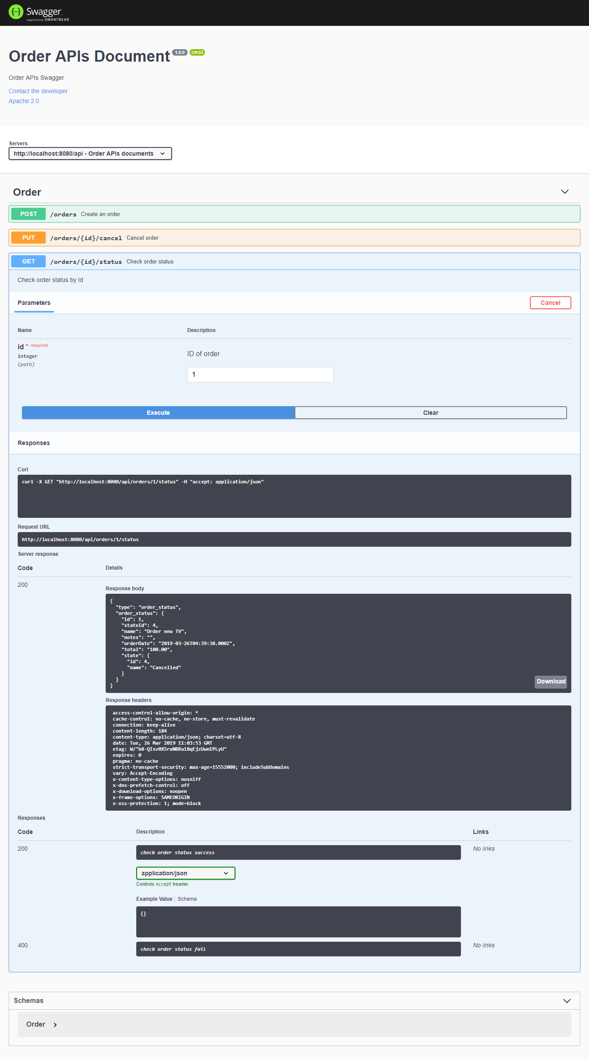
ORDER APPLICATION

I. Enviroment
 | Node Version: 10.x
 | MySql: 8.x
 | Gulp: 2.0.1
 | Framework: ExpressJS, Sequelize, CQRS (please refer to: order_app\doc\backend_framework_cqrs.ppt)

II. Build Project
 | Open order app project
 | Run command: npm install

III. Build DB
 | Create database name "order_db"
 | Build tables and dummy data by GULP
 |  | Open DB folder: quantic\order_app\deploy\db
 |  | Run command line
 |  | gulp (to build tables (order, state))
 |  | gulp data (to build master data for table state)

IV. Run project
 | Open order app project
 | node app.js
 | API Url: http://localhost:8080

V. Test API
 | http://localhost:8080/api-docs/
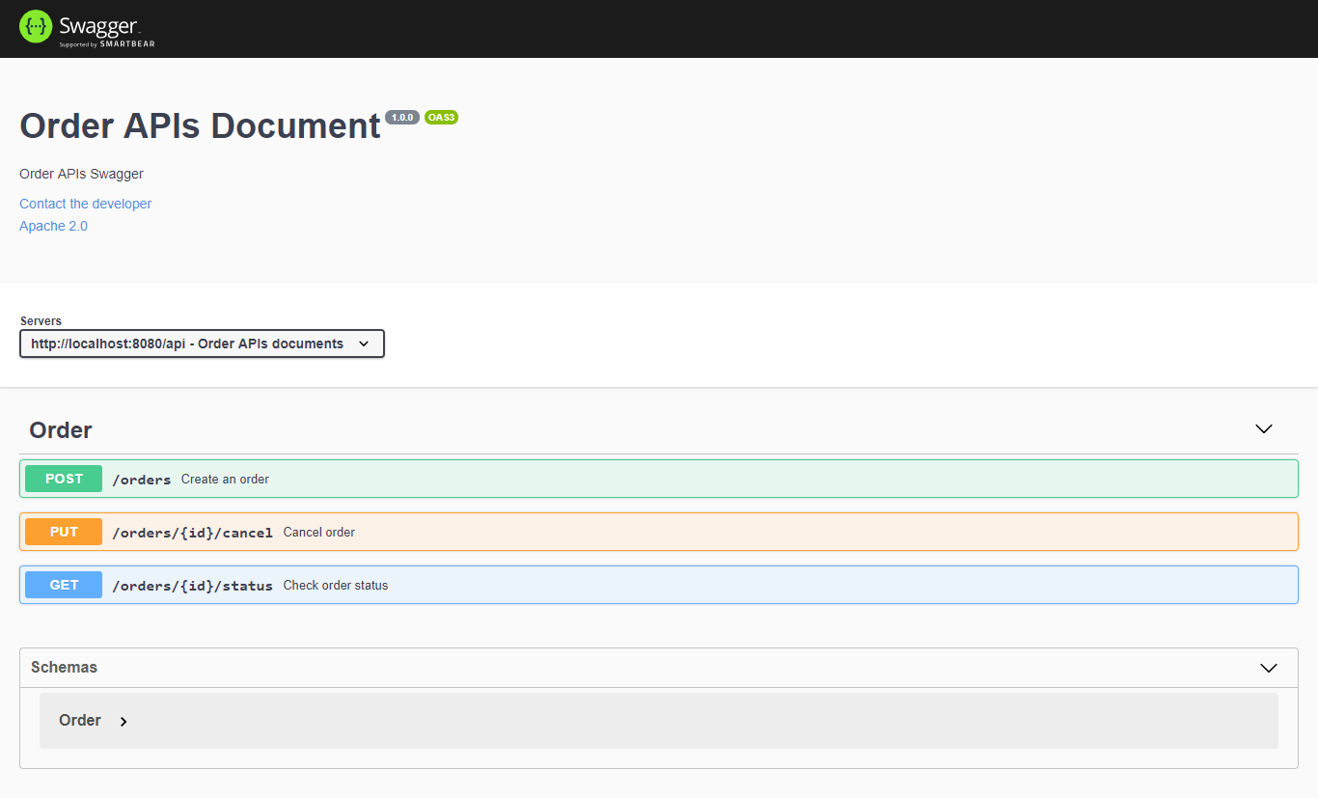

VI. Test Result
 | 1. API create an order
 | POST http://localhost:8080/api/orders
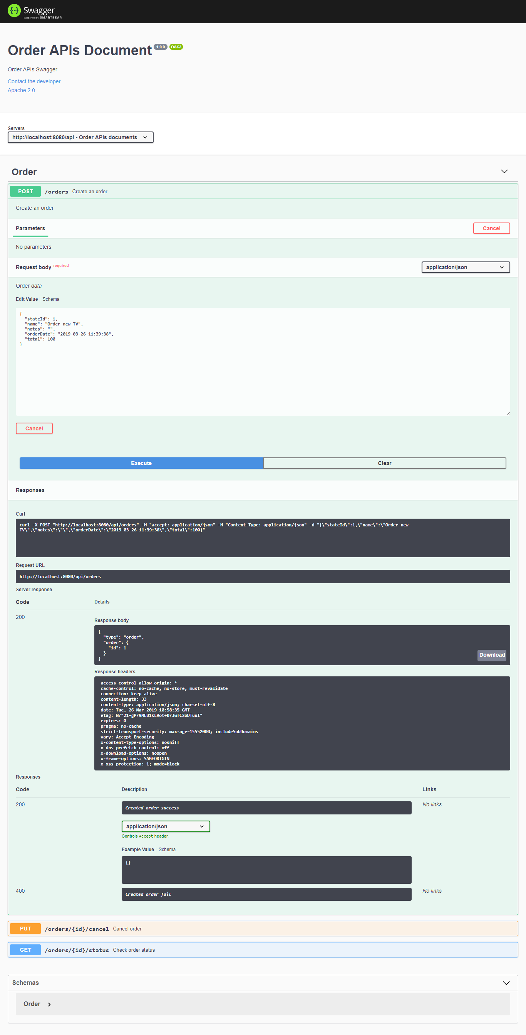

 | 2. API cancel an order
 | PUT: http://localhost:8080/api/orders/1/cancel
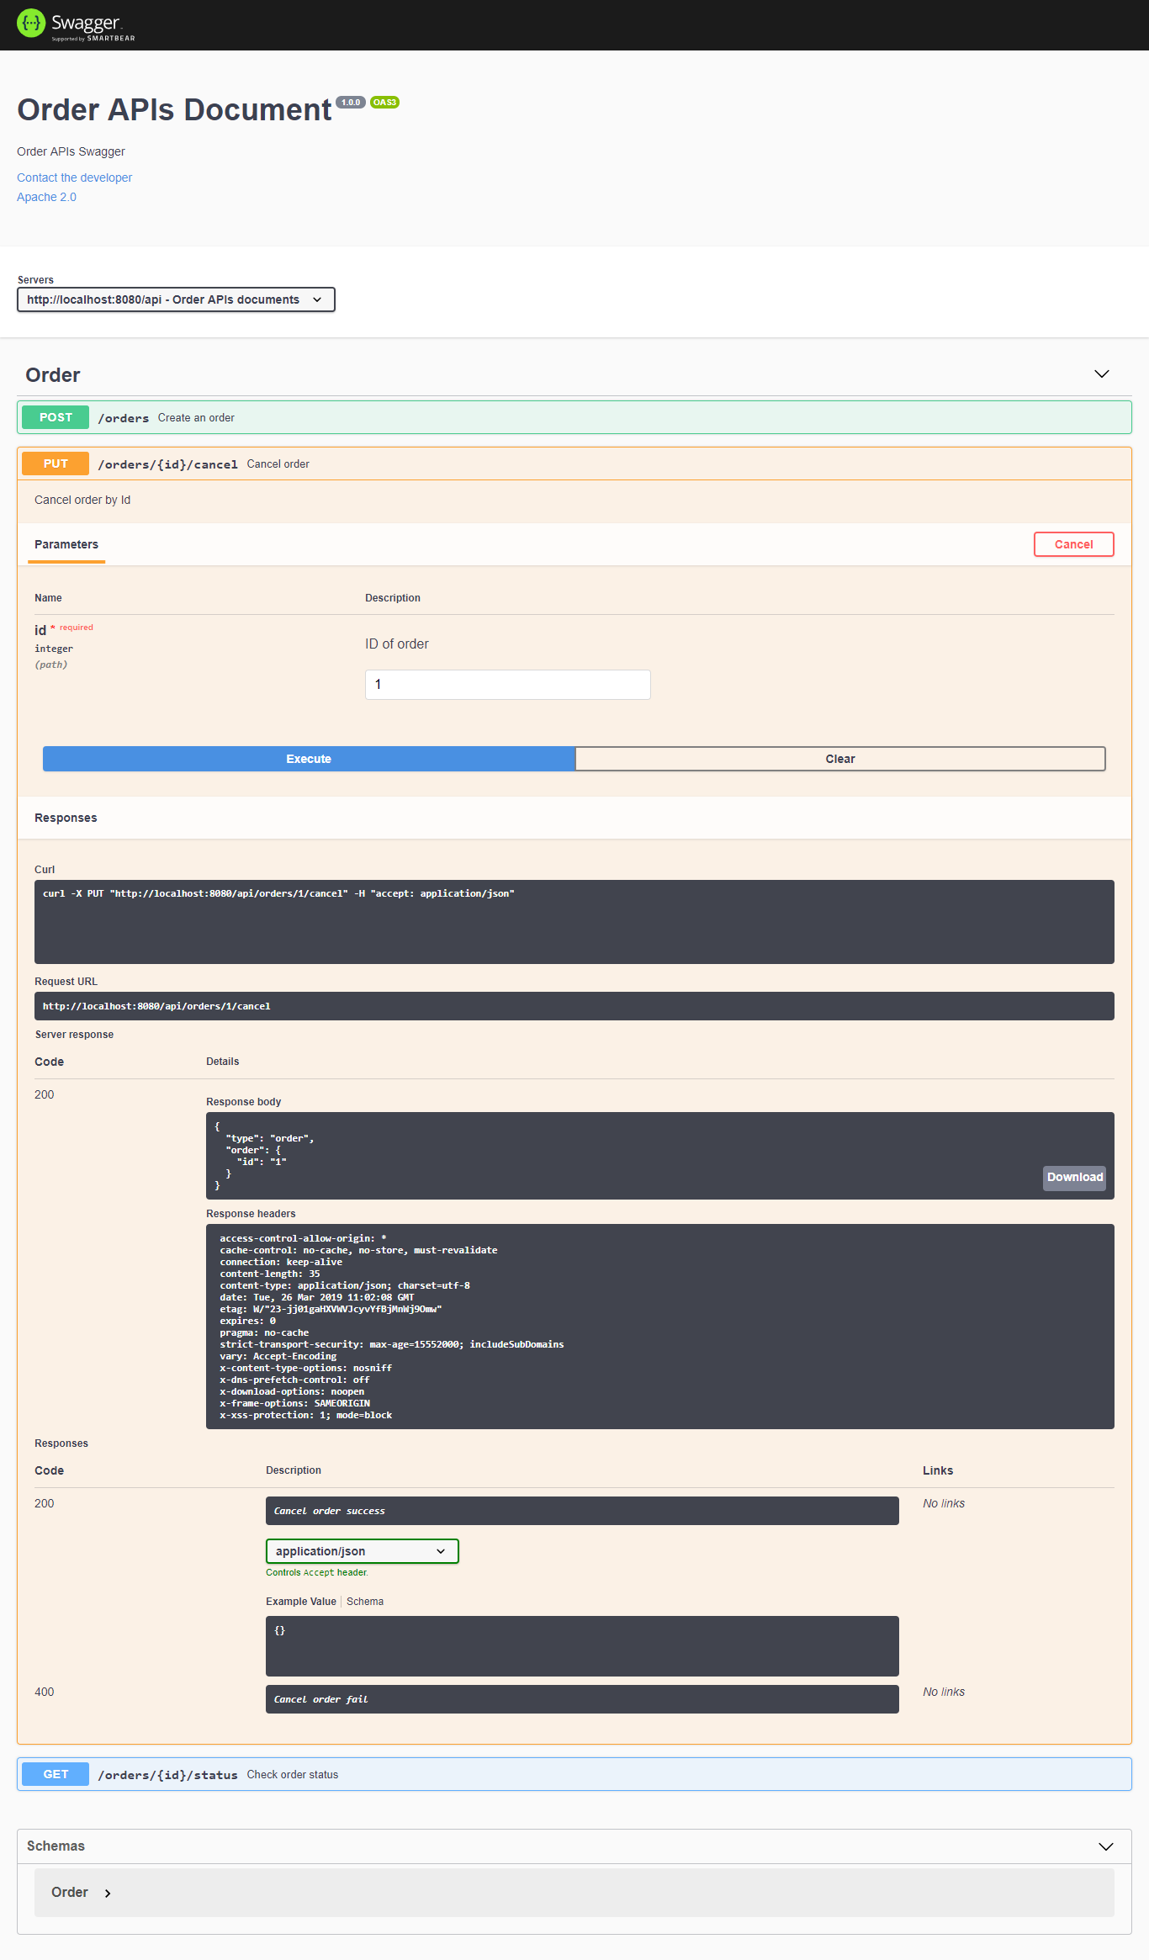

 | 3. API check state order
 | GET: http://localhost:8080/api/orders/1/status

