Màu
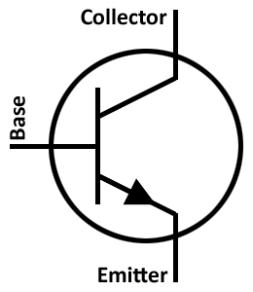
+V5
+V12
GND
R
G
B

Nguồn
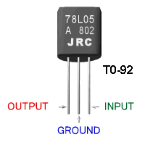

Transitor-C1815
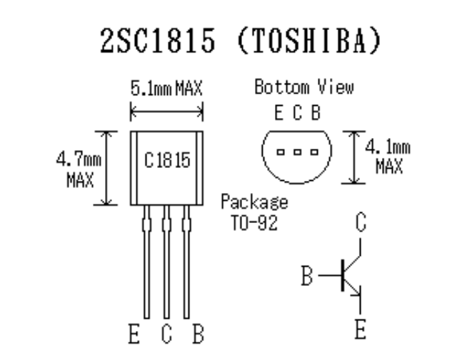

Ic = 150mm

Transitor-BC817
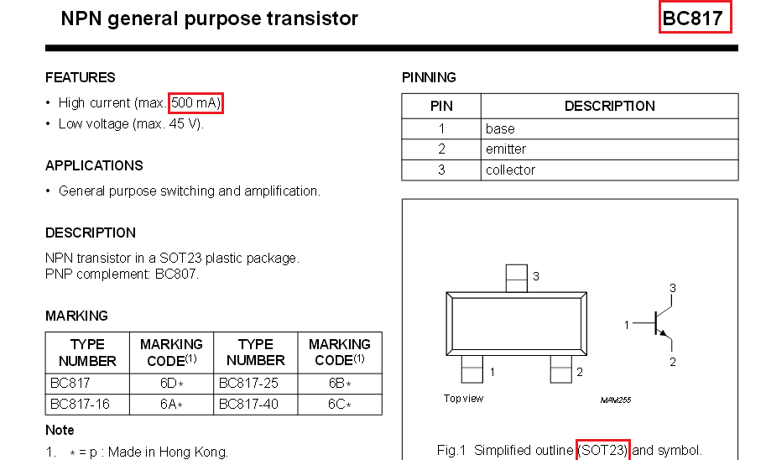

http://pdf1.alldatasheet.com/datasheet-pdf/view/16109/PHILIPS/BC817.html

Led RGB
