Màu
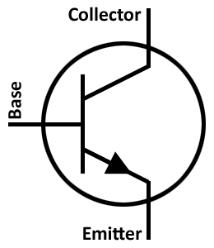
+V5
+V12
GND
R
G
B

Nguồn
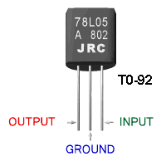

Transitor-C1815
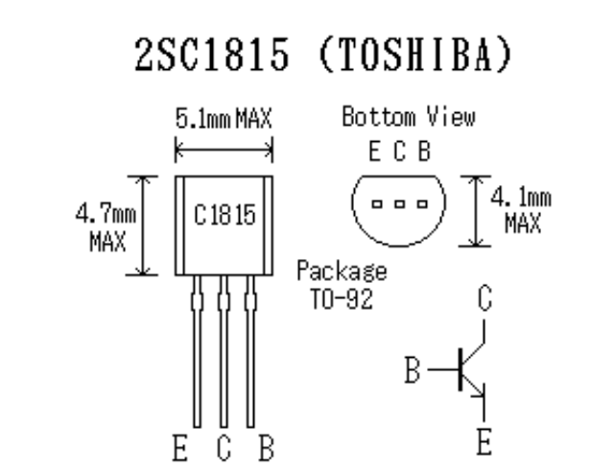

Ic = 150mm

NPN SMD S9014 100mA
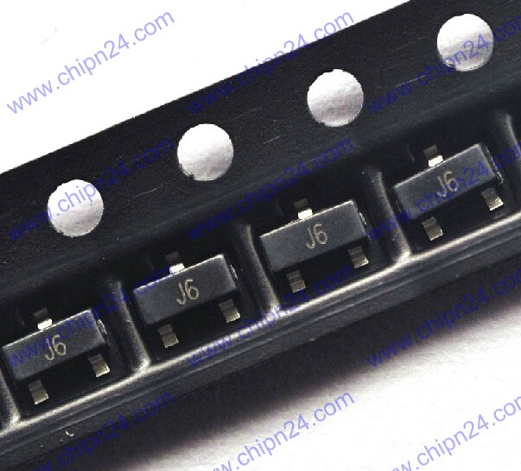
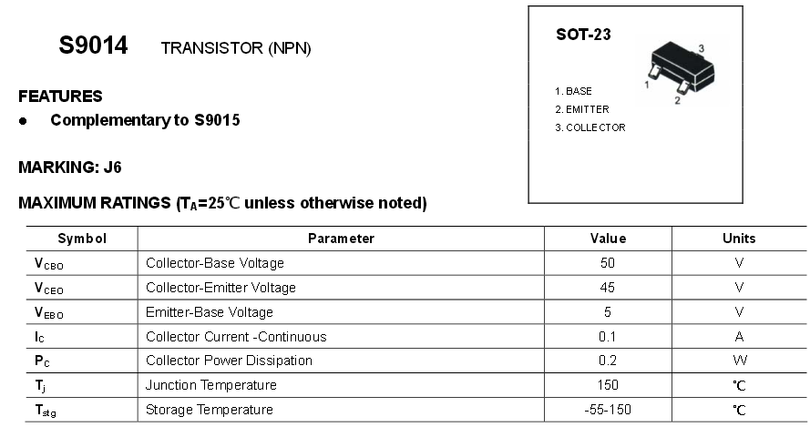

S9014 NPN 45V 100MA SOT-23 SMD
http://www.chipn24.com

NPN SMD C1815 150mA
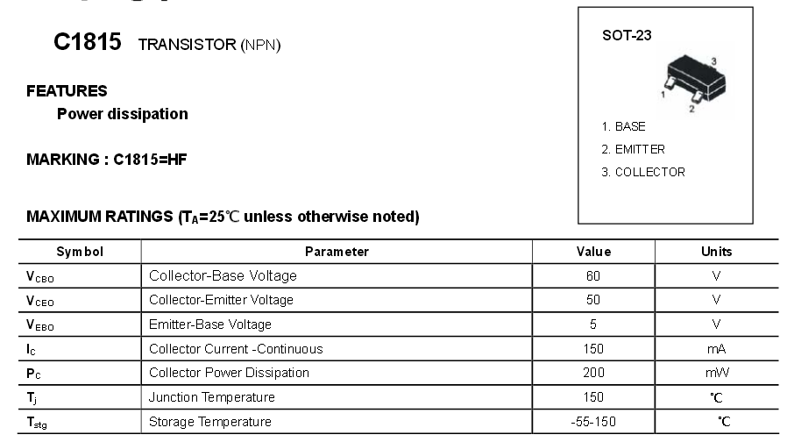
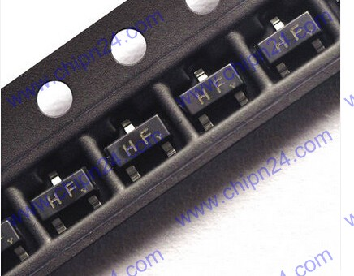

 | C1815 SOT23 SMD 2SC1815 HF
 | NPN

http://www.chipn24.com

NPN SMD 2N3904 200mA
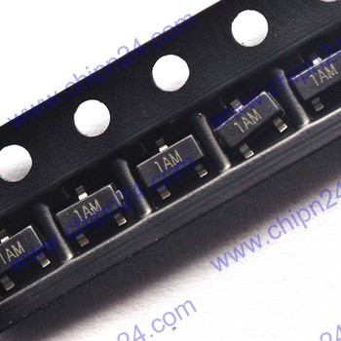
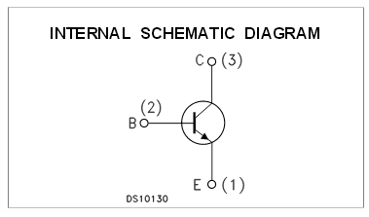
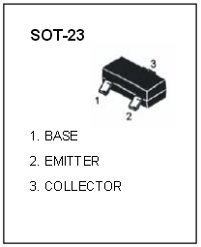

 | NPN | Ic=200mA
 | SOT23

http://www.chipn24.com

NPN SMD S9013 500mA
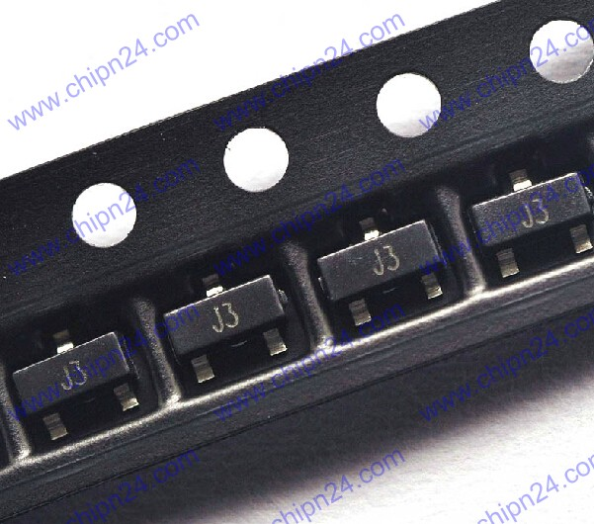

S9013 NPN 20V 500MA SOT-23 SMD

http://www.chipn24.com

NPN SMD MMBT2222A 1A
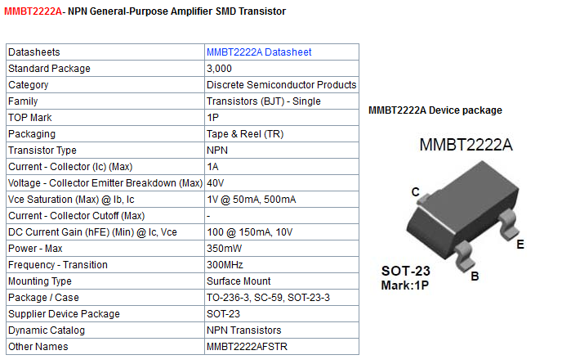

http://www.tme.vn/Product.aspx?id=642#page=pro_info

NPN SMD D882 3A
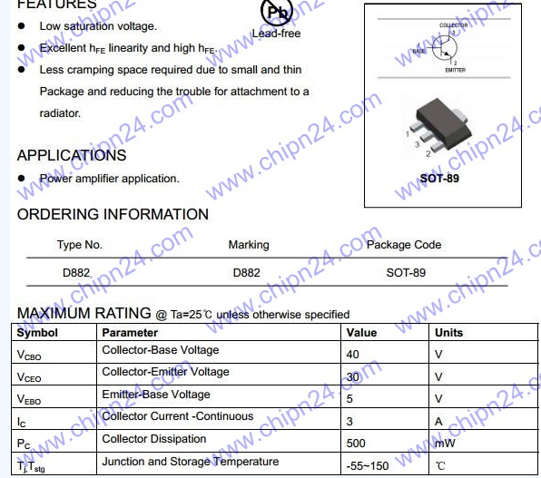
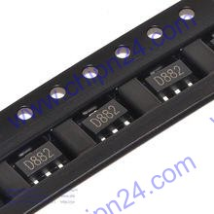

 | D882 SOT89 3A 40V NPN

http://www.chipn24.com/ct/chi-tiet/877/transistor-dan-d882-sot89-3a-40v-npn.html |  | 1000d
http://banlinhkien.vn/goods-1869-d882-2sd882-npn-3a-to252-smd.html |  | 1500d

PNP SMD Ạ1015 150mA
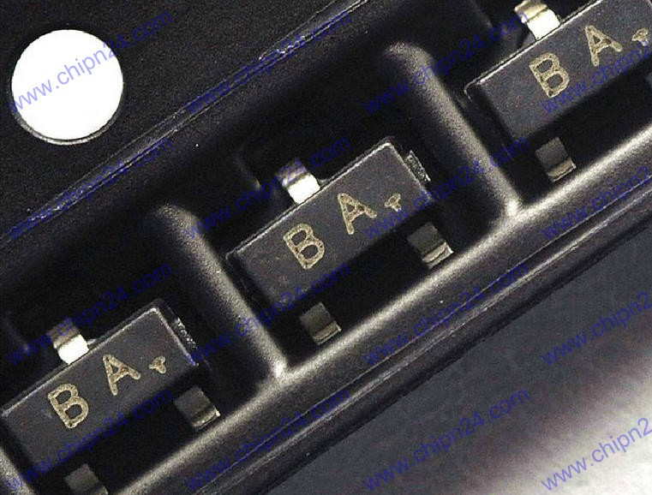
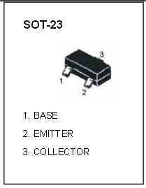

A1015 SOT23 SMD 2SA1015 BA

2SA1015 50V 150mA
PNP SMD Transistor (No Pb, GP- Green Part)
SOT-23 Package
Tương thích với C1815

http://www.chipn24.com

PNP SMP 2N3906 200mA
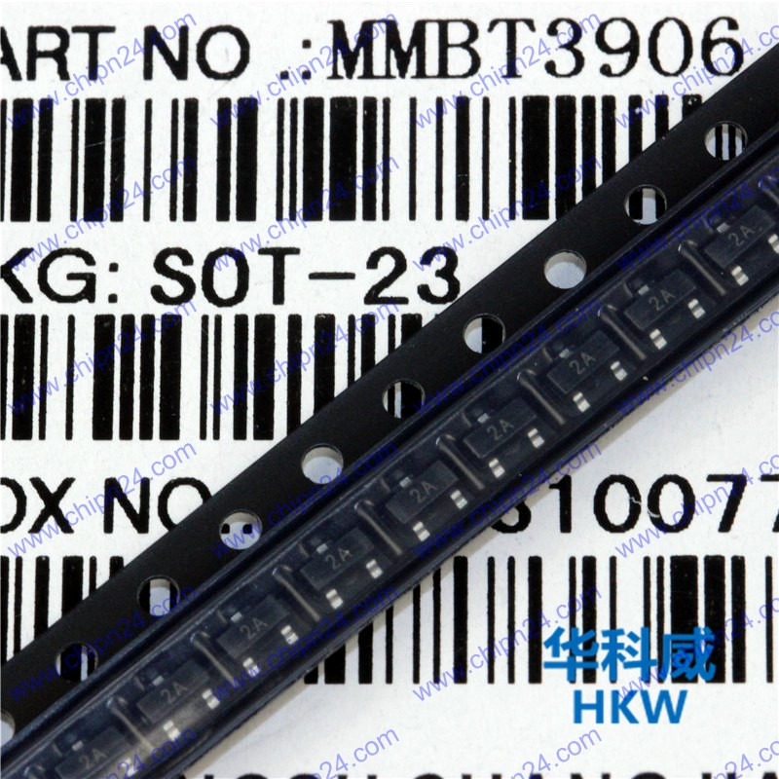

2N3906 MMBT3906 PNP SOT23 (200mA) SMD

http://www.chipn24.com

AMS1117 1A
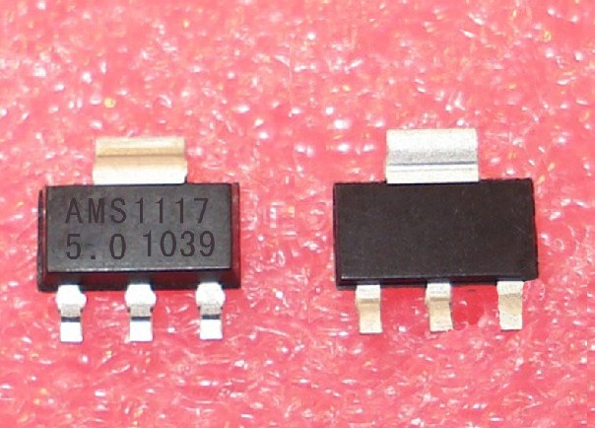

Led RGB
