Architecture
Wireless controller
Controller

Manual open/close

Close stop on/off

Open stop on/off
Motor Direction

Rain sensor
Motor on/off
Mode

FD
MCU

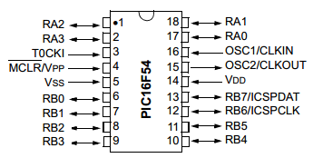
Rain sensor on/off
Motor direction open/close
Close stop on/off
Motor on/off

Open stop on/off
D0 Manual open/close
D1 Mode
VT

