Sheet1
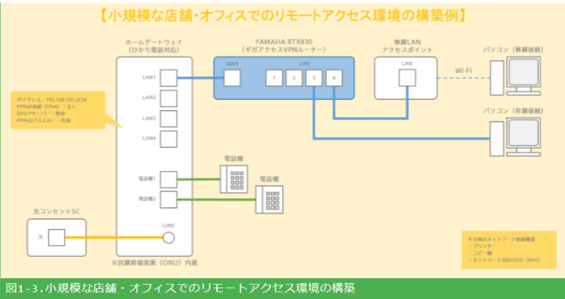
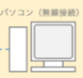
IP: 192.168.0.6
NM: 255.255.255.0
GW: 192.168.0.1

LAN IP: 192.168.101.2
tplink wifi router

无线连接
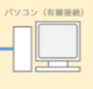
IP: 192.168.0.7
NM: 255.255.255.0
GW: 192.168.0.1
LAN IP: 192.168.101.1
LAN IP: 192.168.0.1

WAN IP: 192.168.101.3
NM: 255.255.255.0
GW: 192.168.101.1

tplink wifi router 路由表
子网 GW 设备端口
192.168.0.0/24 192.168.0.1 lan
192.168.101.0/24 192.168.101.1 wan
0.0.0.0/0 192.168.101.1 wan

WAN IP: 网络提供商IP
应该不需要

HUB
默认从wan到lan是通的，
从lan到wan即使在rtx830 路由表中加上网关也不通
（ping 192.168.101.3不通）为什么？
因为tplink路由器功能限制，还是tplink路由器设置ip filter
192.168.0.0/24 192.168.101.3 lan
rtx830 路由表
子网 GW 设备端口
192.168.101.0/24 192.168.101.1 lan
0.0.0.0/0 ppp-1 wan

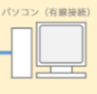

IP: 192.168.101.5
NM: 255.255.255.0
GW: 192.168.101.1
IP: 192.168.101.6
NM: 255.255.255.0
GW: 192.168.101.1

