important
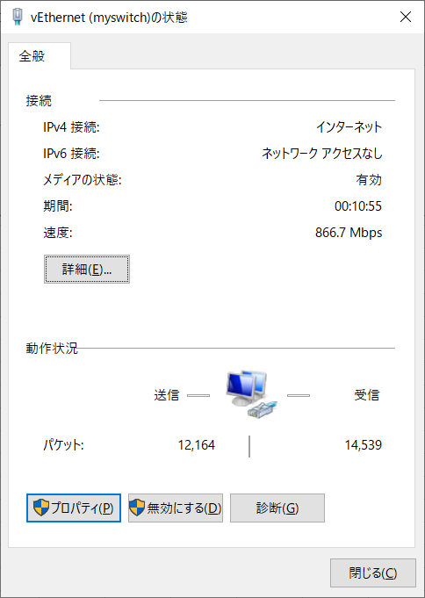
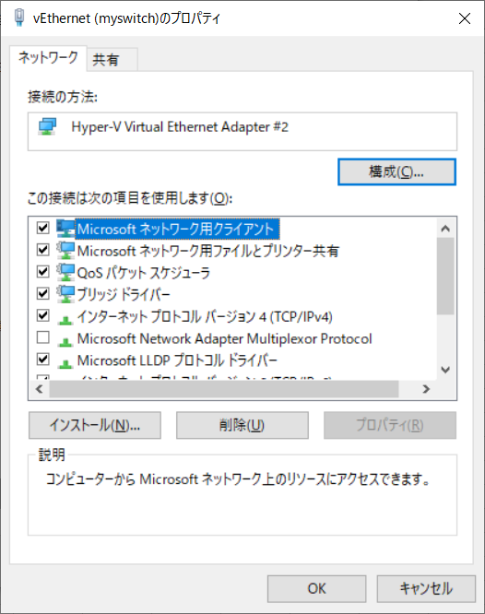
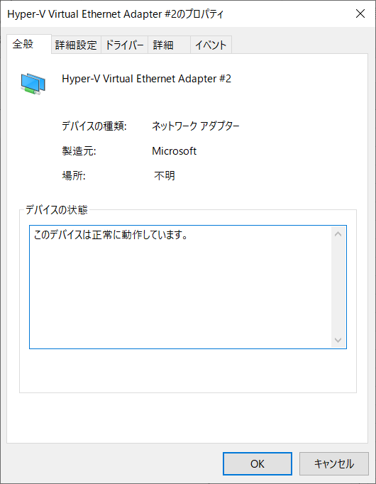
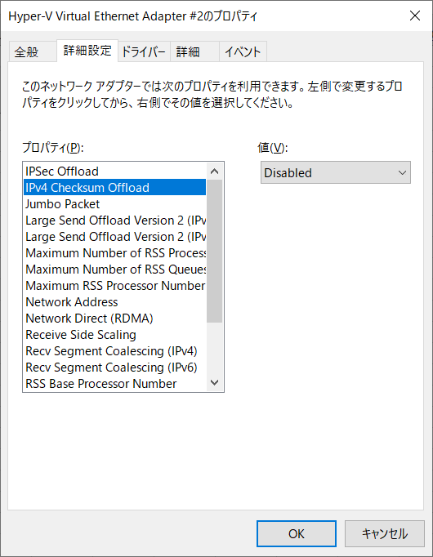
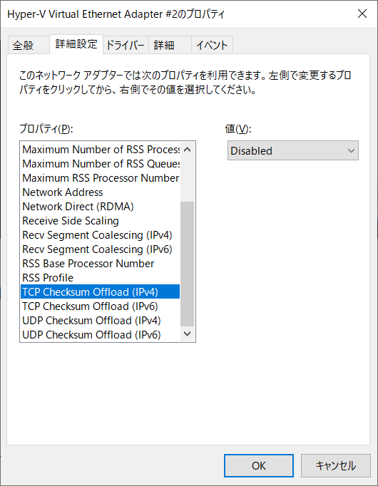
会社環境（proxyある、wifiしかない）でdocker swarm環境を構成 |  |  | docker-machineを新規作成する時、--engine-envでPROXY用の環境変数を設定すべき（パスワードに\,@,$などの特殊文字がないように設定してください）

 | 1.仮想スイッチを新規作成（外部ネットワークを使う） | ※IPv4が必要ので、外部ネットワークしか使えない（内部ネットワークはIPv6）

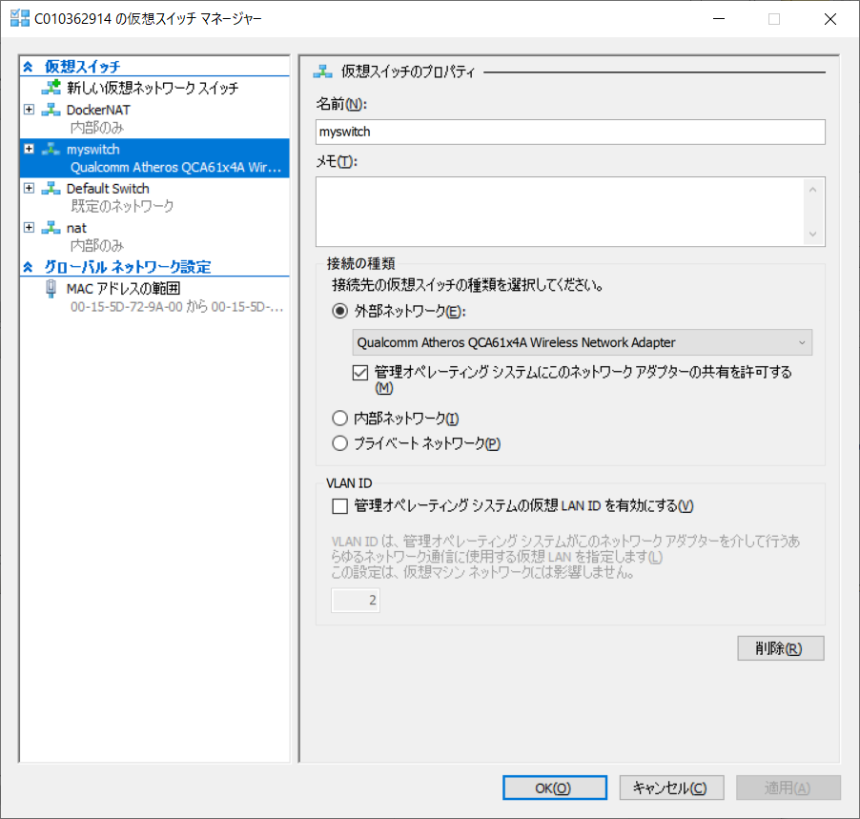

 | 2.上記ステップ1.により自動的にブリッジを適応したので、ネットは遅くなる
 | ネット速度を改善するため、checksumをdisable

 | コントロール パネル\すべてのコントロール パネル項目\ネットワーク接続

DCATest⇒
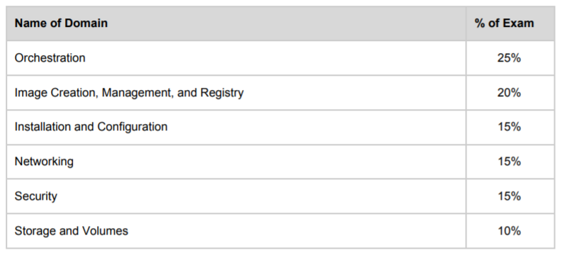

勉強スケジュール

7月 |  |  |  | 8月 |  |  |  | 9月 |  |  |  | 10月 |  |  |  | 11月 |  |  |  | 12月
第1週 | 第2週 | 第3週 | 第4週 | 第1週 | 第2週 | 第3週 | 第4週 | 第1週 | 第2週 | 第3週 | 第4週 | 第1週 | 第2週 | 第3週 | 第4週 | 第1週 | 第2週 | 第3週 | 第4週 | 第1週 | 第2週 | 第3週 | 第4週
 | Orchestration
 |  |  |  | Image Creation, Management, and Registry
 |  |  |  |  |  |  | Installation and Configuration
 |  |  |  |  |  |  |  |  |  | Networking
 |  |  |  |  |  |  |  |  |  |  |  |  | Security
 |  |  |  |  |  |  |  |  |  |  |  |  |  |  | Storage and Volumes
 |  |  |  |  |  |  |  |  |  |  |  |  |  |  |  |  | Practice&Question
 |  |  |  |  |  |  |  |  |  |  |  |  |  |  |  |  |  |  |  |  |  | 受験

10
Mount volumes
 | Docker has two options for containers to store files in the host machine, so that the files are persisted even after the container stops
 | 1.volumes
 | 2.bind mounts
 | 3.1 tmpfs mount(linux only)
 | 3.2 named pipe(windows only)

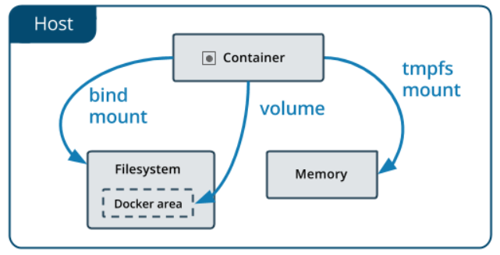

 | 1.volumes
 |  | stored in a part of the host filesystem |  |  |  | read-write or read-only
 |  | created and managed by Docker
 |  | Non-Docker processes should not modify this part of the filesystem
 |  | best way to persist data in Docker
 |  | can be mounted into multiple containers simultaneously
 |  | is not removed automatically
 |  | bind-mount a file or directory that does not yet exist on the Docker host, It is always created as a directory
 |  | good use cases:
 |  |  | 1.sharing data among multiple containers
 |  |  | 2.host is not guaranteed to have a given directory or file structure
 |  |  | 3.store your container’s data on a remote host
 |  |  | 4. back up, restore, or migrate data from one docker host to another(back up and copy volume’s directory)
 |  |  | 5.volumes work on both Linux and Windows containers

 | 2.bind mounts
 |  | may be stored anywhere on the host system（パス指定できるので、安全性は低いが、hostとコンテナの共用性は高い）
 |  | Non-Docker processes on the Docker host or a Docker container can modify them at any time
 |  | when you use a bind mount, a file or directory on the host machine is mounted into a container
 |  | the file or directory does not need to exist on the Docker host already. It is created on demand if it does not yet exist
 |  | bind-mount a file or directory that does not yet exist on the Docker host, Docker does not automatically create it for you, but generates an error
 |  | good use cases:
 |  |  | 1.sharing configuration files from the host machine to containers(パス指定できるので)
 |  |  | 2.sharing source code or build artifacts between a development environment on the Docker host and a container
 |  |  | ※each time you build the maven project on the Docker host, the container gets access to the rebuilt artifacts
 |  |  | 3.host is guaranteed to have a given directory or file structure

 |  | configure bind propagation（bind転送）
 |  |  | ※It is only configurable for bind mounts, and only on Linux host machines.
 |  |  | if you mount a same directory twice(original and replica), this option determines whether it is shared files together when you create a new file or directory
 |  |  | Propagation setting | create in original | create in replica
 |  |  | 1.shared: | exposed to replica | exposed to original
 |  |  | 2.slave: | exposed to replica | not exposed to original
 |  |  | 3.private: | not exposed to replica | not exposed to original
 |  |  | 4.rshared: | same as shared include nested file or directory
 |  |  | 5.rslave: | same as slave include nested file or directory
 |  |  | 6.rprivate:default | same as private include nested file or directory

 | 3.1 tmpfs mount(linux only)
 |  | stored in the host system’s memory only，never written to the host system’s filesystem
 |  | store non-persistent state or sensitive information
 |  | can not share between containers
 |  | good use cases:
 |  |  | 1.security reason
 |  |  | 2.protect performance(write a large data)

 | 3.2 named pipe(windows only)
 |  | can be used for communication between the Docker host and a container
 |  | common use case is to run a third-party tool inside of a container and connect to the Docker Engine API using a named pipe
 |  | good use cases:

