agent install別紙
CloudWatchAgentPolicy

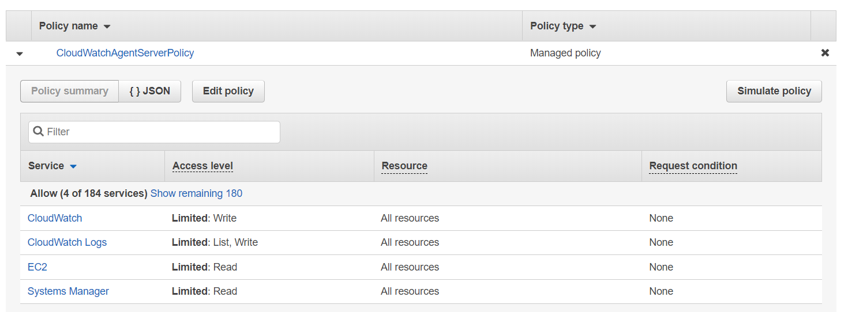

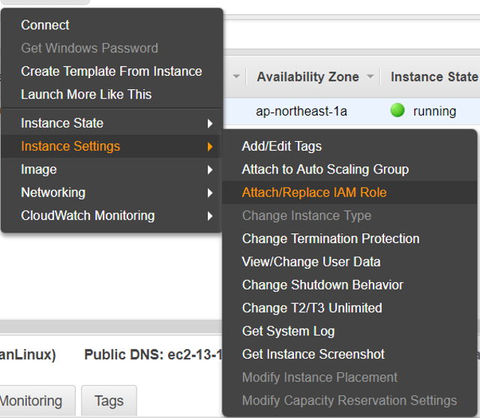

Custom Metrics

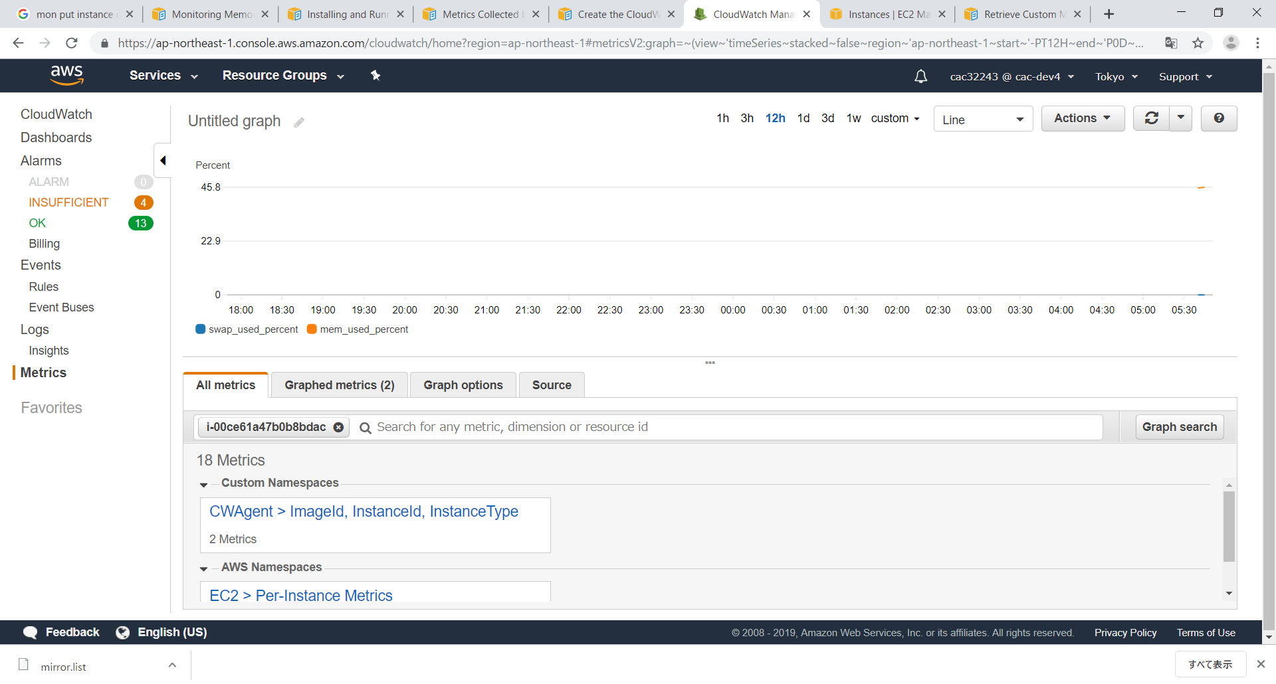

instance IDで検索

Windows
1 | CloudWatch エージェントをダウンロード
 | https://s3.amazonaws.com/amazoncloudwatch-agent/windows/amd64/latest/amazon-cloudwatch-agent.msi

2 | cmd（またはPowershell）でパッケージがあるディレクトリに移動し、以下を入力します。
 | msiexec /i amazon-cloudwatch-agent.msi
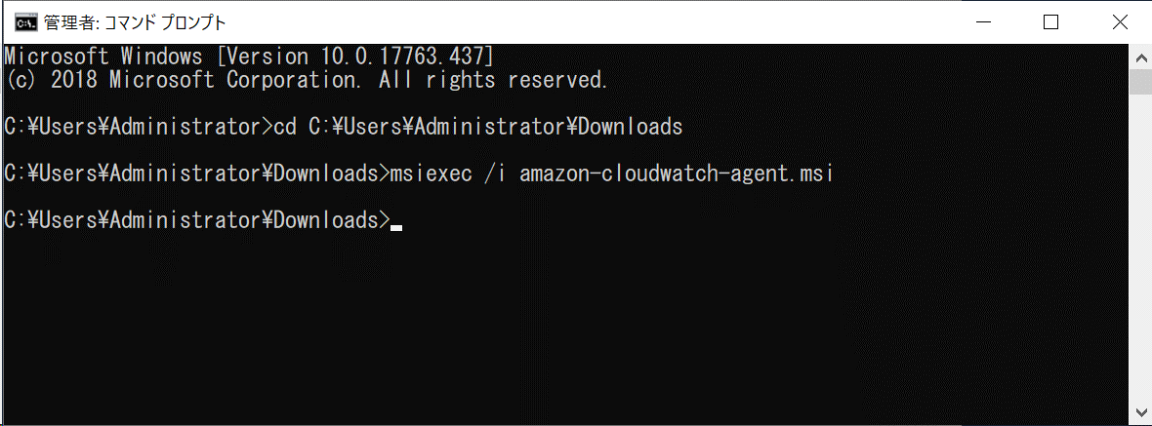

3 | CloudWatchAgent用のroleをec2にattach

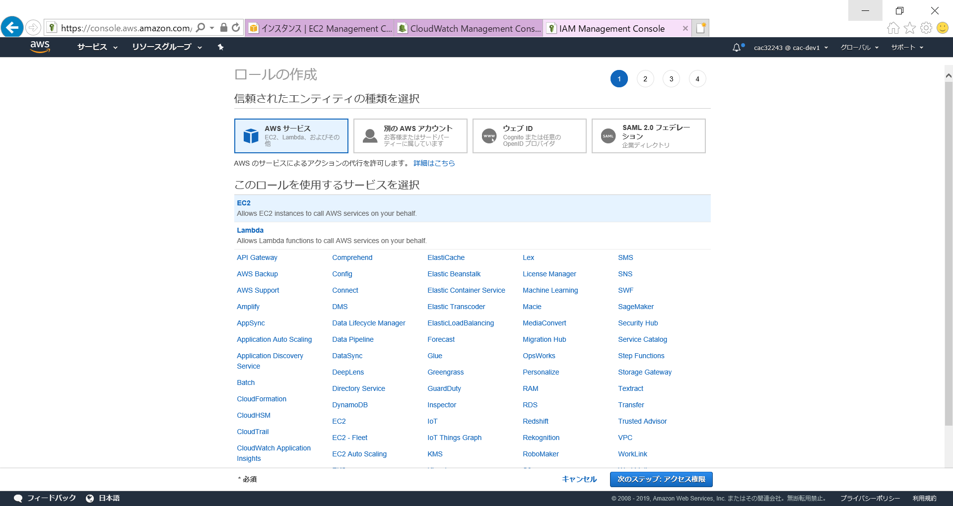

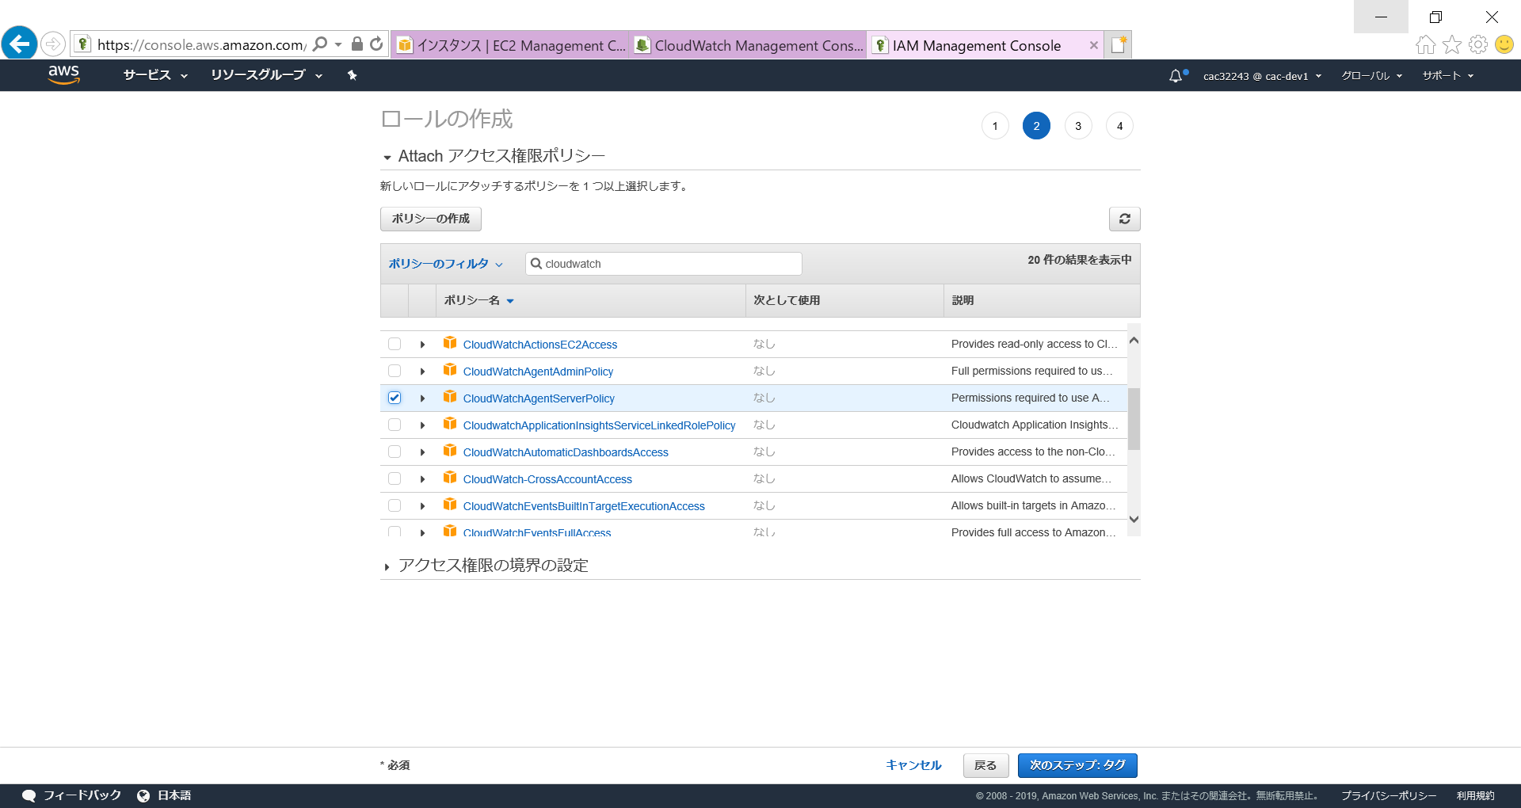

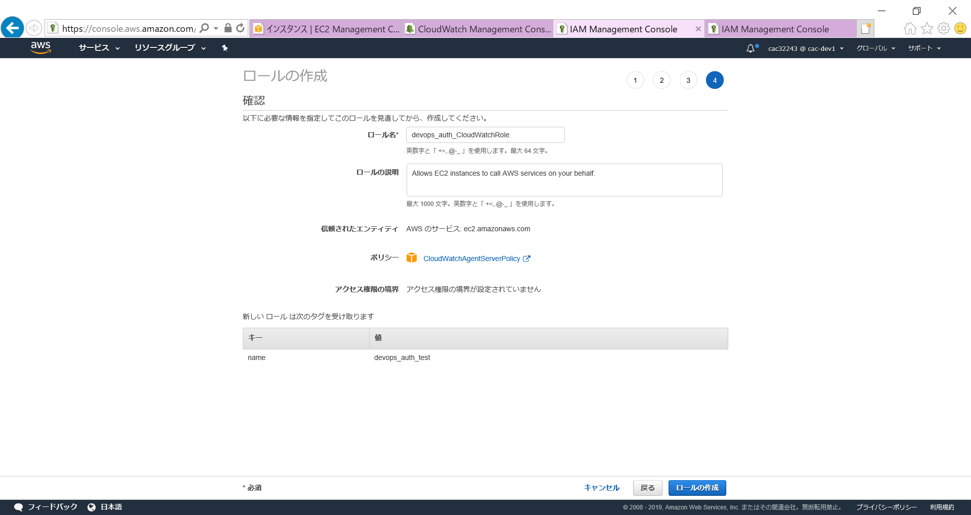

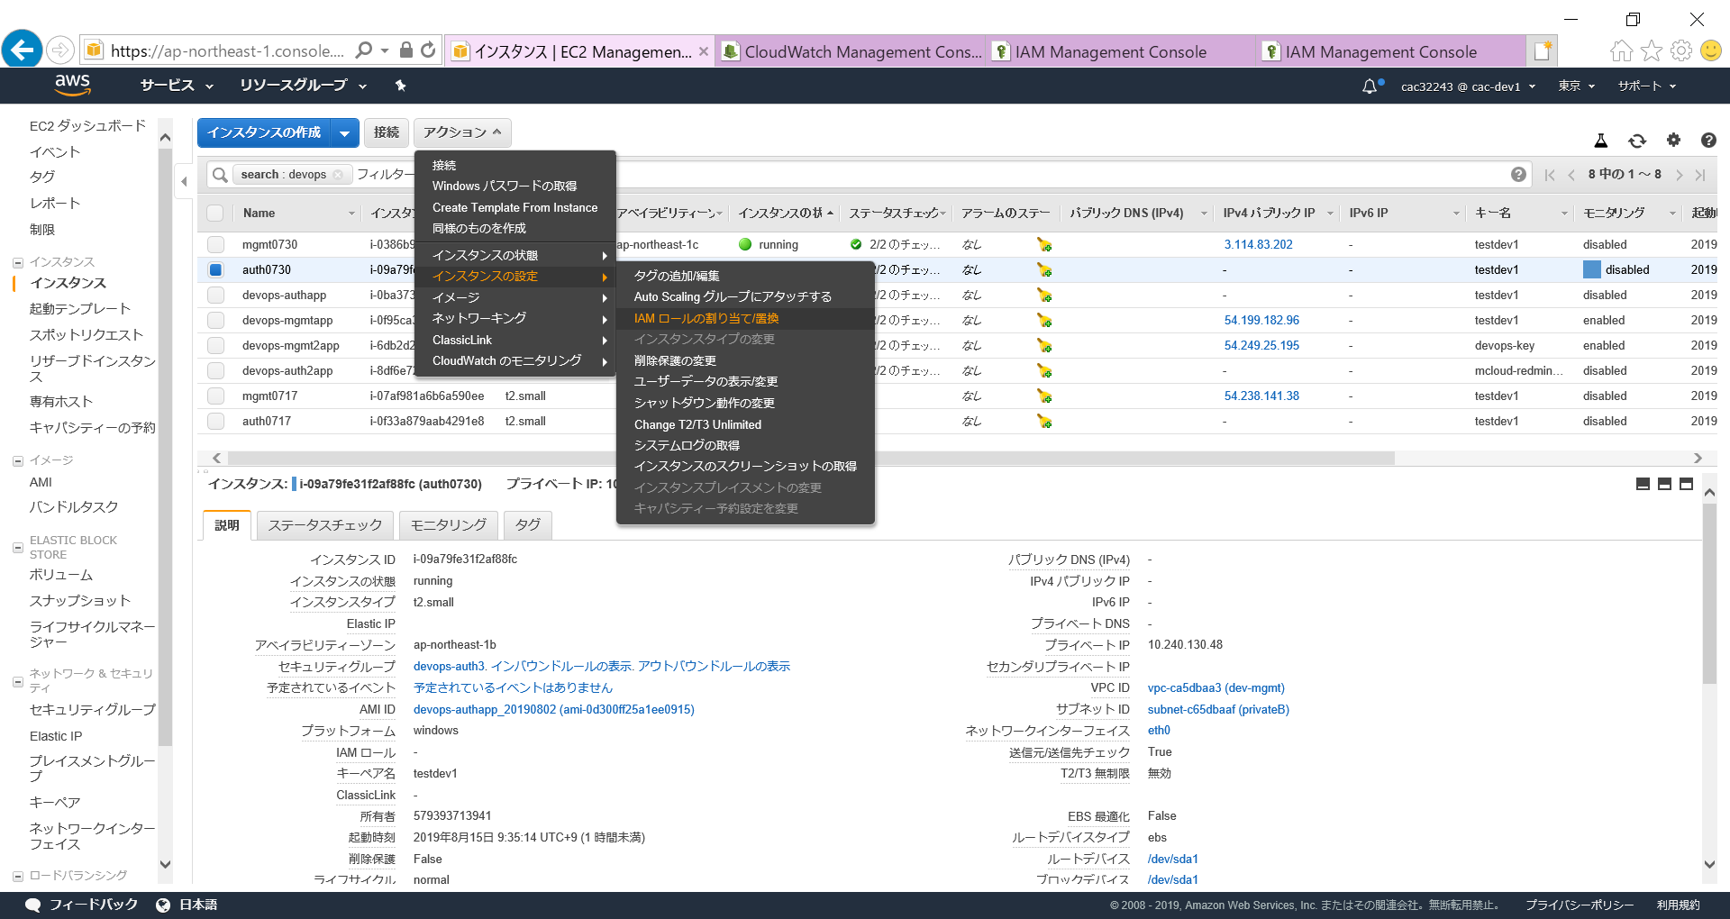

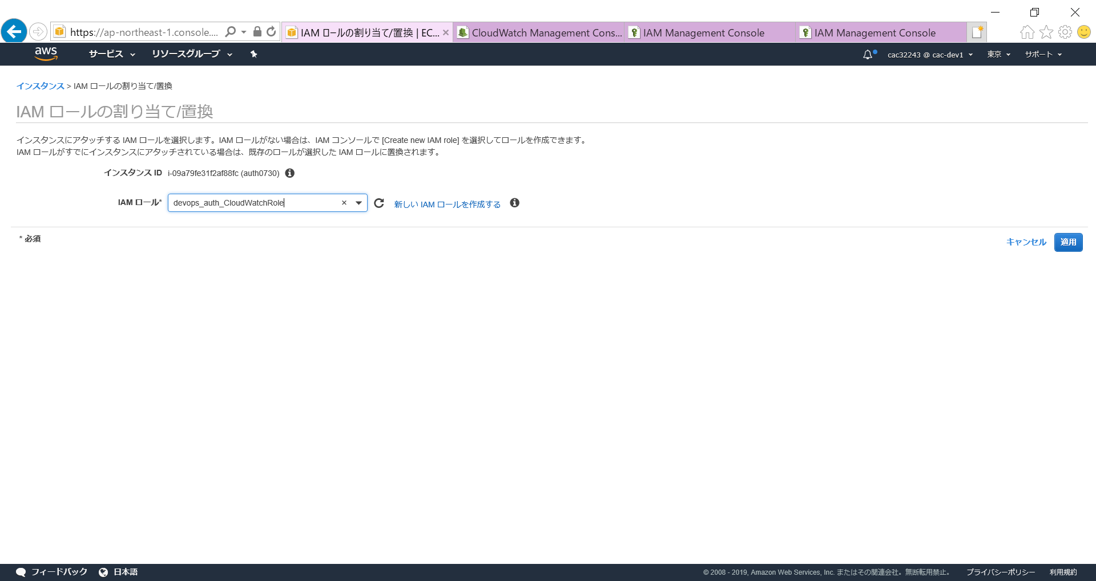

4 | AWS CLI インストール（必要かどうか？）
 | https://aws.amazon.com/jp/cli/?nc1=h_ls
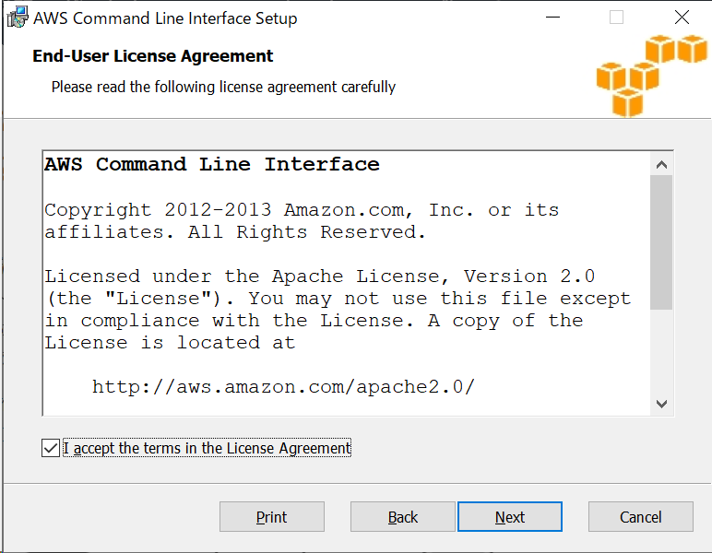

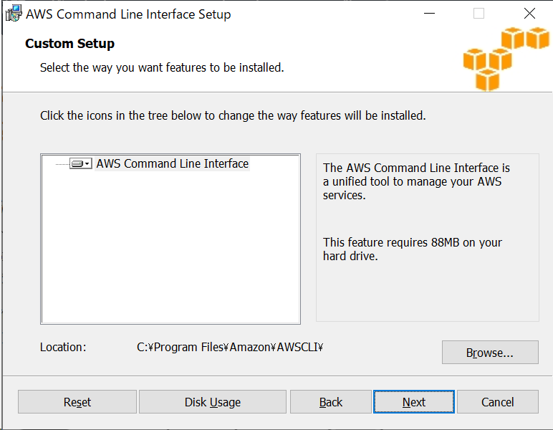

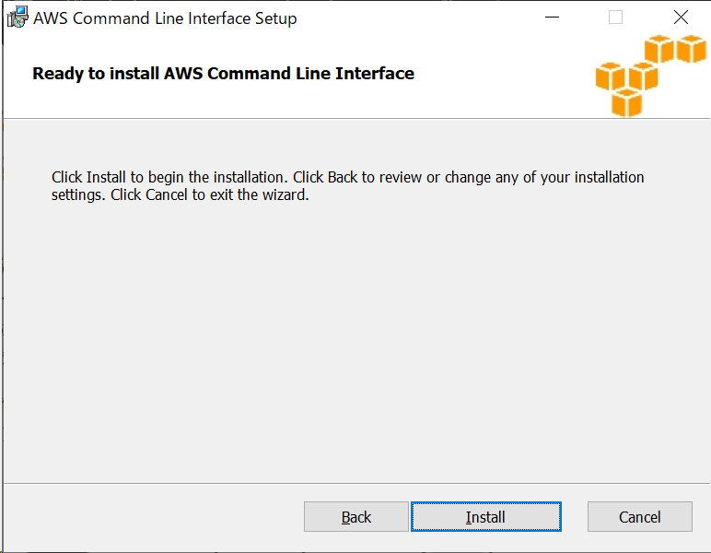

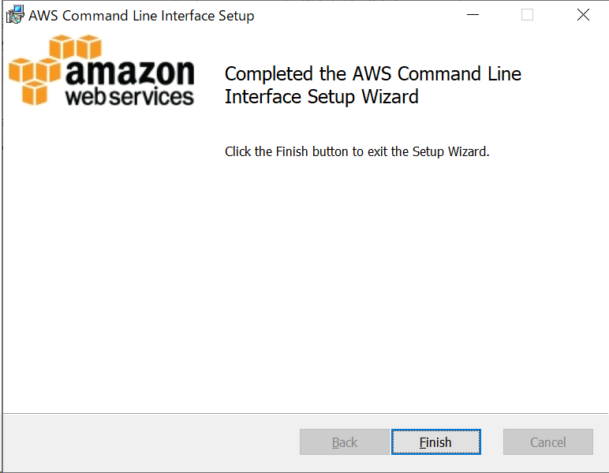

 | aws configureコマンドで下記情報を配置

 |  | ACCESS KEY: your access key
 |  | SECRET KEY: your secret key
 |  | DEFAULT REGION: ap-northeast-1
 |  | FORMAT: json

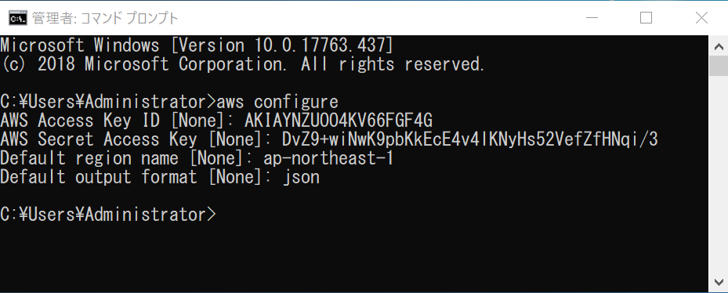

5 | cmdで
 | cd C:\Program Files\Amazon\AmazonCloudWatchAgent
 | amazon-cloudwatch-agent-config-wizard.exe

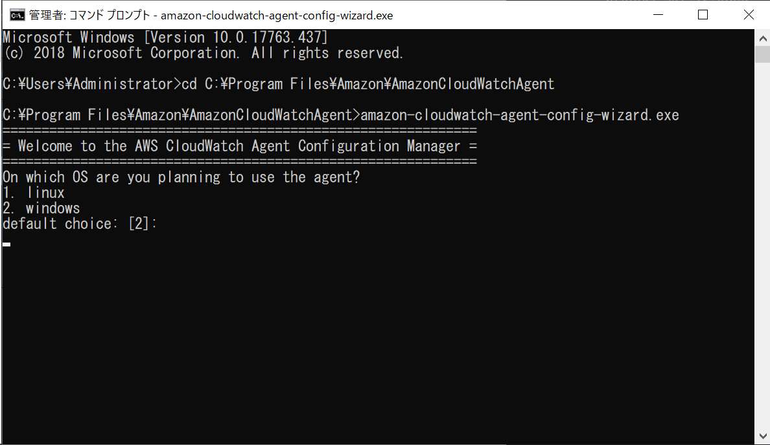

 | =============================================================
 | = Welcome to the AWS CloudWatch Agent Configuration Manager =
 | =============================================================
 | On which OS are you planning to use the agent?
 | 1. linux
 | 2. windows
 | default choice: [2]:
 | 2
 | Trying to fetch the default region based on ec2 metadata...
 | Are you using EC2 or On-Premises hosts?
 | 1. EC2
 | 2. On-Premises
 | default choice: [1]:
 | 1
 | Do you want to turn on StatsD daemon?
 | 1. yes
 | 2. no
 | default choice: [1]:
 | 1
 | Which port do you want StatsD daemon to listen to?
 | default choice: [8125]
 | 8125
 | What is the collect interval for StatsD daemon?
 | 1. 10s
 | 2. 30s
 | 3. 60s
 | default choice: [1]:
 | 1
 | What is the aggregation interval for metrics collected by StatsD daemon?
 | 1. Do not aggregate
 | 2. 10s
 | 3. 30s
 | 4. 60s
 | default choice: [4]:
 | 4
 | Do you have any existing CloudWatch Log Agent configuration file to import for migration?
 | 1. yes
 | 2. no
 | default choice: [2]:
 | 2
 | Do you want to monitor any host metrics? e.g. CPU, memory, etc.
 | 1. yes
 | 2. no
 | default choice: [1]:
 | 1
 | Do you want to monitor cpu metrics per core? Additional CloudWatch charges may apply.
 | 1. yes
 | 2. no
 | default choice: [1]:
 | 2
 | Do you want to add ec2 dimensions (ImageId, InstanceId, InstanceType, AutoScalingGroupName) into all of your metrics if the info is available?
 | 1. yes
 | 2. no
 | default choice: [1]:
 | 2
 | Would you like to collect your metrics at high resolution (sub-minute resolution)? This enables sub-minute resolution for all metrics, but you can customize for specific metrics in the output json file.
 | 1. 1s
 | 2. 10s
 | 3. 30s
 | 4. 60s
 | default choice: [4]:
 | 4
 | Which default metrics config do you want? |  |  |  | ※
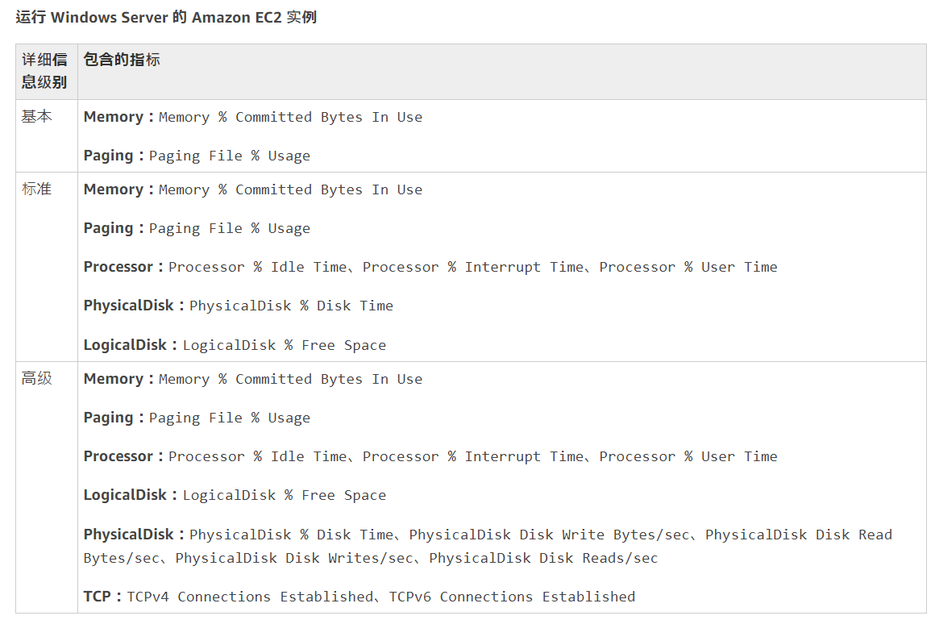
 | 1. Basic
 | 2. Standard
 | 3. Advanced
 | 4. None
 | default choice: [1]:
 | 1
 | Current config as follows:
 | {
 | "metrics": {
 | "metrics_collected": {
 | "Memory": {
 | "measurement": [
 | "% Committed Bytes In Use"
 | ],
 | "metrics_collection_interval": 60
 | },
 | "Paging File": {
 | "measurement": [
 | "% Usage"
 | ],
 | "metrics_collection_interval": 60,
 | "resources": [
 | "*"
 | ]
 | },
 | "statsd": {
 | "metrics_aggregation_interval": 60,
 | "metrics_collection_interval": 10,
 | "service_address": ":8125"
 | }
 | }
 | }
 | }
 | Are you satisfied with the above config? Note: it can be manually customized after the wizard completes to add additional items.
 | 1. yes
 | 2. no
 | default choice: [1]:
 | 1
 | Do you want to monitor any customized log files?
 | 1. yes
 | 2. no
 | default choice: [1]:
 | 2
 | Do you want to monitor any Windows event log?
 | 1. yes
 | 2. no
 | default choice: [1]:
 | 2
 | Saved config file to config.json successfully.
 | Current config as follows:
 | {
 | "metrics": {
 | "metrics_collected": {
 | "Memory": {
 | "measurement": [
 | "% Committed Bytes In Use"
 | ],
 | "metrics_collection_interval": 60
 | },
 | "Paging File": {
 | "measurement": [
 | "% Usage"
 | ],
 | "metrics_collection_interval": 60,
 | "resources": [
 | "*"
 | ]
 | },
 | "statsd": {
 | "metrics_aggregation_interval": 60,
 | "metrics_collection_interval": 10,
 | "service_address": ":8125"
 | }
 | }
 | }
 | }
 | Please check the above content of the config.
 | The config file is also located at config.json.
 | Edit it manually if needed.
 | Do you want to store the config in the SSM parameter store?
 | 1. yes
 | 2. no
 | default choice: [1]:
 | 2
 | Please press Enter to exit...

6 | config.jsonを編集
 | C:\Program Files\Amazon\AmazonCloudWatchAgent\config.json
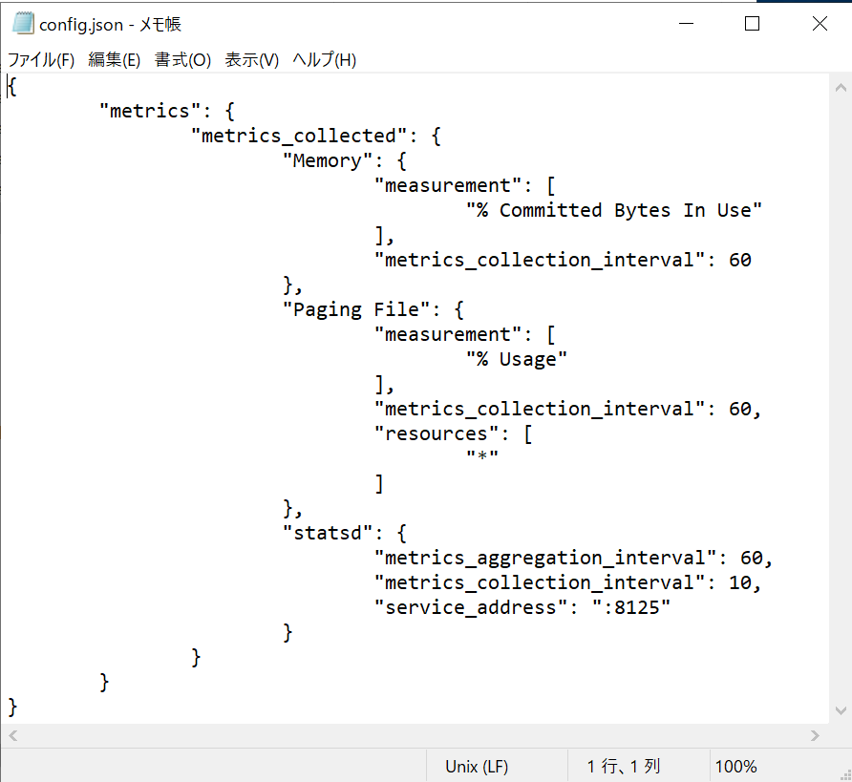
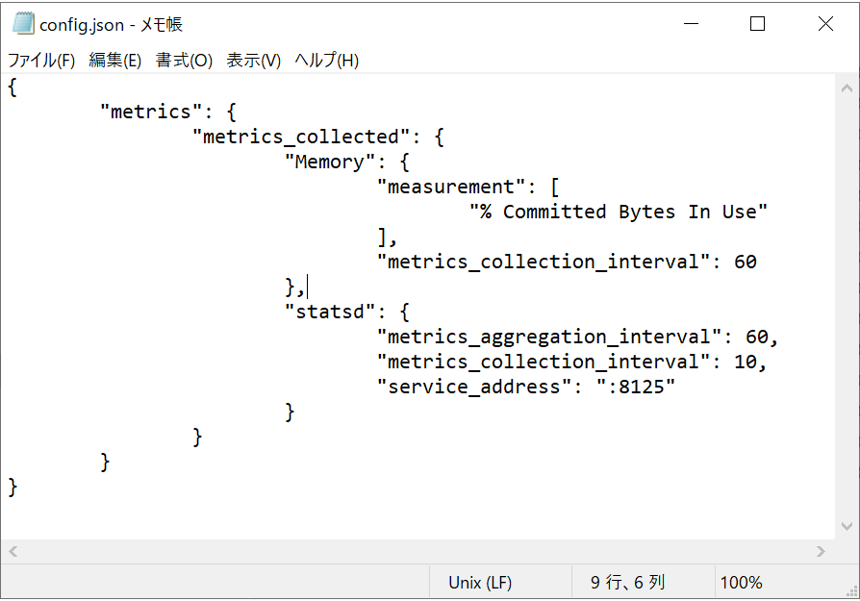

 |  |  |  | 削除

※1 | https://docs.aws.amazon.com/zh_cn/AmazonCloudWatch/latest/monitoring/metrics-collected-by-CloudWatch-agent.html

7 | agentの初期起動
 | Powershellで
 | cd "C:\Program Files\Amazon\AmazonCloudWatchAgent"
 | ./amazon-cloudwatch-agent-ctl.ps1 -a fetch-config -m ec2 -c file:"C:\Program Files\Amazon\AmazonCloudWatchAgent\config.json" -s

8 | ec2を起動すると、CWAgentも自動的起動できる

 | Powershellで
 | cd "C:\Program Files\Amazon\AmazonCloudWatchAgent"

 | 停止コマンド |  | ./amazon-cloudwatch-agent-ctl.ps1 -m ec2 -a stop
 | 起動/再起動コマンド |  | ./amazon-cloudwatch-agent-ctl.ps1 -m ec2 -a start

