DCATest⇒
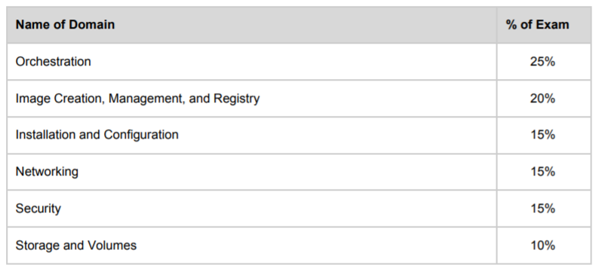

勉強スケジュール

7月 |  |  |  | 8月 |  |  |  | 9月 |  |  |  | 10月 |  |  |  | 11月 |  |  |  | 12月
第1週 | 第2週 | 第3週 | 第4週 | 第1週 | 第2週 | 第3週 | 第4週 | 第1週 | 第2週 | 第3週 | 第4週 | 第1週 | 第2週 | 第3週 | 第4週 | 第1週 | 第2週 | 第3週 | 第4週 | 第1週 | 第2週 | 第3週 | 第4週
 | Orchestration
 |  |  |  | Image Creation, Management, and Registry
 |  |  |  |  |  |  | Installation and Configuration
 |  |  |  |  |  |  |  |  |  | Networking
 |  |  |  |  |  |  |  |  |  |  |  |  | Security
 |  |  |  |  |  |  |  |  |  |  |  |  |  |  | Storage and Volumes
 |  |  |  |  |  |  |  |  |  |  |  |  |  |  |  |  | Practice&Question
 |  |  |  |  |  |  |  |  |  |  |  |  |  |  |  |  |  |  |  |  |  | 受験

1
Describe Dockerfile options [add, copy, volumes, expose, entrypoint, etc)

 | 1.dockerfile

 |  | sample
 |  | FROM ubuntu:18.04 COPY . /app RUN make /app CMD python /app/app.py |  |  |  |  |  |  | FROM creates a layer from the ubuntu:18.04 Docker image.
 |  |  |  |  |  |  |  |  | COPY adds files from your Docker client’s current directory.
 |  |  |  |  |  |  |  |  | RUN builds your application with make.
 |  |  |  |  |  |  |  |  | CMD specifies what command to run within the container.

 |  | this dockerfile contains four commands, each of which creates a layer.

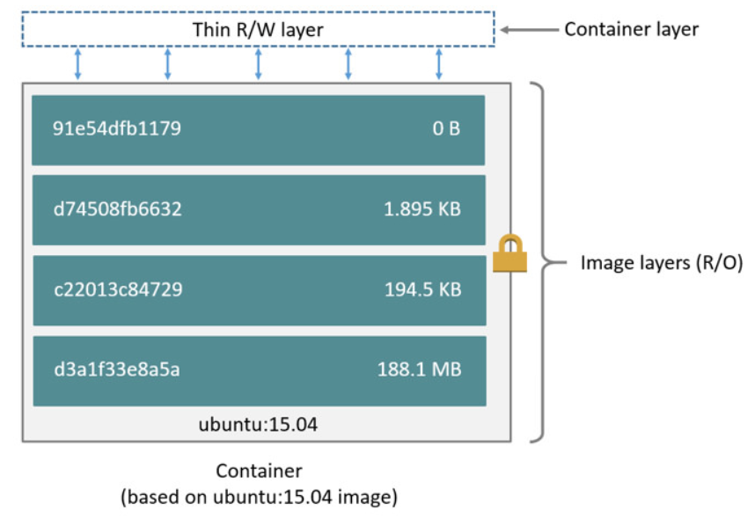

 | 2.build image from dockerfile
 |  | The docker build command builds an image from a Dockerfile and a context.
 |  | ※he build’s context is the set of files at a specified location PATH(local) or URL(github)
 |  |  | start with an empty directory
 |  |  | ┗dockerfile
 |  |  | ┗other files needed for building
 |  |  |  |  |  |  |  |  |  |  |  |  | Instructions
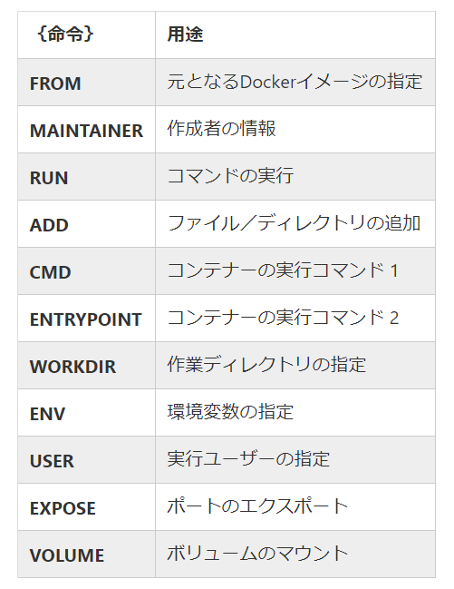
 | 3.各コマンド
 |  | ADD: ファイル/ディレクトリの追加 |  |  |  |  | ADD [--chown=<user>:<group>] <src>... <dest>
 |  |  |  |  |  |  | ※--chown feature is only supported on Dockerfiles used to build Linux containers
 |  |  | a.you can use match rules in command
 |  |  |  | ADD hom* /mydir/ |  |  | # adds all files starting with "hom"
 |  |  |  | ADD . /folder1 |  |  | # adds all files
 |  |  | b.The <dest> is an absolute path, or a path relative to WORKDIR
 |  |  |  | ADD test relativeDir/ |  |  | # adds "test" to `WORKDIR`/relativeDir/
 |  |  |  | ADD test /absoluteDir/ |  |  | # adds "test" to /absoluteDir/

 |  |  | ※.dockerignore：If this file exists, the CLI modifies the context to exclude files and directories that match patterns in it.

 |  |  |  | # comment */temp.txt */*.zip !*/1.zip |  |  |  |  | ←コメント
 |  |  |  |  |  |  |  |  | ←match patterns

 |  |  |  |  |  |  |  |  | ←例外（exclude *.zip but include 1.zip）

 |  | COPY: ファイル/ディレクトリの追加
 |  |  | ADD | can add file from remote
 |  |  |  | can unzip file auto

 |  |  | COPY | can not copy file from remote
 |  |  |  | can not unzip file auto

 |  | FROM: ベースイメージの指定

 |  | ENV: 環境変数の指定

 |  | RUN/CMD/ENTRYPOINT: コマンドとパラメータを定義

 |  |  | TYPE |  | 実行タイミング |  | 備考
 |  |  | RUN |  | イメージビルド時 |  | ソフトウェアをインストールため
 |  |  | CMD |  | コンテナ起動時 |  | docker run でコマンドを指定する時、override |  |  |  |  | ※CMDは一つしか指定できない、複数を指定すると最後に定義したCMDは有効です、それ以外は全部無効
 |  |  | ENTRYPOINT |  | コンテナ起動時 |  | docker run でコマンドを指定する、同時に使う
 |  |  | ※ENTRYPOINTでコマンドを指定し、CMDでデフォルトパラメータを指定、docker runで実際のパラメータを上書き

 |  |  | 例：
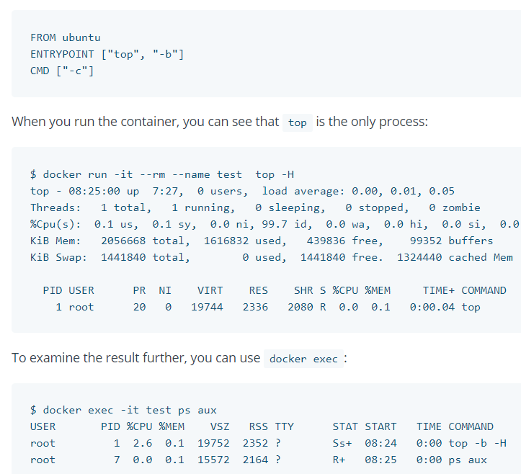

 |  | LABEL: イメージにラベルを追加
 |  |  | 例：LABEL version="1.0"

 |  | EXPOSE: ポートのエクスポート |  |  |  | ※デフォルトはtcpにエクスポート
 |  |  | 例: EXPOSE 80/udp

 |  | VOLUME: ボリュームのマウント
 |  |  | 例: VOLUME /myvol

 |  | USER: 実行ユーザとグループの指定 |  |  |  | ※When the user doesn’t have a primary group then the image will be run with the root group.
 |  |  | 例: | Linuxコンテナ |  |  |  | Windowsコンテナ
 |  |  |  | USER dick |  |  |  | RUN net user /add dick |  | ←On Windows, the user must be created first if it’s not a built-in account
 |  |  |  |  |  |  |  | USER dick

 |  | WORKDIR: 作業ディレクトリの指定 |  |  |  | ※複数指定できる、作業範囲は直後のRUN、CMD、ENTRYPOINT、COPY、ADD

 |  |  | 例: | RUN mkdir /a |  | ←aフォルダーを作る
 |  |  |  | WORKDIR /a |  | ←aは絶対パス
 |  |  |  | ADD context b |  | ←bは相対パス（/a/b）
 |  |  |  | WORKDIR c |  | ←cは相対パス（/a/c）
 |  |  |  | ADD context

 | 4.sample
 |  | dockerfile
 |  | FROM alpine:latest USER root RUN mkdir /a /a/b /a/c WORKDIR /a ADD context b WORKDIR c ADD context . ENV abc=hello LABEL version=1.0 VOLUME /myvol EXPOSE 90/udp |  |  |  |  |  | ←ベースイメージ指定
 |  |  |  |  |  |  |  | ←コマンド実行用ユーザ指定
 |  |  |  |  |  |  |  | ←イメージに「/a」「/a/b」「/a/c」
 |  |  |  |  |  |  |  | ←作業ディレクトリを指定
 |  |  |  |  |  |  |  | ←ディレクトリをコピー（作業ディレクトリへ）
 |  |  |  |  |  |  |  | ←作業ディレクトリを変更
 |  |  |  |  |  |  |  | ←ディレクトリをコピー（作業ディレクトリへ）
 |  |  |  |  |  |  |  | ←環境変数指定
 |  |  |  |  |  |  |  | ←ラベル指定
 |  |  |  |  |  |  |  | ←ボリュームマウント
 |  |  |  |  |  |  |  | ←ポートエクスポート

 |  | build image
 |  | PS E:\docker\dockerfile> docker build -t df:5.0 . Sending build context to Docker daemon 5.632kB Step 1/11 : FROM alpine:latest ---> 961769676411 Step 2/11 : USER root ---> Running in f6d6b05b7c64 Removing intermediate container f6d6b05b7c64 ---> 49806cfc8fbd Step 3/11 : RUN mkdir /a /a/b /a/c ---> Running in f382e53c4b42 Removing intermediate container f382e53c4b42 ---> f87c6514830e Step 4/11 : WORKDIR /a ---> Running in fc529fbe5e79 Removing intermediate container fc529fbe5e79 ---> 06138de783d4 Step 5/11 : ADD context b ---> f28c79c6027e Step 6/11 : WORKDIR c ---> Running in 2c440c2addc1 Removing intermediate container 2c440c2addc1 ---> 1e6807083f27 Step 7/11 : ADD context . ---> 9f2ff7764d32 Step 8/11 : ENV abc=hello ---> Running in 12330cb52a78 Removing intermediate container 12330cb52a78 ---> ab508d74170c Step 9/11 : LABEL version=1.0 ---> Running in c8a570ed812c Removing intermediate container c8a570ed812c ---> b6e6421ffc86 Step 10/11 : VOLUME /myvol ---> Running in a03a33127fb3 Removing intermediate container a03a33127fb3 ---> 6ad5e62dbe50 Step 11/11 : EXPOSE 90/udp ---> Running in d23e7a8e8ff3 Removing intermediate container d23e7a8e8ff3 ---> b70e1b288e7a Successfully built b70e1b288e7a Successfully tagged df:5.0 SECURITY WARNING: You are building a Docker image from Windows against a non-Windows Docker host. All files and directories added to build context will have '-rwxr-xr-x' permissions. It is recommended to double check and reset permissions for sensitive files and directories. PS E:\docker\dockerfile>

 |  |  |  |  |  |  |  |  |  |  | ←build成功

 |  | 作成したイメージの情報
 |  | PS E:\docker\dockerfile> docker image inspect df:5.0 [ { "Id": "sha256:b70e1b288e7a6f8ab64f02bfb8816fea2804faa851aff9806062c7c92979cd0e", "RepoTags": [ "df:5.0" ], "RepoDigests": [], "Parent": "sha256:6ad5e62dbe50ad1556a229c685fdef5f6e2fe6123892e6667ae606b9d6a5b55c", "Comment": "", "Created": "2019-08-27T01:31:10.2267558Z", "Container": "d23e7a8e8ff30f6b7d8348b25a475fe7a723b75dfe2735e46f2970fe4cef6d80", "ContainerConfig": { "Hostname": "d23e7a8e8ff3", "Domainname": "", "User": "root", "AttachStdin": false, "AttachStdout": false, "AttachStderr": false, "ExposedPorts": { "90/udp": {} }, "Tty": false, "OpenStdin": false, "StdinOnce": false, "Env": [ "PATH=/usr/local/sbin:/usr/local/bin:/usr/sbin:/usr/bin:/sbin:/bin", "abc=hello" ], "Cmd": [ "/bin/sh", "-c", "#(nop) ", "EXPOSE 90/udp" ], "ArgsEscaped": true, "Image": "sha256:6ad5e62dbe50ad1556a229c685fdef5f6e2fe6123892e6667ae606b9d6a5b55c", "Volumes": { "/myvol": {} }, "WorkingDir": "/a/c", "Entrypoint": null, "OnBuild": null, "Labels": { "version": "1.0" } }, "DockerVersion": "18.09.2", "Author": "", "Config": { "Hostname": "", "Domainname": "", "User": "root", "AttachStdin": false, "AttachStdout": false, "AttachStderr": false, "ExposedPorts": { "90/udp": {} }, "Tty": false, "OpenStdin

 |  | 作成したコンテナの状況
 |  | PS E:\docker\dockerfile> docker run -itd --name test df:5.0 7e81003cc3930f2001432527ad3600401d08d01cc62734413473a5261fc78532 PS E:\docker\dockerfile> docker attach test /a/c # ls 1.txt 1.zip test.zip /a/c # cd .. /a # ls b c /a # cd b/ /a/b # ls 1.txt 1.zip test.zip /a/b # exit PS E:\docker\dockerfile> |  |  |  |  |  |  |  |  | ←コンテナ起動

 |  |  |  |  |  |  |  |  |  |  | ←ディレクトリcontextは正しく追加された

 |  |  |  |  |  |  |  |  |  |  | ←ディレクトリcontextは正しく追加された

4
Use CLI commands such as list, delete, prune, rmi, etc to manage images

 | イメージ一覧を取得
 |  | docker image ls
 |  | docker image list
 |  | docker images

 | イメージを削除
 |  | docker image rm rabbitmq:latest
 |  | docker image rmi rabbitmq:latest
 |  | docker rmi rabbitmq:latest

 | イメージを一括削除
 |  | docker image prune -f | ※タグ付けされない 且つ 現存しているコンテナ（起動または停止を問わず）から参照されていないイメージは削除対象となる

 | イメージをビルド
 |  | docker build -t <tag>:<version> <dockerfile's path>
 |  |  |  |  | dockerfile
 |  | PS E:\docker\dockerfile> docker build -t test:1.0 . Sending build context to Docker daemon 219.9MB Step 1/11 : FROM alpine:latest ---> 961769676411 Step 2/11 : USER root ---> Running in f49a52c83611 Removing intermediate container f49a52c83611 ---> cb013fc799dd Step 3/11 : RUN mkdir /a /a/b /a/c ---> Running in a0444f9d8677 Removing intermediate container a0444f9d8677 ---> 297bcb0c474b Step 4/11 : WORKDIR /a ---> Running in a55260cf3424 Removing intermediate container a55260cf3424 ---> b09940da08fb Step 5/11 : ADD context b ---> 1aa07850766e Step 6/11 : WORKDIR c ---> Running in 1a63af610d95 Removing intermediate container 1a63af610d95 ---> 7f7be6603340 Step 7/11 : ADD context . ---> 45dbf3380b1c Step 8/11 : ENV abc=hello ---> Running in 95136db56405 Removing intermediate container 95136db56405 ---> 98b35a28a8a2 Step 9/11 : LABEL version=1.0 ---> Running in 3160d0cb6fb1 Removing intermediate container 3160d0cb6fb1 ---> 89d863f39172 Step 10/11 : VOLUME /myvol ---> Running in 18c595fad233 Removing intermediate container 18c595fad233 ---> 89a8b6aab47a Step 11/11 : EXPOSE 90/udp ---> Running in b35926664062 Removing intermediate container b35926664062 ---> 53f42ec456ba Successfully built 53f42ec456ba Successfully tagged test:1.0 SECURITY WARNING: You are building a Docker image from Windows against a non-Windows Docker host. All files and directories added to build context will have '-rwxr-xr-x' permissions. It is recommended to double check and reset permissions for sensitive files and directories. |  |  | FROM alpine:latest USER root RUN mkdir /a /a/b /a/c WORKDIR /a ADD context b WORKDIR c ADD context . ENV abc=hello LABEL version=1.0 VOLUME /myvol EXPOSE 90/udp
each command in dockerfile
run a new container to run the command and
add a new layer(writeable) to the image

 | イメージのビルド履歴一覧を取得

 |  | PS E:\docker\dockerfile> docker history test:1.0 IMAGE CREATED CREATED BY SIZE COMMENT 53f42ec456ba 16 minutes ago /bin/sh -c #(nop) EXPOSE 90/udp 0B 89a8b6aab47a 16 minutes ago /bin/sh -c #(nop) VOLUME [/myvol] 0B 89d863f39172 16 minutes ago /bin/sh -c #(nop) LABEL version=1.0 0B 98b35a28a8a2 16 minutes ago /bin/sh -c #(nop) ENV abc=hello 0B 45dbf3380b1c 16 minutes ago /bin/sh -c #(nop) ADD dir:77787e368dd76c6e60… 6B 7f7be6603340 16 minutes ago /bin/sh -c #(nop) WORKDIR /a/c 0B 1aa07850766e 16 minutes ago /bin/sh -c #(nop) ADD dir:77787e368dd76c6e60… 6B b09940da08fb 16 minutes ago /bin/sh -c #(nop) WORKDIR /a 0B 297bcb0c474b 16 minutes ago /bin/sh -c mkdir /a /a/b /a/c 0B cb013fc799dd 16 minutes ago /bin/sh -c #(nop) USER root 0B 961769676411 2 months ago /bin/sh -c #(nop) CMD ["/bin/sh"] 0B <missing> 2 months ago /bin/sh -c #(nop) ADD file:fe64057fbb83dccb9… 5.58MB

 |  |  |  | ←dockerfileの一つのコマンドは一つのイメージを作成した

 |  |  |  | ←ベースイメージはローカルにないので、missingを表示する

 | イメージ情報を確認
 |  | docker image inspect test:1.0

 | イメージに新しいタグを付ける

 |  | PS E:\docker\dockerfile> docker image tag test:1.0 test:new PS E:\docker\dockerfile> docker images REPOSITORY TAG IMAGE ID CREATED SIZE test 1.0 53f42ec456ba 38 minutes ago 5.58MB test new 53f42ec456ba 38 minutes ago 5.58MB

 |  |  |  | ←タグは違いますが、イメージIDは同じです

 | イメージをダウンロード
 |  | docker pull イメージ名:tag

 | イメージをアップロード(dockerhubへ)
 |  | docker push hubのユーザ名/XXXX:tag

 | イメージをローカルに保存

 |  | PS E:\docker\dockerfile> docker image save test:new -o .\image\test.tar PS E:\docker\dockerfile>

 | ローカルからイメージをインポート

 |  | PS E:\docker\dockerfile> docker image import .\image\test.tar test:2.0 sha256:8185715ae77d414dd1a9c2f61abe82c20aebb80587ab2deb4ca734b32be6e7af PS E:\docker\dockerfile> docker images REPOSITORY TAG IMAGE ID CREATED SIZE test 2.0 8185715ae77d 4 seconds ago 5.86MB test 1.0 53f42ec456ba About an hour ago 5.58MB test new 53f42ec456ba About an hour ago 5.58MB

 |  |  |  | ←同じイメージをローカルにsaveして再度importした後、サイズは大きくなった

 | ローカルからイメージをロード

 |  | PS E:\docker\dockerfile> docker image load -i .\image\test.tar 33e0c85cc6b6: Loading layer [==================================================>] 2.56kB/2.56kB 9c19c1faca13: Loading layer [==================================================>] 4.096kB/4.096kB 576365eef3d6: Loading layer [==================================================>] 4.096kB/4.096kB Loaded image: test:new PS E:\docker\dockerfile> docker images REPOSITORY TAG IMAGE ID CREATED SIZE test 2.0 8185715ae77d 7 minutes ago 5.86MB test new 53f42ec456ba About an hour ago 5.58MB

 |  |  |  | ←同じイメージをローカルにsaveして再度loadした後、サイズは変わらない

7
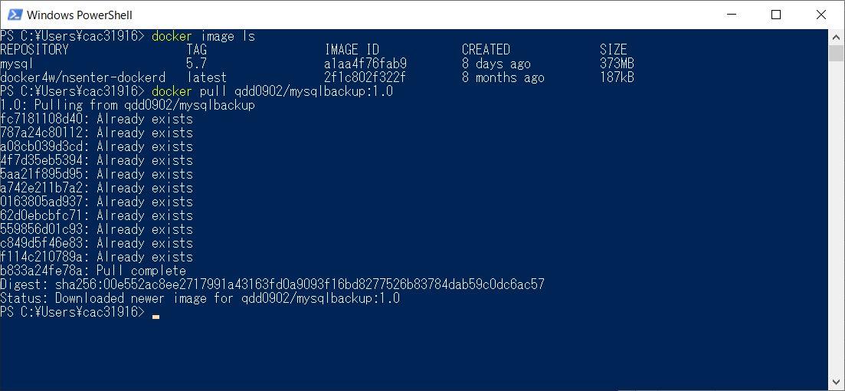
Utilize a registry to store an image

 | docker hubにログイン
 | docker login

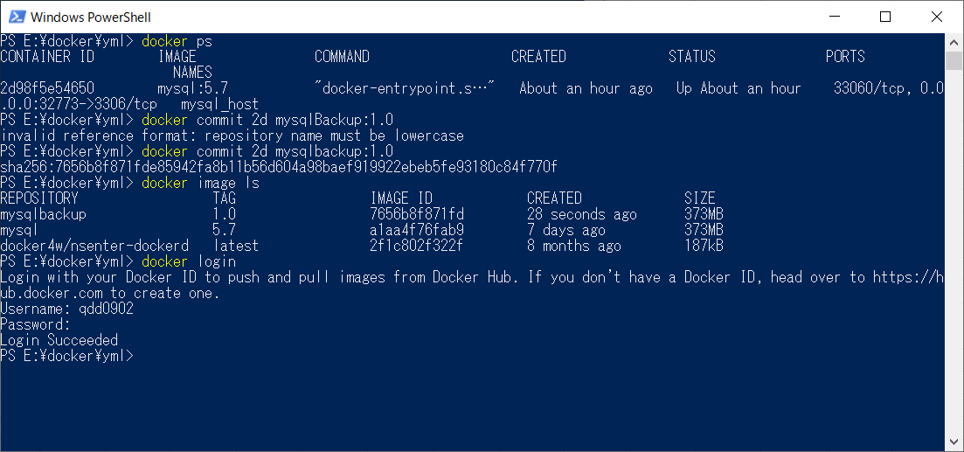

 | イメージの名前を修正
 | docker tag 7656b8f871fd qdd0902/mysql20190618 | ←イメージの名前の前半は必ずdocker hubのアカウントと同じ（アカウント名/xxx）

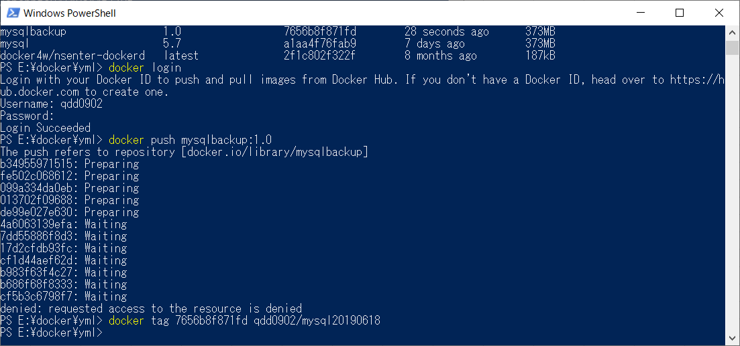

 | Backupをdocker hubにプッシュ
 | docker push qdd0902/mysqlbackup:1.0

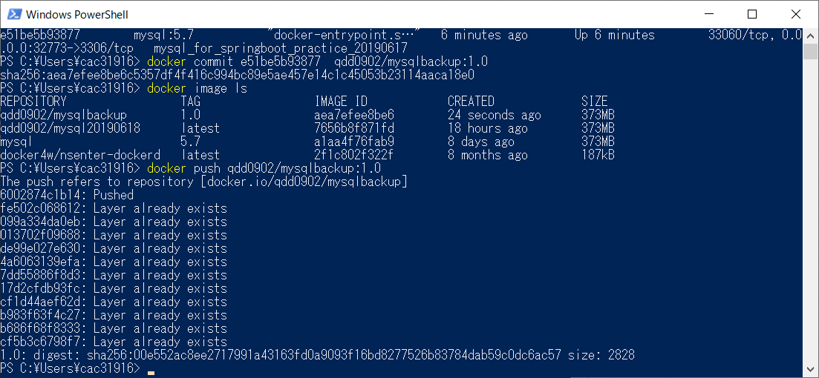

 | Backupをダウンロード
 | docker pull qdd0902/mysqlbackup:1.0

