TC275
 | Level1 | Level2 | Level3 | Power

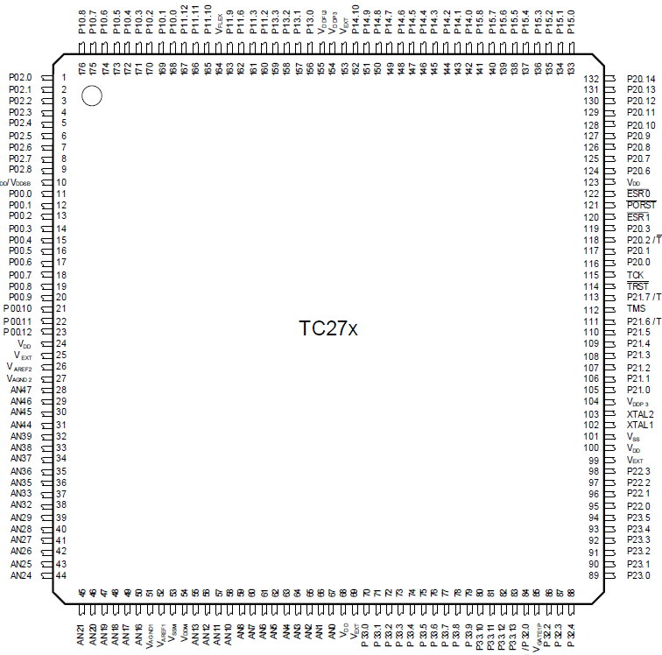

NFLTAH |  |  |  |  | SBC_MTSR0 | COSN_DS2_AI | NFLTBH
PU |  |  |  |  | SBC_CS002 | COSP_DS2_AI | N.C.
PV |  |  |  |  | SBC_MRST0 | VDD5_AI | HWCFG5
PW |  |  |  |  | SBC_CLK0 | VDD5G1_AI | HWCFG4
PX |  |  |  |  | N.C. | HVUP_AI | N.C.
PY |  |  |  |  | WDI | COSH_AI | DFDN_H
PZ |  |  |  |  | CRASH | GND | DFUP_L
NESO |  |  |  |  | ENSMPS | VAREF1 | DFDN_L
PWMTRG_O |  |  |  |  | KL15 | GND | DFUP_H
VDD1V3 |  |  |  |  | VDD1V3 | VDD5_REF | N.C.
PWMTRG |  |  |  |  | ESR0 | MTEM2_AI | N.C.
N.C. |  |  |  |  | PORST | N.C. | N.C.
N.C. |  |  |  |  | ESR1 | MTEM1_AI | VDD5
ADC2TRG |  |  |  |  | RSVTRG | RES2 | N.C.
NFLTAL |  |  |  |  | TESTMODE | SINL_AI | N.C.
NFLTBL |  |  |  |  | WAKE | N.C. | NFLTSUM
DOUTX |  |  |  |  | RSVTRG_O | RES1 | N.C.
DOUTY |  |  |  |  | TCK/DAP0 | UBR1_AI | RDYL
DOUTZ |  |  |  |  | TRST | SINH_AI | N.C.
N.C. |  |  |  |  | P21.7/TDO/DAP2 | SINN_DS0_AI | N.C.
N.C. |  |  |  |  | TMS/DAP1 | SINP_DS0_AI | RDYH
IU_B_AI |  |  |  |  | P21.6/TDI | EXCN_DS1_AI | VDD3V3
IW_A_AI |  |  |  |  | LED3 | EXCP_DS1_AI | VDD3V3
VDD1V3 |  |  |  |  | LED2 | VDD1V3 | VDD5
VDD5 |  |  |  |  | N.C. | VDD5 | NSTBCAN
VAREF2 |  |  |  |  | N.C. | NOC | ENCAN
GND |  |  |  |  | LED1 | OCLOCK | ENH
VDD15_AI |  |  |  |  | N.C. | NOV1 | ENL
N.C. |  |  |  |  | VDD3V3 | NOV2 | HWCFG0
IW_B_AI |  |  |  |  | XTAL2 | N.C. | HWCFG1
IV_A_AI |  |  |  |  | XTAL1 | N.C. | HWCFG6
N.C. |  |  |  |  | GND | N.C. | HWCFG3
HWVER_AI |  |  |  |  | VDD1V3 | N.C. | HWCFG2
UBR2_AI |  |  |  |  | VDD5 | SBC_ERR | CAN1RXD
RES3 |  |  |  |  | DRV_CLK3 | N.C. | CAN1TXD
ADCTEST_AI |  |  |  |  | DRV_CS312H | N.C. | VADCTRG
IV_B_AI |  |  |  |  | DRV_MRST3 | EXCLO | N.C.
IU_A_AI |  |  |  |  | DRV_MTSR3 | EXCHO | SBC_TM
N.C. |  |  |  |  | N.C. | N.C. | CFI
RES4 |  |  |  |  | OCPWML | VGATE1N | ST_L2_ASCEN
VDD5COM_AI |  |  |  |  | OCPWMH | VGATE1P | L2_ASCEN
N.C. |  |  |  |  | N.C. | MTEM1SEL | NOC_CLR
HVUN_AI |  |  |  |  | DRV_CS313L | MTEM2SEL | CAN2RXD
COSL_AI |  |  |  |  | MR | N.C. | CAN2TXD

